Department1
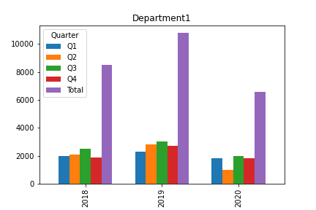
Year | Q1 | Q2 | Q3 | Q4 | Total
2018 | 2000 | 2100 | 2500 | 1900 | 8500
2019 | 2300 | 2800 | 3000 | 2700 | 10800
2020 | 1800 | 990 | 2000 | 1800 | 6590
Total | 6100 | 5890 | 7500 | 6400 | 25890

