LoginTestCases
Functionality Name |  | Login functionality | Status | Pass
Application Name |  | ecommerce app | Design Date | 2026-10-08
Reviewed by |  | Olena Onyshkiv | Review Date | 24/8/2026

TestCase ID | Description | Priority | Pre-condition | Test Steps | Test Data | Expected result | Actual result | Screenshots | Status
TC_001 | Verify login with valid credentials | High | 1. Browser cache and cookies are cleared 2. User is not logged in | 1.Click on the "Login" button (or navigate to login page) 2.Enter the username in the username field 3.Enter the password in the password field 4.Click the "Login" button 5.Wait for the page to load (and verify result) | login: mor_2314 password: 83r5^_ | User is logged in and redirected to home page | Passed | 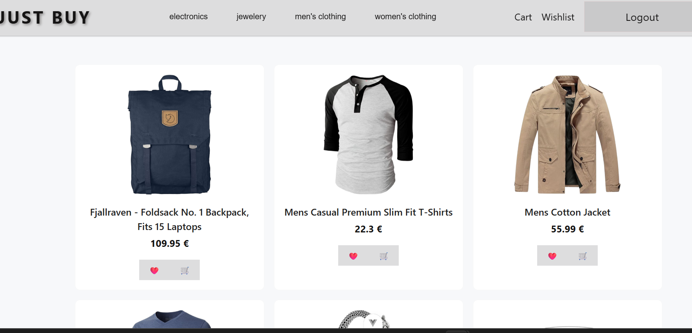 | Pass
TC_002 | Verify login with invalid password | High | 1. Browser cache and cookies are cleared 2. User is not logged in | 1.Click on the "Login" button (or navigate to login page) 2.Enter the username in the username field 3.Enter the password in the password field 4.Click the "Login" button 5.Wait for the page to load (and verify result) | login: mor_2314 password: 85r5^_ | Error message: "Login failed" | Passed | 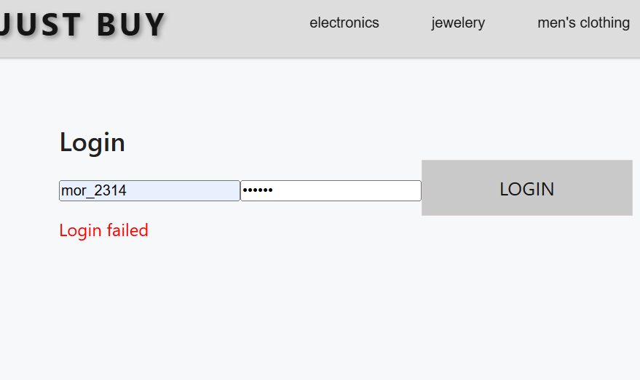 | Pass
TC_003 | Verify login with invalid username | High | 1. Browser cache and cookies are cleared 2. User is not logged in | 1.Click on the "Login" button (or navigate to login page) 2.Enter the username in the username field 3.Enter the password in the password field 4.Click the "Login" button 5.Wait for the page to load (and verify result) | login: mor_2315 password: 83r5^_ | Error message: "Login failed" | Passed | 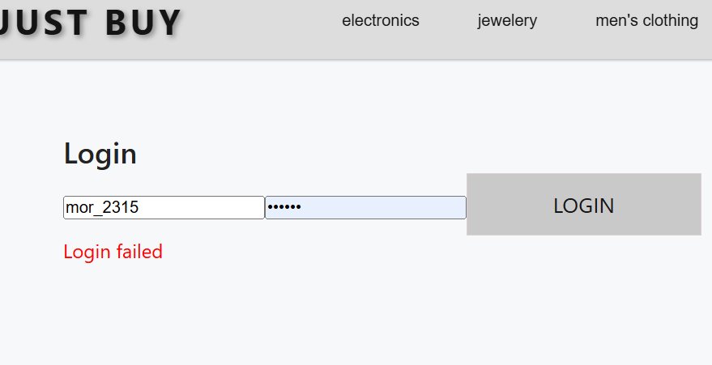 | Pass
TC_004 | Verify login with empty username field | Medium | 1. Browser cache and cookies are cleared 2. User is not logged in | 1.Click on the "Login" button (or navigate to login page) 2.Enter the username in the username field 3.Enter the password in the password field 4.Click the "Login" button 5.Wait for the page to load (and verify result) | login: password: 83r5^_ | Message: "Please fill out this field" | Passed | 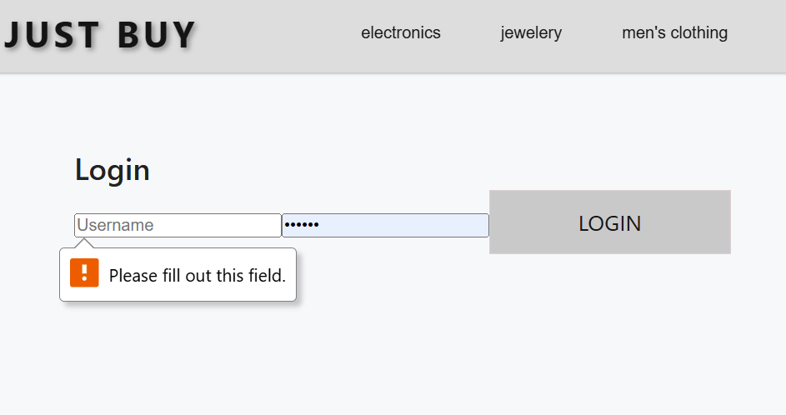 | Pass
TC_005 | Verify login with empty password field | Medium | 1. Browser cache and cookies are cleared 2. User is not logged in | 1.Click on the "Login" button (or navigate to login page) 2.Enter the username in the username field 3.Enter the password in the password field 4.Click the "Login" button 5.Wait for the page to load (and verify result) | login: mor_2314 password: | Message: "Please fill out this field" | Passed | 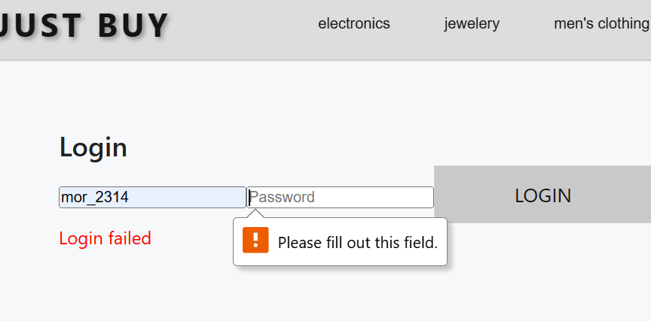 | Pass

UI
Functionality Name |  | Navigation / UI | Status | Pass
Application Name |  | ecommerce app | Design Date | 2026-10-08
Reviewed by |  | Olena Onyshkiv | Review Date | 24/8/2026

TestCase ID | Description | Priority | Pre-condition | Test Steps | Expected result | Actual result | Screenshots | Status
TC_013 | Verify that the mobile navigation menu functions correctly on smaller screens | High | 1. The app is open in a mobile viewport (375x667, 430x932) 2. The user is logged out or logged in 3. Browser cache is cleared | 1. Click the hamburger menu (☰) to open it 2. Click on any menu item (e.g., "Home", "Categories", "Wishlist") 3. Observe if the menu closes after navigation 4. Click the hamburger menu again to close it manually 5. Observe if the menu closes properly | 1. The menu opens when hamburger is clicked 2.The humburger turns into a cross icon 3. The menu automatically closes after selecting a page 4.The menu can be closed manually by clicking the cross icon | 1. The menu opens when hamburger is clicked 2.The hamburger doesn't turn into a cross 3.A cross appears on the menu toggle window itself, below the hamburger 4.The menu doesn't automatically closes after selecting a page 5.The menu closes after clicking the hamburger or the cross icon | 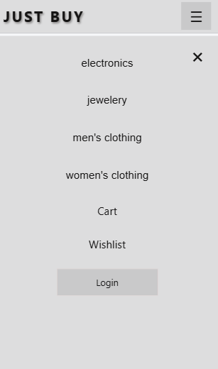 | Fail

