Чарти
Language | RU
11. Прогноз сальдо торгового баланса, 2023 |  | Заголовки
 |  | RU | Прогноз сальдо торгового баланса Украины в 2023 году |  |  | експ | $34 млрд | $34
 | Импорт услуг | Экспорт услуг | Импорт товаров | Экспорт товаров | Сальдо торгового баланса
1M | -2691 | 1277 | -5128 | 2969 | -3573
2M | -2622 | 1315 | -5148 | 3154 | -3301
3M | -2259 | 1387 | -5480 | 3667 | -2685
4M | -1905 | 1276 | -4619 | 2889 | -2359
5M | -1946 | 1352 | -4916 | 2953 | -2557
6M | -1909 | 1363 | -5142 | 2810 | -2878
7M | -1975 | 1370 | -5226 | 2265 | -3566
8M | -1979 | 1391 | -5522 | 2543 | -3567
9M | -1937 | 1283 | -5355 | 2557 | -3452
10M | -1948 | 1360 | -5486 | 2625 | -3449
11M | -2005 | 1423 | -4988 | 2841 | -2729
12M | -2262 | 1395 | -6025 | 3195 | -3698
 |  | ENG | Trade balance of Ukraine forecast, 2023 |  |  | імп | $63 млрд | $63
 |  | UKR | Прогноз сальдо торгового балансу України у 2023 році |  |  | експ п | $16 млрд | $16
 |  | RU | млрд | Сальдо торгового баланса в 2023: | млрд | імп п | $25 млрд | $25
 |  | ENG | Bln | Trade balance in 2023: | Bln | Сальдо торгового баланса в 2023: -$38 млрд | -$38 млрд | -$38 | -$38
 |  | UKR | млрд | Сальдо торгового балансу в 2023: | млрд
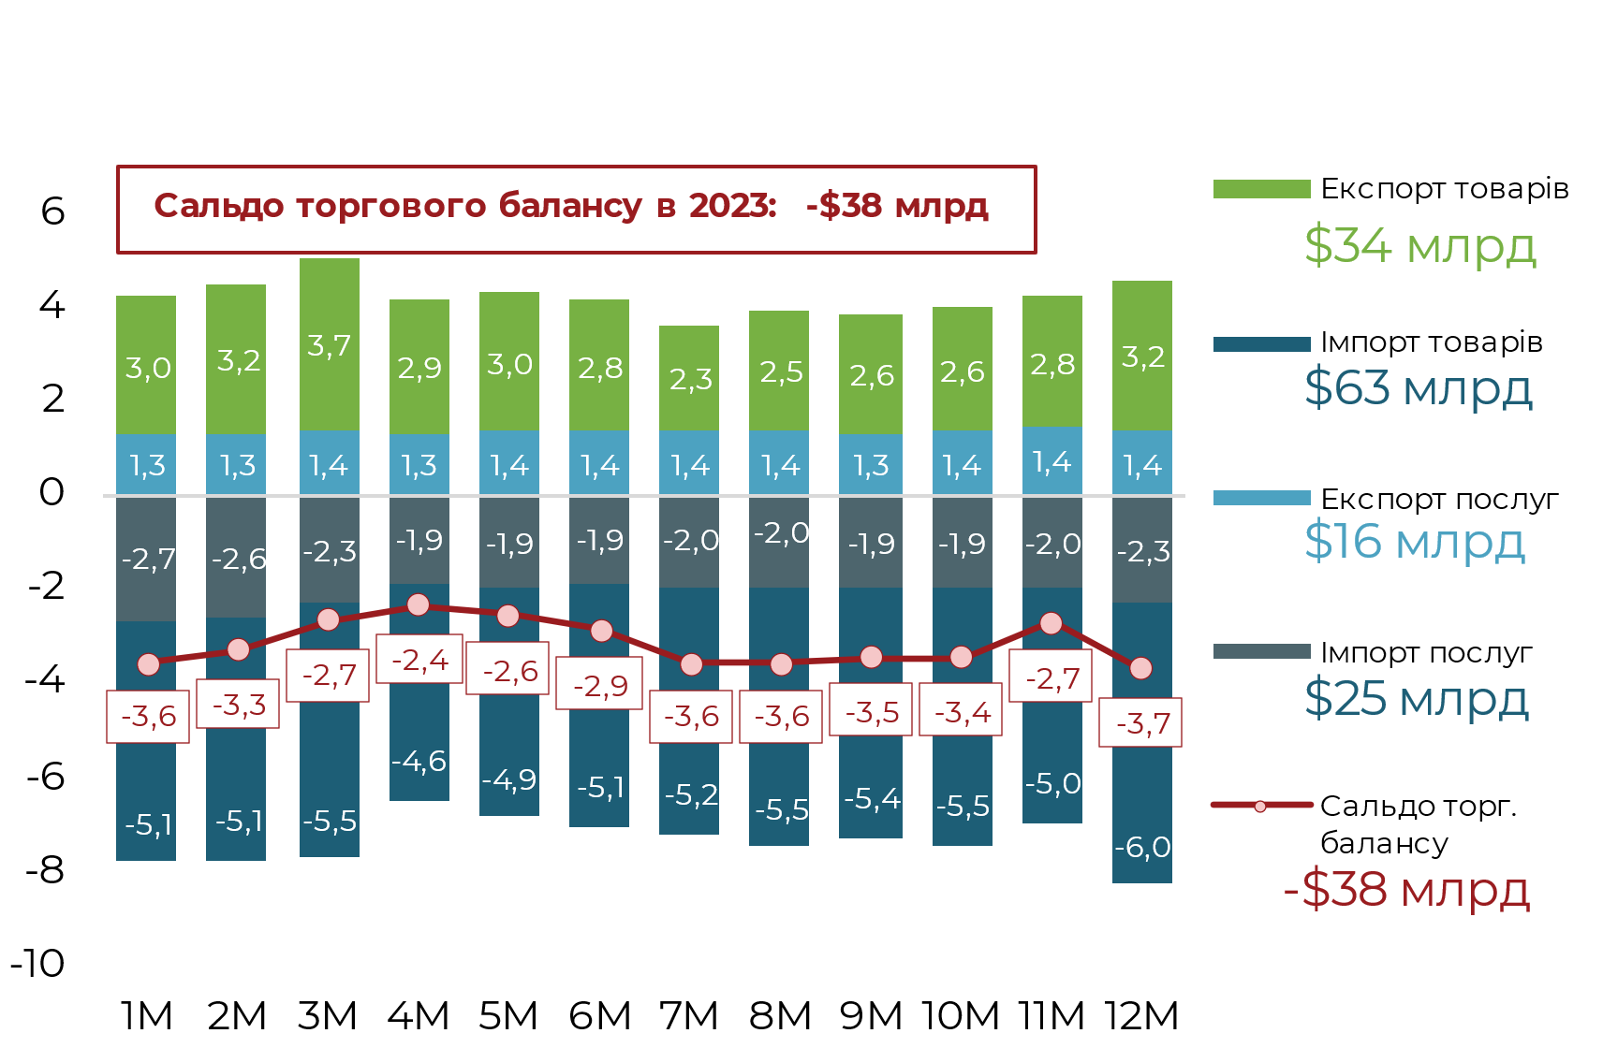
 |  | Источники
 |  | RU | Источник: НБУ, Государственная таможенная служба, расчеты Ukraine Economic Outlook
 |  | ENG | Source: NBU, State Customs Service, Ukraine Economic Outlook calculations
 |  | UKR | Джерело: НБУ, Державна митна служба, розрахунки Ukraine Economic Outlook

 | Портфельные инвестиции | Прямые инвестиции | Прочие инвестиции | Прямые инвестиции | Портфельные инвестиции | Другие инвестиции | Финансовый счет | Финансовый счет
 | -186.0 | 370.0 | -1370.0 |  |  |  | -1052.0
 | -180.0 | 387.0 | -989.0 |  |  |  | -396.0
 | -224.0 | 388.0 | -171.0 |  |  |  | 55.0
 | -187.0 | 536.0 | -800.0 |  |  |  | -254.0
 | -132.0 | 376.0 | -561.0 |  |  |  | -129.0
 | -189.0 | 392.0 | -963.0 |  |  |  | -692.0
 | -303.0 | 663.0 | 58.0 |  |  |  | 370.0
 | -249.0 | 445.0 | -538.0 |  |  |  | -280.0
 | -237.0 | 532.0 | -843.0 |  |  |  | -361.0
 | -177.0 | 174.0 | -1600.0 |  |  |  | -1402.0
 | -281.0 | 94.0 | -928.0 |  |  |  | -724.0 | -724.0
 |  |  |  | 337.1 | -154.8 | -1869.5 |  | -1687.2
12. Чарти по фінрахунку |  | Заголовки
 |  | RU | Отток инвестиций частного сектора (финансовый счет) в 2023, $ млрд
 |  | ENG | Private sector investment outflow (financial account) in 2023, $ billion
 |  | UKR | Відтік інвестицій приватного сектору (фінансовий рахунок) в 2023, $ млрд

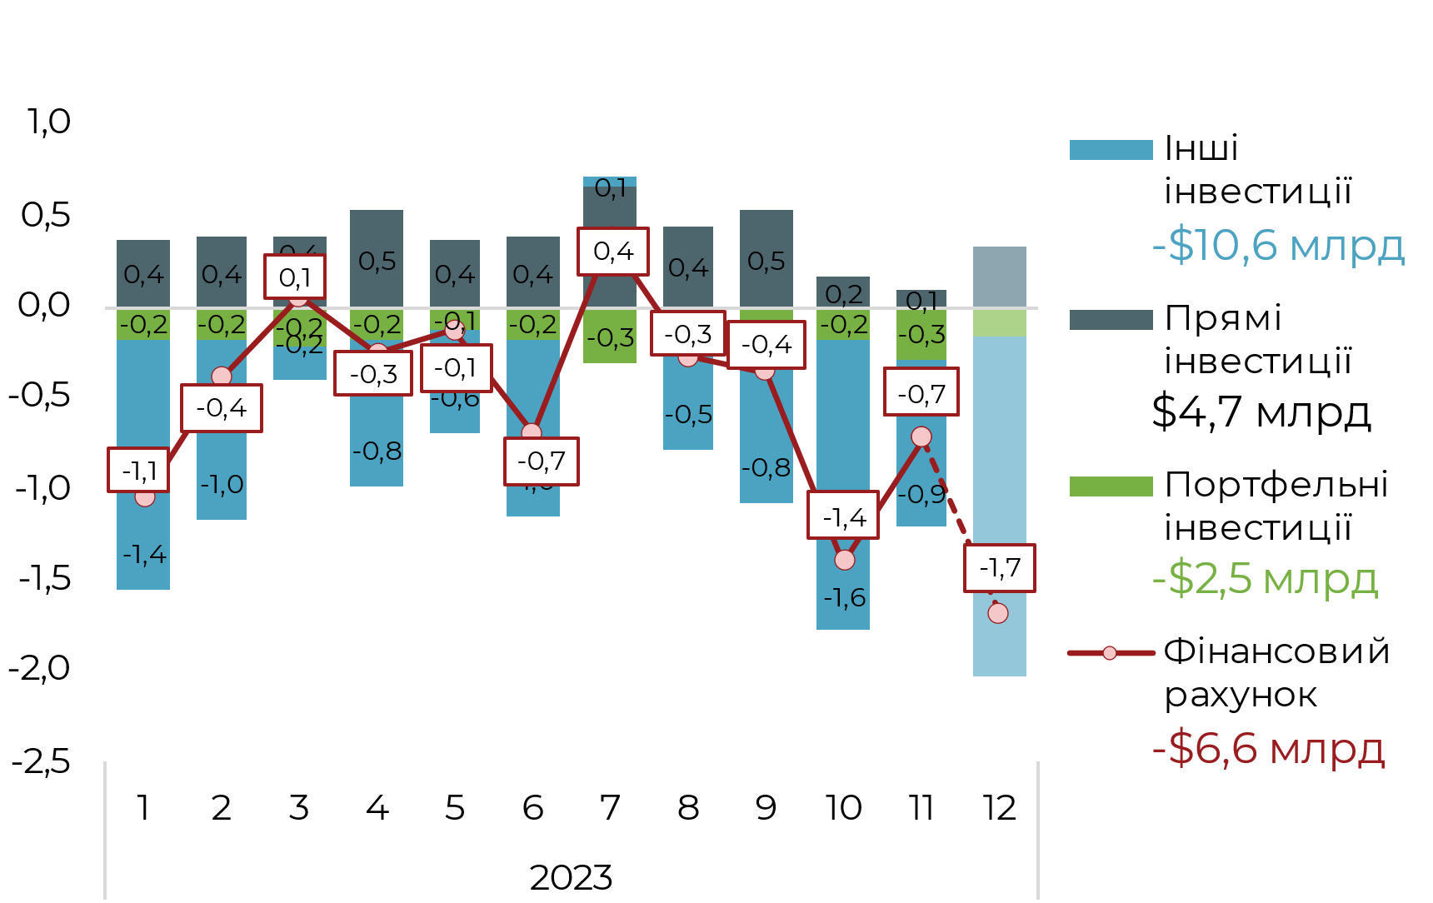

 |  | Источники
 |  | RU | Источник: НБУ, расчеты Ukraine Economic Outlook
 |  | ENG | Source: NBU, Ukraine Economic Outlook calculations
 |  | UKR | Джерело: НБУ, розрахунки Ukraine Economic Outlook

Прямые иностранные инвестиции (сальдо), $ млрд
 | Прямі інвестиції (сальдо)
2010 | 5,759
2011 | 7,015
2012 | 7,195
2013 | 4,079
2014 | 299
2015 | -236
2016 | 3,955
2017 | 3,446
2018 | 4,859
2019 | 5,175
2020 | -58
2021 | 7,518
2022 | 504
2023F | 4,694
2024F | 4,926
12. Чарти по окремим статтям |  | Заголовки
 |  | RU
 |  | ENG
 |  | UKR

Торговые кредиты пассивы, $ млрд
 | Торгові кредити
2010 | 3,087
2011 | 4,081
2012 | 2,602
2013 | 3,898
2014 | -6,646
2015 | -1,727
2016 | 600
2017 | 1,599
2018 | 1,104
2019 | 2,422
2020 | 2,411
2021 | -369
2022 | -1,321
2023F | 410
2024F | 500

 |  | Источники
 |  | RU | Источник: Национальный банк Украины, расчеты Ukraine Economic Outlook
 |  | ENG | Source: National Bank of Ukraine, Ukraine Economic Outlook
Полученные кредиты, $ млрд
 | Кредити
2010 | 4,603
2011 | 5,952
2012 | 7,748
2013 | 1,834
2014 | -254
2015 | -1,453
2016 | -236
2017 | 297
2018 | 1,086
2019 | 1,342
2020 | -287
2021 | 352
2022 | 741
2023F | 784
2024F | 1,185
 |  | UKR | Джерело: Національний банк України, розрахунки Ukraine Economic Outlook

 |  |  |  | RU | ENG | UKR
 |  | Прямые иностранные инвестиции (сальдо), $ млрд |  | Прямые иностранные инвестиции (сальдо), $ млрд | Foreign direct investments (balance) $Bln | Прямі іноземні інвестиції (сальдо), $ млрд
 |  | Торговые кредиты пассивы, $ млрд |  | Торговые кредиты пассивы, $ млрд | Trade credits received, $Bln | Торгові кредити пасиви, $ млрд
 |  | Полученные кредиты, $ млрд |  | Полученные кредиты, $ млрд | Foreign financial credits, $Bln | Отримані кредити, $ млрд

13. Готівкова валюта поза банками |  | Заголовки
 |  | RU | Наличная валюта вне банков, 2021-2023, $ млрд
 |  | ENG | Cash currency outside banks, 2021-2023, $Bln
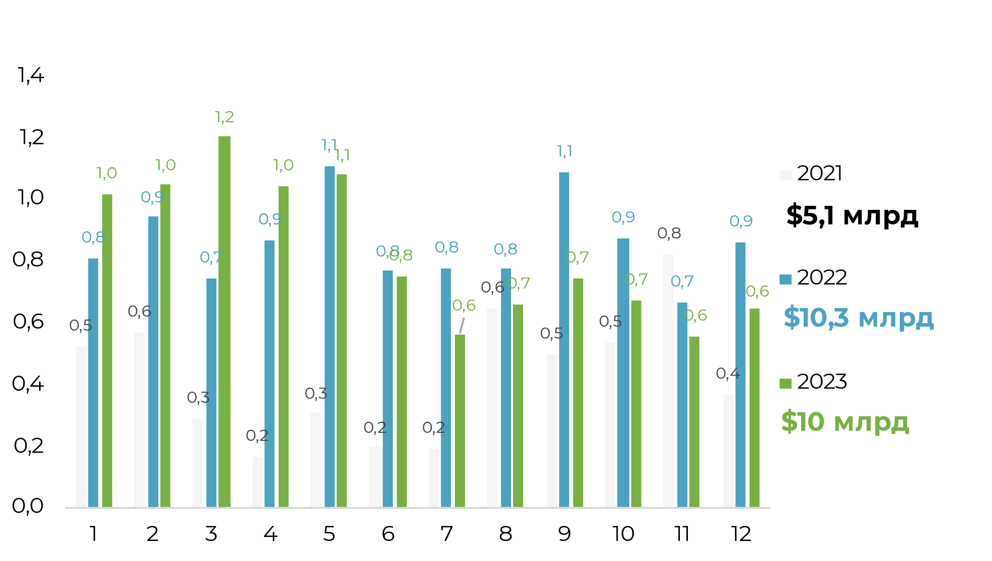
 |  | UKR | Готівкова валюта поза банками, 2021-2023, $ млрд

 |  | Источники
 |  | RU | Источник: НБУ, расчеты Ukraine Economic Outlook
 |  | ENG | Source: NBU, Ukraine Economic Outlook calculations
 |  | UKR | Джерело: НБУ, розрахунки Ukraine Economic Outlook

 | 2021 | 2022 | 2023
1 | 0.5 | 0.8 | 1.0
2 | 0.6 | 0.9 | 1.0
3 | 0.3 | 0.7 | 1.2
4 | 0.2 | 0.9 | 1.0
5 | 0.3 | 1.1 | 1.1
6 | 0.2 | 0.8 | 0.8
7 | 0.2 | 0.8 | 0.6
8 | 0.6 | 0.8 | 0.7
9 | 0.5 | 1.1 | 0.8
10 | 0.5 | 0.9 | 1.1
11 | 0.8 | 0.7 | 1.1
12 | 0.4 | 0.9 | 1.2

 | 2021 | 2022 | 2023
1 | 0.5 | 0.8 | 1.0
2 | 0.6 | 0.9 | 1.0
3 | 0.3 | 0.7 | 1.2
4 | 0.2 | 0.9 | 1.0
5 | 0.3 | 1.1 | 1.1
6 | 0.2 | 0.8 | 0.8
7 | 0.2 | 0.8 | 0.6
8 | 0.6 | 0.8 | 0.7
9 | 0.5 | 1.1 | 0.8
10 | 0.5 | 0.9 | 1.1
11 | 0.8 | 0.7 | 1.1
12 | 0.4 | 0.9 | 1.2
Внешнее финансирование | 31.4
Гранты | 11.6
Валютные ОВГЗ | 4.5
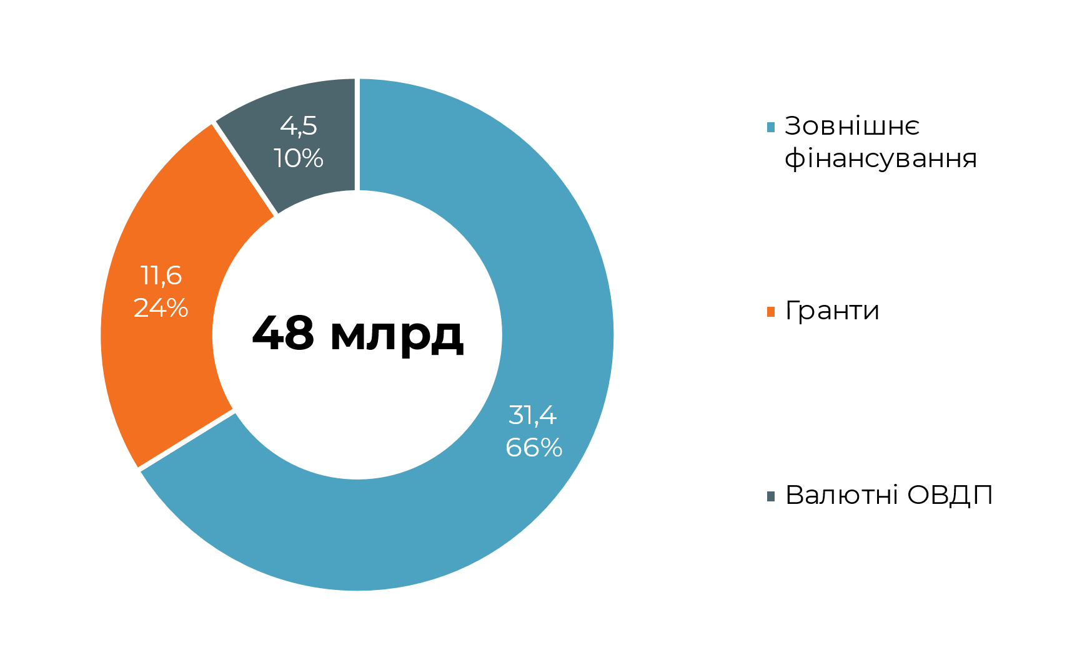
15. Структура государственных привлечений |  | Заголовки
 |  | RU | Прогноз структуры внешних заимствований в 2023 году, $ млрд
 |  | ENG | Forecast of external borrowing structure in 2023, $Bln
 |  | UKR | Прогноз структури зовнішніх запозичень у 2023 році, $ млрд
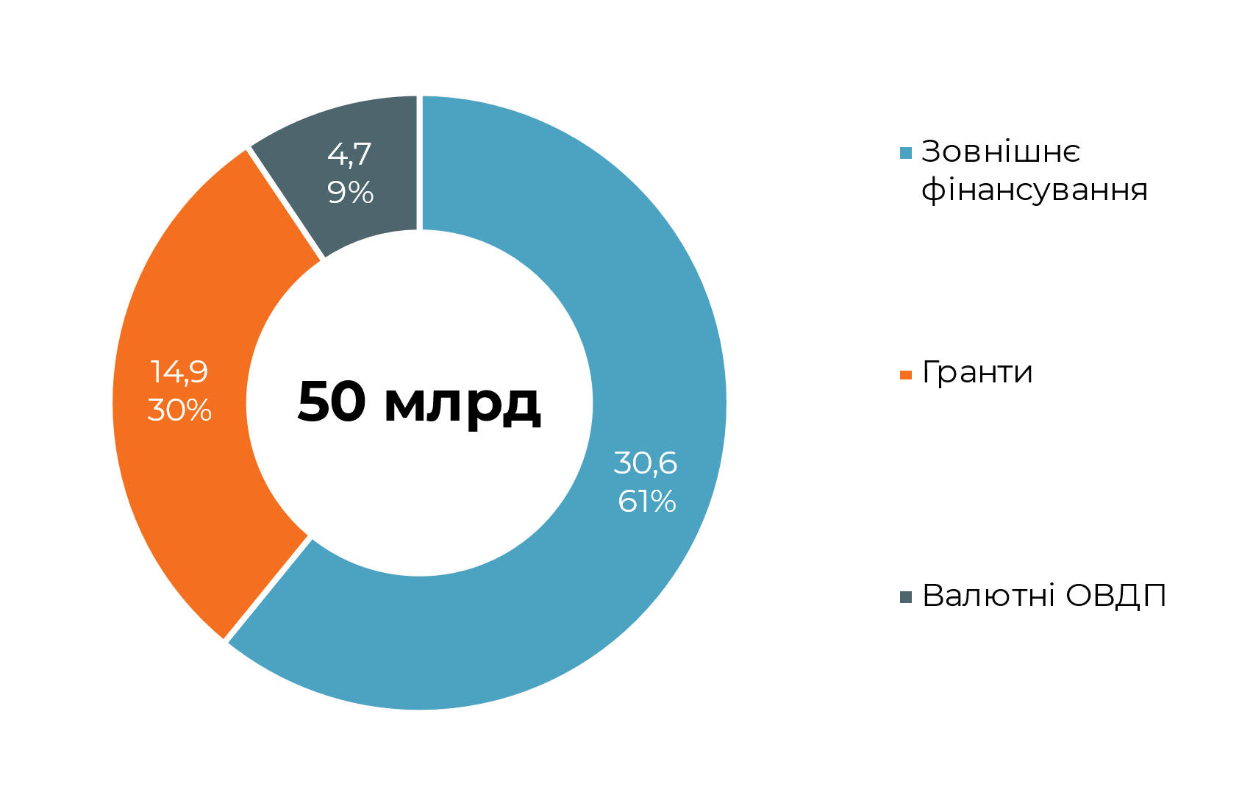

 |  | Источники
 |  | RU | Источник: НБУ, расчеты Ukraine Economic Outlook
 |  | ENG | Source: NBU, Ukraine Economic Outlook calculations
 |  | UKR | Джерело: НБУ, розрахунки Ukraine Economic Outlook

16. Платежный баланс Украины на 2023 |  |  |  |  |  |  | Заголовки |  | Чарт зроблений х2, бо неможливо інакше
 |  |  |  |  |  |  | RU | Платежный баланс Украины на 2023 год, $ млрд
 |  |  |  |  |  |  | ENG | Ukraine’s balance of payments for 2023, $Bln
 |  |  |  |  |  |  | UKR | Платіжний баланс України на 2023 рік, $ млрд
 |  |  |  |  |  |  | Итого: +$12,0 млрд, из них за счет государственных привлечений +$28,4 млрд (+$40,0 млрд с учетом грантов) | RU | Итого: | млрд, из них за счет государственных привлечений | млрд | с учетом грантов) | 12.0
 |  |  |  |  |  |  |  | ENG | Inflow: | Bln, Government attractions | Bln | including grants) | 28.4
 |  |  |  |  |  |  |  | UKR | Разом: | млрд, з них за рахунок державних залучень | млрд | з урахуванням грантів) | 40.0
 |  |  |  |  |  |  | Источники
 |  |  |  |  |  |  | RU | Источник: НБУ, расчеты Ukraine Economic Outlook
 |  |  |  |  |  |  | ENG | Source: NBU, Ukraine Economic Outlook calculations
 |  |  |  |  |  |  | UKR | Джерело: НБУ, розрахунки Ukraine Economic Outlook

 |  |  |  |  |  |  | 10976
 |  |  |  |  |  |  | 27730

 | Динамика резервов, $ млрд | Счет текущих операций, $ млрд | Сальдо инвестиций частного сектора, $ млрд | Чистые государственные привлечения, $ млрд | Общий приток валюты, $ млрд | Обменный курс
 | 1.43 | -1.14 | 1.05 | 3.38 | 1.21 | 36.6
 | -1.06 | -0.71 | 0.40 | 0.22 | -0.86 | 36.6
 | 3.02 | -0.01 | -0.06 | 2.71 | 2.77 | 36.6
 | 4.07 | 0.13 | 0.25 | 4.12 | 4.02 | 36.6
 | 1.37 | -0.23 | 0.13 | 1.88 | 1.53 | 36.6
 | 1.71 | -0.16 | 0.69 | 2.53 | 1.69 | 36.6
 | 2.71 | -1.00 | -0.37 | 3.19 | 2.58 | 36.6
 | -1.33 | -2.39 | 0.28 | 1.37 | -1.30 | 36.6
 | -0.68 | -1.03 | 0.36 | 0.78 | -0.61 | 36.6
 | -0.74 | -0.91 | 1.40 | 1.46 | -0.85 | 36.5
 | -0.19 | -1.51 | 0.72 | 1.87 | -0.36 | 36.2
 | 1.71 | -2.06 | 1.69 | 4.90 | 1.15 | 37.1

17. Объемы ЗВР, интервенций, сальдо операций частного сектора, 2023 |  | Заголовки
 |  | RU | Объемы ЗВР, интервенций, сальдо операций частного сектора и платежный баланс по месяцам в 2023 году, $ млрд
 |  | ENG | Volume of foreign reserves, interventions, balance of private sector transactions and balance of payments by month in 2023, $Bln
 |  | UKR | Обсяги ЗВР, інтервенцій, сальдо операцій приватного сектору та платіжний баланс по місяцях у 2023 році, $ млрд

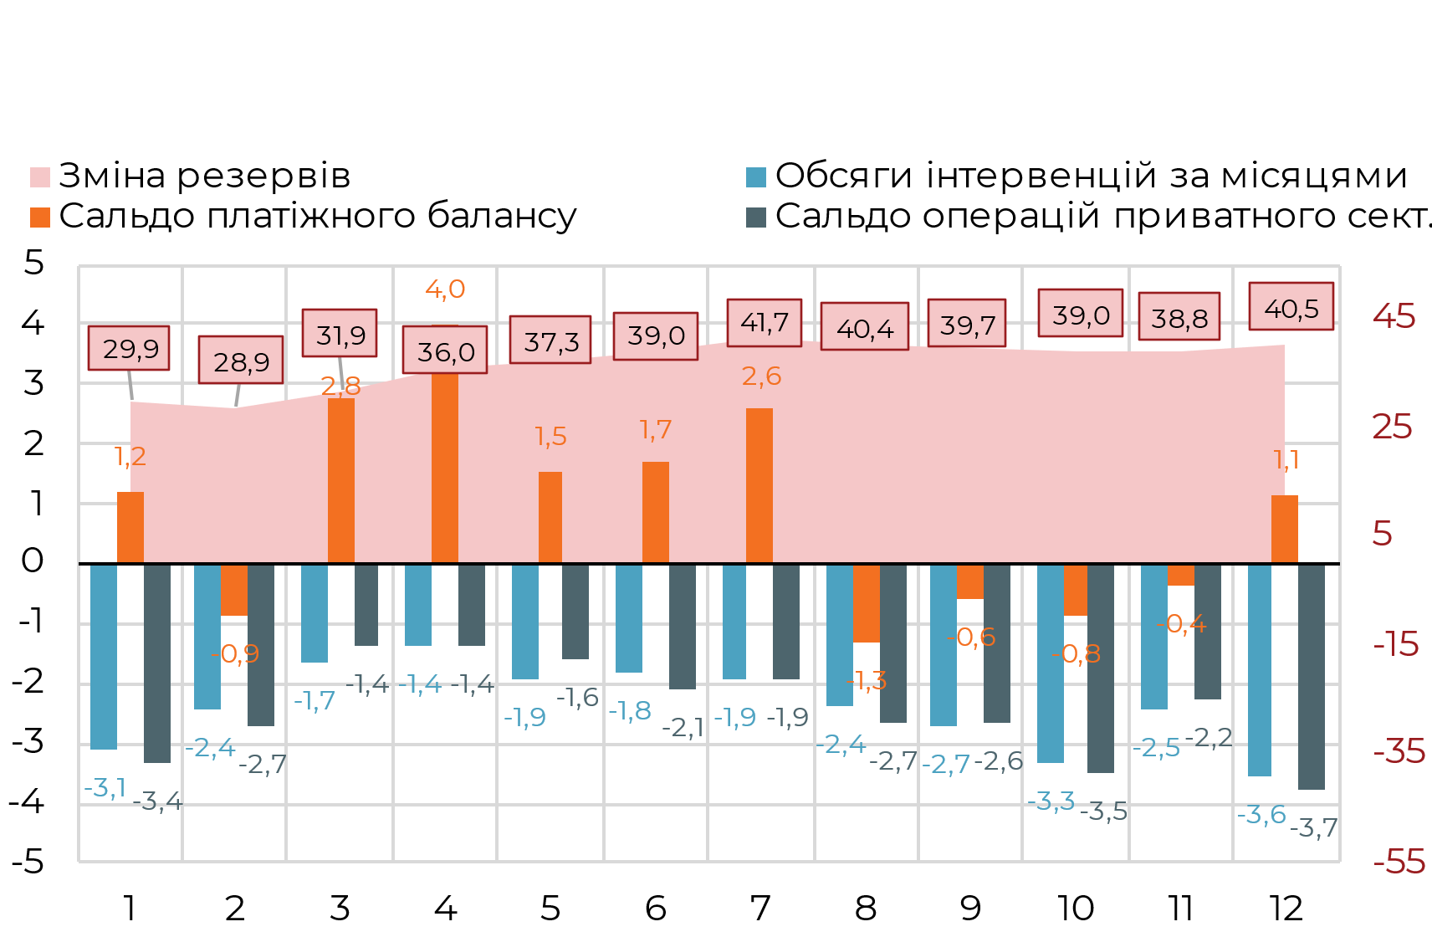

 |  | Источники
 |  | RU | Источник: НБУ, расчеты Ukraine Economic Outlook
 |  | ENG | Source: NBU, Ukraine Economic Outlook calculations
 |  | UKR | Джерело: НБУ, розрахунки Ukraine Economic Outlook

Курсовой прогноз до конца 2024 |  | Заголовки
 |  | RU | Курсовой прогноз до конца 2024 года, UAH/USD, $млн
 |  | ENG | Exchange rate forecast for 2023-2024, UAH/USD $Mln
 |  | UKR | Курсовий прогноз до кінця 2024 року, UAH/USD, $млн

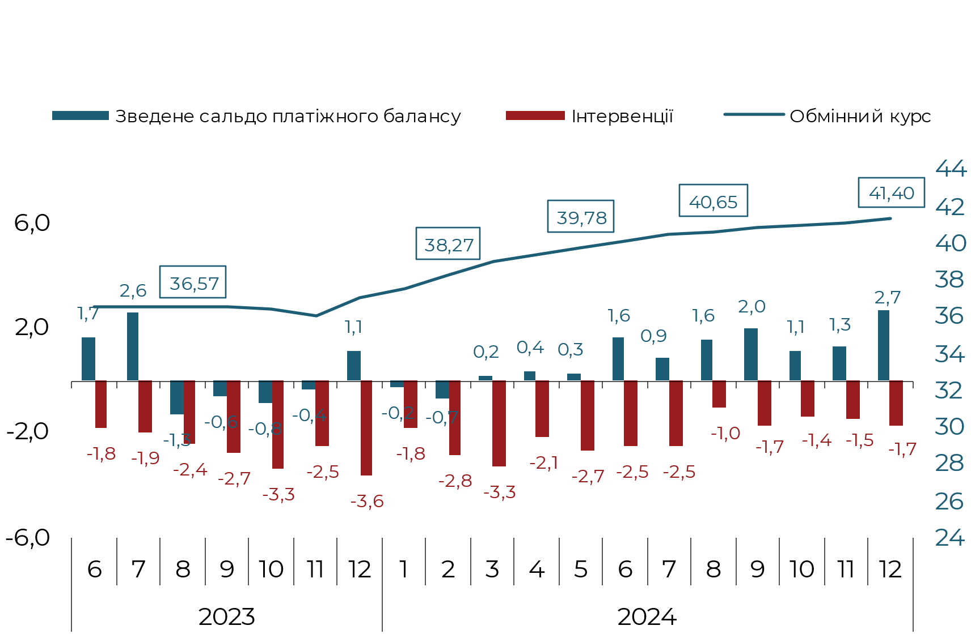

 | Изменение резервов | Объемы интервенций по месяцам | Сальдо платежного баланса | Сальдо операций частного сект.
1 | 29,928 | -3,082 | 1,208 | -3,351
2 | 28,870 | -2,431 | -856 | -2,698
3 | 31,887 | -1,669 | 2,765 | -1,363
4 | 35,953 | -1,370 | 4,021 | -1,373
5 | 37,321 | -1,928 | 1,533 | -1,605
6 | 39,027 | -1,798 | 1,688 | -2,069
7 | 41,738 | -1,933 | 2,579 | -1,928
8 | 40,405 | -2,364 | -1,297 | -2,671
9 | 39,723 | -2,691 | -609 | -2,641
10 | 38,987 | -3,337 | -847 | -3,464
11 | 38,796 | -2,453 | -355 | -2,237
12 | 40,508 | -3,553 | 1,146 | -3,749
 |  | Источники
 |  | RU | Источник: НБУ, расчеты Ukraine Economic Outlook
 |  | ENG | Source: NBU, Ukraine Economic Outlook calculations
 |  | UKR | Джерело: НБУ, розрахунки Ukraine Economic Outlook

19. Прогноз сальдо торгового баланса, 2024 |  | Заголовки
 |  | RU | Прогноз сальдо торгового баланса Украины в 2024 году |  |  | експ | $37 млрд | $37
 |  | ENG | Trade balance of Ukraine forecast, 2024 |  |  | імп | $65 млрд | $65
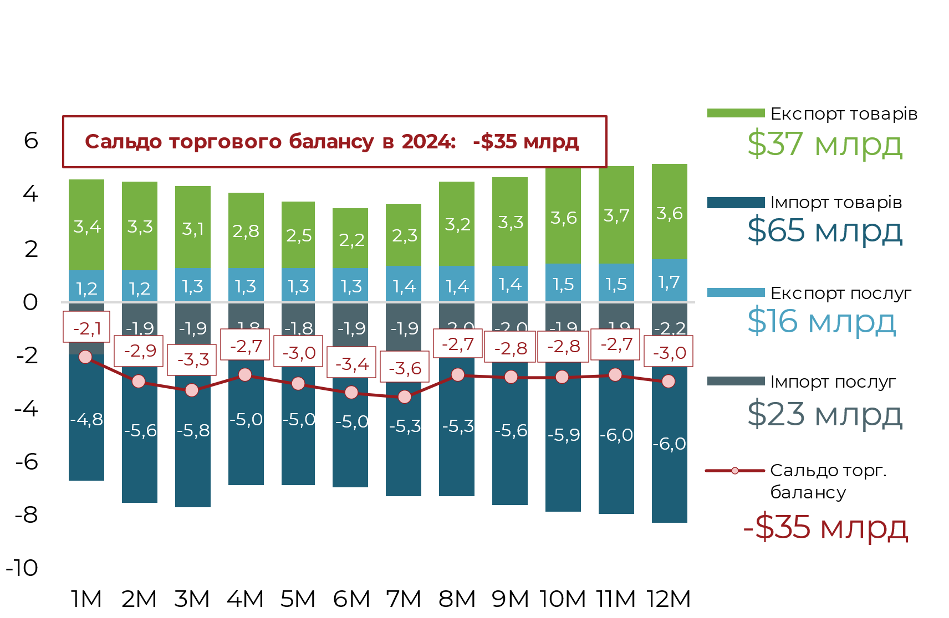
 |  | UKR | Прогноз сальдо торгового балансу України у 2024 році |  |  | експ п | $16 млрд | $16
 |  | RU | млрд | Сальдо торгового баланса в 2024: | млрд | імп п | $23 млрд | $23
 |  | ENG | Bln | Trade balance in 2024: | Bln | Сальдо торгового баланса в 2024: -$35 млрд | -$35 млрд | -$35 | -$35
 |  | UKR | млрд | Сальдо торгового балансу в 2024: | млрд
 |  | Источники
 |  | RU | Источник: НБУ, Государственная таможенная служба, расчеты Ukraine Economic Outlook
 |  | ENG | Source: NBU, State Customs Service, Ukraine Economic Outlook calculations
 | заливка | Заливка нижний предел уверенности | Сводное сальдо платежного баланса | Интервенции | Обменный курс
6 | 36.07 | 0.5 | 1688.0 | -1797.9 | 36.57
7 | 36.07 | 0.5 | 2579.0 | -1932.9 | 36.57
8 | 36.07 | 0.5 | -1297.0 | -2364.2 | 36.57
9 | 36.07 | 0.5 | -609.0 | -2691.4 | 36.57
10 | 36.02 | 0.5 | -847.0 | -3337.5 | 36.52
11 | 35.66 | 0.5 | -355.0 | -2452.9 | 36.16
12 | 36.59 | 0.5 | 1146.5 | -3553.0 | 37.09
1 | 37.07 | 0.5 | -233.0 | -1810.4 | 37.57
2 | 37.77 | 0.5 | -676.4 | -2843.8 | 38.27
3 | 38.61 | 0.5 | 236.6 | -3272.3 | 39.11
4 | 38.90 | 0.5 | 359.0 | -2101.6 | 39.40
5 | 39.28 | 0.5 | 282.6 | -2680.1 | 39.78
6 | 39.66 | 0.5 | 1627.2 | -2494.0 | 40.16
7 | 40.02 | 0.5 | 850.6 | -2451.1 | 40.52
8 | 40.15 | 0.5 | 1604.9 | -1005.2 | 40.65
9 | 40.37 | 0.5 | 1981.4 | -1739.8 | 40.87
10 | 40.53 | 0.5 | 1140.2 | -1354.1 | 41.03
11 | 40.70 | 0.5 | 1277.5 | -1477.7 | 41.20
12 | 40.90 | 0.5 | 2709.0 | -1704.0 | 41.40
 |  | UKR | Джерело: НБУ, Державна митна служба, розрахунки Ukraine Economic Outlook

20. Готівкова валюта поза банками |  | Заголовки
 |  | RU | Наличная валюта вне банков, 2021-2024, $ млрд
 |  | ENG | Cash currency outside banks, 2021-2024, $Bln
 |  | UKR | Готівкова валюта поза банками, 2021-2024, $ млрд

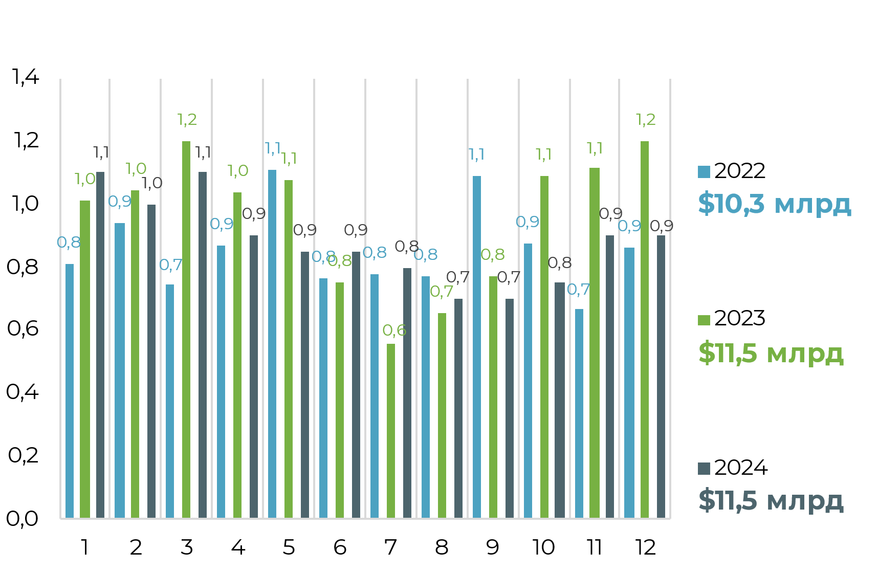

 |  | Источники
 |  | RU | Источник: НБУ, расчеты Ukraine Economic Outlook
 |  | ENG | Source: NBU, Ukraine Economic Outlook calculations
 |  | UKR | Джерело: НБУ, розрахунки Ukraine Economic Outlook

 | Импорт услуг | Экспорт услуг | Импорт товаров | Экспорт товаров | Сальдо торгового баланса
1M | -1891 | 1212 | -4778 | 3383 | -2073
2M | -1917 | 1187 | -5557 | 3342 | -2946
3M | -1876 | 1288 | -5780 | 3076 | -3292
4M | -1844 | 1335 | -5005 | 2778 | -2737
5M | -1828 | 1297 | -5008 | 2537 | -3002
6M | -1886 | 1338 | -5037 | 2205 | -3381
7M | -1927 | 1395 | -5306 | 2283 | -3555
8M | -1954 | 1397 | -5282 | 3163 | -2676
9M | -1986 | 1399 | -5552 | 3309 | -2830
10M | -1907 | 1452 | -5907 | 3569 | -2793
11M | -1902 | 1503 | -5958 | 3654 | -2704
12M | -2229 | 1655 | -5961 | 3558 | -2977

Внешнее финансирование | 30.7
Гранты | 13.0
Валютные ОВГЗ | 4.2
23. Структура государственных привлечений |  | Заголовки
 |  | RU | Прогноз структуры внешних заимствований в 2024 году, $ млрд
 |  | ENG | Forecast of external borrowing structure in 2024, $Bln
 |  | UKR | Прогноз структури зовнішніх запозичень у 2024 році, $ млрд

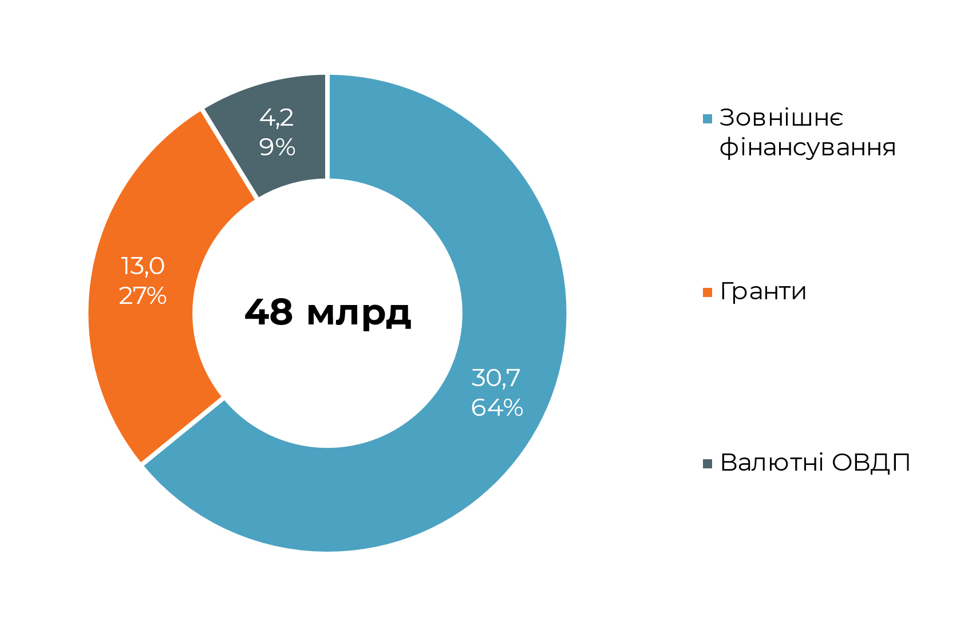
 |  | Источники
 |  | RU | Источник: НБУ, расчеты Ukraine Economic Outlook
 |  | ENG | Source: NBU, Ukraine Economic Outlook calculations
 |  | UKR | Джерело: НБУ, розрахунки Ukraine Economic Outlook

 | 2022 | 2023 | 2024
1 | 0.8 | 1.0 | 1.1
2 | 0.9 | 1.0 | 1.0
3 | 0.7 | 1.2 | 1.1
4 | 0.9 | 1.0 | 0.9
5 | 1.1 | 1.1 | 0.9
6 | 0.8 | 0.8 | 0.9
7 | 0.8 | 0.6 | 0.8
8 | 0.8 | 0.7 | 0.7
9 | 1.1 | 0.8 | 0.7
10 | 0.9 | 1.1 | 0.8
11 | 0.7 | 1.1 | 0.9
12 | 0.9 | 1.2 | 0.9
24. Платежный баланс Украины на 2024 |  |  |  |  |  |  | Заголовки |  | Чарт зроблений х2, бо неможливо інакше
 |  |  |  |  |  |  | RU | Платежный баланс Украины на 2024 год, $ млрд
 |  |  |  |  |  |  | ENG | Ukraine’s balance of payments for 2024, $Bln
 |  |  |  |  |  |  | UKR | Платіжний баланс України на 2024 рік, $ млрд
 |  |  |  |  |  |  | Итого: +$12,9 млрд, из них за счет государственных привлечений +$24,9 млрд (+$37,9 млрд с учетом грантов) | RU | Итого: | млрд, из них за счет государственных привлечений | млрд | с учетом грантов) | 12.9
 |  |  |  |  |  |  |  | ENG | Inflow: | Bln, Government attractions | Bln | including grants) | 24.9
 |  |  |  |  |  |  |  | UKR | Разом: | млрд, з них за рахунок державних залучень | млрд | з урахуванням грантів) | 37.9
 |  |  |  |  |  |  | Источники
 |  |  |  |  |  |  | RU | Источник: НБУ, расчеты Ukraine Economic Outlook
 |  |  |  |  |  |  | ENG | Source: NBU, Ukraine Economic Outlook calculations
 |  |  |  |  |  |  | UKR | Джерело: НБУ, розрахунки Ukraine Economic Outlook

 |  |  |  |  |  |  | 11160
 |  |  |  |  |  |  | 24869

25. Объемы ЗВР, интервенций, сальдо операций частного сектора, 2024 |  | Заголовки
 |  | RU | Объемы ЗВР, интервенций, сальдо операций частного сектора и платежный баланс по месяцам в 2024 году, $ млрд
 |  | ENG | Volume of foreign reserves, interventions, balance of private sector transactions and balance of payments by month in 2024, $Bln
 |  | UKR | Обсяги ЗВР, інтервенцій, сальдо операцій приватного сектору та платіжний баланс по місяцях у 2024 році, $ млрд
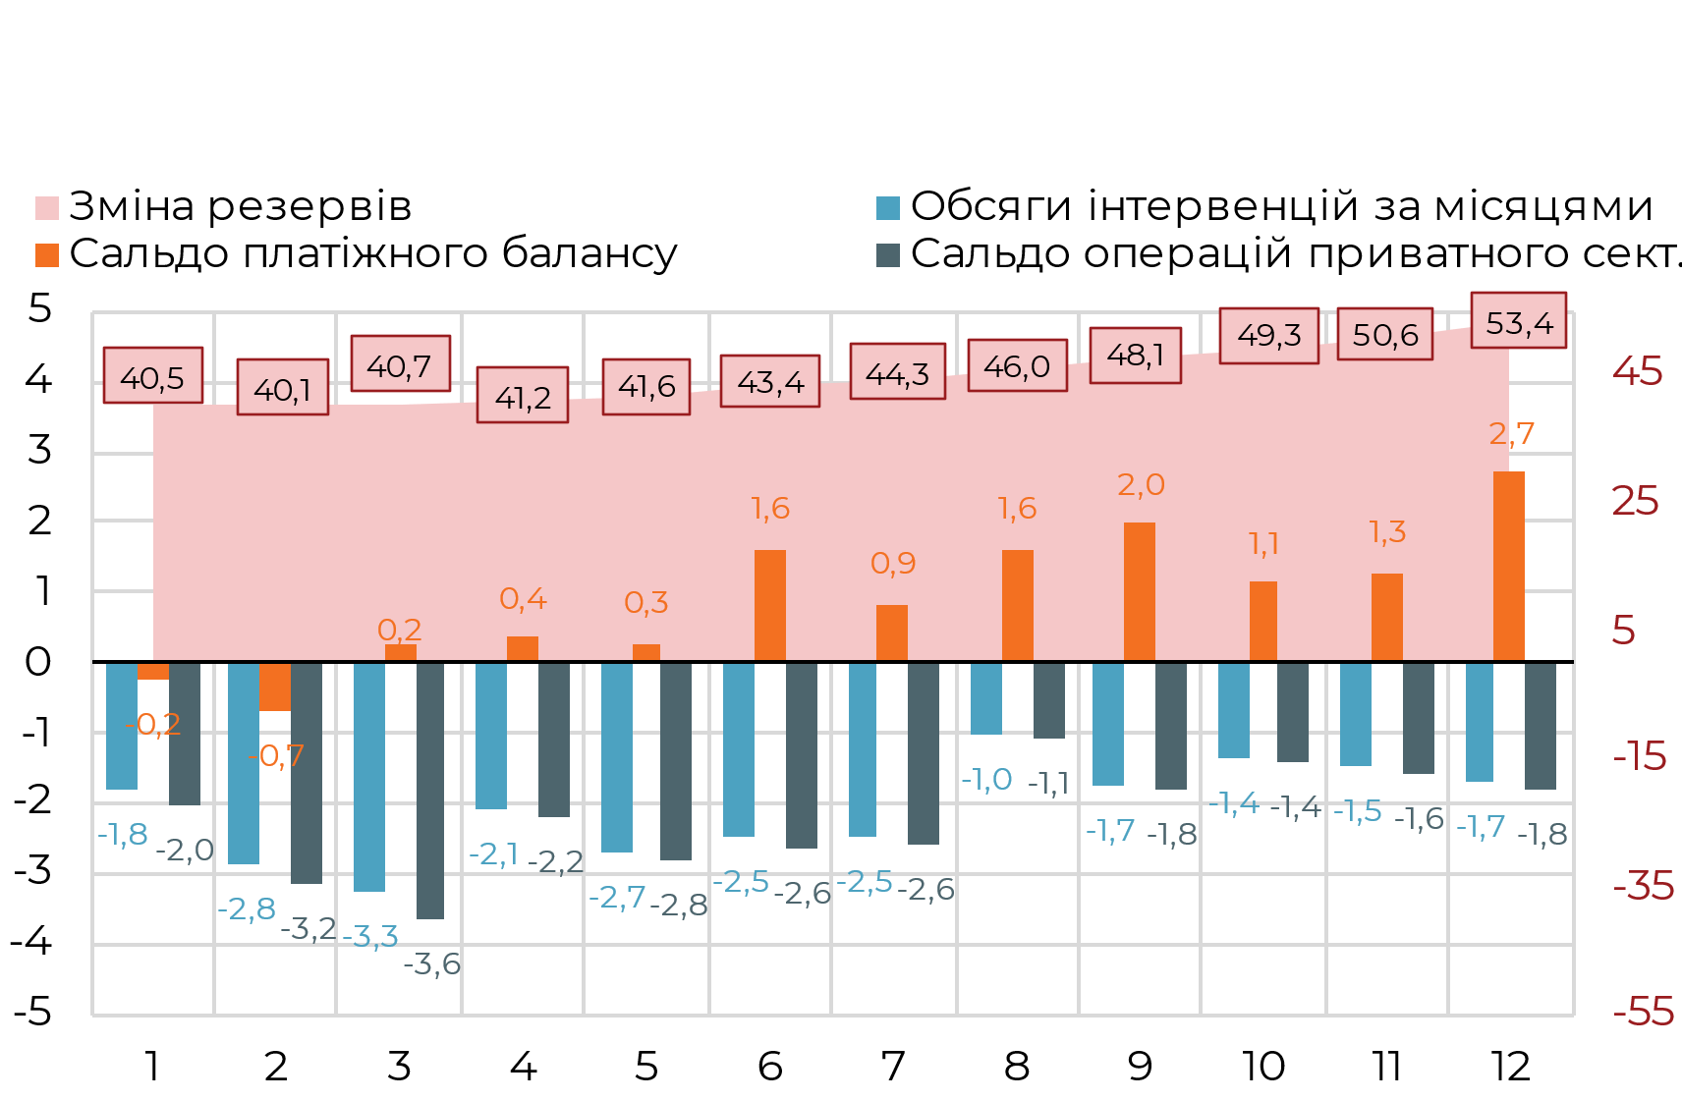

 | Динамика резервов, $ млрд | Счет текущих операций, $ млрд | Сальдо инвестиций частного сектора, $ млрд | Чистые государственные привлечения, $ млрд | Общий приток валюты, $ млрд | Обменный курс
 | -0.03 | -0.97 | 1.04 | 1.78 | -0.23 | 37.6
 | -0.36 | -1.03 | 0.95 | 1.30 | -0.68 | 38.3
 | 0.60 | -1.14 | 1.31 | 2.69 | 0.24 | 39.1
 | 0.47 | -0.64 | 0.40 | 1.39 | 0.36 | 39.4
 | 0.42 | -0.95 | 0.69 | 1.92 | 0.28 | 39.8
 | 1.76 | -1.04 | 0.41 | 3.07 | 1.63 | 40.2
 | 0.98 | -1.28 | 0.12 | 2.25 | 0.85 | 40.5
 | 1.66 | -0.41 | -0.53 | 1.48 | 1.60 | 40.6
 | 2.07 | -0.70 | -0.05 | 2.63 | 1.98 | 40.9
 | 1.21 | -0.40 | -0.16 | 1.38 | 1.14 | 41.0
 | 1.36 | -0.26 | 0.11 | 1.65 | 1.28 | 41.2
 | 2.80 | -0.42 | 0.20 | 3.32 | 2.71 | 41.4
 |  | Источники
 |  | RU | Источник: НБУ, расчеты Ukraine Economic Outlook
 |  | ENG | Source: NBU, Ukraine Economic Outlook calculations
 |  | UKR | Джерело: НБУ, розрахунки Ukraine Economic Outlook

26. Курсовой прогноз до конца 2024 |  | Заголовки
 |  | RU | Курсовой прогноз до конца 2024 года, UAH/USD, $млн
 |  | ENG | Exchange rate forecast through 2024, UAH/USD $Mln
 |  | UKR | Курсовий прогноз до кінця 2024 року, UAH/USD, $млн

 |  | Источники
 |  | RU | Источник: НБУ, расчеты Ukraine Economic Outlook
 |  | ENG | Source: NBU, Ukraine Economic Outlook calculations
 |  | UKR | Джерело: НБУ, розрахунки Ukraine Economic Outlook

 | Изменение резервов | Объемы интервенций по месяцам | Сальдо платежного баланса | Сальдо операций частного сект.
1 | 40,476 | -1,810 | -233 | -2,012
2 | 40,116 | -2,844 | -676 | -3,160
3 | 40,716 | -3,272 | 237 | -3,636
4 | 41,185 | -2,102 | 359 | -2,212
5 | 41,609 | -2,680 | 283 | -2,821
6 | 43,367 | -2,494 | 1,627 | -2,625
7 | 44,347 | -2,451 | 851 | -2,580
8 | 46,005 | -1,005 | 1,605 | -1,058
9 | 48,078 | -1,740 | 1,981 | -1,831
10 | 49,289 | -1,354 | 1,140 | -1,425
11 | 50,645 | -1,478 | 1,278 | -1,555
12 | 53,443 | -1,704 | 2,709 | -1,794

 | заливка | Заливка нижний предел уверенности | Сводное сальдо платежного баланса | Интервенции | Обменный курс
1 | 37.07 | 0.5 | -233.0 | -1810.4 | 37.57
2 | 37.77 | 0.5 | -676.4 | -2843.8 | 38.27
3 | 38.61 | 0.5 | 236.6 | -3272.3 | 39.11
4 | 38.90 | 0.5 | 359.0 | -2101.6 | 39.40
5 | 39.28 | 0.5 | 282.6 | -2680.1 | 39.78
6 | 39.66 | 0.5 | 1627.2 | -2494.0 | 40.16
7 | 40.02 | 0.5 | 850.6 | -2451.1 | 40.52
8 | 40.15 | 0.5 | 1604.9 | -1005.2 | 40.65
9 | 40.37 | 0.5 | 1981.4 | -1739.8 | 40.87
10 | 40.53 | 0.5 | 1140.2 | -1354.1 | 41.03
11 | 40.70 | 0.5 | 1277.5 | -1477.7 | 41.20
12 | 40.90 | 0.5 | 2709.0 | -1704.0 | 41.40
 | заливка | Заливка нижний предел уверенности | Сводное сальдо платежного баланса | Интервенции | Интервенции (борьба с инфляцией) | Обменный курс (борьба с инфляцией) | Обменный курс
1 | 36.07 | 0.5 | 1208.0 | -3082.1 | -3082.1 | 36.57 | 36.57
2 | 36.07 | 0.5 | -856.0 | -2431.0 | -2431.0 | 36.57 | 36.57
3 | 36.07 | 0.5 | 2765.0 | -1669.0 | -1669.0 | 36.57 | 36.57
4 | 36.07 | 0.5 | 4021.0 | -1370.4 | -1370.4 | 36.57 | 36.57
5 | 36.07 | 0.5 | 1533.0 | -1927.6 | -1927.6 | 36.57 | 36.57
6 | 36.07 | 0.5 | 1688.0 | -1797.9 | -1797.9 | 36.57 | 36.57
7 | 36.07 | 0.5 | 2579.0 | -1932.9 | -1932.9 | 36.57 | 36.57
8 | 36.07 | 0.5 | -1297.0 | -2364.2 | -2364.2 | 36.57 | 36.57
9 | 36.07 | 0.5 | -609.0 | -2691.4 | -2691.4 | 36.57 | 36.57
10 | 36.02 | 0.5 | -847.0 | -3337.5 | -3337.5 | 36.52 | 36.52
11 | 35.66 | 0.5 | -355.0 | -2452.9 | -2452.9 | 36.16 | 36.16
12 | 36.59 | 0.5 | 1146.5 | -3553.0 | -3553.0 | 37.09 | 37.09
1 | 37.07 | 0.5 | -233.0 | -1810.4 | -2112.2 | 36.86 | 37.57
2 | 37.77 | 0.5 | -676.4 | -2843.8 | -3317.7 | 36.53 | 38.27
3 | 38.61 | 0.5 | 236.6 | -3272.3 | -3817.7 | 36.14 | 39.11
4 | 38.90 | 0.5 | 359.0 | -2101.6 | -2389.1 | 35.72 | 39.40
5 | 39.28 | 0.5 | 282.6 | -2680.1 | -2962.2 | 35.38 | 39.78
6 | 39.66 | 0.5 | 1627.2 | -2494.0 | -2887.8 | 34.74 | 40.16
7 | 40.02 | 0.5 | 850.6 | -2451.1 | -2838.1 | 34.14 | 40.52
8 | 40.15 | 0.5 | 1604.9 | -1005.2 | -1163.9 | 33.92 | 40.65
9 | 40.37 | 0.5 | 1981.4 | -1739.8 | -2014.6 | 33.57 | 40.87
10 | 40.53 | 0.5 | 1140.2 | -1354.1 | -1567.9 | 33.31 | 41.03
11 | 40.70 | 0.5 | 1277.5 | -1477.7 | -1711.0 | 33.04 | 41.20
12 | 40.90 | 0.5 | 2709.0 | -1704.0 | -1973.0 | 32.72 | 41.40

Експорт IT + Мігранти
Language | RU | RU | ENG | UKR
Телекомунікаційні, комп'ютерні та інформаційні послуги
 | 2010 |  |  |  |  |  |  |  |  |  |  |  | 2011 |  |  |  |  |  |  |  |  |  |  |  | 2012 |  |  |  |  |  |  |  |  |  |  |  | 2013 |  |  |  |  |  |  |  |  |  |  |  | 2014 |  |  |  |  |  |  |  |  |  |  |  | 2015 |  |  |  |  |  |  |  |  |  |  |  | 2016 |  |  |  |  |  |  |  |  |  |  |  | 2017 |  |  |  |  |  |  |  |  |  |  |  | 2018 |  |  |  |  |  |  |  |  |  |  |  | 2019 |  |  |  |  |  |  |  |  |  |  |  | 2020 |  |  |  |  |  |  |  |  |  |  |  | 2021 |  |  |  |  |  |  |  |  |  |  |  | 2022 |  |  |  |  |  |  |  |  |  |  |  | 2023 |  |  |  |  |  |  |  |  |  |  |  | 2024
 | 1 | 2 | 3 | 4 | 5 | 6 | 7 | 8 | 9 | 10 | 11 | 12 | 1 |  |  |  |  |  |  |  |  |  |  |  |  |  |  |  |  |  |  |  |  |  |  |  |  |  |  |  |  |  |  |  |  |  |  |  |  |  |  |  |  |  |  |  |  |  |  |  |  |  |  |  |  |  |  |  |  |  |  |  |  |  |  |  |  |  |  |  |  |  |  |  |  |  |  |  |  |  |  |  |  |  |  |  |  |  |  |  |  |  |  |  |  |  |  |  |  |  |  |  |  |  |  |  |  |  |  |  |  |  |  |  |  |  |  |  |  |  |  |  | 1 | 2 | 3 | 4 | 5 | 6 | 7 | 8 | 9 | 10 | 11 | 12 | 1 | 2 | 3 | 4 | 5 | 6 | 7 | 8 | 9 | 10 | 11 | 12 | 1 | 2 | 3 | 4 | 5 | 6 | 7 | 8 | 9 | 10 | 11 | 12 | 1 | 2 | 3 | 4 | 5 | 6 | 7 | 8 | 9 | 10 | 11 | 12
Экспорт, $ млн | 42 | 47 | 59 | 61 | 52 | 53 | 64 | 56 | 68 | 61 | 76 | 80 | 58 | 58 | 80 | 75 | 75 | 83 | 85 | 99 | 96 | 104 | 114 | 113 | 71 | 99 | 92 | 100 | 102 | 98 | 130 | 117 | 101 | 129 | 126 | 156 | 125 | 118 | 127 | 153 | 128 | 127 | 165 | 152 | 144 | 181 | 160 | 202 | 153 | 153 | 152 | 177 | 142 | 141 | 197 | 145 | 159 | 233 | 174 | 216 | 151 | 145 | 200 | 181 | 144 | 193 | 166 | 164 | 183 | 166 | 174 | 238 | 135 | 181 | 208 | 187 | 170 | 192 | 196 | 192 | 211 | 198 | 207 | 233 | 183 | 205 | 214 | 215 | 235 | 217 | 238 | 238 | 220 | 266 | 266 | 263 | 245 | 254 | 270 | 273 | 296 | 264 | 298 | 303 | 296 | 303 | 319 | 352 | 301 | 315 | 327 | 332 | 367 | 342 | 375 | 364 | 359 | 384 | 393 | 472 | 382 | 399 | 437 | 398 | 389 | 404 | 426 | 437 | 434 | 451 | 459 | 565 | 430 | 492 | 559 | 568 | 515 | 558 | 587 | 608 | 636 | 656 | 689 | 809 | 656 | 854 | 531 | 589 | 617 | 581 | 558 | 637 | 592 | 546 | 598 | 762 | 542 | 558 | 616 | 551 | 605 | 586 | 574 | 578 | 533 | 542 | 576 | 593 | 542 | 523 | 586 | 562 | 556 | 580 | 585 | 600 | 590 | 610 | 633 | 704
г-г, % |  |  |  |  |  |  |  |  |  |  |  |  |  |  |  |  |  |  |  |  |  |  |  |  |  |  |  |  |  |  |  |  |  |  |  |  |  |  |  |  |  |  |  |  |  |  |  |  |  |  |  |  |  |  |  |  |  |  |  |  |  |  |  |  |  |  |  |  |  |  |  |  |  |  |  |  |  |  |  |  |  |  |  |  |  |  |  |  |  |  |  |  |  |  |  |  |  |  |  |  |  |  |  |  |  |  |  |  |  |  |  |  |  |  |  |  |  |  |  |  |  |  |  |  |  |  |  |  |  |  |  |  | 12.6% | 23.3% | 27.9% | 42.7% | 32.4% | 38.1% | 37.8% | 39.1% | 46.5% | 45.5% | 50.1% | 43.2% | 52.6% | 73.6% | -5.0% | 3.7% | 19.8% | 4.1% | -4.9% | 4.8% | -6.9% | -16.8% | -13.2% | -5.8% | -17.4% | -34.7% | 16.0% | -6.5% | -1.9% | 0.9% | 2.9% | -9.3% | -10.0% | -0.7% | -3.7% | -22.2% | 0.0% | -6.2% | -4.9% | 2.1% | -8.1% | -1.0% | 1.8% | 3.8% | 10.7% | 12.6% | 10.0% | 18.7%

 | 2010 | 2011 | 2012 | 2013 | 2014 | 2015 | 2016 | 2017 | 2018 | 2019 | 2020 | 2021 | 2022 | 2023F | 2024F | Экспорт, $ млн | Export, $Mln | Експорт, $ млн
Экспорт, $ млрд | 0.7 | 1.0 | 1.3 | 1.8 | 2.0 | 2.1 | 2.3 | 2.8 | 3.5 | 4.3 | 5.2 | 7.1 | 7.5 | 6.9 | 7.1 | Экспорт, $ млрд | Export, $Bln | Експорт, $ млрд
г-г, % | 22.7% | 44.6% | 27.0% | 34.9% | 14.6% | 3.1% | 9.7% | 19.5% | 25.8% | 24.7% | 19.6% | 37.2% | 5.8% | -8.9% | 3.2% | г-г, % | YoY, % | р-р, % |  |  |  |  |  |  |  |  |  |  |  |  |  |  |  |  |  |  |  |  |  |  |  |  |  |  |  |  |  |  |  |  |  |  |  |  |  |  |  |  |  |  |  |  |  |  |  |  |  |  |  |  |  |  |  |  |  |  |  |  |  |  |  |  |  |  |  |  |  |  |  |  |  |  |  |  |  |  |  |  |  |  |  |  |  |  |  |  |  |  |  |  |  |  |  |  |  |  |  |  |  |  |  |  |  |  |  |  |  |  |  |  |  |  |  |  |  |  |  |  |  | 591
 |  |  |  |  |  |  |  |  |  |  |  |  |  |  |  | Переводы мигрантов, $ млн | Migrants' transfers, $Mln | Перекази мігрантів, $ млн
 | 2009 |  |  |  |  |  |  |  |  |  |  |  |  |  |  | Переводы мигрантов, $ млрд | Migrants' transfers, $Bln | Перекази мігрантів, $ млрд
 | 586

 |  |  |  |  |  |  |  |  |  |  |  |  |  | Левый чарт
 |  |  |  |  |  |  |  |  |  |  |  |  |  | RU | Динамика экспорта IT-услуг, 2010-2024, $ млрд
 |  |  |  |  |  |  |  |  |  |  |  |  |  | ENG | IT services exports trend, 2010-2024, $ bln
 |  |  |  |  |  |  |  |  |  |  |  |  |  | UKR | Динаміка експорту IT-послуг, 2010-2024, $ млрд

 |  |  |  |  |  |  |  |  |  |  |  |  |  | Правый чарт
 |  |  |  |  |  |  |  |  |  |  |  |  |  | RU | Динамика экспорта IT-услуг, помесячно, 2022-2023, $ млн
 |  |  |  |  |  |  |  |  |  |  |  |  |  | ENG | IT services exports trend by month, 2022-2023, $ bln
 |  |  |  |  |  |  |  |  |  |  |  |  |  | UKR | Динаміка експорту IT-послуг, помісячно, 2022-2023, $ млрд

 | 2010 |  |  |  |  |  |  |  |  |  |  |  | 2011 |  |  |  |  |  |  |  |  |  |  |  | 2012 |  |  |  |  |  |  |  |  |  |  |  | 2013 |  |  |  |  |  |  |  |  |  |  |  | 2014 |  |  |  |  |  |  |  |  |  |  |  | 2015 |  |  |  |  |  |  |  |  |  |  |  | 2016 |  |  |  |  |  |  |  |  |  |  |  | 2017 |  |  |  |  |  |  |  |  |  |  |  | 2018 |  |  |  |  |  |  |  |  |  |  |  | 2019 |  |  |  |  |  |  |  |  |  |  |  | 2020 |  |  |  |  |  |  |  |  |  |  |  | 2021 |  |  |  |  |  |  |  |  |  |  |  | 2022 |  |  |  |  |  |  |  |  |  |  |  | 2023 |  |  |  |  |  |  |  |  |  |  |  | 2024
 | 1 | 2 | 3 | 4 | 5 | 6 | 7 | 8 | 9 | 10 | 11 | 12 | 1 |  |  |  |  |  |  |  |  |  |  |  |  |  |  |  |  |  |  |  |  |  |  |  |  |  |  |  |  |  |  |  |  |  |  |  |  |  |  |  |  |  |  |  |  |  |  |  |  |  |  |  |  |  |  |  |  |  |  |  |  |  |  |  |  |  |  |  |  |  |  |  |  |  |  |  |  |  |  |  |  |  |  |  |  |  |  |  |  |  |  |  |  |  |  |  |  |  |  |  |  |  |  |  |  |  |  |  |  |  |  |  |  |  |  |  |  |  |  |  | 1 | 2 | 3 | 4 | 5 | 6 | 7 | 8 | 9 | 10 | 11 | 12 | 1 | 2 | 3 | 4 | 5 | 6 | 7 | 8 | 9 | 10 | 11 | 12 | 1 | 2 | 3 | 4 | 5 | 6 | 7 | 8 | 9 | 10 | 11 | 12 | 1 | 2 | 3 | 4 | 5 | 6 | 7 | 8 | 9 | 10 | 11 | 12
Переводы мигрантов, $ млн |  |  |  |  |  |  |  |  |  |  |  |  |  |  |  |  |  |  |  |  |  |  |  |  |  |  |  |  |  |  |  |  |  |  |  |  |  |  |  |  |  |  |  |  |  |  |  |  |  |  |  |  |  |  |  |  |  |  |  |  |  |  |  |  |  |  |  |  |  |  |  |  |  |  |  |  |  |  |  |  |  |  |  |  |  |  |  |  |  |  |  |  |  |  |  |  |  |  |  |  |  |  |  |  |  |  |  |  |  |  |  |  |  |  |  |  |  |  |  |  | 977 | 1013 | 974 | 863 | 851 | 897 | 972 | 961 | 963 | 1055 | 1046 | 1145 | 1004 | 1098 | 1234 | 1166 | 1101 | 1164 | 1120 | 1076 | 1072 | 1116 | 1170 | 1247 | 1159 | 1136 | 1045 | 1086 | 1082 | 1101 | 1033 | 1068 | 1065 | 1070 | 1083 | 1161 | 1020 | 1045 | 1101 | 960 | 965 | 949 | 921 | 933 | 918 | 901 | 922 | 1050 | 855 | 790 | 866 | 875 | 879 | 872 | 1050 | 942 | 924 | 955 | 947 | 1080
г-г, % |  |  |  |  |  |  |  |  |  |  |  |  |  |  |  |  |  |  |  |  |  |  |  |  |  |  |  |  |  |  |  |  |  |  |  |  |  |  |  |  |  |  |  |  |  |  |  |  |  |  |  |  |  |  |  |  |  |  |  |  |  |  |  |  |  |  |  |  |  |  |  |  |  |  |  |  |  |  |  |  |  |  |  |  |  |  |  |  |  |  |  |  |  |  |  |  |  |  |  |  |  |  |  |  |  |  |  |  |  |  |  |  |  |  |  |  |  |  |  |  |  |  |  |  |  |  |  |  |  |  |  |  | 2.8% | 8.4% | 26.7% | 35.1% | 29.4% | 29.8% | 15.2% | 12.0% | 11.3% | 5.8% | 11.9% | 8.9% | 15.4% | 3.5% | -15.3% | -6.9% | -1.7% | -5.4% | -7.8% | -0.7% | -0.7% | -4.1% | -7.4% | -6.9% | -12.0% | -8.0% | 5.4% | -11.6% | -10.8% | -13.8% | -10.8% | -12.6% | -13.8% | -15.8% | -14.9% | -9.6% | -16.2% | -24.4% | -21.3% | -8.8% | -8.9% | -8.1% | 14.0% | 1.0% | 0.7% | 6.0% | 2.7% | 2.9%

 | 2010 | 2011 | 2012 | 2013 | 2014 | 2015 | 2016 | 2017 | 2018 | 2019 | 2020 | 2021 | 2022 | 2023F | 2024F
Переводы мигрантов, $ млрд | 4.0 | 4.8 | 5.5 | 6.8 | 5.2 | 5.6 | 6.7 | 9.1 | 11.5 | 12.8 | 11.7 | 13.6 | 13.1 | 11.7 | 11.0
г-г, % | 18.1% | 19.3% | 14.9% | 22.4% | -23.6% | 8.6% | 19.5% | 35.7% | 25.8% | 11.1% | -8.1% | 15.8% | -3.7% | -10.7% | -5.5%

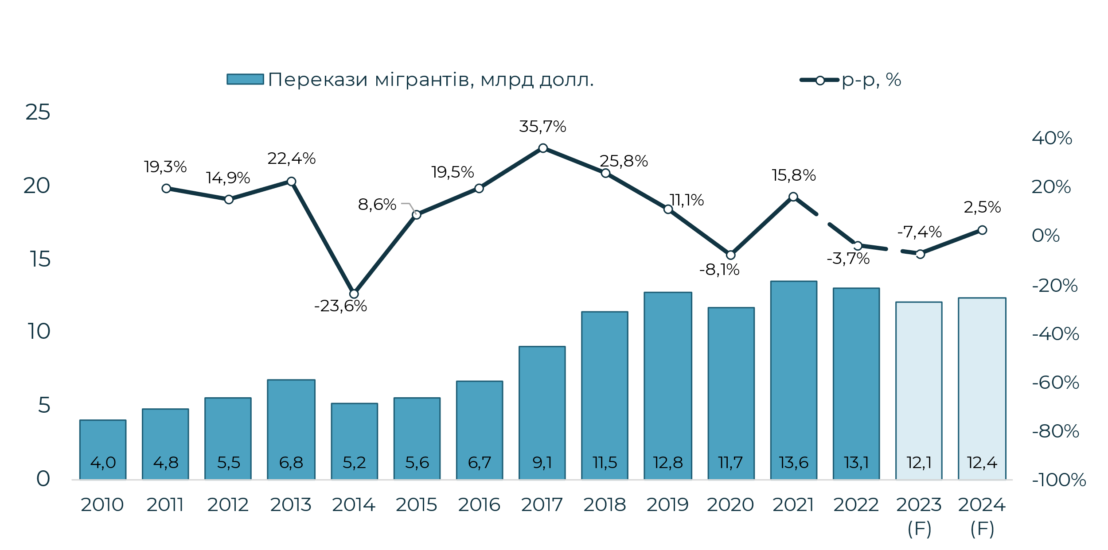
 | 2009
 | 3426

 |  |  |  |  |  |  |  |  |  |  |  |  |  | Левый чарт
 |  |  |  |  |  |  |  |  |  |  |  |  |  | RU | Поступления от трудовых мигрантов 2010-2024, $ млрд
 |  |  |  |  |  |  |  |  |  |  |  |  |  | ENG | Income from labor migrants 2010-2024, $Bln
 |  |  |  |  |  |  |  |  |  |  |  |  |  | UKR | Надходження від трудових мігрантів 2010-2024, $ млрд
 |  |  |  |  |  |  |  |  |  |  |  |  |  | Правый чарт
 |  |  |  |  |  |  |  |  |  |  |  |  |  | RU | Поступления от трудовых мигрантов, помесячно, 2022-2023, $ млн
 |  |  |  |  |  |  |  |  |  |  |  |  |  | ENG | Income from labor migrants by month, 2022-2023, $Mln
 |  |  |  |  |  |  |  |  |  |  |  |  |  | UKR | Надходження від трудових мігрантів, помісячно, 2022-2023, $ млн

Імпорт послуг
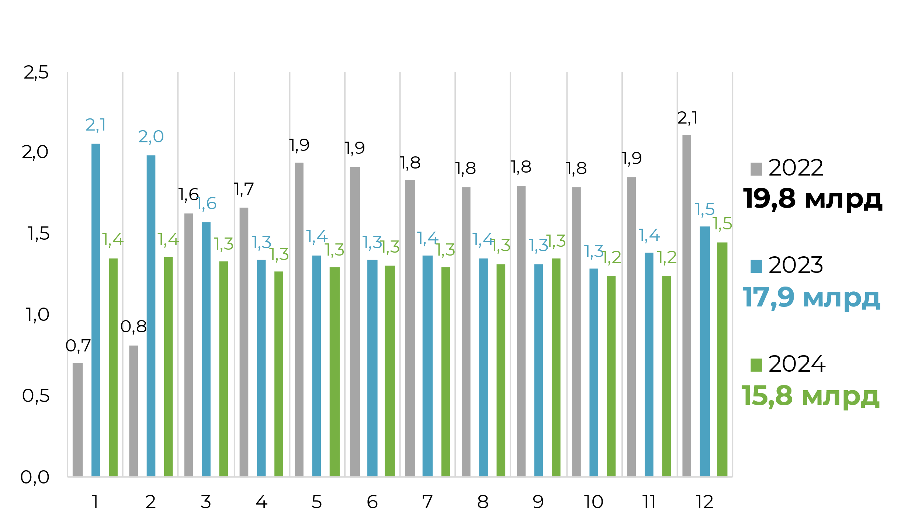
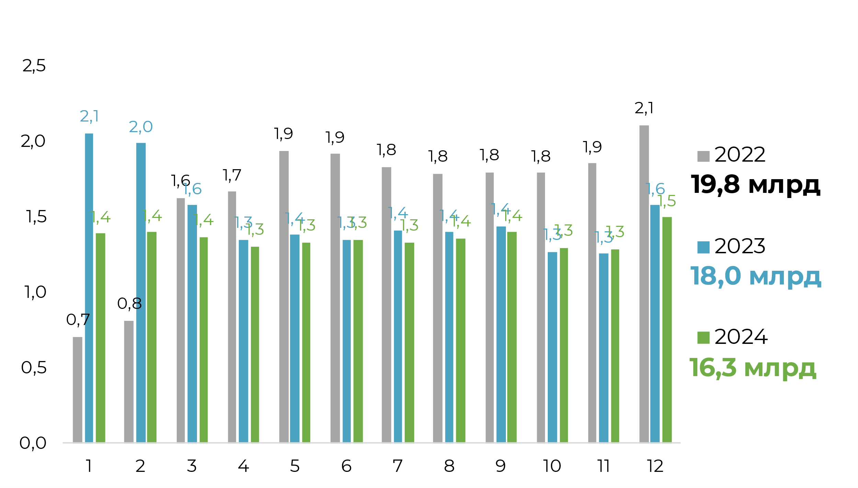
Імпорт послуг, подорожі
рік, місяць, млрд долл | 1 | 2 | 3 | 4 | 5 | 6 | 7 | 8 | 9 | 10 | 11 | 12 | Всього за рік | Плашки на чарті
2021 | 0.4 | 0.4 | 0.4 | 0.4 | 0.5 | 0.6 | 0.6 | 0.7 | 0.6 | 0.6 | 0.5 | 0.5 | 6.3 | 6,3 Bln USD
2022 | 0.7 | 0.8 | 1.6 | 1.7 | 1.9 | 1.9 | 1.8 | 1.8 | 1.8 | 1.8 | 1.9 | 2.1 | 19.8 | 19,8 Bln USD
2023 | 2.1 | 2.0 | 1.6 | 1.3 | 1.4 | 1.3 | 1.4 | 1.4 | 1.3 | 1.3 | 1.4 | 1.5 | 17.9 | 17,9 Bln USD
2024 | 1.4 | 1.4 | 1.3 | 1.3 | 1.3 | 1.3 | 1.3 | 1.3 | 1.3 | 1.2 | 1.2 | 1.5 | 15.8 | 15,8 Bln USD
 | 2036 | 1966 | 1558 | 1353 | 1383 | 1353 | 1410

 |  |  |  |  |  |  |  |  |  | 1000 |  |  | 6,3 млрд | млрд | $ Bln | млрд
 |  |  |  |  |  |  |  | Заголовки |  |  |  |  | 19,8 млрд | млрд | $ Bln | млрд
 |  |  |  |  |  |  | UKR | Імпорт послуг, 2022-2024, вимушені мігранти, $ млрд |  |  |  |  | 17,9 млрд | млрд | $ Bln | млрд
 |  |  |  |  |  |  | ENG | Import of services, 2022-2024, forced migrants, $Bln |  |  |  |  | 15,8 млрд | млрд | $ Bln | млрд
 |  |  |  |  |  |  | RU | Импорт услуг, 2022-2024, вынужденные мигранты, $ млрд

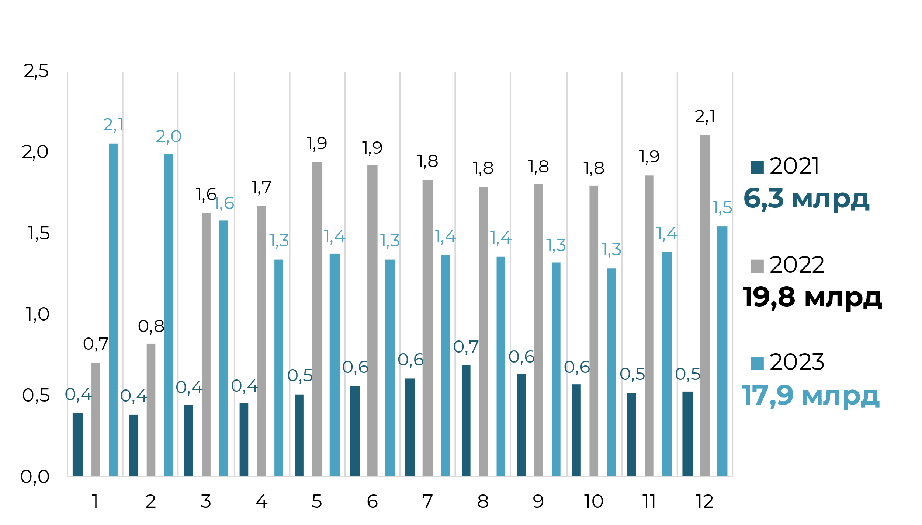

 | 2056 | 1987 | 1577 | 1339 | 1369 | 1338 | 1364 | 1354 | 1318 | 1286 | 1383 | 1542.72666
 | 1351.6937942 | 1357.4686031 | 1327.8965465 | 1266.9760331 | 1292.5702897 | 1305.4861094 | 1291.989216 | 1316.4634156 | 1347.5982809 | 1246.553242 | 1241.4001752 | 1450.340357

окремі статті
 | 2010 | 2011 | 2012 | 2013 | 2014 | 2015 | 2016 | 2017 | 2018 | 2019 | 2020 | 2021 | 2022 | 2023F | 2024F
Прямі інвестиції (сальдо) | 5,759 | 7,015 | 7,195 | 4,079 | 299 | -236 | 3,955 | 3,446 | 4,859 | 5,175 | -58 | 7,518 | 504 | 4,694 | 4,926
Торгові кредити | 3,087 | 4,081 | 2,602 | 3,898 | -6,646 | -1,727 | 600 | 1,599 | 1,104 | 2,422 | 2,411 | -369 | -1,321 | 410 | 500
Кредити | 4,603 | 5,952 | 7,748 | 1,834 | -254 | -1,453 | -236 | 297 | 1,086 | 1,342 | -287 | 352 | 741 | 784 | 1,185
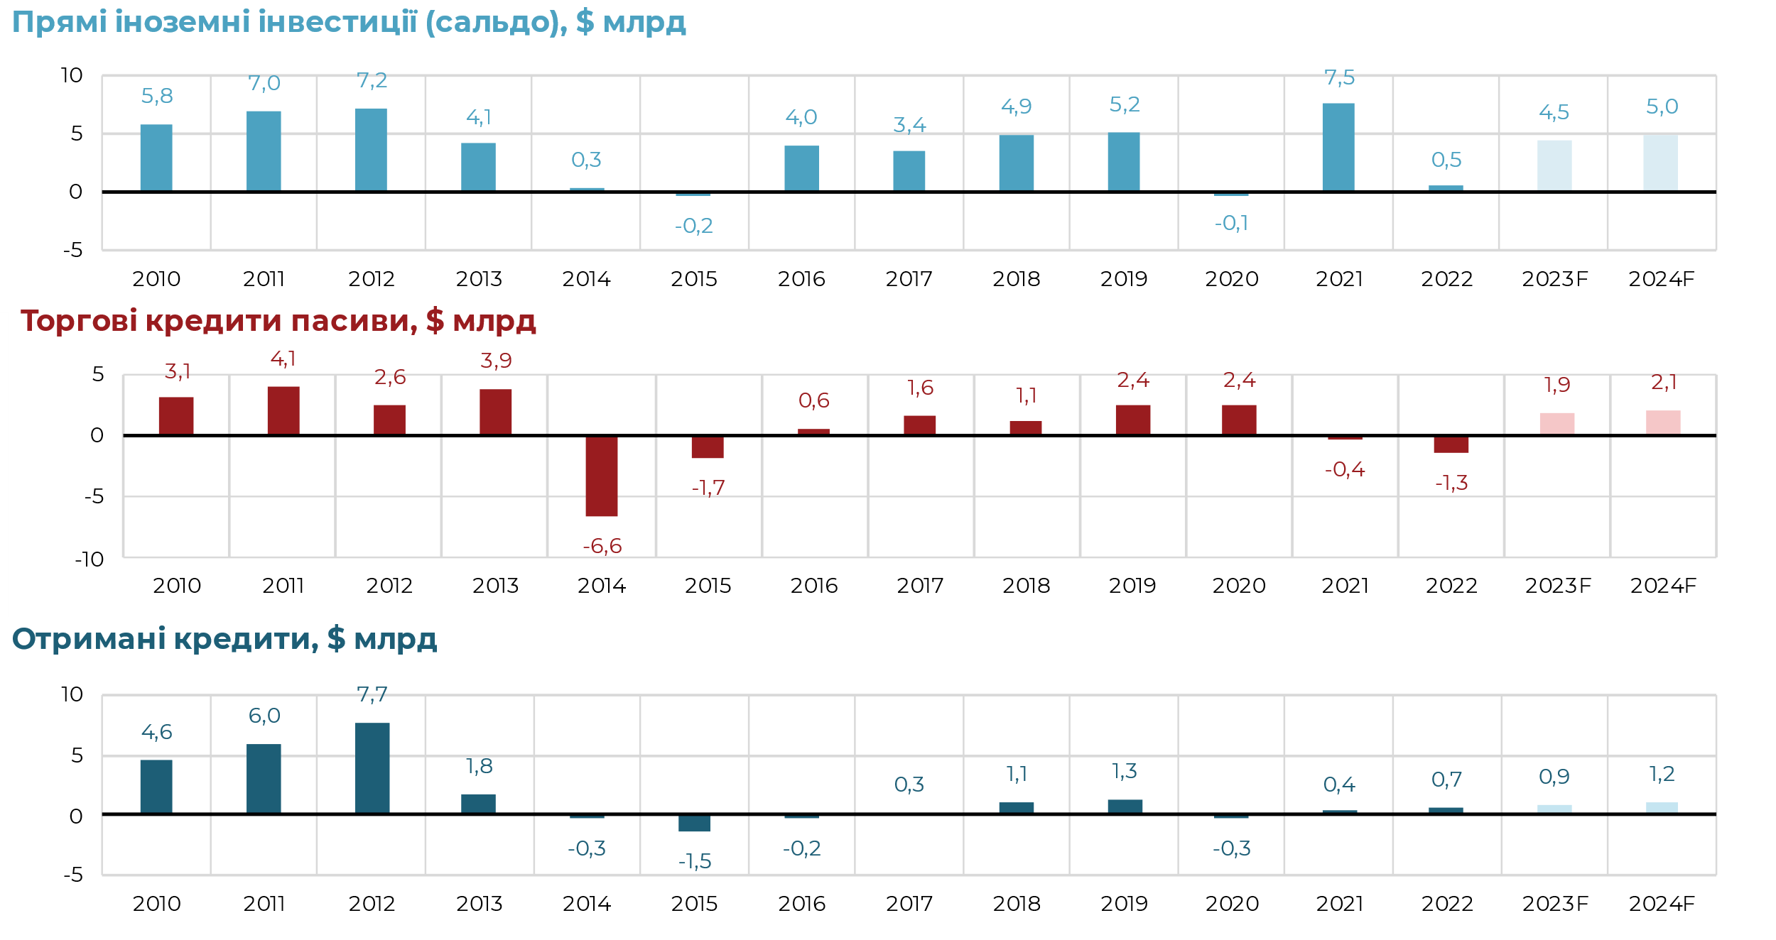

Прямі іноземні інвестиції (сальдо), $ млрд
Прямі іноземні інвестиції (сальдо), $ млрд

Прямі іноземні інвестиції (сальдо), $ млрд

Торгові кредити пасиви, $ млрд

Торгові кредити пасиви, $ млрд

Отримані кредити, $ млрд

Отримані кредити, $ млрд

Торгові кредити пасиви, $ млрд

Отримані кредити , $ млрд

фінрах
 | 2023 |  |  |  |  |  |  |  |  |  |  |  | 2024
 | 1 | 2 | 3 | 4 | 5 | 6 | 7 | 8 | 9 | 10 | 11 | 12 | 1 | 2 | 3 | 4 | 5 | 6 | 7 | 8 | 9 | 10 | 11 | 12 | 2024 | 2023
C. Фінансовий рахунок | 2331 | -177 | 2764 | 3868 | 1750 | 1842 | 3564 | 1087 | 415 | 56 | 1149 | 3208 | 736 | 355 | 1378 | 994 | 1232 | 2665 | 2126 | 2014 | 2681 | 1540 | 1539 | 3125 | 20386 | 21857
Фінансовий рахунок | -1052 | -396 | 55 | -254 | -129 | -692 | 370 | -280 | -361 | -1402 | -724 | -1687 | -1043 | -947 | -1312 | -395 | -690 | -406 | -123 | 533 | 50 | 156 | -112 | -196 | -4484 | -6552
Прямі інвестиції | 370 | 387 | 388 | 536 | 376 | 392 | 663 | 445 | 532 | 174 | 94 | 337 | 390 | 450 | 380 | 411 | 437 | 417 | 474 | 501 | 515 | 260 | 325 | 365 | 4926 | 4694
Портфельні інвестиції | -186 | -180 | -224 | -187 | -132 | -189 | -303 | -249 | -237 | -177 | -281 | -155 | -196 | -240 | -235 | -190 | -170 | -193 | -214 | -187 | -257 | -184 | -290 | -163 | -2520 | -2500
Портфельні інвестиції: активи | -168 | -48 | -172 | -195 | -160 | -197 | -285 | -257 | -165 | -185 | -183 | -185 | -183 | -185 | -196 | -198 | -198 | -201 | -202 | -195 | -190 | -192 | -192 | -193 | -2325 | -2200
Портфельні інвестиції: пасиви | 18 | 132 | 52 | -8 | -28 | -8 | 18 | -8 | 72 | -8 | 98 | -30 | 12 | 56 | 39 | -8 | -28 | -8 | 12 | -8 | 68 | -8 | 98 | -30 | 196 | 300
Акціонерний капітал | 0 | 0 | 0 | 0 | 0 | 0 | 0 | 0 | -1 | 0 | 0 | 0 | 0 | 0 | 0 | 0 | 0 | 0 | 0 | 0 | 0 | 0 | 0 | 0 | 0 | -1
Боргові цінні папери | 18 | 132 | 52 | -8 | -28 | -8 | 18 | -8 | 73 | -8 | 98 | -30 | 12 | 56 | 39 | -8 | -28 | -8 | 12 | -8 | 68 | -8 | 98 | -30 | 196 | 301
Банки | 26 | 10 | 60 | 0 | 0 | 0 | 26 | 0 | 25 | 0 | 0 | 0 | 20 | 8 | 47 | 0 | 0 | 0 | 20 | 0 | 20 | 0 | 0 | 0 | 116 | 147
Інші сектори | -8 | 122 | -8 | -8 | -28 | -8 | -8 | -8 | 48 | -8 | 98 | -30 | -8 | 48 | -8 | -8 | -28 | -8 | -8 | -8 | 48 | -8 | 98 | -30 | 80 | 154
Інші інвестиції | -1370 | -989 | -171 | -800 | -561 | -963 | 58 | -538 | -843 | -1600 | -928 | -1870 | -1237 | -1157 | -1457 | -616 | -957 | -629 | -383 | 219 | -207 | 80 | -146 | -398 | -6890 | -10575
Інші інвестиції: активи | -2159 | -1579 | -760 | -820 | -597 | -1093 | 57 | -619 | -536 | -1417 | -608 | -1565 | -1104 | -1071 | -1400 | -597 | -936 | -692 | -702 | -148 | -656 | -400 | -474 | -609 | -8788 | -11696
Банки | -912 | -557 | 104 | 161 | 307 | -288 | 189 | 14 | 339 | -405 | 427 | -425 | 96 | -82 | -200 | 167 | 154 | -200 | -200 | 294 | 120 | 200 | 200 | 250 | 799 | -1046
Інші сектори | -1247 | -1022 | -864 | -981 | -904 | -805 | -132 | -633 | -875 | -1012 | -1035 | -1140 | -1200 | -989 | -1200 | -764 | -1089 | -492 | -502 | -442 | -776 | -600 | -674 | -859 | -9587 | -10650
готівкова валюта поза банками | -1012 | -1044 | -1200 | -1040 | -1078 | -751 | -557 | -655 | -771 | -1090 | -1114 | -1200 | -1100 | -1000 | -1100 | -900 | -850 | -850 | -800 | -700 | -700 | -750 | -900 | -900 | -10550 | -11512
Торгові кредити | -266 | 5 | 304 | -3 | 119 | -166 | 405 | -3 | -98 | 49 | 88 | 60 | -100 | 11 | -100 | 136 | -239 | 358 | 298 | 258 | -76 | 150 | 226 | 41 | 963 | 494
Інші інвестиції: пасиви | -789 | -590 | -589 | -20 | -36 | -130 | -1 | -81 | 307 | 183 | 320 | 304 | 134 | 86 | 57 | 20 | 22 | -62 | -319 | -367 | -448 | -480 | -328 | -211 | -1898 | -1122
Банки | 43 | -15 | 37 | -38 | 29 | 88 | 65 | -22 | -49 | 57 | -132 | 9 | -22 | -20 | 1 | -27 | -25 | -9 | -25 | -22 | -4 | -27 | -25 | -8 | -214 | 72
Інші сектори | -832 | -575 | -626 | 18 | -65 | -218 | -66 | -59 | 356 | 126 | 452 | 295 | 156 | 106 | 56 | 47 | 47 | -53 | -295 | -345 | -445 | -453 | -303 | -203 | -1685 | -1194
Кредити | -333 | 165 | 147 | -24 | -42 | -180 | 12 | -263 | -50 | 48 | -159 | -105 | -94 | -94 | -94 | -103 | -103 | -103 | -95 | -95 | -95 | -103 | -103 | -103 | -1185 | -784
Торгові кредити | -499 | -740 | -773 | 42 | -23 | -38 | -78 | 204 | 406 | 78 | 611 | 400 | 250 | 200 | 150 | 150 | 150 | 50 | -200 | -250 | -350 | -350 | -200 | -100 | -500 | -410
Помилки та упущення | -134 | -386 | -62 | -197 | -188 | -68 | 48 | -62 | -187 | -201 | -391 | 0 | 0 | 0 | 0 | 0 | 0 | 0 | 0 | 0 | 0 | 0 | 0 | 0 | 0 | -1828

 | 2023 |  |  |  |  |  |  |  |  |  |  |  | 2024
 | 1 | 2 | 3 | 4 | 5 | 6 | 7 | 8 | 9 | 10 | 11 | 12 | 1 | 2 | 3 | 4 | 5 | 6 | 7 | 8 | 9 | 10 | 11 | 12 |  |  |  |  |  | RU | ENG | UKR
Финансовый счет | -1,052.0 | -396.0 | 55.0 | -254.0 | -129.0 | -692.0 | 370.0 | -280.0 | -361.0 | -1,402.0 | -724.0 |  |  |  |  |  |  |  |  |  |  |  |  |  |  |  |  |  |  | Финансовый счет | Financial account | Фінансовий рахунок
Прямые инвестиции | 370.0 | 387.0 | 388.0 | 536.0 | 376.0 | 392.0 | 663.0 | 445.0 | 532.0 | 174.0 | 94.0 |  |  |  |  |  |  |  |  |  |  |  |  |  |  |  |  |  |  | Прямые инвестиции | Direct investments | Прямі інвестиції
Портфельные инвестиции | -186.0 | -180.0 | -224.0 | -187.0 | -132.0 | -189.0 | -303.0 | -249.0 | -237.0 | -177.0 | -281.0 |  |  |  |  |  |  |  |  |  |  |  |  |  |  |  |  |  |  | Портфельные инвестиции | Portfolio investments | Портфельні інвестиції
Прочие инвестиции | -1,370.0 | -989.0 | -171.0 | -800.0 | -561.0 | -963.0 | 58.0 | -538.0 | -843.0 | -1,600.0 | -928.0 |  |  |  |  |  |  |  |  |  |  |  |  |  |  |  |  |  |  | Прочие инвестиции | Other investments | Інші інвестиції
Финансовый счет |  |  |  |  |  |  |  |  |  |  | -724.0 | -1,687.2 | -1,042.7 | -946.7 | -1,312.2 | -395.1 | -690.1 | -405.5 | -123.1 | 532.7 | 50.3 | 156.0 | -111.7 | -195.8 | -4,483.8 | -6,552.2 | млрд | -$6,6 | -$6,6 млрд | Финансовый счет | Financial account | Фінансовий рахунок
Прямые инвестиции |  |  |  |  |  |  |  |  |  |  |  | 337.1 | 390.4 | 450.4 | 379.7 | 411.3 | 437.5 | 417.2 | 473.7 | 500.7 | 515.0 | 259.9 | 325.0 | 365.4 | 4,926.2 | 4,694.1 |  | $4,7 | $4,7 млрд | Прямые инвестиции | Direct investments | Прямі інвестиції
Портфельные инвестиции |  |  |  |  |  |  |  |  |  |  |  | -154.8 | -195.8 | -240.5 | -235.2 | -190.0 | -170.2 | -193.4 | -214.2 | -186.8 | -257.3 | -183.7 | -290.3 | -163.0 | -2,520.4 | -2,499.8 |  | -$2,5 | -$2,5 млрд | Портфельные инвестиции | Portfolio investments | Портфельні інвестиції
Другие инвестиции |  |  |  |  |  |  |  |  |  |  |  | -1,869.5 | -1,237.3 | -1,156.6 | -1,456.7 | -616.4 | -957.3 | -629.4 | -382.5 | 218.9 | -207.3 | 79.8 | -146.4 | -398.2 | -6,889.6 | -10,574.5 |  | -$10,6 | -$10,6 млрд | Другие инвестиции | Other investments | Інші інвестиції
 |  |  |  |  |  |  |  |  |  |  |  |  |  |  |  |  |  |  |  |  |  |  |  |  |  |  |  |  |  | млрд | Bln | млрд

Відтік інвестицій приватного сектору (фінансовий рахунок) в 2023, $ млрд
 | Портфельные инвестиции | Прямые инвестиции | Прочие инвестиции | Прямые инвестиции | Портфельные инвестиции | Другие инвестиции | Финансовый счет | Финансовый счет
 | -186.0 | 370.0 | -1370.0 |  |  |  | -1052.0
 | -180.0 | 387.0 | -989.0 |  |  |  | -396.0
 | -224.0 | 388.0 | -171.0 |  |  |  | 55.0
 | -187.0 | 536.0 | -800.0 |  |  |  | -254.0
 | -132.0 | 376.0 | -561.0 |  |  |  | -129.0
 | -189.0 | 392.0 | -963.0 |  |  |  | -692.0
 | -303.0 | 663.0 | 58.0 |  |  |  | 370.0
 | -249.0 | 445.0 | -538.0 |  |  |  | -280.0
 | -237.0 | 532.0 | -843.0 |  |  |  | -361.0
 | -177.0 | 174.0 | -1600.0 |  |  |  | -1402.0
 | -281.0 | 94.0 | -928.0 |  |  |  | -724.0 | -724.0
 |  |  |  | 337.1 | -154.8 | -1869.5 |  | -1687.2

Готівкова валюта поза банками
Імпорт послуг, подорожі
рік, місяць, млрд долл | 1 | 2 | 3 | 4 | 5 | 6 | 7 | 8 | 9 | 10 | 11 | 12 | Всього за рік | Плашки на чарті
2021 | 0.5 | 0.6 | 0.3 | 0.2 | 0.3 | 0.2 | 0.2 | 0.6 | 0.5 | 0.5 | 0.8 | 0.4 | 5.1 | $5,1 млрд
2022 | 0.8 | 0.9 | 0.7 | 0.9 | 1.1 | 0.8 | 0.8 | 0.8 | 1.1 | 0.9 | 0.7 | 0.9 | 10.3 | $10,3 млрд
2023 | 1.0 | 1.0 | 1.2 | 1.0 | 1.1 | 0.8 | 0.6 | 0.7 | 0.8 | 1.1 | 1.1 | 1.2 | 11.5 | $11,5 млрд
2024 | 1.1 | 1.0 | 1.1 | 0.9 | 0.9 | 0.9 | 0.8 | 0.7 | 0.7 | 0.8 | 0.9 | 0.9 | 10.6 | $10,6 млрд

 |  |  |  |  |  |  |  |  |  |  |  |  |  | RU | ENG | UKR
 |  |  |  |  |  |  | Заголовки |  |  |  |  |  | $5,1 млрд | $5,1 млрд | $5.1 Bln | $5,1 млрд
 |  |  |  |  |  |  | UKR | Готівкова валюта поза банками, 2021-2023, млрд долл. |  |  |  |  | $10,3 млрд | $10,3 млрд | $10.3 Bln | $10,3 млрд
 |  |  |  |  |  |  | RU | Наличная валюта вне банков, 2021-2023, млрд дол. |  |  |  |  | $11,5 млрд | $11,5 млрд | $11.1 Bln | $11,5 млрд
 |  |  |  |  |  |  | ENG | Cash currency outside banks, 2021-2023, Bln USD |  |  |  |  | $10,6 млрд | $10,6 млрд | $11.5 Bln | $10,6 млрд

2023 | 1012 | 1044 | 1200 | 1040 | 1078 | 751 | 557 | 655 | 771 | 1090 | 1114 | 1200
2024 | 1100 | 1000 | 1100 | 900 | 850 | 850 | 800 | 700 | 700 | 750 | 900 | 900

залучення кругові
 |  |  |  |  |  |  | RU | ENG | UKR
Внешнее финансирование | 31448 | 30700 | 31.4 | 30.7 |  |  | Внешнее финансирование | External financing | Зовнішнє фінансування
Гранты | 11583 | 13000 | 11.6 | 13.0 |  |  | Гранты | Grants | Гранти
Валютные ОВГЗ | 4491 | 4194 | 4.5 | 4.2 |  |  | Валютные ОВГЗ | FC OVDP | Валютні ОВДП
 |  |  | 47.5 | 47.9 | 48 млрд | 48 млрд | млрд | Bln | млрд

ПБ - стандартный формат чарта
Динамика основных пунктов платежного баланса, 2020, млн. долл.

 |  | Баланс товаров | Баланс услуг | Баланс первичных доходов | Баланс вторичных доходов | Счет текущих операций | Финансовый счет | Сальдо
2020 | 1 | #REF! | #REF! | #REF! | #REF! | #REF! | #REF! | #REF!
 | 2 | #REF! | #REF! | #REF! | #REF! | #REF! | #REF! | #REF!
 | 3 | #REF! | #REF! | #REF! | #REF! | #REF! | #REF! | #REF!
 | 4 | #REF! | #REF! | #REF! | #REF! | #REF! | #REF! | #REF!
 | 5 | #REF! | #REF! | #REF! | #REF! | #REF! | #REF! | #REF!
 | 6 | #REF! | #REF! | #REF! | #REF! | #REF! | #REF! | #REF!
 | 7 | #REF! | #REF! | #REF! | #REF! | #REF! | #REF! | #REF!
 | 8 | #REF! | #REF! | #REF! | #REF! | #REF! | #REF! | #REF!
 | 9 | #REF! | #REF! | #REF! | #REF! | #REF! | #REF! | #REF!
 | 10 | #REF! | #REF! | #REF! | #REF! | #REF! | #REF! | #REF!
 | 11 | #REF! | #REF! | #REF! | #REF! | #REF! | #REF! | #REF!
 | 12 | #REF! | #REF! | #REF! | #REF! | #REF! | #REF! | #REF!

Динамика основных пунктов платежного баланса, 2021, млн. долл.
 |  | Баланс товаров | Баланс услуг | Баланс первичных доходов | Баланс вторичных доходов | Счет текущих операций | Финансовый счет | Сальдо
2020 | 1 | #REF! | #REF! | #REF! | #REF! | #REF! | #REF! | #REF!
 | 2 | #REF! | #REF! | #REF! | #REF! | #REF! | #REF! | #REF!
 | 3 | #REF! | #REF! | #REF! | #REF! | #REF! | #REF! | #REF!
 | 4 | #REF! | #REF! | #REF! | #REF! | #REF! | #REF! | #REF!
 | 5 | #REF! | #REF! | #REF! | #REF! | #REF! | #REF! | #REF!
 | 6 | #REF! | #REF! | #REF! | #REF! | #REF! | #REF! | #REF!
 | 7 | #REF! | #REF! | #REF! | #REF! | #REF! | #REF! | #REF!
 | 8 | #REF! | #REF! | #REF! | #REF! | #REF! | #REF! | #REF!
 | 9 | #REF! | #REF! | #REF! | #REF! | #REF! | #REF! | #REF!
 | 10 | #REF! | #REF! | #REF! | #REF! | #REF! | #REF! | #REF!
 | 11 | #REF! | #REF! | #REF! | #REF! | #REF! | #REF! | #REF!
 | 12 | #REF! | #REF! | #REF! | #REF! | #REF! | #REF! | #REF!

Чарт ПБ 2020
 |  |  |  |  | 1000.00 | -1 |  |  | -1 |  | k | -1000
 |  |  |  |  |  |  |  |  |  |  | 1 | 1.092
 |  | Баланс валюты, $ млрд | Динамика резервов кумулятивно, $ млрд | Сводное сальдо платежного баланса, $ млрд | Увеличение денежных средств населения в иностранной валюте, $ млрд | Счет текущих операций ($ млрд) | Чистые ежемесячные платежи по долгам в иностранной валюте, $ млрд | Приток валюты нерезидентов в портфель ОВГЗ, $ млрд | ПИИ, $ млрд | Корпоративные кредиты, $ млрд | Сальдо инвестиций частного сектора, $ млрд | Чистые государственные привлечения, $ млрд |  |  | Счет текущих операций ($ млрд) | Чистые ежемесячные платежи по долгам в иностранной валюте, $ млрд | Приток валюты нерезидентов в портфель ОВГЗ, $ млрд | ПИИ, $ млрд | Корпоративные кредиты, $ млрд | Чистые государственные привлечения, $ млрд | Увеличение денежных средств населения в иностранной валюте, $ млрд
2020 | Січень |  | #REF! | #REF! | #REF! | #REF! | 0 | 0.50 | #REF! | #REF! | #REF! | #REF! | 2020 | 1М | #REF! |  |  | #REF! | #REF! | #REF! | #REF!
 | Лютий |  | #REF! | #REF! | #REF! | #REF! | 0 | 1.32 | #REF! | #REF! | #REF! | #REF! |  | 2М | #REF! |  |  | #REF! | #REF! | #REF! | #REF!
 | Березень |  | #REF! | #REF! | #REF! | #REF! | 0 | -0.29 | #REF! | #REF! | #REF! | #REF! |  | 3М | #REF! |  |  | #REF! | #REF! | #REF! | #REF!
 | Квітень |  | #REF! | #REF! | #REF! | #REF! | 0 | - | #REF! | #REF! | #REF! | #REF! |  | 4М | #REF! |  |  | #REF! | #REF! | #REF! | #REF!
 | Травень |  | #REF! | #REF! | #REF! | #REF! | 0 | - | #REF! | #REF! | #REF! | #REF! |  | 5М | #REF! |  |  | #REF! | #REF! | #REF! | #REF!
 | Червень |  | #REF! | #REF! | #REF! | #REF! | 0 | - | #REF! | #REF! | #REF! | #REF! |  | 6М | #REF! |  |  | #REF! | #REF! | #REF! | #REF!
 | Липень |  | #REF! | #REF! | #REF! | #REF! | 0 | - | #REF! | #REF! | #REF! | #REF! |  | 7М | #REF! |  |  | #REF! | #REF! | #REF! | #REF!
 | Серпень |  | #REF! | #REF! | #REF! | #REF! | 0 | - | #REF! | #REF! | #REF! | #REF! |  | 8М | #REF! |  |  | #REF! | #REF! | #REF! | #REF!
 | Вересень |  | #REF! | #REF! | #REF! | #REF! | 0 | - | #REF! | #REF! | #REF! | #REF! |  | 9М | #REF! |  |  | #REF! | #REF! | #REF! | #REF!
 | Жовтень |  | #REF! | #REF! | #REF! | #REF! | 0 | - | #REF! | #REF! | #REF! | #REF! |  | 10М | #REF! |  |  | #REF! | #REF! | #REF! | #REF!
 | Листопад |  | #REF! | #REF! | #REF! | #REF! | 0 | - | #REF! | #REF! | #REF! | #REF! |  | 11М | #REF! |  |  | #REF! | #REF! | #REF! | #REF!
 | Грудень |  | #REF! | #REF! | #REF! | #REF! | 0 | - | #REF! | #REF! | #REF! | #REF! |  | 12М | #REF! |  |  | #REF! | #REF! | #REF! | #REF!
Платежный баланс Украины на 2020 год , $ млрд

 |  | #REF! | #REF!
 |  | #REF! | #REF!
 |  | #REF! | #REF!
 |  | #REF! | #REF!
 |  | #REF! | #REF!
 |  | #REF! | #REF!
 |  | #REF! | #REF!
 |  | #REF! | #REF!
 |  | #REF! | #REF!
 |  | #REF! | #REF!
 |  | #REF! | #REF!
 |  | #REF! | #REF!

 | 2020
 | Січень | Лютий | Березень | Квітень | Травень | Червень | Липень | Серпень | Вересень | Жовтень | Листопад | Грудень
Увеличение денежных средств населения в иностранной валюте, $ млрд | -0.3 | 0.0 | -0.5 | -0.5 | -0.5 | -0.5 | 0.1 | 0.1 | 0.2 | 0.3 | 0.6 | 0.6
Баланс текущего счета, $ млрд | 0.7 | -0.2 | -1.4 | 1.0 | 1.3 | 0.7 | 1.4 | 1.5 | 0.6 | 1.3 | 1.8 | 1.2
Чистые ежемесячные платежи по долгам в иностранной валюте, $ млрд | -0.9 | -1.1 | -1.1 | -0.3 | -1.5 | -0.2 | -1.6 | -1.3 | -2.5 | -0.4 | -0.2 | -0.3
Приток валюты нерезидентов в портфель ОВГЗ, $ млрд | 0.5 | 1.3 | -0.3 | 0.3 | 0.3 | 0.3 | - | - | - | - | - | -
ПИИ, $ млрд | 0.2 | 0.3 | - | - | - | - | - | - | 0.25 | 0.25 | 0.25 | 0.25
Корпоративные кредиты, $ млрд | - | -0.3 | - | - | - | - | - | - | - | - | - | -
Сумарные иностранные инвестиции, $ млрд | 0.2 | - | - | - | - | - | - | - | 0.25 | 0.25 | 0.25 | 0.25
Транш МВФ и другие государственные привлечения, $ млрд | 1.1 | - | - | 0.3 | 5.3 | 0.3 | 1.0 | - | - | - | - | -
Входящие / исходящие потоки валюты, $ млрд | 1.4 | 0.1 | -3.3 | 0.8 | 4.9 | 0.6 | 0.9 | 0.4 | -1.4 | 1.5 | 2.5 | 1.8
Кумулятивно чистый поток, $ млрд | 1.4 | 1.4 | -1.9 | -1.1 | 3.8 | 4.4 | 5.3 | 5.7 | 4.2 | 5.7 | 8.2 | 10.0

$ млрд | 1M | 2M | 3M | 4M | 5M | 6M | 7M | 8M | 9M | 10M | 11M | 12M
Счет текущих операций | #REF! | #REF! | #REF! | #REF! | #REF! | #REF! | #REF! | #REF! | #REF! | #REF! | #REF! | #REF!
Сальдо инвестиций частного сектора | #REF! | #REF! | #REF! | #REF! | #REF! | #REF! | #REF! | #REF! | #REF! | #REF! | #REF! | #REF!
Чистые государственные привлечения | #REF! | #REF! | #REF! | #REF! | #REF! | #REF! | #REF! | #REF! | #REF! | #REF! | #REF! | #REF!
Сводное сальдо платежного баланса | #REF! | #REF! | #REF! | #REF! | #REF! | #REF! | #REF! | #REF! | #REF! | #REF! | #REF! | #REF!
Динамика резервов кумулятивно | #REF! | #REF! | #REF! | #REF! | #REF! | #REF! | #REF! | #REF! | #REF! | #REF! | #REF! | #REF!

Чарт 2021
Платежный баланс Украины на 2021 год , $ млрд
 | Динамика резервов, $ млрд | Счет текущих операций, $ млрд | Сальдо инвестиций частного сектора, $ млрд | Чистые государственные привлечения, $ млрд | Общий приток валюты, $ млрд | Курс
 | -0.31 | 0.16 | 0.71 | 0.33 | -0.22 | 28.2
 | -0.59 | 0.09 | 0.28 | 0.16 | -0.02 | 27.9
 | -2.10 | -0.82 | -0.36 | -0.26 | -0.72 | 27.8
 | -1.13 | 0.01 | 0.33 | 1.02 | 0.71 | 27.9
 | -1.29 | 0.32 | 0.78 | 0.06 | -0.40 | 27.6
 | -0.78 | -0.18 | 0.00 | 0.79 | 0.61 | 27.2
 | -0.18 | -0.66 | -0.57 | 0.38 | 0.29 | 27.2
 | 2.48 | -0.06 | -0.28 | -0.35 | -0.14 | 26.8
 | -0.43 | -0.91 | -0.32 | -1.95 | -2.54 | 26.7
 | 0.52 | -0.02 | -0.61 | 0.47 | 1.06 | 26.4
 | 1.99 | -0.65 | -0.85 | 0.16 | 0.36 | 26.5
 | 3.30 | -0.54 | -0.43 | 0.46 | 0.35 | 27.2

Чарт 2022
Платежный баланс Украины на 2022 год , $ млрд
 | Динамика резервов, $ млрд | Счет текущих операций, $ млрд | Сальдо инвестиций частного сектора, $ млрд | Чистые государственные привлечения, $ млрд | Общий приток валюты, $ млрд | Курс
 | - | 0.61 | 1.89 | -0.50 | -1.76 | 28.0
 | - | 0.02 | 1.10 | -0.62 | -1.66 | 28.4
 | - | 1.39 | 3.35 | 2.64 | 0.68 | 29.3
 | - | 1.20 | 2.86 | 0.79 | -0.87 | 29.3
 | - | -0.20 | 2.68 | 0.96 | -1.92 | 29.3
 | - | -0.20 | 3.76 | 1.73 | -2.22 | 29.3
 | - | 1.41 | 1.53 | -0.20 | -0.30 | 31.9
 | - | 1.95 | 0.28 | 1.42 | 3.11 | 36.6
 | - | 1.69 | 2.90 | -0.17 | -1.38 | 36.6
 | - | -0.54 | 2.12 | 3.90 | 1.25 | 36.6
 | - | 0.38 | 0.45 | 2.50 | 2.44 | 36.6
 | - | 0.27 | 1.28 | 1.33 | 0.36 | 36.6

Чарт 2023 V-1
Платежный баланс Украины на 2023 год , $ млрд
 | Динамика резервов, $ млрд | Счет текущих операций, $ млрд | Сальдо инвестиций частного сектора, $ млрд | Чистые государственные привлечения, $ млрд | Общий приток валюты, $ млрд | Обменный курс | Обменный курс
 | 1.43 | -1.14 | 1.05 | 3.38 | 1.21 | 36.6 | 36.6
 | -1.06 | -0.71 | 0.40 | 0.22 | -0.86 | 36.6 | 36.6
 | 3.02 | -0.01 | -0.06 | 2.71 | 2.77 | 36.6 | 36.6
 | 4.07 | 0.13 | 0.25 | 4.12 | 4.02 | 36.6 | 36.6
 | 1.37 | -0.23 | 0.13 | 1.88 | 1.53 | 36.6 | 36.6
 | 1.71 | -0.16 | 0.69 | 2.53 | 1.69 | 36.6 | 36.6
 | 2.71 | -1.00 | -0.37 | 3.19 | 2.58 | 36.6 | 36.6
 | -1.33 | -2.39 | 0.28 | 1.37 | -1.30 | 36.6 | 36.6
 | -0.68 | -1.03 | 0.36 | 0.78 | -0.61 | 36.6 | 36.6
 | -0.74 | -0.91 | 1.40 | 1.46 | -0.85 | 36.5 | 36.5
 | -0.19 | -1.51 | 0.72 | 1.87 | -0.36 | 36.2 | 36.2
 | 1.71 | -2.06 | 1.69 | 4.90 | 1.15 | 37.1 | 37.1

Чарт 2023 V-2
Платежный баланс Украины на 2023 год , $ млрд
 | Динамика резервов, $ млрд | Счет текущих операций, $ млрд | Сальдо инвестиций частного сектора, $ млрд | Чистые государственные привлечения, $ млрд | Общий приток валюты, $ млрд | Обменный курс | Обменный курс
 | -0.03 | -0.97 | 1.04 | 1.78 | -0.23 | 37.6 | 37.6
 | -0.36 | -1.03 | 0.95 | 1.30 | -0.68 | 38.3 | 38.3
 | 0.60 | -1.14 | 1.31 | 2.69 | 0.24 | 39.1 | 39.1
 | 0.47 | -0.64 | 0.40 | 1.39 | 0.36 | 39.4 | 39.4
 | 0.42 | -0.95 | 0.69 | 1.92 | 0.28 | 39.8 | 39.8
 | 1.76 | -1.04 | 0.41 | 3.07 | 1.63 | 40.2 | 40.2
 | 0.98 | -1.28 | 0.12 | 2.25 | 0.85 | 40.5 | 40.5
 | 1.66 | -0.41 | -0.53 | 1.48 | 1.60 | 40.6 | 40.6
 | 2.07 | -0.70 | -0.05 | 2.63 | 1.98 | 40.9 | 40.9
 | 1.21 | -0.40 | -0.16 | 1.38 | 1.14 | 41.0 | 41.0
 | 1.36 | -0.26 | 0.11 | 1.65 | 1.28 | 41.2 | 41.2
 | 2.80 | -0.42 | 0.20 | 3.32 | 2.71 | 41.4 | 41.4

макет прогноза на месяц
 |  |  |  |  |  |  |  |  |  |  |  |  |  |  |  |  |  |  |  |  |  |  |  |  |  |  |  | 2020Q1 | 2020Q2 | 2020Q3 | 2020Q4 | 2021Q1 | 2021Q2 | 2021Q3 | 2021Q4 | 2022Q1
Итоговая курсовая таблица до 31.12.2021 | Факт |  |  | Курс доллара | Предыдущий период |  |  |  |  | ЗАРИСОВКА |  |  |  |  |  | Средний "нормальный" объем межбанка (млн $) | Объем погашений валютных ОВГЗ (+), привлечений (-) | Объем выплат по еврооблигациям и МВФ | Объем погашений гривневых ОВГЗ, в млн дол (из которых в среднем 15,1% - нерезиденты) |  | Сальдо давления на рынок | Период | Валютный счет |  |  |  | Коф. для нерезів по кв. - | 28% | 21% | 15% | 6% | 10% | 6% | 13% | 10% | 10%
 |  |  | Период | Факт, линейный прогноз |  |  | Факторная модель | Прогноз курса, UAH/USD |  | ПРОЗРАЧНАЯ | 0.5 |  |  | 0.5 | Курс | 384 |  |  |  | Из них нерезидентам (по удельному весу) | Сальдо давления на рынок |  | Баланс | Операции пополнения | Операции выплат
 |  |  | 2020-08-01 | 27.69 |  |  |  |  |  | -0.15 | 0.15 |  |  | 0.15 |  | 320 |  | 71 |  |  | 71.5 | 2020-08-01 | 2,670 |  | 71
 |  |  | 2020-08-02 | 27.68 |  |  |  |  |  | -0.15 | 0.15 |  |  | 0.15 |  | 320 |  |  |  |  | 0.0 | 2020-08-02 | 2,599 |  | -
 |  |  | 2020-08-03 | 27.74 |  |  |  |  |  | -0.15 | 0.15 |  |  | 0.15 |  | 320 |  |  |  |  | 0.0 | 2020-08-03 | 2,599 |  | -
 |  |  | 2020-08-04 | 27.82 |  |  |  |  |  | -0.15 | 0.15 |  |  | 0.15 |  | 320 |  | 99 |  |  | 98.5 | 2020-08-04 | 2,599 |  | 99
 |  |  | 2020-08-05 | 27.70 |  |  |  |  |  | -0.15 | 0.15 |  |  | 0.15 |  | 320 |  |  | 638.6 | 96.7 | 290.0 | 2020-08-05 | 2,500 |  | -
 |  |  | 2020-08-06 | 27.68 |  |  |  |  |  | -0.15 | 0.15 |  |  | 0.15 |  | 320 | 149 |  |  |  | -148.8 | 2020-08-06 | 2,500 |  | 149
 |  |  | 2020-08-07 | 27.65 |  |  |  |  |  | -0.15 | 0.15 |  |  | 0.15 |  | 320 |  |  |  |  | 0.0 | 2020-08-07 | 2,351 |  | -
 |  |  | 2020-08-10 | 27.60 |  |  |  |  |  | -0.15 | 0.15 |  |  | 0.15 |  | 320 |  |  |  |  | 0.0 | 2020-08-10 | 2,351 |  | -
 |  |  | 2020-08-11 | 27.60 |  |  |  |  |  | -0.15 | 0.15 |  |  | 0.15 |  | 320 |  |  |  |  | 0.0 | 2020-08-11 | 2,351 | 190 | -
 |  |  | 2020-08-12 | 27.53 |  |  |  |  |  | -0.15 | 0.15 |  |  | 0.15 |  | 320 |  |  | 52.0 | 7.9 | 23.6 | 2020-08-12 | 2,541 |  | -
 |  |  | 2020-08-13 | 27.41 |  |  |  |  |  | -0.15 | 0.15 |  |  | 0.15 |  | 320 | 184 |  |  |  | -184.3 | 2020-08-13 | 2,541 |  | 184
 |  |  | 2020-08-14 | 27.41 |  |  |  |  |  | -0.15 | 0.15 |  |  | 0.15 |  | 320 |  |  |  |  | 0.0 | 2020-08-14 | 2,357 |  | -
 |  |  | 2020-08-17 | 27.41 |  |  |  |  |  | -0.15 | 0.15 |  |  | 0.15 |  | 320 |  |  |  |  | 0.0 | 2020-08-17 | 2357 |  | -
 |  |  | 2020-08-18 | 27.23 |  |  |  |  |  | -0.15 | 0.15 |  |  | 0.15 |  | 320 | -50 |  |  |  | 50.0 | 2020-08-18 | 2357 | 31 | -
 |  |  | 2020-08-19 | 27.32 |  |  |  |  |  | -0.15 | 0.15 |  |  | 0.15 |  | 320 | -50 |  | 292.0 | 44.2 | 182.6 | 2020-08-19 | 2388 |  | -
 |  |  | 2020-08-20 | 27.48 |  |  |  |  |  | -0.15 | 0.15 |  |  | 0.15 |  | 320 | 159 |  |  |  | -159.0 | 2020-08-20 | 2388 |  | 159
 |  |  | 2020-08-21 | 27.48 |  |  |  |  |  | -0.15 | 0.15 |  |  | 0.15 |  | 320 |  |  |  |  | 0.0 | 2020-08-21 | 2229 |  | -
 |  |  | 2020-08-24 | 27.39 |  |  |  |  |  | -0.15 | 0.15 |  |  | 0.15 |  | 320 | -50 |  |  |  | 50.0 | 2020-08-24 | 2229 |  | -
 |  |  | 2020-08-25 | 27.44 |  |  |  |  |  | -0.15 | 0.15 |  |  | 0.15 |  | 320 | -50 |  |  |  | 50.0 | 2020-08-25 | 2229 | 30
 |  |  | 2020-08-26 | 27.39 |  |  |  |  |  | -0.15 | 0.15 |  |  | 0.15 |  | 320 | 100 |  | 41.3 | 6.2 | -81.3 | 2020-08-26 | 2259 |  | 100
 |  |  | 2020-08-27 | 27.46 |  |  |  |  |  | -0.15 | 0.15 |  |  | 0.15 |  | 320 |  |  |  |  | 0.0 | 2020-08-27 | 2159 |  | -
 |  |  | 2020-08-28 | 27.48 |  |  |  |  |  | -0.15 | 0.15 |  |  | 0.15 |  | 320 |  |  |  |  | 0.0 | 2020-08-28 | 2159 |  | -
 |  |  | 2020-08-31 | 27.56 | 27.56 |  |  |  |  | -0.15 | 0.15 |  |  | 0.15 |  | 320 | -50 |  |  |  | 50.0 | 2020-08-31 | 2159 |  | - | -511
 |  | 19 | 2020-09-01 | 27.60 | 27.60 |  |  |  |  | -0.15 | 0.15 |  |  | 0.15 |  | 450 | -50 | 1,752.18 |  |  | 1802.2 | 2020-09-01 | 2159 |  | 1,752 | -50
 |  | 29 | 2020-09-02 | 27.64 | 27.64 |  |  |  |  | -0.15 | 0.15 |  |  | 0.15 |  | 450 | 100 |  | 101.36 | 15.3 | -54.0 | 2020-09-02 | 407 |  | 100 | 28,752
 |  | 39 | 2020-09-03 | 27.69 | 27.69 |  |  |  |  | -0.15 | 0.15 |  |  | 0.15 |  | 450 |  |  |  |  | 0.0 | 2020-09-03 | 307 |  | -
 |  | 49 | 2020-09-04 | 27.73 | 27.73 |  |  |  |  | -0.15 | 0.15 |  |  | 0.15 |  | 450 |  |  | 4.87 | 0.7 | 2.2 | 2020-09-04 | 307 |  | -
 |  | 79 | 2020-09-07 | 27.75 | 27.75 |  |  |  |  | -0.15 | 0.15 |  |  | 0.15 |  | 450 | -50 |  |  |  | 50.0 | 2020-09-07 | 307 |  | -
 |  | 89 | 2020-09-08 | 27.80 | 27.80 |  |  |  |  | -0.15 | 0.15 |  |  | 0.15 |  | 450 | -50 |  |  |  | 50.0 | 2020-09-08 | 307 |  | -
 |  | 99 | 2020-09-09 | 27.83 | 27.83 |  |  |  |  | -0.15 | 0.15 |  |  | 0.15 |  | 450 | 100 |  | 25.50 | 3.9 | -88.4 | 2020-09-09 | 307 |  | 100
 |  | 109 | 2020-09-10 | 27.83 | 27.83 |  |  |  |  | -0.15 | 0.15 |  |  | 0.15 |  | 450 |  |  |  |  | 0.0 | 2020-09-10 | 207 |  | -
 |  | 119 | 2020-09-11 | 27.90 | 27.90 |  |  |  |  | -0.15 | 0.15 |  |  | 0.15 |  | 450 |  | 413.7 |  |  | 413.7 | 2020-09-11 | 207 |  | 414
 |  | 149 | 2020-09-14 | 28.00 | 28.00 |  |  |  |  | -0.15 | 0.15 |  |  | 0.15 |  | 450 | -50 |  |  |  | 50.0 | 2020-09-14 | -207 |  | -
 |  | 159 | 2020-09-15 | 28.06 | 28.06 |  |  |  |  | -0.15 | 0.15 |  |  | 0.15 |  | 450 | -50 |  |  |  | 50.0 | 2020-09-15 | -207 |  | -
 |  | 169 | 2020-09-16 | 28.12 | 28.12 |  |  |  |  | -0.15 | 0.15 |  |  | 0.15 |  | 450 | 100 |  | 11.48 | 1.7 | -94.8 | 2020-09-16 | -207 |  | 100
 |  | 179 | 2020-09-17 | 28.11 | 28.11 |  |  |  |  | -0.15 | 0.15 |  |  | 0.15 |  | 450 |  |  |  |  | 0.0 | 2020-09-17 | -307 |  | -
 |  | 189 | 2020-09-18 | 28.17 | 28.17 |  |  |  |  | -0.15 | 0.15 |  |  | 0.15 |  | 450 |  |  |  |  | 0.0 | 2020-09-18 | -307 |  | -
 |  | 219 | 2020-09-21 | 28.20 | 28.20 |  |  |  |  | -0.15 | 0.15 |  |  | 0.15 |  | 450 | -50 |  |  |  | 50.0 | 2020-09-21 | -307 |  | -
 |  | 229 | 2020-09-22 | 28.21 | 28.21 |  |  |  |  | -0.15 | 0.15 |  |  | 0.15 |  | 450 | -50 |  |  |  | 50.0 | 2020-09-22 | -307 |  | -
 |  | 239 | 2020-09-23 | 28.19 | 28.19 |  |  |  |  | -0.15 | 0.15 |  |  | 0.15 |  | 450 | 100 |  | 35.38 | 5.4 | -83.9 | 2020-09-23 | -307 |  | 100
 |  | 249 | 2020-09-24 | 28.25 | 28.25 |  |  |  |  | -0.15 | 0.15 |  |  | 0.15 |  | 450 |  |  |  |  | 0.0 | 2020-09-24 | -407 |  | -
 |  | 259 | 2020-09-25 | 28.27 | 28.27 |  |  |  |  | -0.15 | 0.15 |  |  | 0.15 |  | 450 |  | 110.625 |  |  | 110.6 | 2020-09-25 | -407 |  | 111
 |  | 289 | 2020-09-28 | 28.31 | 28.31 |  |  |  |  | -0.15 | 0.15 |  |  | 0.15 |  | 450 | -50 |  |  |  | 50.0 | 2020-09-28 | -518 |  | -
 |  | 299 | 2020-09-29 | 28.30 | 28.30 |  |  |  |  | -0.15 | 0.15 |  |  | 0.15 |  | 450 | -50 | 7.355 | 32.44 | 4.9 | 72.1 | 2020-09-29 | -518 |  | 7
 |  | 309 | 2020-09-30 | 28.31 | 28.31 |  |  |  |  | -0.15 | 0.15 |  |  | 0.15 |  | 450 | 100 |  | 346.67 | 52.5 | 57.4 | 2020-09-30 | -525 |  | 100
 |  | 110 | 2020-10-01 | 28.33 | 28.33 |  |  |  |  |  |  |  |  |  |  | 470 |  |  |  |  | 0.0 | 2020-10-01
 |  | 210 | 2020-10-02 | 28.33 | 28.34 |  |  |  |  |  |  |  |  |  |  | 470 |  |  |  |  | 0.0 | 2020-10-02
 |  | 510 | 2020-10-05 | 28.40 | 28.40 |  |  |  |  |  |  |  |  |  |  | 470 |  |  |  |  | 0.0 | 2020-10-05
 |  | 610 | 2020-10-06 | 28.36 | 28.36 |  |  |  |  |  |  |  |  |  |  | 470 |  |  |  |  | 0.0 | 2020-10-06
 |  | 710 | 2020-10-07 | 28.32 | 28.32 |  |  |  |  |  |  |  |  |  |  | 470 | -250 |  |  |  | 250.0 | 2020-10-07
 |  | 810 | 2020-10-08 | 28.28 | 28.28 |  |  |  |  |  |  |  |  |  |  | 470 |  |  | 44.32 | 2.8 | 8.4 | 2020-10-08
 |  | 910 | 2020-10-09 | 28.28 | 28.21 |  |  |  |  |  |  |  |  |  |  | 470 | 206.9 |  |  |  | -206.9 | 2020-10-09
 |  | 1210 | 2020-10-12 | 28.25 | 28.25 |  |  |  |  |  |  |  |  |  |  | 470 |  |  |  |  | 0.0 | 2020-10-12
 |  | 1310 | 2020-10-13 | 28.25 | 28.25 |  |  |  |  |  |  |  |  |  |  | 470 |  |  | 18.96 | 1.2 | 3.6 | 2020-10-13
 |  | 1410 | 2020-10-14 | 28.32 | 28.32 |  |  |  |  |  |  |  |  |  |  | 470 |  |  |  |  | 0.0 | 2020-10-14
 |  | 1510 | 2020-10-15 | 28.34 | 28.34 |  |  |  |  |  |  |  |  |  |  | 470 |  |  | 2.26 | 0.1 | 0.4 | 2020-10-15
 |  | 1610 | 2020-10-16 | 28.34 | 28.36 |  |  |  |  |  |  |  |  |  |  | 470 |  |  |  |  | 0.0 | 2020-10-16
 |  | 1910 | 2020-10-19 | 28.38 | 28.38 |  |  |  |  |  |  |  |  |  |  | 470 |  |  |  |  | 0.0 | 2020-10-19
 |  | 2010 | 2020-10-20 | 28.37 | 28.37 |  |  |  |  |  |  |  |  |  |  | 470 |  |  |  |  | 0.0 | 2020-10-20
 |  | 2110 | 2020-10-21 | 28.27 | 28.27 |  |  |  |  |  |  |  |  |  |  | 470 |  |  |  |  | 0.0 | 2020-10-21
 |  | 2210 | 2020-10-22 | 28.27 | 28.27 |  |  |  |  |  |  |  |  |  |  | 470 |  |  |  |  | 0.0 | 2020-10-22
 |  | 2310 | 2020-10-23 | 28.27 | 28.29 |  |  |  |  |  |  |  |  |  |  | 470 |  |  |  |  | 0.0 | 2020-10-23
 |  | 2610 | 2020-10-26 | 28.34 | 28.34 |  |  |  |  |  |  |  |  |  |  | 430 |  |  |  |  | 0.0 | 2020-10-26
 |  | 2710 | 2020-10-27 | 28.37 | 28.37 |  |  |  |  |  |  |  |  |  |  | 430 |  |  |  |  | 0.0 | 2020-10-27
 |  | 2810 | 2020-10-28 | 28.40 | 28.40 |  |  |  |  |  |  |  |  |  |  | 430 |  |  |  |  | 0.0 | 2020-10-28
 |  | 2910 | 2020-10-29 | 28.44 | 28.44 |  |  |  |  |  |  |  |  |  |  | 430 |  |  |  |  | 0.0 | 2020-10-29
 |  | 3010 | 2020-10-30 | 28.44 | 28.45 |  |  |  | EUR/USD |  |  |  |  |  |  | 430 |  |  |  |  | 0.0 | 2020-10-30
 |  | 211 | 2020-11-02 | 28.45 | 28.58 |  | 28.45 | 28.45 |  |  |  |  |  |  |  | 430 |  | 127.182 |  |  | 127.2 | 2020-11-02
 |  | 311 | 2020-11-03 | 28.58 | 28.60 |  | 28.58 | 28.58 |  |  |  |  |  |  |  | 430 |  |  |  |  | 0.0 | 2020-11-03
 |  | 411 | 2020-11-04 | 28.60 | 28.51 |  | 28.60 | 28.60 |  |  |  |  |  |  |  | 430 |  |  | 19.04 | 1.2 | 3.6 | 2020-11-04
 |  | 511 | 2020-11-05 | 28.51 | 28.36 |  | 28.51 | 28.51 |  |  |  |  |  |  |  | 430 |  |  |  |  | 0.0 | 2020-11-05
 |  | 611 | 2020-11-06 | 28.36 | 28.14 |  | 28.36 | 28.36 |  |  |  |  |  |  |  | 430 |  |  | 7.23 | 0.5 | 1.4 | 2020-11-06
 |  | 911 | 2020-11-09 | 28.14 | 28.11 |  | 28.14 | 28.14 |  |  |  |  |  |  |  | 430 |  |  |  |  | 0.0 | 2020-11-09
 |  | 1011 | 2020-11-10 | 28.11 | 28.12 |  | 28.11 | 28.11 |  |  |  |  |  |  |  | 430 |  |  | 232.48 | 14.8 | 44.3 | 2020-11-10
 |  | 1111 | 2020-11-11 | 28.12 | 28.16 |  | 28.12 | 28.12 |  |  |  |  |  |  |  | 430 |  |  | 32.52 | 2.1 | 6.2 | 2020-11-11
 |  | 1211 | 2020-11-12 | 28.16 | 28.20 |  | 28.16 | 28.16 |  |  |  |  |  |  |  | 430 | 5.55 |  |  |  | -5.5 | 2020-11-12
 |  | 1311 | 2020-11-13 | 28.20 | 28.12 |  | 28.20 | 28.20 |  |  |  |  |  |  |  | 430 |  |  |  |  | 0.0 | 2020-11-13
 |  | 1611 | 2020-11-16 | 28.12 | 28.11 |  | 28.12 | 28.12 |  |  |  |  |  |  |  | 430 |  |  | 20.40 | 1.3 | 3.9 | 2020-11-16
 |  | 1711 | 2020-11-17 | 28.11 | 28.11 |  | 28.11 | 28.11 |  |  |  |  |  |  |  | 430 |  |  |  |  | 0.0 | 2020-11-17
 |  | 1811 | 2020-11-18 | 28.11 | 28.13 |  | 28.11 | 28.11 |  |  |  |  |  |  |  | 430 |  |  | 60.28 | 3.8 | 11.5 | 2020-11-18
 |  | 1911 | 2020-11-19 | 28.13 | 28.26 |  | 28.13 | 28.13 |  |  |  |  |  |  |  | 430 | 238.60 |  | 6.96 | 0.4 | -237.3 | 2020-11-19
 |  | 2011 | 2020-11-20 | 28.26 | 28.36 |  | 28.26 | 28.26 |  |  |  |  |  |  |  | 430 |  |  |  |  | 0.0 | 2020-11-20
 |  | 2311 | 2020-11-23 | 28.36 | 28.37 |  | 28.36 | 28.36 |  |  |  |  |  |  |  | 430 |  |  | 19.63 | 1.2 | 3.7 | 2020-11-23
 |  | 2411 | 2020-11-24 | 28.37 | 28.37 |  | 28.37 | 28.37 |  |  |  |  |  |  |  | 430 |  |  | 9.29 | 0.6 | 1.8 | 2020-11-24
 |  | 2511 | 2020-11-25 | 28.37 | 28.38 |  | 28.37 | 28.37 |  |  |  |  |  |  |  | 430 |  |  | 500.71 | 31.8 | 95.4 | 2020-11-25
 |  | 2611 | 2020-11-26 | 28.38 | 28.44 |  | 28.38 | 28.38 |  |  |  |  |  |  |  | 430 |  |  | 18.02 | 1.1 | 3.4 | 2020-11-26
 |  | 2711 | 2020-11-27 | 28.44 | 28.47 |  | 28.44 | 28.44 |  |  |  |  |  |  |  | 430 |  |  | 8.94 | 0.6 | 1.7 | 2020-11-27
 |  | 3011 | 2020-11-30 | 28.47 | 28.50 |  | 28.47 | 28.47 |  |  |  |  |  |  |  | 430 |  |  | 8.74 | 0.6 | 1.7 | 2020-11-30
 |  | 112 | 2020-12-01 | 28.50 | 28.56 |  | 28.50 | 28.50 |  |  |  |  |  |  |  | 430 |  |  |  |  | 0.0 | 2020-12-01
 |  | 212 | 2020-12-02 | 28.56 | 28.44 |  | 28.56 | 28.56 |  |  |  |  |  |  |  | 430 |  |  | 51.47 | 3.3 | 9.8 | 2020-12-02
 |  | 312 | 2020-12-03 | 28.44 | 28.30 |  | 28.44 | 28.44 |  |  |  |  |  |  |  | 430 | 30.4 |  |  |  | -30.4 | 2020-12-03
 |  | 412 | 2020-12-04 | 28.30 | 28.29 |  | 28.30 | 28.30 |  |  |  |  |  |  |  | 430 |  |  |  |  | 0.0 | 2020-12-04
 |  | 712 | 2020-12-07 | 28.29 | 28.24 |  | 28.29 | 28.29 |  |  |  |  |  |  |  | 430 |  |  |  |  | 0.0 | 2020-12-07
 |  | 812 | 2020-12-08 | 28.24 | 28.08 |  | 28.24 | 28.24 |  |  |  |  |  |  |  | 430 |  |  |  |  | 0.0 | 2020-12-08
 |  | 912 | 2020-12-09 | 28.08 | 28.04 |  | 28.08 | 28.08 |  |  |  |  |  |  |  | 430 |  |  | 14.13 | 0.9 | 2.7 | 2020-12-09
 |  | 1012 | 2020-12-10 | 28.04 | 28.08 |  | 28.04 | 28.04 |  |  |  |  |  |  |  | 430 | 380 |  |  |  | -380.0 | 2020-12-10
 |  | 1112 | 2020-12-11 | 28.08 | 27.97 |  | 28.08 | 28.08 |  |  |  |  |  |  |  | 430 |  |  |  |  | 0.0 | 2020-12-11
 |  | 1412 | 2020-12-14 | 27.97 | 27.87 |  | 27.97 | 27.97 |  |  |  |  |  |  |  | 430 |  |  |  |  | 0.0 | 2020-12-14
 |  | 1512 | 2020-12-15 | 27.87 | 27.76 |  | 27.87 | 27.87 |  |  |  |  |  |  |  | 430 |  |  |  |  | 0.0 | 2020-12-15
 |  | 1612 | 2020-12-16 | 27.76 | 27.74 |  | 27.76 | 27.76 |  |  |  |  |  |  |  | 430 |  |  | 416.95 | 26.5 | 79.5 | 2020-12-16
 |  | 1712 | 2020-12-17 | 27.74 | 27.82 |  | 27.74 | 27.74 |  |  |  |  |  |  |  | 430 | 8.7 |  |  |  | -8.7 | 2020-12-17
 |  | 1812 | 2020-12-18 | 27.82 | 27.83 |  | 27.82 | 27.82 |  |  |  |  |  |  |  | 430 |  |  |  |  | 0.0 | 2020-12-18
 |  | 2112 | 2020-12-21 | 27.83 | 28.04 |  | 27.83 | 27.83 |  |  |  |  |  |  |  | 430 |  |  |  |  | 0.0 | 2020-12-21
 |  | 2212 | 2020-12-22 | 28.04 | 28.25 |  | 28.04 | 28.04 |  |  |  |  |  |  |  | 430 |  |  |  |  | 0.0 | 2020-12-22
 |  | 2312 | 2020-12-23 | 28.25 | 28.46 |  | 28.25 | 28.25 |  |  |  |  |  |  |  | 430 |  |  | 23.23 | 1.5 | 4.4 | 2020-12-23
 |  | 2412 | 2020-12-24 | 28.46 | 28.46 |  | 28.46 | 28.46 |  |  |  |  |  |  |  | 430 |  |  |  |  | 0.0 | 2020-12-24
 |  | 2512 | 2020-12-25 | 28.46 | 28.35 |  | 28.46 | 28.46 |  |  |  |  |  |  |  | 430 |  |  |  |  | 0.0 | 2020-12-25
 |  | 2812 | 2020-12-28 | 28.35 | 28.37 |  | 28.35 | 28.35 |  |  |  |  |  |  |  | 430 |  |  |  |  | 0.0 | 2020-12-28
 |  | 2912 | 2020-12-29 | 28.37 | 28.26 |  | 28.37 | 28.37 |  |  |  |  |  |  |  | 430 |  |  |  |  | 0.0 | 2020-12-29
 |  | 3012 | 2020-12-30 | 28.26 | 28.27 |  | 28.26 | 28.26 |  |  |  |  |  |  |  | 430 |  |  | 25.85 | 1.6 | 4.9 | 2020-12-30
 |  | 3112 | 2020-12-31 | 28.27 |  |  | 28.27 | 28.27 |  |  |  |  |  |  |  | 430 |  |  |  |  | 0.0 | 2020-12-31
 |  | 11 | 2021-01-01 | 28.27 |  |  | 28.27 | 28.27 |  |  |  |  |  |  |  | 430 |  |  |  |  | 0.0 | 2021-01-01
 |  | 41 | 2021-01-04 | 28.27 |  |  | 28.27 | 28.27 |  |  |  |  |  |  |  | 430 |  |  |  |  | 0.0 | 2021-01-04
 |  | 51 | 2021-01-05 | 28.43 |  |  | 28.43 | 28.43 |  |  |  |  |  |  |  | 430 |  |  |  |  | 0.0 | 2021-01-05
Курсовой прогноз Ukraine Economic Outlook и фактический курс, декабрь - январь
 |  | 61 | 2021-01-06 | 28.40 |  |  | 28.40 | 28.40 |  |  |  |  |  |  |  | 430 | 187.3 |  | 17.7 | 1.7 | -182.2 | 2021-01-06
 |  | 71 | 2021-01-07 | 28.40 |  |  | 28.40 | 28.40 |  |  |  |  |  |  |  | 430 |  |  |  |  | 0.0 | 2021-01-07
 |  | 81 | 2021-01-08 | 28.40 |  |  | 28.40 | 28.40 |  |  |  |  |  |  |  | 430 |  |  |  |  | 0.0 | 2021-01-08
 |  | 111 | 2021-01-11 | 28.28 |  |  | 28.28 | 28.28 |  |  |  |  |  |  |  | 430 |  |  |  |  | 0.0 | 2021-01-11
 |  | 121 | 2021-01-12 | 28.20 |  |  | 28.20 | 28.20 |  |  |  |  |  |  |  | 430 |  |  |  |  | 0.0 | 2021-01-12
 |  | 131 | 2021-01-13 | 28.05 |  |  | 28.05 | 28.05 |  |  |  |  |  |  |  | 430 |  |  | 6.3 | 0.6 | 1.8 | 2021-01-13
 |  | 141 | 2021-01-14 | 28.06 |  |  | 28.06 | 28.06 |  |  |  |  |  |  |  | 430 |  |  |  |  | 0.0 | 2021-01-14
 |  | 151 | 2021-01-15 | 28.06 |  |  | 28.06 | 28.06 |  |  |  |  |  |  |  | 430 |  |  | 1.7 | 0.2 | 0.5 | 2021-01-15
 |  | 181 | 2021-01-18 | 28.19 |  |  | 28.19 | 28.19 |  |  |  |  |  |  |  | 430 |  |  |  |  | 0.0 | 2021-01-18
 |  | 191 | 2021-01-19 | 28.15 |  |  | 28.15 | 28.15 |  |  |  |  |  |  |  | 430 |  |  |  |  | 0.0 | 2021-01-19
 |  | 201 | 2021-01-20 | 28.20 |  |  | 28.20 | 28.20 |  |  |  |  |  |  |  | 430 |  |  | 472.2 | 45.3 | 135.9 | 2021-01-20
 |  | 211 | 2021-01-21 | 28.26 |  |  | 28.26 | 28.26 |  |  |  |  |  |  |  | 430 |  |  |  |  | 0.0 | 2021-01-21
 |  | 221 | 2021-01-22 | 28.17 |  |  | 28.17 | 28.17 |  |  |  |  |  |  |  | 430 |  |  | 9.1 | 0.9 | 2.6 | 2021-01-22
 |  | 251 | 2021-01-25 | 28.17 |  |  | 28.17 | 28.17 |  |  |  |  |  |  |  | 430 |  |  |  |  | 0.0 | 2021-01-25
 |  | 261 | 2021-01-26 | 28.15 |  |  | 28.15 | 28.15 |  |  |  |  |  |  |  | 430 |  |  |  |  | 0.0 | 2021-01-26
 |  | 271 | 2021-01-27 | 28.17 |  |  | 28.17 | 28.17 |  |  |  |  |  |  |  | 430 |  | 35.2 | 224.5 | 21.5 | 99.8 | 2021-01-27
 |  | 281 | 2021-01-28 | 28.19 |  |  | 28.19 | 28.19 |  |  |  |  |  |  |  | 430 | 9.6 |  |  |  | -9.6 | 2021-01-28
 |  | 291 | 2021-01-29 | 28.13 |  |  | 28.13 | 28.13 |  |  |  |  |  |  |  | 430 |  |  |  |  | 0.0 | 2021-01-29
 |  | 12 | 2021-02-01 | 28.06 |  |  | 28.06 | 28.06 |  |  |  |  |  |  |  | 450 |  | 247.41 |  |  | 247.4 | 2021-02-01
 |  | 22 | 2021-02-02 | 28.06 |  |  | 28.06 | 28.06 |  |  |  |  |  |  |  | 450 |  |  |  |  | 0.0 | 2021-02-02
 |  | 32 | 2021-02-03 | 28.00 |  |  | 28.00 | 28.00 |  |  |  |  |  |  |  | 450 | 1.44 |  | 51.38 | 4.9 | 13.3 | 2021-02-03
 |  | 42 | 2021-02-04 | 27.89 |  |  | 27.89 | 27.89 |  |  |  |  |  |  |  | 450 | 6.20 |  |  |  | -6.2 | 2021-02-04
 |  | 52 | 2021-02-05 | 27.77 |  |  | 27.77 | 27.77 |  |  |  |  |  |  |  | 450 |  |  | 3.71 | 0.4 | 1.1 | 2021-02-05
 |  | 82 | 2021-02-08 | 27.67 |  |  | 27.67 | 27.67 |  |  |  |  |  |  |  | 450 |  |  |  |  | 0.0 | 2021-02-08
 |  | 92 | 2021-02-09 | 27.64 |  |  | 27.64 | 27.64 |  |  |  |  |  |  |  | 450 |  |  |  |  | 0.0 | 2021-02-09
 |  | 102 | 2021-02-10 | 27.78 |  |  | 27.78 | 27.78 |  |  |  |  |  |  |  | 450 |  |  | 111.67 | 10.7 | 32.1 | 2021-02-10
 |  | 112 | 2021-02-11 | 27.84 |  |  | 27.84 | 27.84 |  |  |  |  |  |  |  | 450 | 482.90 |  |  |  | -482.9 | 2021-02-11
 |  | 122 | 2021-02-12 | 27.84 |  |  | 27.84 | 27.84 |  |  |  |  |  |  |  | 450 |  |  | 27.58 | 2.6 | 7.9 | 2021-02-12
 |  | 152 | 2021-02-15 | 27.97 |  |  | 27.97 | 27.97 |  |  |  |  |  |  |  | 450 |  |  |  |  | 0.0 | 2021-02-15
 |  | 162 | 2021-02-16 | 27.83 |  |  | 27.83 | 27.83 |  |  |  |  |  |  |  | 450 |  |  |  |  | 0.0 | 2021-02-16
 |  | 172 | 2021-02-17 | 27.90 |  |  | 27.90 | 27.90 |  |  |  |  |  |  |  | 450 |  |  | 15.49 | 1.5 | 4.5 | 2021-02-17
 |  | 182 | 2021-02-18 | 27.85 |  |  | 27.85 | 27.85 |  |  |  |  |  |  |  | 450 |  |  |  |  | 0.0 | 2021-02-18
 |  | 192 | 2021-02-19 | 27.85 |  |  | 27.85 | 27.85 |  |  |  |  |  |  |  | 450 |  |  | 6.39 | 0.6 | 1.8 | 2021-02-19
 |  | 222 | 2021-02-22 | 27.93 |  |  | 27.93 | 27.93 |  |  |  |  |  |  |  | 450 |  |  |  |  | 0.0 | 2021-02-22
 |  | 232 | 2021-02-23 | 27.90 |  |  | 27.90 | 27.90 |  |  |  |  |  |  |  | 450 |  |  |  |  | 0.0 | 2021-02-23
 |  | 242 | 2021-02-24 | 27.95 |  |  | 27.95 | 27.95 |  |  |  |  |  |  |  | 450 |  |  | 403.90 | 38.8 | 116.3 | 2021-02-24
 |  | 252 | 2021-02-25 | 27.93 |  |  | 27.93 | 27.93 |  |  |  |  |  |  |  | 450 |  |  |  |  | 0.0 | 2021-02-25
 |  | 262 | 2021-02-26 | 27.95 |  |  | 27.95 | 27.95 |  |  |  |  |  |  |  | 450 |  |  | 30.10 | 2.9 | 8.7 | 2021-02-26
 |  | 13 | 2021-03-01 | 28.00 |  |  | 28.00 | 28.00 |  |  |  |  |  |  |  | 450 |  | 447.5 |  |  | 447.5 | 2021-03-01
 |  | 23 | 2021-03-02 | 27.93 |  |  | 27.93 | 27.93 |  |  |  |  |  |  |  | 450 |  |  |  |  | 0.0 | 2021-03-02
 |  | 33 | 2021-03-03 | 27.85 |  |  | 27.85 | 27.85 |  |  |  |  |  |  |  | 450 |  |  | 542.03 | 52.0 | 156.0 | 2021-03-03
 |  | 43 | 2021-03-04 | 27.76 |  |  | 27.76 | 27.76 |  |  |  |  |  |  |  | 450 |  |  |  |  | 0.0 | 2021-03-04
 |  | 53 | 2021-03-05 | 27.71 |  |  | 27.71 | 27.71 |  |  |  |  |  |  |  | 450 |  |  | 4.84 | 0.5 | 1.4 | 2021-03-05
 |  | 83 | 2021-03-08 | 27.74 |  |  | 27.74 | 27.74 |  |  |  |  |  |  |  | 450 |  |  |  |  | 0.0 | 2021-03-08
 |  | 93 | 2021-03-09 | 27.70 |  |  | 27.70 | 27.70 |  |  |  |  |  |  |  | 450 |  |  |  |  | 0.0 | 2021-03-09
 |  | 103 | 2021-03-10 | 27.75 |  |  | 27.75 | 27.75 |  |  |  |  |  |  |  | 450 |  |  | 25.33 | 2.4 | 7.3 | 2021-03-10
 |  | 113 | 2021-03-11 | 27.73 |  |  | 27.73 | 27.73 |  |  |  |  |  |  |  | 450 |  |  |  |  | 0.0 | 2021-03-11
 |  | 123 | 2021-03-12 | 27.64 |  |  | 27.64 | 27.64 |  |  |  |  |  |  |  | 450 |  | 425.52 |  |  | 425.5 | 2021-03-12
 |  | 153 | 2021-03-15 | 27.65 |  |  | 27.65 | 27.65 |  |  |  |  |  |  |  | 450 |  |  |  |  | 0.0 | 2021-03-15
 |  | 163 | 2021-03-16 | 27.70 |  |  | 27.70 | 27.70 |  |  |  |  |  |  |  | 450 |  | 85.9392 |  |  | 85.9 | 2021-03-16
 |  | 173 | 2021-03-17 | 27.68 |  |  | 27.68 | 27.68 |  |  |  |  |  |  |  | 450 |  |  | 258.61 | 24.8 | 74.4 | 2021-03-17
 |  | 183 | 2021-03-18 | 27.72 |  |  | 27.72 | 27.72 |  |  |  |  |  |  |  | 450 |  |  |  |  | 0.0 | 2021-03-18
 |  | 193 | 2021-03-19 | 27.69 |  |  | 27.69 | 27.69 |  |  |  |  |  |  |  | 450 |  |  |  |  | 0.0 | 2021-03-19
 |  | 223 | 2021-03-22 | 27.73 |  |  | 27.73 | 27.73 |  |  |  |  |  |  |  | 450 |  |  |  |  | 0.0 | 2021-03-22
 |  | 233 | 2021-03-23 | 27.87 |  |  | 27.87 | 27.87 |  |  |  |  |  |  |  | 450 |  |  |  |  | 0.0 | 2021-03-23
 |  | 243 | 2021-03-24 | 27.97 |  |  | 27.97 | 27.97 |  |  |  |  |  |  |  | 450 |  |  | 425.16 | 40.8 | 122.4 | 2021-03-24
 |  | 253 | 2021-03-25 | 27.97 |  |  | 27.97 | 27.97 |  |  |  |  |  |  |  | 450 |  | 110.625 |  |  | 110.6 | 2021-03-25
 |  | 263 | 2021-03-26 | 27.97 |  |  | 27.97 | 27.97 |  |  |  |  |  |  |  | 450 |  |  |  |  | 0.0 | 2021-03-26
 |  | 293 | 2021-03-29 | 27.89 |  |  | 27.89 | 27.89 |  |  |  |  |  |  |  | 450 |  | 7.355 |  |  | 7.4 | 2021-03-29
 |  | 303 | 2021-03-30 | 27.82 |  |  | 27.82 | 27.82 |  |  |  |  |  |  |  | 450 |  |  |  |  | 0.0 | 2021-03-30
 |  | 313 | 2021-03-31 | 27.89 |  |  | 27.89 | 27.89 |  |  |  |  |  |  |  | 450 | 325.2 |  | 45.86 | 4.4 | -312.0 | 2021-03-31
 |  | 14 | 2021-04-01 | 27.82 |  |  | 27.82 | 27.82 |  |  |  |  |  |  |  | 450 |  |  |  |  | 0.0 | 2021-04-01
 |  | 24 | 2021-04-02 | 27.83 |  |  | 27.83 | 27.83 |  |  |  |  |  |  |  | 450 |  |  |  |  | 0.0 | 2021-04-02
 |  | 54 | 2021-04-05 | 27.96 |  |  | 27.96 | 27.96 |  |  |  |  |  |  |  | 450 |  |  |  |  | 0.0 | 2021-04-05
 |  | 64 | 2021-04-06 | 27.94 |  |  | 27.94 | 27.94 |  |  |  |  |  |  |  | 450 |  |  |  |  | 0.0 | 2021-04-06
 |  | 74 | 2021-04-07 | 27.84 |  |  | 27.84 | 27.84 |  |  |  |  |  |  |  | 450 |  |  | 13.73 | 0.8 | 2.5 | 2021-04-07
 |  | 84 | 2021-04-08 | 27.89 |  |  | 27.89 | 27.89 |  |  |  |  |  |  |  | 450 | 372.1 |  |  |  | -372.1 | 2021-04-08
 |  | 94 | 2021-04-09 | 27.98 |  |  | 27.98 | 27.98 |  |  |  |  |  |  |  | 450 |  |  |  |  | 0.0 | 2021-04-09
 |  | 124 | 2021-04-12 | 27.91 |  |  | 27.91 | 27.91 |  |  |  |  |  |  |  | 450 |  |  |  |  | 0.0 | 2021-04-12
 |  | 134 | 2021-04-13 | 27.93 |  |  | 27.93 | 27.93 |  |  |  |  |  |  |  | 450 |  |  |  |  | 0.0 | 2021-04-13
 |  | 144 | 2021-04-14 | 28.02 |  |  | 28.02 | 28.02 |  |  |  |  |  |  |  | 450 |  |  | 444.91 | 27.2 | 81.5 | 2021-04-14
 |  | 154 | 2021-04-15 | 27.98 |  |  | 27.98 | 27.98 |  |  |  |  |  |  |  | 450 |  |  |  |  | 0.0 | 2021-04-15
 |  | 164 | 2021-04-16 | 27.96 |  |  | 27.96 | 27.96 |  |  |  |  |  |  |  | 450 |  |  |  |  | 0.0 | 2021-04-16
 |  | 194 | 2021-04-19 | 27.98 |  |  | 27.98 | 27.98 |  |  |  |  |  |  |  | 450 |  |  |  |  | 0.0 | 2021-04-19
 |  | 204 | 2021-04-20 | 28.01 |  |  | 28.01 | 28.01 |  |  |  |  |  |  |  | 450 |  |  |  |  | 0.0 | 2021-04-20
 |  | 214 | 2021-04-21 | 28.01 |  |  | 28.01 | 28.01 |  |  |  |  |  |  |  | 450 |  |  | 58.25 | 3.6 | 10.7 | 2021-04-21
 |  | 224 | 2021-04-22 | 28.06 |  |  | 28.06 | 28.06 |  |  |  |  |  |  |  | 450 | 11.6 |  |  |  | -11.6 | 2021-04-22
 |  | 234 | 2021-04-23 | 28.06 |  |  | 28.06 | 28.06 |  |  |  |  |  |  |  | 450 |  |  | 2.24 | 0.1 | 0.4 | 2021-04-23
 |  | 264 | 2021-04-26 | 27.90 |  |  | 27.90 | 27.90 |  |  |  |  |  |  |  | 450 |  |  |  |  | 0.0 | 2021-04-26
 |  | 274 | 2021-04-27 | 27.86 |  |  | 27.86 | 27.86 |  |  |  |  |  |  |  | 450 |  |  |  |  | 0.0 | 2021-04-27
 |  | 284 | 2021-04-28 | 27.77 |  |  | 27.77 | 27.77 |  |  |  |  |  |  |  | 450 |  |  | 448.08 | 27.4 | 82.1 | 2021-04-28
 |  | 294 | 2021-04-29 | 27.75 |  |  | 27.75 | 27.75 |  |  |  |  |  |  |  | 450 |  |  |  |  | 0.0 | 2021-04-29
 |  | 304 | 2021-04-30 | 27.73 |  |  | 27.73 | 27.73 |  |  |  |  |  |  |  | 450 |  | 0.0288 |  |  | 0.0 | 2021-04-30
 |  | 35 | 2021-05-03 | 27.75 |  |  | 27.75 | 27.75 |  |  |  |  |  |  |  | 450 |  | 142.45 |  |  | 142.4 | 2021-05-01
 |  | 45 | 2021-05-04 | 27.75 |  |  | 27.75 | 27.75 |  |  |  |  |  |  |  | 450 |  |  |  |  | 0.0 | 2021-05-04
 | 2021-05-05 | 55 | 2021-05-05 | 27.73 |  |  | 27.73 | 27.73 |  |  |  |  |  |  |  | 450 |  |  | 24.473 | 1.5 | 4.5 | 2021-05-05
 | 2021-05-06 | 65 | 2021-05-06 | 27.72 |  |  | 27.72 | 27.72 |  |  |  |  |  |  |  | 450 | 3.12 |  |  |  | -3.1 | 2021-05-06
 | 2021-05-07 | 75 | 2021-05-07 | 27.76 |  |  | 27.76 | 27.76 |  |  |  |  |  |  |  | 450 |  |  | 7.280 | 0.4 | 1.3 | 2021-05-07
 |  | 105 | 2021-05-10 | 27.72 |  |  | 27.72 | 27.72 |  |  |  |  |  |  |  | 450 |  |  | 205.097 | 12.5 | 37.6 | 2021-05-10
 | 2021-05-11 | 115 | 2021-05-11 | 27.67 |  |  | 27.67 | 27.67 |  |  |  |  |  |  |  | 400 |  |  |  |  | 0.0 | 2021-05-11
 | 2021-05-12 | 125 | 2021-05-12 | 27.63 |  |  | 27.63 | 27.63 |  |  |  |  |  |  |  | 400 |  |  | 43.538 | 2.7 | 8.0 | 2021-05-12
 | 2021-05-13 | 135 | 2021-05-13 | 27.63 |  |  | 27.63 | 27.63 |  |  |  |  |  |  |  | 400 | 518.88 |  |  |  | -518.9 | 2021-05-13
 | 2021-05-14 | 145 | 2021-05-14 | 27.61 |  |  | 27.61 | 27.61 |  |  |  |  |  |  |  | 400 |  |  |  |  | 0.0 | 2021-05-14
 |  | 155 | 2021-05-15 | 27.58 |  |  | 27.58 | 27.58 |  |  |  |  |  |  |  | 400 |  |  | 5.065 | 0.3 | 0.9 | 2021-05-15
 | 2021-05-17 | 175 | 2021-05-17 | 27.56 |  |  | 27.56 | 27.56 |  |  |  |  |  |  |  | 400 |  |  | 15.477 | 0.9 | 2.8 | 2021-05-17
 | 2021-05-18 | 185 | 2021-05-18 | 27.44 |  |  | 27.44 | 27.44 |  |  |  |  |  |  |  | 400 |  |  |  |  | 0.0 | 2021-05-18
 | 2021-05-19 | 195 | 2021-05-19 | 27.42 |  |  | 27.42 | 27.42 |  |  |  |  |  |  |  | 400 |  |  | 525.620 | 32.1 | 96.3 | 2021-05-19 |  | 27.9
 | 2021-05-20 | 205 | 2021-05-20 | 27.47 |  |  | 27.47 | 27.47 |  |  |  |  |  |  |  | 400 |  |  | 7.011 | 0.4 | 1.3 | 2021-05-20
 | 2021-05-21 | 215 | 2021-05-21 | 27.46 |  |  | 27.46 | 27.46 |  |  |  |  |  |  |  | 400 |  |  |  |  | 0.0 | 2021-05-21
 |  | 225 | 2021-05-22 | 27.44 |  |  | 27.44 | 27.44 |  |  |  |  |  |  |  | 400 |  |  | 8.530 | 0.5 | 1.6 | 2021-05-22
 | 2021-05-24 | 245 | 2021-05-24 | 27.43 |  |  | 27.43 | 27.43 |  |  |  |  |  |  |  | 400 |  |  | 11.244 | 0.7 | 2.1 | 2021-05-24
 | 2021-05-25 | 255 | 2021-05-25 | 27.46 |  |  | 27.46 | 27.46 |  |  |  |  |  |  |  | 400 |  |  | 9.355 | 0.6 | 1.7 | 2021-05-25
 | 2021-05-26 | 265 | 2021-05-26 | 27.55 |  |  | 27.55 | 27.55 |  |  |  |  |  |  |  | 400 |  |  | 91.950 | 5.6 | 16.8 | 2021-05-26
 | 2021-05-27 | 275 | 2021-05-27 | 27.53 |  |  | 27.53 | 27.53 |  |  |  |  |  |  |  | 400 |  |  | 18.147 | 1.1 | 3.3 | 2021-05-27
 | 2021-05-28 | 285 | 2021-05-28 | 27.50 |  |  | 27.50 | 27.50 |  |  |  |  |  |  |  | 400 |  |  | 9.007 | 0.6 | 1.7 | 2021-05-28
 |  | 295 | 2021-05-29 | 27.48 |  |  | 27.48 | 27.48 |  |  |  |  |  |  |  | 400 |  |  | 8.8 | 0.5 | 1.6 | 2021-05-29
 | 2021-05-31 | 315 | 2021-05-31 | 27.47 |  |  | 27.47 | 27.47 |  |  |  |  |  |  |  | 400 |  |  |  |  | 0.0 | 2021-05-31
 | 2021-06-01 | 16 | 2021-06-01 | 27.44 |  |  | 27.44 | 27.44 |  | 01.06.2021 | 33.5116 |  |  |  |  | 400 |  |  |  |  | 0.0 | 2021-06-01
 | 2021-06-02 | 26 | 2021-06-02 | 27.35 |  |  | 27.35 | 27.35 |  | 02.06.2021 | 33.534 |  |  |  |  | 400 |  |  | 472.5 | 26.0 | 78.0 | 2021-06-02
 | 2021-06-03 | 36 | 2021-06-03 | 27.34 |  |  | 27.34 | 27.34 |  | 03.06.2021 | 33.335 |  |  |  |  | 400 | 836.5 |  |  |  | -836.5 | 2021-06-03
 | 2021-06-04 | 46 | 2021-06-04 | 27.34 |  |  | 27.34 | 27.34 |  | 04.06.2021 | 33.258 |  |  |  |  | 400 |  |  |  |  | 0.0 | 2021-06-04
 | 2021-06-07 | 76 | 2021-06-07 | 27.29 |  |  | 27.29 | 27.29 |  | 07.06.2021 | 33.064 |  |  |  |  | 400 |  |  |  |  | 0.0 | 2021-06-07
 | 2021-06-08 | 86 | 2021-06-08 | 27.19 |  |  | 27.19 | 27.19 |  | 08.06.2021 | 33.078 |  |  |  |  | 400 |  |  |  |  | 0.0 | 2021-06-08
 | 2021-06-09 | 96 | 2021-06-09 | 27.18 |  |  | 27.18 | 27.18 |  | 09.06.2021 | 33.110 |  |  |  |  | 400 |  |  | 68.3 | 3.8 | 11.3 | 2021-06-09
 |  | 106 | 2021-06-10 | 27.09 |  |  | 27.09 | 27.09 |  | 10.06.2021 | 33.025 |  |  |  |  | 400 |  |  |  |  | 0.0 | 2021-06-10
 |  | 116 | 2021-06-11 | 27.11 |  |  | 27.11 | 27.11 |  | 11.06.2021 | 32.989 |  |  |  |  | 400 |  |  |  |  | 0.0 | 2021-06-11
 |  | 146 | 2021-06-14 | 27.04 |  |  | 27.04 | 27.04 |  | 14.06.2021 | 32.791 | 1.213 |  |  |  | 400 |  |  |  |  | 0.0 | 2021-06-14
 |  | 156 | 2021-06-15 | 27.00 |  |  | 27.00 | 27.00 |  | 15.06.2021 | 32.705 | 1.212 |  |  |  | 400 |  |  |  |  | 0.0 | 2021-06-15
 |  | 166 | 2021-06-16 | 26.93 |  |  | 26.93 | 26.93 |  | 16.06.2021 | 32.617 | 1.211 |  |  |  | 400 |  |  | 622.2 | 34.2 | 102.7 | 2021-06-16
 |  | 176 | 2021-06-17 | 27.03 |  |  | 27.03 | 27.03 |  | 17.06.2021 | 32.772 | 1.213 |  |  |  | 400 | 11.5 |  |  |  | -11.5 | 2021-06-17
 |  | 186 | 2021-06-18 | 27.17 |  |  | 27.17 | 27.17 |  | 18.06.2021 | 32.442 | 1.194 |  |  |  | 400 |  | 89.1 |  |  | 89.1 | 2021-06-18
 |  | 206 | 2021-06-20 | 27.17 |  |  | 27.17 | 27.17 |  | 20.06.2021 | 32.442 | 1.194 |  |  |  | 400 |  |  |  |  | 0.0 | 2021-06-20
 |  | 216 | 2021-06-21 | 27.17 |  |  | 27.17 | 27.17 |  | 21.06.2021 | 32.442 | 1.194 |  |  |  | 400 |  |  |  |  | 0.0 | 2021-06-21
 |  | 226 | 2021-06-22 | 27.19 |  |  | 27.19 | 27.19 |  | 22.06.2021 | 32.288 | 1.187 |  |  |  | 400 |  |  |  |  | 0.0 | 2021-06-22
 |  | 236 | 2021-06-23 | 27.31 |  |  | 27.31 | 27.31 |  | 23.06.2021 | 32.467 | 1.189 |  |  |  | 400 |  |  | 23.6 | 1.3 | 3.9 | 2021-06-23
 |  | 246 | 2021-06-24 | 27.27 |  |  | 27.27 | 27.27 |  | 24.06.2021 | 32.600 | 1.195 |  |  |  | 400 |  |  |  |  | 0.0 | 2021-06-24
 |  | 256 | 2021-06-25 | 27.46 |  |  | 27.46 | 27.46 |  | 25.06.2021 | 32.793 | 1.194 |  |  |  | 400 |  |  |  |  | 0.0 | 2021-06-25
 |  | 286 | 2021-06-28 | 27.46 |  |  | 27.46 | 27.46 |  | 28.06.2021 | 32.793 | 1.194 |  |  |  | 400 |  |  |  |  | 0.0 | 2021-06-28
 |  | 296 | 2021-06-29 | 27.40 |  |  | 27.40 | 27.40 |  | 29.06.2021 | 32.740 | 1.195 |  |  |  | 400 |  |  |  |  | 0.0 | 2021-06-29
 |  | 306 | 2021-06-30 | 27.18 |  |  | 27.18 | 27.18 |  | 30.06.2021 | 32.302 | 1.189 |  |  |  | 400 |  |  | 160.7 | 8.8 | 26.5 | 2021-06-30
 |  | 17 | 2021-07-01 | 27.23 |  |  | 27.23 | 27.23 |  | 01.07.2021 | 32.346 | 1.188 |  |  |  | 400 |  |  |  |  | 0.0 | 2021-07-01
 |  | 27 | 2021-07-02 | 27.38 |  |  | 27.38 | 27.38 |  | 02.07.2021 | 32.523 | 1.188 |  |  |  | 400 |  |  |  |  | 0.0 | 2021-07-02
 |  | 57 | 2021-07-05 | 27.41 |  |  | 27.41 | 27.41 |  | 05.07.2021 | 32.411 | 1.182 |  |  |  | 400 |  |  |  |  |  | 2021-07-05
 |  | 67 | 2021-07-06 | 27.29 |  |  | 27.29 | 27.29 |  | 06.07.2021 | 32.373 | 1.186 |  |  |  | 400 |  |  |  |  |  | 2021-07-06
 |  | 77 | 2021-07-07 | 27.25 |  |  | 27.25 | 27.25 |  | 07.07.2021 | 32.262 | 1.184 |  |  |  | 400 |  |  | 302.66 | 39.8 | 119.5 | 2021-07-07
 |  | 87 | 2021-07-08 | 27.30 |  |  | 27.30 | 27.30 |  | 08.07.2021 | 32.291 | 1.183 |  |  |  | 400 |  |  |  |  | 0.0 | 2021-07-08
 |  | 97 | 2021-07-09 | 27.29 |  |  | 27.29 | 27.29 |  | 09.07.2021 | 32.319 | 1.184 |  |  |  | 400 |  |  |  |  | 0.0 | 2021-07-09
 |  | 127 | 2021-07-12 | 27.30 |  |  | 27.30 | 27.30 |  | 12.07.2021 | 32.406 | 1.187 |  |  |  | 400 |  |  |  |  | 0.0 | 2021-07-12
 |  | 137 | 2021-07-13 | 27.29 |  |  | 27.29 | 27.29 |  | 2021-07-13 | 32.346 | 1.185 |  |  |  | 400 |  |  |  |  |  | 2021-07-13
 |  | 147 | 2021-07-14 | 27.32 |  |  | 27.32 | 27.32 |  | 2021-07-14 | 32.372 | 1.185 |  |  |  | 400 |  |  | 8.22 | 1.1 | 3.2 | 2021-07-14
 |  | 157 | 2021-07-15 | 27.30 |  |  | 27.30 | 27.30 |  | 2021-07-15 | 32.248 | 1.181 |  |  |  | 400 |  |  |  |  | 0.0 | 2021-07-15
 |  | 167 | 2021-07-16 | 27.29 |  |  | 27.29 | 27.29 |  | 2021-07-16 | 32.237 | 1.181 |  |  |  | 400 |  |  |  |  | 0.0 | 2021-07-16
 |  | 197 | 2021-07-19 | 27.23 |  |  | 27.23 | 27.23 |  | 2021-07-19 | 32.141 | 1.180 |  |  |  | 400 |  |  |  |  |  | 2021-07-19
 |  | 207 | 2021-07-20 | 27.21 |  |  | 27.21 | 27.21 |  | 2021-07-20 | 32.031 | 1.177 |  |  |  | 400 |  |  |  |  |  | 2021-07-20
 |  | 217 | 2021-07-21 | 27.22 |  |  | 27.22 | 27.22 |  | 2021-07-21 | 32.034 | 1.177 |  |  |  | 400 |  |  | 618.23 | 81.4 | 244.1 | 2021-07-21
 |  | 227 | 2021-07-22 | 27.24 |  |  | 27.24 | 27.24 |  | 2021-07-22 | 32.061 | 1.177 |  |  |  | 400 |  |  |  |  | 0.0 | 2021-07-22
 |  | 237 | 2021-07-23 | 27.19 |  |  | 27.19 | 27.19 |  | 2021-07-23 | 32.034 | 1.178 |  |  |  | 400 |  |  |  |  | 0.0 | 2021-07-23
 |  | 267 | 2021-07-26 | 27.05 |  |  | 27.05 | 27.05 |  | 2021-07-26 | 31.845 | 1.177 |  |  |  | 400 |  |  |  |  |  | 2021-07-26
 |  | 277 | 2021-07-27 | 26.98 |  |  | 26.98 | 26.98 |  | 2021-07-27 | 31.809 | 1.179 |  |  |  | 400 |  |  |  |  |  | 2021-07-27
 |  | 287 | 2021-07-28 | 26.91 |  |  | 26.91 | 26.91 |  | 2021-07-28 | 31.781 | 1.181 |  |  |  | 400 |  |  | 69.69 | 9.2 | 27.5 | 2021-07-28
 |  | 297 | 2021-07-29 | 26.86 |  |  | 26.86 | 26.86 |  | 2021-07-29 | 31.702 | 1.180 |  |  |  | 400 | 359.3 |  |  |  | -359.3 | 2021-07-29
 |  | 307 | 2021-07-30 | 26.89 |  |  | 26.89 | 26.89 |  | 2021-07-30 | 31.924 | 1.187 |  |  |  | 400 |  |  |  |  | 0.0 | 2021-07-30
 |  | 18 | 2021-08-01 | 26.89 | 27.56 |  | 26.89 | 26.89 |  | 2021-08-01 | 31.924 | 1.187 |  |  |  | 400 |  | 236.8 |  |  | 236.8 | 2021-08-01
 |  | 28 | 2021-08-02 | 26.82 | 27.60 |  | 26.82 | 26.82 |  | 2021-08-02 | 31.895 | 1.189 |  |  |  | 400 |  |  |  |  | 0.0 | 2021-08-02
 |  | 38 | 2021-08-03 | 26.84 | 27.64 |  | 26.84 | 26.84 |  | 2021-08-03 | 31.903 | 1.188 |  |  |  | 400 |  |  |  |  | 0.0 | 2021-08-03
 |  | 48 | 2021-08-04 | 26.84 | 27.69 |  | 26.84 | 26.84 |  | 2021-08-04 | 31.891 | 1.188 |  |  |  | 400 |  |  | 73.97 | 9.7 | 29.2 | 2021-08-04
 |  | 58 | 2021-08-05 | 26.91 | 27.73 |  | 26.91 | 26.91 |  | 2021-08-05 | 31.948 | 1.187 |  |  |  | 400 | 12.7 |  |  |  | -12.7 | 2021-08-05
 |  | 68 | 2021-08-06 | 26.94 | 27.75 |  | 26.94 | 26.94 |  | 2021-08-06 | 31.896 | 1.184 |  |  |  | 400 |  |  |  |  | 0.0 | 2021-08-06
 |  | 98 | 2021-08-09 | 26.83 | 27.80 |  | 26.83 | 26.83 |  | 2021-08-09 | 31.676 | 1.180 |  |  |  | 400 |  |  |  |  | 0.0 | 2021-08-09
 |  | 108 | 2021-08-10 | 26.80 | 27.83 |  | 26.80 | 26.80 |  | 2021-08-10 | 31.530 | 1.176 |  |  |  | 400 |  |  |  |  | 0.0 | 2021-08-10
 |  | 118 | 2021-08-11 | 26.76 | 27.83 |  | 26.76 | 26.76 |  | 2021-08-11 | 31.360 | 1.172 |  |  |  | 400 |  |  | 466.87 | 61.4 | 184.3 | 2021-08-11
 |  | 128 | 2021-08-12 | 26.80 | 27.90 |  | 26.80 | 26.80 |  | 2021-08-12 | 31.411 | 1.172 |  |  |  | 400 |  |  |  |  | 0.0 | 2021-08-12
 |  | 138 | 2021-08-13 | 26.77 | 28.00 |  | 26.77 | 26.77 |  | 2021-08-13 | 31.421 | 1.174 |  |  |  | 400 |  |  |  |  | 0.0 | 2021-08-13
 |  | 168 | 2021-08-16 | 26.69 | 28.06 |  | 26.69 | 26.69 |  | 2021-08-16 | 31.398 | 1.176 |  |  |  | 400 |  |  |  |  | 0.0 | 2021-08-16
 |  | 178 | 2021-08-17 | 26.65 | 28.12 |  | 26.65 | 26.65 |  | 2021-08-17 | 31.363 | 1.177 |  |  |  | 400 |  |  |  |  | 0.0 | 2021-08-17
 |  | 188 | 2021-08-18 | 26.68 | 28.11 |  | 26.68 | 26.68 |  | 2021-08-18 | 31.382 | 1.176 |  |  |  | 400 |  |  | 129.76 | 17.1 | 51.2 | 2021-08-18
 |  | 198 | 2021-08-19 | 26.65 | 28.17 |  | 26.65 | 26.65 |  | 2021-08-19 | 31.238 | 1.172 |  |  |  | 400 | 5.28 |  |  |  | -5.3 | 2021-08-19
 |  | 208 | 2021-08-20 | 26.65 | 28.20 |  | 26.65 | 26.65 |  | 2021-08-20 | 31.169 | 1.170 |  |  |  | 400 |  |  |  |  | 0.0 | 2021-08-20
 |  | 238 | 2021-08-23 | 26.65 | 28.21 |  | 26.65 | 26.65 |  | 2021-08-23 | 31.169 | 1.170 |  |  |  | 400 |  |  |  |  | 0.0 | 2021-08-23
 |  | 248 | 2021-08-24 | 26.65 | 28.19 |  | 26.65 | 26.65 |  | 2021-08-24 | 31.169 | 1.170 |  |  |  | 400 |  |  |  |  | 0.0 | 2021-08-24
 |  | 258 | 2021-08-25 | 26.67 | 28.25 |  | 26.67 | 26.67 |  | 2021-08-25 | 31.129 | 1.167 |  |  |  | 400 |  |  | 96.80 | 12.7 | 38.2 | 2021-08-25
 |  | 268 | 2021-08-26 | 26.71 | 28.27 |  | 26.71 | 26.71 |  | 2021-08-26 | 31.344 | 1.174 |  |  |  | 400 |  |  |  |  | 0.0 | 2021-08-26
 |  | 278 | 2021-08-27 | 26.77 | 28.31 |  | 26.77 | 26.77 |  | 2021-08-27 | 31.512 | 1.177 |  |  |  | 400 |  |  |  |  | 0.0 | 2021-08-27
 |  | 308 | 2021-08-30 | 26.93 | 28.30 |  | 26.93 | 26.93 |  | 2021-08-30 | 31.665 | 1.176 |  |  |  | 400 |  |  |  |  | 0.0 | 2021-08-30
 |  | 318 | 2021-08-31 | 26.86 | 28.31 |  | 26.86 | 26.86 |  | 2021-08-31 | 31.696 | 1.180 |  |  |  | 400 |  |  |  |  | 0.0 | 2021-08-31
 |  | 19 | 2021-09-01 | 26.89 | 27.56 |  | 26.89 | 26.89 |  | 2021-09-01 | 31.832 | 1.184 |  |  |  | 400 |  | 1,422 | 123.85 | 16.3 | 1470.6 | 2021-09-01
 |  | 29 | 2021-09-02 | 27.00 | 27.60 |  | 27.00 | 27.00 |  | 2021-09-02 | 31.932 | 1.183 |  |  |  | 400 |  |  |  |  | 0.0 | 2021-09-02
 |  | 39 | 2021-09-03 | 27.02 | 27.64 |  | 27.02 | 27.02 |  | 2021-09-03 | 32.007 | 1.184 |  |  |  | 400 |  |  | 4.95 | 0.7 | 2.0 | 2021-09-03
 |  | 69 | 2021-09-06 | 26.93 | 27.69 |  | 26.93 | 26.93 |  | 2021-09-06 | 31.968 | 1.187 |  |  |  | 400 |  |  |  |  | 0.0 | 2021-09-06
 |  | 79 | 2021-09-07 | 26.81 | 27.73 |  | 26.81 | 26.81 |  | 2021-09-07 | 31.806 | 1.186 |  |  |  | 400 |  |  |  |  | 0.0 | 2021-09-07
 |  | 89 | 2021-09-08 | 26.73 | 27.75 |  | 26.73 | 26.73 |  | 2021-09-08 | 31.709 | 1.186 |  |  |  | 400 |  |  | 64.11 | 8.4 | 25.3 | 2021-09-08
 |  | 99 | 2021-09-09 | 26.75 | 27.80 |  | 26.75 | 26.75 |  | 2021-09-09 | 31.632 | 1.183 |  |  |  | 400 |  |  |  |  | 0.0 | 2021-09-09
 |  | 109 | 2021-09-10 | 26.73 | 27.83 |  | 26.73 | 26.73 |  | 2021-09-10 | 31.624 | 1.183 |  |  |  | 400 |  |  |  |  | 0.0 | 2021-09-10
 |  | 139 | 2021-09-13 | 26.68 | 27.90 |  | 26.68 | 26.68 |  | 2021-09-13 | 31.584 | 1.184 |  |  |  | 400 |  | 419.61 |  |  | 419.6 | 2021-09-13
 |  | 149 | 2021-09-14 | 26.68 | 28.00 |  | 26.68 | 26.68 |  | 2021-09-14 | 31.447 | 1.179 |  |  |  | 400 |  |  |  |  | 0.0 | 2021-09-14
 |  | 159 | 2021-09-15 | 26.68 | 28.06 |  | 26.71 | 26.68 |  | 2021-09-15 | 31.46 | 1.179 |  |  |  | 400 |  |  | 48.30 | 6.4 | 19.1 | 2021-09-15
 |  | 169 | 2021-09-16 | 26.69 | 28.12 |  | 26.80 | 26.69 |  | 2021-09-16 | 31.52 | 1.181 |  |  |  | 400 |  | 84.74 |  |  | 84.7 | 2021-09-16
 |  | 179 | 2021-09-17 | 26.71 | 28.11 |  | 26.71 | 26.71 |  | 2021-09-17 | 31.37 | 1.174 |  |  |  | 400 |  |  |  |  | 0.0 | 2021-09-17
 |  | 209 | 2021-09-20 | 26.69 | 28.17 |  | 26.69 | 26.69 |  | 2021-09-20 | 31.46 | 1.179 |  |  |  | 400 |  |  |  |  | 0.0 | 2021-09-20
 |  | 219 | 2021-09-21 | 26.73 | 28.20 |  | 26.73 | 26.73 |  | 2021-09-21 | 31.27 | 1.170 |  |  |  | 400 |  |  |  |  | 0.0 | 2021-09-21
 |  | 229 | 2021-09-22 | 26.75 | 28.21 |  | 26.77 | 26.75 |  | 2021-09-22 | 31.36 | 1.172 |  |  |  | 400 |  |  | 38.95 | 5.1 | 15.4 | 2021-09-22
 |  | 239 | 2021-09-23 | 26.74 | 28.19 |  | 26.74 | 26.74 |  | 2021-09-23 | 31.29 | 1.170 |  |  |  | 400 |  |  |  |  | 0.0 | 2021-09-23
 |  | 1 | 2021-09-24 | 26.53 | 28.25 |  | 26.53 | 26.53 |  | 2021-09-24 | 31.08 | 1.172 |  |  |  | 400 |  |  |  |  | 0.0 | 2021-09-24
 |  | 2 | 2021-09-25 | 26.53 | 28.27 |  | 27.86 | 26.53 |  | 2021-09-25 | 31.08 | 1.172 |  |  |  | 400 |  | 1007 |  |  | 1007.0 | 2021-09-25
 |  | 3 | 2021-09-27 | 26.64 | 28.31 |  | 26.64 | 26.64 |  | 2021-09-27 | 31.22 | 1.172 |  |  |  | 400 |  |  |  |  | 0.0 | 2021-09-27
 |  | 4 | 2021-09-28 | 26.66 | 28.30 |  | 26.66 | 26.66 |  | 2021-09-28 | 31.18 | 1.170 |  |  |  | 400 |  |  |  |  | 0.0 | 2021-09-28
 |  | 5 | 2021-09-29 | 26.57 | 28.31 |  | 26.82 | 26.57 |  | 2021-09-29 | 31.03 | 1.168 |  |  |  | 400 |  |  | 486.36 | 64.0 | 192.0 | 2021-09-29
 |  | 6 | 2021-09-30 | 26.58 | 28.33 |  | 26.57 | 26.58 |  | 2021-09-30 | 30.98 | 1.166 |  |  |  | 400 | 2.1 |  |  |  | -2.1 | 2021-09-30
 |  |  | 2021-10-01 | 26.62 | 28.33 |  | 26.62 | 26.62 |  | 2021-10-01 | 30.82 | 1.158 |  |  |  | 400 |  |  |  |  | 0.0 | 2021-10-01
 |  |  | 2021-10-04 | 26.61 | 28.40 |  | 26.61 | 26.61 |  | 2021-10-04 | 30.87 | 1.160 |  |  |  | 400 |  |  |  |  | 0.0 | 2021-10-04
 |  |  | 2021-10-05 | 26.57 | 28.36 |  | 26.69 | 26.57 |  | 2021-10-05 | 30.93 | 1.164 |  |  |  | 400 |  | 86.86 |  |  | 86.9 | 2021-10-05
 |  |  | 2021-10-06 | 26.42 | 28.32 |  | 26.43 | 26.42 |  | 2021-10-06 | 30.65 | 1.160 |  |  |  | 400 |  |  | 14.52 | 1.52 | 4.5 | 2021-10-06
 |  |  | 2021-10-07 | 26.35 | 28.28 |  | 26.34 | 26.35 |  | 2021-10-07 | 30.41 | 1.154 |  |  |  | 400 | 4.16 |  |  |  | -4.2 | 2021-10-07
 |  |  | 2021-10-08 | 26.33 | 28.28 |  | 26.33 | 26.33 |  | 2021-10-08 | 30.44 | 1.156 |  |  |  | 400 |  |  |  |  | 0.0 | 2021-10-08
 |  |  | 2021-10-11 | 26.35 | 28.25 |  | 26.35 | 26.35 |  | 2021-10-11 | 30.48 | 1.157 |  |  |  | 400 |  |  |  |  | 0.0 | 2021-10-11
 |  |  | 2021-10-12 | 26.36 | 28.25 |  | 26.36 | 26.36 |  | 2021-10-12 | 30.50 | 1.157 |  |  |  | 400 |  |  |  |  | 0.0 | 2021-10-12
 |  |  | 2021-10-13 | 26.35 | 28.32 |  | 26.37 | 26.35 |  | 2021-10-13 | 30.43 | 1.155 |  |  |  | 400 |  |  | 62.19 | 6.50 | 19.5 | 2021-10-13
 |  |  | 2021-10-14 | 26.35 | 28.34 |  | 26.34 | 26.35 |  | 2021-10-14 | 30.43 | 1.155 |  |  |  | 400 | 7.88 |  |  |  | -7.9 | 2021-10-14
 |  |  | 2021-10-15 | 26.35 | 28.34 |  | 26.35 | 26.35 |  | 2021-10-15 | 30.43 | 1.155 |  |  |  | 400 |  |  |  |  | 0.0 | 2021-10-15
 |  |  | 2021-10-18 | 26.34 | 28.38 |  | 26.34 | 26.33 |  | 2021-10-18 | 30.45 | 1.156 |  |  |  | 400 |  |  |  |  | 0.0 | 2021-10-18
 |  |  | 2021-10-19 | 26.34 | 28.37 |  | 26.34 | 26.32 |  | 2021-10-19 | 30.56 | 1.160 |  |  |  | 400 |  |  |  |  | 0.0 | 2021-10-19
 |  |  | 2021-10-20 | 26.27 | 28.27 |  | 26.29 | 26.29 |  | 2021-10-20 | 30.61 | 1.165 |  |  |  | 400 |  |  | 51.01 | 5.33 | 16.0 | 2021-10-20
 |  |  | 2021-10-21 | 26.21 | 28.34 |  | 27.09 | 26.40 |  | 2021-10-21 | 30.48 | 1.163 |  |  |  | 400 | 672.92 |  |  |  | 672.9 | 2021-10-21
 |  |  | 2021-10-22 | 26.20 | 28.37 |  | 26.20 | 26.38 |  | 2021-10-22 | 30.49 | 1.164 |  |  |  | 400 |  |  | 2.37 | 0.25 | 0.7 | 2021-10-22
 |  |  | 2021-10-25 | 26.29 | 28.40 |  | 26.29 | 26.30 |  | 2021-10-25 | 30.58 | 1.163 |  |  |  | 400 |  |  |  |  | 0.0 | 2021-10-25
 |  |  | 2021-10-26 | 26.35 | 28.44 |  | 26.35 | 26.37 |  | 2021-10-26 | 30.57 | 1.160 |  |  |  | 400 |  |  |  |  | 0.0 | 2021-10-26
 |  |  | 2021-10-27 | 26.42 | 28.44 |  | 26.63 | 26.47 |  | 2021-10-27 | 30.68 | 1.161 |  |  |  | 400 |  |  | 504.49 | 52.70 | 158.1 | 2021-10-27
 |  |  | 2021-10-28 | 26.37 | 28.45 |  | 26.37 | 26.47 |  | 2021-10-28 | 30.64 | 1.162 |  |  |  | 450 |  |  |  |  | 0.0 | 2021-10-28
 |  |  | 2021-10-29 | 26.33 | 28.58 |  | 26.33 | 26.32 |  | 2021-10-29 | 30.50 | 1.159 |  |  |  | 450 |  |  |  |  | 0.0 | 2021-10-29
 |  |  | 2021-11-01 | 26.28 | 28.60 |  | 26.44 | 26.35 |  | 2021-11-01 | 30.60 | 1.164 |  |  |  | 450 |  | 136.89 |  |  | 136.9 | 2021-11-01
 |  |  | 2021-11-02 | 26.29 | 28.51 |  | 26.29 | 26.27 |  | 2021-11-02 | 30.44 | 1.158 |  |  |  | 450 |  |  |  |  | 0.0 | 2021-11-02
 |  |  | 2021-11-03 | 26.29 | 28.36 |  | 26.29 | 26.27 |  | 2021-11-03 | 30.49 | 1.160 |  |  |  | 450 |  |  | 4.24 | 0.4 | 1.3 | 2021-11-03
 |  |  | 2021-11-04 | 26.24 | 28.14 |  | 26.24 | 26.24 |  | 2021-11-04 | 30.36 | 1.157 |  |  |  | 450 | 248.28 |  |  |  | -248.3 | 2021-11-04
 |  |  | 2021-11-05 | 26.19 | 28.11 |  | 26.19 | 26.19 |  | 2021-11-05 | 30.28 | 1.156 |  |  |  | 450 |  |  | 7.72 | 0.8 | 2.4 | 2021-11-05
 |  |  | 2021-11-08 | 26.10 | 28.12 |  | 26.10 | 26.11 |  | 2021-11-08 | 30.10 | 1.153 |  |  |  | 450 |  |  |  |  | 0.0 | 2021-11-08
 |  |  | 2021-11-09 | 26.08 | 28.16 |  | 26.08 | 26.07 |  | 2021-11-09 | 30.20 | 1.158 |  |  |  | 450 |  |  |  |  | 0.0 | 2021-11-09
 |  |  | 2021-11-10 | 26.09 | 28.20 |  | 26.09 | 26.12 |  | 2021-11-10 | 30.21 | 1.158 |  |  |  | 450 |  |  | 31.86 | 3.3 | 10.0 | 2021-11-10
 |  |  | 2021-11-11 | 26.06 | 28.12 |  | 26.06 | 26.05 |  | 2021-11-11 | 30.12 | 1.156 |  |  |  | 450 |  |  |  |  | 0.0 | 2021-11-11
 |  |  | 2021-11-12 | 26.10 | 28.11 |  | 26.10 | 26.12 |  | 2021-11-12 | 29.91 | 1.146 |  |  |  | 450 |  |  |  |  | 0.0 | 2021-11-12
 |  |  | 2021-11-13 | 26.10 | 28.13 |  | 26.10 | 26.08 |  | 2021-11-13 | 29.91 | 1.146 |  |  |  | 450 |  |  | 5.37 | 0.6 | 1.7 | 2021-11-13
 |  |  | 2021-11-15 | 26.11 | 28.26 |  | 26.11 | 26.14 |  | 2021-11-15 | 29.90 | 1.145 |  |  |  | 450 |  |  | 16.42 | 1.7 | 5.1 | 2021-11-15
 |  |  | 2021-11-16 | 26.34 | 28.36 |  | 26.34 | 26.30 |  | 2021-11-16 | 30.15 | 1.145 |  |  |  | 450 |  |  |  |  | 0.0 | 2021-11-16
 |  |  | 2021-11-17 | 26.41 | 28.37 |  | 26.41 | 26.42 |  | 2021-11-17 | 30.03 | 1.137 |  |  |  | 450 |  |  | 524.73 | 54.8 | 164.4 | 2021-11-17
 |  |  | 2021-11-18 | 26.51 | 28.37 |  | 26.51 | 26.52 |  | 2021-11-18 | 30.00 | 1.131 |  |  |  | 450 |  |  | 7.44 | 0.8 | 2.3 | 2021-11-18
 |  |  | 2021-11-19 | 26.44 | 28.38 |  | 26.44 | 26.45 |  | 2021-11-19 | 29.97 | 1.133 |  |  |  | 450 |  |  |  |  | 0.0 | 2021-11-19
 |  |  | 2021-11-20 | 26.44 | 28.44 |  | 26.44 | 26.43 |  | 2021-11-20 | 29.97 | 1.133 |  |  |  | 450 |  |  | 9.46 | 1.0 | 3.0 | 2021-11-20
 |  |  | 2021-11-21 | 26.44 | 28.47 |  | 26.44 | 26.43 |  | 2021-11-21 | 29.97 | 1.133 |  |  |  | 450 |  | 58.73 |  |  | 58.7 | 2021-11-21
 |  |  | 2021-11-22 | 26.57 | 28.47 |  | 26.57 | 26.56 |  | 2021-11-22 | 29.98 | 1.128 |  |  |  | 450 |  |  | 11.92 | 1.2 | 3.7 | 2021-11-22
 |  |  | 2021-11-23 | 26.66 | 28.50 |  | 26.66 | 26.66 |  | 2021-11-23 | 30.10 | 1.129 | 1 |  |  | 450 |  |  | 9.92 | 1.0 | 3.1 | 2021-11-23
 |  |  | 2021-11-24 | 26.86 | 28.56 |  | 26.86 | 26.83 |  | 2021-11-24 | 30.29 | 1.129 | 2 |  |  | 450 |  |  | 183.54 | 19.2 | 57.5 | 2021-11-24
 |  |  | 2021-11-25 | 26.93 | 28.44 |  | 26.93 | 26.94 |  | 2021-11-25 | 30.43 | 1.130 | 3 |  |  | 450 |  |  | 19.25 | 2.0 | 6.0 | 2021-11-25
 |  |  | 2021-11-26 | 27.03 | 28.30 |  | 27.03 | 27.03 |  | 2021-11-26 | 30.54 | 1.130 | 4 |  |  | 450 |  |  | 9.55 | 1.0 | 3.0 | 2021-11-26
 |  |  | 2021-11-27 | 27.03 | 28.29 |  | 27.03 | 27.01 |  | 2021-11-27 | 30.53 | 1.130 | 5 |  |  | 450 |  |  | 9.34 | 1.0 | 2.9 | 2021-11-27
 |  |  | 2021-11-29 | 27.10 | 28.24 |  | 27.10 | 27.11 |  | 2021-11-29 | 30.66 | 1.131 | 6 |  |  | 450 |  |  |  |  | 0.0 | 2021-11-29
 |  |  | 2021-11-30 | 27.17 | 28.08 |  | 27.17 | 27.19 |  | 2021-11-30 | 30.75 | 1.131 | 7 |  |  | 450 |  |  |  |  | 0.0 | 2021-11-30
 |  |  | 2021-12-01 | 27.21 | 28.04 |  | 27.21 | 27.24 |  | 2021-12-01 | 30.82 | 1.131 | 8 |  |  | 450 |  |  | 527.54 | 55.1 | 165.3 | 2021-12-01
 |  |  | 2021-12-02 | 27.23 | 28.08 |  | 27.23 | 27.26 |  | 2021-12-02 | 30.85 | 1.132 | 9 |  |  | 450 |  |  |  |  | 0.0 | 2021-12-02
 |  | 26.99 | 2021-12-03 | 27.29 | 27.87 |  | 27.29 | 27.31 |  | 2021-12-03 | 30.92 | 1.132 | 10 |  |  | 450 |  |  |  |  | 0.0 | 2021-12-03
 |  |  | 2021-12-06 | 27.30 | 27.76 |  | 27.30 | 27.33 |  | 2021-12-06 | 30.96 | 1.133 | 11 |  |  | 450 |  |  |  |  | 0.0 | 2021-12-06
 |  |  | 2021-12-07 | 27.38 | 27.74 |  | 27.38 | 27.39 |  | 2021-12-07 | 31.03 | 1.133 | 12 |  |  | 450 |  |  |  |  | 0.0 | 2021-12-07
 |  |  | 2021-12-08 | 27.33 | 27.82 |  | 27.33 | 27.33 |  | 2021-12-08 | 30.97 | 1.133 | 13 |  |  | 450 |  |  | 12.46 | 1.3 | 3.9 | 2021-12-08
 |  |  | 2021-12-09 | 27.22 | 28.25 |  | 27.22 | 27.24 |  | 2021-12-09 | 30.88 | 1.134 | 14 |  |  | 450 | 0.98 |  |  |  | -1.0 | 2021-12-09
 |  |  | 2021-12-10 | 27.10 | 28.46 |  | 27.10 | 27.12 |  | 2021-12-10 | 30.76 | 1.134 | 15 |  |  | 450 |  |  |  |  | 0.0 | 2021-12-10
 |  |  | 2021-12-13 | 27.02 | 28.35 |  | 27.02 | 27.03 |  | 2021-12-13 | 30.67 | 1.135 | 16 |  |  | 450 |  |  |  |  | 0.0 | 2021-12-13
 |  | 1 | 2021-12-14 | 26.88 | 28.37 |  | 26.88 | 26.91 |  | 2021-12-14 | 30.55 | 1.135 | 17 |  |  | 450 |  |  |  |  | 0.0 | 2021-12-14
 |  | 2 | 2021-12-15 | 27.00 | 28.26 |  | 27.00 | 27.00 |  | 2021-12-15 | 30.65 | 1.135 | 18 |  |  | 450 |  |  | 79.91 | 8.3 | 25.0 | 2021-12-15
 |  | 3 | 2021-12-16 | 27.20 | 28.35 |  | 27.20 | 27.17 |  | 2021-12-16 | 30.85 | 1.136 | 19 |  |  | 450 | 584.64 |  |  |  | -584.6 | 2021-12-16
 |  | 4 | 2021-12-17 | 27.19 | 28.37 |  | 27.19 | 27.18 |  | 2021-12-17 | 30.87 | 1.136 | 20 |  |  | 450 |  |  |  |  | 0.0 | 2021-12-17
 |  | 5 | 2021-12-20 | 27.25 | 28.26 |  | 27.25 | 27.27 |  | 2021-12-20 | 30.99 | 1.137 | 21 |  |  | 450 |  |  |  |  | 0.0 | 2021-12-20
 |  | 6 | 2021-12-21 | 26.81 | 28.27 |  | 26.81 | 26.94 |  | 2021-12-21 | 30.63 | 1.137 | 22 |  |  | 450 |  |  |  |  | 0.0 | 2021-12-21
 |  | 7 | 2021-12-22 | 26.78 | 28.43 | 0.69 | 26.78 | 26.77 |  | 2021-12-22 | 30.45 | 1.137 | 23 |  |  | 450 |  |  | 24.97 | 2.6 | 7.8 | 2021-12-22
 |  | 8 | 2021-12-23 | 26.74 | 28.40 |  | 26.74 | 26.74 |  | 2021-12-23 | 30.42 | 1.138 | 24 |  |  | 450 |  |  |  |  | 0.0 | 2021-12-23
 |  | 9 | 2021-12-24 | 26.71 | 28.28 |  | 26.71 | 26.70 |  | 2021-12-24 | 30.39 | 1.138 | 25 |  |  | 450 |  |  |  |  | 0.0 | 2021-12-24
 |  | 10 | 2021-12-27 | 26.67 | 28.20 |  | 26.67 | 26.66 |  | 2021-12-27 | 30.36 | 1.138 | 26 |  |  | 450 |  |  |  |  | 0.0 | 2021-12-27
 |  | 11 | 2021-12-28 | 26.64 | 28.05 |  | 26.64 | 26.63 |  | 2021-12-28 | 30.33 | 1.139 | 27 |  |  | 450 |  |  |  |  | 0.0 | 2021-12-28
 |  | 12 | 2021-12-29 | 26.60 | 27.97 |  | 26.60 | 26.60 |  | 2021-12-29 | 30.30 | 1.139 | 28 |  |  | 450 |  |  | 21.78 | 2.3 | 6.8 | 2021-12-29
 |  |  | 2021-12-30 | 26.60 | 28.06 |  | 26.60 | 26.58 |  | 2021-12-30 | 30.29 | 1.140 | 29 |  |  | 450 |  |  |  |  | 0.0 | 2021-12-30
 |  |  | 2021-12-31 | 26.60 | 28.05 |  | 26.60 | 26.58 |  | 2021-12-31 | 30.30 | 1.140 |  |  |  | 450 |  |  |  |  | 0.0 | 2021-12-31
 |  | 1 | 2022-01-03 | 26.64 | 28.19 |  | 26.64 | 26.66 |  | 2022-01-03 | 30.36 | 1.139 |  |  |  | 450 |  |  |  |  | 0.0 | 2022-01-03
 |  | 2 | 2022-01-04 | 26.67 | 28.15 |  | 26.67 | 26.70 |  | 2022-01-04 | 30.38 | 1.138 |  |  |  | 450 |  |  |  |  | 0.0 | 2022-01-04
 |  | 3 | 2022-01-05 | 26.71 | 28.20 |  | 26.76 | 26.77 |  | 2022-01-05 | 30.45 | 1.138 |  |  |  | 450 |  |  | 457.42 | 43.9 | 131.7 | 2022-01-05
 |  | 4 | 2022-01-06 | 26.74 | 28.26 |  | 26.74 | 26.71 |  | 2022-01-06 | 30.39 | 1.138 |  |  |  | 450 |  |  |  |  | 0.0 | 2022-01-06
 |  | 5 | 2022-01-07 | 26.78 | 28.16 |  | 26.78 | 26.80 |  | 2022-01-07 | 30.49 | 1.138 |  |  |  | 450 |  |  |  |  | 0.0 | 2022-01-07
 |  | 6 | 2022-01-10 | 26.81 | 28.17 |  | 26.81 | 26.84 |  | 2022-01-10 | 30.53 | 1.138 |  |  |  | 450 |  |  |  |  | 0.0 | 2022-01-10
 |  | 7 | 2022-01-11 | 26.85 | 28.15 |  | 26.85 | 26.87 |  | 2022-01-11 | 30.57 | 1.138 |  |  |  | 450 |  |  |  |  | 0.0 | 2022-01-11
 |  | 1 | 2022-01-12 | 26.81 | 28.17 |  | 26.82 | 26.81 |  | 2022-01-12 | 30.50 | 1.138 |  |  |  | 450 |  |  | 8.40 | 0.8 | 2.4 | 2022-01-12
 |  | 2 | 2022-01-13 | 26.78 | 28.19 |  | 26.78 | 26.77 |  | 2022-01-13 | 30.46 | 1.138 |  |  |  | 450 | 186.19 |  |  |  | -186.2 | 2022-01-13
 |  | 3 | 2022-01-14 | 26.74 |  |  | 26.74 | 26.74 |  | 2022-01-14 | 30.42 | 1.138 |  |  |  | 450 |  |  |  |  | 0.0 | 2022-01-14
 |  | 4 | 2022-01-17 | 26.71 |  |  | 26.71 | 26.70 |  | 2022-01-17 | 30.38 | 1.138 |  |  |  | 450 |  |  |  |  | 0.0 | 2022-01-17
 |  | 5 | 2022-01-18 | 26.67 |  |  | 26.67 | 26.67 |  | 2022-01-18 | 30.33 | 1.138 |  |  |  | 450 |  |  |  |  | 0.0 | 2022-01-18
 |  | 6 | 2022-01-19 | 26.64 |  |  | 26.65 | 26.64 |  | 2022-01-19 | 30.31 | 1.138 |  |  |  | 450 |  |  | 143.81 | 13.8 | 41.4 | 2022-01-19
 |  | 7 | 2022-01-20 | 26.60 |  |  | 26.60 | 26.59 |  | 2022-01-20 | 30.25 | 1.138 |  |  |  | 450 |  |  |  |  | 0.0 | 2022-01-20
 |  | 8 | 2022-01-21 | 26.60 |  |  | 26.60 | 26.58 |  | 2022-01-21 | 30.24 | 1.138 |  |  |  | 450 |  |  |  |  | 0.0 | 2022-01-21
 |  | 1 | 2022-01-24 | 26.60 |  |  | 26.60 | 26.58 |  | 2022-01-24 | 30.24 | 1.138 |  |  |  | 450 |  |  |  |  | 0.0 | 2022-01-24
 |  |  | 2022-01-25 | 26.60 |  |  | 26.60 | 26.58 |  | 2022-01-25 | 30.24 | 1.138 |  |  |  | 450 |  |  |  |  | 0.0 | 2022-01-25
 |  |  | 2022-01-26 | 26.60 |  |  | 26.60 | 26.64 |  | 2022-01-26 | 30.30 | 1.138 |  |  |  | 450 |  |  | 17.85 | 1.7 | 5.1 | 2022-01-26
 |  |  | 2022-01-27 | 26.60 |  |  | 26.60 | 26.58 |  | 2022-01-27 | 30.24 | 1.138 |  |  |  | 450 |  | 30.08 |  |  | 30.1 | 2022-01-27
 |  |  | 2022-01-28 | 26.60 |  |  | 26.60 | 26.58 |  | 2022-01-28 | 30.24 | 1.138 |  |  |  | 450 |  |  |  |  | 0.0 | 2022-01-28
 |  |  | 2022-01-31 | 26.60 |  |  | 26.60 | 26.58 |  | 2022-01-31 | 30.24 | 1.138 |  |  |  | 450 |  |  |  |  | 0.0 | 2022-01-31
 |  |  | 2022-02-01 | 26.60 |  |  | 26.60 | 26.58 |  | 2022-02-01 | 30.24 | 1.138 |  |  |  | 450 |  | 89.68 |  |  | 89.7 | 2022-02-01
 |  |  | 2022-02-02 |  |  |  |  |  |  |  |  |  |  |  |  | 450 |  |  | 493.98 | 47.4 | 142.2 | 2022-02-02
 |  |  | 2022-02-03 |  |  |  |  |  |  |  |  |  |  |  |  | 450 | 38.92 |  |  |  | -38.9 | 2022-02-03
 |  |  | 2022-02-04 |  |  |  |  |  |  |  |  |  |  |  |  | 450 |  | 139.88 |  |  | 139.9 | 2022-02-04
 |  |  | 2022-02-07 |  |  |  |  |  |  |  |  |  |  |  |  | 450 |  |  |  |  | 0.0 | 2022-02-07
 |  |  | 2022-02-08 |  |  |  |  |  |  |  |  |  |  |  |  | 450 |  |  |  |  | 0.0 | 2022-02-08
 |  |  | 2022-02-09 |  |  |  |  |  |  |  |  |  |  |  |  | 450 |  |  | 16.83 | 1.6 | 4.8 | 2022-02-09
 |  |  | 2022-02-10 |  |  |  |  |  |  |  |  |  |  |  |  | 450 |  |  |  |  | 0.0 | 2022-02-10
 |  |  | 2022-02-11 |  |  |  |  |  |  |  |  |  |  |  |  | 450 |  |  |  |  | 0.0 | 2022-02-11
 |  |  | 2022-02-14 |  |  |  |  |  |  |  |  |  |  |  |  | 450 |  |  |  |  | 0.0 | 2022-02-14
 |  |  | 2022-02-15 |  |  |  |  |  |  |  |  |  |  |  |  | 450 |  |  |  |  | 0.0 | 2022-02-15
 |  |  | 2022-02-16 |  |  |  |  |  |  |  |  |  |  |  |  | 450 |  |  | 29.82 | 2.9 | 8.6 | 2022-02-16
 |  |  | 2022-02-17 |  |  |  |  |  |  |  |  |  |  |  |  | 450 | 43.80 |  |  |  | -43.8 | 2022-02-17
 |  |  | 2022-02-18 |  |  |  |  |  |  |  |  |  |  |  |  | 450 |  |  |  |  | 0.0 | 2022-02-18
 |  |  | 2022-02-21 |  |  |  |  |  |  |  |  |  |  |  |  | 450 |  |  |  |  | 0.0 | 2022-02-21
 |  |  | 2022-02-22 |  |  |  |  |  |  |  |  |  |  |  |  | 450 |  |  |  |  | 0.0 | 2022-02-22
 |  |  | 2022-02-23 |  |  |  |  |  |  |  |  |  |  |  |  | 450 |  |  | 419.98 | 40.3 | 120.9 | 2022-02-23
 |  |  | 2022-02-24 |  |  |  |  |  |  |  |  |  |  |  |  | 450 |  |  |  |  | 0.0 | 2022-02-24
 |  |  | 2022-02-25 |  |  |  |  |  |  |  |  |  |  |  |  | 450 |  |  | 25.68 | 2.5 | 7.4 | 2022-02-25
 |  |  | 2022-02-28 |  |  |  |  |  |  |  |  |  |  |  |  | 450 |  |  |  |  | 0.0 | 2022-02-28
 |  |  |  |  |  |  |  |  |  |  |  |  |  |  |  |  |  |  |  |  |  | #NAME?

ТБ 2022
 | 1M | 2M | 3M | 4M | 5M | 6M | 7M | 8M | 9M | 10M | 11M | 12M |  |  |  | RU | ENG | UKR
Экспорт товаров | 5589 | 4889 | 2293 | 2375 | 2632 | 2930 | 2678 | 3123 | 3899 | 3599 | 3593 | 3299 | 40899 | 40.9 | -25.7 | Экспорт товаров | Export of goods | Експорт товарів
Импорт товаров | 5886 | 5874 | 1993 | 2780 | 3841 | 4827 | 4597 | 4669 | 4584 | 4818 | 5493 | 6189 | 55551 | 55.6 |  | Импорт товаров | Import of goods | Імпорт товарів
Экспорт услуг | 1756 | 1778 | 1100 | 1212 | 1293 | 1236 | 1272 | 1324 | 1299 | 1320 | 1392 | 1636 | 16618 | 16.6 |  | Экспорт услуг | Export of services | Експорт послуг
Импорт услуг | 1516 | 1649 | 1973 | 2112 | 2455 | 2497 | 2477 | 2448 | 2459 | 2492 | 2610 | 3015 | 27703 | 27.7 |  | Импорт услуг | Import of services | Імпорт послуг
Сальдо торгового баланса | -57 | -856 | -573 | -1305 | -2371 | -3158 | -3124 | -2670 | -1845 | -2391 | -3118 | -4269 | -25737 | -25.7 |  | Сальдо торгового баланса | Trade balance (goods, services) | Сальдо торг. балансу
 |  |  |  |  |  |  |  |  |  |  |  | -25737

Прогноз сальдо торгового баланса, 2022, $ млрд

$ млрд | 1M | 2M | 3M | 4M | 5M | 6M | 7M | 8M | 9M | 10M | 11M | 12M | Всего
Счет текущих операций | 0 | -0.07 | -0.97 | 0.13 | 0.36 | -0.03 | -0.29 | 0.22 | -1.15 | -1 | -0.3 | -0.88 | -3.99
Сальдо инвестиций частного сектора | -0.55 | -0.12 | 0.52 | -0.28 | -0.69 | 0.02 | 0.43 | 1.02 | 0.34 | 0.65 | 1.44 | 1.66 | 4.44
Чистые государственные привлечения | 0.33 | 0.16 | -0.26 | 0.94 | 0.05 | 0.76 | 0.34 | 2.18 | -2.08 | 0.22 | -0.03 | 1.91 | 4.53
Чистые государственные привлечения (за вычетом расходов на обслуживание госдолга) | 0.07 | -0.04 | -0.93 | 0.57 | -0.34 | 0.65 | 0.04 | 2.27 | -2.75 | 0.14 | -0.26 | 1.85 | 1.27
Суммарный приток валюты, формирующий ревальвационное давление | -0.22 | -0.03 | -0.71 | 0.8 | -0.28 | 0.75 | 0.48 | 3.43 | -2.89 | -0.14 | 1.11 | 2.68 | 4.98
Изменение резервов по месяцам | -0.31 | -0.28 | -1.51 | 0.97 | -0.16 | 0.52 | 0.59 | 2.66 | -2.23 | 0.25 | -0.05 | 1.94 | 2.39
Динамика резервов кумулятивно | -0.31 | -0.59 | -2.1 | -1.13 | -1.29 | -0.78 | -0.18 | 2.48 | 0.25 | 0.5 | 0.45 | 2.39

Прогноз сальдо торгового баланса, 2022, $ млрд

ТБ 2023
 | 1M | 2M | 3M | 4M | 5M | 6M | 7M | 8M | 9M | 10M | 11M | 12M |  |  |  | RU | ENG | UKR
Экспорт товаров | 2969 | 3154 | 3667 | 2889 | 2953 | 2810 | 2265 | 2543 | 2557 | 2625 | 2841 | 3195 | 34468 | 34.5 | -37.8 | Экспорт товаров | Export of goods | Експорт товарів
Импорт товаров | -5128 | -5148 | -5480 | -4619 | -4916 | -5142 | -5226 | -5522 | -5355 | -5486 | -4988 | -6025 | -63035 | 63.0 |  | Импорт товаров | Import of goods | Імпорт товарів
Экспорт услуг | 1277 | 1315 | 1387 | 1276 | 1352 | 1363 | 1370 | 1391 | 1283 | 1360 | 1423 | 1395 | 16192 | 16.2 |  | Экспорт услуг | Export of services | Експорт послуг
Импорт услуг | -2691 | -2622 | -2259 | -1905 | -1946 | -1909 | -1975 | -1979 | -1937 | -1948 | -2005 | -2262 | -25438 | 25.4 |  | Импорт услуг | Import of services | Імпорт послуг
Сальдо торгового баланса | -3573 | -3301 | -2685 | -2359 | -2557 | -2878 | -3566 | -3567 | -3452 | -3449 | -2729 | -3698 | -37814 | -37.8 |  | Сальдо торгового баланса | Trade balance (goods, services) | Сальдо торг. балансу
 |  |  |  |  |  |  |  |  |  |  |  | -37814

Прогноз сальдо торгового баланса, 2023, $ млрд
$ млрд | 1M | 2M | 3M | 4M | 5M | 6M | 7M | 8M | 9M | 10M | 11M | 12M | Всего
Счет текущих операций | 0 | -0.07 | -0.97 | 0.13 | 0.36 | -0.03 | -0.29 | 0.22 | -1.15 | -1 | -0.3 | -0.88 | -3.99
Сальдо инвестиций частного сектора | -0.55 | -0.12 | 0.52 | -0.28 | -0.69 | 0.02 | 0.43 | 1.02 | 0.34 | 0.65 | 1.44 | 1.66 | 4.44
Чистые государственные привлечения | 0.33 | 0.16 | -0.26 | 0.94 | 0.05 | 0.76 | 0.34 | 2.18 | -2.08 | 0.22 | -0.03 | 1.91 | 4.53
Чистые государственные привлечения (за вычетом расходов на обслуживание госдолга) | 0.07 | -0.04 | -0.93 | 0.57 | -0.34 | 0.65 | 0.04 | 2.27 | -2.75 | 0.14 | -0.26 | 1.85 | 1.27
Суммарный приток валюты, формирующий ревальвационное давление | -0.22 | -0.03 | -0.71 | 0.8 | -0.28 | 0.75 | 0.48 | 3.43 | -2.89 | -0.14 | 1.11 | 2.68 | 4.98
Изменение резервов по месяцам | -0.31 | -0.28 | -1.51 | 0.97 | -0.16 | 0.52 | 0.59 | 2.66 | -2.23 | 0.25 | -0.05 | 1.94 | 2.39
Динамика резервов кумулятивно | -0.31 | -0.59 | -2.1 | -1.13 | -1.29 | -0.78 | -0.18 | 2.48 | 0.25 | 0.5 | 0.45 | 2.39

Прогноз сальдо торгового баланса, 2022, $ млрд

ТБ 2024
 | 1M | 2M | 3M | 4M | 5M | 6M | 7M | 8M | 9M | 10M | 11M | 12M |  |  |  | RU | ENG | UKR
Экспорт товаров | 3383 | 3342 | 3076 | 2778 | 2537 | 2205 | 2283 | 3163 | 3309 | 3569 | 3654 | 3558 | 36856 | 36.9 | -35.0 | Экспорт товаров | Export of goods | Експорт товарів
Импорт товаров | -4778 | -5557 | -5780 | -5005 | -5008 | -5037 | -5306 | -5282 | -5552 | -5907 | -5958 | -5961 | -65132 | 65.1 |  | Импорт товаров | Import of goods | Імпорт товарів
Экспорт услуг | 1212 | 1187 | 1288 | 1335 | 1297 | 1338 | 1395 | 1397 | 1399 | 1452 | 1503 | 1655 | 16457 | 16.5 |  | Экспорт услуг | Export of services | Експорт послуг
Импорт услуг | -1891 | -1917 | -1876 | -1844 | -1828 | -1886 | -1927 | -1954 | -1986 | -1907 | -1902 | -2229 | -23147 | 23.1 |  | Импорт услуг | Import of services | Імпорт послуг
Сальдо торгового баланса | -2073 | -2946 | -3292 | -2737 | -3002 | -3381 | -3555 | -2676 | -2830 | -2793 | -2704 | -2977 | -34966 | -35.0 |  | Сальдо торгового баланса | Trade balance (goods, services) | Сальдо торг. балансу
 |  |  |  |  |  |  |  |  |  |  |  | -34966

Прогноз сальдо торгового баланса, 2023, $ млрд

$ млрд | 1M | 2M | 3M | 4M | 5M | 6M | 7M | 8M | 9M | 10M | 11M | 12M | Всего
Счет текущих операций | 0 | -0.07 | -0.97 | 0.13 | 0.36 | -0.03 | -0.29 | 0.22 | -1.15 | -1 | -0.3 | -0.88 | -3.99
Сальдо инвестиций частного сектора | -0.55 | -0.12 | 0.52 | -0.28 | -0.69 | 0.02 | 0.43 | 1.02 | 0.34 | 0.65 | 1.44 | 1.66 | 4.44
Чистые государственные привлечения | 0.33 | 0.16 | -0.26 | 0.94 | 0.05 | 0.76 | 0.34 | 2.18 | -2.08 | 0.22 | -0.03 | 1.91 | 4.53
Чистые государственные привлечения (за вычетом расходов на обслуживание госдолга) | 0.07 | -0.04 | -0.93 | 0.57 | -0.34 | 0.65 | 0.04 | 2.27 | -2.75 | 0.14 | -0.26 | 1.85 | 1.27
Суммарный приток валюты, формирующий ревальвационное давление | -0.22 | -0.03 | -0.71 | 0.8 | -0.28 | 0.75 | 0.48 | 3.43 | -2.89 | -0.14 | 1.11 | 2.68 | 4.98
Изменение резервов по месяцам | -0.31 | -0.28 | -1.51 | 0.97 | -0.16 | 0.52 | 0.59 | 2.66 | -2.23 | 0.25 | -0.05 | 1.94 | 2.39
Динамика резервов кумулятивно | -0.31 | -0.59 | -2.1 | -1.13 | -1.29 | -0.78 | -0.18 | 2.48 | 0.25 | 0.5 | 0.45 | 2.39

Прогноз сальдо торгового баланса, 2022, $ млрд

ЗВР-інт 2022-2024
 | 2022 |  |  |  |  |  |  |  |  |  |  |  | Total (2022)
 | 1 | 2 | 3 | 4 | 5 | 6 | 7 | 8 | 9 | 10 | 11 | 12 |  |  | RU | ENG | UKR
Объемы интервенций по месяцам | -1,314 | -358 | -1,728 | -2,201 | -3,354 | -3,956 | -1,195 | -1,330 | -2,738 | -2,047 | -1,569 | -3,164 | -24,952 |  | Объемы интервенций по месяцам | Interventions by month | Обсяги інтервенцій за місяцями
Сальдо платежного баланса | -1,762 | -1,658 | 679 | -867 | -1,921 | -2,220 | -299 | 3,105 | -1,375 | 1,251 | 2,437 | 362 | -2,268 |  | Сальдо платежного баланса | Balance of payments | Сальдо платіжного балансу
Сальдо операций частного сект. | -1,277 | -1,083 | -1,962 | -1,661 | -2,880 | -3,960 | -126 | 1,666 | -1,209 | -2,652 | -1,979 | -3,694 | -20,817 |  | Сальдо операций частного сект. | Balance of private sector ops. | Сальдо операцій приватного сект.
Изменение резервов | 29,087 | 27,553 | 28,107 | 26,945 | 25,102 | 22,802 | 22,387 | 25,439 | 23,932 | 25,246 | 27,955 | 28,494 |  |  | Изменение резервов | Change of foreign reserves | Зміна резервів
Сальдо резервів | 536 | 2,708 | 1,314 | -1,507 | 3,052 | -416 | -2,300 | -1,843 | -1,162 | 555 | -1,534 | -1,854
30,446 | 29,087 |  |  |  |  |  |  |  |  |  |  |  | -1,952
Зміна резервів
 | 2023 |  |  |  |  |  |  |  |  |  |  |  | Total (2023)
 | 1 | 2 | 3 | 4 | 5 | 6 | 7 | 8 | 9 | 10 | 11 | 12
Объемы интервенций по месяцам | -3,082 | -2,431 | -1,669 | -1,370 | -1,928 | -1,798 | -1,933 | -2,364 | -2,691 | -3,337 | -2,453 | -3,553 | -28,610 | -3,553 | -1,810
Сальдо платежного баланса | 1,208 | -856 | 2,765 | 4,021 | 1,533 | 1,688 | 2,579 | -1,297 | -609 | -847 | -355 | 1,146 | 10,976 | 1,146 | -233
Сальдо операций частного сект. | -3,351 | -2,698 | -1,363 | -1,373 | -1,605 | -2,069 | -1,928 | -2,671 | -2,641 | -3,464 | -2,237 | -3,749 | -29,149 | -3749 | -2012
Изменение резервов | 29,928 | 28,870 | 31,887 | 35,953 | 37,321 | 39,027 | 41,738 | 40,405 | 39,723 | 38,987 | 38,796 | 40,508 |  | 40,508 | 40,476
Сальдо резервів | 1,437 | -1,059 | 3,017 | 4,066 | 1,369 | 1,705 | 2,711 | -1,332 | -682 | -736 | -191 | 1,712
28490.99 |  |  |  |  |  |  |  |  |  |  |  | 12,017 | 12.0

 | 2024 |  |  |  |  |  |  |  |  |  |  |  | Total (2023)
 | 1 | 2 | 3 | 4 | 5 | 6 | 7 | 8 | 9 | 10 | 11 | 12
Объемы интервенций по месяцам | -1,810 | -2,844 | -3,272 | -2,102 | -2,680 | -2,494 | -2,451 | -1,005 | -1,740 | -1,354 | -1,478 | -1,704 | -24,934
Сальдо платежного баланса | -233 | -676 | 237 | 359 | 283 | 1,627 | 851 | 1,605 | 1,981 | 1,140 | 1,278 | 2,709 | 11,160
Сальдо операций частного сект. | -2,012 | -3,160 | -3,636 | -2,212 | -2,821 | -2,625 | -2,580 | -1,058 | -1,831 | -1,425 | -1,555 | -1,794 | -26,710
Изменение резервов | 40,476 | 40,116 | 40,716 | 41,185 | 41,609 | 43,367 | 44,347 | 46,005 | 48,078 | 49,289 | 50,645 | 53,443
Сальдо резервів | -32 | -360 | 600 | 470 | 424 | 1,758 | 980 | 1,658 | 2,073 | 1,211 | 1,355 | 2,799
40,508 |  |  |  |  |  |  |  |  |  |  |  | 12,935 | 12.9

Объемы ЗВР, интервенций, сальдо операций частного сектора и сальдо платежного баланса, $млрд

Объемы ЗВР, интервенций, сальдо операций частного сектора и сальдо платежного баланса, $млрд

Объемы ЗВР, интервенций, сальдо операций частного сектора и сальдо платежного баланса, $млрд

курс 2022-2023 v1
 | 2023 |  |  |  |  |  |  |  |  |  |  |  | 2024
 | 1 | 2 | 3 | 4 | 5 | 6 | 7 | 8 | 9 | 10 | 11 | 12 | 1 | 2 | 3 | 4 | 5 | 6 | 7 | 8 | 9 | 10 | 11 | 12 |  |  | RU | ENG | UKR
Сводное сальдо платежного баланса | 1208.0 | -856.0 | 2765.0 | 4021.0 | 1533.0 | 1688.0 | 2579.0 | -1297.0 | -609.0 | -847.0 | -355.0 | 1146.5 | -233.0 | -676.4 | 236.6 | 359.0 | 282.6 | 1627.2 | 850.6 | 1604.9 | 1981.4 | 1140.2 | 1277.5 | 2709.0 |  |  | Сводное сальдо платежного баланса | Consolidated balance of payments | Зведене сальдо платіжного балансу | Сводное сальдо платежного баланса | Consolidated balance of payments | Зведене сальдо платіжного балансу
Интервенции | -3082.1 | -2431.0 | -1669.0 | -1370.4 | -1927.6 | -1797.9 | -1932.9 | -2364.2 | -2691.4 | -3337.5 | -2452.9 | -3553.0 | -1810.4 | -2843.8 | -3272.3 | -2101.6 | -2680.1 | -2494.0 | -2451.1 | -1005.2 | -1739.8 | -1354.1 | -1477.7 | -1704.0 |  |  | Интервенции | Interventions | Інтервенції | Интервенции (поддержка экспорта) | Interventions (export support) | Інтервенції (підтримка експорту)
Интервенции (борьба с инфляцией) | -3082.1 | -2431.0 | -1669.0 | -1370.4 | -1927.6 | -1797.9 | -1932.9 | -2364.2 | -2691.4 | -3337.5 | -2452.9 | -3553.0 | -2112.2 | -3317.7 | -3817.7 | -2389.1 | -2962.2 | -2887.8 | -2838.1 | -1163.9 | -2014.6 | -1567.9 | -1711.0 | -1973.0 |  |  | Интервенции (борьба с инфляцией) | Interventions (inflation control) | Інтервенції (боротьба з інфляцією) | Интервенции (борьба с инфляцией) | Interventions (inflation control) | Інтервенції (боротьба з інфляцією)
Обменный курс | 36.57 | 36.57 | 36.57 | 36.57 | 36.57 | 36.57 | 36.57 | 36.57 | 36.57 | 36.52 | 36.16 | 37.09 | 37.57 | 38.27 | 39.11 | 39.40 | 39.78 | 40.16 | 40.52 | 40.65 | 40.87 | 41.03 | 41.20 | 41.40 |  |  | Обменный курс | Exchange rate | Обмінний курс | Обменный курс (поддержка экспорта) | Exchange rate (export support) | Обмінний курс (підтримка експорту)
Обменный курс (борьба с инфляцией) | 36.57 | 36.57 | 36.57 | 36.57 | 36.57 | 36.57 | 36.57 | 36.57 | 36.57 | 36.52 | 36.16 | 37.09 | 36.86 | 36.53 | 36.14 | 35.72 | 35.38 | 34.74 | 34.14 | 33.92 | 33.57 | 33.31 | 33.04 | 32.72 |  |  | Обменный курс (борьба с инфляцией) | Exchange rate (inflation control) | Обмінний курс (боротьба з інфляцією) | Обменный курс (борьба с инфляцией) | Exchange rate (inflation control) | Обмінний курс (боротьба з інфляцією)
заливка | 36.07 | 36.07 | 36.07 | 36.07 | 36.07 | 36.07 | 36.07 | 36.07 | 36.07 | 36.02 | 35.66 | 36.59 | 37.07 | 37.77 | 38.61 | 38.90 | 39.28 | 39.66 | 40.02 | 40.15 | 40.37 | 40.53 | 40.70 | 40.90
Заливка верхний предел уверенности | 0.5 | 0.5 | 0.5 | 0.5 | 0.5 | 0.5 | 0.5 | 0.5 | 0.5 | 0.5 | 0.5 | 0.5 | 0.5 | 0.5 | 0.5 | 0.5 | 0.5 | 0.5 | 0.5 | 0.5 | 0.5 | 0.5 | 0.5 | 0.5 | 1.0
Разбивка | 0 | 0 | 0 | 0 | 0 | 0 | 0 | 0 | 0 | 0 | 0 | 0 | -0.7126696914 | -1.7495510839 | -2.9628841488 | -3.6710682422 | -4.3968901416 | -5.4217086374 | -6.3751778005 | -6.7254923707 | -7.3005978693 | -7.7177410663 | -8.1648915982 | -8.6833101644
Заливка нижний предел уверенности | 0.5 | 0.5 | 0.5 | 0.5 | 0.5 | 0.5 | 0.5 | 0.5 | 0.5 | 0.5 | 0.5 | 0.5 | 0.5 | 0.5 | 0.5 | 0.5 | 0.5 | 0.5 | 0.5 | 0.5 | 0.5 | 0.5 | 0.5 | 0.5 | 0.5

 | 2021 |  |  |  |  |  |  |  |  |  |  |  | 2022
 | январь | февраль | март | апрель | май | июнь | июль | август | сентябрь | октябрь | ноябрь | декабрь | январь | февраль | март | апрель | май | июнь | июль | август | сентябрь | октябрь | ноябрь | декабрь
Сводное сальдо платежного баланса | 1208 | -856 | 2765 | 4021 | 1533 | 1688 | 2579 | -1297 | -609 | -847 | -355 | 1146 | -233 | -676 | 237 | 359 | 283 | 1627 | 851 | 1605 | 1981 | 1140 | 1278 | 2709
Сальдо давления на рынок (без интервенций) | -3082 | -2431 | -1669 | -1370 | -1928 | -1798 | -1933 | -2364 | -2691 | -3337 | -2453 | -3553 | -1810 | -2844 | -3272 | -2102 | -2680 | -2494 | -2451 | -1005 | -1740 | -1354 | -1478 | -1704
Сценарий А |  |  |  |  |  |  |  |  |  |  |  |  | 31.67 | 33.81 | 35.59 | 35.03 | 34.72 | 42.09 | 41.40 | 41.96 | 40.61 | 42.01 | 41.94 | 42.11
Курсовой прогноз | 34.39 | 33.74 | 33.14 | 33.33 | 33.51 | 32.85 | 32.18 | 31.53 | 31.50 | 30.56 | 30.19 | 30.78 | 31.67 | 32.27 | 32.90 | 31.77 | 30.88 | 36.41 | 34.88 | 35.02 | 33.36 | 34.11 | 33.63 | 33.28 | 33.53
заливка | 34.39 | 33.74 | 33.14 | 33.33 | 33.51 | 32.85 | 32.18 | 31.53 | 31.50 | 30.56 | 30.19 | 30.78 | 31.67 | 33.37 | 35.14 | 34.59 | 34.29 | 41.57 | 40.89 | 41.44 | 40.12 | 41.50 | 41.43 | 41.60 | 33.03
Заливка верхний предел уверенности |  |  |  |  |  |  |  |  |  |  |  |  |  | 0.4 | 0.5 | 0.4 | 0.4 | 0.5 | 0.5 | 0.5 | 0.5 | 0.5 | 0.5 | 0.5
Разбивка |  |  |  |  |  |  |  |  |  |  |  |  | 0.0 | -1.5 | -2.7 | -3.3 | -3.8 | -5.7 | -6.5 | -6.9 | -7.3 | -7.9 | -8.3 | -8.8
Заливка нижний предел уверенности |  |  |  |  |  |  |  |  |  |  |  |  |  | 0.4 | 0.5 | 0.4 | 0.4 | 0.5 | 0.5 | 0.5 | 0.5 | 0.5 | 0.5 | 0.5
Крос курс |  |  |  |  |  |  |  |  |  |  |  |  | 0.85922481255 | 0.88347559579 | 0.91015847711 | 0.88930057105 | 0.87281480843 | 1.0482 | 1.0218 | 1.0323 | 0.99377870211 | 1.0240196755 | 1.0179745944 | 1.017018243 |  | 22.395394123

Курсовой прогноз до конца 2023 года, UAH/USD, млн долл.
Курсовой прогноз до конца 2022 года, UAH/EUR, млн долл.

Курсовой прогноз до конца 2022 года, UAH/USD, млн долл.

курс 2022-2023 v2
 | 2022 |  |  |  |  |  |  |  |  |  |  |  | 2023
 | 1 | 2 | 3 | 4 | 5 | 6 | 7 | 8 | 9 | 10 | 11 | 12 | 1 | 2 | 3 | 4 | 5 | 6 | 7 | 8 | 9 | 10 | 11 | 12 |  |  | RU | ENG | UKR
Сводное сальдо платежного баланса | -1762 | -1520 | -58 | -783 | -1921 | -2054 | -157 | 1735 | -1394 | 2015 | 520 | 1152 | -1136 | -203 | -2785 | 808 | 1116 | -1048 | 905 | 1427 | 577 | 1324 | 140 | -519 |  |  | Сводное сальдо платежного баланса | Consolidated balance of payments | Зведене сальдо платіжного балансу
Интервенции | -1314 | -358 | -1728 | -2201 | -3354 | -3956 | -1195 | -1330 | -2738 | -2156 | -1999 | -1909 | -3893 | -2541 | -4843 | -1691 | -1315 | -3620 | -1575 | -809 | -1133 | -1272 | -2248 | -3425 |  |  | Интервенции | Interventions | Інтервенції
Обменный курс | 27.98 | 28.41 | 29.25 | 29.25 | 29.25 | 29.25 | 31.85 | 36.57 | 36.57 | 36.57 | 36.57 | 36.57 | 36.57 | 36.57 | 36.57 | 36.57 | 36.57 | 36.57 | 36.57 | 40.00 | 40.00 | 40.00 | 40.00 | 40.00 | 41.472916667 |  | Обменный курс | Exchange rate | Обмінний курс
Обменный курс | 27.98 | 28.41 | 29.25 | 29.25 | 29.25 | 29.25 | 31.85 | 36.57 | 36.57 | 36.57 | 36.57 | 36.57 | 36.57 | 36.57 | 36.57 | 36.57 | 36.57 | 36.57 | 36.83 | 36.79 | 36.99 | 37.10 | 37.63 | 38.58 | 38.121298683 |  | Обменный курс | Exchange rate | Обмінний курс
заливка | 27.98 | 28.41 | 29.25 | 29.25 | 29.25 | 29.25 | 31.85 | 36.57 | 36.57 | 36.57 | 36.57 | 36.57 | 36.07 | 36.07 | 36.07 | 36.07 | 36.07 | 36.07 | 36.07 | 39.50 | 39.50 | 39.50 | 39.50 | 39.50
Заливка верхний предел уверенности |  |  |  |  |  |  |  |  |  |  |  |  | 0.5 | 0.5 | 0.5 | 0.5 | 0.5 | 0.5 | 0.5 | 0.5 | 0.5 | 0.5 | 0.5 | 0.5 | 1.0
Разбивка |  |  |  |  |  |  |  |  |  |  |  |  | 0.0 | 0.0 | 0.0 | 0.0 | 0.0 | 0.0 | 0.3 | -3.2 | -3.0 | -2.9 | -2.4 | -1.4
Заливка нижний предел уверенности |  |  |  |  |  |  |  |  |  |  |  |  | 0.5 | 0.5 | 0.5 | 0.5 | 0.5 | 0.5 | 0.5 | 0.5 | 0.5 | 0.5 | 0.5 | 0.5 | 0.5

 | 2021 |  |  |  |  |  |  |  |  |  |  |  | 2022
 | январь | февраль | март | апрель | май | июнь | июль | август | сентябрь | октябрь | ноябрь | декабрь | январь | февраль | март | апрель | май | июнь | июль | август | сентябрь | октябрь | ноябрь | декабрь
Сводное сальдо платежного баланса | -1762 | -1520 | -58 | -783 | -1921 | -2054 | -157 | 1735 | -1394 | 2015 | 520 | 1152 | -1136 | -203 | -2785 | 808 | 1116 | -1048 | 905 | 1427 | 577 | 1324 | 140 | -519
Сальдо давления на рынок (без интервенций) | -1314 | -358 | -1728 | -2201 | -3354 | -3956 | -1195 | -1330 | -2738 | -2156 | -1999 | -1909 | -3893 | -2541 | -4843 | -1691 | -1315 | -3620 | -1575 | -809 | -1133 | -1272 | -2248 | -3425
Сценарий А |  |  |  |  |  |  |  |  |  |  |  |  | 31.67 | 32.27 | 32.90 | 31.77 | 30.88 | 38.33 | 37.37 | 41.29 | 39.47 | 40.89 | 40.63 | 40.57
Курсовой прогноз | 34.39 | 33.74 | 33.14 | 33.33 | 33.51 | 32.85 | 32.18 | 31.53 | 31.50 | 30.56 | 30.19 | 30.78 | 31.67 | 32.27 | 32.90 | 31.77 | 30.88 | 38.33 | 37.63 | 37.98 | 36.49 | 37.92 | 38.23 | 39.13 | 39.38
заливка | 34.39 | 33.74 | 33.14 | 33.33 | 33.51 | 32.85 | 32.18 | 31.53 | 31.50 | 30.56 | 30.19 | 30.78 | 31.67 | 31.83 | 32.45 | 31.34 | 30.46 | 37.81 | 36.86 | 40.78 | 38.97 | 40.38 | 40.12 | 40.06 | 38.88
Заливка верхний предел уверенности |  |  |  |  |  |  |  |  |  |  |  |  |  | 0.4 | 0.4 | 0.4 | 0.4 | 0.5 | 0.5 | 0.5 | 0.5 | 0.5 | 0.5 | 0.5
Разбивка |  |  |  |  |  |  |  |  |  |  |  |  | 0.0 | 0.0 | 0.0 | 0.0 | 0.0 | 0.0 | 0.3 | -3.3 | -3.0 | -3.0 | -2.4 | -1.4
Заливка нижний предел уверенности |  |  |  |  |  |  |  |  |  |  |  |  |  | 0.4 | 0.4 | 0.4 | 0.4 | 0.5 | 0.5 | 0.5 | 0.5 | 0.5 | 0.5 | 0.5
Крос курс |  |  |  |  |  |  |  |  |  |  |  |  | 0.86602820927 | 0.88239413649 | 0.89952931629 | 0.86874323216 | 0.84451233604 | 1.0482 | 1.0218 | 1.0323 | 0.98670308401 | 1.022250771 | 1.0157634638 | 1.0142543297 |  | 22.2398514

Курсовой прогноз до конца 2023 года, UAH/USD, млн долл.
 | заливка | Заливка нижний предел уверенности | Разбивка | Сводное сальдо платежного баланса | Интервенции | Обменный курс | Обменный курс
7 | 31.85 |  |  | -157 | -1195 | 31.85 | 31.85
8 | 36.57 |  |  | 1735 | -1330 | 36.57 | 36.57
9 | 36.57 |  |  | -1394 | -2738 | 36.57 | 36.57
10 | 36.57 |  |  | 2015 | -2156 | 36.57 | 36.57
11 | 36.57 |  |  | 520 | -1999 | 36.57 | 36.57
12 | 36.57 |  |  | 1152 | -1909 | 36.57 | 36.57
1 | 36.07 | 0.5 | 0 | -1136 | -3893 | 36.57 | 36.57
2 | 36.07 | 0.5 | 0 | -203 | -2541 | 36.57 | 36.57
3 | 36.07 | 0.5 | 0 | -2785 | -4843 | 36.57 | 36.57
4 | 36.07 | 0.5 | 0 | 808 | -1691 | 36.57 | 36.57
5 | 36.07 | 0.5 | 0 | 1116 | -1315 | 36.57 | 36.57
6 | 36.07 | 0.5 | 0 | -1048 | -3620 | 36.57 | 36.57
7 | 36.07 | 0.5 | 0.25766930251 | 905 | -1575 | 36.83 | 36.57
8 | 39.50 | 0.5 | -3.2075315883 | 1427 | -809 | 36.79 | 40.00
9 | 39.50 | 0.5 | -3.0143088564 | 577 | -1133 | 36.99 | 40.00
10 | 39.50 | 0.5 | -2.9007627501 | 1324 | -1272 | 37.10 | 40.00
11 | 39.50 | 0.5 | -2.3671079962 | 140 | -2248 | 37.63 | 40.00
12 | 39.50 | 0.5 | -1.4248040114 | -519 | -3425 | 38.58 | 40.00

Курсовой прогноз до конца 2022 года, UAH/EUR, млн долл.

