sheet 1
Drug.ID | Drug.Name | abs_IC25 | abs_IC75 | abs_IC50 | rel_IC50 | Slope | Imin | Imax | MIN.Conc.tested.nM | MAX.Conc.tested.nM | DSS_asym | PI1 | PI2 | PI3 | PI4 | PI5 | GOF | Amin | DSS_asym_adj | controlDSS | sDSS_asym | controlDSS_adj | sDSS_asym_adj | analysis
1 | combo_A-1155463 | 3.1897972845 | 847.90600354 | 51.992768746 | 51.992768746 | 0.021082524218 | -10 | 110 | 1 | 10000 | 25.19810137 | 14.619271108 | 35.232177593 | 55.859320291 | 76.476408198 | 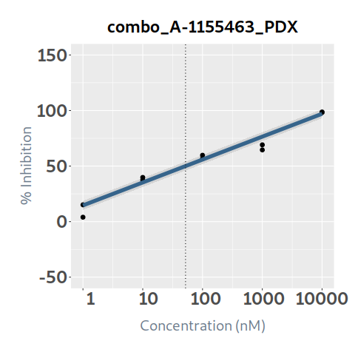 97.059197626 | 0.95985863428 | 11 | 24.186615168 |  |  |  |  | PDX
2 | combo_A-1210477 | 456.43229626 | 3235.5750013 | 1751.3459557 | 2113.2915198 | 22.189657494 | 13.148581447 | 99.509034835 | 5 | 50000 | 20.09139122 | 13.411539768 | 14.983133666 | 25.947498893 | 98.375596798 | 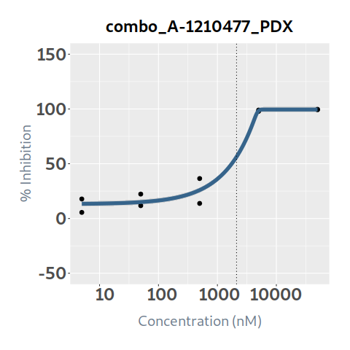 99.509034835 | 0.97520797596 | 10 | 19.593284966 |  |  |  |  | PDX
3 | combo_A-1331852 | 58.514216656 | 1000 | 158.68336748 | 89.871469723 | 4.5586905944 | 3.4505916494 | 64.431980742 | 0.1 | 1000 | 7.869420725 | 3.5693321073 | 4.2285470434 | 8.5475443001 | 36.641438363 | 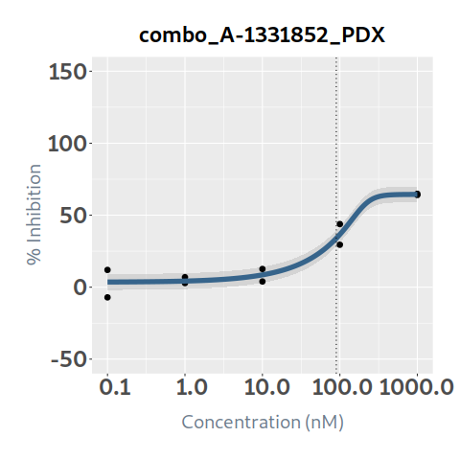 64.423275514 | 0.94482770262 | 10 | 7.4352467045 |  |  |  |  | PDX
4 | combo_Afatinib | 11024.92054 | 1000 | 1000 | 486.85386861 | 1.2948199304 | -3.3739951401 | 25.384808775 | 0.1 | 1000 | 0.21218862 | -3.3739951401 | -3.373995136 | -3.3738727533 | -2.4820849362 | 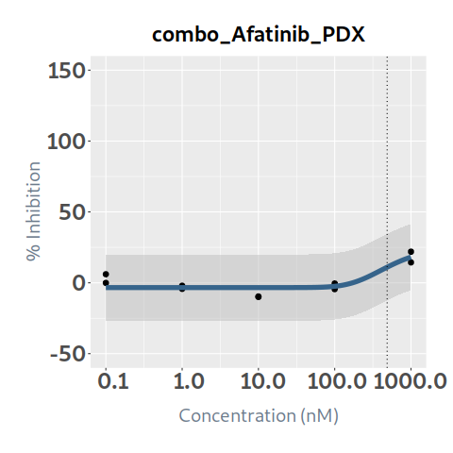 18.154145696 | 0.76616946029 | 10 | 0.16257244046 |  |  |  |  | PDX
5 | combo_Alectinib | 999.99999999 | 999.99999999 | 999.99999999 | 6.287377479 | 1.3988547836 | 6.4049571533 | 13.840606629 | 0.1 | 1000 | 0.98523878 | 6.4049571533 | 6.4063708088 | 11.576919077 | 13.73336814 | 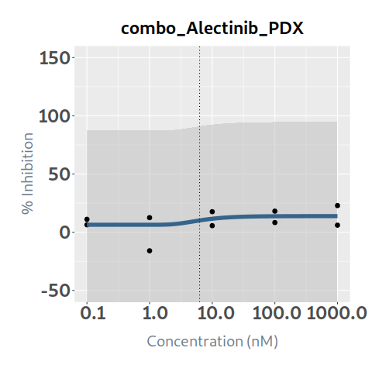 13.836295765 | 0.19087632216 | 10 | 0.18805875478 |  |  |  |  | PDX
6 | combo_AMG-232 | 9.1202773162 | 28.966568649 | 15.442893991 | 15.515929508 | 1.5104033204 | 1.3293044172 | 99.117682736 | 1 | 10000 | 33.440042815 | 1.3313327492 | 29.111814558 | 94.83349852 | 98.981846513 | 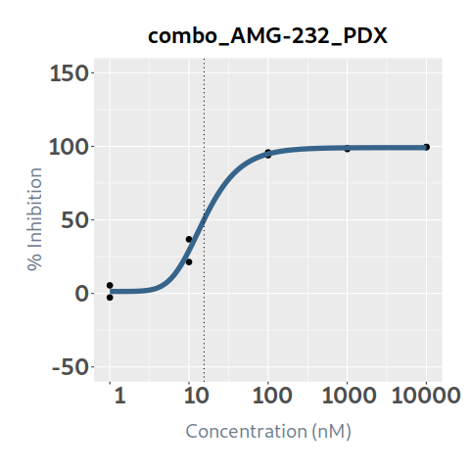 99.113485419 | 0.99094961018 | 10 | 33.137397392 |  |  |  |  | PDX
7 | combo_APR-246 |  |  |  |  | -2.0442919821 | -7.0783189345 | 6.1228384526 | 1 | 10000 | 0 | 5.8373924877 | -5.1862034342 | -7.0783188183 | -7.0783189345 | 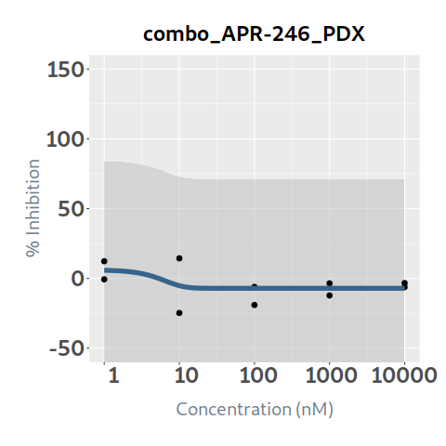 -7.0783189345 | 0.21914041538 | 10 | 0 |  |  |  |  | PDX
8 | combo_Axitinib | 134.23704338 |  | 156.52686892 | 145.99552043 | 9.3513839047 | 2.2464815553 | 74.896134908 | 1 | 10000 | 16.38633693 | 2.2464815553 | 2.2464815562 | 4.2976133432 | 74.896133795 | 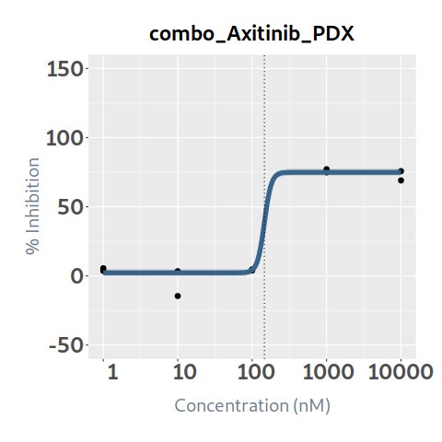 74.896134908 | 0.97445219819 | 10 | 15.967702042 |  |  |  |  | PDX
9 | combo_Bortezomib | 2.8513654123 | 3.8409428484 | 3.267939206 | 3.2788035109 | 5.8248750521 | 1.6484868128 | 99.568537962 | 0.1 | 1000 | 30.56335693 | 1.6484868128 | 1.6484868253 | 99.457631916 | 99.568537795 | 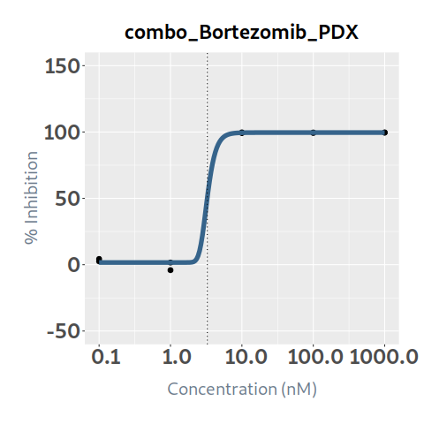 99.568537962 | 0.99822998125 | 10 | 30.509259215 |  |  |  |  | PDX
10 | combo_Busulfan |  |  |  |  | -0.77007475457 | 0.28606640906 | 10.435222158 | 10 | 100000 | 0 | 10.163571867 | 8.9372294943 | 4.2604596822 | 0.33099268007 | 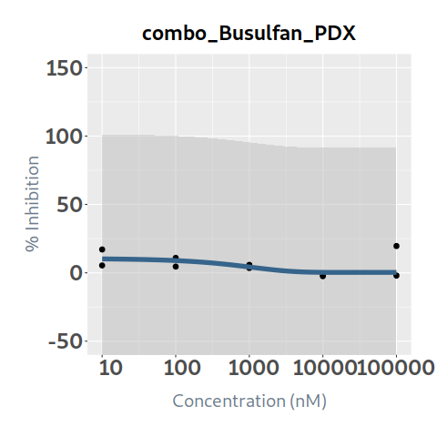 0.28606640907 | 0.088711704445 | 10 | 0 |  |  |  |  | PDX
11 | combo_Cabozantinib |  |  |  |  | -0.87947746738 | -9.5714027662 | 5.4937569651 | 0.1 | 1000 | 0 | 5.4533233228 | 5.1927189198 | 3.4778242879 | -2.6305087326 | 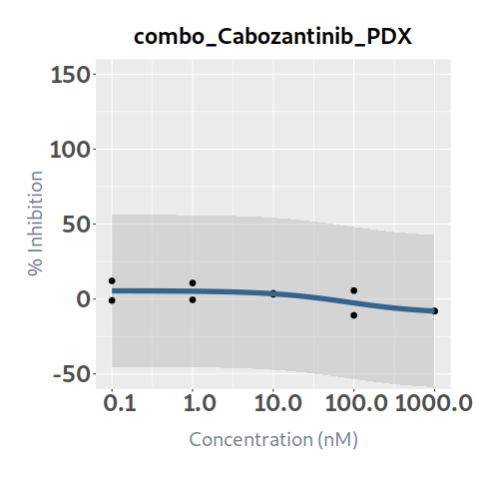 -8.0447994941 | 0.49265948136 | 10 | 0 |  |  |  |  | PDX
12 | combo_Ceritinib | 34.1313492 | 461.8734079 | 128.18013726 | 157.15498655 | 0.49688119654 | -1.7439864483 | 110 | 0.25 | 2500 | 14.524856785 | -1.5982678237 | 1.0109032508 | 20.133680943 | 63.414395116 | 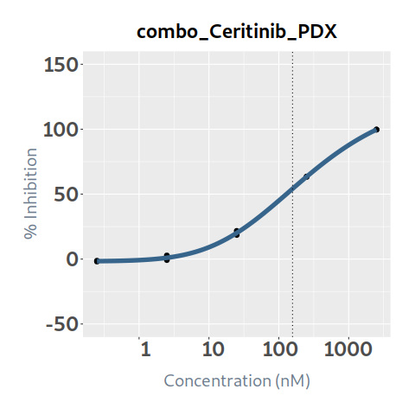 99.704287666 | 0.99926526231 | 11 | 14.514184825 |  |  |  |  | PDX
13 | combo_Chloroquine | 27344.432283 | 65992.986426 | 42105.506308 | 44062.009342 | 1.6872218375 | -4.540262218 | 110 | 10 | 100000 | 4.089277665 | -4.5402622179 | -4.5402621614 | -4.5398102907 | -2.2296082755 | 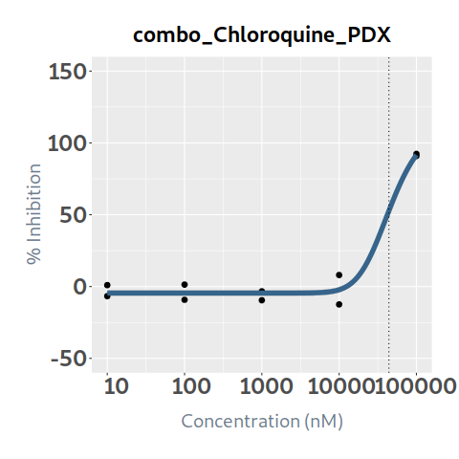 91.608944527 | 0.97796108492 | 11 | 3.9991544218 |  |  |  |  | PDX
14 | combo_Cisplatin | 229.98528986 | 6017.1426189 | 1148.8473498 | 1067.3857176 | 0.63213645244 | -3.7658406059 | 101.31362329 | 10 | 100000 | 21.6322573 | 1.3303098339 | 15.306445607 | 47.686558206 | 80.826099854 | 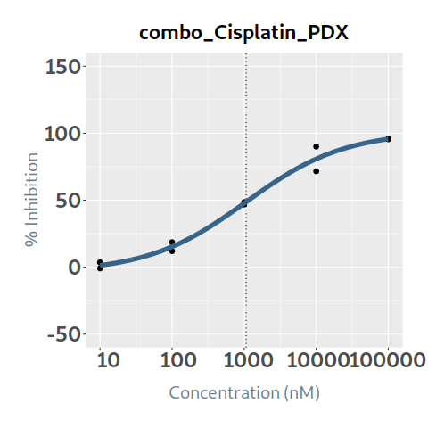 95.700512529 | 0.98486035096 | 10.131362329 | 21.304752517 |  |  |  |  | PDX
15 | combo_Cobimetinib | 221.23909291 | 1000 | 1000 | 116.14422371 | 4.1159451058 | -5.4460842742 | 26.732500241 | 0.1 | 1000 | 1.87732522 | -5.4460842742 | -5.4460842742 | -5.4460842718 | 4.5783479254 | 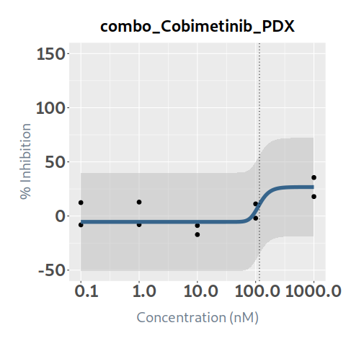 26.728880423 | 0.54560055072 | 10 | 1.0242696739 |  |  |  |  | PDX
16 | combo_Crizotinib | 268.83871188 | 1255.9096314 | 545.50202927 | 577.63734437 | 1.0120040178 | 0.73080439948 | 103.26026921 | 1 | 10000 | 14.126916885 | 0.73080439948 | 0.73081669667 | 3.8794607789 | 69.167851363 | 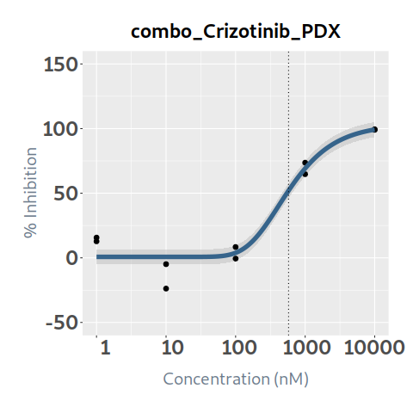 99.227678875 | 0.94165583121 | 10.326026921 | 13.302693662 |  |  |  |  | PDX
17 | combo_Cytarabine | 122.38793526 | 2075.6105083 | 396.0877705 | 334.06131754 | 0.64692000564 | 0.34929879254 | 92.752473456 | 1 | 10000 | 14.4472437 | 0.34929879387 | 0.49666621572 | 20.886806523 | 65.99676903 | 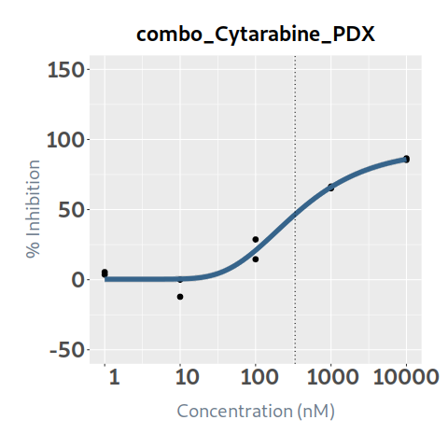 85.885512279 | 0.97663547712 | 10 | 14.109690744 |  |  |  |  | PDX
18 | combo_Dabrafenib | 2580.0735868 | 4098.1348295 | 3344.2127392 | 3464.1420731 | 1.7946888856 | -1.8705657451 | 110 | 0.25 | 2500 | 0.06521351 | -1.8705657451 | -1.8705657451 | -1.8705657451 | -1.8704262147 | 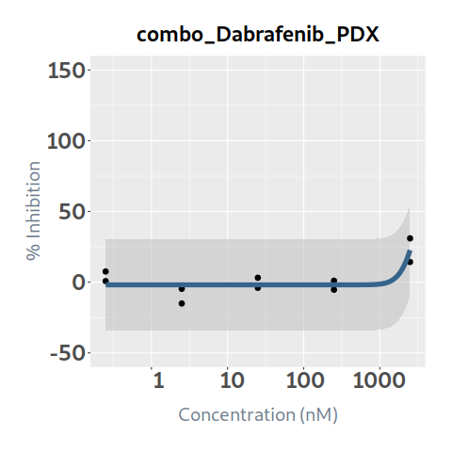 22.620790616 | 0.67682274816 | 11 | 0.044137987055 |  |  |  |  | PDX
19 | combo_Dactinomycin | 0.11098896777 | 0.20838604169 | 0.13142900872 | 0.12118924277 | 8.0938227299 | 0 | 75.932692615 | 0.1 | 1000 | 35.6397163 | 13.234602697 | 75.932689717 | 75.932692615 | 75.932692615 | 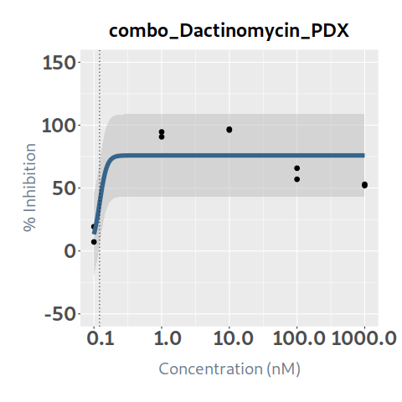 75.932692615 | 0.67224460752 | 10 | 23.958607096 |  |  |  |  | PDX
20 | combo_Dasatinib | 26.301058425 | 999.99721424 | 999.99721424 | 12.869739661 | 6.3438281921 | 6.5756120519 | 25.215927616 | 0.1 | 1000 | 3.90968192 | 6.5756120521 | 6.5756391534 | 10.129328167 | 25.21588187 | 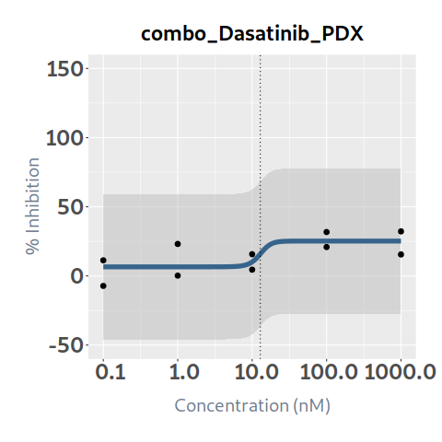 25.215927616 | 0.47536296353 | 10 | 1.8585179839 |  |  |  |  | PDX
21 | combo_Daunorubicin | 7.4758471872 | 10.237662625 | 8.6418365974 | 8.7341765897 | 6.908625228 | 11.205149715 | 92.645410938 | 0.1 | 1000 | 23.83512787 | 11.205149715 | 11.205149715 | 72.400607262 | 92.645407966 | 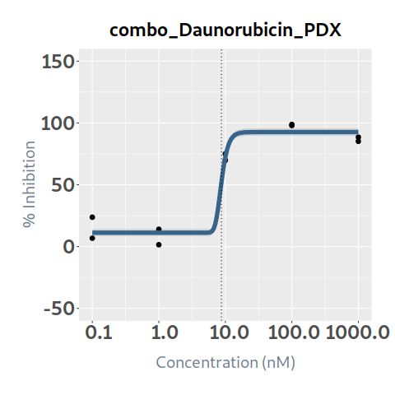 92.645410938 | 0.96977084666 | 10 | 23.114612135 |  |  |  |  | PDX
22 | combo_Decitabine | 145.59922768 | 1205022.4548 | 11702.003032 | 11702.003032 | 0.041273684387 | -10 | 110 | 1 | 10000 | 7.765805635 | -4.6060365194 | 9.2152435164 | 22.807241713 | 36.124619952 | 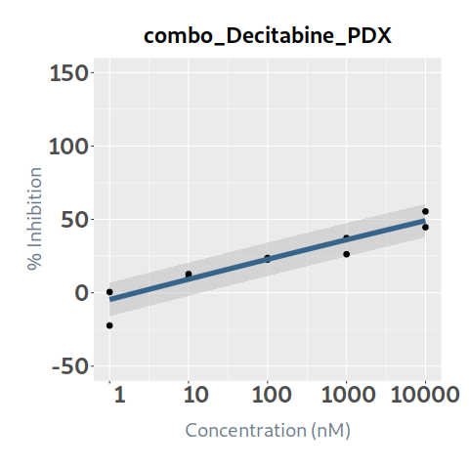 49.125128624 | 0.88644829306 | 11 | 6.8839851494 |  |  |  |  | PDX
23 | combo_Doxorubicin | 9.3451860998 | 12.516100276 | 10.413011013 | 9.8785033056 | 8.1732933326 | -8.1550444762 | 84.708119044 | 0.1 | 1000 | 20.484840185 | -8.1550444762 | -8.1550444762 | 41.125533468 | 84.708118606 | 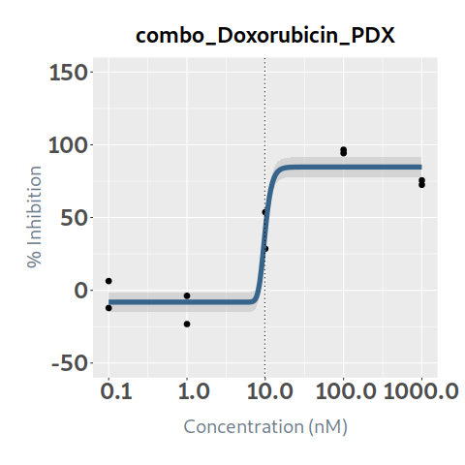 84.708119044 | 0.93253387902 | 10 | 19.102807479 |  |  |  |  | PDX
24 | combo_Entinostat | 608.38000545 | 1057.3932381 | 789.41744364 | 798.96677661 | 3.5123718889 | 4.4074195551 | 97.992846435 | 1 | 10000 | 12.95783596 | 4.4074195551 | 4.4074195551 | 4.4074384316 | 71.083055102 | 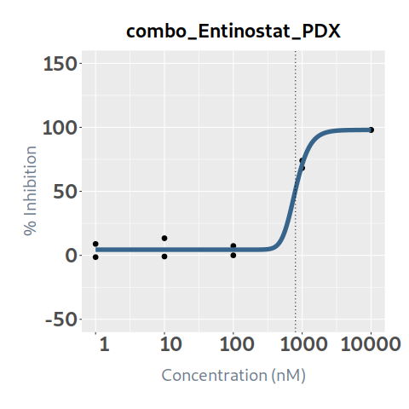 97.982404264 | 0.9872764646 | 10 | 12.792966475 |  |  |  |  | PDX
25 | combo_Entrectinib | 897.16423008 | 1130.3910133 | 1029.7473068 | 1055.8948045 | 3.2560073019 | 2.1390419814 | 110 | 0.1 | 1000 | 0.20743181 | 2.1390419814 | 2.1390419814 | 2.1390419814 | 2.1390421235 | 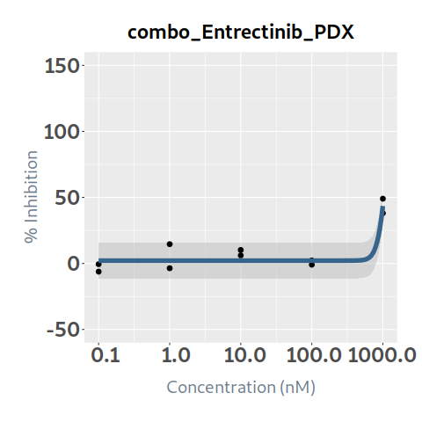 43.518351449 | 0.86508447026 | 11 | 0.17944603747 |  |  |  |  | PDX
26 | combo_Erlotinib | 7789.8318745 | 27492.584207 | 17109.191815 | 19396.149846 | 1.2690177296 | 1.500636469 | 110 | 1 | 10000 | 0.60713891 | 1.504938457 | 1.5401065976 | 1.8627434128 | 4.8182758523 | 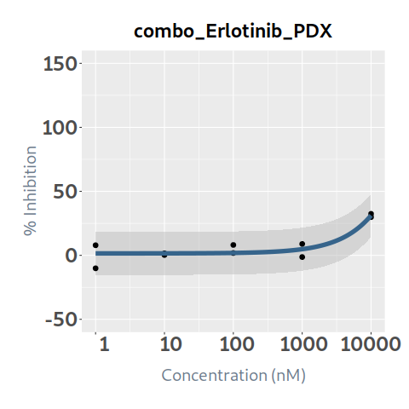 31.170783823 | 0.83190139356 | 11 | 0.50507970531 |  |  |  |  | PDX
27 | combo_Etoposide | 9.4024076668 | 73.19306826 | 28.511632184 | 25.165566268 | 1.6239315448 | -3.0380382052 | 96.364300278 | 1 | 10000 | 29.90405139 | 3.7367596915 | 26.080520615 | 81.448232489 | 95.89286243 | 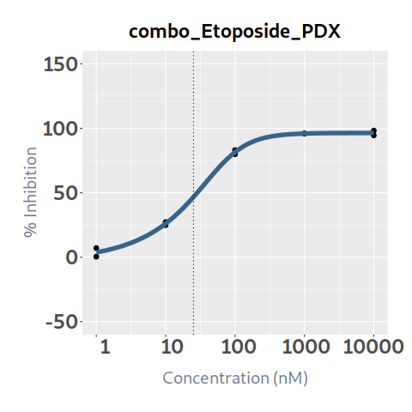 96.353000863 | 0.99753718327 | 10 | 29.830403192 |  |  |  |  | PDX
28 | combo_Everolimus | 118.61032761 | 189.42995273 | 152.68860375 | 159.99416361 | 2.154894989 | 0.62342392536 | 110 | 0.01 | 100 | 0.00361842 | 0.62342392536 | 0.62342392536 | 0.62342392536 | 0.62342400089 | 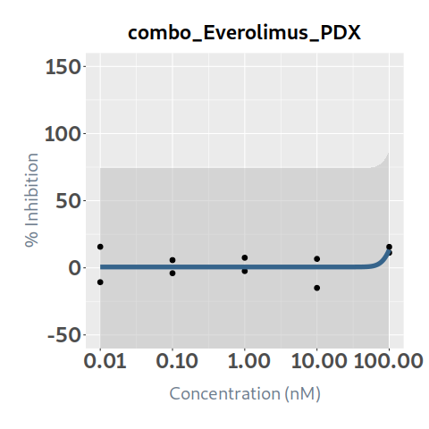 13.405023472 | 0.26433683953 | 11 | 0.0009564817069 |  |  |  |  | PDX
29 | combo_Foretinib | 121.13619593 | 305.60478922 | 174.67213991 | 160.22921294 | 2.7704179036 | 3.5939239743 | 84.786099723 | 0.1 | 1000 | 7.70423896 | 3.5939239743 | 3.5939239743 | 3.5939251998 | 14.658008714 | 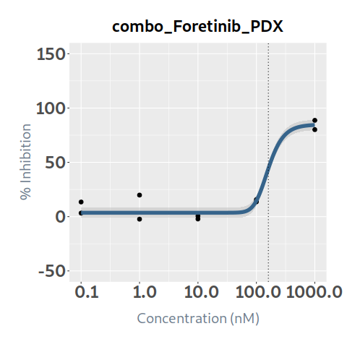 84.387624421 | 0.95215170956 | 10 | 7.3356042966 |  |  |  |  | PDX
30 | combo_Gemcitabine | 3.190399434 | 9.065798913 | 4.8360200643 | 4.1943253035 | 1.7161469969 | -8.0377617889 | 91.877421819 | 0.1 | 1000 | 25.4634406 | -8.0377617889 | -8.0002373649 | 77.412989836 | 91.577311123 | 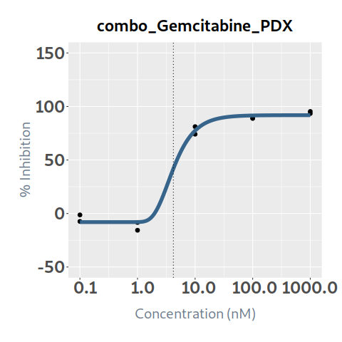 91.871643785 | 0.99289769986 | 10 | 25.282591602 |  |  |  |  | PDX
31 | combo_I-BET151 | 353.13346385 | 53318.628506 | 1360.0904169 | 640.158423 | 0.70009384 | -3.8641821729 | 77.577357019 | 1 | 10000 | 8.828786875 | -3.8641821674 | -3.8547506093 | 3.6704882587 | 45.000948753 |  69.568887261 | 0.99678052407 | 10 | 8.8003628081 |  |  |  |  | PDX
32 | combo_Idasanutlin | 5.2113360766 | 56.854218133 | 19.445333344 | 14.644614072 | 2.5270624423 | -10 | 98.030293881 | 1 | 10000 | 32.513634 | 2.2954745527 | 36.49631338 | 86.991814076 | 97.975432874 | 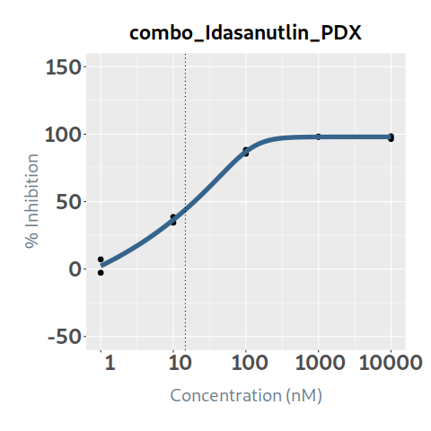 98.030130499 | 0.99565961515 | 10 | 32.372512315 |  |  |  |  | PDX
33 | combo_Imatinib | 10000 | 10000 | 10000 | 8482.2155571 | 2.8446937443 | 0.58113769783 | 15.752747047 | 1 | 10000 | 0.000368005 | 0.58113769783 | 0.58113769783 | 0.58113769783 | 0.5811387017 | 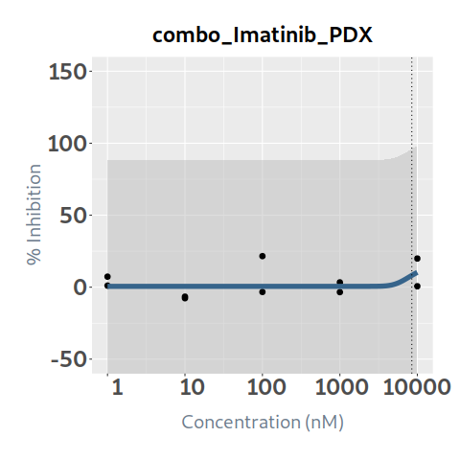 10.26363897 | 0.12161918509 | 10 | 4.4756468208E-05 |  |  |  |  | PDX
34 | combo_Irinotecan | 90.323134355 | 139.43695799 | 114.23849743 | 116.9470857 | 7.2850290059 | 14.8413054 | 91.703442895 | 1 | 10000 | 23.31440079 | 14.8413054 | 14.841306675 | 33.459773655 | 91.703430421 | 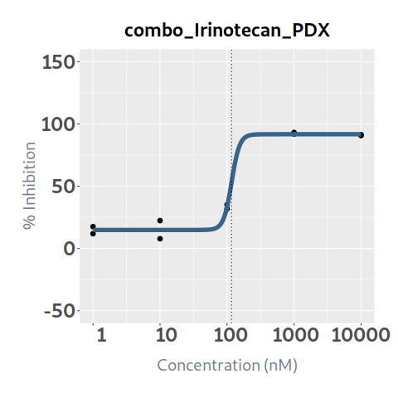 91.703442895 | 0.98958742236 | 10 | 23.071637782 |  |  |  |  | PDX
35 | combo_Lapatinib | 1000 | 1000 | 1000 | 115.61303836 | 2.4337090542 | 2.4232301701 | 13.232021258 | 0.1 | 1000 | 0.273411745 | 2.4232301701 | 2.4232301701 | 2.4232440434 | 6.631340623 | 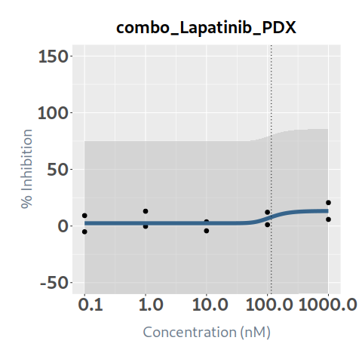 13.187797207 | 0.2762526064 | 10 | 0.075530707176 |  |  |  |  | PDX
36 | combo_Larotrectinib |  |  |  | 0.27818607417 | 18.419557403 | -8.8891386856 | 1.4571088978 | 0.1 | 1000 | 0 | -7.3193575579 | 1.4571067199 | 1.4571088978 | 1.4571088978 | 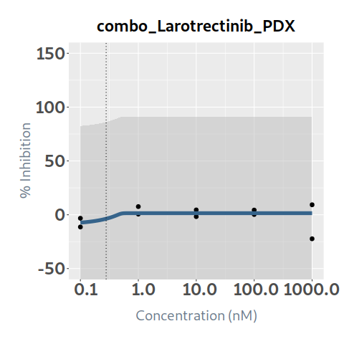 1.4571088978 | 0.10172876854 | 10 | 0 |  |  |  |  | PDX
37 | combo_Lorlatinib | 257756.95748 | 1612427630.8 | 31861399.533 | 43971490.05 | 0.094465978385 | -6.1350519534 | 110 | 1 | 10000 | 0.038407515 | -2.9161673725 | -0.8511331119 | 2.2631349327 | 6.7577054889 | 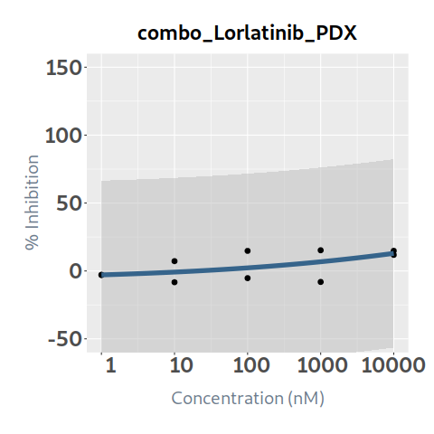 12.94841282 | 0.30618638029 | 11 | 0.011759857994 |  |  |  |  | PDX
38 | combo_Melphalan |  |  |  |  | -9.1397762858 | 0 | 8.7966457487 | 1 | 10000 | 0 | 8.796645748 | 7.9453656172 | 5.950893849E-08 | 4.3132628081E-17 | 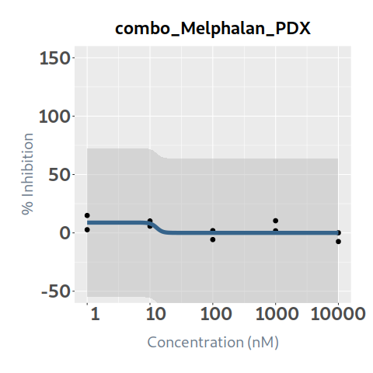 3.1262926878E-26 | 0.36248438102 | 10 | 0 |  |  |  |  | PDX
39 | combo_Mercaptopurine | 776.7979823 | 10000 | 222526.01975 | 1079.8177356 | 0.48326235867 | 2.9951359654 | 52.560402253 | 1 | 10000 | 4.56743833 | 2.9951368815 | 3.0788691981 | 8.6825143184 | 27.140088738 | 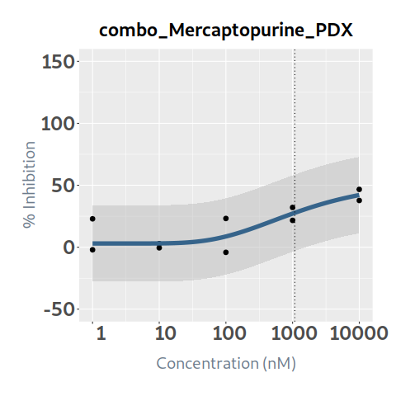 42.093241777 | 0.69178812339 | 10 | 3.159699591 |  |  |  |  | PDX
40 | combo_Merestinib |  |  |  |  | -5.9349887794 | -10 | 3.0288794366 | 0.1 | 1000 | 0 | 3.0288794366 | 3.0288794366 | 3.0288794366 | 3.0288504632 | 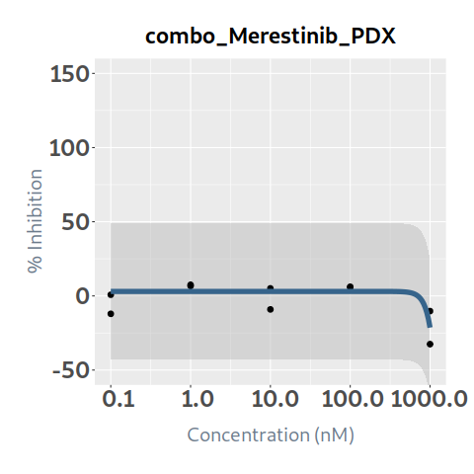 -21.382940276 | 0.54056551228 | 10 | 0 |  |  |  |  | PDX
41 | combo_Methotrexate | 4961.7930831 | 4961.7930831 | 4961.7930831 | 54.414911391 | 7.5904313785 | 0.52853908326 | 24.370427285 | 0.5 | 5000 | 3.802449665 | 0.52853908326 | 0.52853908326 | 7.8382729592 | 24.370426351 | 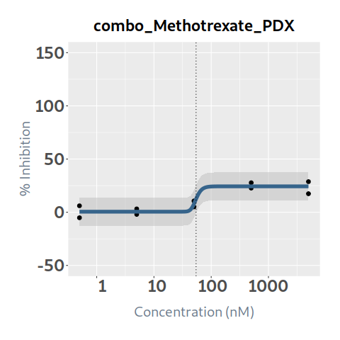 24.370427285 | 0.86894572929 | 10 | 3.3041223973 |  |  |  |  | PDX
42 | combo_Mitoxantrone | 1.4933741692 | 1.8276585329 | 1.6463352378 | 1.6781232071 | 9.9860791059 | 13.888550792 | 96.734501596 | 0.1 | 1000 | 33.999158095 | 13.888550792 | 13.888550926 | 96.734500498 | 96.734501596 | 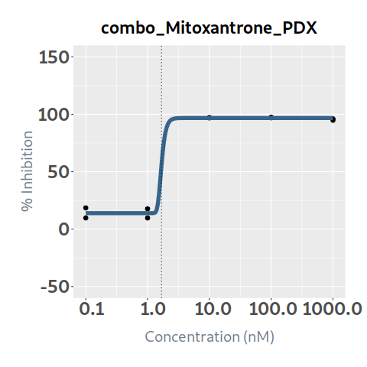 96.734501596 | 0.99543501043 | 10 | 33.843952293 |  |  |  |  | PDX
43 | combo_Navitoclax | 8.4925013642 | 32.747973699 | 16.667746665 | 18.146035743 | 1.5920679114 | 8.3085404687 | 98.722276904 | 1 | 10000 | 33.20251374 | 8.4060798734 | 30.11574347 | 93.855108733 | 98.592383976 | 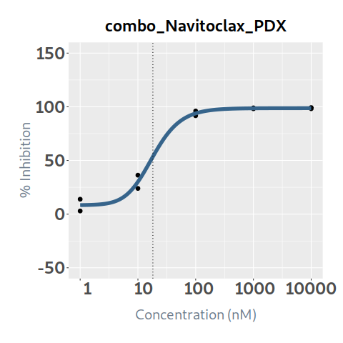 98.718950338 | 0.99033765539 | 10 | 32.88169961 |  |  |  |  | PDX
44 | combo_Nilotinib | 644.45275661 | 7107.7606083 | 2669.5904826 | 3369.3736019 | 0.2071445721 | 0.69415869082 | 110 | 1 | 10000 | 7.230395835 | 0.8410891844 | 1.9912393608 | 8.4103964953 | 31.39356929 | 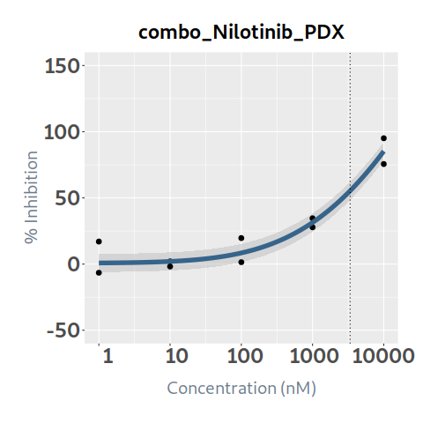 85.256727681 | 0.93115829105 | 11 | 6.7326430293 |  |  |  |  | PDX
45 | combo_Olaparib | 877.30534659 | 7167.19464 | 3269.8110714 | 3839.714404 | 1.3190838393 | -1.2953628263 | 110 | 1 | 10000 | 6.438894415 | -0.45794662 | 1.4060426666 | 7.4189560301 | 26.8092842 | 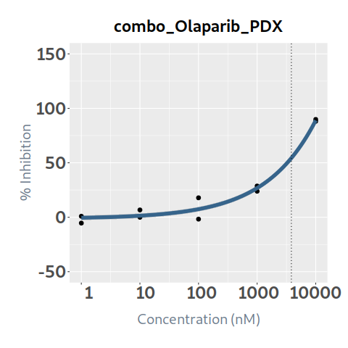 88.918596673 | 0.97707964697 | 11 | 6.2913126819 |  |  |  |  | PDX
46 | combo_Paclitaxel | 0.67455830423 | 1.1098815203 | 0.83226288089 | 0.79103716453 | 6.4514483401 | 4.2596005344 | 82.957748558 | 0.1 | 1000 | 31.238410015 | 4.2597268023 | 68.744844367 | 82.957742424 | 82.957748558 | 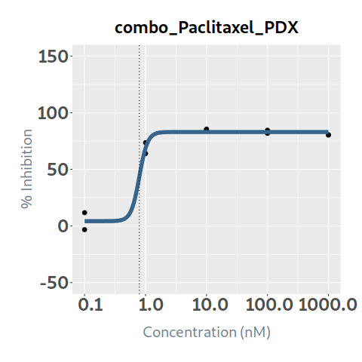 82.957748558 | 0.98047171345 | 10 | 30.628377393 |  |  |  |  | PDX
47 | combo_Palbociclib | 431.31949054 | 9999.9965575 | 1193.5852227 | 361.80162876 | 10.44169101 | -10 | 53.479265508 | 1 | 10000 | 7.60678975 | -9.8217684924 | -6.4150337519 | 5.3094544286 | 45.431100764 | 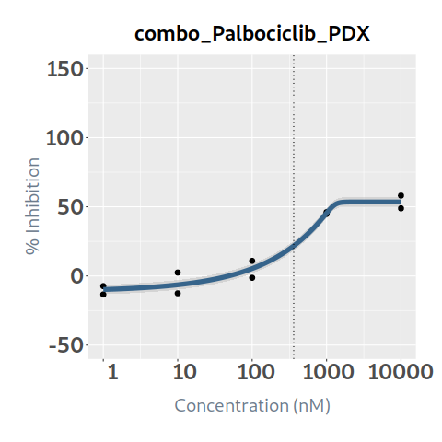 53.479265507 | 0.96518462119 | 10 | 7.3419564834 |  |  |  |  | PDX
48 | combo_Panobinostat | 14.436075489 | 35.05191332 | 21.577586104 | 21.420654549 | 1.9329812007 | -0.30359127833 | 99.403137415 | 0.1 | 1000 | 19.602383055 | -0.30359127833 | -0.30359012342 | 8.3468510179 | 95.680998103 | 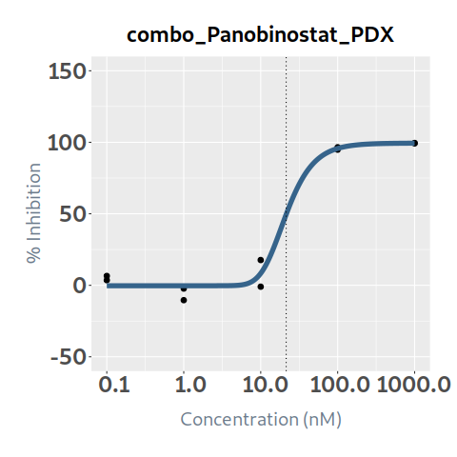 99.358692984 | 0.98457176254 | 10 | 19.299952834 |  |  |  |  | PDX
49 | combo_Pazopanib |  |  |  |  | -0.862675998 | -3.7701111478 | 110 | 1 | 10000 | 0 | 10.467995077 | -3.7701101378 | -3.7701111478 | -3.7701111478 | 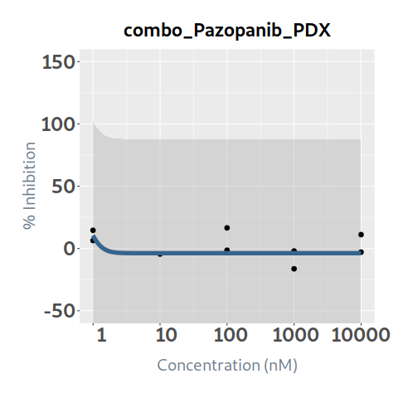 -3.7701111478 | 0.083838104217 | 11 | 0 |  |  |  |  | PDX
50 | combo_Ponatinib | 81.358768756 | 1000 | 135.03652071 | 92.243667456 | 3.7347740358 | 6.5916041579 | 58.701426447 | 0.1 | 1000 | 6.751198165 | 6.5916041579 | 6.5916041579 | 6.5916042362 | 37.325065255 | 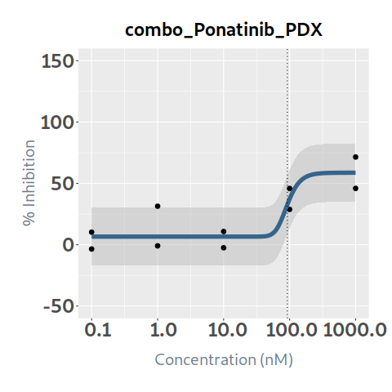 58.695870283 | 0.76283815475 | 10 | 5.1500715505 |  |  |  |  | PDX
51 | combo_Rapamycin (Sirolimus) |  |  |  | 1.0849336106 | 8.9485612433 | -1.9023645135 | 22.754354166 | 0.01 | 100 | 3.376774475 | -1.9023645135 | -1.9023645135 | 4.8293445598 | 22.754354121 | 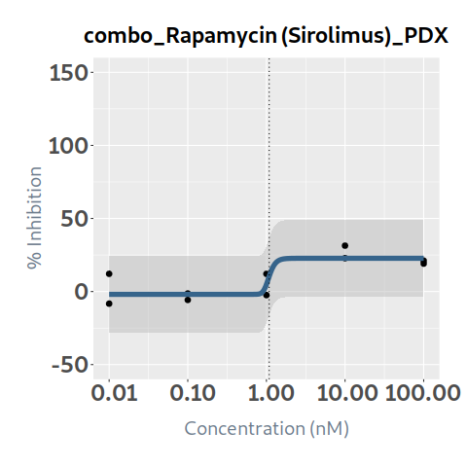 22.754354166 | 0.73666001718 | 10 | 2.4875347428 |  |  |  |  | PDX
52 | combo_Ribociclib | 169.3010031 | 9997.505829 | 9997.505829 | 138.34504738 | 7.2036724002 | 0.42274468565 | 30.7385311 | 1 | 10000 | 5.19632003 | 0.42274468565 | 0.42274486869 | 3.090850171 | 30.738511446 |  30.7385311 | 0.75511228904 | 10 | 3.9238051124 |  |  |  |  | PDX
53 | combo_Ruxolitinib | 14498109170 | 3.3246383127E+20 | 3.554341147E+16 | 2.9069983242E+17 | 0.051028182514 | 0 | 110 | 1 | 10000 | 0.10945034 | 7.8663413957 | 8.828744313 | 9.9063771482 | 11.11238761 |  12.46125696 | 0 | 11 | 0 |  |  |  |  | PDX
54 | combo_Selinexor | 8.8225488054 | 32.033653754 | 15.771342729 | 15.465733667 | 1.3919951692 | 0.73369503759 | 97.591565423 | 1 | 10000 | 32.72285853 | 0.74505616167 | 30.132552424 | 92.325563321 | 97.370777189 |  97.582599923 | 0.99694321396 | 10 | 32.622831753 |  |  |  |  | PDX
55 | combo_Selitrectinib | 999.99999998 | 999.99999998 | 999.99999998 | 0.12794160083 | 0.73000161571 | -10 | 7.6833572237 | 0.1 | 1000 | 0 | -2.8922060445 | 5.7062293997 | 7.3149258809 | 7.6147428338 |  7.6705803439 | 0.49832691898 | 10 | 0 |  |  |  |  | PDX
56 | combo_Selumetinib | 1274.9834676 | 10000 | 10000 | 1211.7965685 | 3.2836079664 | 5.8032595628 | 40.735804148 | 1 | 10000 | 3.668444835 | 5.8032595628 | 5.8032595628 | 5.8032608014 | 16.620522257 |  40.708398727 | 0.80981378679 | 10 | 2.9707572035 |  |  |  |  | PDX
57 | combo_Sorafenib | 251.70687938 | 1000 | 1000 | 141.18364092 | 2.8857803619 | -5.6223064009 | 29.822847681 | 0.1 | 1000 | 1.88098588 | -5.6223064009 | -5.6223064009 | -5.6223032034 | 1.8494352706 |  29.723368833 | 0.89555449737 | 10 | 1.6845253643 |  |  |  |  | PDX
58 | combo_Staurosporine | 23.705009912 | 260.48555822 | 75.995172099 | 81.082867811 | 0.4482953845 | -7.1868120042 | 110 | 0.1 | 1000 | 12.24258489 | -7.1864932096 | -6.6074358588 | 9.6061823246 | 55.914265486 |  95.795490556 | 0.95570282065 | 11 | 11.700272911 |  |  |  |  | PDX
59 | combo_Sunitinib |  |  |  |  | -7.0548819945 | -10 | -4.0405752715 | 0.1 | 1000 | 0 | -4.0405752715 | -4.0405752715 | -4.0405762155 | -10.766548827 |  -22.117024199 | 0.61081917953 | 10 | 0 |  |  |  |  | PDX
60 | combo_Talazoparib | 1.9164248778 | 17.387246628 | 4.7870178722 | 4.3790883272 | 0.88842472862 | 4.2569768428 | 91.078344623 | 0.1 | 1000 | 24.715411555 | 4.25698336 | 11.253282691 | 66.409623403 | 87.393583147 |  90.592669658 | 0.99208371973 | 10 | 24.51975743 |  |  |  |  | PDX
61 | combo_Tazemetostat | 9999.9999996 | 9999.9999996 | 9999.9999996 | 493.58470357 | 4.2127048527 | -5.5288705918 | 8.1315140633 | 1 | 10000 | 0 | -5.5288705918 | -5.5288705918 | -5.5288705594 | 7.6148495819 |  8.1314816295 | 0.38301913564 | 10 | 0 |  |  |  |  | PDX
62 | combo_Temozolomide | 67054.155171 | 100000 | 100000 | 50398.0967 | 1.2126537153 | -2.4401889954 | 43.164782023 | 10 | 100000 | 0.840118825 | -2.4401889944 | -2.4401872396 | -2.4371033721 | -0.25566431707 |  30.543479262 | 0.79935189606 | 10 | 0.67155057568 |  |  |  |  | PDX
63 | combo_Temsirolimus | 2545057.4157 | 100 | 100 | 3.4401682786 | 0.50623934152 | -2.9031288566 | 25.020718324 | 0.01 | 100 | 1.503814855 | -2.9030560504 | -2.4468544085 | 4.7584158353 | 15.736327025 |  21.712479301 | 0.74465850128 | 10 | 1.1198285161 |  |  |  |  | PDX
64 | combo_Thioguanine | 233.08435317 | 1852.5233842 | 583.10285433 | 548.74290787 | 0.7317404168 | -4.9308968969 | 101.74312065 | 1 | 10000 | 13.18285838 | -4.9308968962 | -4.9222624426 | 6.0040561554 | 63.046266085 |  93.085351684 | 0.9539539996 | 10.174312065 | 12.575840478 |  |  |  |  | PDX
65 | combo_Thiotepa |  |  |  | 336.64343419 | 8.2010549944 | -2.1549954268 | 7.3123692368 | 5 | 50000 | 0 | -2.1549954268 | -2.1549954267 | 7.0050926995 | 7.3123692348 |  7.3123692368 | 0.30195009614 | 10 | 0 |  |  |  |  | PDX
66 | combo_Topotecan | 5.6062440437 | 23.204622182 | 10.457299849 | 9.4830986668 | 1.4194673898 | -1.0601928288 | 93.24601342 | 1 | 10000 | 33.440688045 | -0.63388540526 | 48.226607984 | 90.634139647 | 93.144689558 |  93.242153665 | 0.99242129041 | 10 | 33.187250782 |  |  |  |  | PDX
67 | combo_Trametinib | 148.46811753 |  |  | 134.65725009 | 26.359478549 | 4.7572865236 | 26.543602999 | 0.25 | 2500 | 2.886849285 | 4.7572865236 | 4.7572865236 | 4.7572865236 | 26.5436012 |  26.543602999 | 0.72095410099 | 10 | 2.081285831 |  |  |  |  | PDX
68 | combo_Valproic acid |  |  |  |  | -14.869930323 | -3.5811693942 | 0 | 100 | 1000000 | 0 | -1E-37 | -9.7158536834E-23 | -7.201306247E-08 | -3.581169154 |  -3.5811693942 | 0.042666922571 | 10 | 0 |  |  |  |  | PDX
69 | combo_Vandetanib | #NUM! | #NUM! | #NUM! | 0.13682774347 | 8.3633285856 | -10 | 7.0515596285 | 0.1 | 1000 | 0 | -5.1511965454 | 7.0515262882 | 7.0515596285 | 7.0515596285 |  7.0515596285 | 0.18674020762 | 10 | 0 |  |  |  |  | PDX
70 | combo_Vemurafenib | 9262.1495306 | 39184.339823 | 17939.885351 | 17135.975451 | 1.2449403879 | -2.6247233348 | 99.13743727 | 1 | 10000 | 0.294298325 | -2.6247233346 | -2.6247230932 | -2.6244676947 | -2.3992482825 |  27.712102716 | 0.66782117696 | 10 | 0.19653865378 |  |  |  |  | PDX
71 | combo_Venetoclax | 12.914412467 | 1317.2434969 | 199.71973447 | 199.71973447 | 0.26086669571 | -10 | 110 | 0.1 | 1000 | 10.022848775 | 1.2283187716 | 10.068665969 | 23.198298164 | 42.57775404 |  70.866415831 | 0.84688022648 | 11 | 8.4881524405 |  |  |  |  | PDX
72 | combo_Vinblastine | 3.283338756 | 7.6619593791 | 5.109530779 | 4.2816212418 | 5.1688719306 | -10 | 87.615149077 | 0.1 | 1000 | 24.820707245 | -10.070181143 | -2.7245885999 | 83.526311995 | 87.615118194 |  87.615149077 | 0.98366928561 | 10 | 24.415367364 |  |  |  |  | PDX
73 | combo_Vincristine | 5.8891407249 | 7.9275974932 | 6.724196874 | 6.5602198541 | 9.9978972185 | 4.385421136 | 85.637395248 | 0.1 | 1000 | 22.81051448 | 4.385421136 | 4.3854216886 | 84.454265208 | 85.637395248 |  85.637395248 | 0.97168168222 | 10 | 22.164559082 |  |  |  |  | PDX
74 | combo_Vinorelbine | 0.75019133697 | 2.6034874566 | 1.2994732571 | 1.1338794192 | 2.2004553331 | 0 | 87.042646433 | 1 | 10000 | 40.794549555 | 37.543056909 | 86.325257758 | 87.038087422 | 87.042617696 |  87.042646252 | 0.98098134469 | 10 | 40.018692078 |  |  |  |  | PDX
75 | combo_Vismodegib |  |  |  |  | -1.7069377547 | -2.980228555 | 13.267408668 | 1 | 10000 | 0 | 3.396137201 | -2.9802241995 | -2.980228555 | -2.980228555 |  -2.980228555 | 0.12001150228 | 10 | 0 |  |  |  |  | PDX
76 | combo_Volasertib | 17.818111248 | 237.69324921 | 40.697767792 | 27.863956359 | 1.1120197212 | -1.7971076106 | 80.213272757 | 0.1 | 1000 | 13.38774106 | -1.7971076106 | -1.7970652149 | 8.8541901976 | 67.30722307 |  79.128076241 | 0.93324537513 | 10 | 12.494047428 |  |  |  |  | PDX
77 | combo_Vorinostat | 507.75853582 | 832.24188309 | 640.90862723 | 648.04803906 | 3.9378619685 | 4.5630460948 | 97.911887782 | 1 | 10000 | 14.109791795 | 4.5630460948 | 4.5630460948 | 4.5630612936 | 85.668395392 |  97.910330376 | 0.98304137221 | 10 | 13.870509088 |  |  |  |  | PDX

