sheet 1
Drug.Name | dPI1 | dPI2 | dPI3 | dPI4 | dPI5 | dcDSS_asym
A-1155463 | 5.692900002 | 7.9021836277 | 8.1420189628 | 6.3468309293 | 2.4872765636 | 3.796235075 | 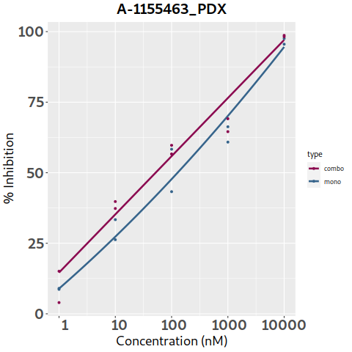
A-1210477 | 11.55383347 | 13.125378362 | 3.1042758657 | 0.12464040939 | -0.31099091096 | -1.499154065 | 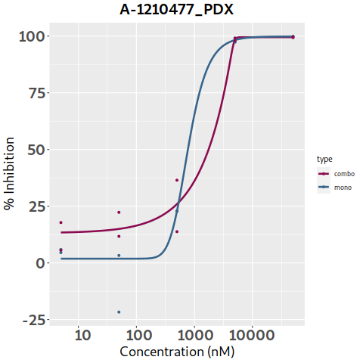
A-1331852 | 9.9765225029 | 9.898059946 | 2.423831442 | 3.8456211079 | 9.5385329297 | 1.74125265 | 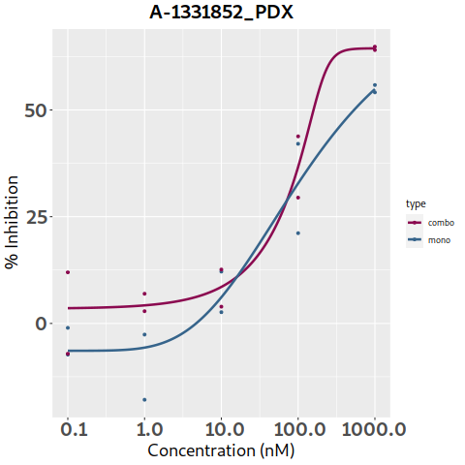
Afatinib | -0.44314533797 | -3.3739574327 | -3.3738727528 | -2.4820849362 | 18.154145696 | 0.21218862 | 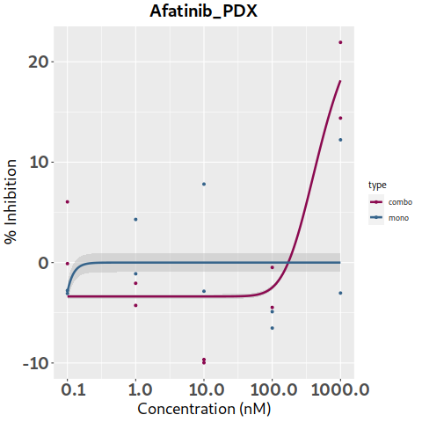
Alectinib | 6.2691502472 | 6.2705639026 | 11.44111217 | 13.597543353 | 3.4700048291 | 0.98523878 | 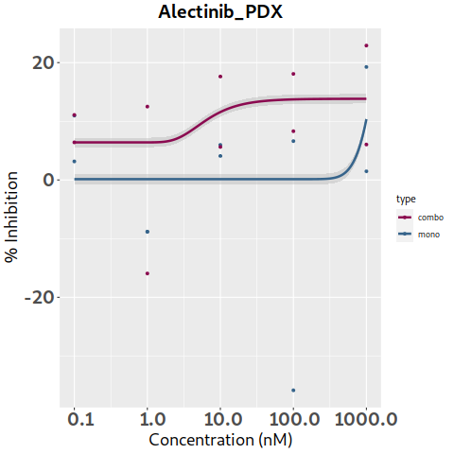
AMG-232 | -3.0200270639 | 15.354565048 | 6.6830840337 | 1.2461915156 | 0.89077943398 | 2.931623265 | 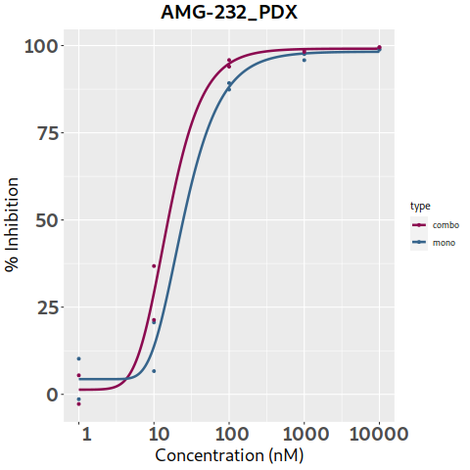
APR-246 | 5.4382329417 | -5.5853629803 | -7.4774783634 | -0.61712025551 | -0.61712025551 | 0 | 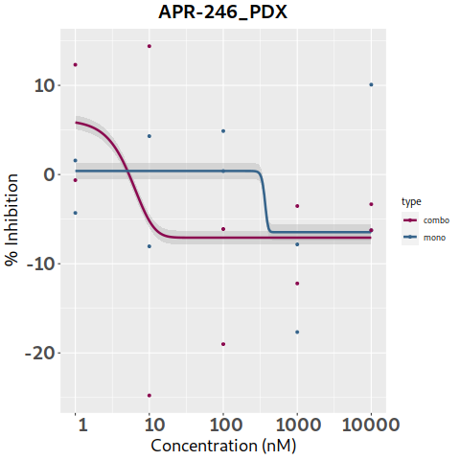
Axitinib | 9.1464694971 | 9.1274793771 | 7.7924994293 | 0.90107413986 | -10.435573975 | 3.15151473 | 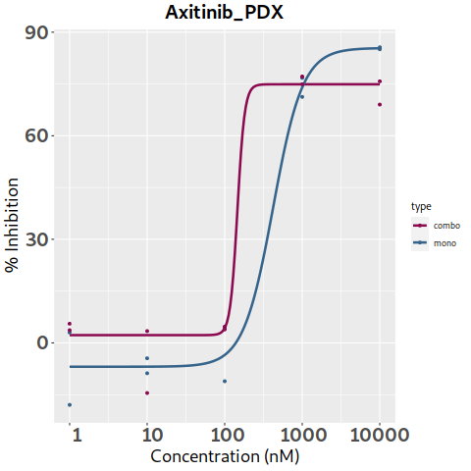
Bortezomib | 5.1720666219 | 5.1720649647 | 0.90091297974 | 0.1055267653 | 0.10551810918 | 1.391808105 | 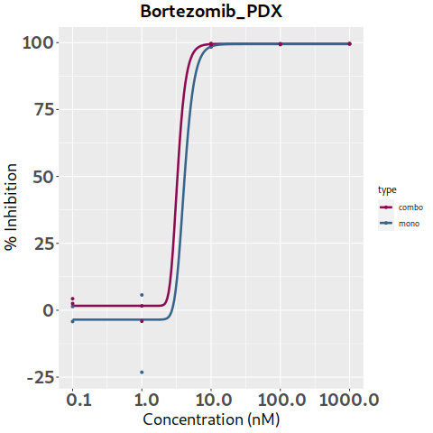
Busulfan | 7.4642699054 | 6.2379275326 | 1.5611605433 | 6.2537004382 | 129.93121622 | 0 | 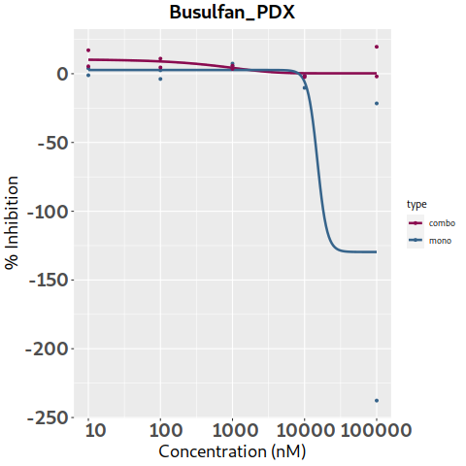
Cabozantinib | 16.188304231 | 13.746979309 | 9.8297409931 | 1.4996429607 | -6.1535700895 | 0 | 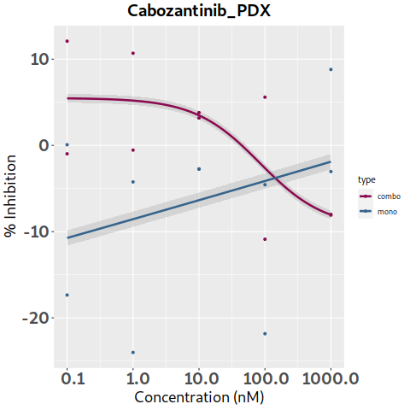
Ceritinib | 1.9168309483 | 3.8908021096 | 11.688343462 | 13.529009097 | -0.062860961127 | 3.19520631 | 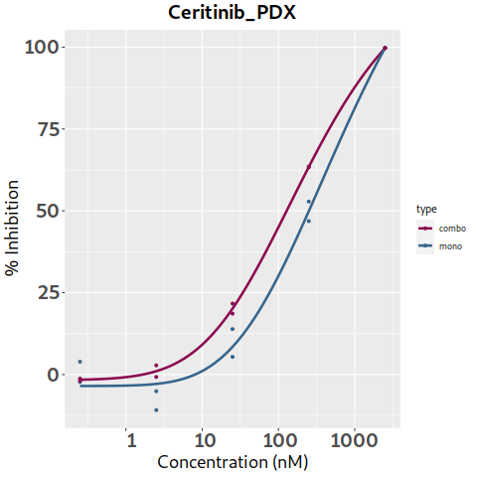
Chloroquine | 8.171306037 | 8.1713060934 | 8.1717050218 | -3.1125621895 | 7.1593701088 | -4.179784315 | 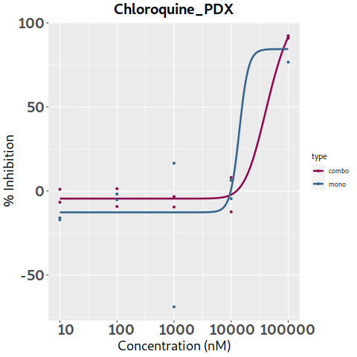
Cisplatin | 3.7243439609 | -1.540513912 | 8.8926143885 | 17.191277416 | 4.1939999616 | 4.25719216 | 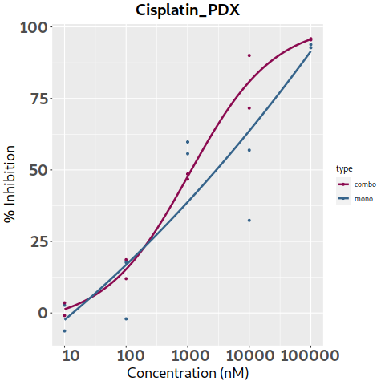
Cobimetinib | -1.4934435521 | -1.7961450067 | -4.577575852 | -19.951329319 | -5.7794101115 | -1.45081968 | 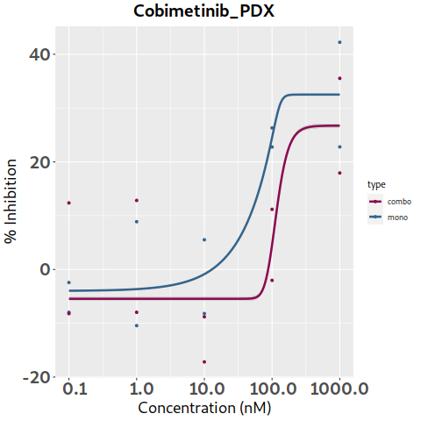
Crizotinib | -2.1297350728 | -2.1365992672 | -10.526754946 | -3.8212288165 | -0.34590044735 | -1.50937094 | 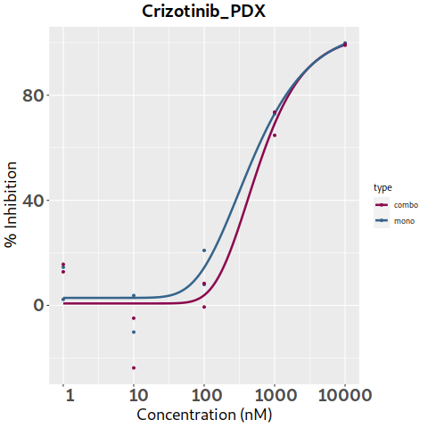
Cytarabine | 2.3832270094 | 2.5305387677 | 9.9793667419 | -4.5107937578 | 5.3967045746 | 0.245125065 | 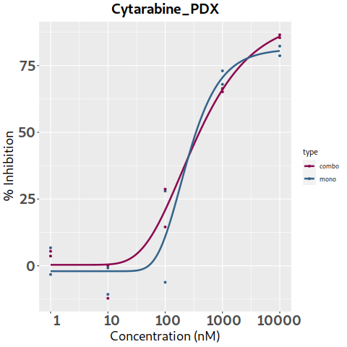
Dabrafenib | -2.3578348714 | -2.4018225328 | -2.4458112859 | -2.4896603285 | 21.957569382 | 0.06521351 | 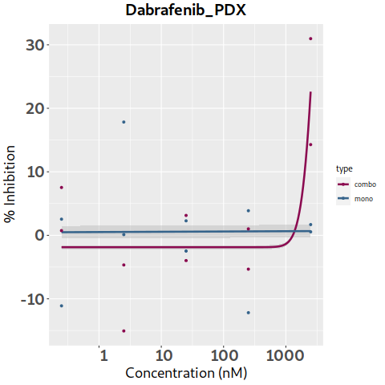
Dactinomycin | 9.3161519543 | -1.1372639887 | -1.1372612081 | -1.1372612081 | -1.1372612081 | -0.269648045 | 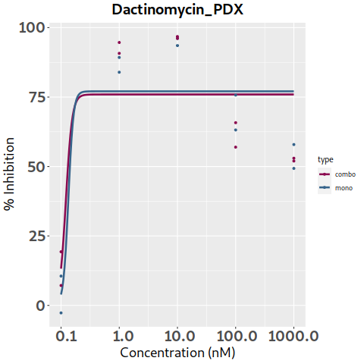
Dasatinib | 9.9157214131 | 9.9148810568 | 13.050875437 | 20.104924085 | 7.8419889875 | 3.547022475 | 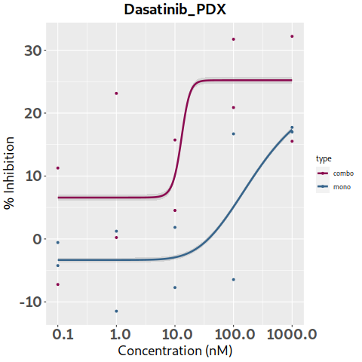
Daunorubicin | 12.527260357 | -3.2389299821 | 14.757588324 | -0.32159202153 | -0.32183373896 | -1.226524765 | 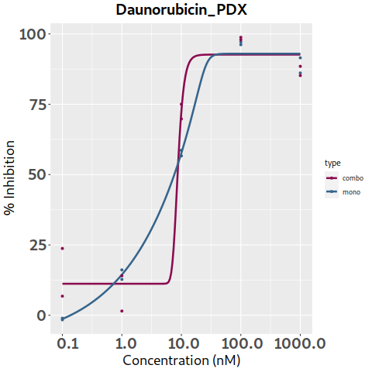
Decitabine | -5.7837859979 | 7.98120627 | 20.308188221 | 5.8465265442 | 4.1421044651 | 2.67976779 | 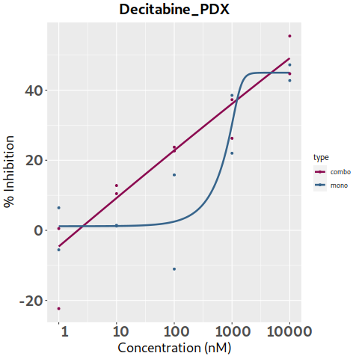
Doxorubicin | -4.3985677441 | -4.3985677499 | 2.5182209162 | 1.2124303769 | 1.212430809 | 0.321407855 | 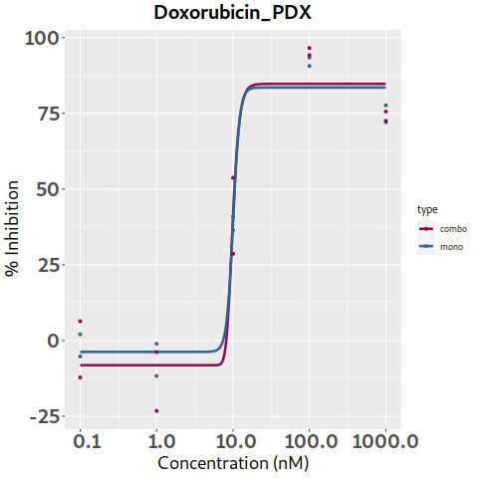
Entinostat | 12.193617718 | 12.193617718 | 12.193627565 | 8.3835577604 | 14.962233875 | 2.23765251 | 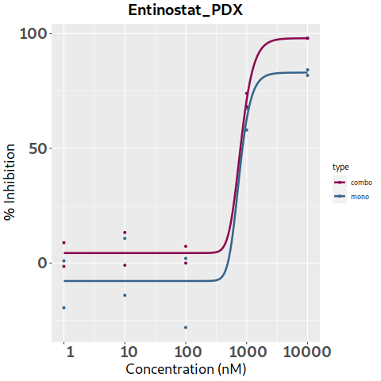
Entrectinib | 5.6464340872 | 4.5089206864 | 1.1222950987 | -8.7081549938 | 5.5709548509 | -1.368566435 | 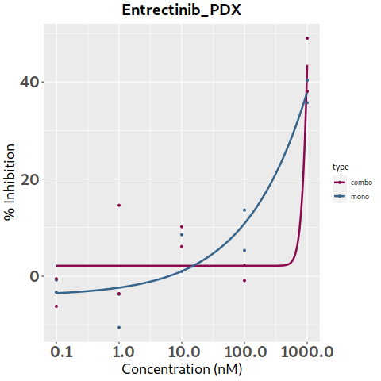
Erlotinib | 6.5092079767 | 14.697592859 | 15.020229757 | 17.975762196 | 44.328270166 | 0.60713891 | 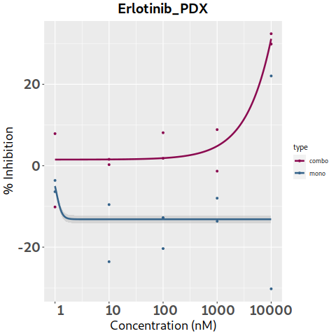
Etoposide | 7.1914454623 | 23.201240385 | 7.6652158878 | 2.0925169614 | 0.50775513006 | 3.286572005 | 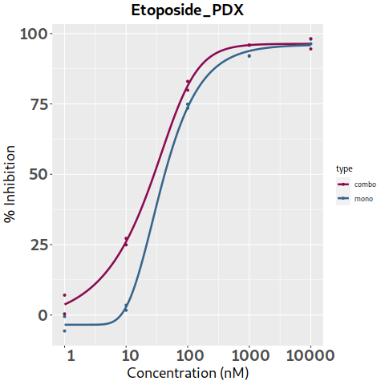
Everolimus | 0.62342392536 | 0.62342392175 | -9.1290069785 | -9.1290069029 | 3.6525925681 | 0.00361842 | 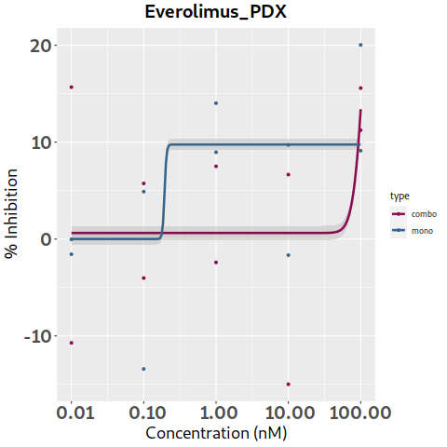
Foretinib | 6.0589922765 | 6.0589922765 | 6.0589934976 | -14.471014232 | -2.3736296803 | -1.867727135 | 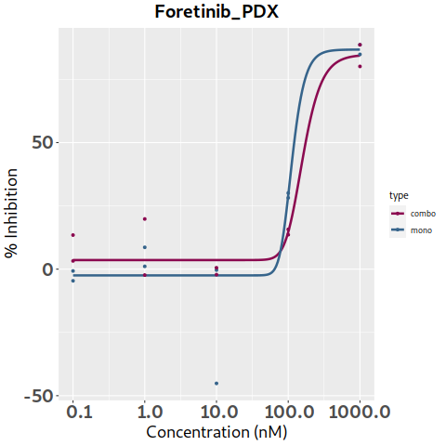
Gemcitabine | -6.7833526004 | -6.8684456484 | 2.0695780908 | 4.589769414 | 4.6161408148 | 0.8816217 | 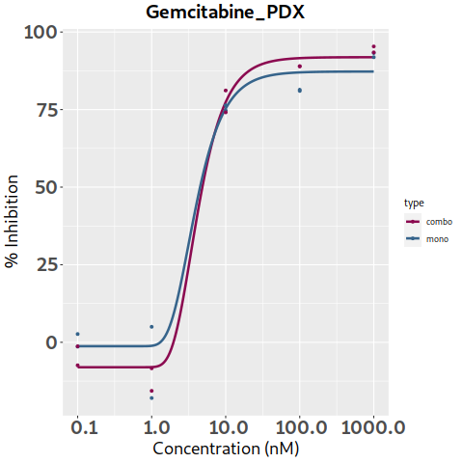
I-BET151 | 0.10504579226 | -0.046494569901 | -0.69831432978 | 8.7383279966 | 1.5307915386 | 1.48664662 | 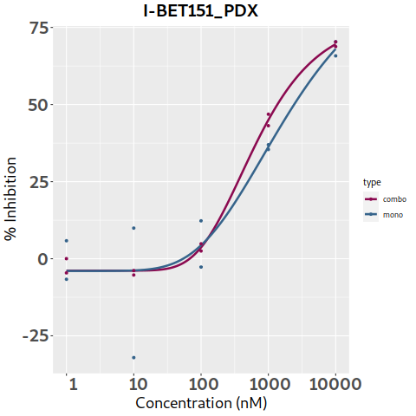
Idasanutlin | 4.9302776354 | -0.41432744054 | 6.7488236513 | 2.2938803606 | 1.7339750685 | 1.29355376 | 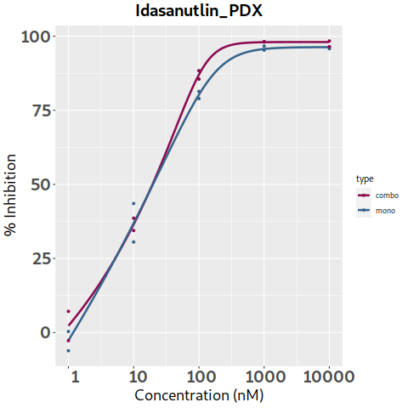
Imatinib | 11.447265827 | 6.5569739726 | 1.6653416272 | -3.2265004705 | 1.5650758693 | 0.000368005 | 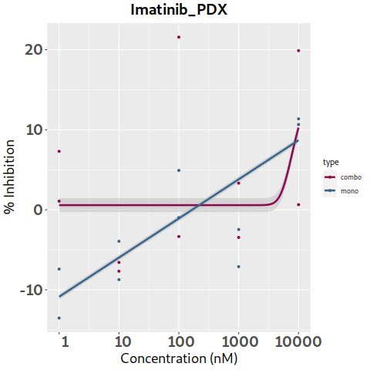
Irinotecan | 12.937205208 | 12.937206205 | -3.9711040792 | 2.5343219545 | 2.5343338386 | 1.733191865 | 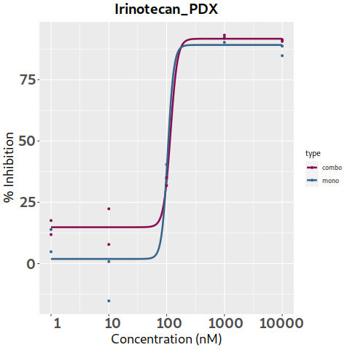
Lapatinib | 8.5658275573 | 8.55936942 | 5.9159165817 | 0.40561043376 | 1.2202958934 | 0.203888045 | 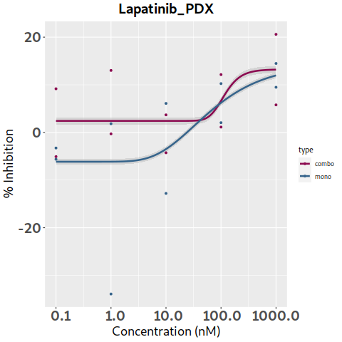
Larotrectinib | -17.268080256 | -8.4916159785 | -8.4916137949 | -2.9954119628 | 2.8978641726 | 0 | 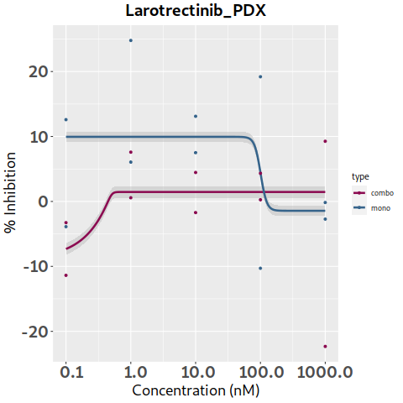
Lorlatinib | 5.3020536301 | 5.5188355217 | 4.579369847 | 0.20621698468 | -12.862755621 | -0.6177831 | 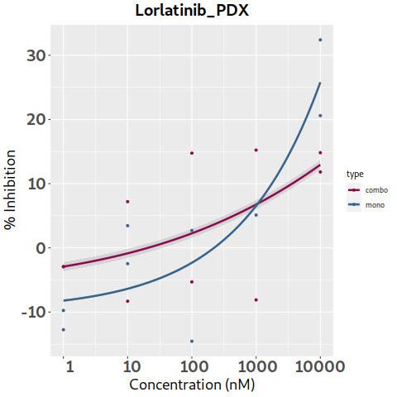
Melphalan | 4.1189193957 | 6.4194804176 | 1.6265173593 | 4.7786544664 | 7.9296998991 | 0 | 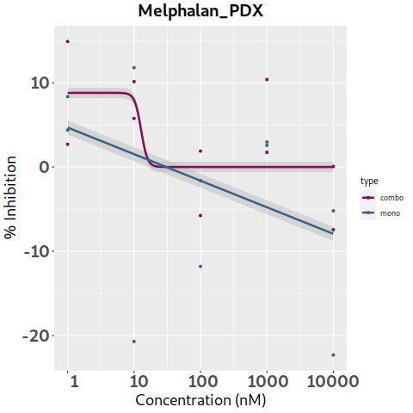
Mercaptopurine | 1.7894559771 | 1.8644043425 | 3.3565216699 | -3.0691711507 | -7.6808252277 | -0.797356685 | 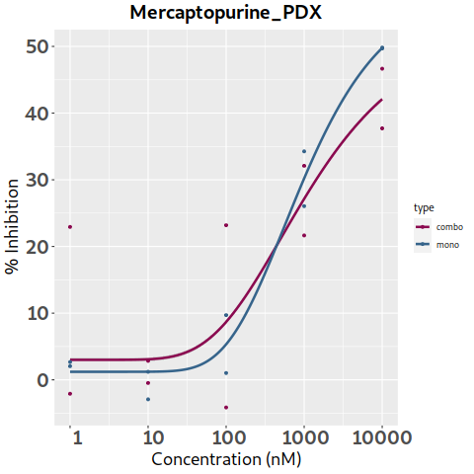
Merestinib | 5.8409555449 | 5.8409555449 | 8.1061011852 | 13.285207245 | -11.126583418 | 0 | 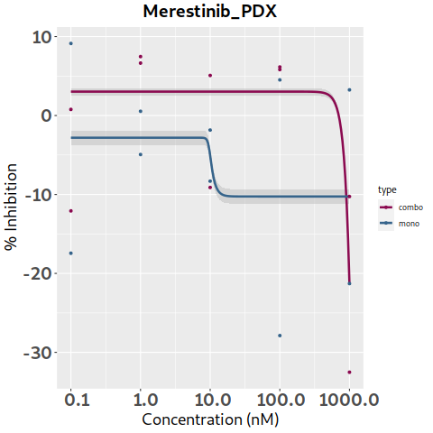
Methotrexate | 9.1885439218 | 8.9869800167 | 7.9331117486 | 4.0555978175 | -9.9189166567 | 0.916924225 | 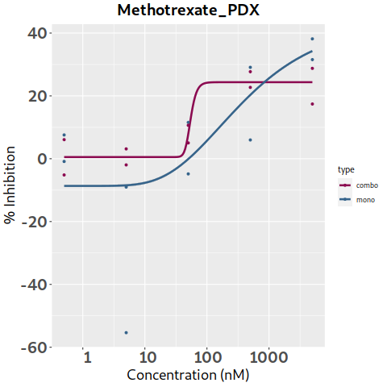
Mitoxantrone | 24.230212622 | 12.760064311 | 3.3602325307 | 0.41970214405 | 0.41853482231 | 4.77073764 | 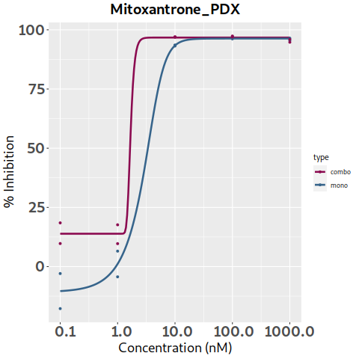
Navitoclax | 16.785961178 | 17.859464252 | 15.95322942 | 2.0543795145 | -0.54372121659 | 4.537920115 | 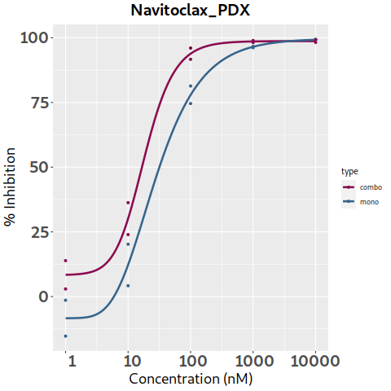
Nilotinib | 5.1676471496 | 6.3177960693 | 1.5501346125 | 17.526729066 | 71.389886672 | 6.22032534 | 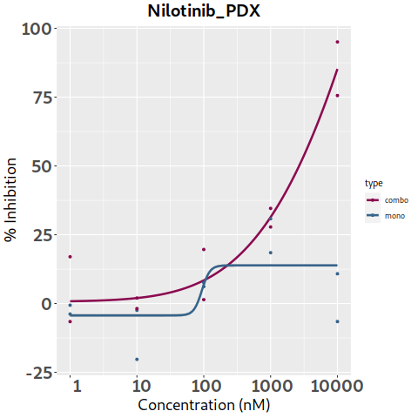
Olaparib | 15.013754259 | 13.111023101 | 7.4523362618 | -8.0438122473 | 3.1171123622 | -1.869375375 | 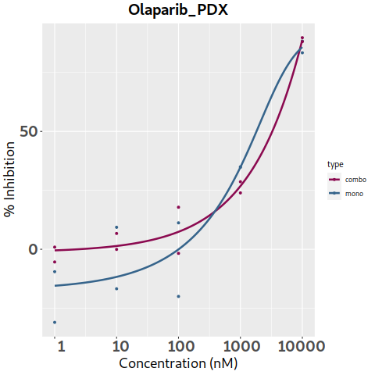
Paclitaxel | 9.6313676232 | 1.9824084496 | 0.83477622301 | 0.83437832461 | 0.83437831853 | -0.59194236 | 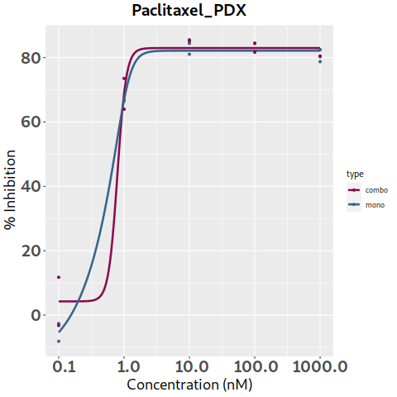
Palbociclib | -1.6859001885 | -9.6805666848 | -11.460990612 | 12.938238583 | 3.0085026403 | 1.300131095 | 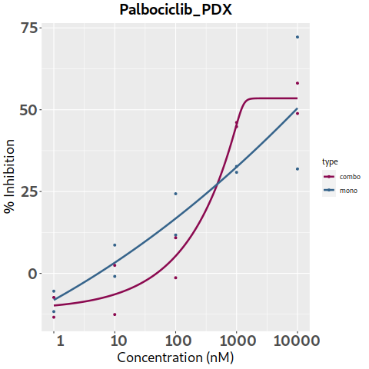
Panobinostat | 19.794540138 | 7.2679067202 | -29.679915608 | 13.259597702 | 3.6901757277 | 0.040492155 | 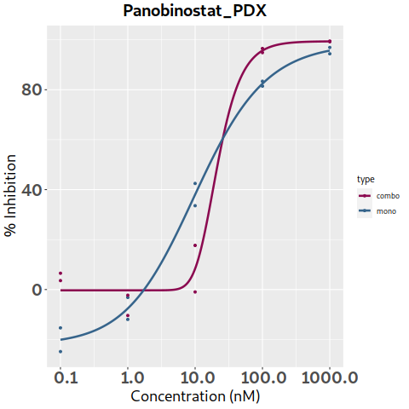
Pazopanib | 17.742202301 | 3.5040967165 | -3.1414766364 | -6.6352397477 | -6.6352398499 | 0 | 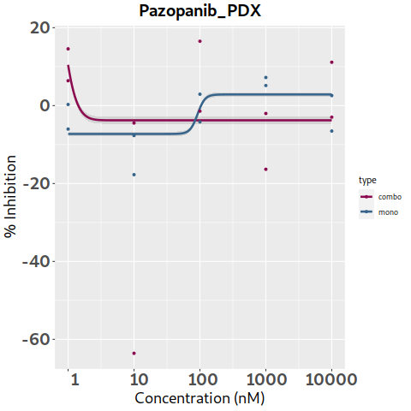
Ponatinib | 7.4866306964 | 7.453677608 | 5.6234211016 | 17.794578011 | 1.4383646187 | 2.621699645 | 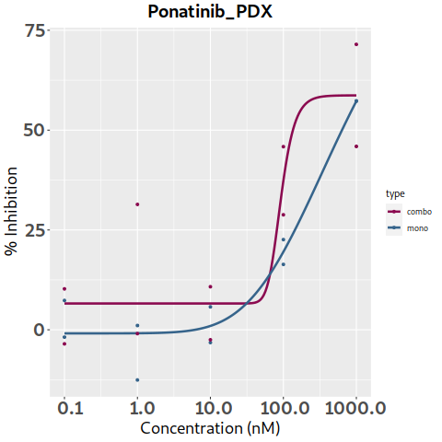
Rapamycin (Sirolimus) | 6.0498030684 | -3.986845885 | -4.2300036266 | 12.573065743 | 12.50392549 | 3.33819693 | 
Ribociclib | 7.1235082276 | 7.1235084106 | 9.7915935701 | 11.855342684 | 5.5204100739 | 3.09043252 | 
Ruxolitinib | 11.644663451 | 12.607066368 | 13.684699203 | 14.890702773 | -6.3679215383 | 0.09082214 | 
Selinexor | 12.124526777 | 3.9450250865 | 0.62656259521 | 1.4636187047 | 1.5187227251 | 0.582518895 | 
Selitrectinib | 8.1465134964 | 1.5560024139 | 3.1646795788 | 3.4644965317 | 3.5203340418 | 0 | 
Selumetinib | 4.9755934387 | 4.3263944609 | 1.8829476614 | 3.5152767112 | -6.6594541954 | 1.45680764 | 
Sorafenib | 5.7978232863 | 2.4493272363 | -2.8871484593 | -3.8272307803 | 11.014126368 | 1.60019589 | 
Staurosporine | 0.19192159149 | -0.59734175013 | -6.053674583 | -4.7934138787 | 0.97614279255 | -1.17658087 | 
Sunitinib | 2.5851437771 | 2.5851437771 | 2.5851428339 | -4.1406640426 | 17.651018088 | 0 | 
Talazoparib | 7.7853348909 | -4.4993072916 | -5.9559692546 | -0.83184962286 | 0.0089694421829 | -1.607727395 | 
Tazemetostat | -13.054817282 | -9.942730728 | -3.084642715 | 17.871320575 | 20.400732937 | 0 | 
Temozolomide | 36.555273597 | 26.048978236 | 7.4087460459 | 3.8152744202 | 33.50945816 | 0.840118825 | 
Temsirolimus | 2.5420668359 | 2.9982682889 | 2.0333038931 | 11.335723884 | 17.311876152 | 1.503814855 | 
Thioguanine | 1.9018971855 | 1.7861629626 | -8.4826948132 | -5.3838759458 | 0.40345766778 | -1.50503873 | 
Thiotepa | 16.785626906 | 16.437008232 | 25.248337106 | 25.206924329 | 24.858515348 | 0 | 
Topotecan | -12.962066814 | -12.119844445 | 2.6838020309 | -0.51518392675 | -1.3273490537 | -2.38971536 | 
Trametinib | 2.8616212488 | 1.7683986601 | -25.605297785 | -3.8189832467 | -3.8189814474 | -5.08450347 | 
Valproic acid | 4.4814921875 | 4.9615270937 | 6.4312152038 | 7.2774131593 | 19.992222494 | 0 | 
Vandetanib | 4.7025931007 | 15.523923516 | 14.079178231 | 12.574294759 | 11.013231007 | 0 | 
Vemurafenib | 1.1947080918 | 1.1942121216 | 1.0924067233 | -1.7344854289 | 9.137215095 | 0.15736531 | 
Venetoclax | -2.1765280191 | 3.8177722926 | 10.363270868 | 14.529041561 | 7.8319738567 | 4.30200913 | 
Vinblastine | 3.1581012553 | 4.1867679799 | 4.7544938394 | 1.5983325979 | 1.5983529316 | 1.33140364 | 
Vincristine | 20.718612981 | 9.4542319806 | 2.2101936185 | 3.3933230893 | 3.3933230894 | -5.935403785 | 
Vinorelbine | -2.4062442313 | 2.1065441702 | 2.8193735793 | 2.8239038536 | 2.8239324092 | 0.00628256 | 
Vismodegib | 1.7530947821 | -1.9372856694 | 3.7079275441 | 9.9224868606 | 11.595612785 | 0 | 
Volasertib | 1.0764076472 | 1.0764345055 | 4.0539042371 | -4.4194479064 | 0.32573822874 | -0.519002935 | 
Vorinostat | 7.6225204011 | 5.9157721634 | -5.8863404766 | 6.2133056473 | 10.857803386 | -0.33857151 | 

