sheet 1
Drug.ID | Drug.Name | abs_IC25 | abs_IC75 | abs_IC50 | rel_IC50 | Slope | Imin | Imax | MIN.Conc.tested.nM | MAX.Conc.tested.nM | DSS_asym | PI1 | PI2 | PI3 | PI4 | PI5 | GOF | Amin | DSS_asym_adj | controlDSS | sDSS_asym | controlDSS_adj | sDSS_asym_adj | analysis
1 | A-1155463 | 2.8235948378 | 48.748279787 | 9.8683943741 | 7.3611174834 | 0.59613783267 | -10 | 98.584552555 | 1 | 10000 | 33.56601234 | 6.7612406798 | 50.25218623 | 82.328726386 | 94.109652425 | 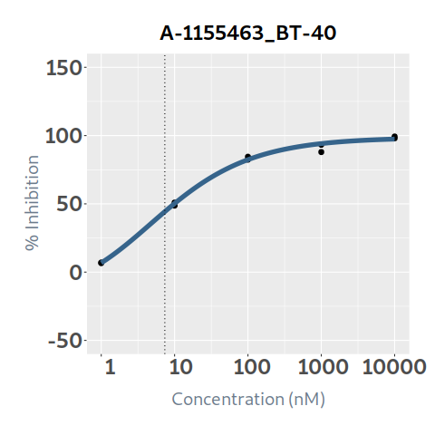 97.42547168 | 0.99562852605 | 10 | 33.419279391 | 5.531844849 | 28.034167491 | 3.8655791538 | 29.553700238 | BT-40
2 | A-1210477 | 312.12034749 | 722.8136674 | 507.14557905 | 466.80417428 | 5.9486739697 | -8.0272686898 | 97.612178341 | 5 | 50000 | 24.165621395 | -7.776079614 | -4.2224289618 | 49.081055804 | 97.61167833 | 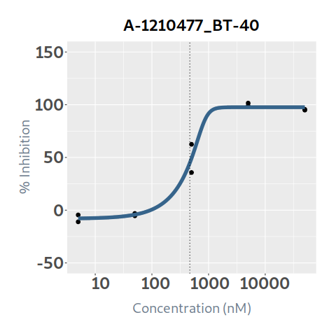 97.612178341 | 0.98132151523 | 10 | 23.714244204 | 12.516703834 | 11.648917561 | 11.609261244 | 12.10498296 | BT-40
3 | A-1331852 | 1.3141308182 | 54.108407468 | 8.7346972683 | 7.0763337746 | 0.62943476467 | -10 | 103.9723841 | 0.1 | 1000 | 23.24109861 | 2.6359142843 | 21.952513537 | 51.946382987 | 81.868459584 | 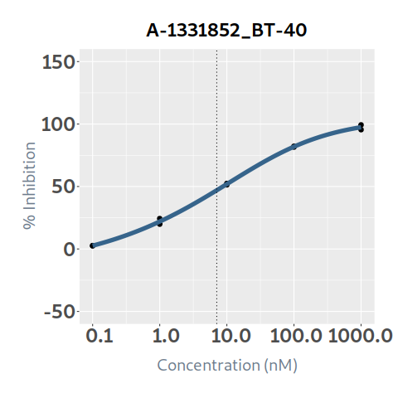 97.432949862 | 0.99859348169 | 10.39723841 | 23.208409579 | 4.502550927 | 18.738547683 | 2.535391021 | 20.673018558 | BT-40
4 | Afatinib | 1000.0001376 | 1000.0001376 | 1000.0001376 | 100.80053816 | 10.236840963 | 0 | 8.6380290237 | 0.1 | 1000 | 0 | 1.5503977E-30 | 2.6747554451E-20 | 4.6145041761E-10 | 4.1428456857 | 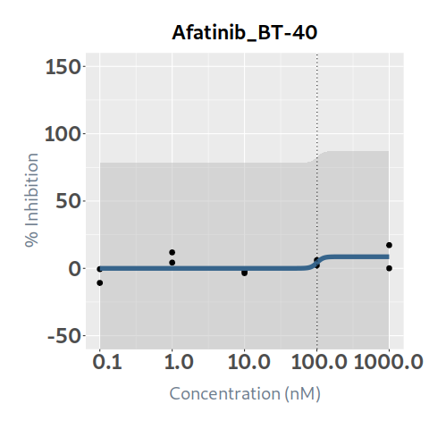 8.6380290231 | 0.21504907595 | 10 | 0 | 0.0389263 | -0.0389263 | 0.013317952317 | -0.013317952317 | BT-40
5 | Alectinib |  |  |  |  | -4.471307003 | 3.1599695341 | 14.297773829 | 0.1 | 1000 | 0 | 14.297708864 | 12.583550634 | 3.1599695686 | 3.1599695341 | 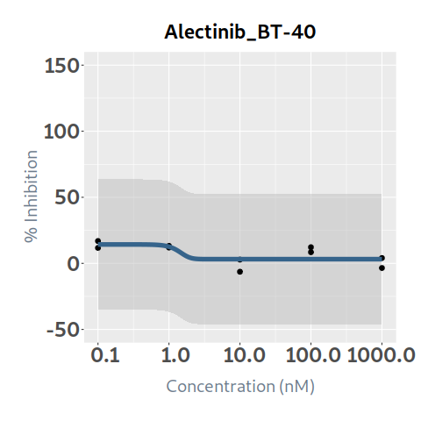 3.1599695341 | 0.50700870769 | 10 | 0 | 0.011921632 | -0.011921632 | 0.0029336637049 | -0.0029336637049 | BT-40
6 | AMG-232 | 425.50643553 | 9658.0333453 | 1302.6468343 | 368.36735732 | 16.059725501 | -5.7004835725 | 50.906819895 | 1 | 10000 | 7.322298745 | -4.6884676112 | -1.9944965299 | 7.8707845551 | 43.955069075 | 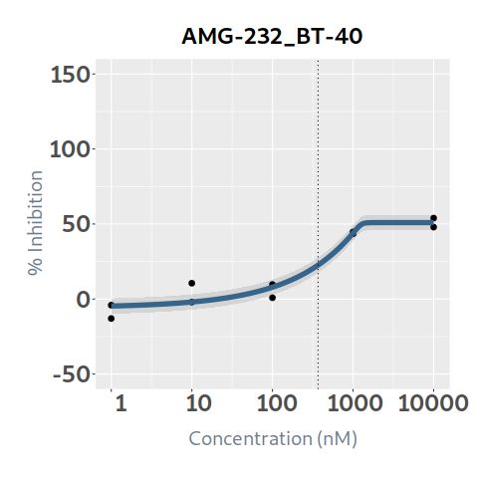 50.906819895 | 0.94868992899 | 10 | 6.9465910765 | 1.915994849 | 5.406303896 | 1.2448230705 | 5.701768006 | BT-40
7 | APR-246 |  |  |  |  | -0.032535429061 | -10 | 110 | 1 | 10000 | 0 | 13.79096667 | 7.8375307103 | 1.8272316425 | -4.2252902022 | 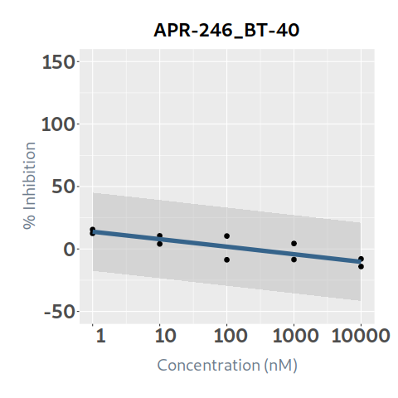 -10.305096416 | 0.68697382144 | 11 | 0 | 1.267939166 | -1.267939166 | 0.997834619 | -0.997834619 | BT-40
8 | Axitinib |  |  |  |  | -1.4391526322 | -10 | 110 | 1 | 10000 | 0 | 13.503193884 | -11.714547205 | -11.714547761 | -11.714547761 | 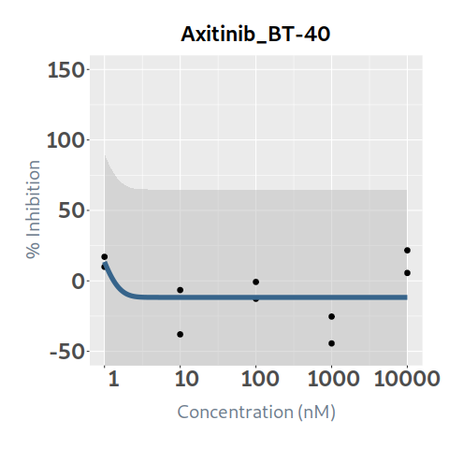 -11.714547761 | 0.23441005364 | 11 | 0 | 1.038561721 | -1.038561721 | 0.83296660714 | -0.83296660714 | BT-40
9 | Bortezomib | 17.416442447 | 50.113857517 | 28.238343792 | 28.552302639 | 1.8558142266 | 5.6061707173 | 95.559952954 | 0.1 | 1000 | 17.55680235 | 5.6061707173 | 5.606175016 | 8.9846159239 | 89.152889263 | 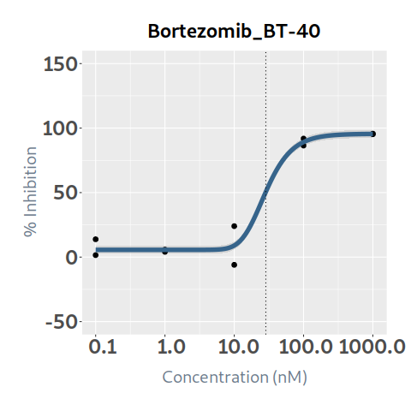 95.466420151 | 0.96935692734 | 10 | 17.01880798 | 17.356700932 | 0.200101418 | 16.164805182 | 0.85400279785 | BT-40
10 | Busulfan |  |  |  | 319.07953942 | 13.539824286 | -8.3044183046 | 1.8247967906 | 1 | 10000 | 0 | -8.3044183046 | -8.3044183046 | -8.3044183046 | 1.8247954254 | 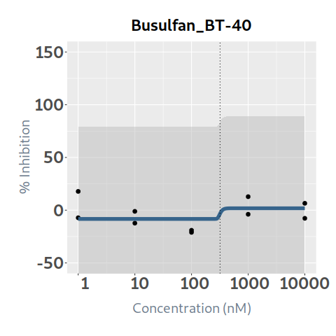 1.8247967906 | 0.12778886288 | 10 | 0 | 0 | 0 | 0 | 0 | BT-40
11 | Cabozantinib | 1892.8107475 | 1000 | 16006.453425 | 2932.8640661 | 0.56540872278 | -4.5964108899 | 66.893048934 | 0.1 | 1000 | 0.07868865 | -4.5964108899 | -4.5964108878 | -4.5956383566 | -3.4461586427 | 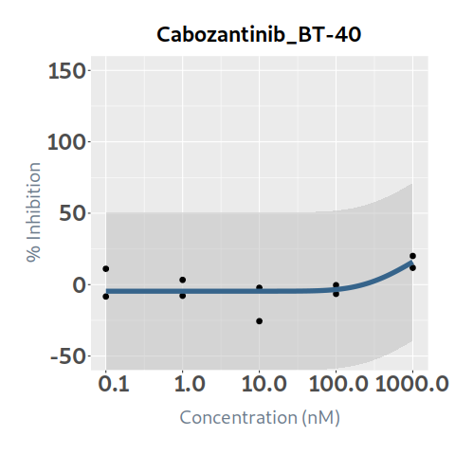 15.917552582 | 0.44736125531 | 10 | 0.035202253243 | 1.242222756 | -1.163534106 | 0.83090311763 | -0.79570086439 | BT-40
12 | Ceritinib | 359.48755656 | 1507.4473359 | 887.75531031 | 1011.6339884 | 1.6261495944 | 0.54449182768 | 110 | 0.25 | 2500 | 5.8999633 | 0.62747567479 | 1.0469721484 | 3.58705732 | 18.959239725 | 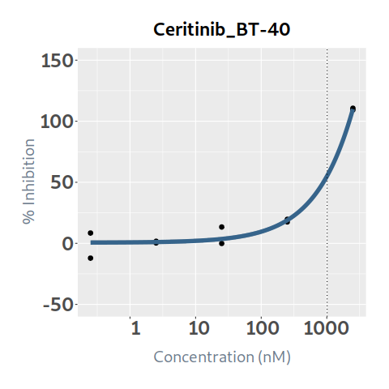 109.94398789 | 0.98131657613 | 11 | 5.7897317848 | 3.007177461 | 2.892785839 | 2.6584832225 | 3.1312485623 | BT-40
13 | Chloroquine | 6698.5390171 | 55112.507658 | 24224.366319 | 24857.241829 | 1.2664727801 | -8.6856620784 | 110 | 10 | 100000 | 7.76974528 | -6.658361555 | -3.2052179176 | 6.1297180902 | 31.364022445 | 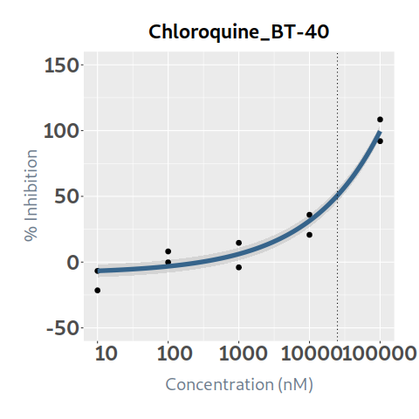 99.529251426 | 0.95168415698 | 11 | 7.3943434867 | 2.603499378 | 5.166245902 | 2.4430835192 | 4.9512599675 | BT-40
14 | Cisplatin | 14905.007889 | 37747.723783 | 23209.384598 | 24278.651393 | 2.0058879483 | 5.3829169144 | 99.927250798 | 10 | 100000 | 7.046513455 | 5.3829169144 | 5.3829169145 | 5.38294831 | 11.246879888 | 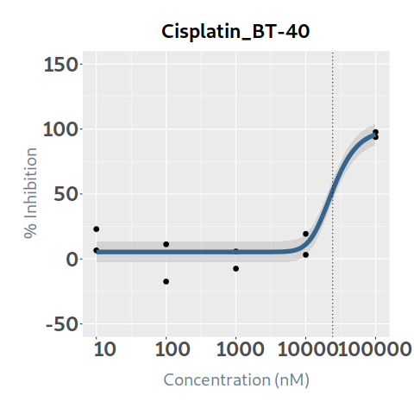 95.735505459 | 0.91809434404 | 10 | 6.4693641482 | 4.685485657 | 2.361027798 | 4.0797730212 | 2.389591127 | BT-40
15 | Cobimetinib | 0.21489433425 | 34.113530651 | 2.0815898099 | 2.0815898099 | 0.24915683894 | -10 | 110 | 0.1 | 1000 | 28.45643971 | 16.037297133 | 42.28399961 | 64.97520822 | 82.504710258 | 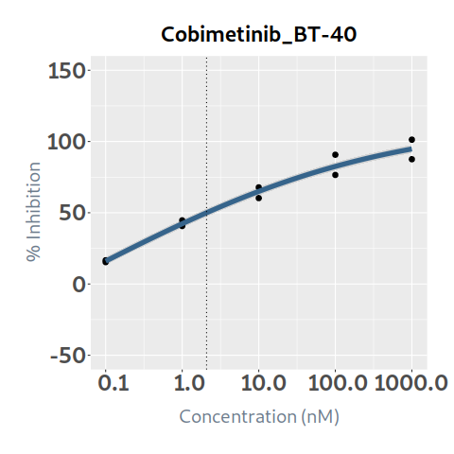 94.76098919 | 0.9712578112 | 11 | 27.638539347 | 6.804995753 | 21.651443957 | 4.8629018807 | 22.775637467 | BT-40
16 | Crizotinib | 878.3507303 | 1539.4073675 | 1168.4355061 | 1270.0693561 | 3.0486780388 | 6.6768553222 | 109.43196481 | 1 | 10000 | 11.880876495 | 6.6768553222 | 6.6768553222 | 6.6768591674 | 35.367855523 | 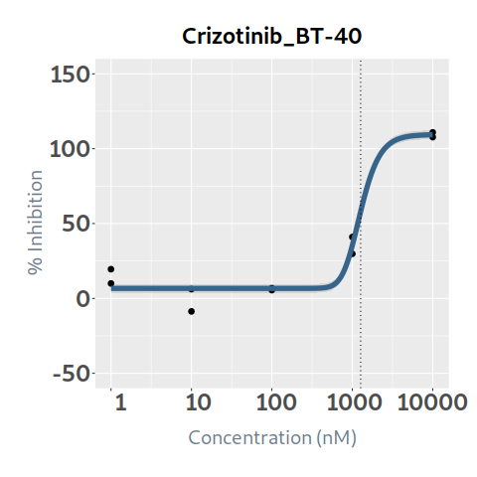 109.28093011 | 0.97058406655 | 10.943196481 | 11.531389423 | 7.52694196 | 4.353934535 | 6.0958599725 | 5.4355294502 | BT-40
17 | Cytarabine | 151.33719789 |  |  | 146.37878152 | 10.755187674 | 2.7298663929 | 40.564009657 | 1 | 10000 | 7.68354525 | 2.7298663929 | 2.7298663929 | 3.3478587927 | 40.564009617 | 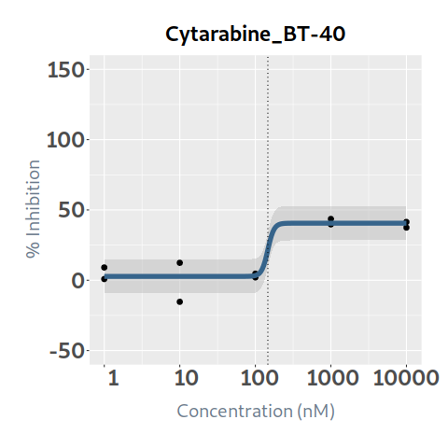 40.564009657 | 0.8784020642 | 10 | 6.7492420079 | 5.113108753 | 2.570436497 | 3.8600141112 | 2.8892278968 | BT-40
18 | Dabrafenib | 4.0595826565 | 155.95931714 | 14.318161601 | 11.129725529 | 0.79329891227 | 9.6680021482 | 80.84358763 | 0.25 | 2500 | 22.00095127 | 9.6681490504 | 17.20058553 | 59.055025848 | 76.770592078 | 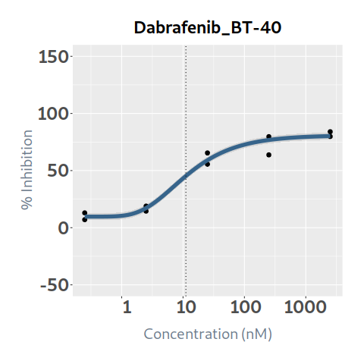 80.171518251 | 0.96888042598 | 10 | 21.316291038 | 0.155504909 | 21.845446361 | 0.053950660389 | 21.262340378 | BT-40
19 | Dactinomycin | 0.88973834014 | 1.168736112 | 1.0263421999 | 1.0430220832 | 8.7668782036 | 6.3023449829 | 100.33126305 | 0.1 | 1000 | 37.300506865 | 6.3023450941 | 44.73334114 | 100.33126282 | 100.33126305 | 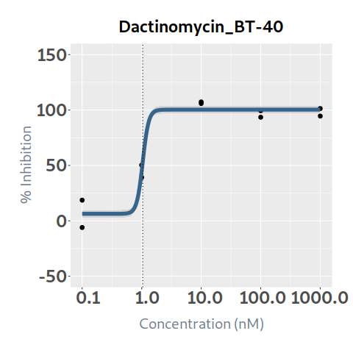 100.33126305 | 0.96575741659 | 10.033126305 | 36.023241148 | 16.938586753 | 20.361920112 | 13.912857961 | 22.110383186 | BT-40
20 | Dasatinib | 131.65020713 | 1000.0000008 | 1000.0000008 | 95.370543419 | 7.1101629927 | 3.1961017062 | 27.203228288 | 0.1 | 1000 | 2.317280265 | 3.1961017062 | 3.1961017062 | 3.1961043157 | 17.203482644 | 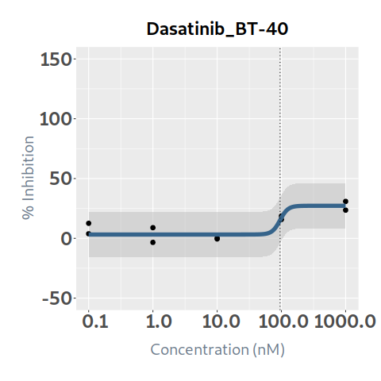 27.203226958 | 0.81078859334 | 10 | 1.8788244064 | 4.634136322 | -2.316856057 | 4.0025824104 | -2.1237580039 | BT-40
21 | Daunorubicin | 64.460295165 | 540.52539598 | 243.3566295 | 282.90629343 | 1.127858907 | -1.9916174455 | 110 | 0.1 | 1000 | 7.945910685 | -0.88726914584 | 1.4539803414 | 8.7584447582 | 31.535393086 | 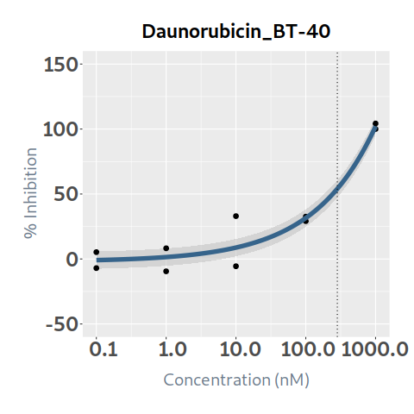 102.05124338 | 0.93321079449 | 11 | 7.4152096233 | 3.818712814 | 4.127197871 | 3.5621980184 | 3.8530116049 | BT-40
22 | Decitabine |  |  |  |  | -6.6591873601 | -10 | 4.7845783345 | 1 | 10000 | 0 | 4.7845783345 | 4.7845783345 | 4.7845783345 | 4.7845743699 | 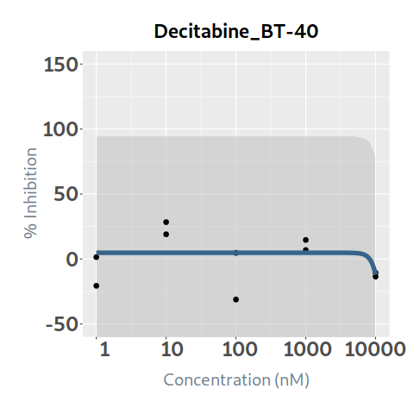 -12.081652332 | 0.10480944876 | 10 | 0 | 0.119642146 | -0.119642146 | 0.023076726741 | -0.023076726741 | BT-40
23 | Doxorubicin | 105.28802686 | 592.43534433 | 303.27865656 | 320.4800514 | 1.4369177908 | -6.519383291 | 110 | 0.1 | 1000 | 6.56429489 | -5.8529051338 | -4.1315098955 | 2.0357656666 | 24.114021338 | 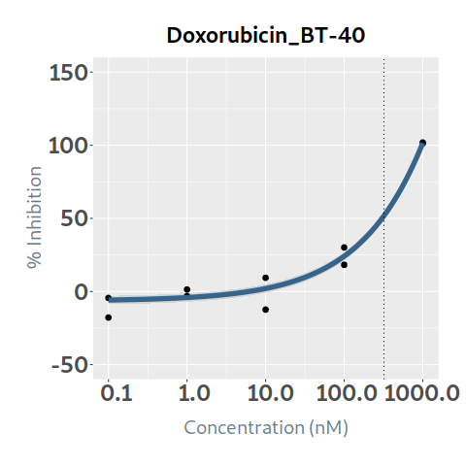 101.50313912 | 0.97082118834 | 11 | 6.3727565657 | 3.629840247 | 2.934454643 | 3.3193005005 | 3.0534560652 | BT-40
24 | Entinostat | 850.29095683 | 1434.6147203 | 1084.0224489 | 1082.8954287 | 3.3828060544 | -0.5526356356 | 100.33573758 | 1 | 10000 | 11.466032785 | -0.5526356356 | -0.5526356356 | -0.55263461257 | 41.47163723 | 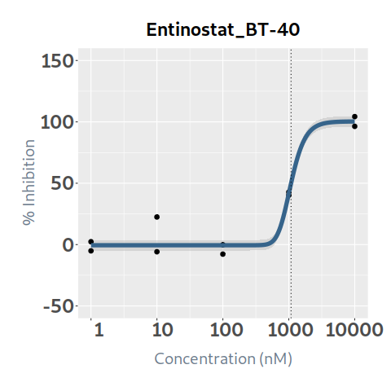 100.29250504 | 0.95738651475 | 10.033573758 | 10.977425166 | 9.851309141 | 1.614723644 | 9.0188739159 | 1.9585512502 | BT-40
25 | Entrectinib | 900.13714556 | 1161.5473141 | 1022.5223146 | 1022.5223146 | 8.6178798931 | 0 | 100 | 0.1 | 1000 | 0.20869261 | 2.7869E-33 | 1.1561158097E-24 | 4.7960227363E-16 | 1.9895787124E-07 | 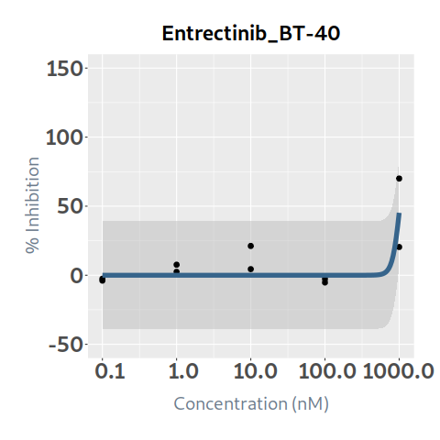 45.216149326 | 0.60965571741 | 10 | 0.12723064287 | 0.27174247 | -0.06304986 | 0.072678122336 | 0.054552520532 | BT-40
26 | Erlotinib | 1882.6219571 | 12134.592153 | 5977.3304794 | 6844.9127211 | 0.53822364826 | -1.8087208984 | 110 | 1 | 10000 | 3.735550065 | -1.4948402877 | -0.57776026727 | 3.0021964715 | 16.774042906 | 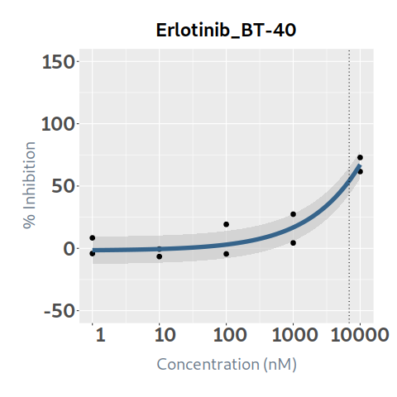 67.232476129 | 0.89048667113 | 11 | 3.3264575422 | 0.767453205 | 2.96809686 | 0.31783548377 | 3.0086220584 | BT-40
27 | Etoposide | 886.27190227 | 10000 | 7735.6294952 | 1316.1733659 | 0.55819649405 | -5.5276214875 | 66.595828386 | 1 | 10000 | 4.862669325 | -5.5276212687 | -5.5081919241 | -0.8449928477 | 26.713779639 | 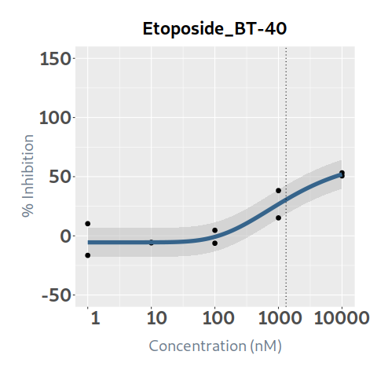 51.958580149 | 0.87724041836 | 10 | 4.265730073 | 0.485677021 | 4.376992304 | 0.21797720547 | 4.0477528675 | BT-40
28 | Everolimus | 10.243357179 | 100.00130479 | 100.00130479 | 5.5710613356 | 13.22367463 | 8.9823009045 | 29.789399815 | 0.01 | 100 | 3.694013735 | 9.0996980202 | 9.583330223 | 12.059346192 | 24.730917425 | 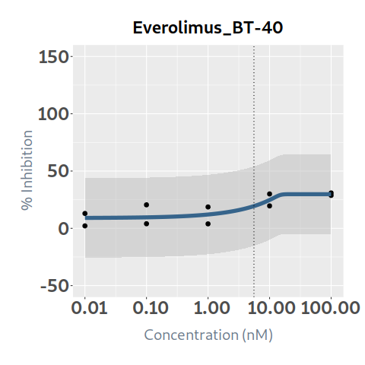 29.789399815 | 0.65325356244 | 10 | 2.4131276321 | 5.274897677 | -1.580883942 | 3.3403758987 | -0.9272482666 | BT-40
29 | Foretinib | 761.75878253 | 1200.3382929 | 966.03213852 | 1006.335853 | 2.7262066539 | -0.4698471533 | 110 | 0.1 | 1000 | 0.54069019 | -0.4698471533 | -0.4698471533 | -0.4698471533 | -0.46982794738 | 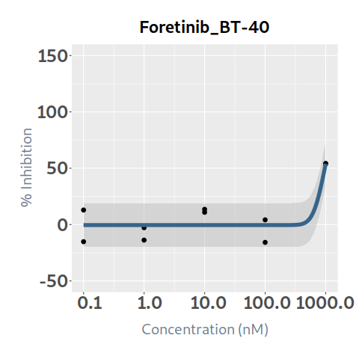 54.026388592 | 0.80525954822 | 11 | 0.43539593813 | 1.219179968 | -0.678489778 | 0.89434720118 | -0.45895126305 | BT-40
30 | Gemcitabine | 13.196804527 | 1000 | 119828.49364 | 18.28866789 | 0.35640565647 | 2.4118295171 | 51.499034329 | 0.1 | 1000 | 7.8532714 | 3.3910261014 | 10.001306044 | 23.302877282 | 35.886298395 | 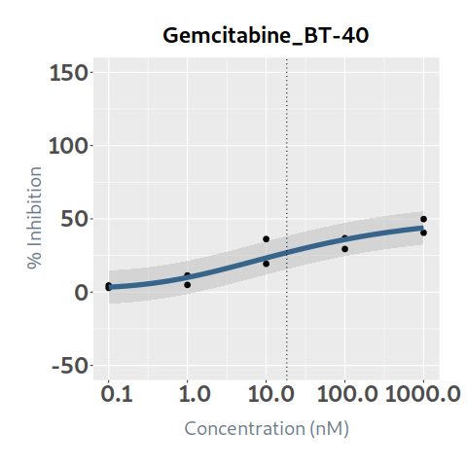 43.830792789 | 0.88654583025 | 10 | 6.9622850135 | 0.89108177 | 6.96218963 | 0.63438320079 | 6.3279018127 | BT-40
31 | I-BET151 | 1045.5532388 | 10000.000001 | 1509.623838 | 1046.9173386 | 7.4017056733 | -3.273668481 | 53.547843605 | 1 | 10000 | 5.676191395 | -3.273668481 | -3.273668481 | -3.2736668762 | 20.361977883 | 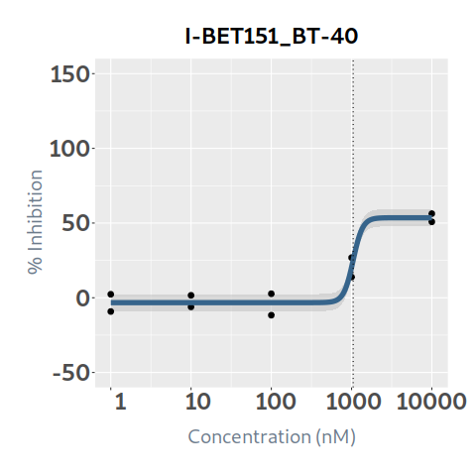 53.547840441 | 0.94277798761 | 10 | 5.3513883007 | 3.574245907 | 2.101945488 | 2.8668202107 | 2.48456809 | BT-40
32 | Idasanutlin | 52.480258209 | 3018.3387384 | 576.51106224 | 576.51106224 | 0.19570372799 | -10 | 110 | 1 | 10000 | 15.190573075 | 1.9977082075 | 13.239522487 | 30.665533512 | 57.493458825 | 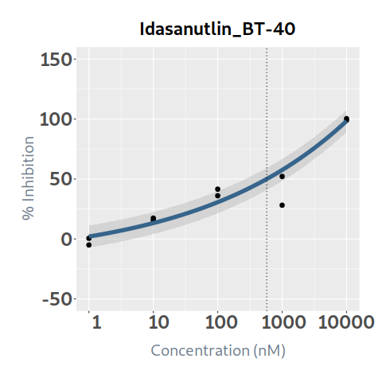 98.363810937 | 0.90804410206 | 11 | 13.793710288 | 2.262314746 | 12.928258329 | 1.3741494414 | 12.419560846 | BT-40
33 | Imatinib | 9286.5844324 | 11780.994162 | 10631.95348 | 10784.393859 | 3.0610486492 | -3.6237660755 | 110 | 1 | 10000 | 0.138586475 | -3.6237660755 | -3.6237660755 | -3.6237660755 | -3.6237660522 | 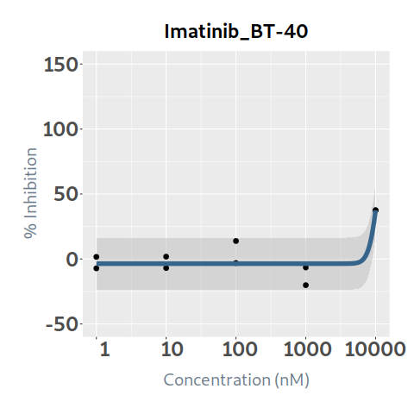 37.457393451 | 0.79973880495 | 11 | 0.1108329819 | 0.938392634 | -0.799806159 | 0.36227171147 | -0.25143872957 | BT-40
34 | Irinotecan | 980.87985549 | 10000.000012 | 10000.000012 | 966.40306727 | 8.1921275729 | 1.4520266768 | 45.847440465 | 1 | 10000 | 4.89266602 | 1.4520266768 | 1.4520266768 | 1.4520270542 | 26.736832075 | 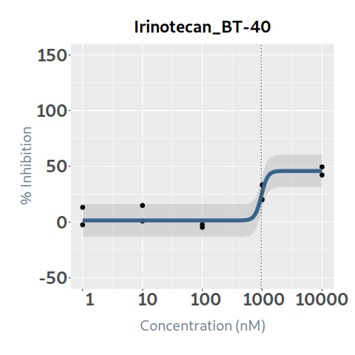 45.847440249 | 0.85501294281 | 10 | 4.183292772 | 0.046229123 | 4.846436897 | 0.02560399457 | 4.1576887774 | BT-40
35 | Lapatinib | 999.99999957 | 999.99999957 | 999.99999957 | 107.41308991 | 8.8185713446 | 0 | 8.0508170907 | 0.1 | 1000 | 0 | 1.5005335309E-26 | 9.8813674465E-18 | 6.5071136715E-09 | 2.7965892326 | 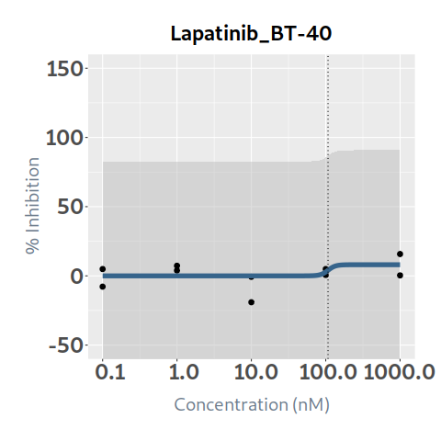 8.0508170677 | 0.17277213057 | 10 | 0 | 0 | 0 | 0 | 0 | BT-40
36 | Larotrectinib | 1122.8276074 | 1806.8764117 | 1478.1750761 | 1558.9170219 | 1.3763538994 | 2.2433505626 | 110 | 0.1 | 1000 | 0.03110544 | 2.2433505626 | 2.2433505626 | 2.2433505626 | 2.2433523287 | 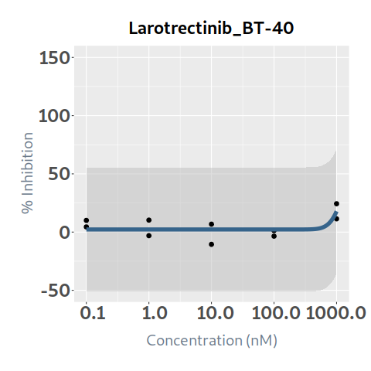 17.849176367 | 0.4669038169 | 11 | 0.014523248662 | 0.964708096 | -0.933602656 | 0.19210309439 | -0.17757984572 | BT-40
37 | Lorlatinib | 1058.4715998 | 10000 | 10000 | 735.50983338 | 3.1544362122 | 0.32803740513 | 31.5165075 | 1 | 10000 | 3.053279015 | 0.32803740513 | 0.32803740513 | 0.32803832808 | 23.930801905 | 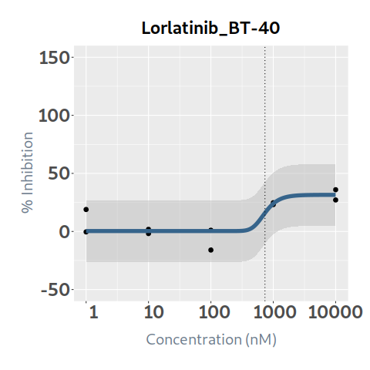 31.51017976 | 0.73443098947 | 10 | 2.2424227281 | 1.729413744 | 1.323865271 | 1.3184814576 | 0.92394127053 | BT-40
38 | Melphalan | 10050.186672 | 10050.186672 | 10050.186672 | 101.45081088 | 6.7441282332 | -10 | -5.9863913686 | 1 | 10000 | 0 | -12.548384568 | -12.548384568 | -8.1522146724 | -5.9863918654 | 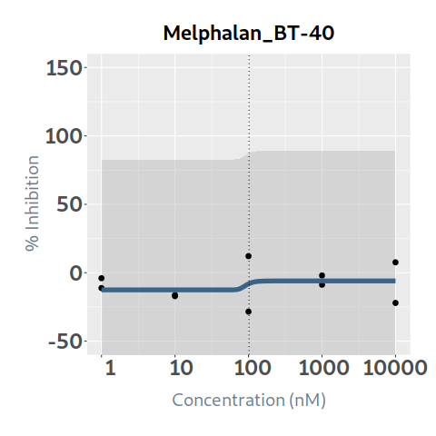 -5.9863913686 | 0.047244840118 | 10 | 0 | 0.224676694 | -0.224676694 | 0.044764289691 | -0.044764289691 | BT-40
39 | Mercaptopurine | 1460.9631168 | 10000 | 3801.327011 | 1438.0551467 | 3.0337176209 | -3.8927775008 | 52.240379057 | 1 | 10000 | 4.3622521 | -3.8927775008 | -3.8927775008 | -3.8927773423 | 6.1025771312 | 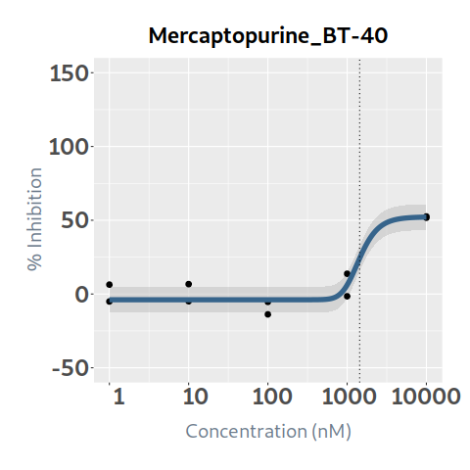 52.118145484 | 0.91213756246 | 10 | 3.9789739973 | 0.372376666 | 3.989875434 | 0.099199040458 | 3.8797749569 | BT-40
40 | Merestinib | 870.35913615 | 1000 | 1000 | 793.40966658 | 4.0578434871 | 4.6708698652 | 44.207447831 | 0.1 | 1000 | 0.914982665 | 4.6708698652 | 4.670869876 | 4.6709940666 | 5.8531961226 | 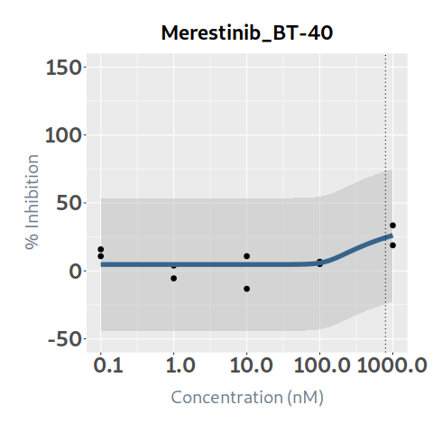 26.116697462 | 0.51127941009 | 10 | 0.4678117972 | 1.601448158 | -0.686465493 | 0.81515463886 | -0.34734284166 | BT-40
41 | Methotrexate | 8.2343564589 | 233.59029022 | 16.950197562 | 10.226194553 | 1.308473335 | -9.330904615 | 76.013401352 | 0.5 | 5000 | 22.728043125 | -9.3308934034 | 6.5068551689 | 68.71070962 | 75.637476658 | 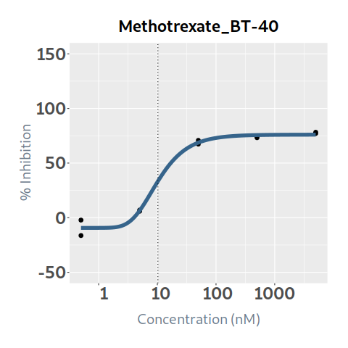 75.994881993 | 0.99130288536 | 10 | 22.530374729 | 0.304022633 | 22.424020492 | 0.087709020878 | 22.442665708 | BT-40
42 | Mitoxantrone | 46.663799887 | 687.21390181 | 232.77638984 | 232.77638984 | 0.83321027994 | -10 | 110 | 0.1 | 1000 | 8.003635795 | -9.1579033847 | -2.737658331 | 10.022058411 | 35.377451162 | 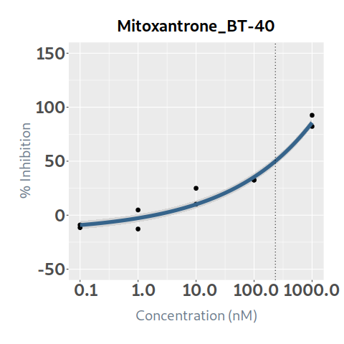 85.714821476 | 0.96311646454 | 11 | 7.7084334104 | 3.48167832 | 4.521957475 | 3.1284935689 | 4.5799398415 | BT-40
43 | Navitoclax | 13.265566506 | 54.659727701 | 30.596610025 | 30.343693767 | 3.2693228152 | -2.0974596959 | 101.44942574 | 1 | 10000 | 31.569428885 | 1.3395847159 | 19.535841323 | 94.564483101 | 101.44500043 | 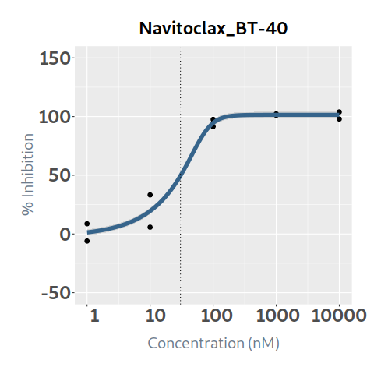 101.44942336 | 0.9734764668 | 10.144942574 | 30.73209609 | 3.016510725 | 28.55291816 | 0.99421231519 | 29.737883775 | BT-40
44 | Nilotinib |  |  |  |  | -3.675707457 | -6.720387053 | 9.1107581128 | 1 | 10000 | 0 | 9.1102273783 | 6.8220284076 | -6.7203870516 | -6.720387053 | 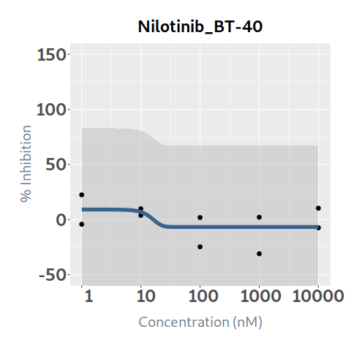 -6.720387053 | 0.26233038042 | 10 | 0 | 0.624624013 | -0.624624013 | 0.5544395826 | -0.5544395826 | BT-40
45 | Olaparib | 20176.267286 | 10000 | 10000 | 2981.9949097 | 0.82738054452 | 8.0329435858 | 28.220341252 | 1 | 10000 | 1.26715399 | 8.0369157766 | 8.0868213692 | 8.7030830918 | 13.403916022 | 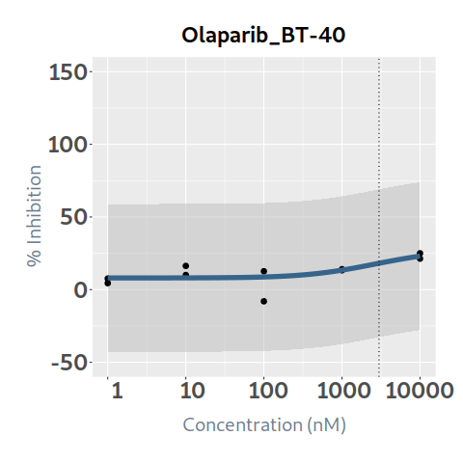 23.037762158 | 0.49149260347 | 10 | 0.62279681354 | 1.183527039 | 0.083626951 | 0.8747797556 | -0.25198294206 | BT-40
46 | Paclitaxel | 1.0578566153 |  |  | 0.94749482407 | 6.8292693229 | 7.4574738542 | 33.266313431 | 0.1 | 1000 | 9.69670696 | 7.4574793809 | 22.711918001 | 33.266310786 | 33.266313431 | 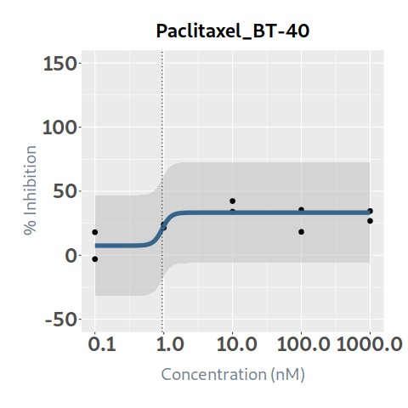 33.266313431 | 0.60678241975 | 10 | 5.8837913128 | 1.269458218 | 8.427248742 | 0.4230789101 | 5.4607124027 | BT-40
47 | Palbociclib | 1065.2580702 | 10000 | 2166.123087 | 1068.5094264 | 4.4002667053 | -1.4570098116 | 51.883852349 | 1 | 10000 | 5.287054975 | -1.4570098116 | -1.4570098116 | -1.4570097744 | 20.526578489 | 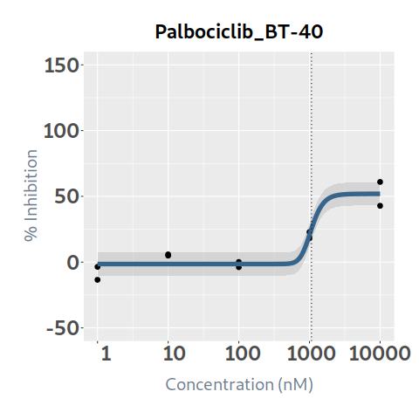 51.881544884 | 0.91216105846 | 10 | 4.8226456621 | 1.9432049 | 3.343850075 | 1.5282650792 | 3.294380583 | BT-40
48 | Panobinostat | 9.9535779008 | 14.097632032 | 11.801563974 | 11.709076375 | 7.4012235424 | 4.6199487014 | 92.812988876 | 0.1 | 1000 | 22.050114095 | 4.6199487014 | 4.6199497904 | 25.54465253 | 92.81297762 | 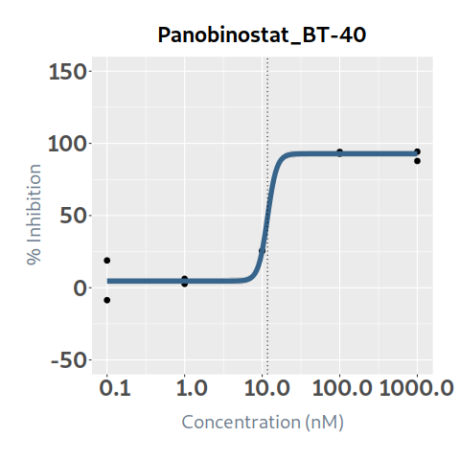 92.812988876 | 0.97498298324 | 10 | 21.498486021 | 14.173949592 | 7.876164503 | 12.779601126 | 8.7188848948 | BT-40
49 | Pazopanib | 9999.9999912 | 9999.9999912 | 9999.9999912 | 1067.416039 | 8.4160774738 | 0.44779973046 | 21.567730338 | 1 | 10000 | 1.45680245 | 0.44779973046 | 0.44779973046 | 0.44779977725 | 8.1793797824 | 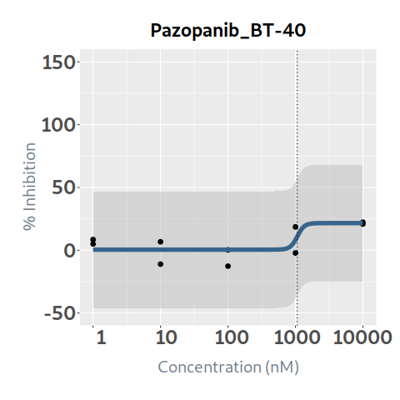 21.567730197 | 0.53510012941 | 10 | 0.77953517953 | 0.495231694 | 0.961570756 | 0.29032837813 | 0.4892068014 | BT-40
50 | Ponatinib | 107.54414049 | 236.07478902 | 142.53709166 | 124.67632632 | 3.3245118914 | -5.7137043478 | 82.822845582 | 0.1 | 1000 | 8.41803405 | -5.7137043478 | -5.7137043478 | -5.7137041866 | 18.643975778 | 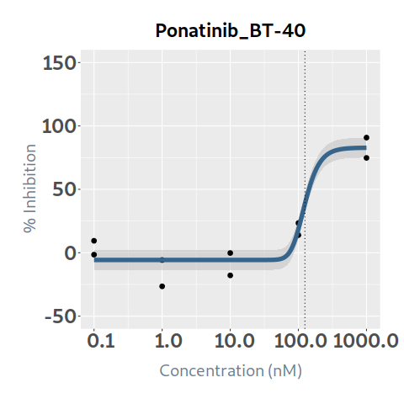 82.754315865 | 0.92160315803 | 10 | 7.7580867649 | 3.254489151 | 5.163544899 | 2.687519041 | 5.0705677238 | BT-40
51 | Rapamycin (Sirolimus) |  |  |  | 1.7167059928 | 11.28892412 | 1.7953826627 | 20.456286858 | 0.01 | 100 | 2.502449295 | 1.7953826627 | 1.7953826627 | 1.7953866366 | 20.456286825 |  20.456286858 | 0.67684627098 | 10 | 1.6937734736 | 3.30332516 | -0.800875865 | 2.4797662002 | -0.7859927266 | BT-40
52 | Ribociclib | 7538.4838194 | 49994.13711 | 19772.605155 | 26623.800978 | 0.92515556082 | 9.351743305 | 107.8107785 | 1 | 10000 | 0.72236178 | 9.3517433057 | 9.3517439986 | 9.3523247662 | 9.6667046848 |  31.313548881 | 0.56950285474 | 10.78107785 | 0.41138709587 | 0.938676849 | -0.216315069 | 0.72437530025 | -0.31298820439 | BT-40
53 | Ruxolitinib |  |  |  |  | -7.8945057489 | -1.4461734016 | 12.606149487 | 1 | 10000 | 0 | 12.606149487 | 12.606149041 | 2.5846917611 | -1.4461733295 |  -1.4461734016 | 0.28096573844 | 10 | 0 | 0 | 0 | 0 | 0 | BT-40
54 | Selinexor | 18.813768775 | 712.19267931 | 84.293814009 | 77.419827758 | 0.58576379093 | 8.3219335628 | 88.931640262 | 1 | 10000 | 21.40897668 | 8.3421006312 | 16.667403804 | 52.688227479 | 77.317389137 |  85.738251005 | 0.92615851119 | 10 | 19.828105968 | 4.511604391 | 16.897372289 | 3.7387166103 | 16.089389358 | BT-40
55 | Selumetinib | 11.458044149 | 3513.0792416 | 74.214569285 | 57.058759194 | 0.60936287854 | 14.624177489 | 78.524897928 | 1 | 10000 | 21.361495595 | 14.66035435 | 23.524460026 | 53.628769942 | 71.190355265 |  76.635975575 | 0.91822734557 | 10 | 19.614709398 | 6.704552579 | 14.656943016 | 4.4661310109 | 15.148578387 | BT-40
56 | Sorafenib |  |  |  |  | -1.1297607755 | -5.6868847506 | 110 | 0.1 | 1000 | 0 | 14.71684694 | -5.6868843874 | -5.6868847506 | -5.6868847506 |  -5.6868847506 | 0.19860051 | 11 | 0 | 0.017011992 | -0.017011992 | 0.0016492466349 | -0.0016492466349 | BT-40
57 | Sunitinib | 1071.7596429 | 2284.9673698 | 1557.5910722 | 1657.605666 | 1.6152039243 | -1.3779723992 | 110 | 0.1 | 1000 | 0.060316335 | -1.3779723992 | -1.3779723992 | -1.3779723992 | -1.3779718066 |  20.977136162 | 0.45895552819 | 11 | 0.027682515388 | 0.662154812 | -0.601838477 | 0.37153034437 | -0.34384782899 | BT-40
58 | Talazoparib | 1142.8391485 | 118082216.1 | 368541.20417 | 368541.20417 | 0.016555283223 | -10 | 110 | 0.1 | 1000 | 1.274263345 | -15.070905874 | -5.2606478639 | 4.5968613348 | 14.494094358 |  24.423424012 | 0.70721729953 | 11 | 0.90118108173 | 0.100870307 | 1.173393038 | 0.0012086947026 | 0.89997238703 | BT-40
59 | Tazemetostat | 15876.46041 | 111302.70678 | 52433.406266 | 57411.684392 | 0.52537279756 | -4.8774295041 | 110 | 1 | 10000 | 0.16693602 | -4.6876230156 | -4.2413136135 | -2.747258104 | 2.2368945094 |  18.673488202 | 0.21437517626 | 11 | 0.035786938712 | 0.009117094 | 0.157818926 | 0.0027049740325 | 0.03308196468 | BT-40
60 | Temozolomide |  |  |  |  | -3.5241658726 | -10 | 2.3998999742 | 10 | 100000 | 0 | 2.3780089079 | -6.2456610181 | -13.866639584 | -15.108002272 |  -15.307344504 | 0.55212338516 | 10 | 0 | 0.141373458 | -0.141373458 | 0.0066727262835 | -0.0066727262835 | BT-40
61 | Temsirolimus | 76.322857987 | 137.08130661 | 113.04758045 | 127.93876298 | 2.4559416847 | 20.391672077 | 110 | 0.01 | 100 | 5.488809875 | 20.391672077 | 20.391672077 | 20.391672077 | 20.391672356 |  38.519296618 | 0.5504919026 | 11 | 3.0215453911 | 6.635700054 | -1.146890179 | 3.8100025902 | -0.78845719912 | BT-40
62 | Thioguanine | 6142.3697145 | 15556.279083 | 10742.982507 | 10742.982507 | 1.5042178107 | -10 | 110 | 1 | 10000 | 0.908681225 | -11.498525954 | -11.423334608 | -10.760168191 | -4.9133661384 |  46.041516531 | 0.96278891535 | 11 | 0.87486821101 | 5.395124532 | -4.486443307 | 4.8086072637 | -3.9337390527 | BT-40
63 | Thiotepa |  |  |  |  | -2.2756900801 | -9.2049277672 | 110 | 5 | 50000 | 0 | 3.2611319968 | -9.2049275876 | -9.2049277672 | -9.2049277672 |  -9.2049277672 | 0.49069014037 | 11 | 0 | 0.057771152 | -0.057771152 | 0.0036298086304 | -0.0036298086304 | BT-40
64 | Topotecan | 84.198740058 | 1992.7826966 | 448.35740931 | 667.37402711 | 0.31230035963 | 3.3405470145 | 110 | 1 | 10000 | 15.419857435 | 3.501244609 | 7.3804314076 | 27.207425901 | 63.506086058 |  99.225888502 | 0.9778610752 | 11 | 15.078478371 | 6.311561054 | 9.108296381 | 4.1514047797 | 10.927073591 | BT-40
65 | Trametinib | 0.014567507974 | 29.234635663 | 0.47875367594 | 0.18220084124 | 0.30951820209 | -10 | 96.245386602 | 0.25 | 2500 | 34.364846415 | 45.391854151 | 61.139200733 | 74.240417619 | 83.612426366 |  89.456057148 | 0.8872715703 | 10 | 30.490951242 | 12.830710175 | 21.53413624 | 7.5525768089 | 22.938374433 | BT-40
66 | Valproic acid |  |  |  |  | -16.771717677 | -3.8468671584 | 2.7235166755 | 100 | 1000000 | 0 | 2.7235166755 | 2.7235166755 | 2.6337693853 | -3.8468671584 |  -3.8468671584 | 0.20720859772 | 10 | 0 | 0 | 0 | 0 | 0 | BT-40
67 | Vandetanib |  |  |  |  | -24.404415404 | -9.4760349231 | -4.8556768885 | 0.1 | 1000 | 0 | -4.8556768885 | -4.8556768885 | -9.4760338907 | -9.4760349231 |  -9.4760349231 | 0.041741227702 | 10 | 0 | 0.169824497 | -0.169824497 | 0.07889800809 | -0.07889800809 | BT-40
68 | Vemurafenib | 55.086177816 |  | 442.47083394 | 71.412477947 | 27.634521809 | -7.6436742085 | 62.436648423 | 1 | 10000 | 13.805970925 | 3.2865139399 | 12.846757421 | 30.769002928 | 62.393837399 |  62.436648423 | 0.88885367088 | 10 | 12.271487937 | 0 | 13.805970925 | 0 | 12.271487937 | BT-40
69 | Venetoclax | 111.89986345 | 1000 | 1000 | 114.45477094 | 3.6145657344 | 2.916864068 | 49.387625078 | 0.1 | 1000 | 4.820707675 | 2.916864068 | 2.916864068 | 2.9168643317 | 19.230797307 |  49.372915152 | 0.92295533028 | 10 | 4.4492978443 | 0.259890811 | 4.560816864 | 0.064771005867 | 4.3845268385 | BT-40
70 | Vinblastine | 70.878651932 | 45392323.004 | 2743.0960621 | 234.24403846 | 0.24241362475 | -10 | 78.241879483 | 0.1 | 1000 | 4.818563795 | -19.898791957 | -7.6141415794 | 9.2931055957 | 27.693313119 |  44.037773988 | 0.91228186253 | 10 | 4.3958883536 | 3.043839641 | 1.774724154 | 2.6139001795 | 1.7819881741 | BT-40
71 | Vincristine | 921.53604439 | 1383.2812531 | 1163.5610608 | 1231.3028921 | 2.4829980559 | 5.486178991 | 110 | 0.1 | 1000 | 0.183448415 | 5.486178991 | 5.486178991 | 5.486178991 | 5.4861812626 |  32.356661632 | 0.63988857199 | 11 | 0.11738654431 | 2.187238736 | -2.003790321 | 1.5903185493 | -1.472932005 | BT-40
72 | Vinorelbine | 2.2388847665 | 3.105192323E+12 | 29903.885902 | 225.69960299 | 0.067888682253 | -10 | 86.730404507 | 1 | 10000 | 14.327574945 | 22.427329215 | 29.591416469 | 36.176650532 | 42.179821906 |  47.611155982 | 0.76932556305 | 10 | 11.022569662 | 6.624995845 | 7.7025791 | 6.1614472654 | 4.8611223963 | BT-40
73 | Vismodegib |  |  |  |  | -9.0843242519 | -7.0971770198 | 10.03711754 | 1 | 10000 | 0 | 10.03711754 | 10.037117529 | 2.512126388 | -7.0971770018 |  -7.0971770198 | 0.32422869548 | 10 | 0 | 0 | 0 | 0 | 0 | BT-40
74 | Volasertib | 61.185372448 | 1000 | 1000 | 30.482798331 | 2.5503535547 | 2.8105937725 | 33.755905096 | 0.1 | 1000 | 4.464223975 | 3.344609235 | 4.8912196395 | 10.911376418 | 29.43143594 |  33.737458189 | 0.84506448796 | 10 | 3.7725571476 | 1.034032972 | 3.430191003 | 0.64655502865 | 3.1260021189 | BT-40
75 | Vorinostat | 535.67289806 | 1614.9332523 | 1021.5407129 | 949.5457062 | 4.7962951586 | -0.99610199252 | 93.746234414 | 1 | 10000 | 11.678628795 | -0.96372939609 | -0.62051135428 | 3.361543471 | 48.922282616 |  93.740541495 | 0.91234454108 | 10 | 10.654933228 | 8.111071358 | 3.567557437 | 5.7372077119 | 4.9177255166 | BT-40

