sheet 1
Drug.ID | Drug.Name | abs_IC25 | abs_IC75 | abs_IC50 | rel_IC50 | Slope | Imin | Imax | MIN.Conc.tested.nM | MAX.Conc.tested.nM | DSS_asym | PI1 | PI2 | PI3 | PI4 | PI5 | GOF | Amin | DSS_asym_adj | controlDSS | sDSS_asym | controlDSS_adj | sDSS_asym_adj | analysis
1 | A-1155463 | 1336.8996429 | 9019.5546712 | 4195.2813262 | 5256.3788336 | 0.94078375074 | 3.5172000173 | 110 | 1 | 10000 | 5.061142135 | 3.5968345079 | 4.0058052926 | 6.4989510285 | 20.907501475 | 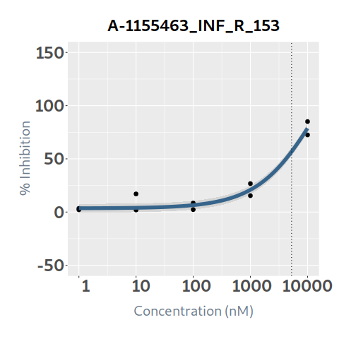 78.729745753 | 0.9590267108 | 11 | 4.8537704946 | 5.531844849 | -0.470702714 | 3.8655791538 | 0.98819134079 | INF_R_153
2 | A-1210477 | 540.80800188 | 716.5033623 | 619.37833118 | 609.6705072 | 7.6422966119 | -4.2371791395 | 98.068953195 | 5 | 50000 | 23.08474501 | -4.2371791395 | -4.2371786274 | 14.189998463 | 98.068942583 | 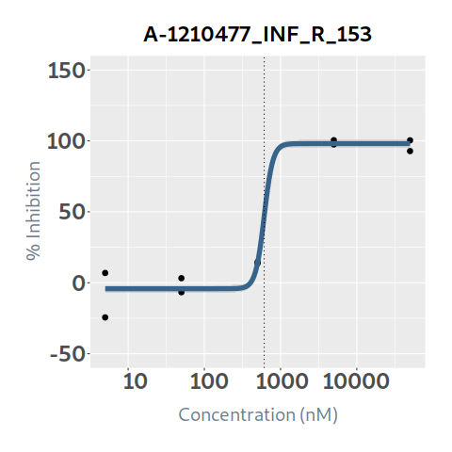 98.068953195 | 0.97308117041 | 10 | 22.463330693 | 12.516703834 | 10.568041176 | 11.609261244 | 10.854069449 | INF_R_153
3 | A-1331852 | 1635.8860869 | 17434.462743 | 7233.37744 | 8887.3852548 | 0.47390024672 | 0 | 110 | 0.1 | 1000 | 0.305357635 | 0.25459598013 | 0.75797427878 | 2.2556153441 | 6.7035341505 | 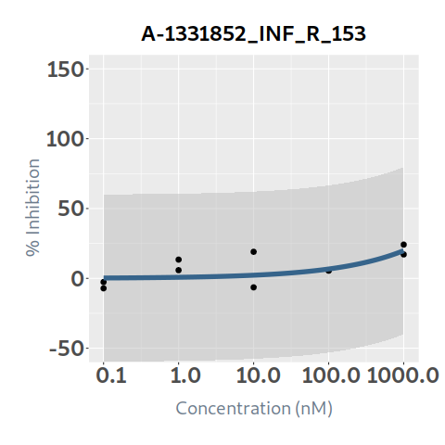 19.844897556 | 0.4014992203 | 11 | 0.12260085236 | 4.502550927 | -4.197193292 | 2.535391021 | -2.4127901686 | INF_R_153
4 | Afatinib | 544.23331495 | 81167.402231 | 9218.9918188 | 11949.353076 | 0.1292037127 | -4.5130044868 | 110 | 0.1 | 1000 | 1.55370347 | -2.7634468105 | -0.21139102465 | 5.0247368824 | 14.495712474 | 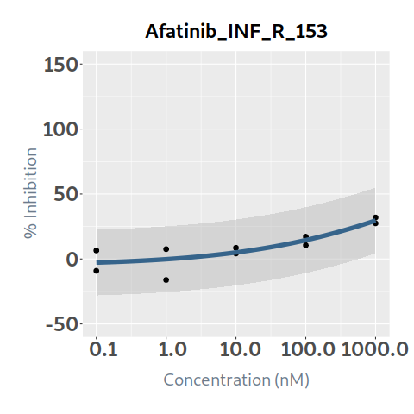 29.584858693 | 0.74674676368 | 11 | 1.1602230379 | 0.0389263 | 1.51477717 | 0.013317952317 | 1.1469050856 | INF_R_153
5 | Alectinib |  |  |  | 11.680700754 | 8.787144036 | -10 | -5.9895422132 | 0.1 | 1000 | 0 | -11.290062404 | -11.2900624 | -9.7232645923 | -5.9895422338 | 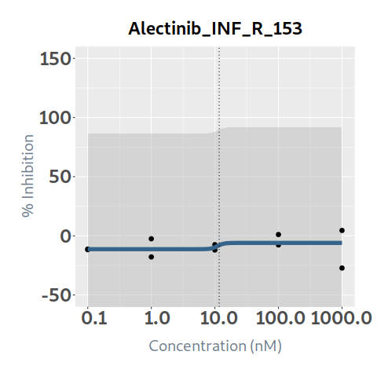 -5.9895422132 | 0.022698875998 | 10 | 0 | 0.011921632 | -0.011921632 | 0.0029336637049 | -0.0029336637049 | INF_R_153
6 | AMG-232 |  |  |  |  | -7.3504463812 | -2.6846366001 | 11.952597446 | 1 | 10000 | 0 | 11.952597446 | 11.95259448 | -0.043002178398 | -2.6846364563 | 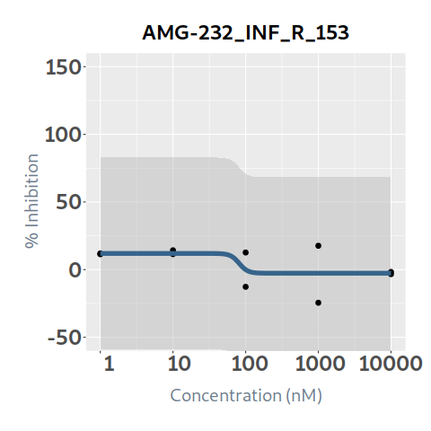 -2.6846366001 | 0.29057649976 | 10 | 0 | 1.915994849 | -1.915994849 | 1.2448230705 | -1.2448230705 | INF_R_153
7 | APR-246 |  |  |  |  | -2.0054979676 | 6.8529368645 | 82.767994986 | 1 | 10000 | 0 | 17.97012476 | 6.8529382876 | 6.8529368645 | 6.8529368645 | 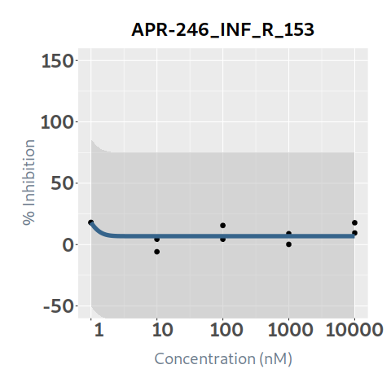 6.8529368645 | 0.31801942112 | 10 | 0 | 1.267939166 | -1.267939166 | 0.997834619 | -0.997834619 | INF_R_153
8 | Axitinib | 1669.643746 | 10000 | 10000 | 1421.4341954 | 3.0175999231 | -5.0714747913 | 41.803363698 | 1 | 10000 | 3.21052608 | -5.0714747913 | -5.0714747913 | -5.0714747599 | 3.5230711528 | 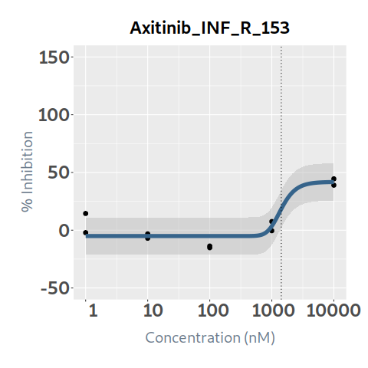 41.702849316 | 0.83830631034 | 10 | 2.6914042724 | 1.038561721 | 2.171964359 | 0.83296660714 | 1.8584376652 | INF_R_153
9 | Bortezomib | 40.412949102 | 98.312715851 | 71.588394944 | 73.270045545 | 15.512629517 | 4.3829672077 | 98.606220181 | 0.1 | 1000 | 14.411074785 | 4.3879084891 | 4.5039747831 | 7.3463347851 | 76.611413864 | 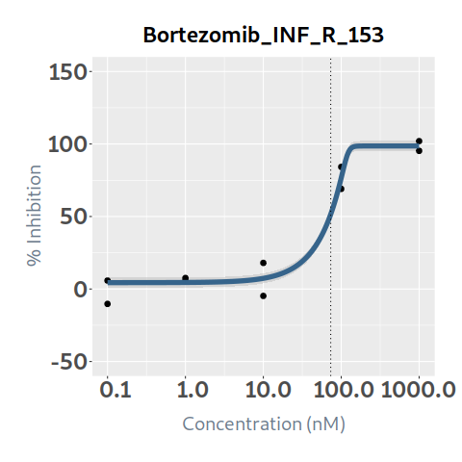 98.606220181 | 0.96528413652 | 10 | 13.91078188 | 17.356700932 | -2.945626147 | 16.164805182 | -2.2540233018 | INF_R_153
10 | Busulfan |  |  |  |  | -16.928225571 | -10 | 5.338449849 | 1 | 10000 | 0 | 5.338449849 | 5.338449849 | 5.338449849 | 5.3384417763 | 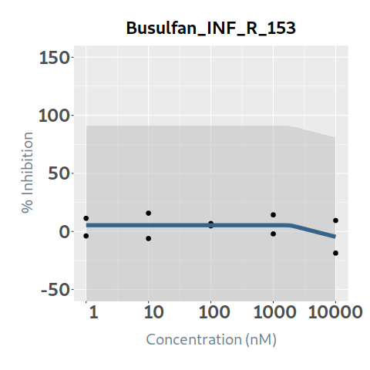 -4.6034122021 | 0.1446090544 | 10 | 0 | 0 | 0 | 0 | 0 | INF_R_153
11 | Cabozantinib | 63.214814281 | 1000.0000021 | 80.115177092 | 73.05934249 | 7.210007512 | 8.7144876523 | 71.238112472 | 0.1 | 1000 | 9.61231047 | 8.7144876523 | 8.7144876523 | 8.7145247149 | 65.347372089 | 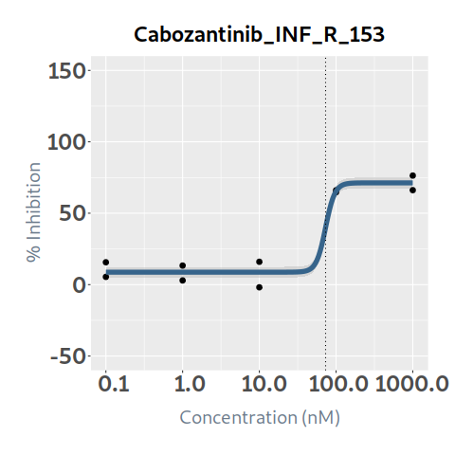 71.238112071 | 0.96275118369 | 10 | 9.254263283 | 1.242222756 | 8.370087714 | 0.83090311763 | 8.4233601653 | INF_R_153
12 | Ceritinib | 581.81243106 | 1422.5373972 | 922.57769873 | 1022.9491607 | 1.6375062358 | 2.3627837924 | 110 | 0.25 | 2500 | 4.898381615 | 2.3627837924 | 2.3627838104 | 2.3630608515 | 4.7142093707 | 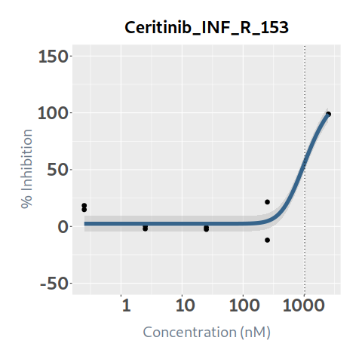 98.751227586 | 0.93190414996 | 11 | 4.5648221551 | 3.007177461 | 1.891204154 | 2.6584832225 | 1.9063389326 | INF_R_153
13 | Chloroquine | 2247.7639373 | 21526.276275 | 8467.3393835 | 7674.4250659 | 2.5889271616 | -10 | 105.4370694 | 10 | 100000 | 13.164950745 | -9.4422098339 | -2.1994768484 | 14.716945081 | 54.031518426 | 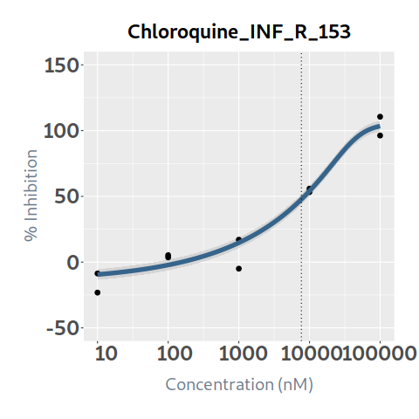 103.40903039 | 0.95926162086 | 10.54370694 | 12.62863199 | 2.603499378 | 10.561451367 | 2.4430835192 | 10.185548471 | INF_R_153
14 | Cisplatin | 69024.47474 | 102577.35562 | 86204.578121 | 90373.926121 | 2.3156441193 | 2.9465650793 | 110 | 10 | 100000 | 0.87835 | 2.9465650793 | 2.9465650793 | 2.9465650793 | 2.9465678393 | 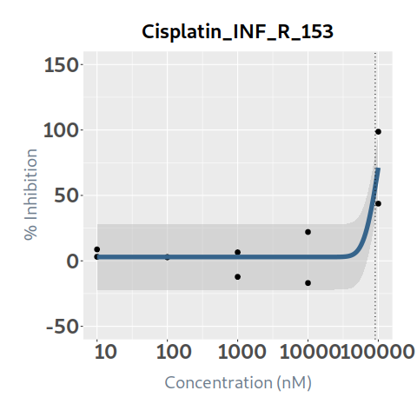 71.185725114 | 0.74975911141 | 11 | 0.6585509155 | 4.685485657 | -3.807135657 | 4.0797730212 | -3.4212221057 | INF_R_153
15 | Cobimetinib | 67.875672957 | 127.14195559 | 87.598332523 | 82.262906053 | 3.8108058001 | 1.1491315676 | 86.70815041 | 0.1 | 1000 | 11.07403666 | 1.1491315676 | 1.1491315676 | 1.1491335378 | 61.274142695 | 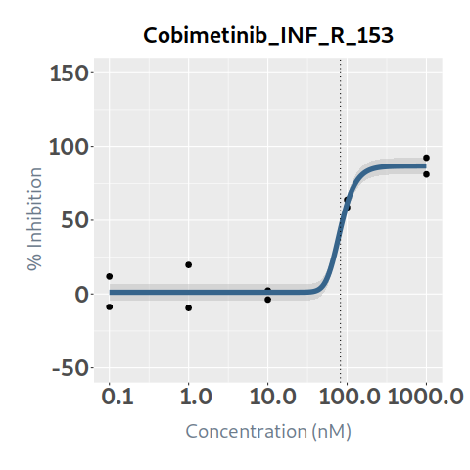 86.703147974 | 0.9442626527 | 10 | 10.456799233 | 6.804995753 | 4.269040907 | 4.8629018807 | 5.593897352 | INF_R_153
16 | Crizotinib | 39.788604438 | 784.97506164 | 201.07477082 | 378.68876083 | 0.43996116475 | 13.563898582 | 110 | 1 | 10000 | 20.77378824 | 13.570188355 | 15.501731527 | 37.791149448 | 79.139372633 | 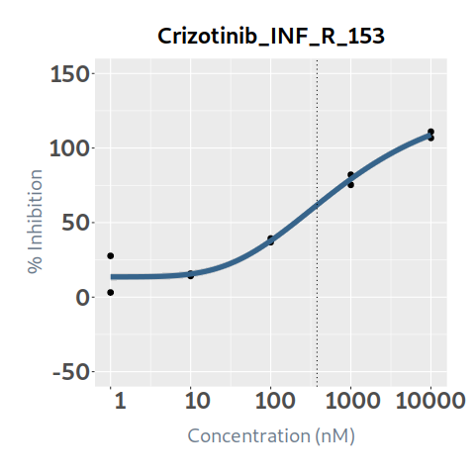 108.80886272 | 0.97543927343 | 11 | 20.263568907 | 7.52694196 | 13.24684628 | 6.0958599725 | 14.167708935 | INF_R_153
17 | Cytarabine | 112.82293568 |  | 141.41625164 | 117.35160836 | 8.1775053187 | 3.019462869 | 58.339014481 | 1 | 10000 | 12.801835395 | 3.019462869 | 3.019462869 | 10.042130539 | 58.339013434 | 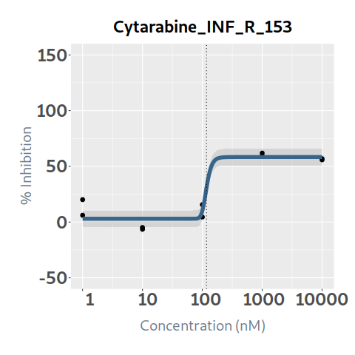 58.339014481 | 0.92568274231 | 10 | 11.850438095 | 5.113108753 | 7.688726642 | 3.8600141112 | 7.9904239838 | INF_R_153
18 | Dabrafenib | 1302.9798902 | 2500 | 2500 | 676.83822298 | 1.4741865602 | -0.50561150618 | 33.234242915 | 0.25 | 2500 | 1.204868485 | -0.50561150618 | -0.50561150522 | -0.50542547117 | 2.6970425661 | 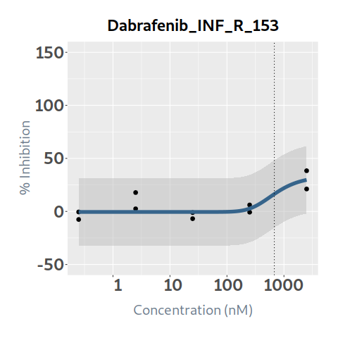 29.731033297 | 0.6823547417 | 10 | 0.82214772386 | 0.155504909 | 1.049363576 | 0.053950660389 | 0.76819706347 | INF_R_153
19 | Dactinomycin | 0.95340846877 | 1.28615839 | 1.1006110554 | 1.0854335559 | 8.3258497884 | 1.9776461126 | 92.77926774 | 0.1 | 1000 | 33.88585445 | 1.9776463293 | 32.45908158 | 92.779266891 | 92.77926774 | 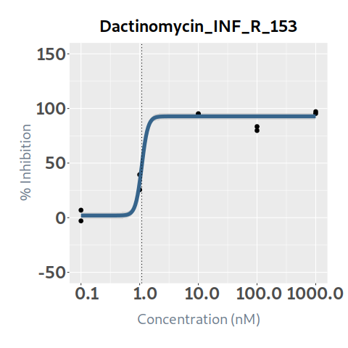 92.77926774 | 0.96973312565 | 10 | 32.860235551 | 16.938586753 | 16.947267697 | 13.912857961 | 18.94737759 | INF_R_153
20 | Dasatinib | 1000 | 1000 | 1000 | 62.358079365 | 4.1238826906 | -5.1676687604 | 17.991723809 | 0.1 | 1000 | 1.137316585 | -5.1676687604 | -5.1676687604 | -5.1676618256 | 15.527674253 | 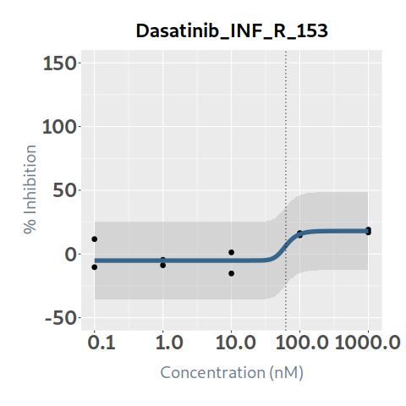 17.991523097 | 0.69443565818 | 10 | 0.78979319127 | 4.634136322 | -3.496819737 | 4.0025824104 | -3.2127892191 | INF_R_153
21 | Daunorubicin | 89.75597662 | 152.29379864 | 113.33783847 | 109.35596679 | 3.5831398933 | -2.7857458979 | 95.192017044 | 0.1 | 1000 | 10.719122935 | -2.7857458979 | -2.7857458979 | -2.7857457017 | 36.44963371 | 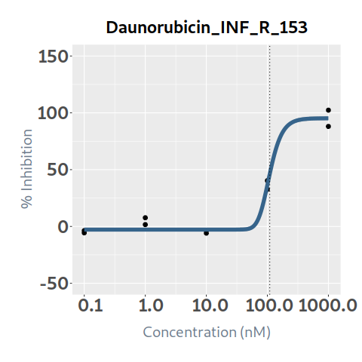 95.164210344 | 0.98082016885 | 10 | 10.513531967 | 3.818712814 | 6.900410121 | 3.5621980184 | 6.9513339487 | INF_R_153
22 | Decitabine |  |  |  |  | -8.8585081752 | -0.072245394015 | 6.5796713141 | 1 | 10000 | 0 | 6.5796713141 | 6.5796713039 | 3.0775751477 | -0.072245385728 | 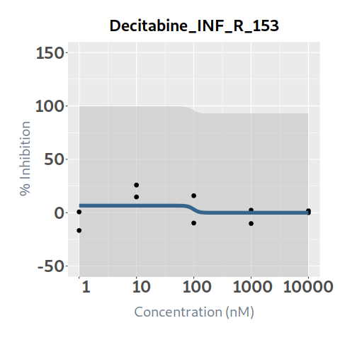 -0.072245394015 | 0.070132502341 | 10 | 0 | 0.119642146 | -0.119642146 | 0.023076726741 | -0.023076726741 | INF_R_153
23 | Doxorubicin | 101.48008785 | 191.72179319 | 131.23640855 | 119.42707719 | 3.3440884668 | -6.7659476045 | 88.955808323 | 0.1 | 1000 | 9.342334185 | -6.7659476045 | -6.7659476045 | -6.7659471213 | 23.595062952 | 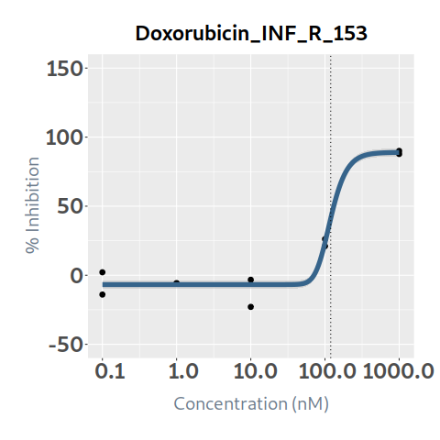 88.893830468 | 0.97124595788 | 10 | 9.0737043144 | 3.629840247 | 5.712493938 | 3.3193005005 | 5.7544038139 | INF_R_153
24 | Entinostat | 332.2663927 | 980.21455569 | 658.89623136 | 643.49592741 | 9.0115948062 | 4.1090212377 | 93.439227532 | 1 | 10000 | 14.19754566 | 4.1352676631 | 4.4801615195 | 9.3571686142 | 76.35526179 | 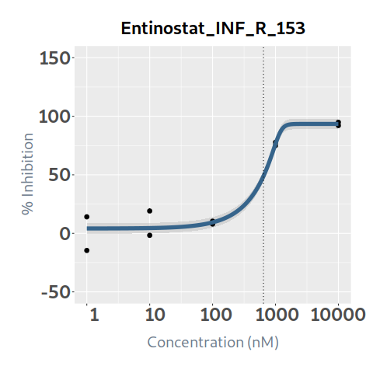 93.439227484 | 0.95552629277 | 10 | 13.566128171 | 9.851309141 | 4.346236519 | 9.0188739159 | 4.547254255 | INF_R_153
25 | Entrectinib | 1.1017870819 | 69977.736291 | 38.65850362 | 6.2177102819 | 0.15037427167 | -10 | 87.366656117 | 0.1 | 1000 | 16.178196485 | -0.033335997 | 24.134726613 | 41.907788366 | 54.835454015 | 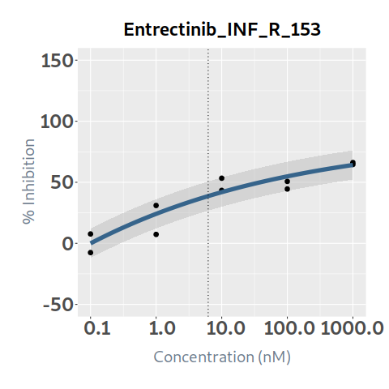 64.164147664 | 0.88047031724 | 10 | 14.244421792 | 0.27174247 | 15.906454015 | 0.072678122336 | 14.171743669 | INF_R_153
26 | Erlotinib | 8423.1537077 | 14567.986932 | 11401.05224 | 12263.903734 | 1.9355807557 | 4.4691109017 | 110 | 1 | 10000 | 0.325086135 | 4.4691109017 | 4.4691109017 | 4.4691109017 | 4.4691389111 | 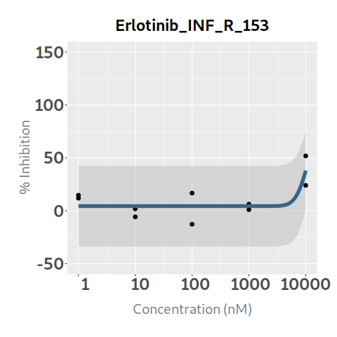 37.980761364 | 0.61882798292 | 11 | 0.2011723972 | 0.767453205 | -0.44236707 | 0.31783548377 | -0.11666308658 | INF_R_153
27 | Etoposide | 970.56321657 | 4371.0257669 | 1407.6553075 | 1227.5590821 | 3.2464985909 | 6.2499687404 | 75.886038527 | 1 | 10000 | 7.98308973 | 6.2499687404 | 6.2499687404 | 6.2499695 | 26.917697929 | 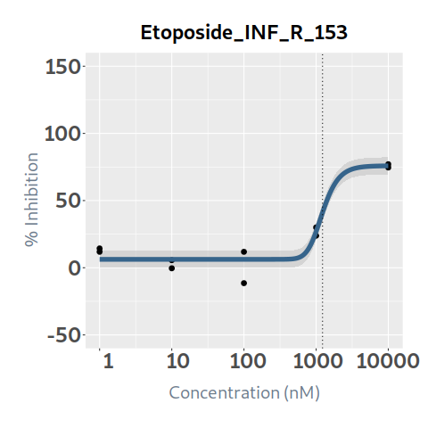 75.825200409 | 0.93620424551 | 10 | 7.4738024975 | 0.485677021 | 7.497412709 | 0.21797720547 | 7.2558252921 | INF_R_153
28 | Everolimus | 100 | 100 | 100 | 0.031867235035 | 0.44164539696 | -10 | 17.69928359 | 0.01 | 100 | 2.09145156 | -4.7305619407 | 9.1891094033 | 14.565619822 | 16.558382255 | 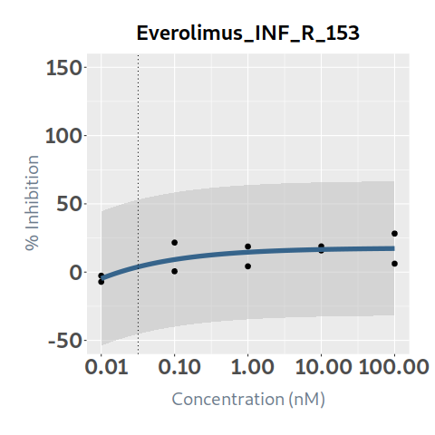 17.285631787 | 0.50834019998 | 10 | 1.0631689043 | 5.274897677 | -3.183446117 | 3.3403758987 | -2.2772069944 | INF_R_153
29 | Foretinib | 1.6927013079 | 86.532192132 | 12.044493505 | 12.044493505 | 0.2212904404 | -10 | 110 | 0.1 | 1000 | 21.50432933 | -4.7883622529 | 18.70794943 | 47.583250962 | 76.745264255 | 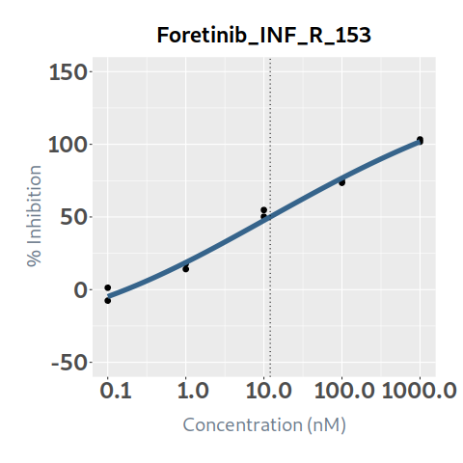 101.79282076 | 0.99044648762 | 11 | 21.298887453 | 1.219179968 | 20.285149362 | 0.89434720118 | 20.404540252 | INF_R_153
30 | Gemcitabine | 2.2355336324 | 1000 | 10.764324968 | 2.2308318895 | 1.1697997532 | -6.7430104376 | 56.635585927 | 0.1 | 1000 | 15.498195335 | -6.7430104004 | 4.2312695973 | 49.438804683 | 56.120408169 | 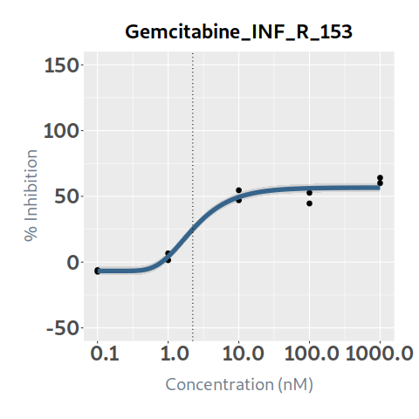 56.600604219 | 0.96624554858 | 10 | 14.975062253 | 0.89108177 | 14.607113565 | 0.63438320079 | 14.340679053 | INF_R_153
31 | I-BET151 | 158.58067931 | 10000 | 744.89691631 | 244.54294017 | 0.74286465898 | -2.192106159 | 68.500223576 | 1 | 10000 | 10.819130005 | -2.192106159 | -2.1439257043 | 16.244582221 | 53.203690767 | 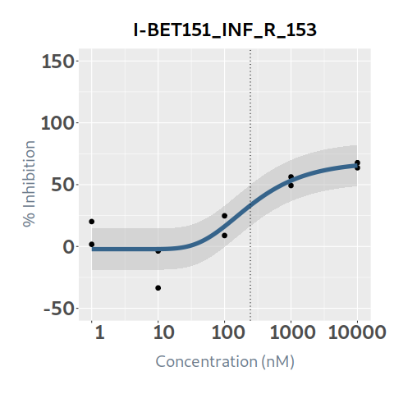 65.44993303 | 0.83302966996 | 10 | 9.0126562973 | 3.574245907 | 7.244884098 | 2.8668202107 | 6.1458360867 | INF_R_153
32 | Idasanutlin | 8093.3376909 | 9772.8343199 | 9041.4691002 | 9045.70623 | 5.6211796721 | -9.7376684695 | 110 | 1 | 10000 | 0.553637775 | -9.7376684695 | -9.7376684695 | -9.7376684688 | -9.7373661796 | 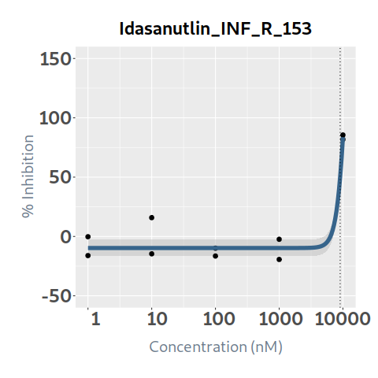 83.633480113 | 0.92981202881 | 11 | 0.5147790628 | 2.262314746 | -1.708676971 | 1.3741494414 | -0.85937037861 | INF_R_153
33 | Imatinib | 7070.7974267 | 9244.1616311 | 8234.7781805 | 8438.3804574 | 3.0991416491 | -0.15747129057 | 110 | 1 | 10000 | 1.008031415 | -0.15747129057 | -0.15747129057 | -0.15747129057 | -0.15747099817 | 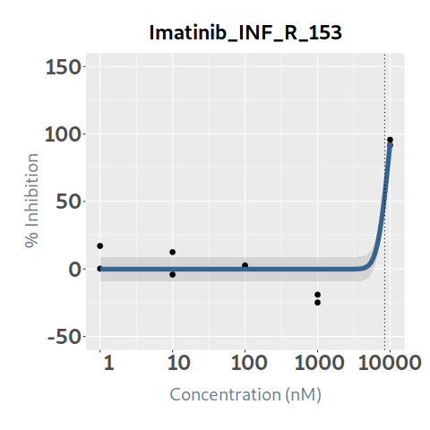 93.721616142 | 0.90900920336 | 11 | 0.91630983351 | 0.938392634 | 0.069638781 | 0.36227171147 | 0.55403812204 | INF_R_153
34 | Irinotecan | 934.73742807 | 1884.6007841 | 1247.1304955 | 1179.3141628 | 3.4202192201 | 3.5034036202 | 86.887065613 | 1 | 10000 | 9.446989605 | 3.5034036202 | 3.5034036202 | 3.5034037553 | 30.590481856 | 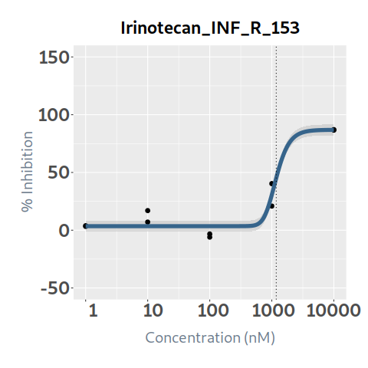 86.843328659 | 0.95263030703 | 10 | 8.999488608 | 0.046229123 | 9.400760482 | 0.02560399457 | 8.9738846134 | INF_R_153
35 | Lapatinib |  |  |  |  | -6.4115143353 | -10 | -4.3540480782 | 0.1 | 1000 | 0 | -4.3540480782 | -4.3540480782 | -4.3540480782 | -4.354051362 | 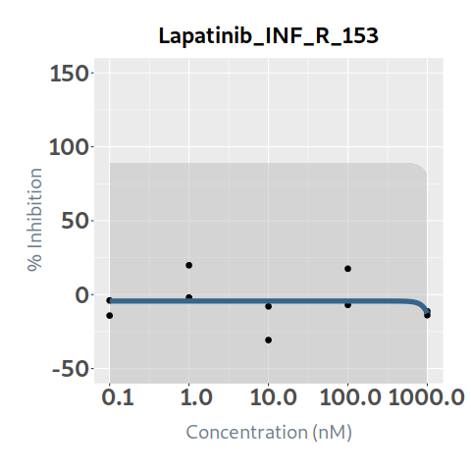 -12.603064788 | 0.062601183435 | 10 | 0 | 0 | 0 | 0 | 0 | INF_R_153
36 | Larotrectinib | 1.9127882196 | 1000 | 11.244487678 | 3.1153557452 | 0.96089216359 | -2.0377085568 | 66.310096298 | 0.1 | 1000 | 17.60286747 | 1.8731142568 | 16.726285132 | 48.617200449 | 63.693249548 | 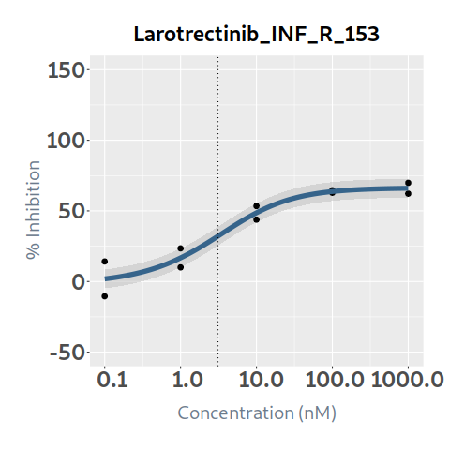 66.012123268 | 0.93346478914 | 10 | 16.431656971 | 0.964708096 | 16.638159374 | 0.19210309439 | 16.239553877 | INF_R_153
37 | Lorlatinib | 176.95156459 | 25944.288754 | 833.83671348 | 502.77338309 | 0.65076462046 | 5.740940172 | 78.883225656 | 1 | 10000 | 11.033932355 | 5.7409407826 | 5.8125051313 | 16.754005095 | 52.506688242 | 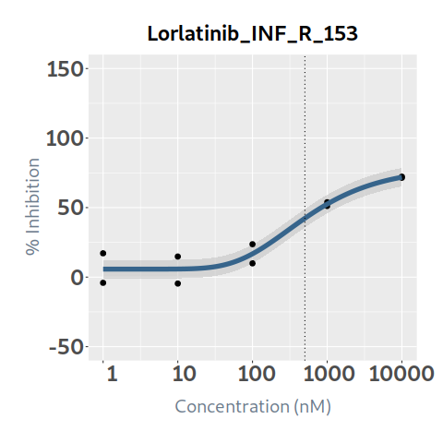 71.838646297 | 0.93329481618 | 10 | 10.297911869 | 1.729413744 | 9.304518611 | 1.3184814576 | 8.9794304115 | INF_R_153
38 | Melphalan | 10000 | 10000 | 10000 | 3292.9712551 | 13.230182975 | -3.5482484956 | 0 | 1 | 10000 | 0 | -3.5482484956 | -3.5482484956 | -3.5482484956 | -3.5482478984 | 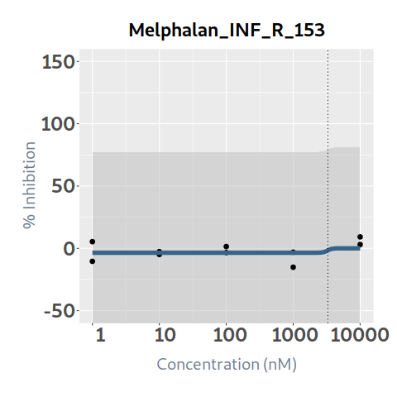 -1.2408383407E-06 | 0.19042279999 | 10 | 0 | 0.224676694 | -0.224676694 | 0.044764289691 | -0.044764289691 | INF_R_153
39 | Mercaptopurine |  |  |  |  | -10.778170113 | -5.3149523707 | -1.0064489698 | 1 | 10000 | 0 | -1.0064489698 | -1.0064489698 | -1.0064489743 | -5.3149520856 | 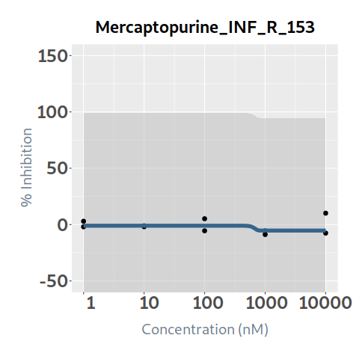 -5.3149523707 | 0 | 10 | 0 | 0.372376666 | -0.372376666 | 0.099199040458 | -0.099199040458 | INF_R_153
40 | Merestinib | 21.109516932 | 188.2230654 | 61.03894227 | 43.870138228 | 2.3328300858 | 1.1507797782 | 80.687682023 | 0.1 | 1000 | 12.857086965 | 1.6057874855 | 3.6573922911 | 14.942063083 | 63.514704973 | 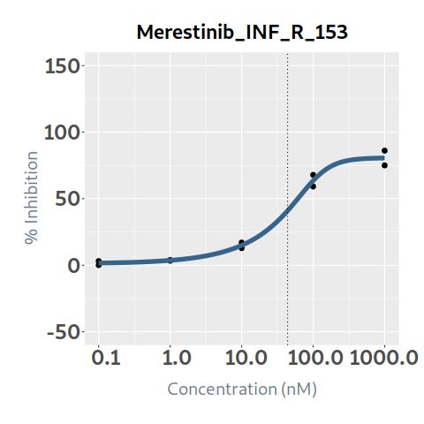 80.553077405 | 0.98958548995 | 10 | 12.723186704 | 1.601448158 | 11.255638807 | 0.81515463886 | 11.908032065 | INF_R_153
41 | Methotrexate |  |  |  | 108.8069585 | 10.707935371 | 1.1865016388 | 12.624049312 | 0.5 | 5000 | 0.57505101 | 1.1865016388 | 1.1865016388 | 1.1865016388 | 12.624048636 | 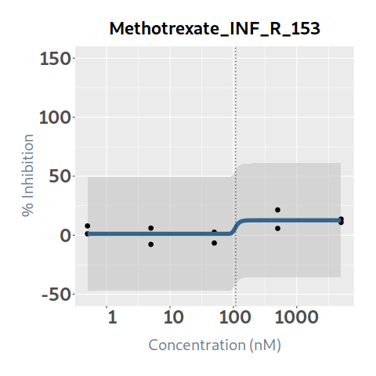 12.624049312 | 0.5170831465 | 10 | 0.29734918565 | 0.304022633 | 0.271028377 | 0.087709020878 | 0.20964016477 | INF_R_153
42 | Mitoxantrone | 18.280897536 | 250.27687334 | 68.100255837 | 48.175750941 | 1.1762558327 | -6.6466898747 | 92.071119344 | 0.1 | 1000 | 12.889115665 | -4.6024555176 | 0.32540417548 | 16.73644599 | 58.158985594 | 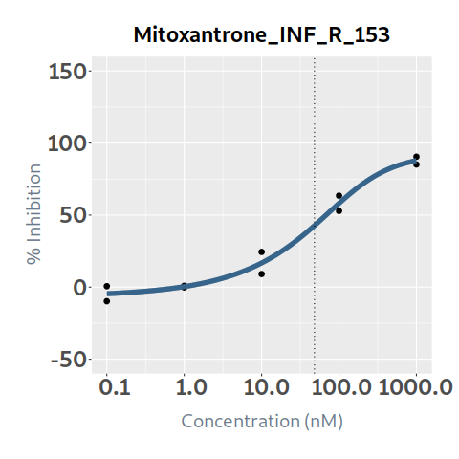 87.819621368 | 0.98128072158 | 10 | 12.64784072 | 3.48167832 | 9.407437345 | 3.1284935689 | 9.5193471514 | INF_R_153
43 | Navitoclax | 2630.5485673 | 8789.1512872 | 5706.7052613 | 6580.46648 | 1.7435998556 | 4.2148367425 | 110 | 1 | 10000 | 3.432901045 | 4.2212784237 | 4.2832530583 | 4.9414740384 | 11.929898609 | 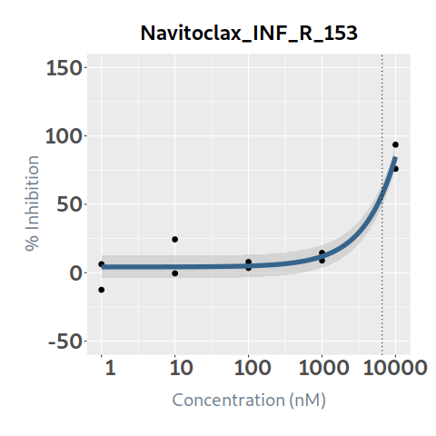 84.738854746 | 0.91714868691 | 11 | 3.1484806857 | 3.016510725 | 0.41639032 | 0.99421231519 | 2.1542683705 | INF_R_153
44 | Nilotinib | 11723.508942 | 16721.08564 | 14209.647011 | 14209.647011 | 1.5260455586 | -10 | 110 | 1 | 10000 | 0 | -15.953823658 | -15.953823658 | -15.953823658 | -15.953823577 | 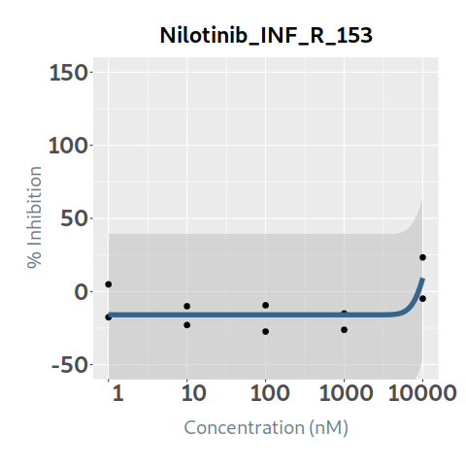 9.2043468117 | 0.44859665462 | 11 | 0 | 0.624624013 | -0.624624013 | 0.5544395826 | -0.5544395826 | INF_R_153
45 | Olaparib | 34353255.132 | 1.8688003273E+21 | 221538402520893 | 221538402520893 | 0.0075341111773 | -10 | 110 | 1 | 10000 | 0.015585385 | -2.9577663272 | 0.76204336704 | 4.4798088742 | 8.1949949251 | 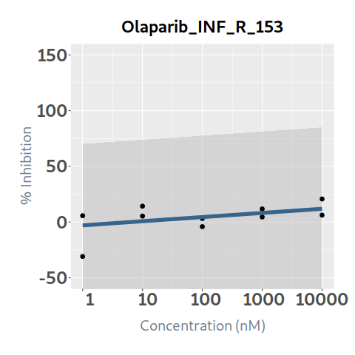 11.907067361 | 0.2693127458 | 11 | 0.0041973428287 | 1.183527039 | -1.167941654 | 0.8747797556 | -0.87058241278 | INF_R_153
46 | Paclitaxel | 0.55264373257 | 8.7820429092 | 3.2891950298 | 2.8736006691 | 4.8807472657 | 6.7818975542 | 87.75044348 | 0.1 | 1000 | 28.74489319 | 14.740938412 | 31.062704481 | 78.383080821 | 87.750184232 | 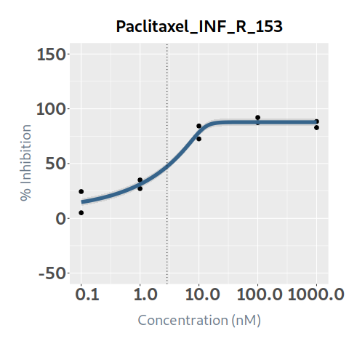 87.750443476 | 0.96632908254 | 10 | 27.777026264 | 1.269458218 | 27.475434972 | 0.4230789101 | 27.353947354 | INF_R_153
47 | Palbociclib | 881.47176801 | 1775193.4668 | 40430.05332 | 40430.05332 | 0.027406344992 | -10 | 110 | 1 | 10000 | 4.169892825 | -18.149827324 | -3.7018546051 | 10.964073393 | 25.818241461 | 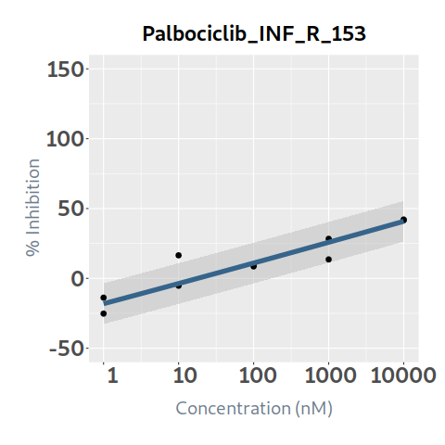 40.829565467 | 0.85448225987 | 11 | 3.5630994445 | 1.9432049 | 2.226687925 | 1.5282650792 | 2.0348343654 | INF_R_153
48 | Panobinostat | 9.6399537571 | 23.536436639 | 14.387525766 | 14.217730225 | 1.9191010156 | -0.18772817144 | 98.727631831 | 0.1 | 1000 | 21.637174495 | -0.18772817144 | -0.18772298036 | 27.167129535 | 97.011447385 | 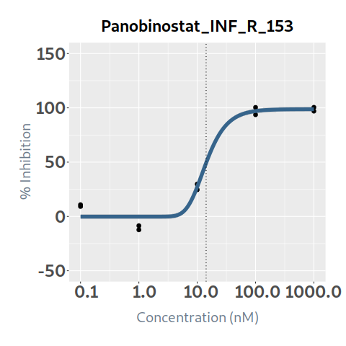 98.706742581 | 0.97717610552 | 10 | 21.143329908 | 14.173949592 | 7.463224903 | 12.779601126 | 8.3637287812 | INF_R_153
49 | Pazopanib | 10000 | 10000 | 10000 | 1067.5815236 | 3.3784127886 | -2.5473061704 | 22.836823084 | 1 | 10000 | 1.451724585 | -2.5473061704 | -2.5473061704 | -2.5473061568 | 8.3682024004 | 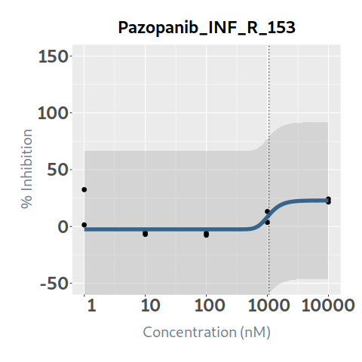 22.826592179 | 0.31124781454 | 10 | 0.45184610439 | 0.495231694 | 0.956492891 | 0.29032837813 | 0.16151772626 | INF_R_153
50 | Ponatinib | 15.346117828 | 46.322332161 | 25.667413879 | 27.183907498 | 1.2715956736 | -3.3719953246 | 108.86787487 | 0.1 | 1000 | 19.44180861 | -3.3719953246 | -3.3719816918 | 8.5113042301 | 94.514987128 | 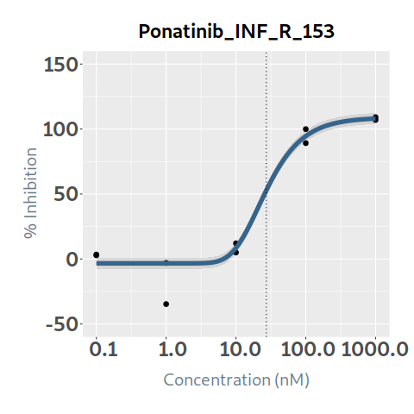 108.04277987 | 0.95796191779 | 10.886787487 | 18.624512261 | 3.254489151 | 16.187319459 | 2.687519041 | 15.93699322 | INF_R_153
51 | Rapamycin (Sirolimus) | 100 | 100 | 100 | 0.11715518803 | 0.3503302101 | -10 | 24.85724492 | 0.01 | 100 | 3.35392069 | -15.938488363 | 6.4435958179 | 16.596971064 | 21.162002249 |  23.206232589 | 0.71556805945 | 10 | 2.3999585197 | 3.30332516 | 0.05059553 | 2.4797662002 | -0.079807680521 | INF_R_153
52 | Ribociclib | 10506.541541 | 20162.792614 | 15482.800088 | 17424.511101 | 1.228560871 | 11.060733206 | 110 | 1 | 10000 | 0.21038799 | 11.060733206 | 11.060733206 | 11.060733206 | 11.060733292 |  22.917329541 | 0.20918092342 | 11 | 0.044009154025 | 0.938676849 | -0.728288859 | 0.72437530025 | -0.68036614623 | INF_R_153
53 | Ruxolitinib | 876.02988903 | 10000 | 1768.2263809 | 1135.0026198 | 5.6178788939 | -4.1152657338 | 69.645084807 | 1 | 10000 | 7.316495715 | -4.0580432401 | -3.6394287503 | -0.1584155559 | 28.7493787 |  69.641057017 | 0.9479137343 | 10 | 6.9354067752 | 0 | 7.316495715 | 0 | 6.9354067752 | INF_R_153
54 | Selinexor | 5.6004854368 | 2114.7365656 | 152.89575528 | 152.89575528 | 0.098730524881 | -10 | 110 | 1 | 10000 | 21.186142905 | 14.532901878 | 28.897219663 | 46.401022662 | 67.383821625 |  92.067530673 | 0.92417684836 | 11 | 19.579742779 | 4.511604391 | 16.674538514 | 3.7387166103 | 15.841026169 | INF_R_153
55 | Selumetinib | 189.51802278 | 7727.1663528 | 1632.499235 | 1632.499235 | 0.35711938903 | -10 | 110 | 1 | 10000 | 9.94111152 | -7.4363020661 | 3.1960978085 | 19.243755163 | 43.441622069 |  79.849987726 | 0.94689872842 | 11 | 9.4132258573 | 6.704552579 | 3.236558941 | 4.4661310109 | 4.9470948464 | INF_R_153
56 | Sorafenib | 105.64419621 | 999.99988875 | 999.99988875 | 100.26093181 | 10.034840215 | 1.0571300169 | 39.165952585 | 0.1 | 1000 | 3.92148303 | 1.0571300169 | 1.0571300169 | 1.0571300203 | 19.862419182 |  39.165952581 | 0.82363023883 | 10 | 3.2298520046 | 0.017011992 | 3.904471038 | 0.0016492466349 | 3.2282027579 | INF_R_153
57 | Sunitinib | 85.670887793 | 4597.2458238 | 609.15817674 | 1053.5231803 | 0.33198878672 | 4.505381394 | 110 | 0.1 | 1000 | 5.0311007 | 4.5059631893 | 4.6609640489 | 8.5156741821 | 26.749709325 |  56.571806438 | 0.85863472505 | 11 | 4.3198777662 | 0.662154812 | 4.368945888 | 0.37153034437 | 3.9483474219 | INF_R_153
58 | Talazoparib | 276.29351751 | 26191.594478 | 5273.7928341 | 10032.122334 | 0.17358088355 | 7.53636294 | 110 | 0.1 | 1000 | 3.046281205 | 8.9394852002 | 10.492688087 | 13.713097652 | 20.285317203 |  33.39585948 | 0.67192288232 | 11 | 2.0468660476 | 0.100870307 | 2.945410898 | 0.0012086947026 | 2.0456573529 | INF_R_153
59 | Tazemetostat | 8.1551091802E+39 | 10000 | 10000 | 1.2392936211E+39 | 0.012294623569 | -10 | 35.280778377 | 1 | 10000 | 0 | -8.8136507468 | -8.2856951458 | -7.7549171214 | -7.2215518467 |  -6.6858380797 | 0 | 10 | 0 | 0.009117094 | -0.009117094 | 0.0027049740325 | -0.0027049740325 | INF_R_153
60 | Temozolomide |  |  |  |  | -0.29363738398 | -4.8157963928 | 49.153493771 | 10 | 100000 | 0 | 11.570802996 | 4.9797338217 | 0.65391220334 | -1.8881828628 |  -3.2860811562 | 0.32865758601 | 10 | 0 | 0.141373458 | -0.141373458 | 0.0066727262835 | -0.0066727262835 | INF_R_153
61 | Temsirolimus |  |  |  | 0.013989624015 | 10.42310626 | 0 | 23.447306845 | 0.01 | 100 | 7.10606954 | 0.68772129826 | 23.447306816 | 23.447306845 | 23.447306845 |  23.447306845 | 0.6640270069 | 10 | 4.7186220875 | 6.635700054 | 0.470369486 | 3.8100025902 | 0.90861949728 | INF_R_153
62 | Thioguanine | 2500.6180651 | 9807.27161 | 5890.097722 | 6552.6202159 | 2.3575744782 | -1.1072609274 | 110 | 1 | 10000 | 3.331047045 | -1.0510662918 | -0.76481554356 | 0.97957232594 | 11.609561176 |  76.161298182 | 0.89862265896 | 11 | 2.9933543527 | 5.395124532 | -2.064077487 | 4.8086072637 | -1.815252911 | INF_R_153
63 | Thiotepa | 65942.737551 | 106469.8433 | 87072.262501 | 89888.85061 | 0.80618241426 | -2.8706005628 | 110 | 5 | 50000 | 0 | -2.8706005628 | -2.8706005628 | -2.8706005628 | -2.870599566 |  9.8895297048 | 0.17199426081 | 11 | 0 | 0.057771152 | -0.057771152 | 0.0036298086304 | -0.0036298086304 | INF_R_153
64 | Topotecan | 32.148241227 | 617.16045938 | 112.32633149 | 99.383330522 | 0.60168923137 | 0.98581589811 | 94.335692035 | 1 | 10000 | 20.50639548 | 0.98998291456 | 7.2353571807 | 47.780258008 | 79.450536057 |  90.360153514 | 0.9862890939 | 10 | 20.225234217 | 6.311561054 | 14.194834426 | 4.1514047797 | 16.073829437 | INF_R_153
65 | Trametinib | 1.4106913468 | 42.24032315 | 9.4466013075 | 3.9100545754 | 2.6920904446 | -10 | 84.389594516 | 0.25 | 2500 | 26.540124135 | 9.3792709968 | 31.527162382 | 66.463083081 | 84.237979177 |  84.389283494 | 0.97087312085 | 10 | 25.767093147 | 12.830710175 | 13.70941396 | 7.5525768089 | 18.214516338 | INF_R_153
66 | Valproic acid |  |  |  |  | -5.2497321439 | -4.9956497688 | 1.2089658256 | 100 | 1000000 | 0 | 1.2089658256 | 1.2089658254 | 1.2089442684 | -1.159628186 |  -4.995593227 | 0.20378971907 | 10 | 0 | 0 | 0 | 0 | 0 | INF_R_153
67 | Vandetanib | 999.99999938 | 999.99999938 | 999.99999938 | 51.530934474 | 5.4422034735 | -0.6890865525 | 11.521849112 | 0.1 | 1000 | 0.224908365 | -0.6890865525 | -0.6890865525 | -0.68908653989 | 11.263947292 |  11.521848166 | 0.18071143016 | 10 | 0.040643512294 | 0.169824497 | 0.055083868 | 0.07889800809 | -0.038254495795 | INF_R_153
68 | Vemurafenib |  |  |  |  | -1.1539666524 | -10 | -4.8703232191 | 1 | 10000 | 0 | -4.8716173672 | -4.8882671853 | -5.0595982083 | -5.6447738952 |  -6.3800901423 | 0 | 10 | 0 | 0 | 0 | 0 | 0 | INF_R_153
69 | Venetoclax |  |  |  |  | -9.4207491257 | 0 | 13.559354482 | 0.1 | 1000 | 0 | 13.559354481 | 12.221198523 | 4.6999902179E-08 | 1.7838068605E-17 |  6.7701564411E-27 | 0.30565329094 | 10 | 0 | 0.259890811 | -0.259890811 | 0.064771005867 | -0.064771005867 | INF_R_153
70 | Vinblastine | 10.043053984 | 14.875309064 | 11.699414416 | 11.048202546 | 8.307630866 | -0.50604724427 | 81.375520936 | 0.1 | 1000 | 19.169790395 | -0.50604724427 | -0.50604707525 | 24.376834409 | 81.375520014 |  81.375520936 | 0.97448525341 | 10 | 18.680678051 | 3.043839641 | 16.125950754 | 2.6139001795 | 16.066777871 | INF_R_153
71 | Vincristine | 85.366276986 | 1000 | 128.11671415 | 105.66106562 | 3.4636423178 | 8.1924010042 | 69.199370966 | 0.1 | 1000 | 7.787611375 | 8.1924010042 | 8.1924010042 | 8.1924015186 | 35.102679024 |  69.179290772 | 0.94248341699 | 10 | 7.3396945789 | 2.187238736 | 5.600372639 | 1.5903185493 | 5.7493760296 | INF_R_153
72 | Vinorelbine | 5.6501484911 | 16.848952476 | 7.7091940404 | 7.0576723722 | 5.2400301732 | 9.1978964239 | 75.688608816 | 1 | 10000 | 28.700982865 | 9.2002718068 | 66.465256012 | 75.688547198 | 75.688608816 |  75.688608816 | 0.98881311195 | 10 | 28.379908183 | 6.624995845 | 22.07598702 | 6.1614472654 | 22.218460917 | INF_R_153
73 | Vismodegib |  |  |  |  | -18.099421292 | -3.484488989 | 3.0464909878 | 1 | 10000 | 0 | 3.0464909878 | 3.0464909878 | 3.0464906555 | -3.4844889889 |  -3.484488989 | 0.081816293223 | 10 | 0 | 0 | 0 | 0 | 0 | INF_R_153
74 | Volasertib | 3.8282442699 | 1000.0257494 | 19.055969863 | 5.802479886 | 8.7336451612 | -10 | 71.030880328 | 0.1 | 1000 | 17.09160541 | -4.6148128675 | 10.760909826 | 38.693696573 | 71.023912491 |  71.030880328 | 0.91190941677 | 10 | 15.585995921 | 1.034032972 | 16.057572438 | 0.64655502865 | 14.939440892 | INF_R_153
75 | Vorinostat | 653.8517186 | 1176.277467 | 867.62302526 | 893.15832087 | 3.45726045 | 7.7911721586 | 97.695850157 | 1 | 10000 | 12.45028972 | 7.7911721586 | 7.7911721586 | 7.7911826846 | 62.898165189 |  97.678875894 | 0.96648649245 | 10 | 12.033036842 | 8.111071358 | 4.339218362 | 5.7372077119 | 6.2958291296 | INF_R_153

