PINOUT
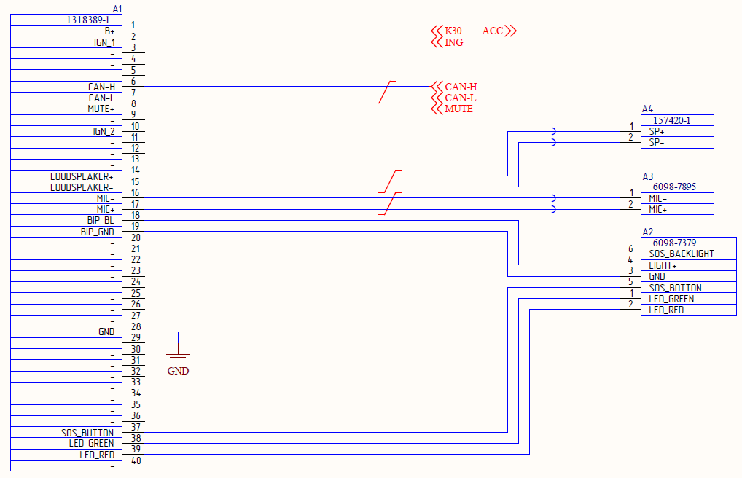
1 | KL30 | плюс питания 8-16В
2 | IGN
3
4
5
6 | CAN_H
7 | CAN_L
8 | MUTE+
9
10
11
12
13
14 | LOUDSPEAKER+
15 | LOUDSPEAKER-
16 | MIC-
17 | MIC+
18 | BIP_BL
19 | BIP_GND
20
21
22
23
24
25
26
27
28 | GND
29
30
31
32
33
34
35
36
37 | SOS_BUTTON
38 | LED_GREEN
39 | LED_REF
40

Command list 1.5
 |  |  | Exchange example
 | № | Description | STAGE | ID (HEX) | DLC | DATA
 | 1 | Switching to "TEST_MODE". | REQ: | 768 | 8 | 0x02 | 0x27 | 0x03 | 0xAA | 0xAA | 0xAA | 0xAA | 0xAA | Message identifier from diagnostic equipment (STANDARD 768)
 |  |  | RESP: | 778 | 8 | 0x07 | 0x67 | 0x03 | 0x55 | 0x55 | 0x00 | 0x00 | 0x00 | Message ID from era glonass block (STANDARD 778) | 0x99
 |  |  | REQ: | 768 | 8 | 0x04 | 0x27 | 0x04 | 0x09 | 0x11 | 0xAA | 0xAA | 0xAA | security seed (Can be any)
 |  |  | RESP: | 778 | 8 | 0x02 | 0x67 | 0x04 | 0xAA | 0xAA | 0xAA | 0xAA | 0xAA | security key (For "TEST_MODE" only 0x09 0x11)
 |  | The test mode is automatically terminated when there is no communication with the unit for more than 10 seconds or when the unit is rebooted. In this mode, the unit does not control the indication and battery charge. |  |  |  |  |  |  |  |  |  |  |  | 0x27 - SecurityAccess service (ID 0x27)

 | 2 | Check_Who_Am_I_Accelerometer | REQ: | 768 | 8 | 0x03 | 0x22 | 0x99 | 0x01 | 0xAA | 0xAA | 0xAA | 0xAA | 0x22 - ReadDataByIdentifier service (ID 0x22)
 |  |  | RESP: | 778 | 8 | 0x04 | 0x62 | 0x99 | 0x01 | 0x33 | 0xAA | 0xAA | 0xAA | 0x99… - dataIdentifier[] = [byte#1 (MSB) byte#2 ]
 |  | During normal operation of the accelerometer WHO_AM_I = 0x33. All other values are invalid. The accelerometer driver defines this value as 2 seconds. Before running this test, you must enable "TEST_MODE" |  |  |  |  |  |  |  |  |  |  |  | 0x33 - dataRecord[] #1 = [data#1 : data#k ]

 | 3 | Check_Who_Am_I_AudioCodec | REQ: | 768 | 8 | 0x02 | 0x22 | 0x99 | 0x02 | 0xAA | 0xAA | 0xAA | 0xAA | 0x22 - ReadDataByIdentifier service (ID 0x22)
 |  |  | RESP: | 778 | 8 | 0x03 | 0x62 | 0x99 | 0x99 | 0x40 | 0xAA | 0xAA | 0xAA | 0x99… - dataIdentifier[] = [byte#1 (MSB) byte#2 ]
 |  | During normal codec operation WHO_AM_I = 0x40. All other values are invalid. |  |  |  |  |  |  |  |  |  |  |  | 0x40 - actual content of Revision Code Register

 | 4 | Check_SIM_ICCID | REQ: | 768 | 8 | 0x02 | 0x22 | 0xFD | 0x03 | 0xAA | 0xAA | 0xAA | 0xAA | 0x22 - ReadDataByIdentifier service (ID 0x22)
 |  |  | RESP: | 778 | 8 | 0x10 | 0x0B | 0x62 | 0xFD | 0x03 | 0x7C | 0x7C | 0x78 | 0xFD - dataIdentifier[] = [byte#1 (MSB) byte#2 ]
 |  |  | REQ: | 768 | 8 | 0x30 | 0x01 | 0x00 | 0xAA | 0xAA | 0xAA | 0xAA | 0xAA | 0x7C - ICCID SIM in unsigned long long format (for current example 8970177000112452076)
 |  |  | RESP: | 778 | 8 | 0x21 | 0x74 | 0xA0 | 0x14 | 0xF1 | 0xEC | 0xAA | 0xAA
 |  | Returns the ICCID for the current sim chip.

 | 5 | Check_SIM_IMSI | REQ: | 768 | 8 | 0x03 | 0x22 | 0x99 | 0x04 | 0xAA | 0xAA | 0xAA | 0xAA | 0x22 - ReadDataByIdentifier service (ID 0x22)
 |  |  | RESP: | 778 | 8 | 0x10 | 0x0B | 0x62 | 0x99 | 0x04 | 0x00 | 0x00 | 0xE4 | 0x99 - dataIdentifier[] = [byte#1 (MSB) byte#2 ]
 |  |  | REQ: | 768 | 8 | 0x30 | 0x01 | 0x00 | 0xAA | 0xAA | 0xAA | 0xAA | 0xAA | 0x00.. - IMSI SIM in unsigned long long format (for current example 250770010989255)
 |  |  | RESP: | 778 | 8 | 0x21 | 0x12 | 0xF1 | 0x6C | 0xE2 | 0xC7 | 0xAA | 0xAA
 |  | Returns the IMSI for the current sim chip.

not used | 6 | Check_Microphone_Record | REQ: | 768 | 8 | 0x05 | 0x31 | 0x01 | 0x00 | 0x04 | 0x01 | 0xAA | 0xAA | 0x31 - RoutineControl service (ID 0x31)
 |  |  | RESP: | 778 | 8 | 0x05 | 0x71 | 0x01 | 0x00 | 0x04 | 0x00 | 0xAA | 0xAA | 0x01 - sub-function = [routineControlType ]
 |  | This test allows you to check the operation of the microphone through voice recording. The recording time is specified in the request. Valid values are from 1 to 30 seconds. The next microphone test cannot be started until the previous test has been completed. |  |  |  |  |  |  |  |  |  |  |  | 0x00 0x04 - routineIdentifier (High byte) routineIdentifier (Low byte)
 |  |  |  |  |  |  |  |  |  |  |  |  |  | 0x01 - routineControlOptionRecord

 | 7 | Check_Microphone_ADC | REQ: | 768 | 8 | 0x03 | 0x22 | 0x99 | 0x06 | 0xAA | 0xAA | 0xAA | 0xAA | 0x22 - ReadDataByIdentifier service (ID 0x22)
 |  |  | RESP: | 778 | 8 | 0x07 | 0x62 | 0x99 | 0x06 | 0x00 | 0x00 | 0x00 | 0x0B | 0x99 - dataIdentifier[] = [byte#1 (MSB) byte#2 ]
 |  | Returns the current value of the microphone's ADC. |  |  |  |  |  |  |  |  |  |  |  | 0x00… - current ADC MIC (11 millivolts for this example)

 | 8 | Check_KL30_ADC | REQ: | 768 | 8 | 0x03 | 0x22 | 0x99 | 0x07 | 0xAA | 0xAA | 0xAA | 0xAA | 0x22 - ReadDataByIdentifier service (ID 0x22)
 |  |  | RESP: | 778 | 8 | 0x07 | 0x62 | 0x99 | 0x07 | 0x00 | 0x00 | 0x03 | 0x04 | 0x99 - dataIdentifier[] = [byte#1 (MSB) byte#2 ]
 |  | Returns the current value of ADC KL30. |  |  |  |  |  |  |  |  |  |  |  | 0x00… - current ADC KL30 (772 millivolts for this example)

 | 9 | Check_BATTERY_ADC | REQ: | 768 | 8 | 0x03 | 0x22 | 0x99 | 0x08 | 0xAA | 0xAA | 0xAA | 0xAA | 0x22 - ReadDataByIdentifier service (ID 0x22)
 |  |  | RESP: | 778 | 8 | 0x07 | 0x62 | 0x99 | 0x08 | 0x00 | 0x00 | 0x05 | 0x25 | 0x99 - dataIdentifier[] = [byte#1 (MSB) byte#2 ]
 |  | Returns the current value of ADC BATTERY. |  |  |  |  |  |  |  |  |  |  |  | 0x00… - current ADC BAT (1317 millivolts for this example)

 | 10 | Check_digital_IO_state | REQ: | 768 | 8 | 0x03 | 0x22 | 0x99 | 0x09 | 0xAA | 0xAA | 0xAA | 0xAA | 0x22 - ReadDataByIdentifier service (ID 0x22)
 |  |  | RESP: | 778 | 8 | 0x07 | 0x62 | 0x99 | 0x09 | 0x20 | 0xF0 | 0xAA | 0xAA | 0x99 - dataIdentifier[] = [byte#1 (MSB) byte#2 ]
 |  | Returns the current state of all modem pins. (sos_btn, diag_sos_btn, en_audio, service_btn, service_ctrl, green_mode_ctrl, sos_ctrl, on_charge, on_off_mode, diag_spn, wd_out, ignition, red_mode) |  |  |  |  |  |  |  |  |  |  |  | 0x20 > (0010 0000) 7 bit - sos_btn_in state (0) 6 bit - diag_sos_btn_in state (0) 5 bit - en_audio_out state (1) 4 bit - service_btn_in state (0) 3 bit - service_ctrl_out state (0) 2 bit - green_mode_ctrl_out state (0) 1 bit - sos_ctrl_out state (0) 0 bit - on_charge_out state (0)
 |  |  |  |  |  |  |  |  |  |  |  |  |  | 0xF0 > (1111 0000) 7 bit - on_off_mode_out state (1) 6 bit - diag_spn_in state (1) 5 bit - wd_out state (1) 4 bit - ignition_in state (1) 3 bit - red_mode_out state (0) 2 bit - not used (0) 1 bit - not used (0) 0 bit - not used (0)

 | 11+ | Set_digital_out_states | REQ: | 768 | 8 | 0x04 | 0x2E | 0x99 | 0x09 | 0xFF | 0xAA | 0xAA | 0xAA | 0x2E - WriteDataByIdentifier service (ID 0x2E)
 |  |  | RESP: | 778 | 8 | 0x03 | 0x6E | 0x99 | 0x09 | 0xAA | 0xAA | 0xAA | 0xAA | 0x99 0x09 - dataIdentifier[] = [ byte#1 (MSB) byte#2 ]
 |  | Set the desired value on the specified outputs. (en_audio, service_ctrl, green_mode_ctrl, sos_ctrl, on_charge, on_off_mode, wd_out, red_mode_ctrl) |  |  |  |  |  |  |  |  |  |  |  | 0xFF > (1111 1111) required state 7 bit - set en_audio (1) 6 bit - set service_ctrl (1) 5 bit - set green_mode_ctrl (1) 4 bit - set sos_ctrl (1) 3 bit - set on_charge (1) 2 bit - set on_off_mode (1) 1 bit - set wd_out (1) 0 bit - set red_mode_ctrl (1)
 |  |  |  |  |  |  |  |  |  |  |  |  |  | 0x01 - successful or 0x00 if the setting was failure
 |  | 356993684413384
 | 12 | Check_GSM_IMEI | REQ: | 768 | 8 | 0x03 | 0x22 | 0x04 | 0x11 | 0xAA | 0xAA | 0xAA | 0xAA | 0x22 - ReadDataByIdentifier service (ID 0x22)
 |  |  | RESP: | 778 | 8 | 0x10 | 0x0B | 0x62 | 0x04 | 0x11 | 0x00 | 0x01 | 0x45 | 0x04 0x11 - dataIdentifier[] = [byte#1 (MSB) byte#2 ]
 |  |  | REQ: | 768 | 8 | 0x30 | 0x01 | 0x00 | 0xAA | 0xAA | 0xAA | 0xAA | 0xAA | 0x00… - GSM IMEI in unsigned long long format (for current example 3583105155558012)
 |  |  | RESP: | 778 | 8 | 0x21 | 0xE1 | 0xAA | 0xFF | 0xBD | 0xDC | 0xAA | 0xAA
 |  | Returns imei gsm module.

not used | 13 | Set_serial_number | REQ: | 768 | 8 | 0x10 | 0x13 | 0x2E | 0xF1 | 0x8C | 0x54 | 0x37 | 0x47 | 0x2E - WriteDataByIdentifier service (ID 0x2E)
 |  |  | RESP: | 778 | 8 | 0x30 | 0x01 | 0x00 | 0xAA | 0xAA | 0xAA | 0xAA | 0xAA | 0xF1 0x8C - dataIdentifier[] = [ byte#1 (MSB) byte#2 ]
 |  |  | REQ: | 768 | 8 | 0x21 | 0x34 | 0x31 | 0x37 | 0x38 | 0x32 | 0x33 | 0x38 | 0x54 - dataRecord[] = [ data#1 : data#m ] serial number in UTF8 format 16 chars (for current example T7G4178238220022)
 |  |  | RESP: | 778 | 8 | 0x30 | 0x01 | 0x00 | 0xAA | 0xAA | 0xAA | 0xAA | 0xAA
 |  |  | REQ: | 768 | 8 | 0x22 | 0x32 | 0x32 | 0x30 | 0x30 | 0x32 | 0x33 | 0xAA
 |  |  | RESP: | 778 | 8 | 0x03 | 0x6E | 0xF1 | 0x8C | 0xAA | 0xAA | 0xAA | 0xAA
 |  | Allows you to set the block serial number.

 | 14 | Check_serial_number | REQ: | 768 | 8 | 0x03 | 0x22 | 0xF1 | 0x8C | 0xAA | 0xAA | 0xAA | 0xAA | 0x22 - ReadDataByIdentifier service (ID 0x22)
 |  |  | RESP: | 778 | 8 | 0x10 | 0x13 | 0x62 | 0xF1 | 0x8C | 0x54 | 0x37 | 0x47 | 0xF1… - dataIdentifier[] = [byte#1 (MSB) byte#2 ]
 |  |  | REQ: | 768 | 8 | 0x30 | 0x01 | 0x00 | 0xAA | 0xAA | 0xAA | 0xAA | 0xAA | 0x54 - dataRecord[] = [ data#1 : data#m ] serial number in UTF8 format 16 chars (for current example T7G4178238220022)
 |  |  | RESP: | 778 | 8 | 0x21 | 0x34 | 0x31 | 0x37 | 0x38 | 0x32 | 0x33 | 0x38
 |  |  | REQ: | 768 | 8 | 0x30 | 0x01 | 0x00 | 0xAA | 0xAA | 0xAA | 0xAA | 0xAA
 |  |  | RESP: | 778 | 8 | 0x22 | 0x32 | 0x32 | 0x30 | 0x30 | 0x32 | 0x32 | 0xAA
 |  | Returns the current block serial number.

 | 15 | Check_activate_block | REQ: | 768 | 8 | 0x03 | 0x22 | 0x04 | 0x08 | 0xAA | 0xAA | 0xAA | 0xAA | 0x22 - ReadDataByIdentifier service (ID 0x22)
 |  |  | RESP: | 778 | 8 | 0x04 | 0x62 | 0x04 | 0x08 | 0x02 | 0xAA | 0xAA | 0xAA | 0x04, 0x08 - dataIdentifier[] = [byte#1 (MSB) byte#2 ]
 |  | Returns the activation status of the block. |  |  |  |  |  |  |  |  |  |  |  | 0x02 - activate status (0 – not activated, 2 – activated)

 | 16 | Start_searching_networks | REQ: | 768 | 8 | 0x05 | 0x31 | 0x01 | 0x00 | 0x03 | 0x04 | 0xAA | 0xAA | 0x31 - RoutineControl service (ID 0x31)
 |  |  | RESP: | 778 | 8 | 0x05 | 0x71 | 0x02 | 0x00 | 0x03 | 0x00 | 0xAA | 0xAA | 0x01 - sub-function = [routineControlType ]
 |  | Start searching for cellular networks. Search time is about 1 minute. |  |  |  |  |  |  |  |  |  |  |  | 0x00 0x03 - routineIdentifier (High byte) routineIdentifier (Low byte)
 |  |  |  |  |  |  |  |  |  |  |  |  |  | 0x01 - routineControlOptionRecord

 | 17 | Check_number_networks | REQ: | 768 | 8 | 0x03 | 0x22 | 0x99 | 0x10 | 0xAA | 0xAA | 0xAA | 0xAA | 0x22 - ReadDataByIdentifier service (ID 0x22)
 |  |  | RESP: | 778 | 8 | 0x04 | 0x62 | 0x99 | 0x10 | 0x0C | 0xAA | 0xAA | 0xAA | 0x99 0x10 - dataIdentifier[] = [byte#1 (MSB) byte#2 ]
 |  | Returns the number of discovered networks. Before running this test, you must run Start_searching_networks and wait for it to complete. |  |  |  |  |  |  |  |  |  |  |  | 0x0C - number of networks

 | 18 | Check_GNSS_fix | REQ: | 768 | 8 | 0x03 | 0x22 | 0x99 | 0x11 | 0xAA | 0xAA | 0xAA | 0xAA | 0x99 0x11 - dataIdentifier[] = [byte#1 (MSB) byte#2 ]
 |  |  | RESP: | 778 | 8 | 0x04 | 0x62 | 0x99 | 0x11 | 0x03 | 0xAA | 0xAA | 0xAA | 0x03 - current fix value
 |  | Returns the position fix mode.

 | 19 | Check_Satellites | REQ: | 768 | 8 | 0x03 | 0x22 | 0x99 | 0x12 | 0xAA | 0xAA | 0xAA | 0xAA | 0x22 - ReadDataByIdentifier service (ID 0x22)
 |  |  | RESP: | 778 | 8 | 0x05 | 0x62 | 0x99 | 0x12 | 0x0B | 0x07 | 0xAA | 0xAA | 0x99 0x12 - dataIdentifier[] = [byte#1 (MSB) byte#2 ]
 |  | Returns the number of gps and satellites. |  |  |  |  |  |  |  |  |  |  |  | 0x0B - number gps satellites
 |  |  |  |  |  |  |  |  |  |  |  |  |  | 0x07 - number glonas Satellites

 | 20 | Reset_block | REQ: | 768 | 8 | 0x02 | 0x11 | 0x61 | 0xAA | 0xAA | 0xAA | 0xAA | 0xAA | 0x11 - ECUReset Service (ID 0x11)
 |  |  | RESP: | 778 | 8 | 0x02 | 0x51 | 0x61 | 0xAA | 0xAA | 0xAA | 0xAA | 0xAA | 0x61 - sub-function = [ GSM resetType ]
 |  | Reloads the block.

 | 21 | Switching_USB_ports | REQ: | 768 | 8 | 0x04 | 0x2E | 0x99 | 0x0A | 0x00 | 0xAA | 0xAA | 0xAA | 0x2E - WriteDataByIdentifier service (ID 0x2E)
 |  |  | RESP: | 778 | 8 | 0x03 | 0x6E | 0x99 | 0x0A | 0xAA | 0xAA | 0xAA | 0xAA | 0x99 0x0A - dataIdentifier[] = [ byte#1 (MSB) byte#2 ]
 |  | 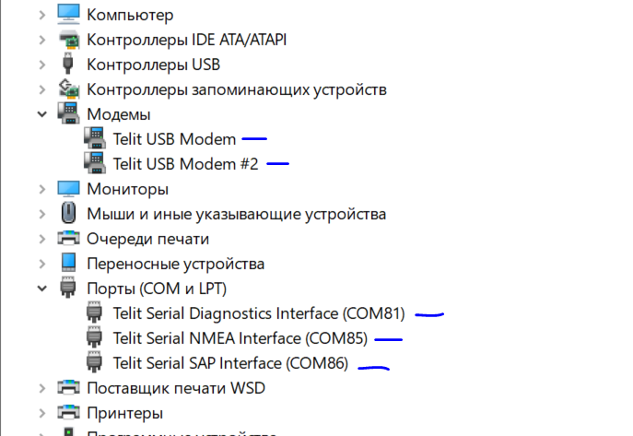 Makes the specified modem ports unavailable. After switching, you must disconnect the USB cable, then restart the power and wait for the unit to turn on. |  |  |  |  |  |  |  |  |  |  |  | 0x00 - dataRecord[] 0x00/0x01 - disable/enable all ports

not used | 22 | Select_sim_slot | REQ: | 768 | 8 | 0x04 | 0x2E | 0x99 | 0x0B | 0x00 | 0xAA | 0xAA | 0xAA | 0x2E - WriteDataByIdentifier service (ID 0x2E)
 |  |  | RESP: | 778 | 8 | 0x03 | 0x6E | 0x99 | 0x0B | 0xAA | 0xAA | 0xAA | 0xAA | 0x99 0x0B - dataIdentifier[] = [ byte#1 (MSB) byte#2 ]
 |  | Choose a sim card slot. Each change requires a block reload. |  |  |  |  |  |  |  |  |  |  |  | 0x00 - dataRecord[] 0x00 or 0x01 - sim card slot 1 or 2

 | 23 | Disable_test_flag | REQ: | 768 | 8 | 0x04 | 0x2E | 0x99 | 0x0B | 0x00 | 0xAA | 0xAA | 0xAA | 0x2E - WriteDataByIdentifier service (ID 0x2E)
 |  |  | RESP: | 778 | 8 | 0x03 | 0x6E | 0x99 | 0x0B | 0xAA | 0xAA | 0xAA | 0xAA | 0x99 0x0B - dataIdentifier[] = [ byte#1 (MSB) byte#2 ]
 |  | Test mode management. If the test mode is disabled, then you can enable it only after passing the security access procedure. |  |  |  |  |  |  |  |  |  |  |  | 0x00 - dataRecord[] 0x00/0x01 - enable/disable test mode

 | 24 | Start_mic_rec | REQ: | 768 | 8 | 0x06 | 0x31 | 0x01 | 0x00 | 0x04 | 0x04 | 0x1E | 0xAA | 0x31 - RoutineControl service (ID 0x31)
 |  |  | RESP: | 778 | 8 | 0x05 | 0x71 | 0x01 | 0x00 | 0x04 | 0x00 | 0xAA | 0xAA | 0x01 - sub-function = [routineControlType ] (START_ROUTINE)
 |  | Record microphone. After success answer on this command the mute will change on high state and after 100 millisec rec will start. |  |  |  |  |  |  |  |  |  |  |  | 0x00 0x04 - routineIdentifier (High byte) routineIdentifier (Low byte)
 |  |  |  |  |  |  |  |  |  |  |  |  |  | 0x04 0x1E - routineControlOptionRecord and time record [0x01, 0x1E] [1, 30] сек

 | 25 | Play_last_mic_rec | REQ: | 768 | 8 | 0x05 | 0x31 | 0x01 | 0x00 | 0x04 | 0x05 | 0xAA | 0xAA | 0x31 - RoutineControl service (ID 0x31)
 |  |  | RESP: | 778 | 8 | 0x05 | 0x71 | 0x01 | 0x00 | 0x04 | 0x00 | 0xAA | 0xAA | 0x01 - sub-function = [routineControlType ] (START_ROUTINE)
 |  | Play last record microphone. |  |  |  |  |  |  |  |  |  |  |  | 0x00 0x04 - routineIdentifier (High byte) routineIdentifier (Low byte)
 |  |  |  |  |  |  |  |  |  |  |  |  |  | 0x05 - routineControlOptionRecord

