Лист1
 | ZYX_THRESHOLD

READ (SA for test mode) |  | Unit | ID (HEX) | DLC | DATA |  |  |  |  |  |  |  | 0x40 0x20 0x00 0x00 - 4 bytes of float value Threshold = 2.5. Range [0.5, 50]. Default value = 2.5
 |  | TERM | 768 | 8 | 0x03 | 0x22 | 0x99 | 0x14 | 0xAA | 0xAA | 0xAA | 0xAA
 |  | ERA | 778 | 8 | 0x07 | 0x62 | 0x99 | 0x14 | 0x40 | 0x20 | 0x00 | 0x00

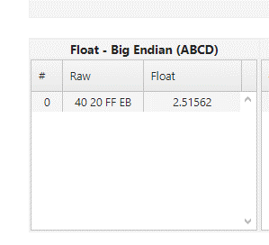
WRITE (SA for test mode) |  | Unit | ID (HEX) | DLC | DATA
 |  | TERM | 768 | 8 | 0x07 | 0x2E | 0x99 | 0x14 | 0x40 | 0x20 | 0x00 | 0x00
 |  | ERA | 778 | 8 | 0x03 | 0x6E | 0x99 | 0x14 | 0xAA | 0xAA | 0xAA | 0xAA

