MIndmaps
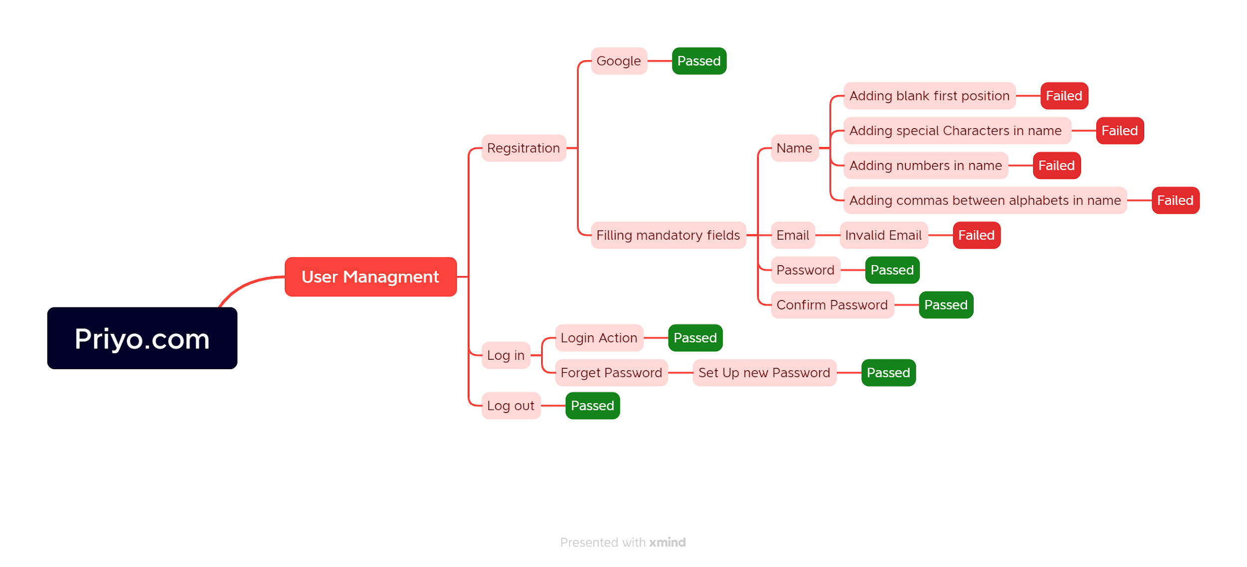
Mindmap for Priyo.com website testing

Report
PASS | 44
FAIL | 6
Not Executed | 0
Out Of Scope | 0
Total TC | 50

Test Case Report
Project Name | Priyo.com
Module Name | Registration & Log in
Test Case Version
Written By | Md Athiqur Rahman Pranto
Executed By | Md Athiqur Rahman Pranto
Reviewed By | Md Athiqur Rahman Pranto
TEST EXECUTION REPORT

Test Case | PASS | FAIL | Not Executed | Out Of Scope | Total TC
 | 44 | 6 | 0 | 0 | 50
Grand Total | 44 | 6 | 0 | 0 | 50

