Sheet1
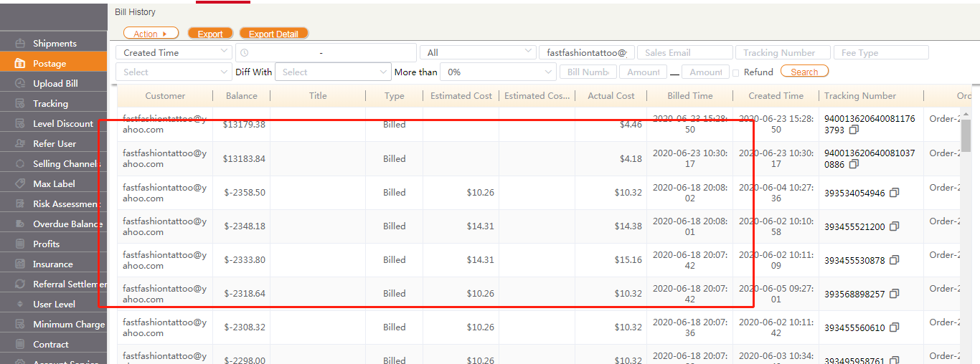
 | 解决办法
 | 登录发货楼，然后调用这个接口http://fahuolou.com/api/ezeeship/sys/repairBillHistory?userId=40

2. 加地址 | INSERT INTO public.addr_city (id, city, state, zip_code, fedex_china1, fedex_hongkong1, fedex_uae1, fedex_china2, fedex_hongkong2, fedex_uae2, fedex_china3, fedex_hongkong3, fedex_uae3, country) VALUES (46727, 'Youngs Cove', 'NB', 'E4C', null, null, null, null, null, null, null, null, null, 'CA');

