Quellen
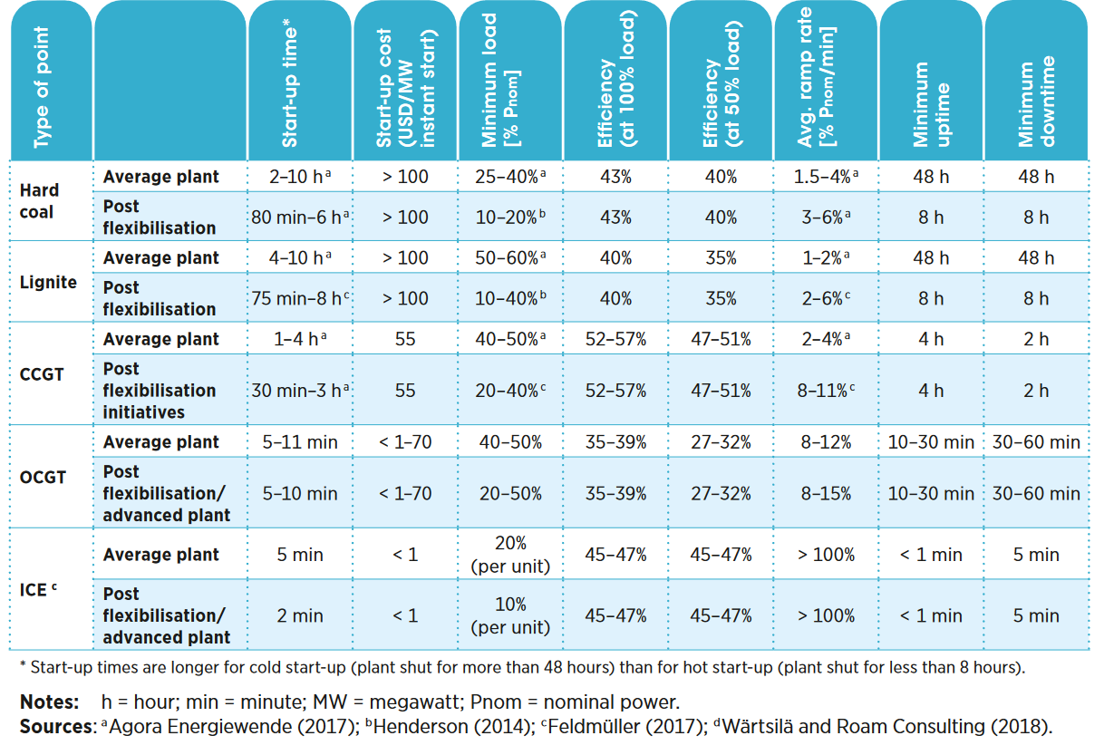
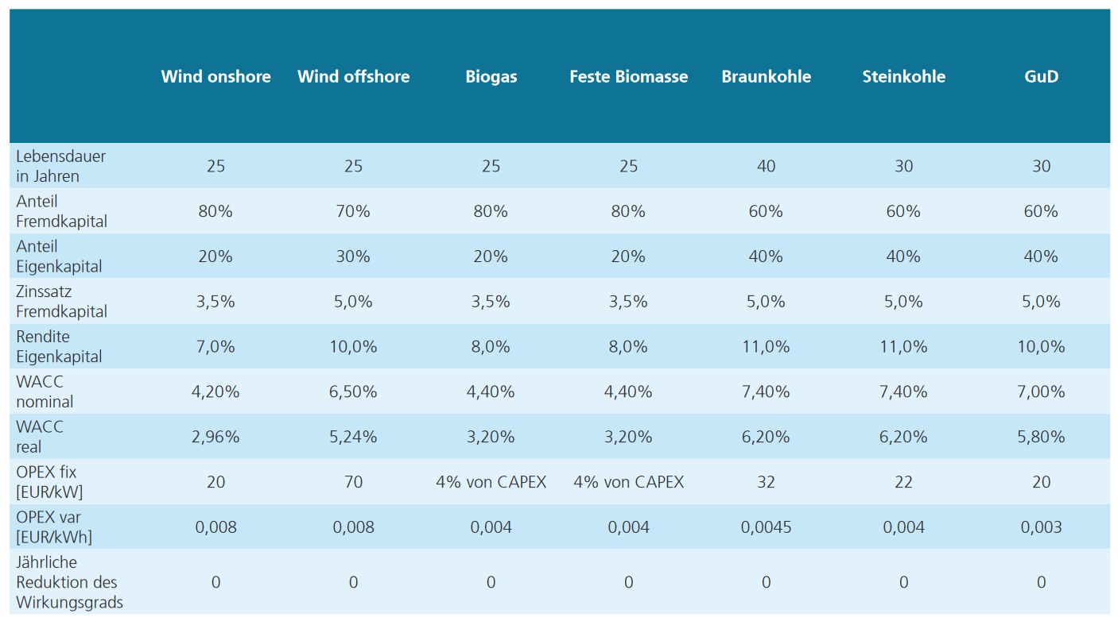
Bonus |  |  |  |  | https://www.ise.fraunhofer.de/de/veroeffentlichungen/studien/studie-stromgestehungskosten-erneuerbare-energien.html | demand | demand
 |  |  |  |  |  | 15.895 | 3.68
 |  |  |  |  |  | 0.635 | 0.15
 |  |  |  |  |  | 3.895 | 0.9
 |  |  |  |  |  | 4.325 | 1
 |  |  |  |  |  | 3.86 | 0.89
 |  |  |  |  |  | 0.555 | 0.13
 |  |  |  |  |  | 15.29 | 3.54
 |  |  |  |  |  | 9.915 | 2.3
 |  |  |  |  |  | 11.825 | 2.74
 |  |  |  |  |  | 2.745 | 0.64
 |  |  |  |  |  | 0.74 | 0.17
 |  |  |  |  |  | 36.815 | 8.53
 |  |  |  |  |  | 88.57 | 20.53
 |  |  |  |  |  | 0 | 0
 |  |  |  |  |  | 24.385 | 5.65
 |  |  |  |  |  | 4.005 | 0.93
 |  |  |  |  |  | 17.005 | 3.94
 |  |  |  |  |  | 3.475 | 0.81
 |  |  |  |  |  | 0.46 | 0.11
 |  |  |  |  |  | 0.355 | 0.08
 |  |  |  |  |  | 2.685 | 0.62
 |  |  |  |  |  | 24.18 | 5.6
 |  |  |  |  |  | 0.765 | 0.18
 |  |  |  |  |  | 9.18 | 2.13
 |  |  |  |  |  | 0.555 | 0.13
 |  |  |  |  |  | 29.085 | 6.74
 |  |  |  |  |  | 3.205 | 0.74
 |  |  |  |  |  | 4.195 | 0.97
 |  |  |  |  |  | 3.53 | 0.82
 |  |  |  |  |  | 1.805 | 0.42
 |  |  |  |  |  | 2.765 | 0.64
 |  |  |  |  |  | 2.68 | 0.62
 |  |  |  |  |  | 3.275 | 0.76
 |  |  |  |  |  | 96.6 | 22.39
 |  |  |  |  |  | 2.425 | 0.56
 |  |  |  |  |  | 7.52 | 1.74
 |  |  |  |  |  | 6.055 | 1.4
 |  |  |  |  |  | 0.92 | 0.21
 |  |  |  |  |  | 1.6 | 0.37
 |  |  |  |  |  | 1.08 | 0.25
 |  |  |  |  |  | 2.585 | 0.6
 |  |  |  |  |  | 1.845 | 0.43
 |  |  |  |  |  | 10.265 | 2.38
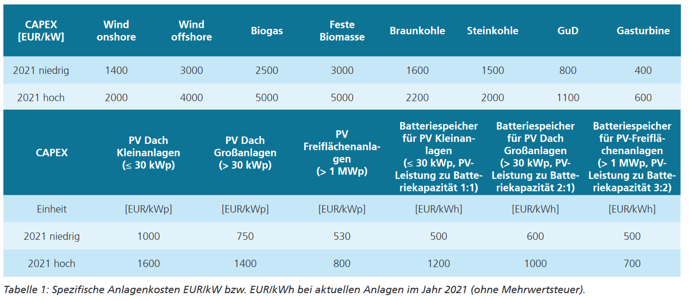
 |  |  |  |  |  | 14.85 | 3.44
 |  |  |  |  |  | 8.86 | 2.05
 | https://www.irena.org/-/media/Files/IRENA/Agency/Publication/2019/Sep/IRENA_Flexibility_in_CPPs_2019.pdf?la=en&hash=AF60106EA083E492638D8FA9ADF7FD099259F5A1 |  |  |  |  | 134.665 | 21.33
 |  |  |  |  |  | 4.65 | 1.08
https://www.bundesnetzagentur.de/DE/Fachthemen/ElektrizitaetundGas/Versorgungssicherheit/Erzeugungskapazitaeten/Kraftwerksliste/start.html |  |  |  |  |  | 5.745 | 1.33
 |  |  |  |  |  | 5.48 | 1.96
 |  |  |  |  |  | 97.755 | 35.03
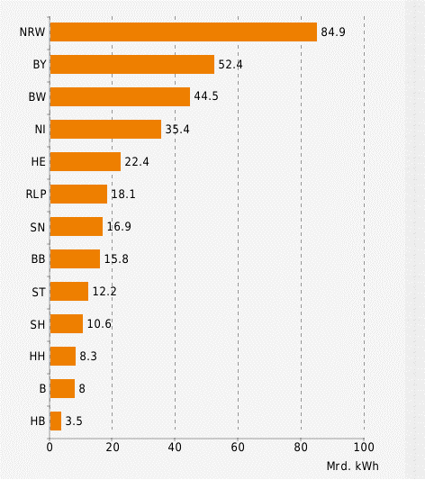
 |  |  |  |  |  | 113.39 | 40.63
 |  |  |  |  |  | 10.585 | 3.79
 |  |  |  |  |  | 3.815 | 1.37
 |  |  |  |  |  | 0.635 | 0.23
 |  |  |  |  |  | 161.66264706 | 30.972352941
 |  |  |  |  |  | 161.66264706 | 30.972352941
 |  |  |  |  |  | 161.66264706 | 30.972352941
 |  |  |  |  |  | 161.66264706 | 30.972352941
 |  |  |  |  |  | 161.66264706 | 30.972352941
 |  |  |  |  |  | 161.66264706 | 30.972352941
 |  |  |  |  |  | 161.66264706 | 30.972352941
 |  |  |  |  |  | 161.66264706 | 30.972352941
 |  |  |  |  |  | 161.66264706 | 30.972352941
 |  |  |  |  |  | 161.66264706 | 30.972352941
 |  |  |  |  |  | 161.66264706 | 30.972352941
 |  |  |  |  |  | 161.66264706 | 30.972352941
 |  |  |  |  |  | 161.66264706 | 30.972352941
 |  |  |  |  |  | 161.66264706 | 30.972352941
 |  |  |  |  |  | 161.66264706 | 30.972352941
 |  |  |  |  |  | 161.66264706 | 30.972352941
 |  |  |  |  |  | 161.66264706 | 30.972352941
 |  |  |  |  |  | 161.66264706 | 30.972352941
 |  |  |  |  |  | 161.66264706 | 30.972352941
 |  |  |  |  |  | 161.66264706 | 30.972352941
 |  |  |  |  |  | 161.66264706 | 30.972352941
 |  |  |  |  |  | 161.66264706 | 30.972352941
 |  |  |  |  |  | 161.66264706 | 30.972352941
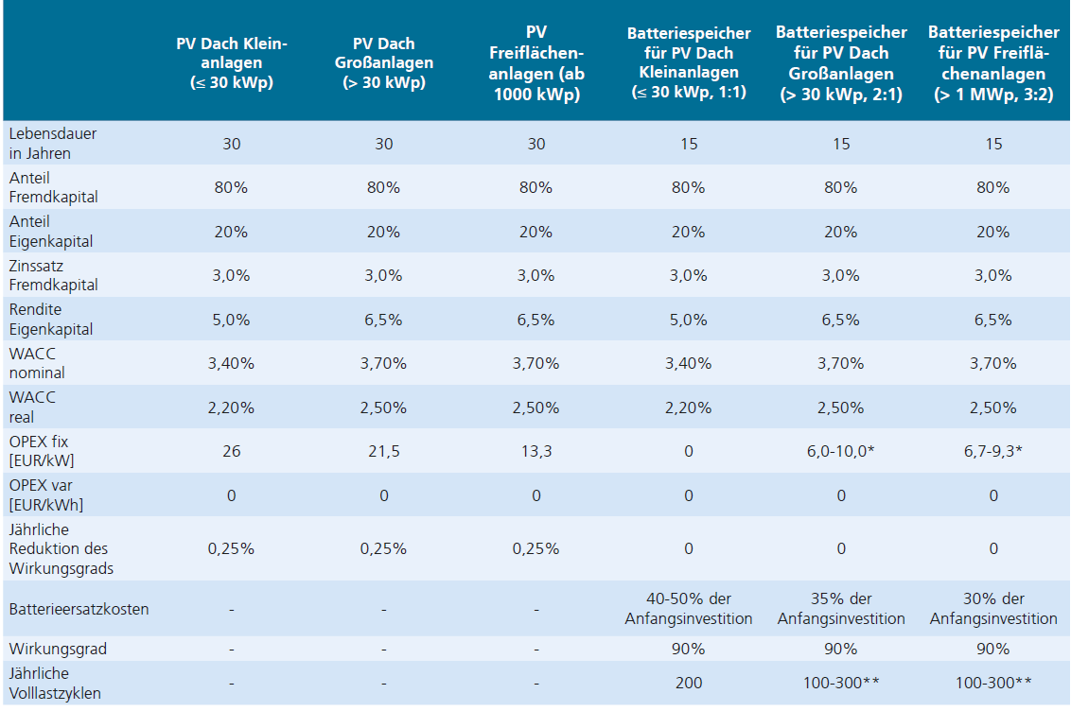
https://www.foederal-erneuerbar.de/uebersicht/bundeslaender/BW|BY|B|BB|HB|HH|HE|MV|NI|NRW|RLP|SL|SN|ST|SH|TH|D/kategorie/strom/auswahl/1061-bruttoendenergieverb/sicht/diagramm/jahr/2019/ordnung/2019/#goto_1061 |  |  |  |  |  | 161.66264706 | 30.972352941
 |  |  |  |  |  | 161.66264706 | 30.972352941
 |  |  |  |  |  | 161.66264706 | 30.972352941
Google Maps: |  |  |  |  |  | 161.66264706 | 30.972352941
node | x | y | xneu | yneu |  | 161.66264706 | 30.972352941
Deutschland | 10.447683 | 51.163361 | 2089.5366 | -10232.6722 |  | 161.66264706 | 30.972352941
Baden_Wuerttemberg | 9.18558 | 48.785726 | 1837.116 | -9757.1452 |  | 161.66264706 | 30.972352941
Bayern | 11.563695 | 48.141676 | 2312.739 | -9628.3352 |  | 161.66264706 | 30.972352941
Berlin | 13.367254 | 52.526119 | 2673.4508 | -10505.2238 |  | 161.66264706 | 30.972352941
Brandenburg | 13.06689 | 52.392843 | 2613.378 | -10478.5686 |  | 161.66264706 | 30.972352941
Bremen | 8.808699 | 53.0799 | 1761.7398 | -10615.98 |  | 161.66264706 | 30.972352941
Hamburg | 10.00798 | 53.553446 | 2001.596 | -10710.6892 |  | 323.1 | 115.78
Hessen | 8.243787 | 50.071823 | 1648.7574 | -10014.3646 |  | 246.367 | 71.334
Mecklenburg_Vorpommern | 11.408623 | 53.634295 | 2281.7246 | -10726.859 |  | 246.367 | 71.334
Niedersachsen | 9.740894 | 52.376156 | 1948.1788 | -10475.2312 |  | 246.367 | 71.334
Nordrhein_Westfalen | 6.958025 | 50.94195 | 1391.605 | -10188.39 |  | 246.367 | 71.334
Rheinland_Pfalz | 8.25601 | 50.000204 | 1651.202 | -10000.0408 |  | 246.367 | 71.334
Saarland | 6.990807 | 49.240293 | 1398.1614 | -9848.0586 |  | 63.075 | 22.6
Sachsen | 13.733378 | 51.038607 | 2746.6756 | -10207.7214 |  | 56.63 | 20.29
Sachsen_Anhalt | 11.623927 | 52.13072 | 2324.7854 | -10426.144 |  | 131.19 | 47.01
Schleswig_Holstein | 10.132638 | 54.314935 | 2026.5276 | -10862.987 |  | 12.325 | 4.42
Thueringen | 11.038315 | 50.971168 | 2207.663 | -10194.2336 |  | 87.411666667 | 16.156666667
Nordsee | 6.383623 | 54.294026 | 1276.7246 | -10858.8052 |  | 87.411666667 | 16.156666667
Ostsee | 12.81779 | 54.552469 | 2563.558 | -10910.4938 |  | 87.411666667 | 16.156666667
 |  |  |  |  |  | 87.411666667 | 16.156666667
 |  |  |  |  |  | 87.411666667 | 16.156666667
 |  |  |  |  |  | 87.411666667 | 16.156666667
 |  |  |  |  |  | 51.98 | 18.63
 |  |  |  |  |  | 2.325 | 0.83
 |  |  |  |  |  | 7.345 | 2.63
 |  |  |  |  |  | 434.65 | 65
 |  |  |  |  |  | 28.86 | 10.34
 |  |  |  |  |  | 5.13 | 1.84
 |  |  |  |  |  | 4.92 | 1.76
 |  |  |  |  |  | 23.025 | 8.25
 |  |  |  |  |  | 17.725 | 6.35
 |  |  |  |  |  | 4.11 | 1.47
 |  |  |  |  |  | 101.525 | 36.38
 |  |  |  |  |  | 9.885 | 3.54
 |  |  |  |  |  | 23.39 | 8.38
 |  |  |  |  |  | 94.345 | 33.81
 |  |  |  |  |  | 107.35 | 38.47
 |  |  |  |  |  | 0 | 0
 |  |  |  |  |  | 48.915 | 17.53
 |  |  |  |  |  | 70.592857143 | 27.738571429
 |  |  |  |  |  | 70.592857143 | 27.738571429
 |  |  |  |  |  | 70.592857143 | 27.738571429
 |  |  |  |  |  | 70.592857143 | 27.738571429
 |  |  |  |  |  | 70.592857143 | 27.738571429
 |  |  |  |  |  | 70.592857143 | 27.738571429
 |  |  |  |  |  | 70.592857143 | 27.738571429
 |  |  |  |  |  | 227.065 | 81.37
 |  |  |  |  |  | 108.14 | 38.75
 |  |  |  |  |  | 0 | 0
 |  |  |  |  |  | 137.83 | 49.39
 |  |  |  |  |  | 2.38 | 0.85
 |  |  |  |  |  | 12.325 | 4.42
 |  |  |  |  |  | 0.535 | 0.19
 |  |  |  |  |  | 222.085 | 79.58
 |  |  |  |  |  | 0 | 0
 |  |  |  |  |  | 18.86 | 6.76
 |  |  |  |  |  | 98.785 | 35.4
 |  |  |  |  |  | 5.74 | 2.06
 |  |  |  |  |  | 2.105 | 0.38
 |  |  |  |  |  | 1.6 | 0.29
 |  |  |  |  |  | 55.1 | 10.01
 |  |  |  |  |  | 6.31 | 1.15
 |  |  |  |  |  | 69.285 | 12.59
 |  |  |  |  |  | 9.27 | 1.68
 |  |  |  |  |  | 2.605 | 0.47
 |  |  |  |  |  | 7.88 | 1.43
 |  |  |  |  |  | 93.885 | 17.06
 |  |  |  |  |  | 3.2 | 0.58
 |  |  |  |  |  | 32.615 | 5.93
 |  |  |  |  |  | 498.455 | 110
 |  |  |  |  |  | 45.87 | 8.34
 |  |  |  |  |  | 164.625 | 29.92
 |  |  |  |  |  | 4.19 | 0.76
 |  |  |  |  |  | 34.555 | 6.28
 |  |  |  |  |  | 339.285 | 61.66
 |  |  |  |  |  | 368.09 | 66.89
 |  |  |  |  |  | 2.16 | 0.39
 |  |  |  |  |  | 24.975 | 4.54
 |  |  |  |  |  | 7.835 | 1.42
 |  |  |  |  |  | 21.055 | 3.83
 |  |  |  |  |  | 57.58 | 10.46
 |  |  |  |  |  | 2.94 | 0.53
 |  |  |  |  |  | 242.54 | 44.08
 |  |  |  |  |  | 7.565 | 1.37
 |  |  |  |  |  | 10.015 | 1.82
 |  |  |  |  |  | 4.49 | 0.82
 |  |  |  |  |  | 1.58 | 0.29
 |  |  |  |  |  | 1.6 | 0.29
 |  |  |  |  |  | 1.985 | 0.36
 |  |  |  |  |  | 0.67 | 0.12
 |  |  |  |  |  | 117.585 | 21.37
 |  |  |  |  |  | 55.725 | 10.13
 |  |  |  |  |  | 77.855 | 14.15
 |  |  |  |  |  | 28.865 | 5.25
 |  |  |  |  |  | 32.81 | 5.96
 |  |  |  |  |  | 7.285 | 1.32
 |  |  |  |  |  | 13.265 | 2.41
 |  |  |  |  |  | 7.105 | 1.29
 |  |  |  |  |  | 72.47 | 13.17
 |  |  |  |  |  | 23.11 | 4.2
 |  |  |  |  |  | 0.345 | 0.09
 |  |  |  |  |  | 88.049444444 | 101.75
 |  |  |  |  |  | 37.174444444
 |  |  |  |  |  | 37.174444444
 |  |  |  |  |  | 37.174444444
 |  |  |  |  |  | 37.174444444
 |  |  |  |  |  | 37.174444444
 |  |  |  |  |  | 37.174444444
 |  |  |  |  |  | 37.174444444
 |  |  |  |  |  | 37.174444444
 |  |  |  |  |  | 12.45 | 3.29
 |  |  |  |  |  | 20.785 | 5.49
 |  |  |  |  |  | 18.25 | 4.82
 |  |  |  |  |  | 16.645 | 4.39
 |  |  |  |  |  | 5.52 | 1.46
 |  |  |  |  |  | 4.055 | 1.07
 |  |  |  |  |  | 2.64 | 0.7
 |  |  |  |  |  | 250.355 | 66.09
 |  |  |  |  |  | 2.715 | 0.72
 |  |  |  |  |  | 12.315 | 3.25
 |  |  |  |  |  | 5.565 | 1.47
 |  |  |  |  |  | 4.14 | 1.09
 |  |  |  |  |  | 107.866875 | 27.025416667
 |  |  |  |  |  | 107.866875 | 27.025416667
 |  |  |  |  |  | 107.866875 | 27.025416667
 |  |  |  |  |  | 107.866875 | 27.025416667
 |  |  |  |  |  | 107.866875 | 27.025416667
 |  |  |  |  |  | 107.866875 | 27.025416667
 |  |  |  |  |  | 107.866875 | 27.025416667
 |  |  |  |  |  | 107.866875 | 27.025416667
 |  |  |  |  |  | 107.866875 | 27.025416667
 |  |  |  |  |  | 107.866875 | 27.025416667
 |  |  |  |  |  | 107.866875 | 27.025416667
 |  |  |  |  |  | 107.866875 | 27.025416667
 |  |  |  |  |  | 107.866875 | 27.025416667
 |  |  |  |  |  | 107.866875 | 27.025416667
 |  |  |  |  |  | 107.866875 | 27.025416667
 |  |  |  |  |  | 107.866875 | 27.025416667
 |  |  |  |  |  | 107.866875 | 27.025416667
 |  |  |  |  |  | 107.866875 | 27.025416667
 |  |  |  |  |  | 107.866875 | 27.025416667
 |  |  |  |  |  | 107.866875 | 27.025416667
 |  |  |  |  |  | 107.866875 | 27.025416667
 |  |  |  |  |  | 107.866875 | 27.025416667
 |  |  |  |  |  | 107.866875 | 27.025416667
 |  |  |  |  |  | 107.866875 | 27.025416667
 |  |  |  |  |  | 51.205 | 3.8571428571
 |  |  |  |  |  | 51.205 | 3.8571428571
 |  |  |  |  |  | 51.205 | 3.8571428571
 |  |  |  |  |  | 51.205 | 3.8571428571
 |  |  |  |  |  | 51.205 | 3.8571428571
 |  |  |  |  |  | 51.205 | 3.8571428571
 |  |  |  |  |  | 51.205 | 3.8571428571
 |  |  |  |  |  | 68.1 | 24.4
 |  |  |  |  |  | 7.245 | 2.6
 |  |  |  |  |  | 95.16 | 25.12
 |  |  |  |  |  | 7.825 | 2.07
 |  |  |  |  |  | 47.107142857 | 3.2142857143
 |  |  |  |  |  | 47.107142857 | 3.2142857143
 |  |  |  |  |  | 47.107142857 | 3.2142857143
 |  |  |  |  |  | 47.107142857 | 3.2142857143
 |  |  |  |  |  | 47.107142857 | 3.2142857143
 |  |  |  |  |  | 47.107142857 | 3.2142857143
 |  |  |  |  |  | 47.107142857 | 3.2142857143
 |  |  |  |  |  | 61.385 | 16.2
 |  |  |  |  |  | 60.855 | 16.06
 |  |  |  |  |  | 20.555 | 5.43
 |  |  |  |  |  | 1.435 | 0.38
 |  |  |  |  |  | 43.225 | 11.41
 |  |  |  |  |  | 7.545 | 1.99
 |  |  |  |  |  | 0.555 | 0.15
 |  |  |  |  |  | 11.485 | 3.03
 |  |  |  |  |  | 0 | 0

