Product_lifespan
Lifespan parameter inputs

 |  |  |  |  | Baseline |  |  | Shape (k / α) | Scale (λ / β) |  | Median | Mean | Standard deviation |  |  | Sources
 |  |  |  |  |  |  | Smartphone | 1.56 | 3.8 |  | 3.0 | 3.4 | 2.2 |  |  | ICF | 3.5 | Open Repair (EoL) | 4 | YouGov | 4.05 | ERM | 2 | Average | 3.39
 |  |  |  |  |  |  | Laptop | 1.6 | 6.1 |  | 4.8 | 5.4 | 3.5 |  |  | ICF | 5 | Open Repair (EoL) | 7.2 | YouGov | 6.53 | ERM | 3 | Average | 5.43
 |  |  |  |  |  |  | Tablet | 1.6 | 4.9 |  | 3.9 | 4.4 | 2.8 |  |  |  |  |  |  | YouGov | 5.83 | ERM (assumed) | 3 | Average | 4.42

 |  |  |  |  | S1 - 20% increase in mean/median lifespan |  |  | Shape (k) | Scale (λ) |  | Median | Mean | Standard deviation
 |  |  |  |  |  |  | Smartphone | 1.56 | 4.5 |  | 3.6 | 4.1 | 2.4
 |  |  |  |  |  |  | Laptop | 1.6 | 7.3 |  | 5.8 | 6.5 | 3.8
 |  |  |  |  |  |  | Tablet | 1.6 | 5.9 |  | 4.7 | 5.3 | 3.1

 |  |  |  |  | S2 - 50% increase in mean/median lifespan |  |  | Shape (k) | Scale (λ) |  | Median | Mean | Standard deviation
 |  |  |  |  |  |  | Smartphone | 1.56 | 5.7 |  | 4.5 | 5.1 | 2.7
 |  |  |  |  |  |  | Laptop | 1.6 | 9.1 |  | 7.2 | 8.1 | 4.2
 |  |  |  |  |  |  | Tablet | 1.6 | 7.4 |  | 5.9 | 6.6 | 3.4

Baseline | The cumulative distribution function F(y) represents the probability that an event occurs at or before time y. The survival function is the inverse of the CDF, telling us what percentage of an original figure we have left.

Year | 0 | 1 | 2 | 3 | 4 | 5 | 6 | 7 | 8 | 9 | 10 | 11 | 12 | 13 | 14 | 15 | 16 | 17 | 18 | 19 | 20 | 21 | 22 | 23 | 24 | 25 | 26 | 27 | 28 | 29 | 30
PDF (Smartphone) | 0% | 17% | 20% | 18% | 14% | 10% | 7% | 4% | 2% | 1% | 1% | 0% | 0% | 0% | 0% | 0% | 0% | 0% | 0% | 0% | 0% | 0% | 0% | 0% | 0% | 0% | 0% | 0% | 0% | 0% | 0%
PDF (Laptop) | 0% | 8% | 11% | 13% | 12% | 11% | 10% | 8% | 7% | 5% | 4% | 3% | 2% | 1% | 1% | 1% | 0% | 0% | 0% | 0% | 0% | 0% | 0% | 0% | 0% | 0% | 0% | 0% | 0% | 0% | 0%
PDF (Tablet) | 0% | 12% | 15% | 15% | 14% | 12% | 9% | 7% | 5% | 3% | 2% | 1% | 1% | 1% | 0% | 0% | 0% | 0% | 0% | 0% | 0% | 0% | 0% | 0% | 0% | 0% | 0% | 0% | 0% | 0% | 0%
Survival distribution (Smartphone) | 100% | 88% | 69% | 50% | 33% | 21% | 13% | 7% | 4% | 2% | 1% | 0% | 0% | 0% | 0% | 0% | 0% | 0% | 0% | 0% | 0% | 0% | 0% | 0% | 0% | 0% | 0% | 0% | 0% | 0% | 0%
CDF (Laptop) | 100% | 95% | 84% | 72% | 60% | 48% | 37% | 28% | 21% | 15% | 11% | 7% | 5% | 3% | 2% | 1% | 1% | 1% | 0% | 0% | 0% | 0% | 0% | 0% | 0% | 0% | 0% | 0% | 0% | 0% | 0%
CDF (Tablet) | 100% | 93% | 79% | 64% | 49% | 36% | 25% | 17% | 11% | 7% | 5% | 3% | 2% | 1% | 0% | 0% | 0% | 0% | 0% | 0% | 0% | 0% | 0% | 0% | 0% | 0% | 0% | 0% | 0% | 0% | 0%

S1

Year | 0 | 1 | 2 | 3 | 4 | 5 | 6 | 7 | 8 | 9 | 10 | 11 | 12 | 13 | 14 | 15 | 16 | 17 | 18 | 19 | 20 | 21 | 22 | 23 | 24 | 25 | 26 | 27 | 28 | 29 | 30 | 31
PDF (Smartphone) | 100% | 91% | 76% | 59% | 44% | 31% | 21% | 14% | 9% | 5% | 3% | 2% | 1% | 1% | 0% | 0% | 0% | 0% | 0% | 0% | 0% | 0% | 0% | 0% | 0% | 0% | 0% | 0% | 0% | 0% | 0% | 0%
PDF (Laptop) | 100% | 96% | 88% | 78% | 68% | 58% | 48% | 39% | 31% | 24% | 19% | 14% | 11% | 8% | 6% | 4% | 3% | 2% | 1% | 1% | 1% | 0% | 0% | 0% | 0% | 0% | 0% | 0% | 0% | 0% | 0% | 0%
PDF (Tablet) | 100% | 94% | 84% | 71% | 59% | 47% | 36% | 27% | 20% | 14% | 10% | 7% | 5% | 3% | 2% | 1% | 1% | 0% | 0% | 0% | 0% | 0% | 0% | 0% | 0% | 0% | 0% | 0% | 0% | 0% | 0% | 0%

S2

Year | 0 | 1 | 2 | 3 | 4 | 5 | 6 | 7 | 8 | 9 | 10 | 11 | 12 | 13 | 14 | 15 | 16 | 17 | 18 | 19 | 20 | 21 | 22 | 23 | 24 | 25 | 26 | 27 | 28 | 29 | 30 | 31
PDF (Smartphone) | 100% | 94% | 82% | 69% | 56% | 44% | 33% | 25% | 18% | 13% | 9% | 6% | 4% | 3% | 2% | 1% | 1% | 0% | 0% | 0% | 0% | 0% | 0% | 0% | 0% | 0% | 0% | 0% | 0% | 0% | 0% | 0%
PDF (Laptop) | 100% | 97% | 92% | 84% | 76% | 68% | 60% | 52% | 44% | 37% | 31% | 26% | 21% | 17% | 14% | 11% | 8% | 7% | 5% | 4% | 3% | 2% | 2% | 1% | 1% | 1% | 0% | 0% | 0% | 0% | 0% | 0%
PDF (Tablet) | 100% | 96% | 88% | 79% | 69% | 59% | 49% | 40% | 32% | 25% | 20% | 15% | 11% | 8% | 6% | 5% | 3% | 2% | 2% | 1% | 1% | 0% | 0% | 0% | 0% | 0% | 0% | 0% | 0% | 0% | 0% | 0%

Outflow_routing
Recycling (open loop) | 0.38 | 0.38 | 0.38 | 0.38 | 0.38 | 0.38 | 0.38 | 0.38 | 0.38 | 0.38 | 0.38 | 0.38 | 0.38 | 0.38 | 0.38 | 0.38 | 0.38 | 0.38 | 0.38 | 0.38 | 0.38 | 0.38 | 0.38 | 0.38 | 0.38 | 0.38
Disposal (incineration) | 0.09 | 0.09 | 0.09 | 0.09 | 0.09 | 0.09 | 0.09 | 0.09 | 0.09 | 0.09 | 0.09 | 0.09 | 0.09 | 0.09 | 0.09 | 0.09 | 0.09 | 0.09 | 0.09 | 0.09 | 0.09 | 0.09 | 0.09 | 0.09 | 0.09 | 0.09
Disposal (landfll) | 0.01 | 0.01 | 0.01 | 0.01 | 0.01 | 0.01 | 0.01 | 0.01 | 0.01 | 0.01 | 0.01 | 0.01 | 0.01 | 0.01 | 0.01 | 0.01 | 0.01 | 0.01 | 0.01 | 0.01 | 0.01 | 0.01 | 0.01 | 0.01 | 0.01 | 0.01

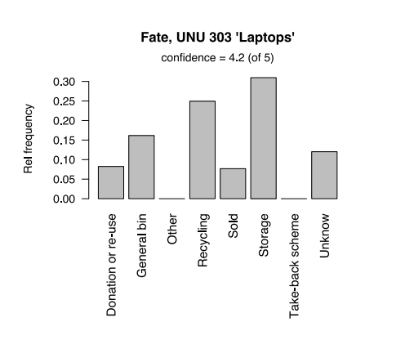
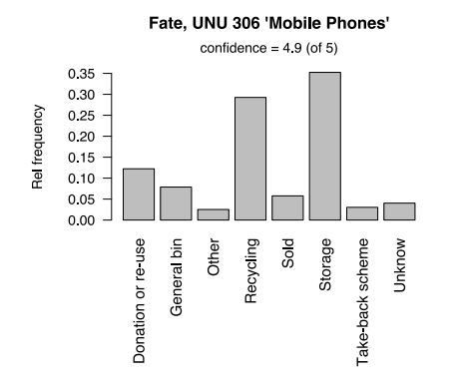
 |  | Tables UNU Description__1 | Tables Flow "Donation or re-use" (kton/yr)__2 | Tables Flow "General bin" (kton/yr)__3 | Tables Flow "Other" (kton/yr)__4 | Tables Flow "Recycling" (kton/yr)__5 | Tables Flow "Sold" (kton/yr)__6 | Tables scheme" (kton/yr) Flow "Take back__7 | Tables Flow "Unknown" (kton/yr)__8
 |  | 303 Laptops & Tablets | 1.361 | 2.476 | 0 | 3.713 | 1.282 | 0 | 1.893 | 10.73
 |  | 306 Mobile Phones | 0.459 | 0.312 | 0.131 | 1.035 | 0.241 | 0.149 | 0.182 | 2.51

 |  | 303 Laptops & Tablets | 13% | 23% | 0% | 35% | 12% | 0% | 18%
 |  | 306 Mobile Phones | 18% | 12% | 5% | 41% | 10% | 6% | 7%
 |  |  | 15% | 18% | 3% | 38% | 11% | 3% | 12%

 | https://assets.publishing.service.gov.uk/government/uploads/system/uploads/attachment_data/file/1047704/LA_and_Regional_Spreadsheet_2021_rev.ods

 |  |  | 2020-21
 |  | Landfill | 2,016 | 8%
 |  | (percentage) | 7.8%
 |  | Incineration with EfW | 12,342 | 48%
 |  | (percentage) | 47.7%
 |  | Incineration without EfW 1 | 124
 |  |  | 25,890

