Sheet1
Project overview of the Sea Battle game divided into tasks |  | Consumed Time | completion in % | comment section | write all the steps/things that need to be adressed for you to write a succesfull program
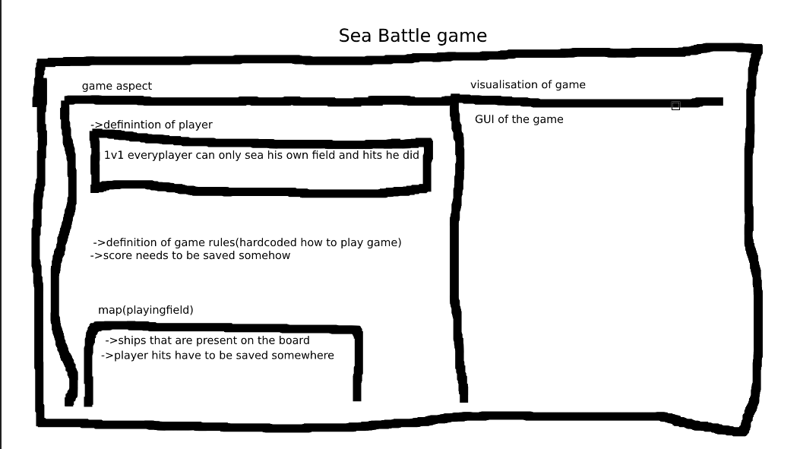
base of the project | Create a class/object or a way to start the game like a container/rest of the actions will be performed from there
 | the game class is the fundament of the game |  |  | this class is responsible for linking all the keyparts together
 | player class describes what a player is |  |  | wont work without playingfield
 | the interaction class will have all the actions that can be performed |  |  | for this class to function it will need playerinput and a playingfield
 | rule class will confirm if the move is valid or not
 | a class that visualises the game
 | and some advanced features if not lui and enough time
 | a playingfield class that holds the values of the boats and hit areas by players

Starting the project | a game instance that starts when the program is executed
 | create a playingfield called(GameMatrix) |  |  | in this gamematrix class the matrix size is stored, ship location for individual player, and player hits
 | create a player class |  |  | the player is allowed to perform 1 action every round.
 | create a class for the interaction between player and board |  |  | this will allow for the player to interact with the gamematrix
 | rule class |  |  | not really sure if this one is needed can maybe be implemented inside interaction class
 | visualisation (expended) |  |  | in the beginning debug visualisation will be sufficient but will need a visualisation for the players too

c++

aanvullend

