3NF
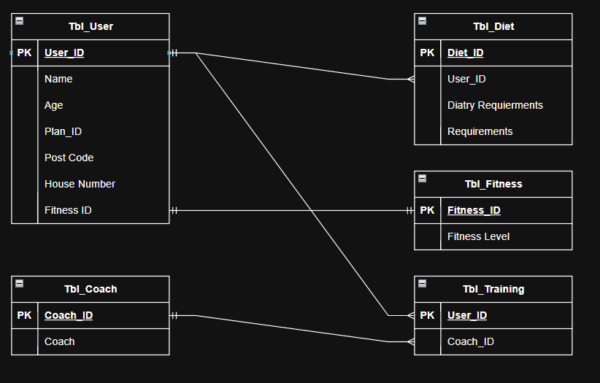
User_ID | Name | Age | Plan ID | Post Code | HouseNumber | Fitness ID | diet_ID | User_ID | diatry requierments | Requierments
1 | Lewis | 19 | 63 | SW1A 1AA | 1 | 2 | 7 | 1 | No | N/A
2 | Immy | 17 | 76 | SY1 1NQ | 67 | 2 | 6 | 2 | Yes | Egg
3 | James | 22 | 32 | TF2 6NB | 9 | 1 | 5 | 3 | yes | Dairy
4 | Jessica | 36 | 99 | SY3 4FD | 96 | 1 | 4 | 4 | No | N/A
5 | Neil | 22 | 53 | SY5 6FD | 55 | 3 | 3 | 5 | No | N/A
6 | Jordan | 36 | 2 | TF4 1NK | 89 | 3 | 2 | 6 | Yes | Wheat
7 | Ian | 55 | 1 | B44 NSB | 22 | 3 | 2 | 6 | yes | Egg
 |  |  |  |  |  |  | 1 | 7 | no | N/A

Coach | Coach ID |  |  | User_ID | Coach ID
Alex | 5 |  |  | 1 | 5 |  | Fitness ID | Fitness Level
Eva | 1 |  |  | 2 | 1 |  | 1 | Low
Adam | 3 |  |  | 3 | 3 |  | 2 | medium
Siamon | 4 |  |  | 4 | 4 |  | 3 | high
William | 6 |  |  | 5 | 6
Phil | 7 |  |  | 6 | 7
Sam | 8 |  |  | 7 | 8

