Sheet1
iter num | 1 | 2 | 4 | 8 | 16 | 32 | 64 | 128 | 256 | 512 | 1,024 | 2,048 | 4,096 | 8,192
FGT-AO | 0.14 | 0.14 | 0.14 | 0.14 | 0.14 | 0.14 | 0.15 | 0.18 | 0.47 | 0.73 | 0.78 | 0.82 | 0.84 | 0.84
FGT-SR-50 | 0.1 | 0.1 | 0.1 | 0.1 | 0.1 | 0.1 | 0.11 | 0.15 | 0.49 | 0.78 | 0.84 | 0.88 | 0.89 | 0.89
GT-AO | 0.76 | 0.77 | 0.76 | 0.76 | 0.76 | 0.76 | 0.75 | 0.73 | 0.48 | 0.27 | 0.22 | 0.17 | 0.15 | 0.15
GT-SR-50 | 0.89 | 0.9 | 0.89 | 0.89 | 0.9 | 0.89 | 0.88 | 0.86 | 0.53 | 0.25 | 0.18 | 0.14 | 0.12 | 0.12
SSIM-z | 1 | 1 | 1 | 1 | 0.99 | 0.99 | 0.97 | 0.94 | 0.88 | 0.84 | 0.82 | 0.81 | 0.8 | 0.79
SSIM-x | 0.98 | 0.98 | 0.98 | 0.98 | 0.98 | 0.98 | 0.98 | 0.98 | 0.98 | 0.97 | 0.98 | 0.98 | 0.98 | 0.98

1 | 0.14
2 | 0.14
4 | 0.14
8 | 0.14
16 | 0.14
32 | 0.14
64 | 0.15
128 | 0.18
256 | 0.47
512 | 0.73
1024 | 0.78
2048 | 0.82
4096 | 0.84
8192 | 0.84
1 | 0.76
2 | 0.77
4 | 0.76
8 | 0.76
16 | 0.76
32 | 0.76
64 | 0.75
128 | 0.73
256 | 0.48
512 | 0.27
1024 | 0.22
2048 | 0.17
4096 | 0.15
8192 | 0.15
1 | 1
2 | 1
4 | 1
8 | 1
16 | 0.99
32 | 0.99
64 | 0.97
128 | 0.94
256 | 0.88
512 | 0.84
1024 | 0.82
2048 | 0.81
4096 | 0.8
8192 | 0.79

小补丁
Patch Size | 64×64 | 32×32 | 16×16
Real Trajectory | 0.153 | 0.146 | 0.416
size | 64 | 32 | 16
Fake Trajectory | 0.84 | 0.12 | 0.021

Sheet2
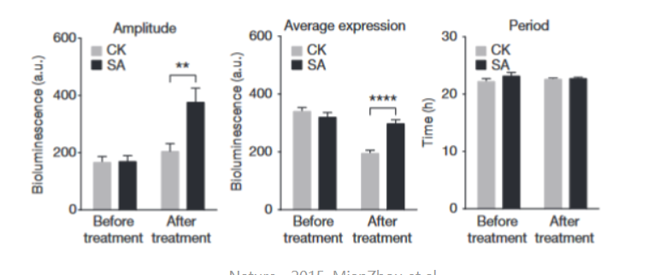
 | Before Attack | After Attack
CSA | 0.851 | 0.458
FAN | 0.72 | 0.18
TTP | 0.91 | 0.08
Ours | 0.861 | 0.092

