Sheet1
iter num | 1 | 2 | 4 | 8 | 16 | 32 | 64 | 128 | 256 | 512 | 1024 | 2048 | 4096 | 8192 | 16384 | 32768
FGT-AO | 0.002 | 0.002 | 0.002 | 0.002 | 0.002 | 0.003 | 0.007 | 0.042 | 0.299 | 0.668 | 0.746 | 0.781 | 0.798 | 0.82 | 0.821 | 0.818
FGT-SR-50 | 0 | 0 | 0 | 0 | 0 | 0.001 | 0.005 | 0.044 | 0.335 | 0.749 | 0.822 | 0.855 | 0.872 | 0.895 | 0.897 | 0.89
GT-AO | 0.757 | 0.756 | 0.757 | 0.757 | 0.758 | 0.759 | 0.753 | 0.72 | 0.474 | 0.15 | 0.095 | 0.071 | 0.041 | 0.032 | 0.032 | 0.035
GT-SR-50 | 0.894 | 0.891 | 0.893 | 0.891 | 0.893 | 0.896 | 0.888 | 0.852 | 0.559 | 0.164 | 0.098 | 0.066 | 0.031 | 0.021 | 0.022 | 0.023
SSIM | 1 | 1 | 1 | 1 | 0.99 | 0.99 | 0.97 | 0.93 | 0.86 | 0.86 | 0.87 | 0.88 | 0.88 | 0.88 | 0.88 | 0.88
MSE |  |  |  |  |  |  | 2.03 | 5.65 | 15.1 | 25.43 | 23.7 | 21.89 | 20.69 | 20.49 | 20.03 | 20.87

小补丁
Patch Size | 32×32 | 16×16 | 8×8
AO | 0.011 | 0.12 | 0.316
 | 32 | 16 | 8
 | 0.011 | 0.12 | 0.316

Sheet2
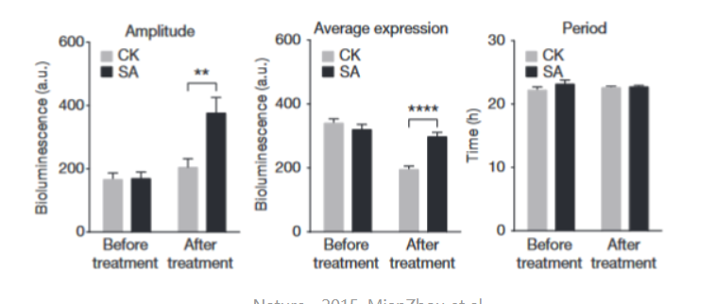
 | Before Attack | After Attack
CSA | 0.851 | 0.458
FAN | 0.72 | 0.18
TTP | 0.91 | 0.08
Ours | 0.861 | 0.048

