pbKanaal
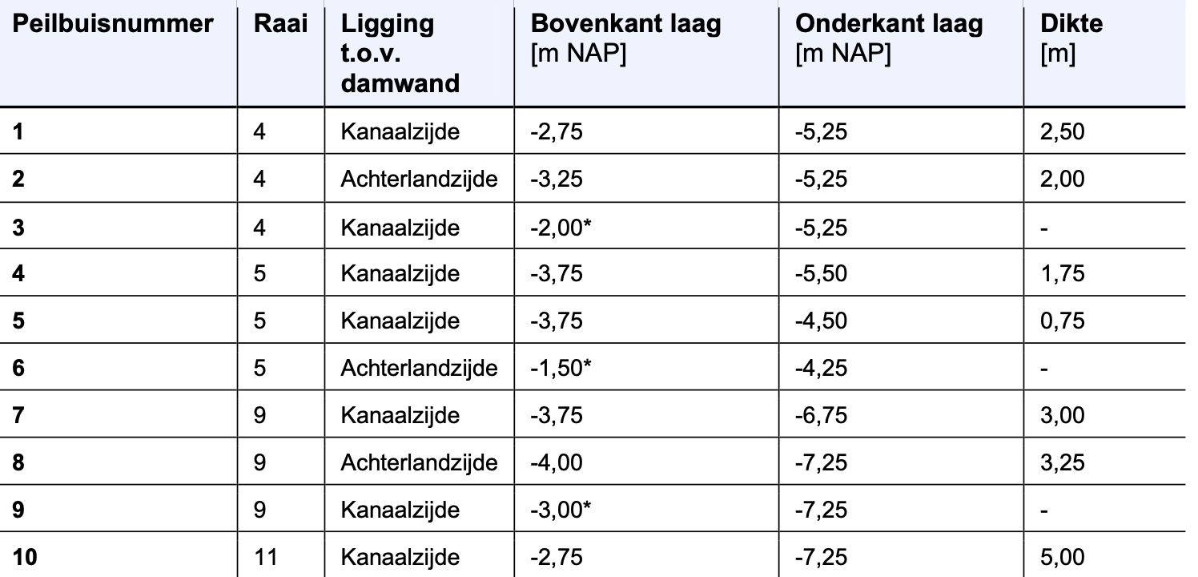
name | x | y | raai | inkanaal | WE | dist | bk_deklaag | ok_deklaag | dikte | onzeker_bk_laag | ZP | WP | y(2026-02-01)
1 | 129709 | 475363 | 4 | K | W | 48 | -2.75 | -5.25 | 2.5 | 0 | -0.4 | -0.4 | -1.322
2 | 129824 | 475375 | 4 | A | E | 52 | -3.25 | -5.25 | 2 | 0 | -2.3 | -2.3 | -1.376
3 | 129798 | 475375 | 4 | K | E | 48 | -2 | -5.25 | 3.25 | 1 | -0.4 | -0.4 | -1.144
4 | 129629 | 474900 | 5 | K | W | 48 | -3.75 | -5.5 | 1.75 | 0 | -0.4 | -0.4 | -1.403
5 | 129720 | 474901 | 5 | K | E | 48 | -3.75 | -4.5 | 0.75 | 0 | -0.4 | -0.4 | -1.382
6 | 129720 | 472009 | 5 | A | E | 52 | -1.5 | -4.25 | 2.75 | 1 | -2.3 | -2.3 | -1.502
7 | 129129 | 471968 | 9 | K | W | 48 | -3.75 | -6.75 | 3 | 0 | -0.4 | -0.4 | -1.489
8 | 129212 | 471972 | 9 | A | E | 52 | -4 | -7.25 | 3.25 | 0 | -2.25 | -2.25 | -1.565
9 | 129244 | 471974 | 9 | K | E | 48 | -3 | -7.25 | 4.25 | 1 | -0.4 | -0.4 | -1.481
10 | 128657 | 469338 | 11 | K | W | 48 | -2.75 | -7.25 | 4.5 | 0 | -0.4 | -0.4 | -1.559

