System Definition
Major Components of the Baidu Apollo Autonomous Driving System

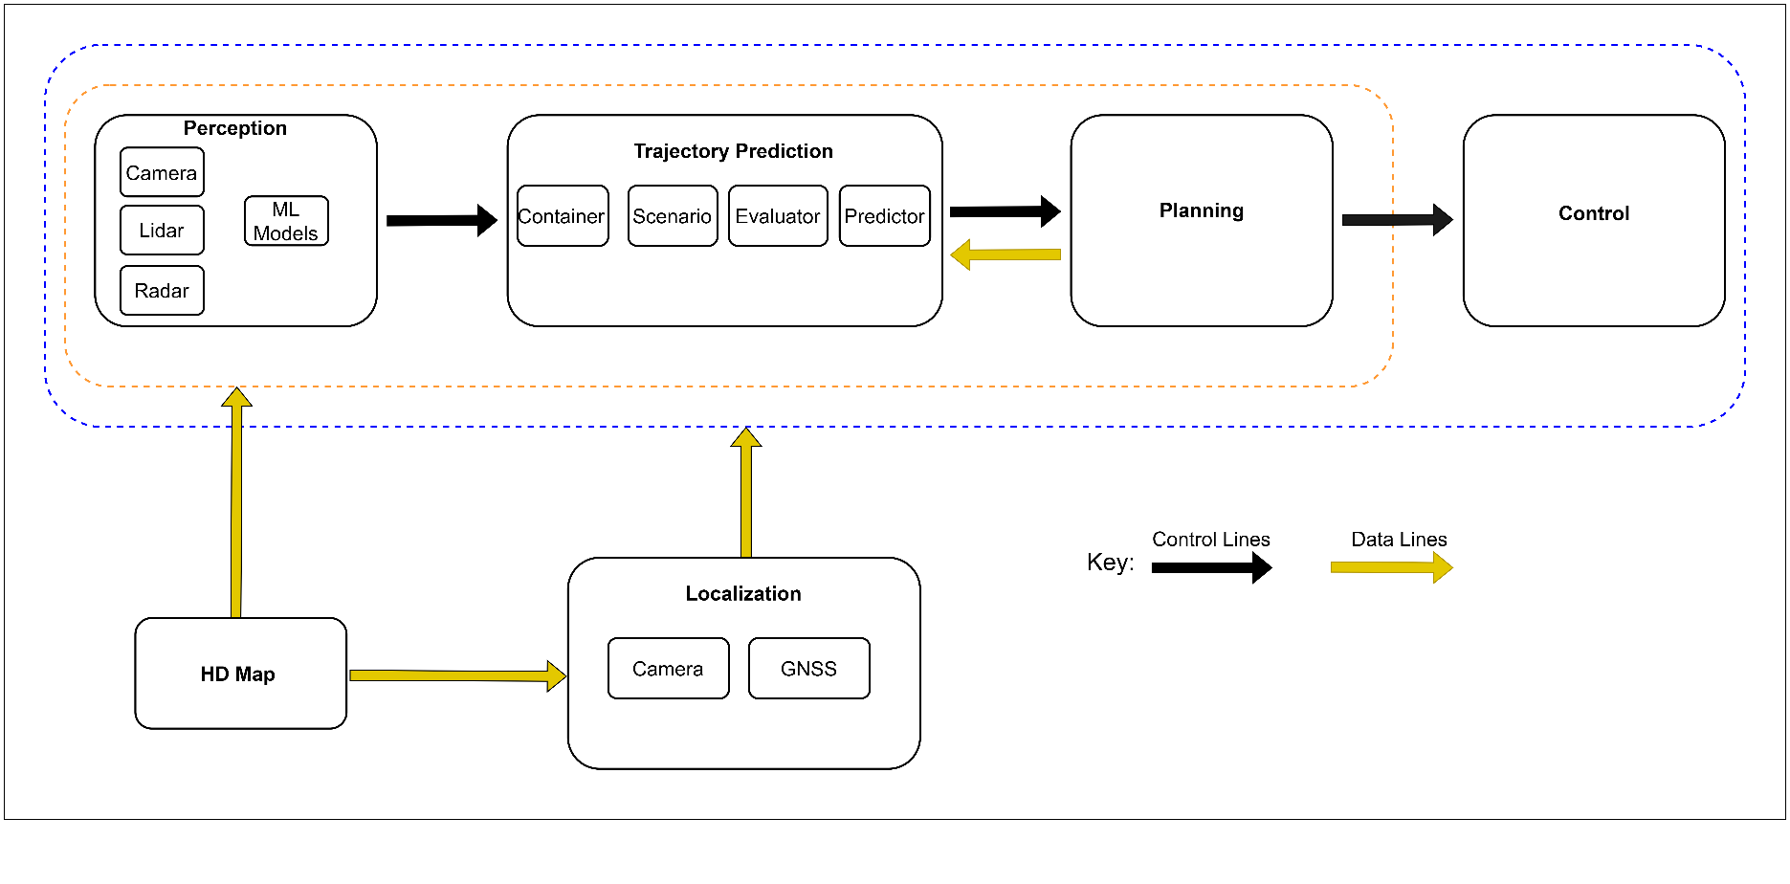

Description of Item

The Baidu Apollo Autonomous Driving System (ADS) is composed of several components, each containing smaller sub-components, utilizing machine learning models to make critical decisions. The system is structured around five key components: Localization, Perception, Prediction, Planning, and Control. The Localization component automatically determines the exact position of the Ego vehicle, gathering relevant data about the road and surrounding environment. It employs vehicle cameras, Global Navigation Satellite Systems (GNSS), and High Definition (HD) Maps, which provide road details within a designated area to ensure safe navigation. Once the Ego vehicle's location is identified on the HD map, the ADS leverages the Perception component, with sensors like cameras, LiDAR, and radars, to detect surrounding obstacles and dynamic objects, measuring their distance from the Ego vehicle. It employs machine learning models for the processing and classification of these detected objects. Based on the perception information, the ADS uses the Trajectory prediction component to predict the future trajectories of all detected obstacles. The motion planning component then uses the compiled information from the localization, perception, and prediction components to generate a smooth path according to different driving scenarios, and sends this to the control component, which then controls the Ego vehicle’s movement relative to its environment to avoid collisions. We focus on the Trajectory Prediction component of the Baidu Apollo ADS, this component predicts the behavior and future positions of all obstacles (e.g., vehicles, pedestrians) identified by the Perception component. It relies on information such as road boundaries, lane markings, traffic light locations and statuses, crosswalks, distances, velocities, and accelerations to generate predicted trajectories with probability estimates for these obstacles. The Trajectory Prediction component consists of four sub-compon

