Sheet1
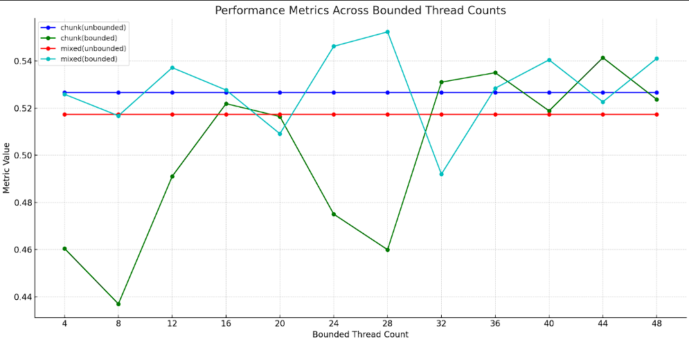
Bounded thread | chunk(unbounded) | chunk(bounded) | mixed(unbounded) | mixed(bounded)
4 | 0.5265966 | 0.4604406 | 0.5173028 | 0.5258612
8 | 0.5265966 | 0.436954 | 0.5173028 | 0.51674
12 | 0.5265966 | 0.4910696 | 0.5173028 | 0.5371448
16 | 0.5265966 | 0.5218812 | 0.5173028 | 0.5276614
20 | 0.5265966 | 0.5164098 | 0.5173028 | 0.509129
24 | 0.5265966 | 0.4750128 | 0.5173028 | 0.5462068
28 | 0.5265966 | 0.4599466 | 0.5173028 | 0.552329
32 | 0.5265966 | 0.5310136 | 0.5173028 | 0.4919752
36 | 0.5265966 | 0.5350102 | 0.5173028 | 0.52844
40 | 0.5265966 | 0.5188414 | 0.5173028 | 0.5404604
44 | 0.5265966 | 0.5413826 | 0.5173028 | 0.5226514
48 | 0.5265966 | 0.5236858 | 0.5173028 | 0.541028

Bounded threads (BT) | Chunk | Mixed
0 | 0.5265966 | 0.5173028
4 | 0.4604406 | 0.5258612
8 | 0.436954 | 0.51674 |  |  | Process Step ID | Process Step Description | Next Step ID | Connector Label | Shape Type | Alt Text
12 | 0.4910696 | 0.5371448 |  |  | P100 | Start | P200 |  | Start
16 | 0.5218812 | 0.5276614 |  |  | P200 | Decision? | P300,P400 | Yes,No | Decision
20 | 0.5164098 | 0.509129 |  |  | P300 | Process |  |  | Process
24 | 0.4750128 | 0.5462068 |  |  | P400 | Stop |  |  | End
28 | 0.4599466 | 0.552329
32 | 0.5310136 | 0.4919752
36 | 0.5350102 | 0.52844
40 | 0.5188414 | 0.5404604
44 | 0.5413826 | 0.5226514
48 | 0.5236858 | 0.541028

