Sheet1
Tester's Name | Candidate Name : A.W.M.Omal Bandara |  |  | Date Tested | 13/06/2024

# | Prerequisites:
1 | Browser: Microsoft Edge
2
3
4

Test Case ID | Test Case | Test Scenario | Test Data | Step # | Step Details | Expected Results | Actual Results | Pass / Fail / Not executed | Screenshot | Test Case (Pass/Fail/Not Executed)

TC_001 | User login with email & password | Verify on entering valid username and password, the customer can login | 1. email =sknw03@gmail.com 2. password = 123456789 | 1 | Navigate to https://www.singersl.com | Site should open | As Expected | Pass | 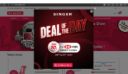 | Pass
 |  |  |  | 2 | Click login button | display popup | As Expected | Pass
 |  |  |  | 3 | Enter Username & Password | Credential can be entered | As Expected | Pass
 |  |  |  | 4 | Click Submit | Cutomer is logged in | As Expected | Pass
TC_002 | Verify the product search | Verify that the product search returns relevant result | Apple iPhone | 1 | Enter product name Apple iPhone | Displays iPhone product | As Expected | Pass | 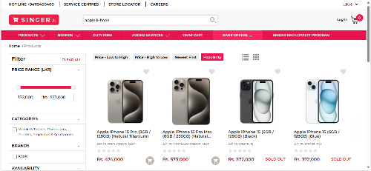 | Pass
 |  |  |  | 2 | Click on search icon or press enter
TC_003 | Verify the Currency | Verify the currency drop-down button | Select LKR to USD | 1 | click on the drop down button | change the currency | As Expected | Pass | 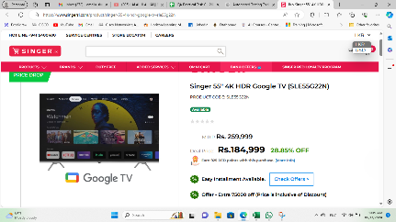 | Pass
 |  |  |  | 2 | Change the LKR to USD |  |  |  | 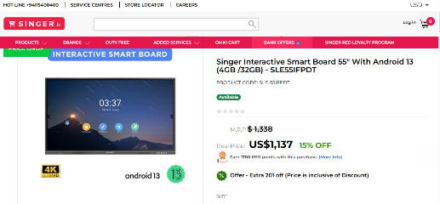
TC_004 | Verify the filter | Verify the fillter by enteing different values | Select Steam iron and filter 7999 to 9000 brand as Singer | 1 | Search a steam iron | Steam iron products should open | As Expected | Pass | 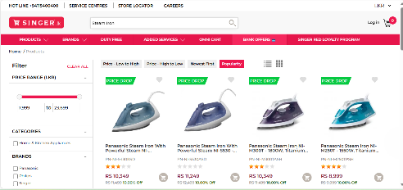 | Pass
 |  |  |  | 2 | Enter prize range 7999 to 9000 | Products should display relevant to the prize range
 |  |  |  | 3 | Enter the brand as Singer | Products should display relevant to the filtered brand
TC_005 | Add to cart | Verify the cart by adding products | Rice cooker | 1 | Select Rice cooker | Customer can add items to cart | As Expected | Pass |  | Pass
 |  |  |  | 2 | Click on add to cart |  |  |  | 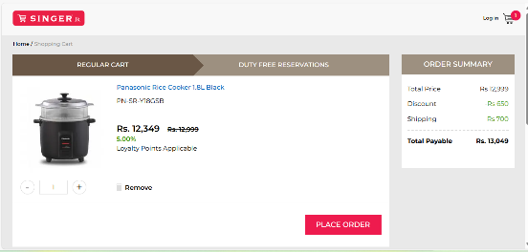 | Pass
TC_006 | Verify Place order | Verify place oreder by entering valid details | 1. Name = Omal Bandara | 1 | Select the item qualtity from cart | Update the order summary | As Expected | Pass |  | Pass
 |  |  | 2. Street Address Line One = 1st lane | 2 | Click on the place order button | Navigate to https://www.singersl.com/order/select-address | As Expected | Pass |  | Pass
 |  |  | 3. Street Address Line Two = rathmalavinna | 3 | Enter name , address, city, mobile, Home(all day delivery), NIC. | Verify entered details | As Expected | Pass |  | Pass
 |  |  | 4. City = Balangoda | 4 | Click on the continue button | navigate to https://www.singersl.com/order/payment-method | As Expected | Pass |  | Pass
 |  |  | 5. Mobile = 0113522145 | 5 | Make payment by selecting bank and click pay now button | Select the bank and navigate to https://cbcmpgs.gateway.mastercard.com/checkout/pay/SESSION0002417262951H20503052L9 | As Expected | Pass | 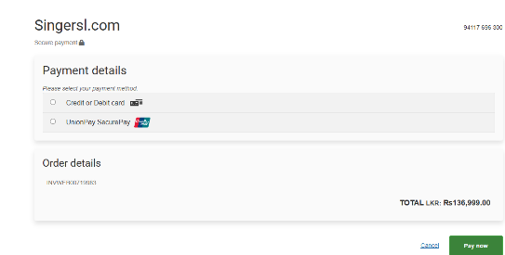 | Pass
 |  |  | 6. Home (All Day Delivery) | 6 | Verify Payment details | Verify entered details | As Expected | Pass | 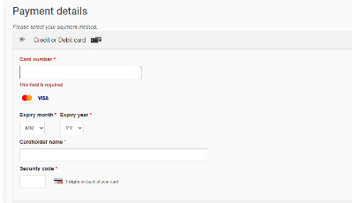 | Pass
 |  |  | 7. NIC = 112235447V | 7 | Click on the Pay Now button | Process the payment | As Expected | 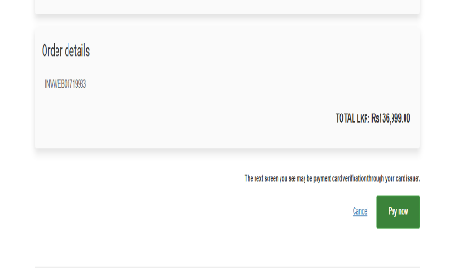 Pass |  | Pass
 |  |  | 8. Redeem your RED Loyalty points and Save More = No
 |  |  | 9. Delivery Notes = Pack this as a gift
 |  |  | 10. Make payment = Credit/Debit Cards outright purchase
 |  |  | 11. Select payment method = Debit card/creadit card
 |  |  | 12. card details = number = 1212454578797673 , Expire dates =06/24 , Cardholder name = Omal Bandara, Security code = 115

TC_007 | Verify home Page | Verify the home page and product page | Kitchen appliances | 1 | Click on the product drop-down from navigation bar | Should show the product category | As Expected | Pass | 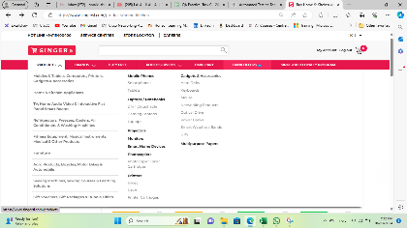 | Pass
 |  |  |  | 2 | Select product category | Should visit to the particular category | As Expected | Pass |  | Pass
TC_008 | Verify my account | Verify my account by update account details | Fist name = Jhone last name = Smith mobile = 0118844776 Gender = male NIC = 884475698V | 1 | Click on my account | Should visit to My account | As Expected | Pass |  | Pass
 |  |  |  | 2 | Update my account details | Should update my account details | As Expected | Pass |  | Pass
TC_009 | Verify login | Verify logout button and user can successfully logout | Give logout | 1 | Click on the logout button | Customer should successfully logout | As Expected | Pass |  | Pass

