Sheet1
 |  |  |  | pik poc
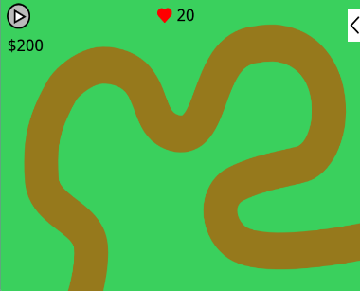 Tower Defense Game |  Arrow and cat |  slash bird |  3D Ping Pong |  Sky high: a scrolling
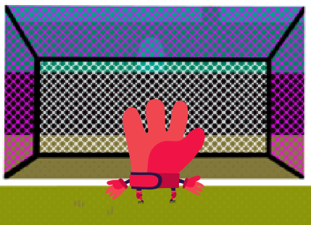 Penalty Game | 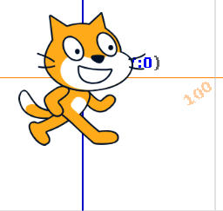 | Odd or even | 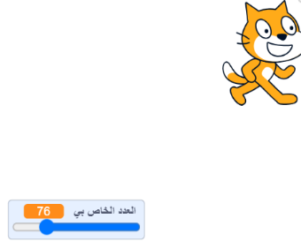 Guessing game

 |  | ]]]]

 |  | ]

