dashboard
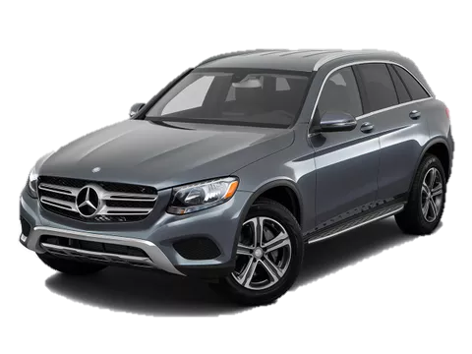
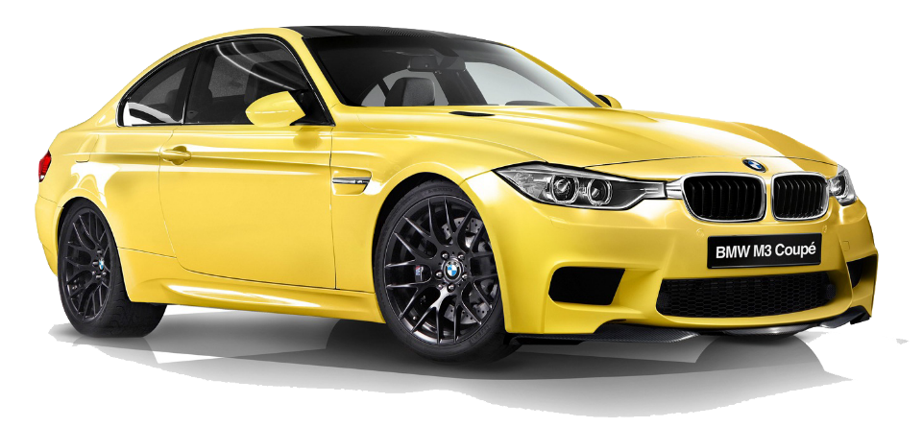
 | Toyota
Automatic | 18
Manual | 16
 | Toyota
Diesel | 10
Electric | 7
Hybrid | 13
Petrol | 4
 | Toyota
Coupe | 5
Hatchback | 5
Pickup | 10
Sedan | 9
SUV | 5
average vehicle matrix :
19.94
Mileage (KM)
366.9
Horse power
3144.1
engine-size (CC)
67982.3
Price_USD

Price_Category
 | China | Germany | Japan | South Korea | UK | USA
Budget | 2 |  | 2 |  | 1 | 1
Luxury | 2 | 2 |  | 3 | 3 | 3
Mid-Range | 4 | 2 | 1 | 1 | 1 | 1
Premium | 1 | 2 |  | 1 | 1

