Salary Calculation System
 | Amount | Unit | Comments |  |  |  | Career Level | Target Bonus Percentage | Last Two Quarters | Bonus Payout Factor
Year | 27360 | USD |  |  |  |  | P1 | 0.05 | First | 2.55
Month | 2280 | USD |  |  |  |  | P2 | 0.07 | Second | 2.9
Number of Months from First Quarter Included in Bonus (Effective Only if there Was a Bonus this Month) | 0 |  | Bonus is added only on June and December salaries |  |  |  | P3 | 0.1
Number of Months from Second Quarter Included in Bonus (Effective Only if there Was a Bonus this Month) | 0 |  |  |  |  |  | P4 | 0.15
Bonus | 0 | USD |  |  |  |  | P5 | 0.2
USD to EGP | 51.5
Gross Monthly Salary | 117420 | EGP
Pension Match Employee | 1837 | EGP | Numbers change over time. Check online/Copilot frequently.
Monthly Salary After Pension | 115583 | EGP
Annual Salary After Pension | 1386996 | EGP
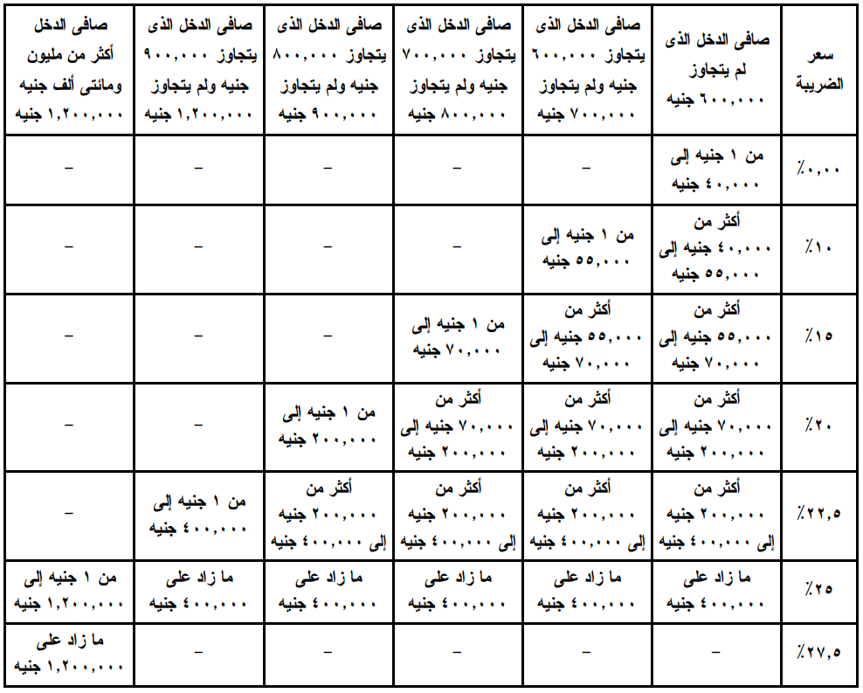
Tax Excuse | 20000 | EGP | This number can be obtained from "قانون الضريبة علي الدخل" as shown on the right
Taxable Annual Salary | 1366996 | EGP
Annual Income Tax | 345923.9 | EGP
Monthly Income Tax | 28826.991667 | EGP
Monthly Martyrs Fund | 58.71 | EGP
Has an ESPP cycle just ended this month and you were participating? (Yes/No) | No
Company's Discount (Effective Only if an ESPP Cycle has Just Ended This Month) | 20 | %
Share FMV at the Start of the Cycle (Effective Only if an ESPP Cycle has Just Ended This Month) | 279.13 | USD
Share FMV at the End of the Cycle (Effective Only if an ESPP Cycle has Just Ended This Month) | 401.39 | USD
Share Buying Price (Effective Only if an ESPP Cycle has Just Ended This Month) | 223.3 | USD
Purchase Value (Effective Only if an ESPP Cycle has Just Ended This Month) | 2455.9 | USD
Number of Shares Bought (Effective Only if an ESPP Cycle has Just Ended This Month) | 10.998 | Shares
Total ESPP Benefit from Taxes POV (Effective Only if an ESPP Cycle has Just Ended This Month) | 1958.63382 | USD
ESPP Tax (Effective Only if an ESPP Cycle has Just Ended This Month) | 538.6243005 | USD | Not sure, but the tax percentage most probably depends on "الشريحة الضريبية" for the current month
ESPP Tax (Effective Only if an ESPP Cycle has Just Ended This Month) | 0 | EGP |  |  | Tax = 0.275 * B24 | 339.36910656 | Tax = 0.275 * 0.25 * Purchase Value
Current ESPP Contribution | 20 | % |  |  | B24 = (MAX(B19,B20)-B21)*B23 | 1234.0694784 | B24=B19*0.2*B23 | B24 = 0.25 * B22
Current Monthly ESPP Contribution | 456 | USD |  |  | B19: Share start FMV | 227.66 | B19
ESPP | 23484 | EGP |  |  | B20: Share end FMV | 281.29 | B20 = B19
Net Monthly Salary | 63213.298333 | EGP |  |  | B21: Share Buying Price | 182.128 | B21 = B19*0.8 | 155.827375
Net Monthly Salary | 1227 | USD |  |  | B23 = B22 / B21 | 12.444983748 | B23 = B22 / (B19 * 0.8)
 |  |  | ratio of tax | 26.16479447 | B22: Purchase Value | 2266.58

 |  |  | Approximation
 |  |  | Net = Gross - Taxes - ESPP Contribution
 |  |  | Taxes = Gross * 0.26 + ESPP Tax | ESPP Tax = 0.275 * 0.25 * Purchase Value |  |  | 2725.254816
 |  |  | Net = Gross - Gross * 0.26 - ESPP Tax - ESPP Contribution | Purchase Value = 6 * ESPP Contribution
 |  |  | Net = (1 -0.26) * Gross - ESPP Tax - ESPP Contribution

