Withdrawal Audit
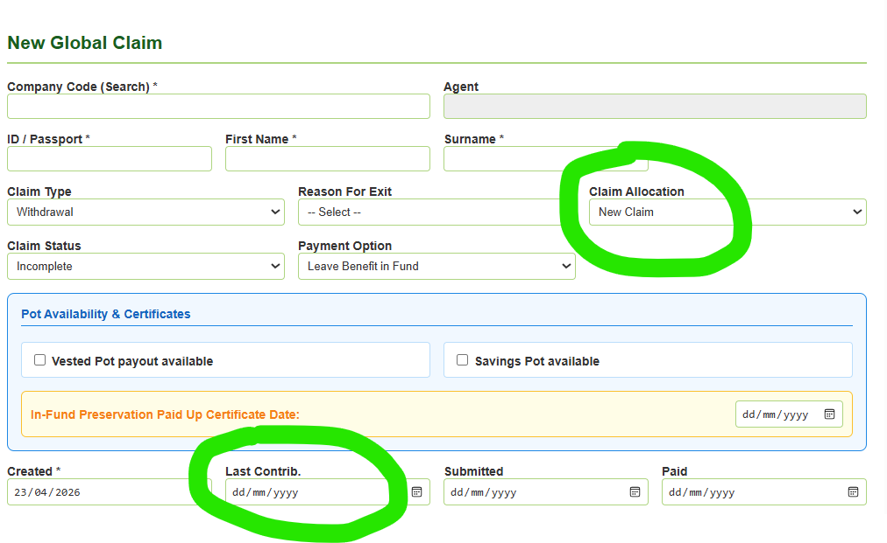
Co Code | Branch | Agent | MIP Number | ID Number | Name | Surname | Type | Status | Exit Reason | Created | Submitted | Paid
1510022 | Andrew Starke Farms (Pty) Ltd | Karen Jacobs |  | 99999999999 | test | sample | Withdrawal | Incomplete | Retirement | 2026-04-23 | 2026-04-23 | 2026-04-24
1510141 | Sec 28 - Djp Bester | Mymoena Kariem |  | 4565322589 | ROSE | ROSE | Retirement | Incomplete | Resignation | 2026-04-22
1510022 | Andrew Starke Farms (Pty) Ltd | Karen Jacobs |  | 4565322589 | koos | koos | Withdrawal | Submitted |  | 2026-04-16
1510022 | Andrew Starke Farms (Pty) Ltd | Karen Jacobs |  | 7598236952 | Omega | Omega | Withdrawal | Submitted | Retirement | 2026-04-12
12/04/2026 | Unknown Group |  |  | 12/04/2026 | 12/04/2026 | 12/04/2026 | Withdrawal | Submitted | Resignation | 2026-04-12

