Sayfa1
TestID | Test case category | Description /Summary | Environment | Steps | Test data | Expected result | Actual Result | Test Result
OmerAvci | Positive test case | The user can choose any male bot and come to the payment page. | https://www.lcwaikiki.com/tr-TR/TR | 1. Open website / go to home page | https://www.lcwaikiki.com/tr-TR/TR | LCW home page should be open /display | successful | PASSED
 |  |  |  | 2.Verify that you are on the home page |  | The user must be verified to be on the homepage | successful
 |  |  |  | 3.Go to Men's boots using the action class or with the help of the search button |  | User should be able to go to Men's boots | successful
 |  |  |  | 4.Click any Bot |  | User should be able to click the any bot | successful
 |  |  |  | 5.Click any Size |  | User should be able to click the any size | successful
 |  |  |  | 6.Click on the addToCart |  | User should be able to click the add to cart button | successful
 |  |  |  | 7.Click on the Cart |  | User should be able to click the Cart | successful
 |  |  |  | 8.Save the product price |  | User should be able to save the product price | successful
 |  |  |  | 9.Click on the Payment |  | User should be able to click the Payment button | successful
 |  |  |  | 10.Fill out the form on the payment page |  | User should be able to fill the user info | successful
 |  |  |  | 11.Click on the save button |  | User should be able to click the Save Button | successful

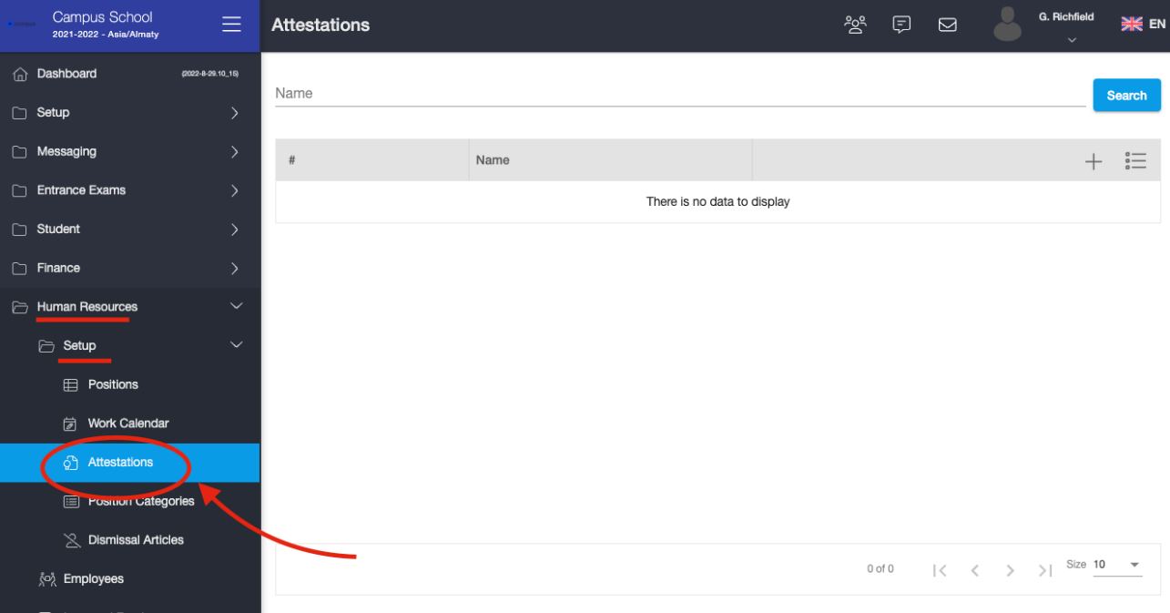
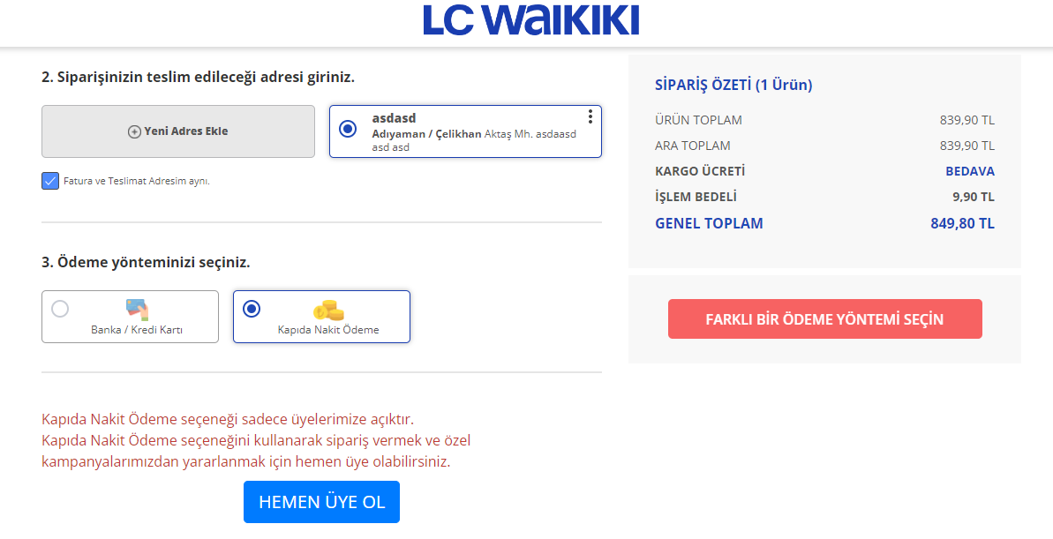
 |  |  |  | Cucumber type test case
 |  |  |  | Gherkin language
 |  |  |  | GIVEN User open app / go to home page
 |  |  |  | WHEN Verify that you are on the home page
 |  |  |  | AND Go to Men's boots using the action class or with the help of the search button
 |  |  |  | THEN Click any Bot
 |  |  |  | AND Click any Size
 |  |  |  | AND Click on the addToCart
 |  |  |  | AND Click on the Cart
 |  |  |  | AND Save the product price
 |  |  |  | AND Click on the Payment
 |  |  |  | AND Fill out the form on the payment page
 |  |  |  | AND Click on the save button
 |  |  |  | THEN Success message should be displayed

İbrahimFigen | Positive test case | Kendi bilir | https://www.lcwaikiki.com/tr-TR/TR |  | https://www.lcwaikiki.com/tr-TR/TR

Kendi Nameniz | Positive Test Case | Kendi testinizin açıklaması | https://www.lcwaikiki.com/tr-TR/TR |  | https://www.lcwaikiki.com/tr-TR/TR
Orcun ILGEN | yes | User checks the live-chat out whether works properly |  | 1. Open website / go to mainpage in datatable scenario with background
 |  |  |  | AND Click on the element in the dialog
 |  |  |  | |clickincokie1 | / click in the cokie in order to disappear it
 |  |  |  | | clickninanladım| click in the close tab in order to end it up
 |  |  |  | |livesupportclick | click in the live-chat to make sure checking it out
 |  |  |  | |clickinorders | click in the "orders" to see info
 |  |  |  | | quitlick| click in the close tab in ordert to exit
 |  |  |  | | quitclickYes | click in the "are sure to exit" button in order to end it up completely
 |  |  |  | RESULT BİNGOOOOOOOOOOOOOOOOOO!!!!! :)) |^_^|

kendi nameniz | Positive Test Case | Kendi testinizin açıklaması | https://www.lcwaikiki.com/tr-TR/TR |  | https://www.lcwaikiki.com/tr-TR/TR

kendi nameniz | Positive Test Case | Kendi testinizin açıklaması | https://www.lcwaikiki.com/tr-TR/TR |  | https://www.lcwaikiki.com/tr-TR/TR

kendi nameniz | Positive Test Case | Kendi testinizin açıklaması | https://www.lcwaikiki.com/tr-TR/TR |  | https://www.lcwaikiki.com/tr-TR/TR

