BOM
Item | Part Number | Material | part | Q. | weight | Comment
1 | Holding block | 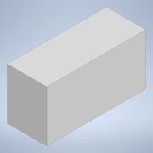 AlSiMg05 | 1 | 2 | 8.7 g
2 | sensor | 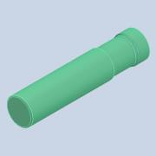 Normal | 1 | 5 | ..
3 | upper jaw | 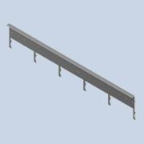 AlSiMg05 | 1 | 1 | 1633 g
4 | lower jaw | 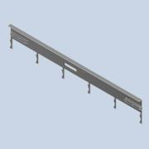 AlSiMg05 | 1 | 1 | 1569 g
5 | HBN-20/25X2 |         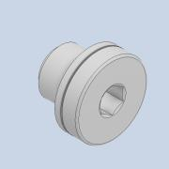 Steel | 3 | 2 | 237 g
6 | GRLA-1/8-QS-8-D | Wrought aluminum alloy | 1 | 6 | 22 g
7 | DSNU-20-250-PPV-A | High-alloy stainless steel | 2 | 1 | 186.8 g
8 | SGS-M10X1,25 | 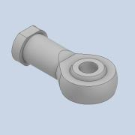 Steel, galvanized | 2 | 1 | 88 g
9 | SME-8M-DS-24V-K-0,3-M8D | High-alloy stainless steel | 8 | 2 | 8.9 g
10 | SMBR-8-25 | Wrought aluminum alloy | 4 | 2 | ..
11 | LBN-20/25 | Steel | 4 | 1 | 84 g
12 | valve terminal | NBR, HNBR | 38 | 1 | ..
13 | HGPL-40-100-A-B | Wrought aluminum alloy | 14 | 1 | 5340 g
14 | DSNU-16-100-PPV-A | 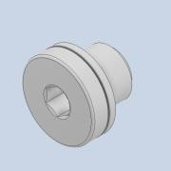 High-alloy stainless steel | 2 | 1 | 89.9 g
15 | MSB4 (Air valve) | Die-cast aluminum | 8 | 1 | 1500 g
16 | sensor holder | S235 | 1 | 5 | 75 g
17 | Jaw box holder | 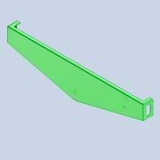 AlSiMg05 | 1 | 1 | 3,039 g
18 | Jaw box | 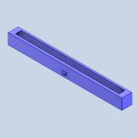 AlSiMg05 | 1 | 1 | 3884 g
22 | TRS-V | Steel | 1 | 9 | 234 g
20 | DYSW-10-17 holder | S235 | 1 | 2 | 7.3 g
21 | Linear rails | Steel | 1 | 9 | 186 g
22 | Rod 1 | S235 | 1 | 2 | 6488 g
23 | Rod 2 | S235 | 1 | 2 | 1804 g
24 | Rod 3 | S235 | 1 | 1 | 7,411 g
25 | Rod 4 | S235 | 1 | 2 | 6,494 g
26 | Rod 5 | S235 | 1 | 4 | 603 g
27 | Rod 6 | S235 | 1 | 2 | 840 g
28 | DYSW-10-17 | High-alloy steel | 1 | 2 | 67 g

