1
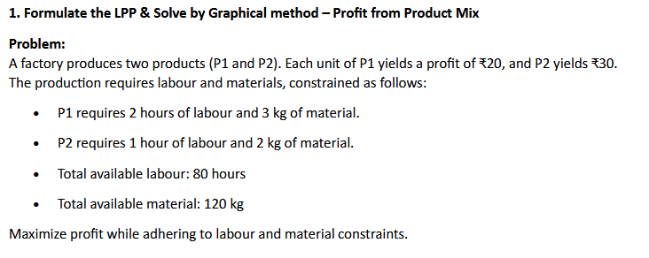
Max: 20P1+30P2
40 | 0
0 | 80
40 | 0
0 | 60
 |  |  |  |  |  | Eqns
 |  |  |  |  |  | 20X1+30X2
 |  |  |  |  |  | 2P1+P2<=80
 |  |  |  |  |  | 3P1+2P2<=120

 |  |  |  |  |  |  | P1 | P2
 |  |  |  |  |  | Eqn 1 | 40 | 0
 |  |  |  |  |  |  | 0 | 80

 |  |  |  |  |  | Eqn 2 | 40 | 0
 |  |  |  |  |  |  | 0 | 60

 | P1 | P2 | Max |  |  | Ans lies in corner |  |  | Z
Profits | 20 | 30 |  |  |  |  | 0 | 60 | 1800
Qty | 0 | 60 | 1800 |  |  |  | 0 | 0 | 0
 |  |  |  |  |  |  | 40 | 0 | 800
Labour | 2 | 1 | 60 | <= | 80
Material | 3 | 2 | 120 | <= | 120

Maximum profit |  | 1800

Q2
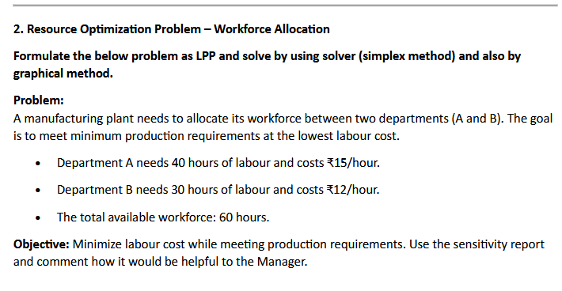
40 | 0
40 | 30
0 | 30
40 | 30
60 | 0
0 | 60
 |  |  |  |  |  | Math Eqn
 |  |  |  |  |  | Z: 15 A +12B
 |  |  |  |  |  | sub
 |  |  |  |  |  | A>=40
 |  |  |  |  |  | B>=30
 |  |  |  |  |  | A+B<=60

 |  |  |  |  |  |  | A | B
 |  |  |  |  |  | Eqn 1 | 40 | 0
 |  |  |  |  |  |  | 40 | 30

 |  |  |  |  |  | Eqn 2 | 0 | 30
 |  |  |  |  |  |  | 40 | 30

 |  |  |  |  |  | Eqn3 | 60 | 0
 |  |  |  |  |  |  | 0 | 60

Infeasible region, sensitivity can be generated only when feasible solns exist.
 | Dept A | Dept B | Min
cost per hr | 15 | 12
Labour hrs | 40 | 20 | 840

Constraints
Labor hrs of A | 1 | 0 | 40 | >= | 40
Labor hrs of B | 0 | 1 | 20 | >= | 30
Total | 1 | 1 | 60 | <= | 60

3
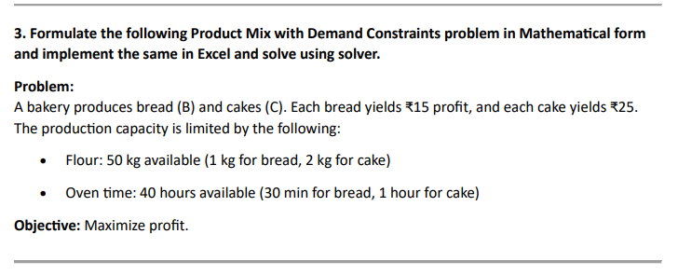

Math form
Max | 15B+15C

sub
 | 1B+2C<=50
 | 0.5B+1C<=40

 | Bread B | Cake C | Profit
Profit | 15 | 15
Qty | 50 | 0 | 750

Constraints
Flour | 1 | 2 | 50 | <= | 50
Oven Time | 0.5 | 1 | 25 | <= | 40

4
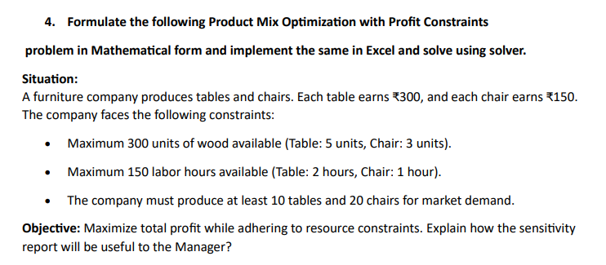

Mathematical form
Max | 300T+150C

subject to
 | 5T+3C<=300
 | 2T+1C<=150

 | Tables | Chair | Max
Profits | 300 | 150
Qty | 48 | 20 | 17400

Constraints
Wood | 5 | 3 | 300 | <= | 300
Labour | 2 | 1 | 116 | <= | 150
Tables | 1 | 0 | 48 | >= | 10
Chairs | 0 | 1 | 20 | >= | 20

5
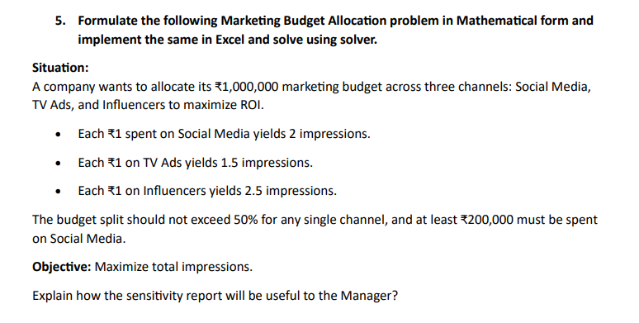

Mathematical Form
Max: | 2 Sm +1.5 Tv +2.5 In
Sub to
 | 1 Sm <=500000
 | 1 Tv <=500001
 | 1 In <=500002
 | 1 Sm >= 200000
 | Sm + Tv + In <= 1000000

 | Social Media | Tv Ads | Influencers | Max Impressions
Impressions | 2 | 1.5 | 2.5
Cost | 500000 | 0 | 500000 | 2250000

Constraints
Social Media | 1 | 0 | 0 | 500000 | <= | 500000
Tv Ads | 0 | 1 | 0 | 0 | <= | 500000
Influencers | 0 | 0 | 1 | 500000 | <= | 500000
Social Media | 1 | 0 | 0 | 500000 | >= | 200000
Total cost | 1 | 1 | 1 | 1000000 | <= | 1000000

Sensitivity 6
Microsoft Excel 16.0 Sensitivity Report
Worksheet: [MS_Assign_1.xlsx]Q6
Report Created: 03-03-2025 12:43:44 PM

Reduced cost: We can observe that the reduced cost for all variables is 0, implying that the given solutions are in the optimal solution range.
Objective Coeffiecient Range:
The optimal Quantities will remain the same for coefficients of
Day: 0, inf
Night: 0, inf.
Shadow Price:
For an unit of increase in the constraint for:
Labour in the day: the cost will increase by 500 till 70 and will decrease by 500 till 0.
Labour in the night: the cost will increase by 800 till 60 and will decrease by 800 till 0.
Variable Cells
 |  |  | Final | Reduced | Objective | Allowable | Allowable
 | Cell | Name | Value | Cost | Coefficient | Increase | Decrease
 | $C$25 | No of Labour Day | 50 | 0 | 500 | 1E+30 | 500
 | $D$25 | No of Labour Night | 30 | 0 | 800 | 1E+30 | 800

Constraints
 |  |  | Final | Shadow | Constraint | Allowable | Allowable
 | Cell | Name | Value | Price | R.H. Side | Increase | Decrease
 | $E$28 | Day Min Lab cost | 50 | 500 | 50 | 20 | 50
 | $E$29 | Night Min Lab cost | 30 | 800 | 30 | 20 | 30
 | $E$30 | Total workforce Min Lab cost | 80 | 0 | 100 | 1E+30 | 20

6
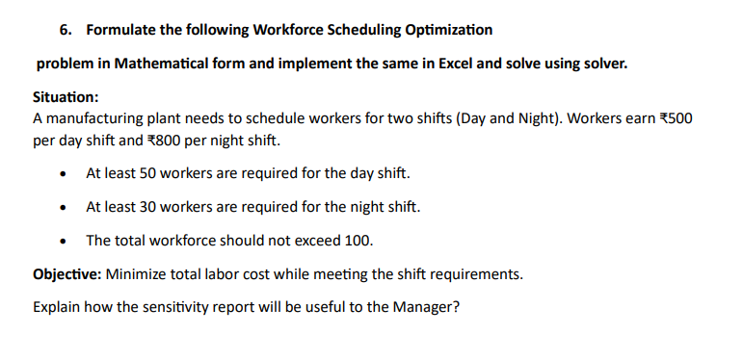

Mathematical Form
Max | 500 D + 30 N
Subject to
 | D >= 50
 | N >= 30
 | D + N <= 100

 | Day | Night | Min Lab cost
Cost | 500 | 800
No of Labour | 50 | 30 | 49000

Constraints
Day | 1 | 0 | 50 | >= | 50
Night | 0 | 1 | 30 | >= | 30
Total workforce | 1 | 1 | 80 | <= | 100

Q7
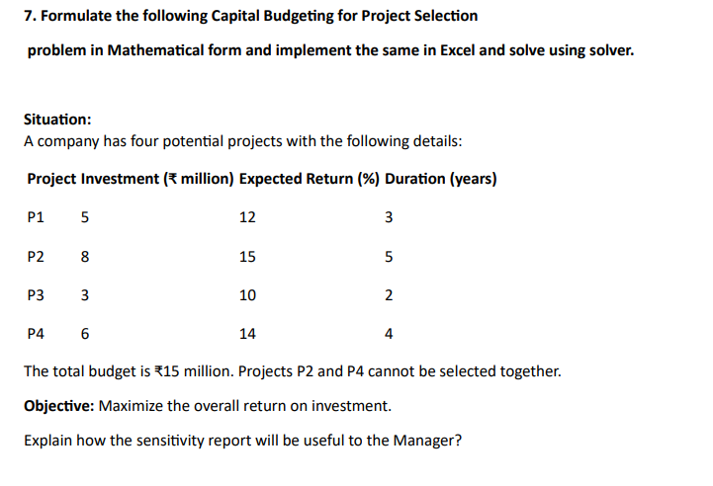

Mathematical Formulation
Max: | 12 P1 + 15 P2 +10 P3 + 6 P4
Subject to
 | 5 P1 + 8 P2 + 3P3 <= 15,000,000
 | 5 P1 + 3P3 + 6P4 <= 15,000,000

 | P1 | P2 | P3 | P4 | Max Rtns
Expected Return | 1.12 | 1.15 | 1.1 | 1.14
Project choice or no | 1 | 0.5 | 1 | 0.5 | 3.365

Constraints
Investment constraint | 5 | 8 | 3 | 6 | 15 | <= | 15
choose 2 or 4 | 0 | 1 | 0 | 1 | 1 | <= | 1
Project 1 | 1 |  |  |  | 1 | <= | 1
Project 2 |  | 1 |  |  | 0.5 | <= | 1
Project 3 |  |  | 1 |  | 1 | <= | 1
Project 4 |  |  |  | 1 | 0.5 | <= | 1

Sensitivity 8
Microsoft Excel 16.0 Sensitivity Report
Worksheet: [MS_Assign_1.xlsx]Q8
Report Created: 03-03-2025 12:50:28 PM

Reduced cost:
Since the reduced cost for certain variables is less than 0, we can see that solution is not in the optimal solution range.
Objective Coeffiecient Range:
The optimal Quantities will remain the same for coefficients of
A; 0,90
B: 0,90
C:70, inf
Shadow Price:
For an unit of increase in the constraint for:
machine hrs: there will be 90 increase in profits till 300 hrs and decrease of 90 for unit decrease till 0.
others resources are slack, indicating an increase in resources will yield nothing.
Variable Cells
 |  |  | Final | Reduced | Objective | Allowable | Allowable
 | Cell | Name | Value | Cost | Coefficient | Increase | Decrease
 | $C$26 | Quantity A | 0 | -40 | 50 | 40 | 1E+30
 | $D$26 | Quantity B | 0 | -20 | 70 | 20 | 1E+30
 | $E$26 | Quantity C | 200 | 0 | 90 | 1E+30 | 20

Constraints
 |  |  | Final | Shadow | Constraint | Allowable | Allowable
 | Cell | Name | Value | Price | R.H. Side | Increase | Decrease
 | $F$29 | RM Max profits | 200 | 0 | 500 | 1E+30 | 300
 | $F$30 | Machine hrs Max profits | 200 | 90 | 200 | 100 | 200
 | $F$31 | Storage Max profits | 200 | 0 | 300 | 1E+30 | 100

8
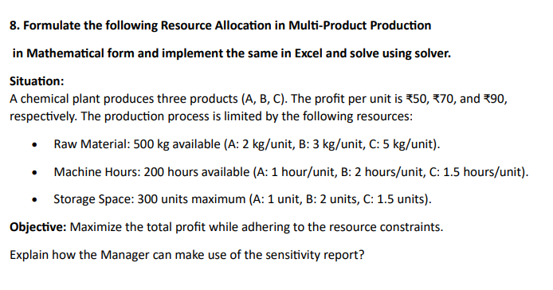

Mathematical Formulation
max | 50 A + 70 B + 90C
Subject to
 | 2 A +3 B + 5 C <=500
 | 1 A +2 B + 1.5 C <=200
 | 1 A + 2 B +1.5 C <= 300

 | A | B | C
Profits | 50 | 70 | 90
Quantity | 0 | 0 | 200 | 18000

Constraints
RM | 2 | 3 | 5 | 200 | <= | 500
Machine hrs | 1 | 2 | 1.5 | 200 | <= | 200
Storage | 1 | 2 | 1.5 | 200 | <= | 300

Sensitivity 9
Microsoft Excel 16.0 Sensitivity Report
Worksheet: [MS_Assign_1.xlsx]Q9
Report Created: 03-03-2025 12:55:34 PM

Reduced cost is not zero for several variables, indicating a decrease in them to attain optimal solution.
We can see shadow prices in the constraint section:
for D1: 1000 cost increase till 15
for D2: 998 cost increase till 20.
for D3: 1000 cost increase till 60.
a reduction in increase of unit in W1 and W2, by 992 cost and 996 cost till the allowable increase is met.
Variable Cells
 |  |  | Final | Reduced | Objective | Allowable | Allowable
 | Cell | Name | Value | Cost | Coefficient | Increase | Decrease
 | $C$26 | W1 D1 | 5 | 0 | 8 | 2 | 2
 | $D$26 | W1 D2 | 15 | 0 | 6 | 2 | 998
 | $E$26 | W1 D3 | 0 | 2 | 10 | 1E+30 | 2
 | $C$27 | W2 D1 | 0 | 5 | 9 | 1E+30 | 5
 | $D$27 | W2 D2 | 0 | 10 | 12 | 1E+30 | 10
 | $E$27 | W2 D3 | 30 | 0 | 4 | 5 | 1E+30
 | $C$28 | Dummy D1 | 5 | 0 | 1000 | 2 | 2
 | $D$28 | Dummy D2 | 0 | 2 | 1000 | 1E+30 | 2
 | $E$28 | Dummy D3 | 15 | 0 | 1000 | 2 | 5

Constraints
 |  |  | Final | Shadow | Constraint | Allowable | Allowable
 | Cell | Name | Value | Price | R.H. Side | Increase | Decrease
 | $C$29 | D1 | 10 | 1000 | 10 | 0 | 5
 | $D$29 | D2 | 15 | 998 | 15 | 0 | 5
 | $E$29 | D3 | 45 | 1000 | 45 | 0 | 15
 | $F$26 | W1 Supply | 20 | -992 | 20 | 5 | 0
 | $F$27 | W2 Supply | 30 | -996 | 30 | 15 | 0
 | $F$28 | Dummy Supply | 20 | 0 | 20 | 1E+30 | 0

9
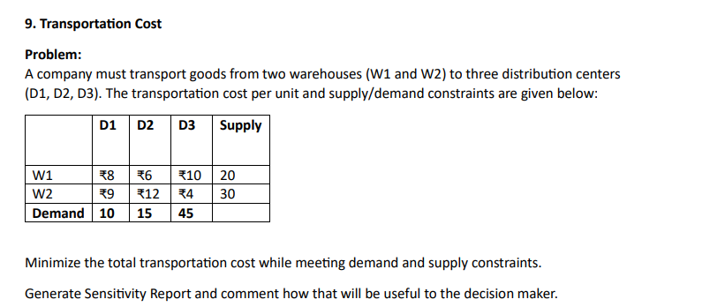

 | D1 | D2 | D3 | Supply
W1 | 8 | 6 | 10 | 20
W2 | 9 | 12 | 4 | 30
Dummy | 1000 | 1000 | 1000
Demand | 10 | 15 | 45

 | D1 | D2 | D3 |  |  | Supply
W1 | 5 | 15 | 0 | 20 | <= | 20
W2 | 0 | 0 | 30 | 30 | <= | 30 | Min cost with dummy | 20250
Dummy | 5 | 0 | 15 | 20 | <= | 20
 | 10 | 15 | 45 |  |  |  | Cost | 250
 | >= | >= | >=
Demand | 10 | 15 | 45 |  |  | 70

Sensitivity 10
Microsoft Excel 16.0 Sensitivity Report
Worksheet: [MS_Assign_1.xlsx]Q10
Report Created: 03-03-2025 12:59:33 PM

The reduced cost of some varaibles is not zero indicating that the optimal solution values are not in the optimal region.
The shadow prices mean that an increase of unit of constraint will lead to an increase in cost and vice versa.
Therefore, they should focus on increasing constraints where shadow price is negative.
Variable Cells
 |  |  | Final | Reduced | Objective | Allowable | Allowable
 | Cell | Name | Value | Cost | Coefficient | Increase | Decrease
 | $C$31 | P1 W1 | 0 | 0 | 5 | 1 | 0
 | $D$31 | P1 W2 | 0 | 0 | 6 | 1E+30 | 0
 | $E$31 | P1 W3 | 150 | 0 | 8 | 0 | 2
 | $F$31 | P1 W4 | 0 | 3 | 7 | 1E+30 | 3
 | $C$32 | P2 W1 | 0 | 2 | 4 | 1E+30 | 2
 | $D$32 | P2 W2 | 150 | 0 | 3 | 0 | 7
 | $E$32 | P2 W3 | 50 | 0 | 5 | 2 | 0
 | $F$32 | P2 W4 | 0 | 5 | 6 | 1E+30 | 5
 | $C$33 | P3 W1 | 100 | 0 | 6 | 0 | 1
 | $D$33 | P3 W2 | 0 | 0 | 7 | 1E+30 | 0
 | $E$33 | P3 W3 | 0 | 0 | 9 | 1E+30 | 0
 | $F$33 | P3 W4 | 150 | 0 | 5 | 3 | 5

Constraints
 |  |  | Final | Shadow | Constraint | Allowable | Allowable
 | Cell | Name | Value | Price | R.H. Side | Increase | Decrease
 | $C$34 | W1 | 100 | 6 | 100 | 0 | 100
 | $D$34 | W2 | 150 | 7 | 150 | 0 | 100
 | $E$34 | W3 | 200 | 9 | 200 | 0 | 100
 | $F$34 | W4 | 150 | 5 | 150 | 0 | 150
 | $G$31 | P1 Capacity | 150 | -1 | 150 | 100 | 0
 | $G$32 | P2 Capacity | 200 | -4 | 200 | 100 | 0
 | $G$33 | P3 Capacity | 250 | 0 | 250 | 1E+30 | 0

10
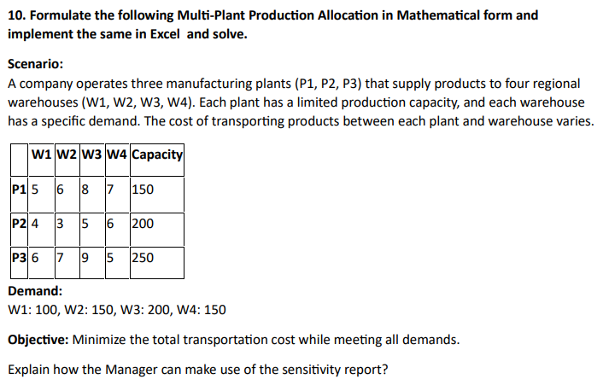

 | W1 | W2 | W3 | W4 | Capacity
P1 | 5 | 6 | 8 | 7 | 150
P2 | 4 | 3 | 5 | 6 | 200
P3 | 6 | 7 | 9 | 5 | 250
Demand | 100 | 150 | 200 | 150 | 600

 | W1 | W2 | W3 | W4 |  |  | Capacity
P1 | 0 | 0 | 150 | 0 | 150 | <= | 150
P2 | 0 | 150 | 50 | 0 | 200 | <= | 200
P3 | 100 | 0 | 0 | 150 | 250 | <= | 250
 | 100 | 150 | 200 | 150 |  |  |  | Min cost | 3250
 | >= | >= | >= | >=
Demand | 100 | 150 | 200 | 150

11
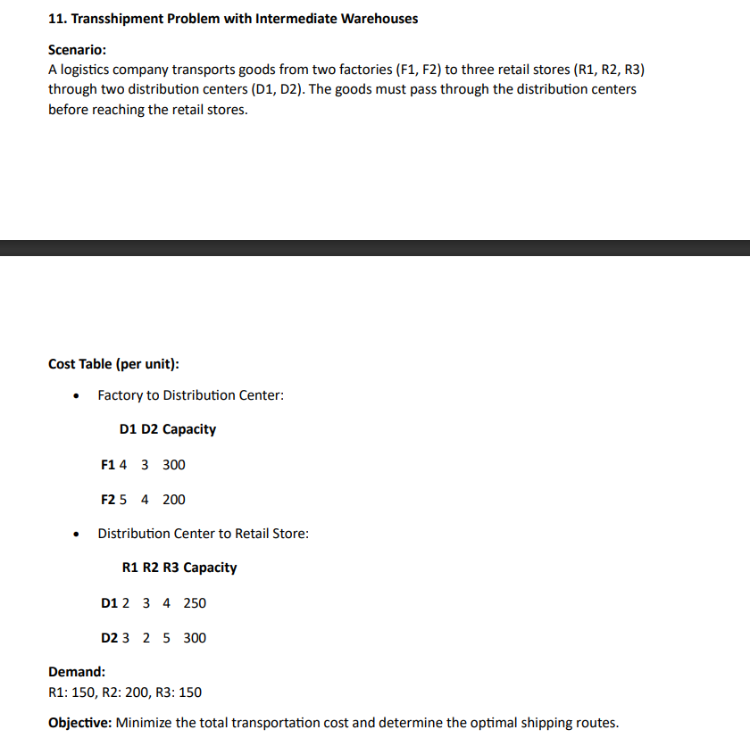

 | D1 | D2 | Capacity
F1 | 4 | 3 | 300
F2 | 5 | 4 | 200

 | R1 | R2 | R3
D1 | 2 | 3 | 4
D2 | 3 | 2 | 5

Demand | 150 | 200 | 150

 | D1 | D2 |  |  | Capacity
F1 | 0 | 300 | 300 | <= | 300
F2 | 200 | 0 | 200 | <= | 200
 | 200 | 300

 | R1 | R2 | R3
D1 | 150 | 0 | 50 | 200 | <= | 250
D2 | 0 | 200 | 100 | 300 | <= | 300
 | 150 | 200 | 150
 | >= | >= | >=
Demand | 150 | 200 | 150

Factory to DC | 1900
DC to R | 1400
Total Cost | 3300

12
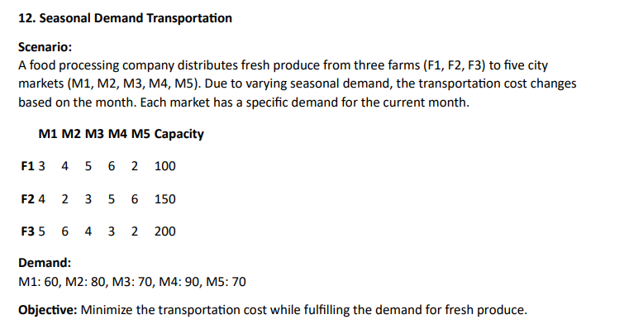

 | M1 | M2 | M3 | M4 | M5 | Capacity
F1 | 3 | 4 | 5 | 6 | 2 | 100
F2 | 4 | 2 | 3 | 5 | 6 | 150
F3 | 5 | 6 | 4 | 3 | 2 | 200
Demand | 60 | 80 | 70 | 90 | 70

 | M1 | M2 | M3 | M4 | M5 |  |  | Capacity
F1 | 60 | 0 | 0 | 0 | 40 | 100 | <= | 100
F2 | 0 | 80 | 70 | 0 | 0 | 150 | <= | 150
F3 | 0 | 0 | 0 | 90 | 30 | 120 | <= | 200
 | 60 | 80 | 70 | 90 | 70
 | >= | >= | >= | >= | >=
Demand | 60 | 80 | 70 | 90 | 70

Cost | 960

13
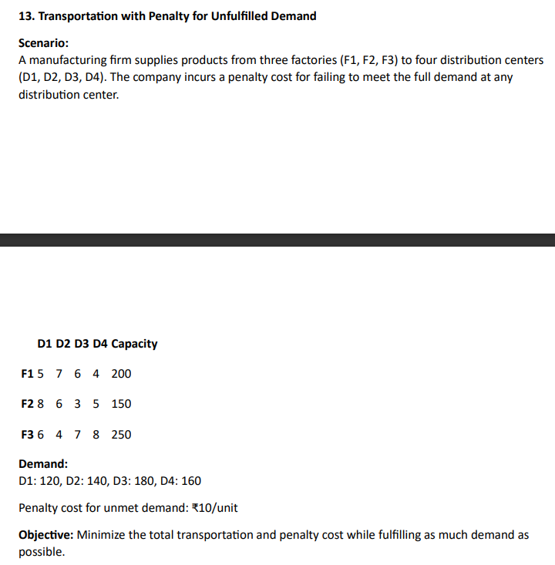
 | D1 | D2 | D3 | D4 | Capacity
F1 | 5 | 7 | 6 | 4 | 200
F2 | 8 | 6 | 3 | 5 | 150
F3 | 6 | 4 | 7 | 8 | 250
Demand | 120 | 140 | 180 | 160

 |  |  |  | Total demand | 600
 |  |  |  | Total Supply | 600

 | D1 | D2 | D3 | D4 |  |  | Capacity
F1 | 10 | 0 | 30 | 160 | 200 | <= | 200
F2 | 0 | 0 | 150 | 0 | 150 | <= | 150
F3 | 110 | 140 | 0 | 0 | 250 | <= | 250
 | 120 | 140 | 180 | 160
 | >= | >= | >= | >=
Demand | 120 | 140 | 180 | 160

 | Min cost | 2540

14
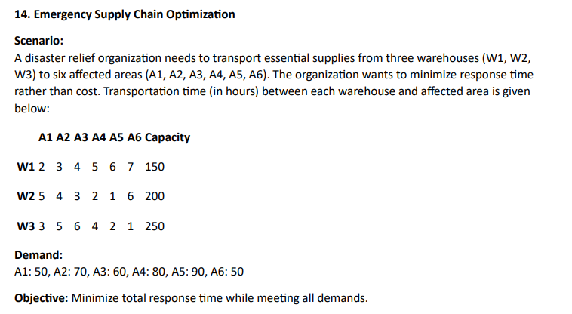
 | A1 | A2 | A3 | A4 | A5 | A6 | Capacity
W1 | 2 | 3 | 4 | 5 | 6 | 7 | 150
W2 | 5 | 4 | 3 | 2 | 1 | 6 | 200
W3 | 3 | 5 | 6 | 4 | 2 | 1 | 250
Demand | 50 | 70 | 60 | 80 | 90 | 50

 | A1 | A2 | A3 | A4 | A5 | A6 |  |  | Capacity
W1 | 50 | 70 | 0 | 0 | 0 | 0 | 120 | <= | 150
W2 | 0 | 0 | 60 | 80 | 60 | 0 | 200 | <= | 200
W3 | 0 | 0 | 0 | 0 | 30 | 50 | 80 | <= | 250
 | 50 | 70 | 60 | 80 | 90 | 50
 | >= | >= | >= | >= | >= | >=
Demand | 50 | 70 | 60 | 80 | 90 | 50

Minimise Time |  | 820

15
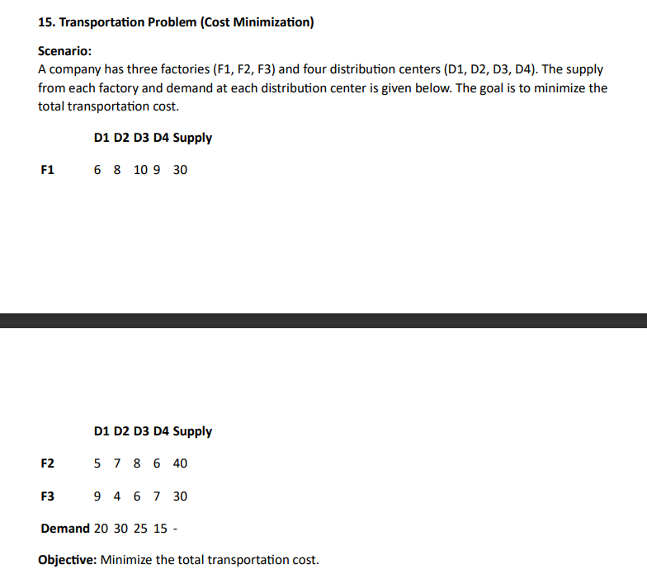
 | D1 | D2 | D3 | D4 | Supply
F1 | 6 | 8 | 10 | 9 | 30
F2 | 5 | 7 | 8 | 6 | 40
F3 | 9 | 4 | 6 | 7 | 30
Demand | 20 | 30 | 25 | 15

 | D1 | D2 | D3 | D4 |  |  | Supply
F1 | 20 | 0 | 0 | 0 | 20 | <= | 30
F2 | 0 | 0 | 25 | 15 | 40 | <= | 40
F3 | 0 | 30 | 0 | 0 | 30 | <= | 30
 | 20 | 30 | 25 | 15
 | >= | >= | >= | >=
Demand | 20 | 30 | 25 | 15

Min cost | 530

16
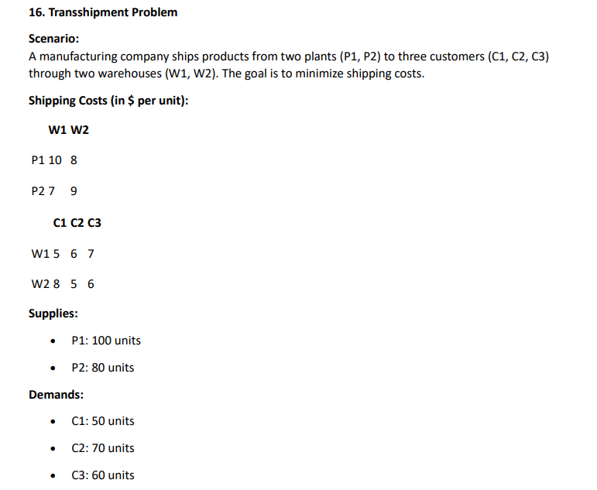
 | W1 | W2
P1 | 10 | 8
P2 | 7 | 9

 | C1 | C2 | C3
W1 | 5 | 6 | 7
W2 | 8 | 5 | 6
Demand | 50 | 70 | 60

 | W1 | W2 |  |  | Supply
P1 | 0 | 100 | 100 | <= | 100
P2 | 80 | 0 | 80 | <= | 80
 | 80 | 100

 | C1 | C2 | C3
W1 | 50 | 0 | 30 | 80
W2 | 0 | 70 | 30 | 100
 | 50 | 70 | 60
 | >= | >= | >=
Demand | 50 | 70 | 60

PtoW | 1360
WtoC | 990
Total cost | 2350

17
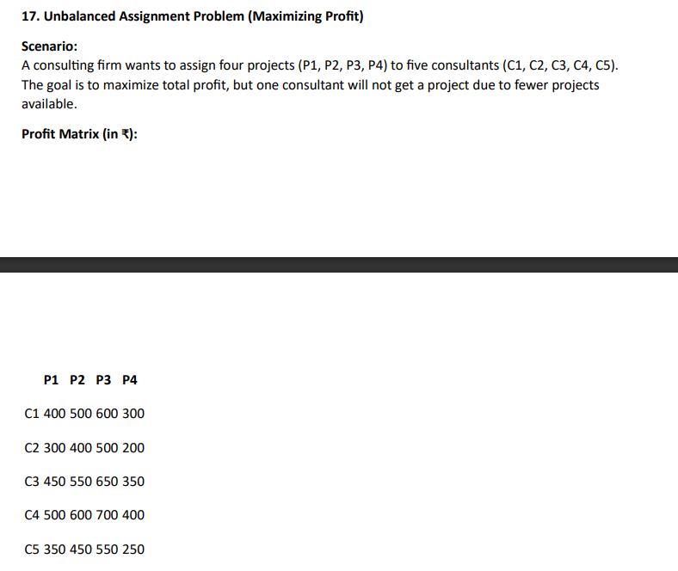
 | C1 | C2 | C3 | C4 | C5
P1 | 400 | 300 | 450 | 500 | 350
P2 | 500 | 400 | 500 | 600 | 450
P3 | 600 | 500 | 650 | 700 | 550
P4 | 300 | 200 | 350 | 400 | 250
Dummy 5 | 0 | 0 | 0 | 0 | 0

 | C1 | C2 | C3 | C4 | C5
P1 | 0 | 0 | 0 | 0 | 1 | 1 | = | 1
P2 | 0 | 0 | 0 | 1 | 0 | 1 | = | 1
P3 | 1 | 0 | 0 | 0 | 0 | 1 | = | 1
P4 | 0 | 0 | 1 | 0 | 0 | 1 | = | 1
Dummy 5 | 0 | 1 | 0 | 0 | 0 | 1 | = | 1
 | 1 | 1 | 1 | 1 | 1
 | = | = | = | = | =
 | 1 | 1 | 1 | 1 | 1

Max Profit | 1900

18
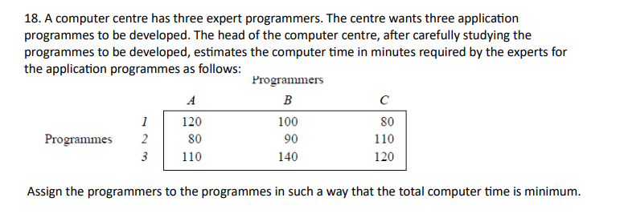

 | A | B | C
1 | 120 | 100 | 80
2 | 80 | 90 | 110
3 | 110 | 140 | 120

 | A | B | C
1 | 0 | 0 | 1 | 1 | <= | 1
2 | 0 | 1 | 0 | 1 | <= | 1
3 | 1 | 0 | 0 | 1 | <= | 1
 | 1 | 1 | 1
 | >= | >= | >=
 | 1 | 1 | 1

Min Time | 280

