Main Menu
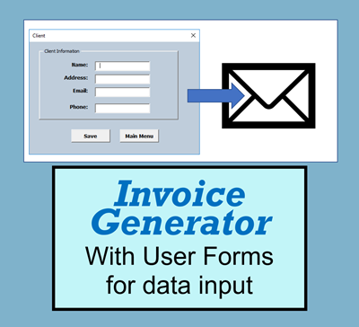

Invoice
Pro PowerWashing
10 Street Road
Fort Lauderdale, FL 11111 120-125-3355 | 120-878-2222
Invoice #: 101
Date: March 11,2019
Bill To
John Doe
123 West Street, New York, NY 11111
123-123-1234
Date of Service | Description | Amount

 | Total Cost | $0.00
Make all checks payable to Pro PowerWashing
If you have any questions concerning this invoice, please contact:
Jim Smith, 10 Street Road, Fort Lauderdale, FL 11111
Thank you for your business!

