3.0 Photos
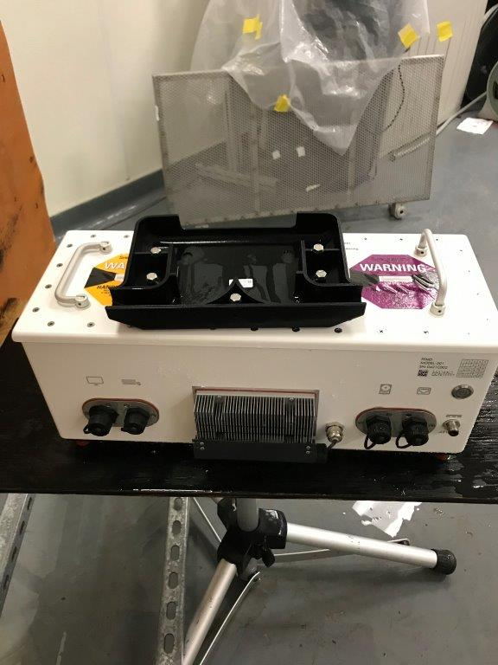
3.0 Product Photographs

Photo 1 - angled side view of white enclosure box (exterior)
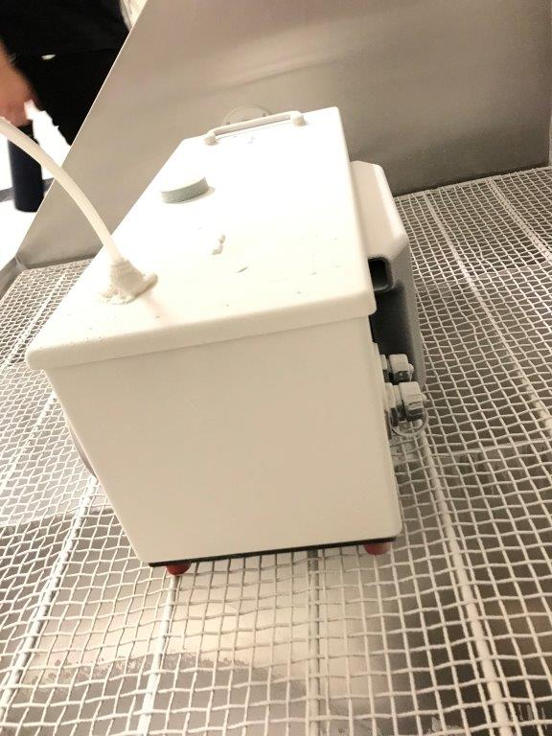

Photo 2 - angled top-side view of enclosed box
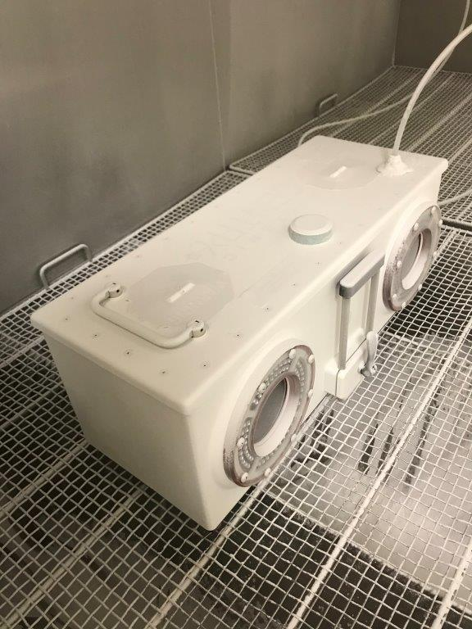

Photo 3 - open chamber interior with metal mesh surface (interior)
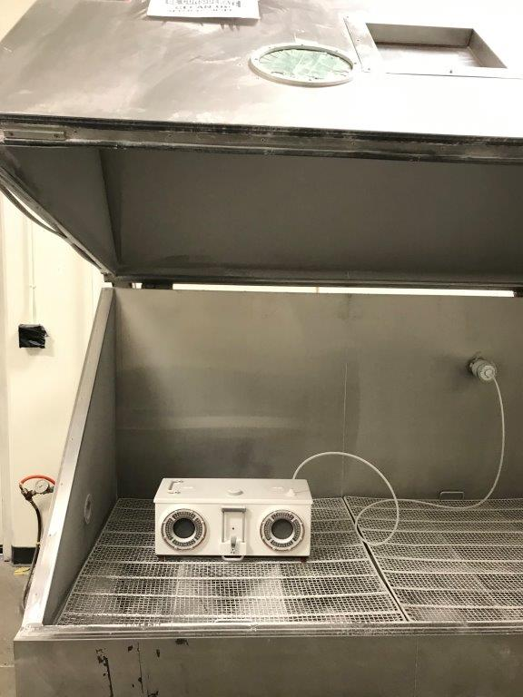

Photo 4 - angled side view of white box device
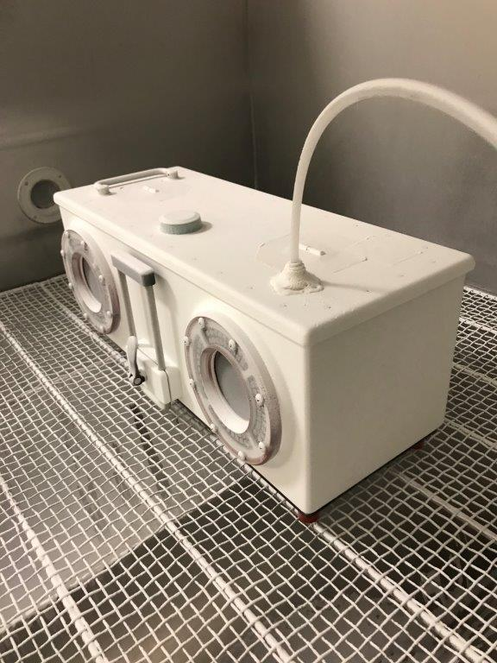

Photo 5 - top-down view of open metal enclosure (interior)
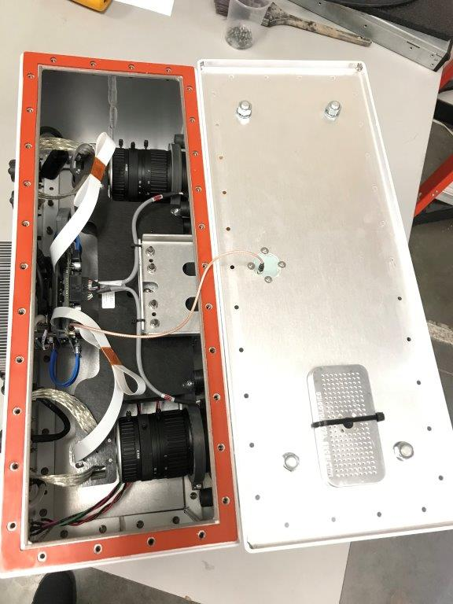

Photo 6 - front angled view of electrical device on table (exterior)

