Dasboard
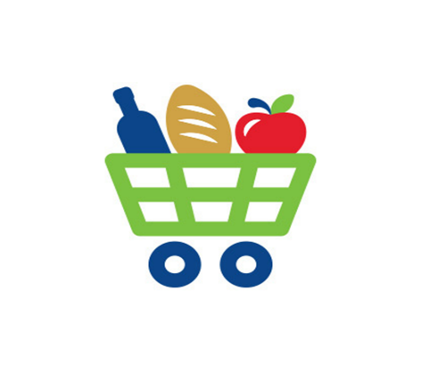
 | Supermarket Sales Dashboard

 | Gross income | Gross margin percentage %
Branch C | 5,265 | 33%
Branch A | 5,057 | 34%
Branch B | 5,057 | 33%
 | Sum of Total Sales | Sum of gross margin percentage
Jan | 116,292 | 35.20%
Feb | 97,219 | 30.30%
Mar | 109,456 | 34.50%
Total Sales & Gross Margin

 | Electronic accessories | Fashion accessories | Food and beverages | Health and beauty | Home and lifestyle | Sports and travel
Branch C | 18,969 | 21,560 | 23,767 | 16,615 | 13,896 | 15,762
Branch A | 18,317 | 16,333 | 17,163 | 12,598 | 22,417 | 19,373
Branch B | 17,051 | 16,413 | 15,215 | 19,981 | 17,549 | 19,988
 | Total Sales | cogs | Gross margin percentage %
Electronic accessories | 54,338 | 51,750 | 17%
Fashion accessories | 54,306 | 51,720 | 18%
Food and beverages | 56,145 | 53,471 | 17%
Health and beauty | 49,194 | 46,851 | 15%
Home and lifestyle | 53,862 | 51,297 | 16%
Sports and travel | 55,123 | 52,498 | 17%
Sales & Product Lines

 | Member | Normal
Branch A | 167 | 173
Branch B | 165 | 167
Branch C | 169 | 159
 | Member | Normal
Branch C | 56,881 | 53,687
Branch A | 53,637 | 52,563
Branch B | 53,705 | 52,493
Customer Type

 | Cash | Credit card | Ewallet
Branch A | 110 | 104 | 126
Branch B | 110 | 109 | 113
Branch C | 124 | 98 | 106
 | Total
Cash | 344
Credit card | 311
Ewallet | 345
Payment Method

