BERT_CORR
dataset | task | metric | validator | trial_0 | trial_1 | trial_2 | trial_3 | trial_4 | trial_5 | trial_6 | trial_7 | trial_8 | trial_9 | total | winner | rank | rank_sum | mean_regret | Who is better
TAOBAO | anomaly | roc_auc | LOGREG | 0.7 | 0.761 | 0.804 | 0.885 | 0.884 | 0.749 | 0.894 | 0.892 | 0.786 | 0.893 | 9 | LOGREG | 1 | 12 | 0.002 | LGBM | MLP | LOGREG
 | anomaly |  | LGBM | 0.665 | 0.744 | 0.801 | 0.867 | 0.854 | 0.742 | 0.876 | 0.905 | 0.721 | 0.882 | 0 |  | 3 | 27 | 0.021 | 10 | 7 | 6
 | anomaly |  | MLP | 0.682 | 0.759 | 0.797 | 0.882 | 0.88 | 0.737 | 0.89 | 0.909 | 0.773 | 0.89 | 1 |  | 2 | 21 | 0.007
TAOBAO | clf | accuracy | LOGREG | 0.675 | 0.676 | 0.674 | 0.573 | 0.616 | 0.674 | 0.621 | 0.664 | 0.675 | 0.674 | 9 | LOGREG | 1 | 11 | 0.004
 | clf |  | LGBM | 0.675 | 0.675 | 0.663 | 0.614 | 0.572 | 0.673 | 0.598 | 0.536 | 0.663 | 0.651 | 1 |  | 2 | 24 | 0.024
 | clf |  | MLP | 0.675 | 0.671 | 0.67 | 0.467 | 0.547 | 0.673 | 0.457 | 0.57 | 0.671 | 0.511 | 0 |  | 3 | 25 | 0.065
TAOBAO | forecast | r2 | LOGREG | 0.012 | -0.033 | -0.017 | -0.07 | -0.08 | 0.061 | -0.017 | -0.052 | 0.07 | -0.039 | 4 | LGBM | 2 | 18 | 0.018
 | forecast |  | LGBM | 0.083 | -0.041 | -0.03 | -0.062 | -0.109 | 0.093 | -0.015 | -0.08 | 0.132 | -0.037 | 6 |  | 1 | 15 | 0.008
 | forecast |  | MLP | 0.024 | -0.065 | -0.083 | -0.114 | -0.15 | 0.023 | -0.08 | -0.064 | 0.095 | -0.065 | 0 |  | 3 | 27 | 0.049
TAOBAO | reg | r2 | LOGREG | -0.097 | -0.017 | 0.019 | -0.42 | -0.288 | 0.037 | -0.125 | -0.122 | -0.082 | -0.053 | 5 | LOGREG | 2 | 16 | 0.047
 | reg |  | LGBM | 0.004 | -0.008 | 0.016 | -0.197 | -0.299 | 0.037 | -0.164 | -0.418 | 0.011 | -0.01 | 5 |  | 1 | 15 | 0.035
 | reg |  | MLP | -0.195 | -0.169 | -0.087 | -0.298 | -0.375 | -0.277 | -0.351 | -0.446 | -0.477 | -0.273 | 0 |  | 3 | 29 | 0.227
 |  |  |  |  |  |  |  |  |  |  |  |  |  |  |  |  |  |  |  |  | 240
YAMBDA | anomaly | roc_auc | LOGREG | 0.988 | 0.984 | 0.597 | 0.993 | 0.644 | 0.992 | 0.998 | 0.992 | 0.988 | 0.995 | 0 | LGBM | 3 | 28 | 0.046 |  |  | LGBM | MLP | LOGREG
 | anomaly |  | LGBM | 0.999 | 0.999 | 0.619 | 0.996 | 0.996 | 0.992 | 0.998 | 0.995 | 0.992 | 0.998 | 5 |  | 1 | 16 | 0.005 | WINNER | TOTAL | 10 | 7 | 6
 | anomaly |  | MLP | 1 | 0.992 | 0.666 | 0.991 | 0.996 | 0.993 | 0.998 | 0.995 | 0.993 | 0.998 | 5 |  | 1 | 16 | 0.001 | RANK | AVG | 1.783 | 1.870 | 2.261
YAMBDA | clf | accuracy | LOGREG | 0.755 | 0.683 | 0.537 | 0.726 | 0.534 | 0.702 | 0.734 | 0.7 | 0.601 | 0.719 | 1 | MLP | 3 | 25 | 0.028 | RANK | clf | 1.833 | 1.500 | 2.500
 | clf |  | LGBM | 0.783 | 0.668 | 0.527 | 0.712 | 0.641 | 0.7 | 0.757 | 0.726 | 0.614 | 0.736 | 3 |  | 2 | 21 | 0.011 | RANK | forecast | 2.000 | 2.200 | 1.800
 | clf |  | MLP | 0.762 | 0.688 | 0.573 | 0.723 | 0.65 | 0.705 | 0.764 | 0.719 | 0.627 | 0.724 | 6 |  | 1 | 14 | 0.004 | RANK | reg | 1.000 | 2.333 | 2.667
YAMBDA | forecast | r2 | LOGREG | 0.07 | 0.072 | -0.027 | 0.064 | 0.025 | 0.046 | 0.07 | 0.044 | 0.025 | 0.068 | 6 | LOGREG | 1 | 15 | 0.003 | RANK | anomaly | 2.333 | 1.500 | 2.000
 | forecast |  | LGBM | 0.068 | 0.038 | -0.053 | 0.037 | 0.024 | 0.062 | 0.062 | 0.039 | 0.033 | 0.07 | 3 |  | 2 | 22 | 0.01 | RANK-S | AVG | 1.779 | 1.875 | 2.021
 | forecast |  | MLP | 0.023 | 0.072 | -0.031 | 0.049 | 0.026 | 0.022 | 0.034 | 0.044 | 0.029 | 0.06 | 1 |  | 3 | 23 | 0.016 | REGRETS | AVG | 0.334 | 1.075 | 0.665
YAMBDA | reg | r2 | LOGREG | 0.586 | 0.588 | -0.036 | 0.57 | 0.41 | 0.443 | 0.578 | 0.546 | 0.481 | 0.545 | 0 | LGBM | 3 | 29 | 0.056
 | reg |  | LGBM | 0.625 | 0.59 | -0.024 | 0.582 | 0.549 | 0.566 | 0.619 | 0.593 | 0.546 | 0.593 | 7 |  | 1 | 13 | 0.003
 | reg |  | MLP | 0.599 | 0.591 | -0.038 | 0.588 | 0.573 | 0.526 | 0.599 | 0.577 | 0.535 | 0.553 | 3 |  | 2 | 18 | 0.017 |  | среднее | минимум
 |  |  |  |  |  |  |  |  |  |  |  |  |  |  |  |  |  |  | LGBM vs MLP | 0.735 | -0.373
TWITTER | anomaly | roc_auc | LOGREG | 0.668 | 0.677 | 0.682 | 0.67 | 0.682 | 0.677 | 0.5 | 0.67 | 0.635 | 0.667 | 3 | LGBM | 1 | 18 | 0.091 | LOGREG vs LGBM | 0.712 | 0.132
 | anomaly |  | LGBM | 0.625 | 0.9 | 0.847 | 0.669 | 0.807 | 0.858 | 0.681 | 0.655 | 0.625 | 0.634 | 5 |  | 2 | 19 | 0.013 | LOGREG vs MLP | 0.78 | 0.202
 | anomaly |  | MLP | 0.669 | 0.669 | 0.838 | 0.666 | 0.681 | 0.668 | 0.5 | 0.668 | 0.665 | 0.666 | 2 |  | 3 | 22 | 0.074
TWITTER | clf | accuracy | LOGREG | 0.512 | 0.513 | 0.501 | 0.513 | 0.508 | 0.506 | 0.5 | 0.497 | 0.495 | 0.505 | 0 | LGBM | 3 | 26 | 0.022 | dataset | AGE | TAOBAO | TWITTER | X5-RETAIL | YAMBDA | ZVUK
 | clf |  | LGBM | 0.53 | 0.54 | 0.545 | 0.523 | 0.525 | 0.526 | 0.516 | 0.53 | 0.52 | 0.52 | 10 |  | 1 | 10 | 0 | LGBM vs MLP | 0.981 | 0.779 | 0.459 | 0.905 | 0.92 | 0.298
 | clf |  | MLP | 0.509 | 0.507 | 0.518 | 0.512 | 0.517 | 0.518 | 0.5 | 0.502 | 0.512 | 0.508 | 0 |  | 2 | 23 | 0.017 | LOGREG vs LGBM | 0.976 | 0.765 | 0.226 | 0.864 | 0.87 | 0.451
TWITTER | reg | r2 | LOGREG | 0.036 | 0.025 | 0.046 | 0.022 | 0.024 | 0.025 | -0.001 | -0.056 | -0.216 | 0.052 | 0 | LGBM | 3 | 30 | 0.129 | LOGREG vs MLP | 0.989 | 0.764 | 0.421 | 0.944 | 0.859 | 0.611
 | reg |  | LGBM | 0.123 | 0.232 | 0.261 | 0.088 | 0.072 | 0.133 | 0.028 | 0.08 | 0.126 | 0.101 | 10 |  | 1 | 10 | 0
 | reg |  | MLP | 0.068 | 0.028 | 0.238 | 0.028 | 0.025 | 0.026 | 0 | 0.022 | 0.033 | 0.075 | 0 |  | 2 | 20 | 0.07

AGE | anomaly | roc_auc | LOGREG | 0.701 | 0.631 | 0.505 | 0.453 | 0.522 | 0.583 | 0.524 | 0.596 | 0.493 | 0.646 | 4 | LOGREG | 2 | 19 | 0.015
 | anomaly |  | LGBM | 0.663 | 0.603 | 0.485 | 0.522 | 0.502 | 0.589 | 0.54 | 0.608 | 0.467 | 0.63 | 2 |  | 3 | 24 | 0.02
 | anomaly |  | MLP | 0.7 | 0.632 | 0.487 | 0.453 | 0.513 | 0.606 | 0.499 | 0.64 | 0.493 | 0.64 | 4 |  | 1 | 17 | 0.014 | 0.861
AGE | clf | accuracy | LOGREG | 0.562 | 0.555 | 0.243 | 0.322 | 0.396 | 0.499 | 0.262 | 0.509 | 0.257 | 0.545 | 1 | MLP | 3 | 25 | 0.013
 | clf |  | LGBM | 0.573 | 0.551 | 0.26 | 0.311 | 0.389 | 0.511 | 0.26 | 0.545 | 0.272 | 0.547 | 1 |  | 2 | 23 | 0.006
 | clf |  | MLP | 0.581 | 0.561 | 0.245 | 0.323 | 0.391 | 0.519 | 0.264 | 0.547 | 0.273 | 0.551 | 8 |  | 1 | 12 | 0.002
AGE | forecast | r2 | LOGREG | -0.005 | 0.056 | -0.006 | -0.001 | -0.001 | 0.005 | -0.003 | 0.008 | -0.003 | 0.12 | 3 | MLP | 2 | 20 | 0.004
 | forecast |  | LGBM | -0.011 | 0.073 | -0.005 | -0.002 | -0.003 | 0.001 | -0.002 | 0.006 | -0.006 | 0.129 | 2 |  | 3 | 23 | 0.003
 | forecast |  | MLP | -0.011 | 0.079 | -0.002 | -0.002 | -0.001 | 0.006 | -0.007 | 0.008 | -0.001 | 0.123 | 5 |  | 1 | 17 | 0.002
AGE | reg | r2 | LOGREG | 0.369 | 0.308 | -0.014 | -0.005 | 0.293 | 0.355 | -0.011 | 0.347 | 0.009 | 0.338 | 1 | LGBM | 3 | 25 | 0.011
 | reg |  | LGBM | 0.371 | 0.327 | -0.013 | -0.012 | 0.337 | 0.363 | -0.01 | 0.361 | 0.01 | 0.346 | 6 |  | 1 | 15 | 0.002
 | reg |  | MLP | 0.377 | 0.301 | -0.01 | -0.008 | 0.331 | 0.364 | -0.027 | 0.361 | 0.009 | 0.324 | 3 |  | 2 | 20 | 0.007

X5-RETAIL | anomaly | roc_auc | LOGREG | 0.501 | 0.5 | 0.636 | 0.5 | 0.551 | 0.523 | 0.546 | 0.544 | 0.489 | 0.547 | 1 | MLP | 3 | 25 | 0.02
 | anomaly |  | LGBM | 0.517 | 0.516 | 0.629 | 0.5 | 0.59 | 0.503 | 0.573 | 0.56 | 0.521 | 0.56 | 3 |  | 2 | 18 | 0.007
 | anomaly |  | MLP | 0.514 | 0.5 | 0.642 | 0.5 | 0.594 | 0.526 | 0.583 | 0.565 | 0.534 | 0.555 | 6 |  | 1 | 13 | 0.002
X5-RETAIL | clf | accuracy | LOGREG | 0.271 | 0.276 | 0.364 | 0.276 | 0.28 | 0.272 | 0.277 | 0.267 | 0.271 | 0.343 | 3 | MLP | 2 | 19 | 0.006
 | clf |  | LGBM | 0.258 | 0.277 | 0.374 | 0.276 | 0.277 | 0.264 | 0.274 | 0.261 | 0.282 | 0.349 | 2 |  | 3 | 22 | 0.007
 | clf |  | MLP | 0.275 | 0.276 | 0.389 | 0.276 | 0.279 | 0.272 | 0.28 | 0.269 | 0.268 | 0.361 | 5 |  | 1 | 15 | 0.002
X5-RETAIL | forecast | r2 | LOGREG | -0.016 | -0.05 | 0.446 | -0.049 | -0.024 | -0.041 | -0.035 | -0.025 | -0.031 | 0.34 | 3 | MLP | 3 | 23 | 0.026
 | forecast |  | LGBM | -0.012 | -0.11 | 0.519 | -0.047 | -0.03 | -0.044 | -0.032 | -0.034 | -0.019 | 0.401 | 2 |  | 2 | 22 | 0.018
 | forecast |  | MLP | -0.015 | -0.05 | 0.608 | -0.045 | -0.029 | -0.039 | -0.031 | -0.031 | -0.022 | 0.412 | 5 |  | 1 | 15 | 0.002
X5-RETAIL | reg | r2 | LOGREG | -0.015 | -0.053 | 0.059 | -0.055 | 0.008 | -0.032 | 0.005 | 0.01 | -0.019 | -0.02 | 0 | LGBM | 3 | 29 | 0.047
 | reg |  | LGBM | -0.009 | 0.084 | 0.076 | -0.053 | 0.081 | -0.02 | 0.08 | 0.085 | 0.037 | -0.004 | 8 |  | 1 | 12 | 0
 | reg |  | MLP | -0.007 | -0.055 | 0.071 | -0.054 | 0.08 | -0.023 | 0.079 | 0.078 | 0.034 | -0.003 | 2 |  | 2 | 19 | 0.016

ZVUK | anomaly | roc_auc | LOGREG | 0.783 | 0.515 | 0.5 | 0.859 | 0.516 | 0.553 | 0.806 | 0.666 | 0.788 | 0.805 | 3 | MLP | 2 | 19 | 0.026
 | anomaly |  | LGBM | 0.794 | 0.466 | 0.5 | 0.828 | 0.639 | 0.539 | 0.807 | 0.682 | 0.714 | 0.547 | 3 |  | 3 | 20 | 0.054
 | anomaly |  | MLP | 0.746 | 0.542 | 0.5 | 0.859 | 0.516 | 0.571 | 0.647 | 0.748 | 0.697 | 0.648 | 4 |  | 1 | 18 | 0.058
ZVUK | clf | accuracy | LOGREG | 0.232 | 0.232 | 0.231 | 0.231 | 0.231 | 0.297 | 0.296 | 0.288 | 0.322 | 0.313 | 3 | LGBM | 3 | 21 | 0.018
 | clf |  | LGBM | 0.303 | 0.226 | 0.231 | 0.294 | 0.165 | 0.291 | 0.323 | 0.299 | 0.322 | 0.319 | 5 |  | 1 | 17 | 0.008
 | clf |  | MLP | 0.302 | 0.232 | 0.231 | 0.231 | 0.231 | 0.298 | 0.328 | 0.288 | 0.32 | 0.313 | 2 |  | 1 | 17 | 0.008
ZVUK | forecast | r2 | LOGREG | -0.014 | -0.022 | -0.015 | -0.078 | -0.014 | -0.038 | -0.093 | -0.114 | -0.062 | -0.068 | 8 | LOGREG | 1 | 13 | 0
 | forecast |  | LGBM | -0.023 | -0.022 | -0.016 | -0.129 | -0.459 | -0.036 | -0.116 | -0.248 | -0.094 | -0.085 | 1 |  | 2 | 22 | 0.071
 | forecast |  | MLP | -0.065 | -0.021 | -0.017 | -0.099 | -0.015 | -0.039 | -1.203 | -0.143 | -0.138 | -0.19 | 1 |  | 3 | 25 | 0.141
ZVUK | reg | r2 | LOGREG | -0.104 | -0.102 | -0.1 | -0.027 | -0.086 | -0.1 | -0.094 | -0.001 | -0.024 | -0.018 | 4 | LGBM | 2 | 19 | 0.033
 | reg |  | LGBM | 0 | -0.108 | -0.088 | -0.025 | -0.025 | -0.05 | -0.001 | -0.004 | -0.078 | -0.031 | 5 |  | 1 | 17 | 0.008
 | reg |  | MLP | -0.226 | -0.12 | -0.096 | -0.021 | -0.085 | -0.103 | -2.036 | -0.002 | -0.065 | -0.313 | 1 |  | 3 | 24 | 0.274

 |  |  |  | Last 10 trials

 |  |  |  |  |  |  |  |  |  |  |  |  |  |  |  |  |  |  |  |  | 240
dataset | task | metric | validator | trial_102 | trial_103 | trial_104 | trial_105 | trial_106 | trial_107 | trial_108 | trial_109 | trial_110 | trial_111 | total | winner | rank | rank_sum | mean_regret |  |  | LGBM | MLP | LOGREG
TAOBAO | anomaly | roc_auc | LOGREG | 0.881 | 0.809 | 0.85 | 0.894 | 0.901 | 0.803 | 0.92 | 0.875 | 0.893 | 0.668 | 7 | LOGREG | 1 | 15 | 0.024 | WINNER | TOTAL | 11 | 5 | 7
 | anomaly |  | LGBM | 0.853 | 0.775 | 0.837 | 0.851 | 0.894 | 0.782 | 0.912 | 0.858 | 0.896 | 0.86 | 0 |  | 3 | 28 | 0.021 | RANK | AVG | 1.652 | 2.000 | 2.043
 | anomaly |  | MLP | 0.872 | 0.797 | 0.845 | 0.882 | 0.905 | 0.799 | 0.917 | 0.867 | 0.91 | 0.884 | 3 |  | 2 | 17 | 0.005 | RANK | clf | 1.167 | 2.167 | 2.500
 | clf | f1_macro | LOGREG | 0.241 | 0.206 | 0.233 | 0.209 | 0.304 | 0.247 | 0.278 | 0.246 | 0.205 | 0.207 | 4 | LGBM | 2 | 22 | 0.022 | RANK | forecast | 2.000 | 1.400 | 1.800
 | clf |  | LGBM | 0.235 | 0.209 | 0.219 | 0.216 | 0.316 | 0.215 | 0.324 | 0.226 | 0.305 | 0.254 | 5 |  | 1 | 16 | 0.007 | RANK | reg | 1.333 | 2.333 | 2.333
 | clf |  | MLP | 0.227 | 0.208 | 0.205 | 0.213 | 0.317 | 0.204 | 0.305 | 0.239 | 0.24 | 0.212 | 1 |  | 2 | 22 | 0.022 | RANK | anomaly | 2.167 | 2.000 | 1.500
 | forecast | r2 | LOGREG | 0.148 | 0.098 | 0.109 | 0.208 | 0.09 | 0.085 | -0.052 | 0.115 | -0.071 | 0.01 | 4 | LOGREG | 1 | 20 | 0.015 | RANK-S | AVG | 1.729 | 1.929 | 2.079
 | forecast |  | LGBM | 0.164 | 0.113 | 0.133 | 0.166 | 0.052 | 0.165 | -0.06 | 0.114 | -0.093 | 0.002 | 3 |  | 1 | 20 | 0.014 | REGRETS | AVG | 0.345 | 0.971 | 0.840
 | forecast |  | MLP | 0.161 | 0.109 | 0.143 | 0.204 | 0.032 | 0.13 | -0.114 | 0.117 | -0.104 | 0.016 | 3 |  | 1 | 20 | 0.02
 | reg | r2 | LOGREG | -0.14 | 0.044 | -0.003 | 0.158 | -0.083 | -0.358 | -0.226 | 0.006 | -0.045 | 0.056 | 4 | LGBM | 2 | 16 | 0.082
 | reg |  | LGBM | 0.066 | 0.051 | 0.042 | 0.145 | -0.146 | 0.054 | -0.14 | 0.072 | -0.173 | -0.05 | 6 |  | 1 | 14 | 0.031
 | reg |  | MLP | -0.444 | -0.173 | -0.298 | -0.208 | -0.358 | -0.486 | -0.315 | -0.482 | -0.287 | -0.418 | 0 |  | 3 | 30 | 0.37 |  | среднее | минимум
 |  |  |  |  |  |  |  |  |  |  |  |  |  |  |  |  |  |  | LGBM vs MLP | 0.739 | -0.307
dataset | task | metric | validator | trial_101 | trial_102 | trial_103 | trial_104 | trial_105 | trial_106 | trial_107 | trial_108 | trial_109 | trial_110 | total | winner | rank | rank_sum | mean_regret | LOGREG vs LGBM | 0.707 | 0.097
YAMBDA | anomaly | roc_auc | LOGREG | 0.993 | 1 | 0.98 | 0.986 | 0.99 | 0.999 | 0.997 | 0.896 | 0.991 | 0.015 | 0 | LGBM | 3 | 29 | 0.11 | LOGREG vs MLP | 0.791 | 0.189
 | anomaly |  | LGBM | 0.999 | 1 | 0.981 | 0.994 | 0.994 | 0.999 | 0.999 | 0.984 | 0.997 | 0.987 | 8 |  | 1 | 12 | 0.001
 | anomaly |  | MLP | 0.995 | 1 | 0.99 | 0.993 | 0.992 | 0.998 | 0.998 | 0.942 | 0.993 | 0.98 | 2 |  | 2 | 19 | 0.006
 | clf | f1_macro | LOGREG | 0.667 | 0.769 | 0.562 | 0.691 | 0.675 | 0.747 | 0.712 | 0.37 | 0.53 | 0.37 | 2 | LGBM | 3 | 22 | 0.051
 | clf |  | LGBM | 0.626 | 0.759 | 0.594 | 0.711 | 0.663 | 0.762 | 0.715 | 0.552 | 0.596 | 0.52 | 4 |  | 1 | 17 | 0.01 | dataset | AGE | TAOBAO | TWITTER | X5-RETAIL | YAMBDA | ZVUK
 | clf |  | MLP | 0.675 | 0.756 | 0.613 | 0.706 | 0.661 | 0.738 | 0.719 | 0.37 | 0.609 | 0.37 | 4 |  | 2 | 19 | 0.039 | LGBM vs MLP | 0.9 | 0.667 | 0.494 | 0.97 | 0.758 | 0.581
 | forecast | r2 | LOGREG | 0.056 | 0.067 | 0.05 | 0.067 | 0.076 | 0.069 | 0.065 | -0.004 | 0.061 | -0.01 | 3 | MLP | 1 | 18 | 0.007 | LOGREG vs LGBM | 0.917 | 0.513 | 0.495 | 0.944 | 0.764 | 0.554
 | forecast |  | LGBM | 0.026 | 0.071 | 0.046 | 0.067 | 0.037 | 0.065 | 0.044 | 0.002 | 0.044 | -0.017 | 2 |  | 3 | 24 | 0.018 | LOGREG vs MLP | 0.928 | 0.68 | 0.918 | 0.97 | 0.684 | 0.595
 | forecast |  | MLP | 0.06 | 0.053 | 0.067 | 0.035 | 0.08 | 0.023 | 0.048 | 0.013 | 0.048 | 0.01 | 5 |  | 1 | 18 | 0.013
 | reg | r2 | LOGREG | 0.578 | 0.593 | 0.569 | 0.529 | 0.599 | 0.581 | 0.586 | 0.131 | 0.58 | 0.171 | 1 | LGBM | 3 | 28 | 0.09
 | reg |  | LGBM | 0.582 | 0.631 | 0.591 | 0.588 | 0.583 | 0.633 | 0.606 | 0.54 | 0.595 | 0.444 | 6 |  | 1 | 15 | 0.003 |  | датасет/задача
 | reg |  | MLP | 0.581 | 0.62 | 0.595 | 0.552 | 0.586 | 0.622 | 0.59 | 0.543 | 0.597 | 0.442 | 3 |  | 2 | 17 | 0.009

dataset | task | metric | validator | trial_277 | trial_278 | trial_281 | trial_282 | trial_287 | trial_291 | trial_293 | trial_294 | trial_298 | trial_299 | total | winner | rank | rank_sum | mean_regret
TWITTER | anomaly | roc_auc | LOGREG | 0.669 | 0.695 | 0.673 | 0.71 | 0.677 | 0.683 | 0.663 | 0.673 | 0.731 | 0.677 | 3 | LGBM | 2 | 20 | 0.039
 | anomaly |  | LGBM | 0.739 | 0.692 | 0.648 | 0.711 | 0.778 | 0.752 | 0.665 | 0.677 | 0.735 | 0.672 | 4 |  | 1 | 17 | 0.017
 | anomaly |  | MLP | 0.664 | 0.686 | 0.668 | 0.72 | 0.669 | 0.668 | 0.667 | 0.666 | 0.864 | 0.665 | 3 |  | 3 | 23 | 0.031
 | clf | f1_macro | LOGREG | 0.544 | 0.524 | 0.504 | 0.515 | 0.509 | 0.515 | 0.478 | 0.527 | 0.538 | 0.515 | 1 | LGBM | 2 | 23 | 0.028
 | clf |  | LGBM | 0.532 | 0.552 | 0.545 | 0.547 | 0.54 | 0.541 | 0.523 | 0.553 | 0.549 | 0.548 | 9 |  | 1 | 11 | 0.001
 | clf |  | MLP | 0.528 | 0.54 | 0.497 | 0.518 | 0.484 | 0.49 | 0.49 | 0.514 | 0.509 | 0.53 | 0 |  | 3 | 26 | 0.034
 | reg | r2 | LOGREG | 0.149 | 0.186 | 0.069 | 0.168 | 0.057 | 0.048 | 0.088 | 0.151 | 0.176 | 0.162 | 0 | LGBM | 3 | 29 | 0.083
 | reg |  | LGBM | 0.14 | 0.272 | 0.157 | 0.249 | 0.222 | 0.118 | 0.193 | 0.24 | 0.255 | 0.222 | 9 |  | 1 | 12 | 0.001
 | reg |  | MLP | 0.151 | 0.237 | 0.101 | 0.196 | 0.088 | 0.052 | 0.115 | 0.187 | 0.208 | 0.179 | 1 |  | 2 | 19 | 0.057

dataset | task | metric | validator | trial_117 | trial_118 | trial_119 | trial_120 | trial_121 | trial_122 | trial_123 | trial_124 | trial_126 | trial_127 | total | winner | rank | rank_sum | mean_regret
AGE | anomaly | roc_auc | LOGREG | 0.734 | 0.723 | 0.597 | 0.734 | 0.602 | 0.616 | 0.57 | 0.914 | 0.798 | 0.654 | 5 | LOGREG | 1 | 17 | 0.018
 | anomaly |  | LGBM | 0.656 | 0.696 | 0.567 | 0.657 | 0.608 | 0.605 | 0.62 | 0.873 | 0.861 | 0.575 | 1 |  | 3 | 26 | 0.041
 | anomaly |  | MLP | 0.727 | 0.719 | 0.612 | 0.721 | 0.618 | 0.614 | 0.57 | 0.924 | 0.891 | 0.63 | 4 |  | 1 | 17 | 0.01
 | clf | f1_macro | LOGREG | 0.526 | 0.559 | 0.581 | 0.547 | 0.524 | 0.491 | 0.478 | 0.53 | 0.454 | 0.527 | 1 | MLP | 3 | 25 | 0.012
 | clf |  | LGBM | 0.525 | 0.546 | 0.564 | 0.545 | 0.555 | 0.51 | 0.486 | 0.535 | 0.463 | 0.533 | 2 |  | 2 | 22 | 0.007
 | clf |  | MLP | 0.528 | 0.563 | 0.576 | 0.549 | 0.553 | 0.517 | 0.485 | 0.549 | 0.47 | 0.54 | 7 |  | 1 | 13 | 0.001
 | forecast | r2 | LOGREG | 0.112 | 0.113 | 0.151 | 0.116 | -0.005 | 0.104 | 0.007 | 0.139 | 0.091 | 0.14 | 1 | MLP | 3 | 28 | 0.021
 | forecast |  | LGBM | 0.125 | 0.13 | 0.155 | 0.142 | -0.001 | 0.124 | 0.006 | 0.153 | 0.121 | 0.149 | 1 |  | 2 | 20 | 0.007
 | forecast |  | MLP | 0.13 | 0.145 | 0.16 | 0.124 | 0.002 | 0.139 | 0.006 | 0.167 | 0.133 | 0.15 | 8 |  | 1 | 12 | 0.002
 | reg | r2 | LOGREG | 0.371 | 0.364 | 0.36 | 0.375 | 0.348 | 0.381 | 0.387 | 0.376 | 0.379 | 0.36 | 4 | LOGREG | 1 | 19 | 0.004
 | reg |  | LGBM | 0.373 | 0.376 | 0.359 | 0.374 | 0.359 | 0.377 | 0.382 | 0.379 | 0.381 | 0.355 | 3 |  | 2 | 20 | 0.002
 | reg |  | MLP | 0.374 | 0.357 | 0.359 | 0.363 | 0.362 | 0.377 | 0.386 | 0.375 | 0.38 | 0.364 | 3 |  | 3 | 21 | 0.004

dataset | task | metric | validator | trial_172 | trial_173 | trial_174 | trial_175 | trial_176 | trial_177 | trial_178 | trial_179 | trial_180 | trial_181 | total | winner | rank | rank_sum | mean_regret
X5-RETAIL | anomaly | roc_auc | LOGREG | 0.575 | 0.537 | 0.655 | 0.527 | 0.539 | 0.548 | 0.615 | 0.626 | 0.589 | 0.55 | 4 | LOGREG | 1 | 18 | 0.007
 | anomaly |  | LGBM | 0.57 | 0.533 | 0.641 | 0.533 | 0.533 | 0.575 | 0.591 | 0.601 | 0.569 | 0.581 | 3 |  | 3 | 23 | 0.011
 | anomaly |  | MLP | 0.574 | 0.537 | 0.659 | 0.522 | 0.525 | 0.559 | 0.609 | 0.619 | 0.593 | 0.567 | 3 |  | 2 | 19 | 0.007
X5-RETAIL | clf | f1_macro | LOGREG | 0.304 | 0.241 | 0.362 | 0.255 | 0.227 | 0.288 | 0.341 | 0.342 | 0.327 | 0.254 | 0 | LGBM | 3 | 26 | 0.023
 | clf |  | LGBM | 0.325 | 0.255 | 0.385 | 0.28 | 0.254 | 0.301 | 0.355 | 0.352 | 0.351 | 0.314 | 10 |  | 1 | 10 | 0
 | clf |  | MLP | 0.298 | 0.222 | 0.374 | 0.265 | 0.206 | 0.278 | 0.346 | 0.343 | 0.336 | 0.284 | 0 |  | 2 | 24 | 0.022
X5-RETAIL | forecast | r2 | LOGREG | 0.079 | -0.02 | 0.511 | 0.02 | -0.029 | 0.218 | 0.609 | 0.621 | 0.65 | 0.288 | 1 | MLP | 3 | 26 | 0.068
 | forecast |  | LGBM | 0.075 | -0.025 | 0.484 | 0.082 | -0.023 | 0.26 | 0.645 | 0.645 | 0.656 | 0.48 | 1 |  | 2 | 22 | 0.034
 | forecast |  | MLP | 0.081 | -0.022 | 0.635 | 0.091 | -0.027 | 0.275 | 0.664 | 0.667 | 0.679 | 0.574 | 8 |  | 1 | 12 | 0.001
X5-RETAIL | reg | r2 | LOGREG | 0.016 | -0.014 | 0.089 | -0.006 | -0.011 | 0.013 | 0.072 | 0.077 | 0.05 | 0.012 | 1 | MLP | 3 | 26 | 0.014
 | reg |  | LGBM | 0.03 | 0.006 | 0.084 | 0.009 | -0.006 | 0.028 | 0.077 | 0.071 | 0.03 | 0.045 | 1 |  | 2 | 21 | 0.006
 | reg |  | MLP | 0.03 | 0.006 | 0.08 | 0.012 | -0.001 | 0.025 | 0.082 | 0.081 | 0.061 | 0.049 | 8 |  | 1 | 13 | 0.001

dataset | task | metric | validator | trial_152 | trial_153 | trial_154 | trial_155 | trial_156 | trial_157 | trial_158 | trial_159 | trial_160 | trial_161 | total | winner | rank | rank_sum | mean_regret
ZVUK | anomaly | roc_auc | LOGREG | 0.846 | 0.69 | 0.644 | 0.803 | 0.742 | 0.555 | 0.462 | 0.692 | 0.825 | 0.617 | 7 | LOGREG | 1 | 14 | 0.02
 | anomaly |  | LGBM | 0.66 | 0.587 | 0.626 | 0.699 | 0.737 | 0.588 | 0.615 | 0.582 | 0.758 | 0.534 | 2 |  | 2 | 23 | 0.069
 | anomaly |  | MLP | 0.672 | 0.605 | 0.66 | 0.727 | 0.689 | 0.529 | 0.592 | 0.539 | 0.718 | 0.543 | 1 |  | 2 | 23 | 0.08
 | clf | f1_macro | LOGREG | 0.066 | 0.053 | 0.054 | 0.083 | 0.065 | 0.007 | 0.004 | 0.054 | 0.079 | 0.042 | 3 | LGBM | 2 | 21 | 0.014
 | clf |  | LGBM | 0.099 | 0.101 | 0.062 | 0.055 | 0.057 | 0.015 | 0.005 | 0.085 | 0.071 | 0.058 | 7 |  | 1 | 13 | 0.004
 | clf |  | MLP | 0.08 | 0.063 | 0.052 | 0.055 | 0.044 | 0.006 | 0.004 | 0.08 | 0.059 | 0.049 | 0 |  | 3 | 25 | 0.016
 | forecast | r2 | LOGREG | -0.053 | -0.031 | -0.01 | -0.007 | -0.037 | -0.019 | -0.018 | -0.022 | -0.145 | -0.016 | 6 | LOGREG | 1 | 15 | 0.007
 | forecast |  | LGBM | -0.043 | -0.044 | -0.017 | -0.006 | -0.036 | -0.172 | -0.198 | -0.044 | -0.09 | -0.02 | 4 |  | 2 | 18 | 0.038
 | forecast |  | MLP | -0.12 | -0.118 | -0.061 | -0.057 | -0.085 | -0.029 | -0.065 | -0.119 | -0.142 | -0.083 | 0 |  | 3 | 27 | 0.059
 | reg | r2 | LOGREG | -0.008 | -0.101 | -0.188 | -0.256 | -0.16 | -0.101 | -0.092 | -0.087 | -0.031 | -0.247 | 1 | LGBM | 2 | 22 | 0.081
 | reg |  | LGBM | -0.033 | -0.047 | -0.1 | -0.124 | -0.062 | 0.019 | 0.027 | -0.058 | -0.013 | -0.095 | 9 |  | 1 | 11 | 0.002
 | reg |  | MLP | -0.286 | -0.253 | -0.264 | -0.271 | -0.204 | -0.07 | -0.004 | -0.283 | -0.202 | -0.245 | 0 |  | 3 | 27 | 0.162

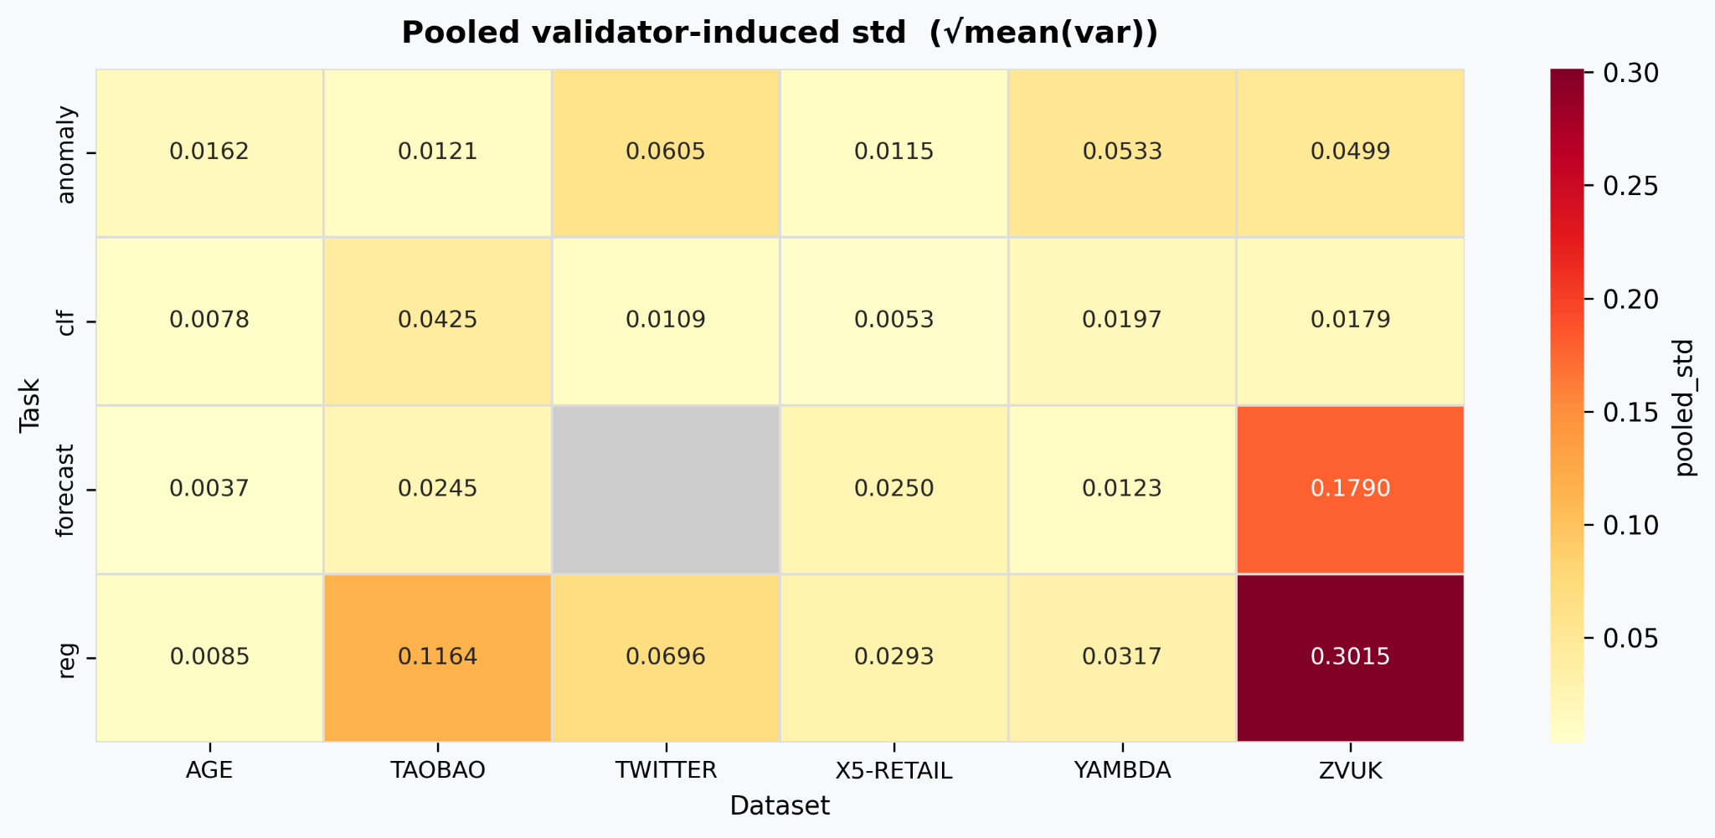
 |  |  |  | FIRST 10

 |  |  |  | LAST 10

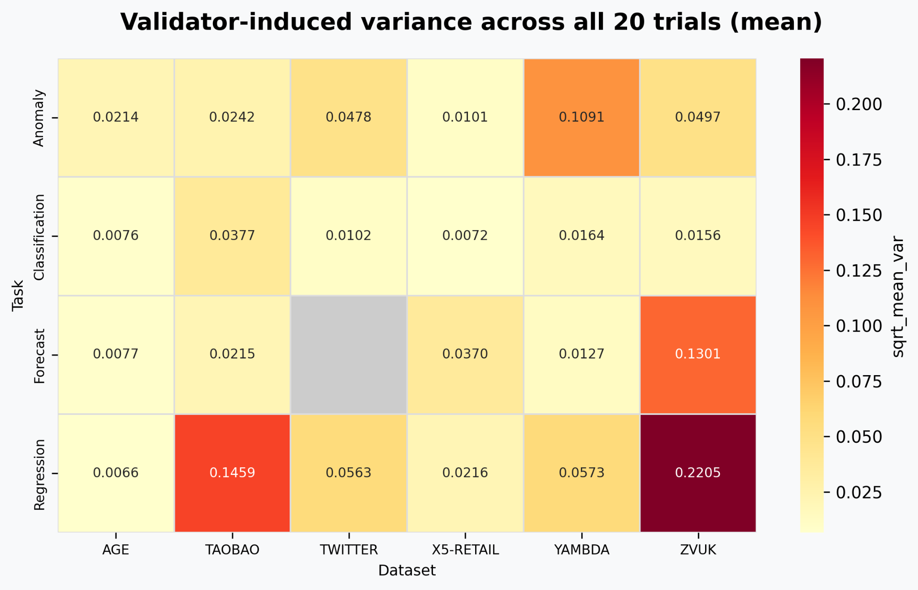
 |  |  |  | FULL 20

BERT_SPEARMAN
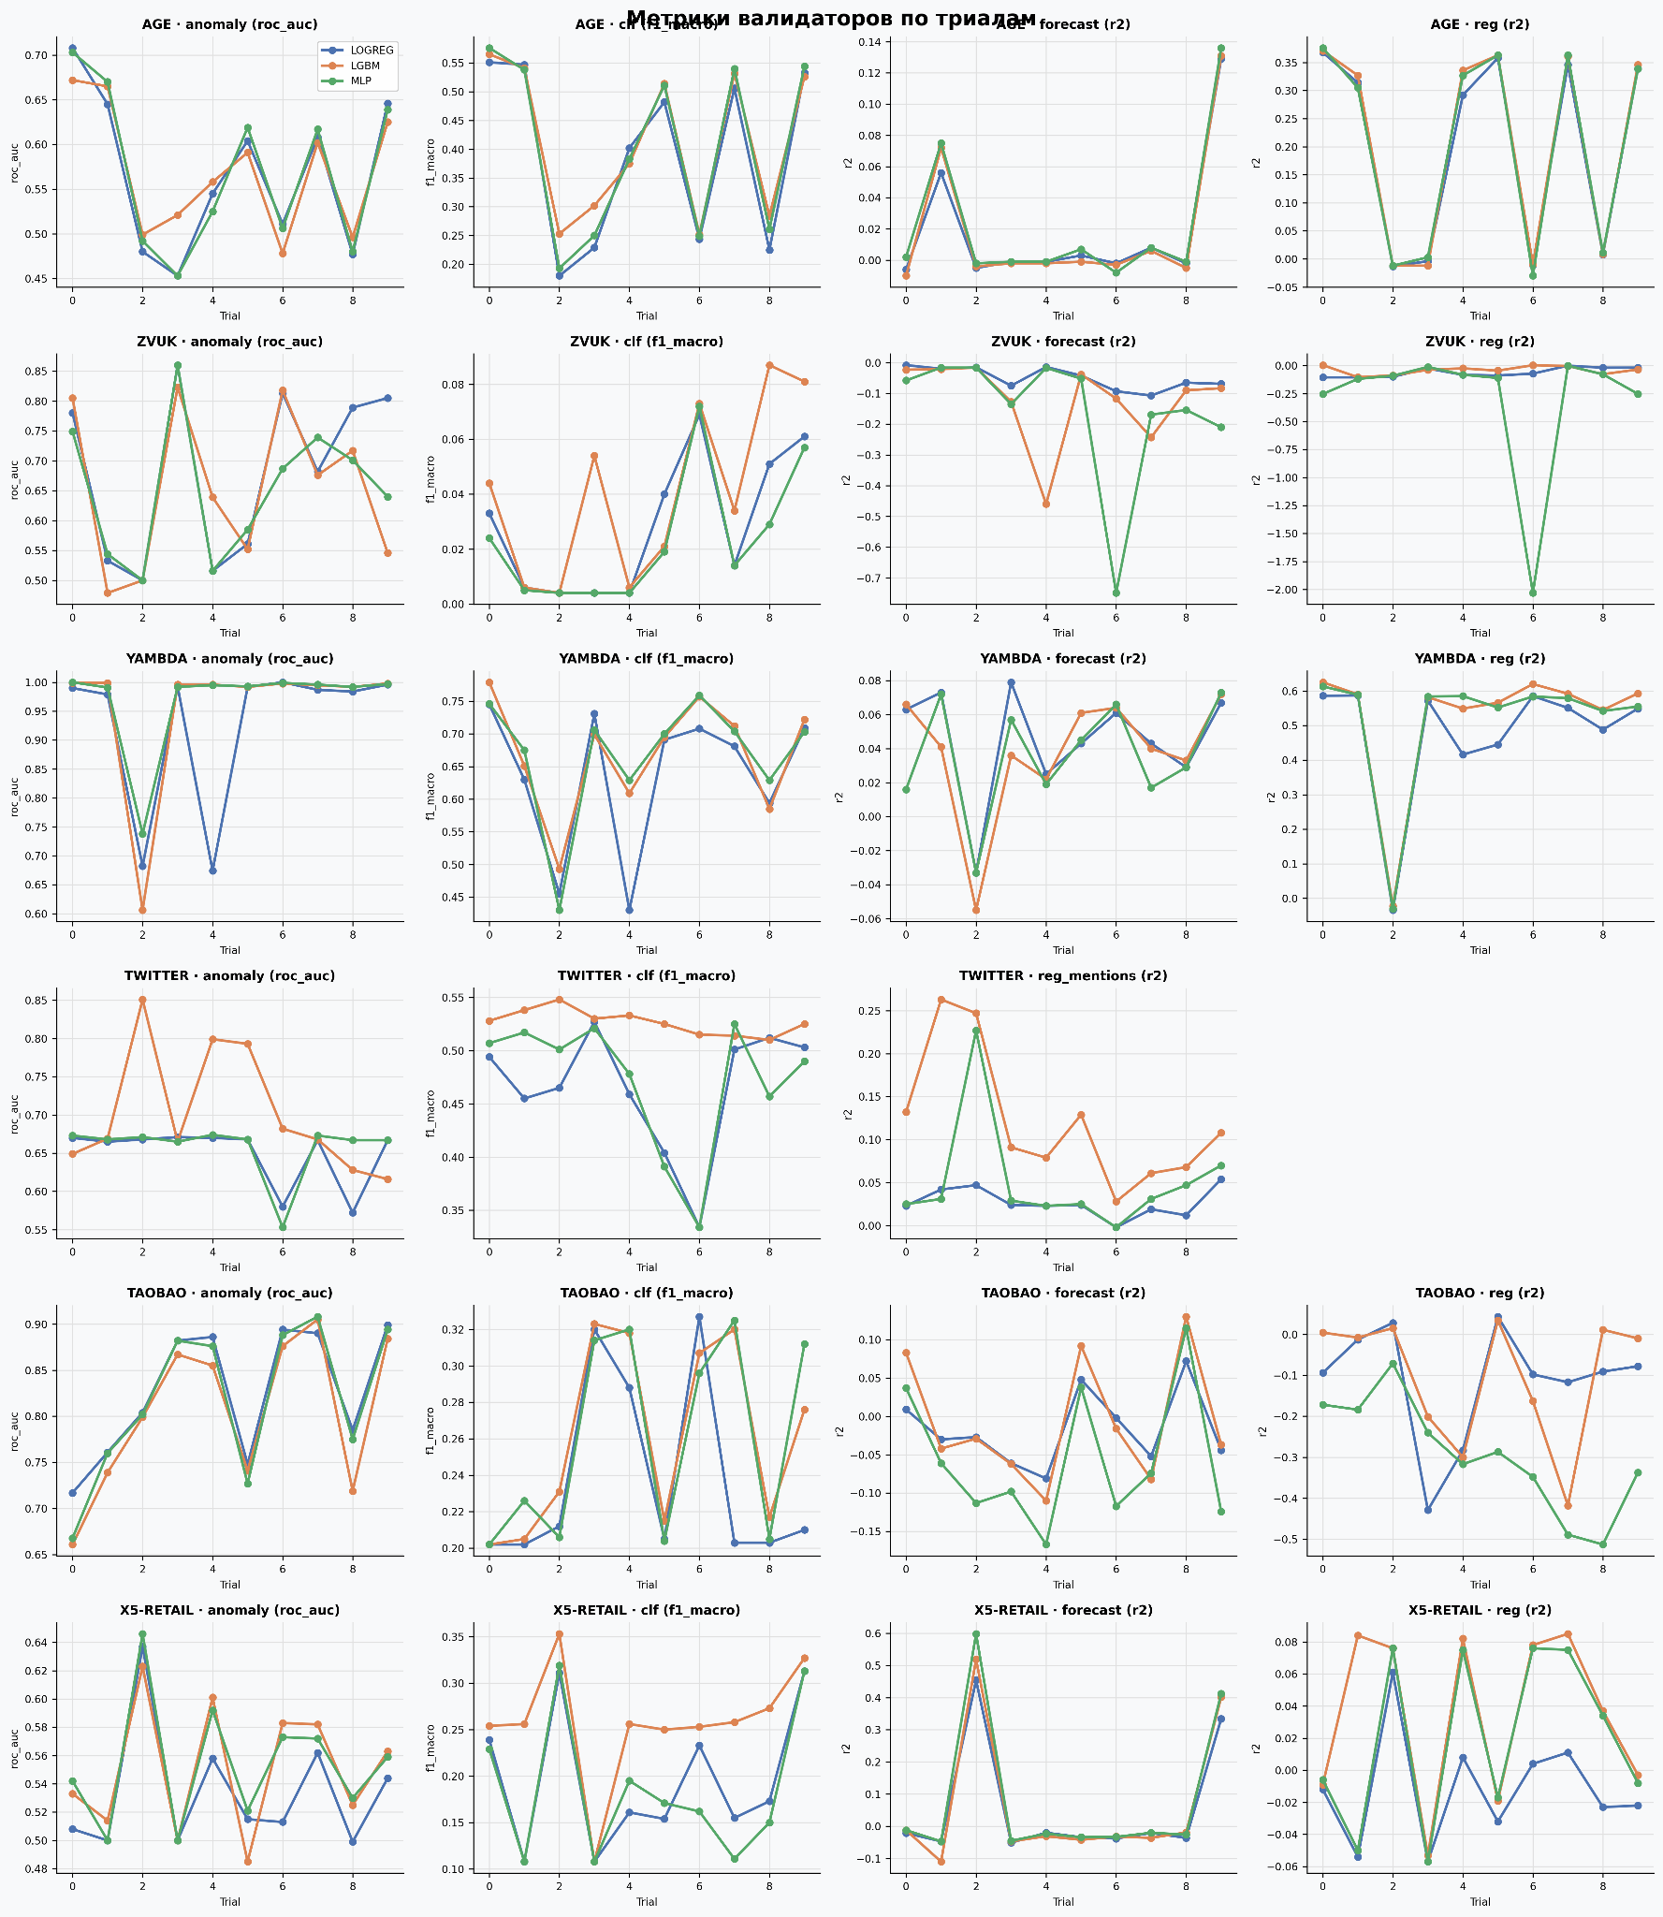
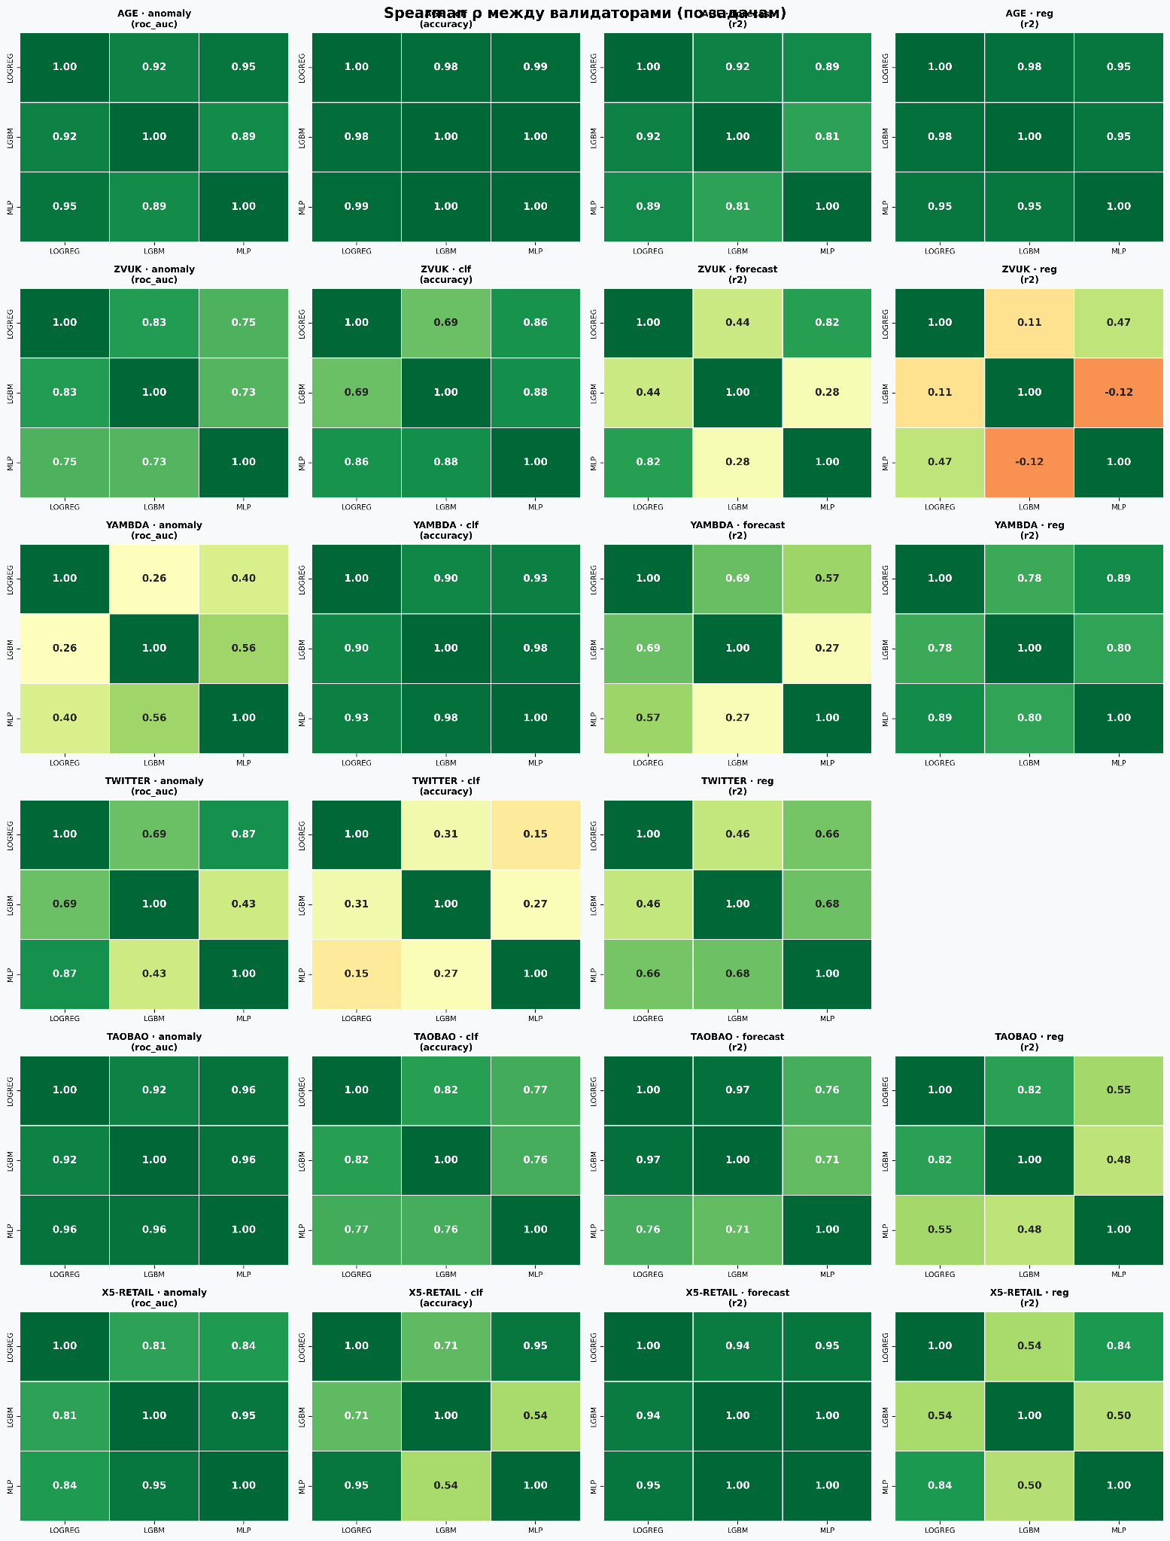

 | среднее | минимум
LGBM vs MLP | 0.69 | -0.42
LOGREG vs LGBM | 0.702 | -0.18
LOGREG vs MLP | 0.78 | 0.133

dataset | AGE | TAOBAO | TWITTER | X5-RETAIL | YAMBDA | ZVUK
LGBM vs MLP | 0.984 | 0.742 | 0.143 | 0.9 | 0.937 | 0.295
LOGREG vs LGBM | 0.981 | 0.733 | 0.287 | 0.835 | 0.839 | 0.433
LOGREG vs MLP | 0.994 | 0.714 | 0.514 | 0.939 | 0.842 | 0.607

TS-FRSH
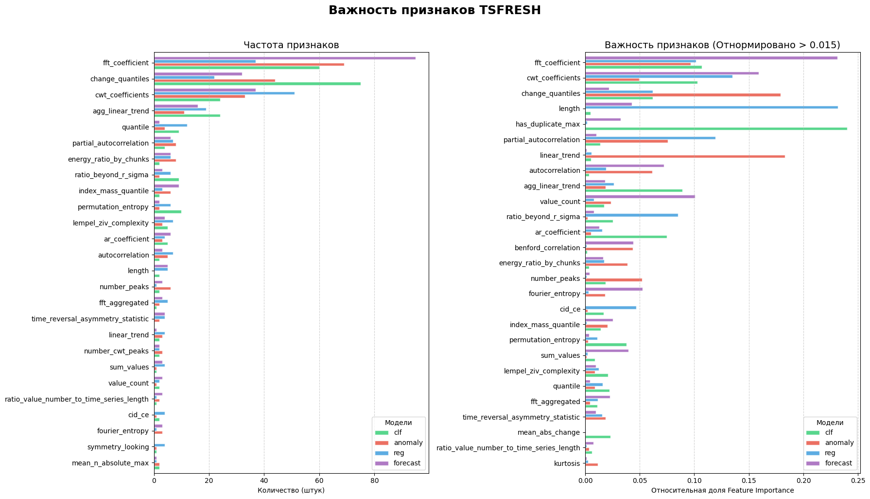
DATASET |  | FEATURE BASED | model | Regression | Classification | Forecast | Anomaly
 |  |  |  | R2 | accuracy | R2 | roc_auc
AGE NEW | DONE | TIME DELTA | lgbm | 0.4049 | 0.4121 | 0.0942 | 0.5006

ETT NEW | DONE | TIME DELTA ONLY | lgbm |  |  | 0.0142

TAOBAO NEW | DONE | TIME DELTA ONLY | lgbm | 0.7179 | 0.8455 | 0.3407 | 0.7881

YAMBDA NEW | DONE | TIME DELTA ONLY | lgbm | 0.8881 | 0.6615 | 0.3154 | 0.9927

30Music NEW | DONE | TIME DELTA ONLY | lgbm | 0.3265 | 0.4301 | 0.2224 | 0.7176

x5-Retail NEW | DONE | TIME DELTA ONLY | lgbm | 0.2838 | 0.3494 | 0.1819 | 0.9526

FAVORITTA NEW |  | TIME DELTA ONLY | lgbm | 0.2439 | 0 | 0.3283 | 0.5

ZVUK NEW | DONE | TIME DELTA ONLY | lgbm | 0.7882 | 0.8508 | 0.5444 | 0.9986

TWITTER NEW | DONE | CHAR NUMBER | lgbm | 0.03 | 0.5105 |  | 0.6742

ALPHA NEW | DONE | TIME DELTA ONLY | lgbm | 0.5797 | 0.499 | 0.0746 | 0.6288

ROSSMAN NEW | DONE | TIME DELTA ONLY | lgbm | 0.0636 | 0.5536 | 0.0226 | 0.6941

ELECTRIC DEVICES NEW | DONE | TIME DELTA ONLY | lgbm |  | 0.8074 | 0.0126

TS-FRESH EMB
