MHDV size class & mpg
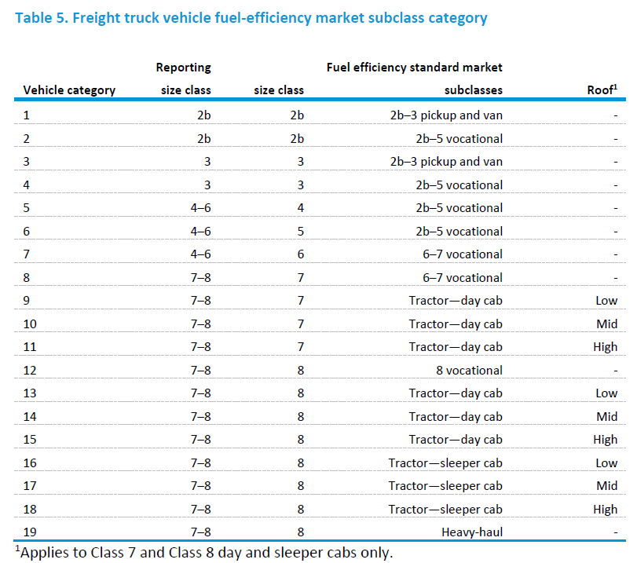
2b cargo van
5 walk-in van
8 sleeper cab
8 day cab

 |  |  |  |  |  |  |  |  |  |  |  |  | CARB truck category:
 |  |  |  |  |  |  |  |  |  |  |  |  | 2b cargo van
 |  |  |  |  |  |  |  |  |  |  |  |  | 5 walk-in van
 |  |  |  |  |  |  |  |  |  |  |  |  | 6 bucket truck
 |  |  |  |  |  |  |  |  |  |  |  |  | 8 refuse packer
 |  |  |  |  |  |  |  |  |  |  |  |  | 8 day cab
 |  |  |  |  |  |  |  |  |  |  |  |  | 8 sleeper cab

 |  | Fuel economy of new truck w/out technology (Base year = 2017) | Class 2 |  | Class 3 |  | Class 4 | Class 5 | Class 6 | Class 7 | Class 7 | Class 7 | Class 7 | Class 8 | Class 8 | Class 8 | Class 8 | Class 8 | Class 8 | Class 8 | Class 8
 |  | BASE_MPG_P2 | Pickup and van | Vocational | Pickup and van | Vocational | Vocational | Vocational | Vocational | Vocational | tractor 7 day low | tractor 7 day mid | tractor 7 day high | vocational 8 | tractor 8 day low | tractor 8 day mid | tractor 8 day high | tractor 8 sleeper low | tractor 8 sleeper mid | tractor 8 sleeper high | Heavy-haul
 |  | Diesel | 15.9609 | 15.9609 | 15.34 | 13.25 | 10.0275 | 9.345 | 8.988 | 7.91 | 6.5 | 6.5 | 6.4 | 5.1 | 6.2 | 5.95 | 5.85 | 6.38 | 6 | 6.1 | 4.15
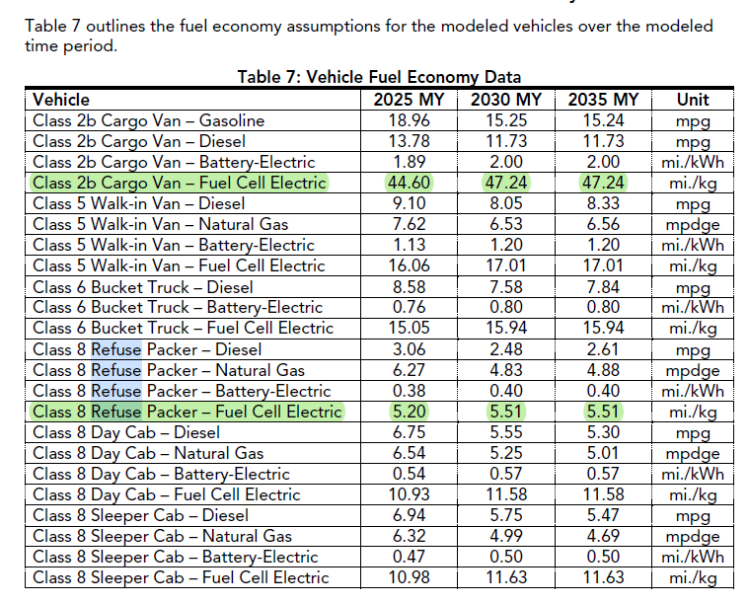
 | AEO22-trnhdv
 | size class |  | Diesel mpg 2017 (AEO22) |  | Diesel mpg 2025 (CARB)
 | 2b | 1 | 15.96 |  | 13.78 | 2b cargo van
 | 2b | 2 | 15.96 |  | 13.78
 | 3 | 3 | 15.34 |  | 13.78
 | 3 | 4 | 13.25 |  | 13.78
 | 4 | 5 | 10.03 |  | 9.1 | 5 walk-in van
 | 5 | 6 | 9.35 |  | 9.1
 | 6 | 7 | 8.99 |  | 9.1
 | 7 | 8 | 7.91 |  | 6.75 | 8 day cab
 | 7 | 9 | 6.50 |  | 6.75
 | 7 | 10 | 6.50 |  | 6.75
 | 7 | 11 | 6.40 |  | 6.75
 | 8 | 12 | 5.10 |  | 6.75
 | 8 | 13 | 6.20 |  | 6.75
 | 8 | 14 | 5.95 |  | 6.75
 | 8 | 15 | 5.85 |  | 6.75
 | 8 | 16 | 6.38 |  | 6.94 | 8 sleeper cab
 | 8 | 17 | 6.00 |  | 6.94
 | 8 | 18 | 6.10 |  | 6.94
 | 8 | 19 | 4.15 |  | 6.94 |  |  |  |  |  |  |  |  |  |  |  |  |  |  |  | Old mapping

2b cargo van: class 1
5 walk-in van: class 2
8 sleeper cab: class 4
8 day cab: class 3
 |  |  |  |  |  |  |  |  |  | New mapping
2b cargo van: class 2
5 walk-in van: class 3
8 sleeper cab: class 5
8 day cab: class 4
icafe19
2b cargo van: class 1

 |  |  | AEO22 |  | CARB |  | old map
New class |  | 14 sc | Diesel mpg 2025 |  | Diesel mpg 2025 |  | 19 sc | new mapping
Rep class 1 | 1 pickup and van (2b - 3) | 1 | 19.14 |  | 13.78 | 2b cargo van | 1,3 | 1,2,3,4
Rep class 2 | 2 vocational (2b - 5) | 2 | 11.62 |  | 13.78 |  | 2,4,5,6
?
?
Rep class 3 | 3 vocational (6 - 7) | 3 | 9.64 |  | 9.1 | 5 walk-in van | 7,8 | 5,6,7
Rep class 4 | 4 vocational (8) | 4 | 5.60 |  | 6.75 | 8 day cab | 12 | 8 to 15
 | 5 tractor 7 day low | 5 | 8.16 |  | 6.75 |  | 9
 | 6 tractor 7 day mid | 6 | 7.60 |  | 6.75 |  | 10
 | 7 tractor 7 day high | 7 | 7.64 |  | 6.75 |  | 11
 | 8 tractor 8 day low | 8 | 7.03 |  | 6.75 |  | 13
 | 9 tractor 8 day mid | 9 | 6.62 |  | 6.75 |  | 14
 | 10 tractor 8 day high | 10 | 6.66 |  | 6.75 |  | 15
Rep class 5 | 11 tractor 8 sleeper low | 11 | 7.88 |  | 6.94 | 8 sleeper cab | 16 | 16 to 19
 | 12 tractor 8 sleeper mid | 12 | 7.29 |  | 6.94 |  | 17
 | 13 tractor 8 sleeper high | 13 | 7.58 |  | 6.94 |  | 18
 | 14 heavy haul | 14 | 4.72 |  | 6.94 |  | 19

 | NEMS 14 SC | NEMS 19 sc |  |  | CARB | Representative class
 | 2 vocational (2b - 5) | 4 vocational (2b - 5) |  |  | 2b cargo van | 1 &2
 | 3 vocational (6 - 7) | 8 vocational (6 - 7) |  |  | 5 walk-in van | 3
 | 10 tractor 8 day high | 15 tractor 8-day cab high |  |  | 8 day cab | 4
 | 12 tractor 8 sleeper mid | 17 tractor 8-sleeper cab mid |  |  | 8 sleeper cab | 5

