Sheet1
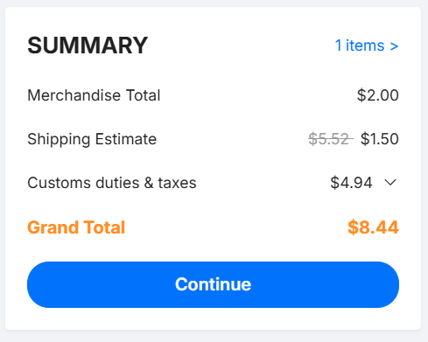
I will be using a seller based in the EU, (TME.EU), to avoid new tariff for the EU. I also included AliExpress link so everyone can do this project. I will have 2 orders one from JLCPCB that costs 8,44$, second one from TME.EU, all costs calculated in the total.

Name | Symbol/TME Code: | Purpose | Link: | Quantity needed: | Total Cost (CZK): | Total cost (USD): |  | Link | Distributor
PCB |  | From JLCPCB | * | 1 | *0* | $8.44 |  | https://jlcpcb.com/ | JLCPCB
IN4007 Diode |  | For soft starter. | * | 1 | *0* | *0* |  | https://www.aliexpress.com/item/1005010128860199.html?spm=a2g0o.productlist.main.13.321cVeUsVeUsDv&algo_pvid=5d1dc292-8c1d-47fc-b26f-221b35f9f573&algo_exp_id=5d1dc292-8c1d-47fc-b26f-221b35f9f573-31&pdp_ext_f=%7B%22order%22%3A%22320%22%2C%22eval%22%3A%221%22%2C%22fromPage%22%3A%22search%22%7D&pdp_npi=6%40dis%21USD%211.35%211.24%21%21%219.26%218.51%21%40211b61d017747780040114660e2416%2112000051243238520%21sea%21CZ%216063877758%21X%211%210%21n_tag%3A-29919%3Bd%3A1803c9ff%3Bm03_new_user%3A-29895%3BpisId%3A5000000203375670&curPageLogUid=wIl4TFkDRmTA&utparam-url=scene%3Asearch%7Cquery_from%3A%7Cx_object_id%3A1005010128860199%7C_p_origin_prod%3A | Aliexpress
Resistor 100KR |  | For soft starter. | * | 1 | *0* | *0* |  | https://www.aliexpress.com/item/1005007539842999.html?spm=a2g0o.productlist.main.13.77d7zj23zj23DF&algo_pvid=1429645b-4a36-4119-a7b3-98d736dedff9&algo_exp_id=1429645b-4a36-4119-a7b3-98d736dedff9-12&pdp_ext_f=%7B%22order%22%3A%2220994%22%2C%22eval%22%3A%221%22%2C%22orig_sl_item_id%22%3A%221005007539842999%22%2C%22orig_item_id%22%3A%221005006898731441%22%2C%22fromPage%22%3A%22search%22%7D&pdp_npi=6%40dis%21USD%213.01%211.50%21%21%2120.72%2110.36%21%402103849717747778049343615ed4db%2112000041212987998%21sea%21CZ%216063877758%21X%211%210%21n_tag%3A-29919%3Bd%3A1803c9ff%3Bm03_new_user%3A-29895&curPageLogUid=Yploor7BfNi6&utparam-url=scene%3Asearch%7Cquery_from%3A%7Cx_object_id%3A1005007539842999%7C_p_origin_prod%3A1005006898731441 | Aliexpress
Power cable |  | For power, HIGH AWG. | * | 1 | *0* | *0* |  | https://www.aliexpress.com/item/1005005203646529.html?spm=a2g0o.productlist.main.3.2506vKL4vKL4H0&algo_pvid=1ff6970a-e554-417a-9736-11d1abc39dd8&algo_exp_id=1ff6970a-e554-417a-9736-11d1abc39dd8-20&pdp_ext_f=%7B%22order%22%3A%223659%22%2C%22spu_best_type%22%3A%22price%22%2C%22eval%22%3A%221%22%2C%22fromPage%22%3A%22search%22%7D&pdp_npi=6%40dis%21USD%210.47%210.42%21%21%210.47%210.42%21%40211b813b17747164515903870eec0a%2112000032140706915%21sea%21CZ%210%21ABX%211%210%21n_tag%3A-29910%3Bd%3A1803c9ff%3Bm03_new_user%3A-29895&curPageLogUid=I0lyyNmGkllr&utparam-url=scene%3Asearch%7Cquery_from%3A%7Cx_object_id%3A1005005203646529%7C_p_origin_prod%3A | Aliexpress
Freewheeling diode SB1100 | SB1100-DIO | 100V 1A | https://www.tme.eu/cz/details/sb1100-dio/diody-schottky-tht/diotec-semiconductor/sb1100/ | 2 | 7.02 Kč | *0* |  | https://www.aliexpress.com/item/1005007349885370.html?spm=a2g0o.productlist.main.1.6f9059c6bqkyBC&algo_pvid=39d6c1ab-6498-423b-9c55-4e7187bf4bcb&algo_exp_id=39d6c1ab-6498-423b-9c55-4e7187bf4bcb-0&pdp_ext_f=%7B%22order%22%3A%2266%22%2C%22spu_best_type%22%3A%22price%22%2C%22eval%22%3A%221%22%2C%22fromPage%22%3A%22search%22%7D&pdp_npi=6%40dis%21USD%212.32%210.99%21%21%2115.91%216.83%21%4021038da617740285924222759ed468%2112000040372339094%21sea%21CZ%210%21ABX%211%210%21n_tag%3A-29910%3Bd%3A1803c9ff%3Bm03_new_user%3A-29895%3BpisId%3A5000000197850273&curPageLogUid=PDHqQEwCMyGC&utparam-url=scene%3Asearch%7Cquery_from%3A%7Cx_object_id%3A1005007349885370%7C_p_origin_prod%3A | Aliexpress
Resistor 47R 5W | 5W-47R |  | https://www.tme.eu/cz/details/5w-47r/rezistory-tht/royalohm/mor05sj0470afi/ | 1 | 23.86 Kč | *0* |  | https://www.aliexpress.com/item/1005007330288041.html?spm=a2g0o.productlist.main.46.767211fb70dwNG&aem_p4p_detail=202603201035359611494668413260001781554&algo_pvid=670cf7c4-ff83-4457-ae64-fbd872d743d6&algo_exp_id=670cf7c4-ff83-4457-ae64-fbd872d743d6-39&pdp_ext_f=%7B%22order%22%3A%22534%22%2C%22eval%22%3A%221%22%2C%22fromPage%22%3A%22search%22%7D&pdp_npi=6%40dis%21USD%210.66%210.54%21%21%214.49%213.68%21%4021038e1e17740281354252687e86c1%2112000040294719771%21sea%21CZ%210%21ABX%211%210%21n_tag%3A-29910%3Bd%3A1803c9ff%3Bm03_new_user%3A-29895&curPageLogUid=U4fOPbpAK6XU&utparam-url=scene%3Asearch%7Cquery_from%3A%7Cx_object_id%3A1005007330288041%7C_p_origin_prod%3A&search_p4p_id=202603201035359611494668413260001781554_10 | Aliexpress
Zener diode 15V 1W | 1N4744ATR |  | https://www.tme.eu/cz/details/1n4744atr/zenerovy-diody-tht/onsemi/ | 2 | 8.48 Kč | *0* |  | https://www.aliexpress.com/item/1005006886308114.html?spm=a2g0o.productlist.main.12.763565e2VxvOFJ&algo_pvid=1daef451-8bd2-46a3-bdec-a26d66933992&algo_exp_id=1daef451-8bd2-46a3-bdec-a26d66933992-37&pdp_ext_f=%7B%22order%22%3A%2238%22%2C%22eval%22%3A%221%22%2C%22fromPage%22%3A%22search%22%7D&pdp_npi=6%40dis%21USD%211.83%210.99%21%21%211.83%210.99%21%402103956b17740280088897737e333c%2112000038620719183%21sea%21CZ%210%21ABX%211%210%21n_tag%3A-29910%3Bd%3A1803c9ff%3Bm03_new_user%3A-29895%3BpisId%3A5000000197850273&curPageLogUid=5Mdrg3XuXAoh&utparam-url=scene%3Asearch%7Cquery_from%3A%7Cx_object_id%3A1005006886308114%7C_p_origin_prod%3A | Aliexpress
Resistor 150R 5W | AC05-150R-5% |  | https://www.tme.eu/cz/details/ac05-150r-5%25/vykonne-rezistory/vishay/ac05000001500jac00/ | 2 | 43.86 Kč | *0* |  | https://www.aliexpress.com/item/1005003645133625.html?spm=a2g0o.productlist.main.16.338e1d45dktWii&algo_pvid=601066ed-8d9a-4710-bbdd-b970ac96d48e&algo_exp_id=601066ed-8d9a-4710-bbdd-b970ac96d48e-8&pdp_ext_f=%7B%22order%22%3A%2256%22%2C%22eval%22%3A%221%22%2C%22fromPage%22%3A%22search%22%7D&pdp_npi=6%40dis%21USD%211.29%210.90%21%21%218.85%216.19%21%40211b80e117740277498711473ed231%2112000026631349304%21sea%21CZ%210%21ABX%211%210%21n_tag%3A-29910%3Bd%3A1803c9ff%3Bm03_new_user%3A-29895&curPageLogUid=fSkWTN76PRrU&utparam-url=scene%3Asearch%7Cquery_from%3A%7Cx_object_id%3A1005003645133625%7C_p_origin_prod%3A | Aliexpress
Thermal paste | QOLTEC-51630 | Better heat transfer. | https://www.tme.eu/cz/details/qoltec-51630/teplovodni-pasty/qoltec/51630/ | 2 | 45.02 Kč | *0* |  | https://www.aliexpress.com/item/32833422141.html?spm=a2g0o.productlist.main.1.154ethvKthvKIr&algo_pvid=386a2713-dae7-4a0d-9e44-34a7fa4773e2&algo_exp_id=386a2713-dae7-4a0d-9e44-34a7fa4773e2-0&pdp_ext_f=%7B%22order%22%3A%22228%22%2C%22eval%22%3A%221%22%2C%22fromPage%22%3A%22search%22%7D&pdp_npi=6%40dis%21USD%210.79%210.52%21%21%210.79%210.52%21%40210391a017740270953226446ea508%2165038750325%21sea%21CZ%210%21ABX%211%210%21n_tag%3A-29910%3Bd%3A1803c9ff%3Bm03_new_user%3A-29895&curPageLogUid=HXpijeaxpZ5p&utparam-url=scene%3Asearch%7Cquery_from%3A%7Cx_object_id%3A32833422141%7C_p_origin_prod%3A | Aliexpress
Capacitor 220uF | CE-220/16PHT-Y | For soft starter. MOQ: 20 | https://www.tme.eu/cz/details/ce-220_16pht-y/elektrolyticke-kondenzatory-tht/aishi/ewh1cm221e11ot/ | 1 | 32.74 Kč | *0* |  | https://www.aliexpress.com/item/1005007322240823.html?spm=a2g0o.productlist.main.3.4e4e6b597IeBnf&algo_pvid=02edfb23-74d5-47b3-b85f-622b369b29b5&algo_exp_id=02edfb23-74d5-47b3-b85f-622b369b29b5-2&pdp_ext_f=%7B%22order%22%3A%222020%22%2C%22spu_best_type%22%3A%22price%22%2C%22eval%22%3A%221%22%2C%22fromPage%22%3A%22search%22%7D&pdp_npi=6%40dis%21USD%211.23%210.86%21%21%211.23%210.86%21%40211b61bb17740248918105586ea653%2112000040256770954%21sea%21CZ%210%21ABX%211%210%21n_tag%3A-29910%3Bd%3A1803c9ff%3Bm03_new_user%3A-29895&curPageLogUid=mx3EbfFRgrpO&utparam-url=scene%3Asearch%7Cquery_from%3A%7Cx_object_id%3A1005007322240823%7C_p_origin_prod%3A | Aliexpress
Capacitor 1,5uF/2uF | C4AF9BU4150A1XK | ZVS switching. | https://www.tme.eu/cz/details/c4af9bu4150a1xk/kondenzatory-foliove-tht/kemet/ | 2 | 157.16 Kč | *0* |  | https://www.tme.eu/cz/details/c4af9bu4150a1xk/kondenzatory-foliove-tht/kemet/ | Aliexpress
Resistor 10KR 5W | CRL5W-10K | ZVS switching. MOQ: 10 | https://www.tme.eu/cz/details/crl5w-10k/vykonne-rezistory/sr-passives/ | 2 | 28.46 Kč | *0* |  | https://www.aliexpress.com/item/1005006363058219.html?spm=a2g0o.productlist.main.11.45e51d57BhhODY&algo_pvid=e61700af-3e94-40c6-837f-8b9eb99a6b25&algo_exp_id=e61700af-3e94-40c6-837f-8b9eb99a6b25-10&pdp_ext_f=%7B%22order%22%3A%22475%22%2C%22spu_best_type%22%3A%22price%22%2C%22eval%22%3A%221%22%2C%22fromPage%22%3A%22search%22%7D&pdp_npi=6%40dis%21USD%210.76%210.66%21%21%210.76%210.66%21%402103834817740246522776895e1674%2112000036899412422%21sea%21CZ%210%21ABX%211%210%21n_tag%3A-29910%3Bd%3A1803c9ff%3Bm03_new_user%3A-29895&curPageLogUid=xUFUBN3jZzu6&utparam-url=scene%3Asearch%7Cquery_from%3A%7Cx_object_id%3A1005006363058219%7C_p_origin_prod%3A | Aliexpress
Transistor 2N7000 | 2N7000-DIO | For soft starter. | https://www.tme.eu/cz/details/2n7000-dio/tranzistory-s-kanalem-n-tht/diotec-semiconductor/2n7000/ | 3 | 18.13 Kč | *0* |  | https://www.aliexpress.com/item/1005007206189883.html?spm=a2g0o.productlist.main.10.52b815e34eyS3k&algo_pvid=1b9e943d-a183-49b7-ac1c-45ea658339a3&algo_exp_id=1b9e943d-a183-49b7-ac1c-45ea658339a3-48&pdp_ext_f=%7B%22order%22%3A%2225%22%2C%22spu_best_type%22%3A%22price%22%2C%22eval%22%3A%221%22%2C%22fromPage%22%3A%22search%22%7D&pdp_npi=6%40dis%21USD%210.94%210.94%21%21%210.94%210.94%21%40211b629217740244743261900e83ca%2112000039805368214%21sea%21CZ%210%21ABX%211%210%21n_tag%3A-29910%3Bd%3A1803c9ff%3Bm03_new_user%3A-29895&curPageLogUid=WkHDqQGZD8lz&utparam-url=scene%3Asearch%7Cquery_from%3A%7Cx_object_id%3A1005007206189883%7C_p_origin_prod%3A | Aliexpress
Inductors | DPT220A5 | Inductors 220uH. | https://www.tme.eu/cz/details/dpt220a5/tlumivky/ferrocore/ | 2 | 107.30 Kč | *0* |  | https://www.aliexpress.com/item/1005009049853632.html?spm=a2g0o.productlist.main.31.774bojbOojbOFw&algo_pvid=b89a5244-83fa-4ea0-8365-d1b630e0f499&algo_exp_id=b89a5244-83fa-4ea0-8365-d1b630e0f499-30&pdp_ext_f=%7B%22order%22%3A%22147%22%2C%22eval%22%3A%221%22%2C%22fromPage%22%3A%22search%22%7D&pdp_npi=6%40dis%21USD%215.02%214.32%21%21%2134.38%2129.57%21%40210384b217740241582097454e3e8a%2112000047712666401%21sea%21CZ%210%21ABX%211%210%21n_tag%3A-29910%3Bd%3A1803c9ff%3Bm03_new_user%3A-29895&curPageLogUid=ZMnsTrP83ZAj&utparam-url=scene%3Asearch%7Cquery_from%3A%7Cx_object_id%3A1005009049853632%7C_p_origin_prod%3A | Aliexpress
Heatsink | SK104-38STS | Mosfet Cooling. | https://www.tme.eu/cz/details/sk104-38sts/chladice/fischer-elektronik/ | 2 | 129.23 Kč | *0* |  | https://www.aliexpress.com/item/1005002711238683.html?spm=a2g0o.productlist.main.50.477a4914euPoik&algo_pvid=c910c5e1-95dc-480b-b3f9-444ed5662ba6&algo_exp_id=c910c5e1-95dc-480b-b3f9-444ed5662ba6-49&pdp_ext_f=%7B%22order%22%3A%22145%22%2C%22eval%22%3A%221%22%2C%22fromPage%22%3A%22search%22%7D&pdp_npi=6%40dis%21USD%213.88%211.88%21%21%213.88%211.88%21%40211b813b17739477792101402edb6e%2112000021815358235%21sea%21CZ%210%21ABXZ%211%210%21n_tag%3A-29910%3Bd%3A1803c9ff%3Bm03_new_user%3A-29895%3BpisId%3A5000000200562567&curPageLogUid=QgMZjcoePbgO&utparam-url=scene%3Asearch%7Cquery_from%3A%7Cx_object_id%3A1005002711238683%7C_p_origin_prod%3A | Aliexpress
Mosfet IRFB7730 | IRFB7730PBF | ZVS switching. | https://www.tme.eu/cz/details/irfb7730pbf/tranzistory-s-kanalem-n-tht/infineon-technologies/ | 2 | 159.04 Kč | *0* |  | https://www.aliexpress.com/item/1005011844869795.html?spm=a2g0o.productlist.main.6.331aK3nTK3nTPQ&algo_pvid=cbc9dd74-dd5a-4a77-907d-66a1834d7ddf&algo_exp_id=cbc9dd74-dd5a-4a77-907d-66a1834d7ddf-5&pdp_ext_f=%7B%22order%22%3A%22-1%22%2C%22eval%22%3A%221%22%2C%22fromPage%22%3A%22search%22%7D&pdp_npi=6%40dis%21USD%214.54%214.54%21%21%2131.23%2131.23%21%40210388c917747806068723055e2327%2112000056762259380%21sea%21CZ%216063877758%21X%211%210%21n_tag%3A-29919%3Bd%3A1803c9ff%3Bm03_new_user%3A-29895&curPageLogUid=CfFBsAtcuWCR&utparam-url=scene%3Asearch%7Cquery_from%3A%7Cx_object_id%3A1005011844869795%7C_p_origin_prod%3A | Aliexpress
Coil |  | Few turns of solid copper wire. | * | 1 | *0* | *0*
TME Shipping |  |  | * |  | 169.41 Kč | *0*
 |  |  |  |  | 929.71 Kč | $8.44 | I will not be using these links, but I included them so you cam do this project even if you are not in EU.

 |  |  | 929,71CZK = | 44,97 USD
 |  |  |  | ´+8,44 USD
 |  |  | TOTAL: | 53,41 USD
 |  | REQUESTING AMOUNT: |  | 58 USD |  | SCREENSHOTS/CARTS BELOW!!

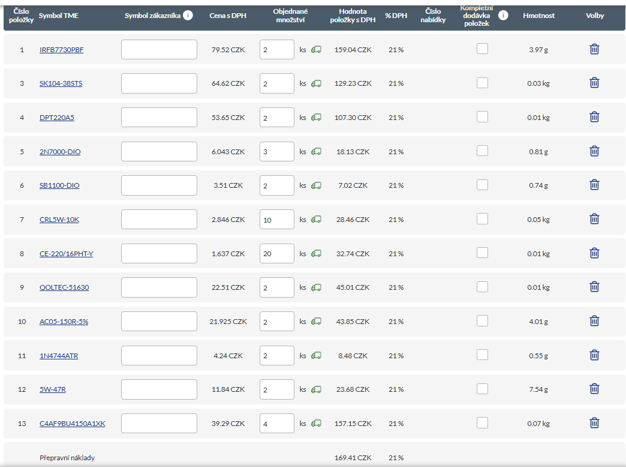
 |  |  |  |  |  | TME.EU |  |  |  | LCSC.COM

