Billed Data Report
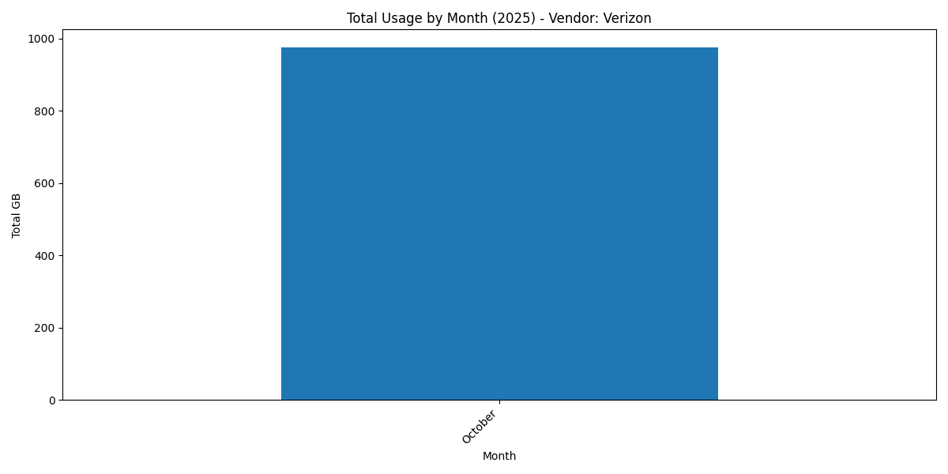
Usage Report (All Months 2025) - Monthwise
Account Number | Wireless Number | User Name | Vendor | October | Average (GB)
342125539-00001 | 314-203-1016 | Store #0449 | Verizon | 976.56 | 976.56
342125539-00001 | 314-203-1585 | Jason Bryant | Verizon | 0.00 | 0.00
342125539-00001 | 314-281-8557 | Store 1 | Verizon | 0.00 | 0.00
342125539-00001 | 314-281-8559 | Store 2 | Verizon | 0.00 | 0.00
342125539-00001 | 314-281-8684 | Store 3 | Verizon | 0.00 | 0.00
342125539-00001 | 314-281-8715 | Store 4 | Verizon | 0.00 | 0.00
342125539-00001 | 314-281-9082 | Store 5 | Verizon | 0.00 | 0.00
342125539-00001 | 314-304-1441 | Jason Bryant | Verizon | 0.00 | 0.00
342125539-00001 | 314-330-2096 | Store 0248 | Verizon | 0.00 | 0.00
342125539-00001 | 314-365-7430 | Christopher Eime | Verizon | 0.00 | 0.00
342125539-00001 | 314-410-0743 | Store 388 | Verizon | 0.00 | 0.00
342125539-00001 | 314-410-0840 | Store 430 | Verizon | 0.00 | 0.00
342125539-00001 | 314-502-5963 | Device 1 | Verizon | 0.00 | 0.00
342125539-00001 | 314-610-0072 | Store 0128 | Verizon | 0.00 | 0.00
342125539-00001 | 314-708-0613 | Device 4 | Verizon | 0.00 | 0.00
342125539-00001 | 314-708-1270 | Device 5 | Verizon | 0.00 | 0.00
342125539-00001 | 314-708-1558 | Device 3 | Verizon | 0.00 | 0.00
342125539-00001 | 314-708-3776 | Device 2 | Verizon | 0.00 | 0.00
342125539-00001 | 314-708-3799 | Device 6 | Verizon | 0.00 | 0.00
342125539-00001 | 314-708-5100 | Device 7 | Verizon | 0.00 | 0.00
342125539-00001 | 314-708-6260 | Bab Store #0004 | Verizon | 0.00 | 0.00
342125539-00001 | 314-740-0470 | David Brawner | Verizon | 0.00 | 0.00
342125539-00001 | 314-740-0614 | David Brawner | Verizon | 0.00 | 0.00
342125539-00001 | 314-740-1574 | David Brawner | Verizon | 0.00 | 0.00
342125539-00001 | 314-740-2247 | David Brawner | Verizon | 0.00 | 0.00
342125539-00001 | 314-740-2446 | David Brawner | Verizon | 0.00 | 0.00
342125539-00001 | 314-740-2532 | David Brawner | Verizon | 0.00 | 0.00
342125539-00001 | 314-740-2997 | David Brawner | Verizon | 0.00 | 0.00
342125539-00001 | 314-740-3077 | David Brawner | Verizon | 0.00 | 0.00
342125539-00001 | 314-740-3277 | David Brawner | Verizon | 0.00 | 0.00
342125539-00001 | 314-740-3540 | David Brawner | Verizon | 0.00 | 0.00
342125539-00001 | 314-740-6186 | David Brawner | Verizon | 0.00 | 0.00
342125539-00001 | 314-740-6272 | David Brawner | Verizon | 0.00 | 0.00
342125539-00001 | 314-740-6575 | David Brawner | Verizon | 0.00 | 0.00
342125539-00001 | 314-740-6842 | Jason Bryant | Verizon | 0.00 | 0.00
342125539-00001 | 314-740-6861 | David Brawner | Verizon | 0.00 | 0.00
342125539-00001 | 314-740-7031 | David Brawner | Verizon | 0.00 | 0.00
342125539-00001 | 314-740-7254 | David Brawner | Verizon | 0.00 | 0.00
342125539-00001 | 314-740-7932 | David Brawner | Verizon | 0.00 | 0.00
342125539-00001 | 314-740-8021 | David Brawner | Verizon | 0.00 | 0.00
342125539-00001 | 314-740-8028 | David Brawner | Verizon | 0.00 | 0.00
342125539-00001 | 314-740-8106 | David Brawner | Verizon | 0.00 | 0.00
342125539-00001 | 314-740-8713 | David Brawner | Verizon | 0.00 | 0.00
342125539-00001 | 314-780-4994 | Daniel Elder | Verizon | 0.00 | 0.00
342125539-00001 | 314-797-9222 | Vacant Vacant | Verizon | 0.00 | 0.00
342125539-00001 | 314-797-9294 | Line 2 | Verizon | 0.00 | 0.00
342125539-00001 | 314-818-9094 | Store #354 | Verizon | 0.00 | 0.00
342125539-00001 | 314-818-9110 | Store #5354 | Verizon | 0.00 | 0.00
342125539-00001 | 314-882-0146 | Store #427 | Verizon | 0.00 | 0.00
342125539-00001 | 314-913-0604 | Store #439 | Verizon | 0.00 | 0.00
342125539-00001 | 314-924-0218 | Daniel Elder | Verizon | 0.00 | 0.00
342125539-00001 | 314-943-6558 | Jason Faraone | Verizon | 0.00 | 0.00
342125539-00001 | 360-509-2851 | Brandon Hickey | Verizon | 0.00 | 0.00
342125539-00001 | 513-503-2752 | Jason Richter | Verizon | 0.00 | 0.00
342125539-00001 | 513-503-2925 | Jason Richter | Verizon | 0.00 | 0.00
342125539-00001 | 513-503-3190 | Jason Richter | Verizon | 0.00 | 0.00
342125539-00001 | 513-503-3270 | Jason Richter | Verizon | 0.00 | 0.00
342125539-00001 | 513-503-3280 | Jason Richter | Verizon | 0.00 | 0.00
342125539-00001 | 513-503-3507 | Jason Richter | Verizon | 0.00 | 0.00
342125539-00001 | 513-503-3564 | Jason Richter | Verizon | 0.00 | 0.00
342125539-00001 | 513-503-3683 | Jason Richter | Verizon | 0.00 | 0.00
342125539-00001 | 513-503-3745 | Jason Richter | Verizon | 0.00 | 0.00
342125539-00001 | 513-503-3759 | Jason Richter | Verizon | 0.00 | 0.00
342125539-00001 | 513-503-4235 | Jason Richter | Verizon | 0.00 | 0.00
342125539-00001 | 513-503-4279 | Jason Richter | Verizon | 0.00 | 0.00
342125539-00001 | 513-503-4474 | Jason Richter | Verizon | 0.00 | 0.00
342125539-00001 | 513-503-4991 | Jason Richter | Verizon | 0.00 | 0.00
342125539-00001 | 513-503-7207 | Jason Richter | Verizon | 0.00 | 0.00
342125539-00001 | 513-503-7212 | Jason Richter | Verizon | 0.00 | 0.00
342125539-00001 | 513-503-7344 | Jason Richter | Verizon | 0.00 | 0.00
342125539-00001 | 513-503-7437 | Jason Richter | Verizon | 0.00 | 0.00
342125539-00001 | 513-503-7448 | Jason Richter | Verizon | 0.00 | 0.00
342125539-00001 | 513-503-8396 | Jason Richter | Verizon | 0.00 | 0.00

Zero Usage Billed Data Report

Zero Usage (All Months 2025) - Monthwise
Account Number | Wireless Number | User Name | October
342125539-00001 | 314-203-1585 | Jason Bryant | 0 GB
342125539-00001 | 314-281-8557 | Store 1 | 0 GB
342125539-00001 | 314-281-8559 | Store 2 | 0 GB
342125539-00001 | 314-281-8684 | Store 3 | 0 GB
342125539-00001 | 314-281-8715 | Store 4 | 0 GB
342125539-00001 | 314-281-9082 | Store 5 | 0 GB
342125539-00001 | 314-304-1441 | Jason Bryant | 0 GB
342125539-00001 | 314-330-2096 | Store 0248 | 0 GB
342125539-00001 | 314-365-7430 | Christopher Eime | 0 GB
342125539-00001 | 314-410-0743 | Store 388 | 0 GB
342125539-00001 | 314-410-0840 | Store 430 | 0 GB
342125539-00001 | 314-502-5963 | Device 1 | 0 GB
342125539-00001 | 314-610-0072 | Store 0128 | 0 GB
342125539-00001 | 314-708-0613 | Device 4 | 0 GB
342125539-00001 | 314-708-1270 | Device 5 | 0 GB
342125539-00001 | 314-708-1558 | Device 3 | 0 GB
342125539-00001 | 314-708-3776 | Device 2 | 0 GB
342125539-00001 | 314-708-3799 | Device 6 | 0 GB
342125539-00001 | 314-708-5100 | Device 7 | 0 GB
342125539-00001 | 314-708-6260 | Bab Store #0004 | 0 GB
342125539-00001 | 314-740-0470 | David Brawner | 0 GB
342125539-00001 | 314-740-0614 | David Brawner | 0 GB
342125539-00001 | 314-740-1574 | David Brawner | 0 GB
342125539-00001 | 314-740-2247 | David Brawner | 0 GB
342125539-00001 | 314-740-2446 | David Brawner | 0 GB
342125539-00001 | 314-740-2532 | David Brawner | 0 GB
342125539-00001 | 314-740-2997 | David Brawner | 0 GB
342125539-00001 | 314-740-3077 | David Brawner | 0 GB
342125539-00001 | 314-740-3277 | David Brawner | 0 GB
342125539-00001 | 314-740-3540 | David Brawner | 0 GB
342125539-00001 | 314-740-6186 | David Brawner | 0 GB
342125539-00001 | 314-740-6272 | David Brawner | 0 GB
342125539-00001 | 314-740-6575 | David Brawner | 0 GB
342125539-00001 | 314-740-6842 | Jason Bryant | 0 GB
342125539-00001 | 314-740-6861 | David Brawner | 0 GB
342125539-00001 | 314-740-7031 | David Brawner | 0 GB
342125539-00001 | 314-740-7254 | David Brawner | 0 GB
342125539-00001 | 314-740-7932 | David Brawner | 0 GB
342125539-00001 | 314-740-8021 | David Brawner | 0 GB
342125539-00001 | 314-740-8028 | David Brawner | 0 GB
342125539-00001 | 314-740-8106 | David Brawner | 0 GB
342125539-00001 | 314-740-8713 | David Brawner | 0 GB
342125539-00001 | 314-780-4994 | Daniel Elder | 0 GB
342125539-00001 | 314-797-9222 | Vacant Vacant | 0 GB
342125539-00001 | 314-797-9294 | Line 2 | 0 GB
342125539-00001 | 314-818-9094 | Store #354 | 0 GB
342125539-00001 | 314-818-9110 | Store #5354 | 0 GB
342125539-00001 | 314-882-0146 | Store #427 | 0 GB
342125539-00001 | 314-913-0604 | Store #439 | 0 GB
342125539-00001 | 314-924-0218 | Daniel Elder | 0 GB
342125539-00001 | 314-943-6558 | Jason Faraone | 0 GB
342125539-00001 | 360-509-2851 | Brandon Hickey | 0 GB
342125539-00001 | 513-503-2752 | Jason Richter | 0 GB
342125539-00001 | 513-503-2925 | Jason Richter | 0 GB
342125539-00001 | 513-503-3190 | Jason Richter | 0 GB
342125539-00001 | 513-503-3270 | Jason Richter | 0 GB
342125539-00001 | 513-503-3280 | Jason Richter | 0 GB
342125539-00001 | 513-503-3507 | Jason Richter | 0 GB
342125539-00001 | 513-503-3564 | Jason Richter | 0 GB
342125539-00001 | 513-503-3683 | Jason Richter | 0 GB
342125539-00001 | 513-503-3745 | Jason Richter | 0 GB
342125539-00001 | 513-503-3759 | Jason Richter | 0 GB
342125539-00001 | 513-503-4235 | Jason Richter | 0 GB
342125539-00001 | 513-503-4279 | Jason Richter | 0 GB
342125539-00001 | 513-503-4474 | Jason Richter | 0 GB
342125539-00001 | 513-503-4991 | Jason Richter | 0 GB
342125539-00001 | 513-503-7207 | Jason Richter | 0 GB
342125539-00001 | 513-503-7212 | Jason Richter | 0 GB
342125539-00001 | 513-503-7344 | Jason Richter | 0 GB
342125539-00001 | 513-503-7437 | Jason Richter | 0 GB
342125539-00001 | 513-503-7448 | Jason Richter | 0 GB
342125539-00001 | 513-503-8396 | Jason Richter | 0 GB

Top 10 Usage Billed Data Report
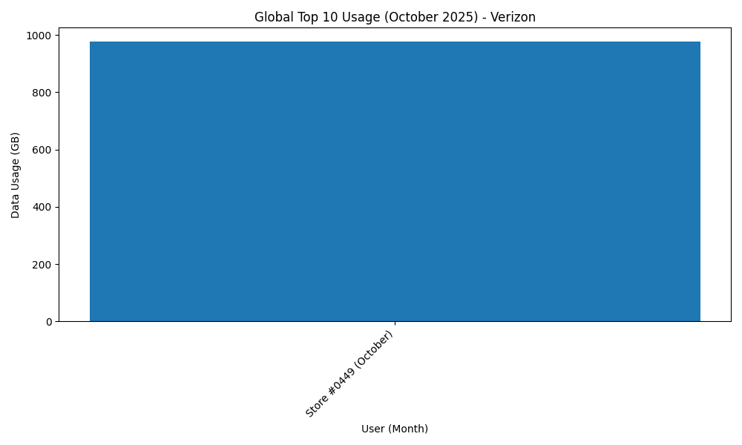
Global Top 10 Usage (October 2025)
Month | Account Number | Wireless Number | User Name | Data Usage (GB)
October | 342125539-00001 | 314-203-1016 | Store #0449 | 976.56

