Top 10 Usage Billed Data Report
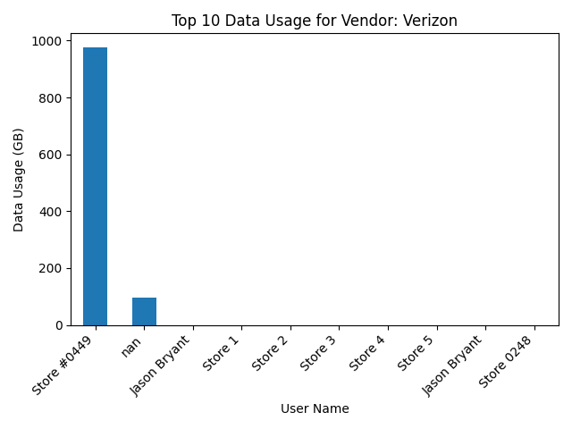
August Top 10 Data Usage (Verizon)
accountNumber | wirelessNumber | userName | dataUsageGB
342125539-00001 | 314-203-1016 | Store #0449 | 976.5625
342125539-00001 | nan | nan | 97.65625
342125539-00001 | 314-203-1585 | Jason Bryant | 0
342125539-00001 | 314-281-8557 | Store 1 | 0
342125539-00001 | 314-281-8559 | Store 2 | 0
342125539-00001 | 314-281-8684 | Store 3 | 0
342125539-00001 | 314-281-8715 | Store 4 | 0
342125539-00001 | 314-281-9082 | Store 5 | 0
342125539-00001 | 314-304-1441 | Jason Bryant | 0
342125539-00001 | 314-330-2096 | Store 0248 | 0

