CHANGES During_OPEN
 |  | Project | Open Enrollment Changes Scenarios - During or Before Open Enrollment Window
 |  | Test Environment | HCM Test\Lawson HRTEST
 |  | Test Start Date | 2020-09-28
 |  | Tested By | Benefits Team

ID | Tester | Scenario Description | Test Scenario Steps | Expected Result | Person Number | Lawson Id | Pass/Fail | Date | Actual Results | Notes
1000 |  | Requires Certification Scenarios
1110 | Sonia | Add Spouse During Open Enrollment - Goes Into Suspense - Cert Before Open Enroll Closes | > Add Spouse to Dependent Beneficiary. > Add Life Event Add Spouse in self-serve > Benefit Admin must has not received documents so cannot approve certification. Add Spouse life event remains in Suspended status. Close the Add Spouse Life Event - plan certification status remains as Suspended. > Open event is now in "Unprocessed" status because of the pending certifications. > The marriage cert is provided and the Add Spouse plan no longer “Suspended” > The Add Spouse comes over in the change file. > Ben Admin will process the Open Enrollment Life Event for that person using the Open Enrollment > Process task for that employee. > Open Enrollment Window date arrived. > Mass Open Enrollment close process is run. >Open Event for this employee is included in the Full Open Enrollment File. | Add Spouse is in a changes file. Open Life event is in the Full Open Enrollment File. | 101002820 | 419280 | F - Passed re-test | 2020-10-09 | 10/12: Tier change came across, but since qualifying LE & Open were processed on the same day - dependents didn't come across & were not attached to plans in Lawson
1110A | Lianne | Add Spouse During Open Enrollment - Goes Into Suspense - Cert Before Open Enroll Closes | 1. Enrollment>Reopen LE Event 2. Filter on 10/5: shows have 4 days left to enroll 3. As Emp: Report Life Event Add Dep Spouse eff 10/5/2020 4. As Benefit Admin: Back out Add Dep Spouse LE, Open LE is backed out 5. As Benefit Admin: Re-add Add Dep Spouse LE and reprocess 6. As Emp: added Spouse to HL,DN,VSN 7. As Benefit Admin: Process & Close Add Dep Spouse LE 8. Wait for integration to run & validate 9. Next day if post succeed after change file, Reprocess Open LE and ensure dep spouse is attached and close | Add Spouse is in a changes file. Open Life event is in the Full Open Enrollment File. | 101001762 | 400021 | P | 2020-10-12 | 10/12: Plans posted, but HsA Single plan was not end-dated, but HsA Family posted correctly (production issue CQ219829 - Lawson doesn't allow stop/change (new) together. When upd tier needs to chg YTD amt. 1) stop prior 2) updt new. To be worked on in Nov, after enrollment window
1120 | Glory & Lanita | Add Spouse during Open Enrollment - Goes Into Suspense - Cert After Open Enrollment Closes | > Add Life Event Add Spouse in self-serve during open window period > Add Spouse event goes to manual state > The Open Life Event stays in Started state > Open Enrollment Window end date arrived. > Mass Open Enrollment close process is run and open event is in processed status. Open records come over in the FULL Open Enrollment file for this employee once open window close. > Ben Admin reach out to employee to provide certificates and process the Add spouse event(which was previously in manual state) >The marriage cert is provided and the Add Spouse plan no longer “Suspended” >The Add Spouse comes over in the change file. >Ben Admin will need to back out and reprocess the Open Enrollment Life Event for that person using the Open Enrollment Process task for that employee. >Ben Admin can at that time extend the amount of time the employee can enroll for 2020 and employee can do it in self-service. >Open Life Event will come across in changes file. >Can continue to come over until the extended date arrives if modified. >Then Life Event will be Closed. | No Open Records in the FULL Open Enrollment File After Open Enrollment Add Spouse is in the Change File. After Open Life Events Completes - Open Life Event is in the Changes File | 101002836 | 419310 | P | 2020-10-07 | 10/12: Spouse is certified after Open so no tier change is expected
1130 | Alicia (reassigned to Sonia) | Add Child during Open Enrollment - Cert Before Open Enroll Closes | Same Steps in HCM as 1110 (add Spouse) except adding a Child rather than a Spouse. | Add Child is in a changes file. Open Life event is in the Full Open Enrollment File. | 101000195 | 410049 | F - Passed re-test | 2020-10-12 | 10/12: Tier change came across, but since qualifying LE & Open were processed on the same day - dependents didn't come across & were not attached to plans in Lawson
1130A | Lanita | Add Child during Open Enrollment - Cert Before Open Enroll Closes | Same Steps in HCM as 1110 & 1110A (add Spouse) except adding a Child rather than a Spouse. | Add Child is in a changes file. Open Life event is in the Full Open Enrollment File. | 101001556 | 407399 | P | 2020-10-12 |  | tyoung@carnival.com Unique@170
1140 | Glory & Lanita | Add Child During Open Enrollment - Goes Into Suspense - Cert After Open Enrollment Closes | Same Steps in HCM as 1120 (Add Spouse) except adding a Child rather than a Spouse | No Open Records in the FULL Open Enrollment File After Open Enrollment Add Child is in the Change File. After Open Life Events Completes - Open Life Event is in the Changes File | 101000716 | 420381 | P | 2020-10-07 | 10/12: Child is certified after Open so no tier change is expected
1150 | Lanita | OE-Domestic Partner becomes a Spouse | > Domestic Partner is covered in the current year. > Open Life Event is in started State for the upcoming year. > During the Open Window Period, In HCM Self Service, change the relationship of the Contact from Domestic partner to Spouse. > During the Open Window Period, In HCM Self Service, initiate the Add Dependent Spouse Life Event. > The Add Dependent Spouse Life Event will be in Manual Status > Ben Admin receives documentation and processes the Add Dependent Spouse Life Event. > Ben Admin will update the plan option from EE+Domestic Partner to EE+Spouse > The Open Life Event is now in “Unprocessed” status due to processing of the Add Dependent Spouse Life Event > Ben Admin will need to move the Open Life Event back to Processed and may extend the window for Open Enrollment for this employee only. > Change file will include a stop and a start of the benefit in the new tier. > Spouse will not be included for imputed income. | Change file will stop the old tier and start the new tier. After Open Life Event Completes - Open Life Event will be either in the Mass Open Enrollment file or else a subsequent Change File. Validate Imputed Income has been removed. | 101002685 | 421263 | F | 2020-10-08 | 10/9: LE was backed out due to error received. Lawson relationship was changed from DP to Spouse. Received Open from last year - considered a LE so relationship change from DP to Spouse occurred. There is another test case that was completed sucessfully with this scenario in the Open scenarios tab. | 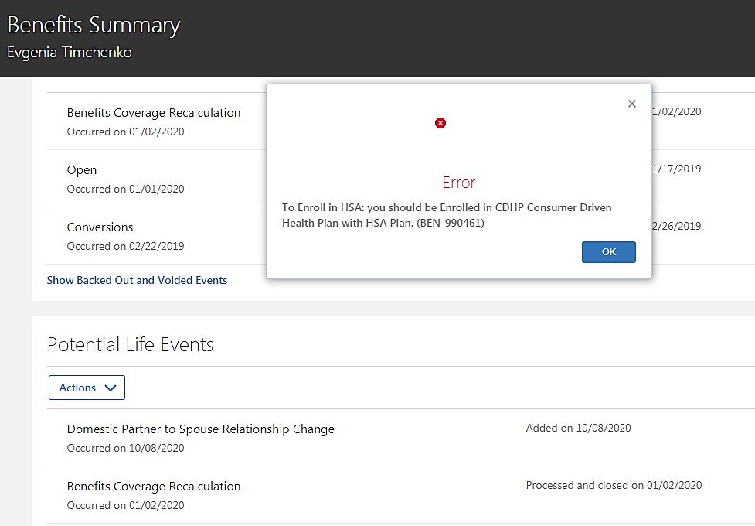 Receiving an error when trying to process the DP to SP life event
1150A | Lianne | OE-Domestic Partner becomes a Spouse | > Domestic Partner is covered in the current year. > Open Life Event is in started State for the upcoming year. > During the Open Window Period, In HCM Self Service, change the relationship of the Contact from Domestic partner to Spouse. > During the Open Window Period,as Benefits Admin, initiate the Add Change DP to Spouse Life Event. > TheLife Event will be in Manual Status, void & reprocess - will back out Open > Ben Admin receives documentation and processes the Change DP to Spouse Life Event. > Ben Admin will update the plan option from EE+Domestic Partner to EE+Spouse > The Open Life Event is now in “Unprocessed” status due to processing of the Add Life Event > Ben Admin will need to move the Open Life Event back to Processed and may extend the window for Open Enrollment for this employee only. > Change file will include a stop and a start of the benefit in the new tier. > Spouse will not be included for imputed income. | Change file will stop the old tier and start the new tier. After Open Life Event Completes - Open Life Event will be either in the Mass Open Enrollment file or else a subsequent Change File. Validate Imputed Income has been removed. | 101003059/ 101003714/ 101002437 | 421408/ 419656/ 420769 | F - Passed re-test | 2020-10-09 | 10/9: First emp is test case, 2nd emp was able to replicate same issue as test case id 1150, created TCS INC1224793. For last 2 test cases, Open has been backed out. 10/12: since qualifying LE and Open were processed on the same day, tier change came across, but dependent update and dependents being attached did not process
1150B | Lanita | OE-Domestic Partner becomes a Spouse | > Domestic Partner is covered in the current year. > Open Life Event is in started State for the upcoming year. > During the Open Window Period, In HCM Self Service, change the relationship of the Contact from Domestic partner to Spouse. > During the Open Window Period,as Benefits Admin, initiate the Add Change DP to Spouse Life Event. > TheLife Event will be in Manual Status, void & reprocess - will back out Open > Ben Admin receives documentation and processes the Change DP to Spouse Life Event. > Ben Admin will update the plan option from EE+Domestic Partner to EE+Spouse > The Open Life Event is now in “Unprocessed” status due to processing of the Add Life Event > Ben Admin will need to move the Open Life Event back to Processed and may extend the window for Open Enrollment for this employee only. > Change file will include a stop and a start of the benefit in the new tier. > Spouse will not be included for imputed income. | Change file will stop the old tier and start the new tier. After Open Life Event Completes - Open Life Event will be either in the Mass Open Enrollment file or else a subsequent Change File. Validate Imputed Income has been removed. | 101001384 | 416819 | P | 2020-10-12 |  | mdougherty@carnival.com Unique@121
1200 |  | Dropped Benefits
1210 | Alicia (reassigned to Lanita) | Divorce Spouse During Open Enrollment - Certified before window closes | > During the Open Enrollment window the Divorce Life Event and all Drop Dependent events will be disabled in Self-Service. > Divorce Spouse while Open Enrollment Window is open > The marriage dissolution doc is provided during Open Enrollment > Only Ben Admin can Add Life Event Divorce Spouse upon receipt of the marriage dissolution document > Divorce Spouse, plans not in Suspense. > Open event is now in "Unprocessed" status because of the Divorce Spouse Life Event. > Divorce Spouse Life event will be in change file > Ben Admin must Reprocess the Open Life Event > Employee can then enroll using Self Service > Open Enrollment Window date arrives. > Mass Open Enrollment close process is run. > Open Event for this employee is included in the Full Open Enrollment File. | Divorce Spouse Life Event is in a changes file during Open enrollment window. Open Life Event is in the Open Full File. | 101000524 | 992632 | F - Passed re-test | 2020-10-12 | 10/12: Dep Spouse was removed from Dental & Dental plan tier chgd to emp+child. Child not attached due to qualifying LE and Open being processed on same day.
1210A | Lanita | Divorce Spouse During Open Enrollment - Certified before window closes | > During the Open Enrollment window the Divorce Life Event and all Drop Dependent events will be disabled in Self-Service. > Divorce Spouse while Open Enrollment Window is open > The marriage dissolution doc is provided during Open Enrollment > Only Ben Admin can Add Life Event Divorce Spouse upon receipt of the marriage dissolution document > Divorce Spouse, plans not in Suspense. > Open event is now in "Unprocessed" status because of the Divorce Spouse Life Event. > Divorce Spouse Life event will be in change file > Ben Admin must Reprocess the Open Life Event > Employee can then enroll using Self Service > Open Enrollment Window date arrives. > Mass Open Enrollment close process is run. > Open Event for this employee is included in the Full Open Enrollment File. | Divorce Spouse Life Event is in a changes file during Open enrollment window. Open Life Event is in the Open Full File. | 101000486 | 406662 | P | 2020-10-12 |  | vrampat@carnival.com Unique@153
1220 | Sonia | Divorce Spouse During Open Enrollment - Cert After Open Enrollment (n/a - plans don't go into Suspend when removing, Ben Admin reviews pending action rpts) | > During the Open Enrollment window the Divorce Life Event and all Drop Dependent events will be disabled in Self-Service. > Divorce Spouse while Open Enrollment Window is open > Open Enrollment Window date arrives (they did not include the spouse because they are divorced). > Mass Open Enrollment close process is run. > Open Event for this employee is included in the Full Open Enrollment File. > The marriage dissolution doc is provided during Open Enrollment > Self Service for Divorce Life Event and all Drop Dependent events are once again enabled in Self-Service. > Employee enters the Divorce Spouse Life Event in self-serve back dated effective the date of the divorce > Open Life Event will be backed out as long as it is still in the future goes back to Unprocessed stats. > Divorce Spouse, plans not in Suspense. > Divorce Spouse Life event will be in change file > Ben Admin has to move the Open Event back to Started state – may extend the date possibly. > Employee can then enroll using Self Service | Open Life Event is in the Full File. Divorce Spouse Life Event is in a Changes file after Open Enrollment Closes. Open Life Event is in a Changes file with Dropped Spouse after Open Enrollment Closes. | 106001751 | 421856 | P | 2020-10-09 | 10/12: Dep Spouse was removed from plans. Dep Spouse remains in HCM & Lawson
1230 | HRIS | Terminated During Open Enrollment - Employee Only | > Open Enrollment Life Event Created > In HCM Person is Terminated > In HCM Benefits are automatically stopped and Open Life Event is now Unprocessed rather than Started > Changes file will include records to stop the current year benefits > Open Enrollment Window End Date arrives > Mass open Enrollment process cancels or ignores the Unprocessed event? > Open Event for this terminated employee is not included in the Full Open Enrollment File | Stop benefits are in the Changes file. Employee is not in the Full Open Enrollment File | 101003201 | 421210 | F - Passed re-test | 2020-10-08 | 10/9: Term date received w ded start date of 1/2/20 (Ben Recalc date) & Ben Start date 1/1/19. Benefits were not end-dated. Abhishek reprocessed and worked. Test case below to re-test
1230A | HRIS | Terminated During Open Enrollment - Employee + Family | > As Admin, Term 10/7/2020 & ensure Term LE is processed & closed on Enrollment page. Open LE will be backed out. | Stop benefits are in the Changes file. Employee is not in the Full Open Enrollment File | 101003155 | 420990 | P | 2020-10-09 | 10/19: Benefits were end-dated
1240 | HRIS | Terminated During Open Enrollment - Spouse & Children | > Open Enrollment Life Event Created > In HCM Person is Terminated > In HCM Benefits are automatically stopped and Open Life Event is now Unprocessed rather than Started > Changes file will include records to stop the current year benefits > Open Enrollment Window End Date arrives > Mass open Enrollment process cancels or ignores the Unprocessed event? > Open Event for this terminated employee is not included in the Full Open Enrollment File >Made Open Elections and then following day ESS termed | Stop benefits are in the Changes file. Employee is not in the Full Open Enrollment File | 101000094 | 416307 | P | 2020-10-08 | 10/9: Pending today integration run to see if term processed and end-dated
1300 |  | New Hire
1310 | HRIS/Marco | New Hire during Open Enrollment - Benefits effective immediately | > In HCM Person is Hired During Open Enrollment Window with Benefits effective Immediately > In HCM Default Benefits are automatically generated > Changes file will include records to Create the current year default benefits > Employee goes to self-service and enrolls in plans during the enrollment window > Life Event Closes after 30 days - or after the Employee makes elections > Selected plans will be in a changes file. > HRIS to obtain a list of New Hires from talent Acquisition ( they get this list every Monday) > HRIS runs a job to create the Open Life Events employees on this list of New Hires > Employee will update the Open Life event with benefit selections > Open Enrollment Window End Date arrives > Mass open Enrollment process will process the Open Life Event > Open Event for this employee is included in the Full Open Enrollment File >Enrolled as New HIre and then next day enrolled in Open | New Hire Benefits will be in a changes file, first with defaults, then with elections. | 101003149 | 420984 | P | 2020-10-08 | 10/9: Plan posted, end-date parameters should be updated to 2021 after full-file run, has been updated. That is why we see benefits end-dated in Lawson.
1320 | HRIS/Marco | New Hire during Open Enrollment - Benefits effective after 90 days | > In HCM Person is Hired During Open Enrollment Window with Benefits effective in 90 days – in the New Enrollment Year > In HCM Default Benefits are automatically generated > Changes file will include records to Create the current year default benefits > Employee goes to self-service and enrolls in plans during the enrollment window > Rates for the Enrollment Year (not the current year) will be displayed to the Employee > Life Event Closes after 90 days > Selected plans will be in a changes file. > Open Enrollment Window End Date arrives, this employees will not have Open Life Events > Open Event does not exist for this employee and is NOT included in the Full Open Enrollment File | Benefits not effective in the current year. No in the Open Enrollment Full File |  |  | n/a |  | Not testing this year
1330 | N/a - test in next cycle since OE window is open | New Hire Before Open Enrollment Window Opens - but with Benefits Effective prior to the new Enrollment Year | > In HCM Person is Hired BEFORE Open Enrollment Window with Benefits effective in 90 days ( Prior to New Enrollment Year) > In HCM Default Benefits are automatically generated > Changes file will include records to Create the current year default benefits > Employee goes to self-service and enrolls in plans during the enrollment window > Life Event Closes after 90 days > Selected plans will be in a changes file. > Open Enrollment Window Start Date Arrives > Run the Open Enrollment Life Event Generation for all Employees > Will note generate an Open Life Event for this Employee because the Life Event is not closed > Many need a manual process to identify a pending Life Event such as this and expedite the closing of it prior to Open Enrollment generation? > Open Enrollment Life Event is in Start State > Employee will update the Open Life event with benefit selections > Open Enrollment Window End Date arrives > Mass open Enrollment process will process the Open Life Event > Open Event for this employee is included in the Full Open Enrollment File | Ari will do some testing and confirm some of the questions on this one. |  |  | n/a

CHANGES After_OPEN
 |  | Project | Open Enrollment Changes Scenarios - AFTER Open Enrollment Window Closes
 |  | Test Environment | HCM Test\Lawson HRTEST
 |  | Test Start Date | 2020-09-28
 |  | Tested By | Benefits Team

ID | Tester | Scenario Description | Test Scenario Steps | Expected Result | Person Number | Lawson Id | Pass/Fail | Date | Initials | QUESTIONS / Notes / Actual Results | Incremental Include
100 |  | Requires Certification Scenarios
110 | Alicia | Add Spouse as part of OE - Goes Into Suspense - Cert after Open Enrollment Before Year End | > Employee adds spouse using self-service to her plan during Open Enrollment for the Upcoming Enrollment Year during the Open Enrollment window > Goes into Suspense because has never been on a plan before as a Spouse > Benefits Office can see that this is one of the plans in Suspense by running a report (Certification related reports) > Window for Open Enrollment Closes while Plan is in suspense > Employee Only will be in the Full Open Enrollment file. > Open Enrollment processed loaded into Lawson – even went to Cigna for example > Employee provides documentation to the Benefits Office after Open Enrollment Closes > Benefits Office makes a decision whether to accept the documentation > If decision is YES, the Spouse will be allowed to be added. > When certification is approved in HCM the "Open" event will be in the Change File. > Integration will update the 2020 benefit from Employee to Employee+Spouse | Since the Benefit is future dated, no YTD deductions on the plan, so the integration will update the coverage option and add the spouse. | 101002114 | 419861 | PASS | 2020-10-16 | ACB | 10/19: 2021 Open LE needs to be deleted from middleware so that change LE processes & then Open LE needs to be re-processed 10/21: Dep Spouse was added, but not attached to plans, possible timing issue - AJ will reprocess | Y
120 | Lanita | Add Spouse after OE - Goes Into Suspend - Cert the Next Year | > Employee Only will be in the Full Open Enrollment file. > Only the changed plans will be in the file. > When certification is approved the "Open" event will be in the Change File and will include the new tier and the Spouse Dependent Benefit. | Since the Benefit is NOT future dated, if no YTD deductions on the plan, the integration will update the coverage option and add the spouse. If there are YTD deductions Lawson will not allow changes to the plan. The posts will fail. Handled manually in Lawson and with IT assist in the middleware. | 101001756 | 970319 | PASS | 2020-10-16 | LM | 10/19: Not on posts report - on validation with Ignored Benefit Change…LE which was already processed. Test case is to certify next year 10/21: RS plans received with prior old LE with 12/31 end-dt, follow up with TCS 10/23: Approved Spouse - Open is pending to be reprocessed 10/26: Open was reprocessed on 10/26 (Open was processed same day as change file was run - timing issue) | Y
130 | Sonia | Employee did not have Supplemental and now elected 3X – Certification received after OE Window Closes | > No Supplemental now goes to 3X > Goes into Suspended until the Vendor approves via EOI form. > Benefits Office has to notify the Vendor of the cutoff window to provide the EIO Form > Effective date will be the first day of the month following the Approval. > This will be a new Life Event Processed via the Changes File |  | 106000028 | 421539 | NOT TESTING | 2020-10-16 | SC
140 | Lanita | OE-Domestic Partner becomes a Spouse | > Domestic Partner is covered in the current year. > Open Life Event is in Processed State for the upcoming year. > n HCM Self Service, change the relationship of the Contact from Domestic partner to Spouse. > In HCM Self Service, initiate the Add Dependent Spouse Life Event. > The Add Dependent Spouse Life Event will be in Manual Status > Ben Admin receives documentation and processes the Add Dependent Spouse Life Event. > Ben Admin will update the plan option from EE+Domestic Partner to EE+Spouse > The Open Life Event is now in “Unprocessed” status due to processing of the Add Dependent Spouse Life Event > Ben Admin will need to move the Open Life Event back to Processed and may extend the window for Open Enrollment for this employee only. > Change file will include a stop and a start of the benefit in the new tier. > Spouse will not be included for imputed income. | Change file will stop the old tier and start the new tier. After Open Life Event Completes - Open Life Event will be either in the Mass Open Enrollment file or else a subsequent Change File. Validate Imputed Income has been removed. | 101002685 | 421263 | PASS | 2020-10-16 |  | 10/19: Not on posts report - on validation with Ignored Benefit Change….Life event already processed. In Lawson for 2021 see emp+spouse tier (posted 10/15), don't see change eff 10/16/2020. Open LE needs to be deleted from middleware & then Open LE will need to be reprocessed. | Y
140A | Lanita | OE-Domestic Partner becomes a Spouse after OE but before new year | >Delete Open LE from middleware & Lawson > Domestic Partner is covered in the current year. > Open Life Event is in Processed State for the upcoming year. > n HCM Self Service, change the relationship of the Contact from Domestic partner to Spouse. > In HCM Self Service, initiate the Add Dependent Spouse Life Event. > The Add Dependent Spouse Life Event will be in Manual Status > Ben Admin receives documentation and processes the Add Dependent Spouse Life Event. > Ben Admin will update the plan option from EE+Domestic Partner to EE+Spouse > The Open Life Event is now in “Unprocessed” status due to processing of the Add Dependent Spouse Life Event > Ben Admin will need to move the Open Life Event back to Processed and may extend the window for Open Enrollment for this employee only. > Change file will include a stop and a start of the benefit in the new tier. > Spouse will not be included for imputed income. | Change file will stop the old tier and start the new tier. After Open Life Event Completes - Open Life Event will be either in the Mass Open Enrollment file or else a subsequent Change File. Validate Imputed Income has been removed. | 106003900 | 422278 | PASS | 2020-10-22 | LM |  | Y
200 |  | December Life Events
210 | Glory | Add Spouse After OE but Before new Year | > Open enrollment is over and the Open life event is closed, effective future date 01/01/2020 > In self-serve the employee adds a spouse to the 2019 plan as a Add Spouse Life event. > When they edit the 2019 benefit in HCM, the 2020 Open Enrollment automatically goes into an Unprocessed state. (note that these benefits are already in Lawson and possibly have been send to Cigna, etc) > The Add Spouse plan is certified. > In the changes file we will get a stop and start for 2019 benefit since this is a tier change. > The unprocessed Open Life event won't be in the file. > Ben Admin will reprocess the Open Enrollment Life event which is currently in Unprocessed state > If the employee did not change plans Open Life Event will default to the new Life Event EE + Spouse > If the employee did change plans ( e.g. CDHP to HMO) Will default to the CHDP (2019 plan) and require manual changes, or Open event must be voided and completely re-entered. The Benefits Office could extend the window to allow this particular employee to edit/review the Open Enrollment Life Event. to add the Spouse and have to re-enter all the plans because one of the plans changed. > All Open Life Event plans will be in the change file. | > Since the Benefit is future dated, no YTD deductions on the plan. > The integration will update the coverage option and add the spouse. | 101001475 | 411874 | PASS | 2020-10-16 | GM | 10/19: 2021 Open LE needs to be deleted from middleware so that change LE processes & then Open LE needs to be re-processed. AJ to review, stop date record needs to be reprocessed. 10/21: Dep not attached, possible timing issue, AJ will reprocess. | Y
210A | Lanita | Add Spouse after OE but Before new Year | >Delete Open LE from Middleware & Lawson >Add Life Event named: Add Dependent Spouse effective in 2020 changing the tier from EE to EE+Spouse>Certify Spouse>Review >Following day Reprocess Open - ensure Spouse is added>Review | > Since the Benefit is future dated, no YTD deductions on the plan. > The integration will update the coverage option and add the spouse. | 101001390 | 416842 | PASS | 2020-10-22 | LM |  | Y
210B | Lanita | Add Child after OE but Before new year with a tier change | >Delete Open LE from Middleware & Lawson >Add Life Event named: Add Dependent Child effective in 2020 changing the tier from EE to EE+Children>Certify Child>Review >Following day Reprocess Open - ensure Child is added>Review |  | 101000747 | 419551 | PASS | 2020-10-22 | LM |  | Y
210C | Lanita | Add Child after OE but Before new year with no tier change | >Delete Open LE from Middleware & Lawson >Add Life Event named: Add Dependent Child effective in 2020 with no tier change>Review >Following day Reprocess Open - ensure Child is added>Review |  | 101000788 | 419626 | PASS | 2020-10-22 | LM |  | Y
220 |  | Add Spouse After OE and After the New Year ( Done on Jan 10th)
230 |  | Add Spouse After OE but Before New Year - With HSA | Same as 210 | Since the Benefit is NOT future dated, if no YTD deductions on the plan, the integration will update the coverage option and add the spouse. If there are YTD deductions Lawson will not allow changes to the plan. The posts will fail. Handled manually in Lawson and with IT assist in the middleware. |  |  | NOT TESTING
240 |  | Add baby After OE and Before the New Year | Same as 210 | Since the Benefit is NOT future dated, if no YTD deductions on the plan, the integration will update the coverage option and add the spouse. If there are YTD deductions Lawson will not allow changes to the plan. The posts will fail. Handled manually in Lawson and with IT assist in the middleware. |  |  | NOT TESTING
250 |  | Add Spouse After OE and After the New Year ( Reporting retroactive Life Event) | > Open enrollment is over and the Open life event is closed, effective future date 01/01/2020 > In self-serve the employee adds a spouse to the 2019 plan as a Add Spouse Life event retroactive because we are already in 2020 but baby was born late in December. > When they edit the 2019 benefit in HCM, the 2020 Open Enrollment automatically goes into an Unprocessed state. (note that these benefits are already in Lawson and possibly have been send to Cigna, etc) > The Add Baby plan is certified. > In the changes file we will get a stop and start for 2019 benefit since this is a tier change. > The unprocessed Open Life event won't be in the file. > Ben Admin will reprocess the Open Enrollment Life event which is currently in Unprocessed state > If the employee did not change plans Open Life Event will default to the new Life Event EE + Spouse > If the employee did change plans ( e.g. CDHP to HMO) Will default to the CHDP (2019 plan) and require manual changes, or Open event must be voided and completely re-entered. The Benefits Office could extend the window to allow this particular employee to edit/review the Open Enrollment Life Event. to add the Spouse and have to re-enter all the plans because one of the plans changed. > All Open Life Event plans will be in the change file. | Since the Benefit is NOT future dated, if no YTD deductions on the plan, the integration will update the coverage option and add the spouse. If there are YTD deductions Lawson will not allow changes to the plan. The posts will fail. Handled manually in Lawson and with IT assist in the middleware. |  |  | NOT TESTING
260 | Alicia | Remove Spouse or Dependent due to a Life Event after OE but Before the Year End | > Open enrollment is over and the Open life event is closed, effective future date 01/01/2020 > Ben Admin removes a spouse to the 2019 plan > When they edit the 2019 benefit in HCM, the 2020 Open Enrollment automatically goes into an Unprocessed state. (note that these benefits are already in Lawson and possibly have been send to Cigna, etc) > The Remove Spouse plan is certified. > In the changes file we will get a stop and start for 2019 benefit since this is a tier change. > The unprocessed Open Life event won't be in the file. > Ben Admin will reprocess the Open Enrollment Life event which is currently in Unprocessed state > If the employee did not change plans in the Open Life Event will default to the new tier EE rather than EE + Spouse > If the employee did change plans ( e.g. CDHP to HMO) Will default to the CHDP (2019 plan) and require manual changes, or Open event must be voided and completely re-entered. The Benefits Office could extend the window to allow this particular employee to edit/review the Open Enrollment Life Event. to remove the Spouse and have to re-enter all the plans because one of the plans changed. > All Open Life Event plans will be in the change file. |  | 101001809 | 401086 | PASS | 2020-10-16 | ACB | 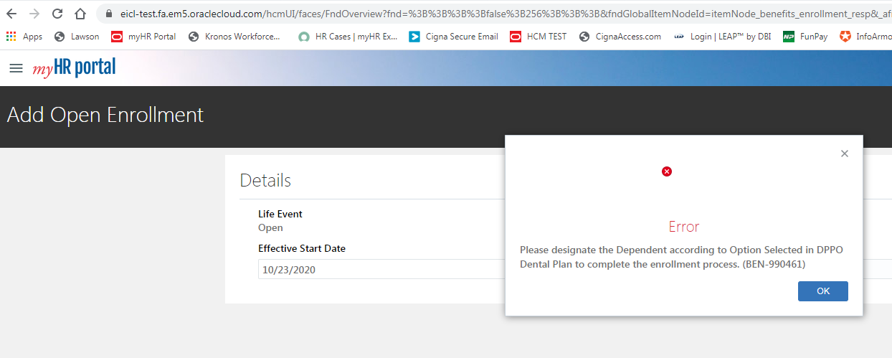 10/19: Not on posts report - on validation with Ignored Benefit Change….Life event already processed. In Lawson, don't see spouse removed. Open LE needs to be deleted from MW and then needs to be reprocessed. 10/21: Dep Spouse was removed, but Waive Vol Spouse Life failed to post | Y
260A | Lanita | Remove Dependent due to Divorce (enroll in Waive Spouse Life) | >Delete Open LE from Middleware & Lawson >Add Life Event named: Remove Dependent due to Divorce effective in 2020 changing the tier from EE+Family to EE+Children >Enroll in Waive Voluntary Spouse Life>Review >Following day Reprocess Open - ensure Spouse is not added>Review |  | 101001511 | 412350 | PASS | 2020-10-22 | LM |  | Y
270 |  | Remove Spouse or Dependent due to a Life Event after OE but After the Year End | > Open enrollment is over and the Open life event is closed, effective future date 01/01/2020 > In self-serve the employee removes spouse from the 2019 plan as a Remove Spouse Life event retroactive because we are already in 2020. > When they edit the 2019 benefit in HCM, the 2020 Open Enrollment automatically goes into an Unprocessed state. (note that these benefits are already in Lawson and possibly have been send to Cigna, etc) > The Remove Dependent (examples: Death, Divorce, Birth moving to other plan) plan is certified. > In the changes file we will get a stop and start for 2019 benefit since this is a tier change. > The unprocessed Open Life event won't be in the file. > Ben Admin will reprocess the Open Enrollment Life event which is currently in Unprocessed state > If the employee did not change plans Open Life Event will default to the new Life Event EE only. > If the employee did change plans ( e.g. CDHP to HMO) Will default to the CHDP (2019 plan) and require manual changes, or Open event must be voided and completely re-entered. The Benefits Office could extend the window to allow this particular employee to edit/review the Open Enrollment Life Event. to remove the Spouse and have to re-enter all the plans because one of the plans changed. > All Open Life Event plans will be in the change file. | Since the Benefit is NOT future dated, if no YTD deductions on the plan, the integration will update the coverage option and add the spouse. If there are YTD deductions Lawson will not allow changes to the plan. The posts will fail. Handled manually in Lawson and with IT assist in the middleware. |  |  | NOT TESTING
280 | Sonia | Remove Dependent due to Death (Tier change EE+spouse to EE) - Test Configuration Change | Add Life Event named: Remove Dependent due to Death Effective in 2020 changing the tier from EE+Spouse to EE only. | > The stop date for the dependent is the same as for the employee. > No post errors. | 101000108 | 416418 | PASS | 2020-10-19 | SC | 10/20: follow up with TCS why received new deduction start with Remove Dep LE for DI plans | Y
300 |  | New Hires
310 | Lianne P. | Hired - After OE Processed - benefit Start Date in Jan of Following Year | > HCM Event will be "New Hire - Non Exec" - eff 10/14/20 > New Hire Self-Service will display the rates for 2020 > No Open Enrollment Event in HCM >Trigger New Hire Detected eff 10/14/2020 >New Hire Non-Exec Enrollment Window Started (see next year's rates) >Enrolled: CHDP, DHMO emp+spouse, HSA family $2500, vol life 1x, vol spouse 35,000 - (not showing rates for Vol Spouse eff 1/12/21 - added spouse DOB, backed out & reprocessed LE). Processed & closed on 10/19. | > Changes file will have the New Hire Life Event > Open Enrollment Event will not occur for 2020 | 106006485 | 422509 | F - New Hire | 2020-10-15 | LP | 10/19: review again to see if benefits come across, possible timing issue
320 | Lianne P. | Hired in December - After OE processed - Benefit Start Date is Immediate | > 2019 New Hire Event automatically created with waives & Defaults > New Hire Event in Changes File > Employee can elect benefits in Self-Serve for up to 30 days, once they elect they cannot change it, they make elections immediately > Elections come over in a changes file > In Evaluation and reporting you can see the New Hire – Exec, Shipboard Transfer or Rehire < 90 days > Ben Admin will enter a 2020 Open Life Event - this is not done automatically > HRIS to obtain a list of New Hires from talent Acquisition ( they get this list every Monday) > HRIS runs a job to create the Open Life Events employees on this list of New Hires > Open processed by the Changes File | > Changes file will have the New Hire Life Event > Open Enrollment Event will be in a post OE Processing Changes File > Open Event in Changes File wil stop the 2019 Benefit in Lawson and middleware AND add the 2020 benefits |  |  | NOT TESTING |  |  | Not testing-tested reinstate in Changes during Open
330 | Lianne P. | ReHired in December - After OE Processed - benefit Start Date in March of Following Year | > HCM Event will be "CCL Rehire after 90 days - Non Exec" > No Open Enrollment Event in HCM | > Changes file will have the ReHire Life Event > Open Enrollment Event will not occur for 2020 |  |  | NOT TESTING |  |  | Not testing
340 | Lianne P. | ReHired in December - After OE processed - Benefit Start Date is Immediate ( away < 90 days) | Same as 320 | > 2020 Benefits may already be in MW and Lawson if the person came back really quickly < 10 days or so. > Since future dated, if there is a plan change will delete and add otherwise will update. Normal changes processing will apply. |  |  | NOT TESTING |  |  | Not testing
400 |  | Benefit Recalculation
410 | HRIS | Benefit Recalculation Events for all Employees Effective Jan 2nd | > Sometime in December after all the salary updates are done, run a process in HCM to create the Benefit Recalculation Life Event for all employees. > Stop of 1/1 , start of 1/2 for all applicable plans (life insurance etc. not all plans) > These stops and starts will come over in a big change file and processed using existing logic to stop and start. | Big Change File will include the stops as of 1/1 and the starts as of 1/2 for applicable benefits. Per Leeba this is not the case - we will just get one record |  |  | In Progress | 2020-10-27
420 | HRIS | Ben Recalcuation for an employee with a life event in Suspense | will not be recalculated - will need to get a report of these |  |  |  | In Progress | 2020-10-27
500 |  | Promotions
510 | HRIS | Promoted after open enrollment processed with impact to insurance and disability plans and medical plans. | >Promoted from Director to Sr Vp - Edit Employee Promotion in HCM eff 10/12/2020 >Trigger CCL Position Chg - Detected 10/12/2020 - rvw tomorrow >Change of Position to Executive - Enrollment window started. Open backed out, plans waived (see this year's rates for Exec plans). Waive Medical & Dental plans came across eff 10/12. >Enrolled in Exec plans and processed & closed 10/19 - review after integration runs >Need to reprocess Open |  | 101000147 | 415837 | PASS | 2020-10-15 | LP | 10/19:Validation Failed due to error “Ignored because higher life event is already processed” --Prior Life Event with Benefit Stop Date should not be ignored. Review the code. - AJ 10/21: Follow up with TCS why received DI plans with new start date for LE & RS plans with Open LE end-dated 12/31 | Y
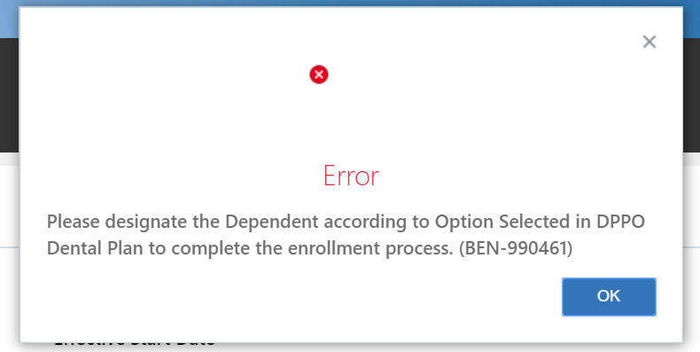
520 | HRIS | Promoted after open enrollment processed with impact to insurance and disability plans. | >Promoted to Director - Edit Employee Promotion in HCM eff 10/12/2020 >Trigger CCL Position Chg - Detected 10/12/2020 - rvw tomorrow >PM to Dir/Dem from Dir - Enrollment window started. Open backed out, LTD/STD have 10/12 cov start date. >PM to Dir/Dem from Dir was processed & closed on 10/16 (need to review when integration runs to see if Dir plans post, 5001 & 5003) >Need to reprocess Open |  | 106005949 | 422503 | F - Retested may be Prod issue | 2020-10-15 | LP | 10/19: review again once integration runs to see if Life Event comes across. Didn't receive PM record
520A | HRIS | Promoted after open enrollment processed with impact to insurance and disability plans. | >Delete Open LE from Middleware & Lawson >Promoted to Director - Edit Employee Promotion in HCM eff 10/19/2020 >Trigger CCL Position Chg - Detected 10/19/2020 - processed >PM to Dir/Dem from Dir - Enrollment window started. Open backed out, LTD/STD have 10/19 cov start date. >PM to Dir/Dem from Dir was processed & closed on 10/22 (need to review when integration runs to see if Dir plans post, 5001 & 5003) >Following day Reprocess Open |  | 101002314 | 403713 | F- may be Prod issue | 2020-10-22 | LP | 10/27: David S provided PM list - reviewed some emps and disability plans were not updated in Lawson. Abhishek to see what came across on the files.
600 |  | Age Out
610 | Lanita | Age Out without Tier Change | > When Open Enrollment Full file is generated the Aged out Dependents will be dropped > Not a tier change we will not get a stop for the Participant, we should get a stop for the aged out dependent. | If we we do a mass stop in Lawson - so we stop an aged out dependent - there won't be a HIPAA reason, if we get a stop from HCM it will have Open|Age Out Flag | 101000234 | 410588 | F - TCS incident | 2020-10-16 | LM | 10/19: Emp was on default benefit error report, follow up with TCS to see why aged-out dependent is still appearing on plans. Review 2021 posts tomorrow - no chgs rcvd. TCS INC1217134. 10/23: Error to process OPEN for emp. See error below | N
620 | Lanita | Age Out without Tier Change - Exec**Need to update Dependent DOB first to perform test case | >Dep Child S Jarvis age will be changed to 30 >Open LE was backed out and reprocessed and marked as closed (dep child wasn't attached)- review integration |  | 101003680 | 999574 | PASS | 2020-10-16 | LM | 10/22: Review to see if Open received on incremental file | Y
630 | Lanita | Age Out with Tier Change | > When Open Enrollment Full file is generated the Aged out Dependents will be dropped. This is also true for Open events in the changes file. > this results in a tier change there will be a stop/start. |  | 101000458 | 406219 | PASS | 2020-10-16 | LM |  | Y
640 | Lanita | Age Out with Tier Change - Exec | > Dep Child A D'Amico will be changed to 30 >Open LE was backed out and reprocssed and marked as closed (dep child wasn't attached) - review integration |  | 101000493 | 975513 | PASS | 2020-10-16 | LM | 10/22: Review to see if Open received on incremental file | Y
700 |  | Wellness | NOTE: Before OE Life Event is generated for the Entire population Wellness flag must be updated. Wellness flag updated in HCM by HRIS with an mass upload
710 |  | Change the Wellness Flag backdated to 01/01/2020 | > If there is an error and the wellness flag must be fixed. > OE Event must be reprocessed | The entire Open Life Event in the file |  |  | NOT TESTING
720 |  | Change the Wellness Flag effective date the error or omission is being update in HCM | > If there is an error and the wellness flag must be fixed. > the change file will have a new deduction start date | Processed as with any changes file deduction start date due to wellness flag. No OE Life Event in the Changes file Only affected plan is in the changes file. |  |  | NOT TESTING

