Figures
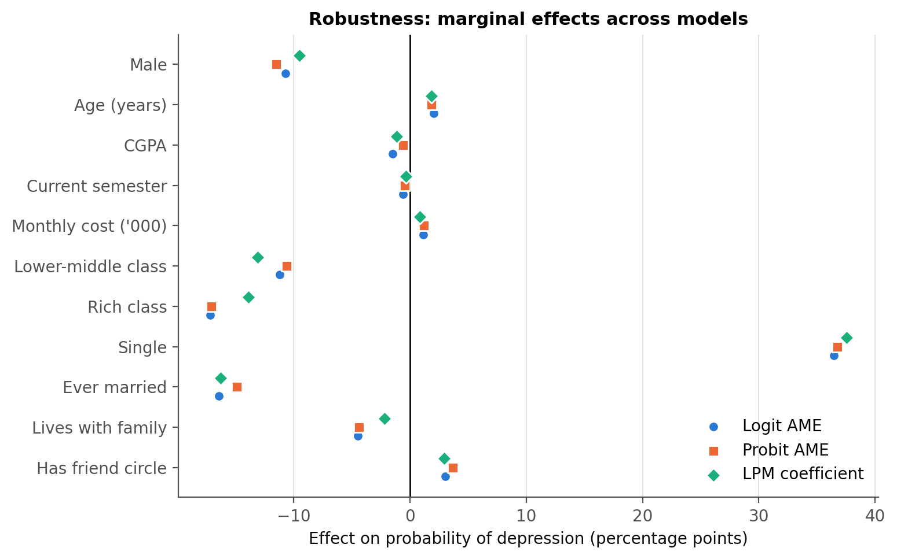
Charts produced by the analysis notebook

fig01_depression_distribution
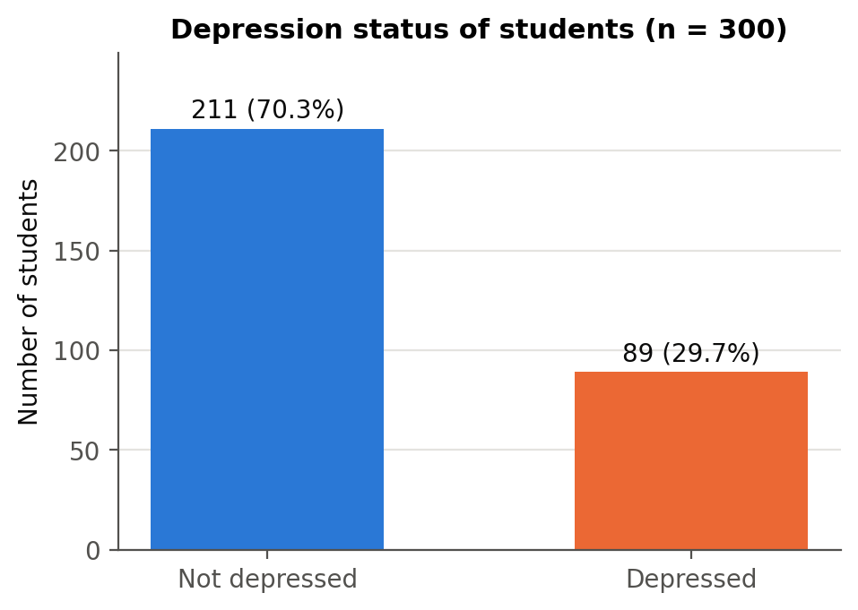

fig02_rates_by_group
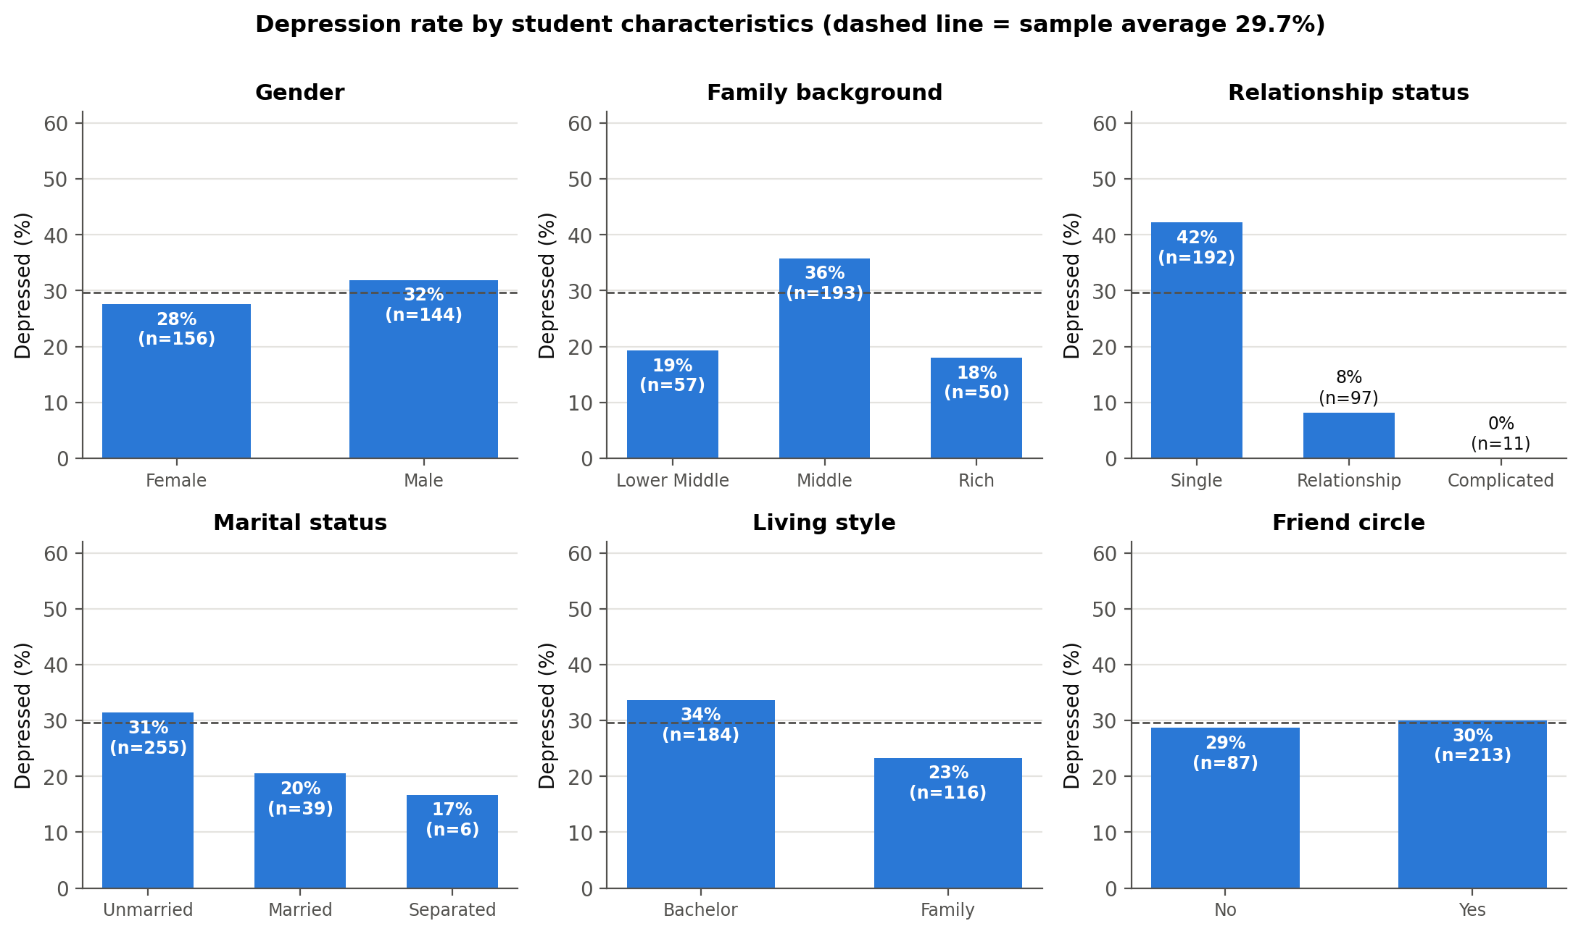

fig03_health_condition
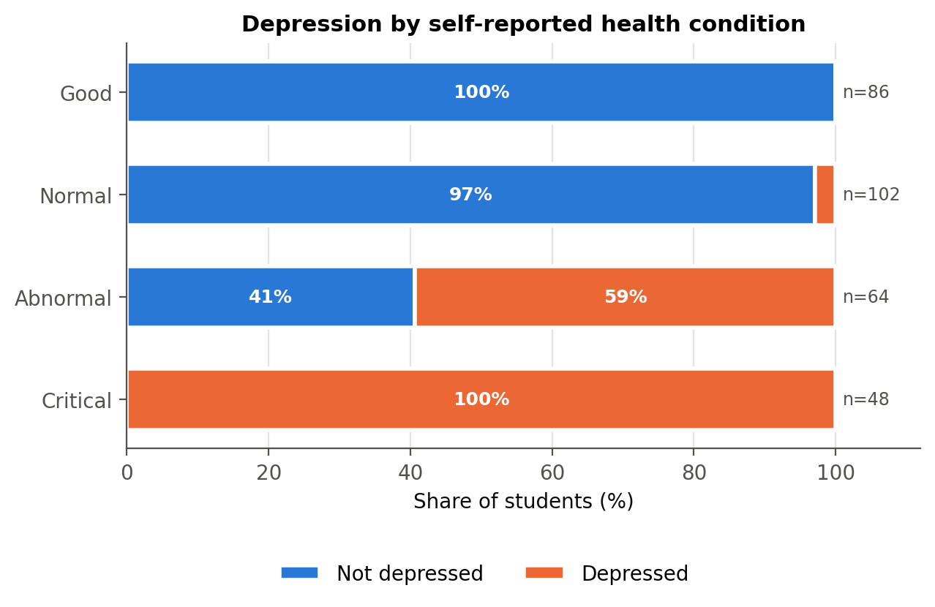

fig04_numeric_by_depression
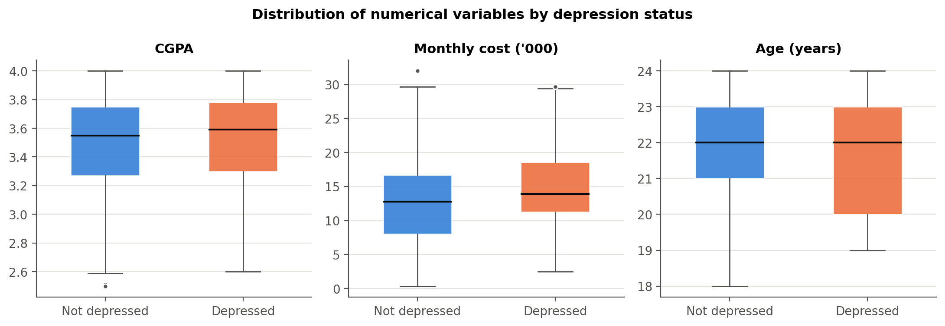

fig05_rate_by_age_semester
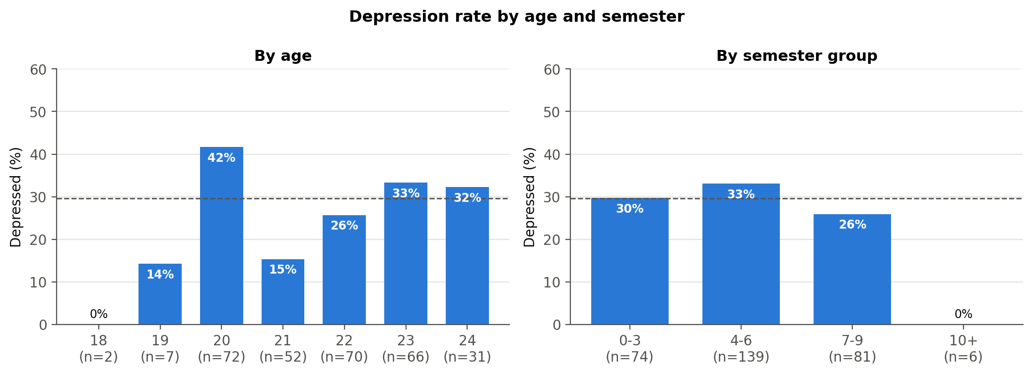

fig06_correlation_matrix
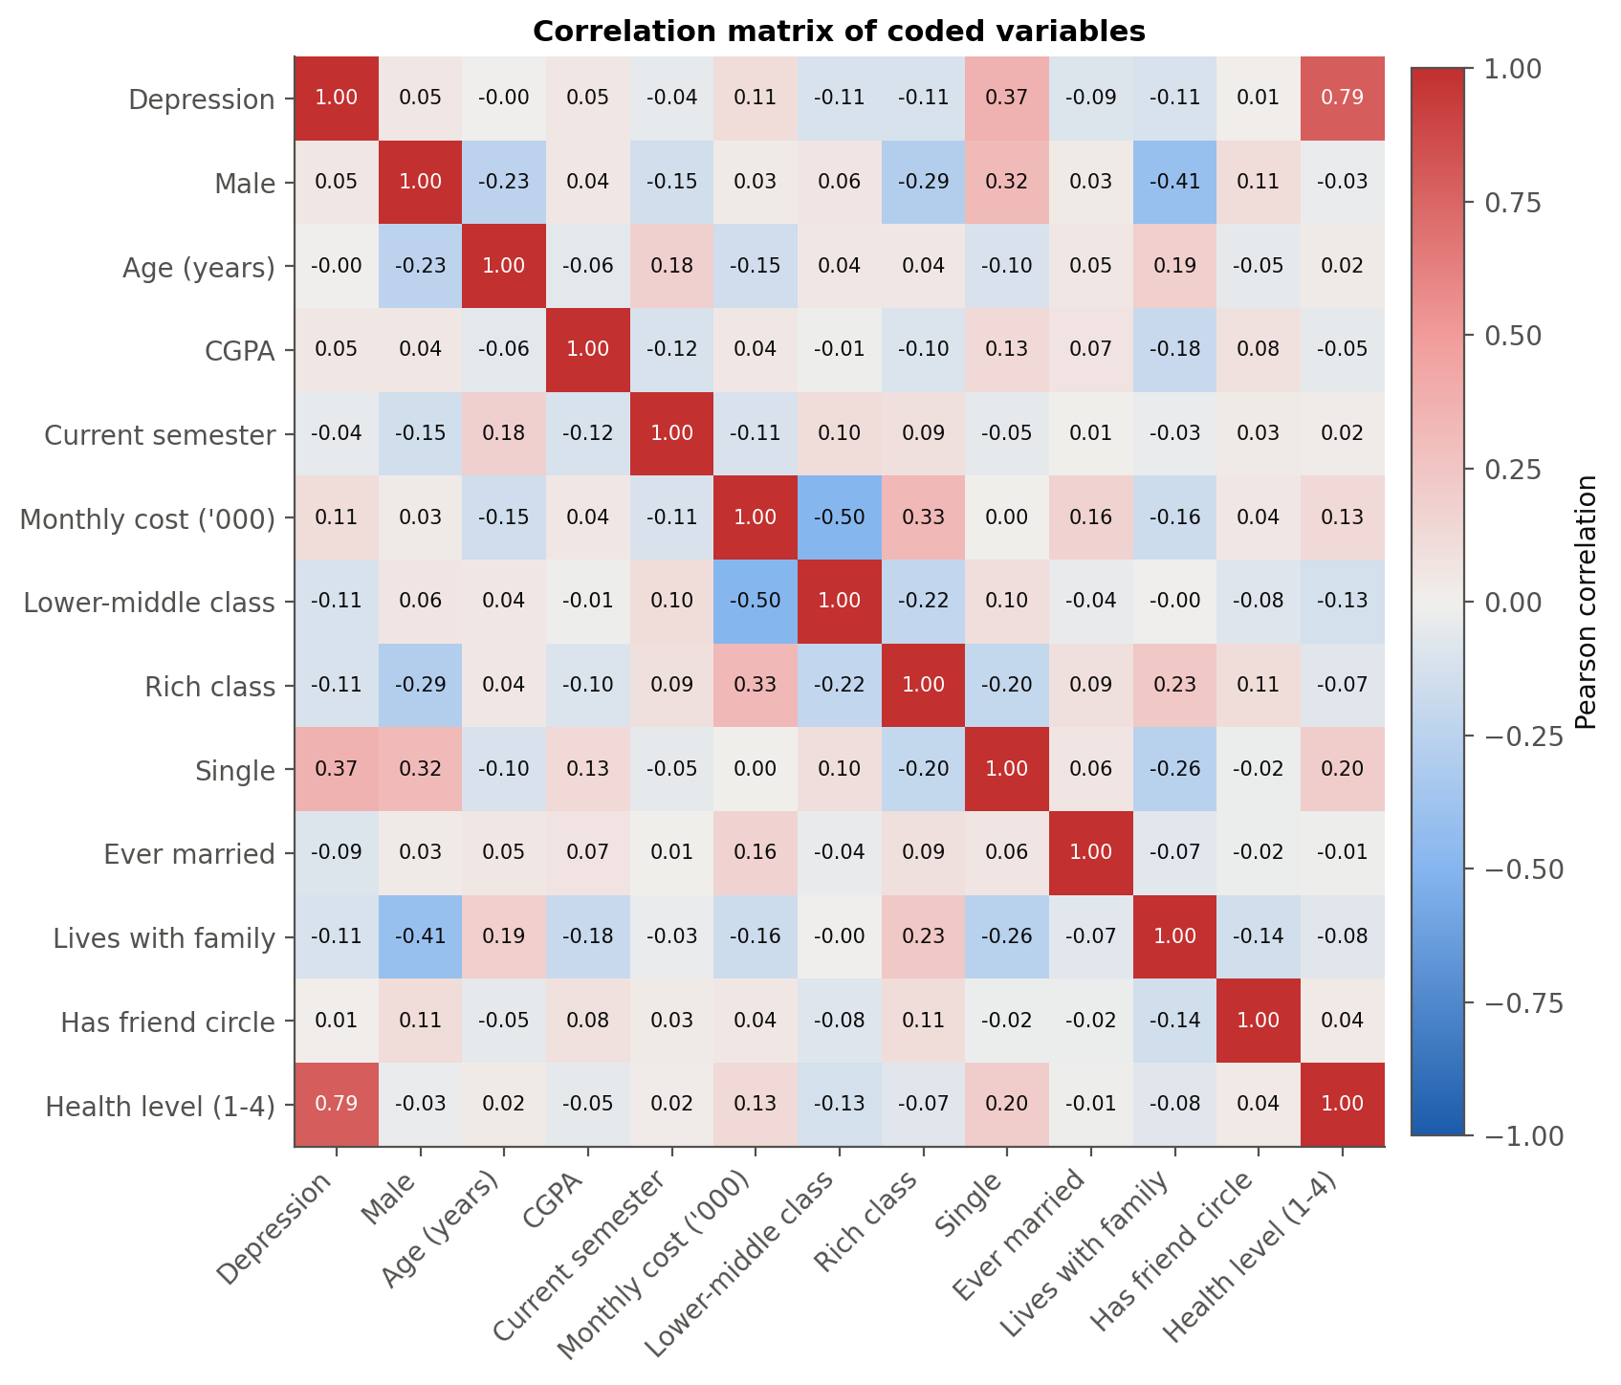

fig07_logit_odds_ratios
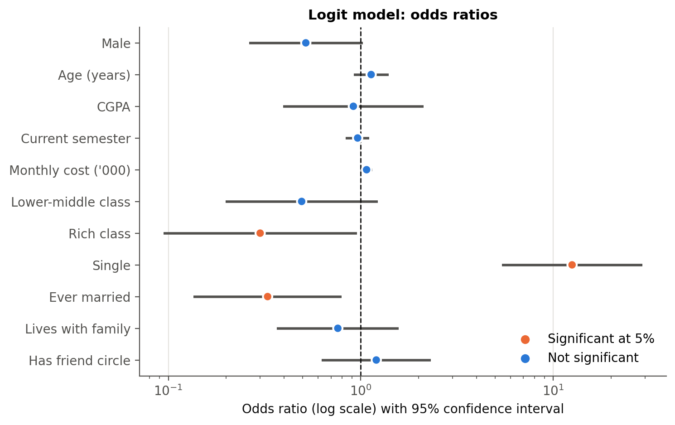

fig08_logit_marginal_effects
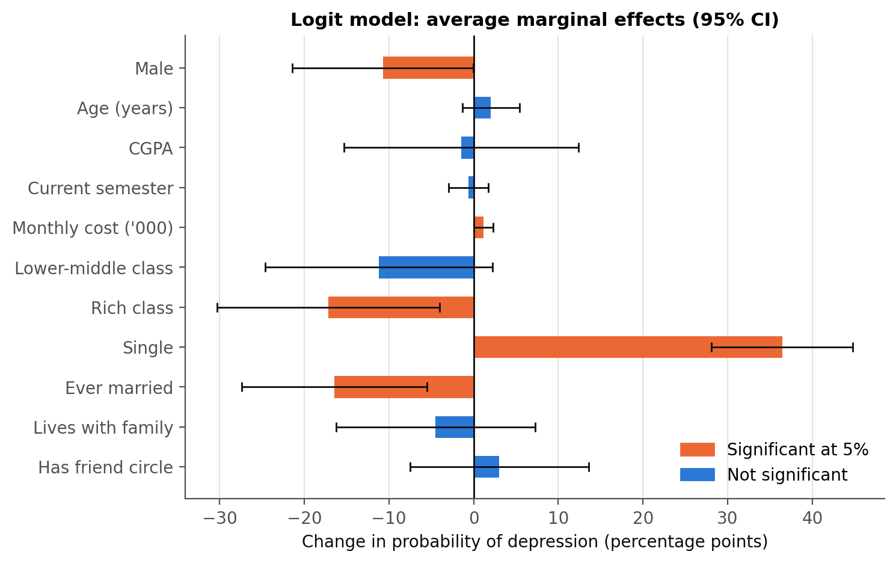

fig09_roc_curves
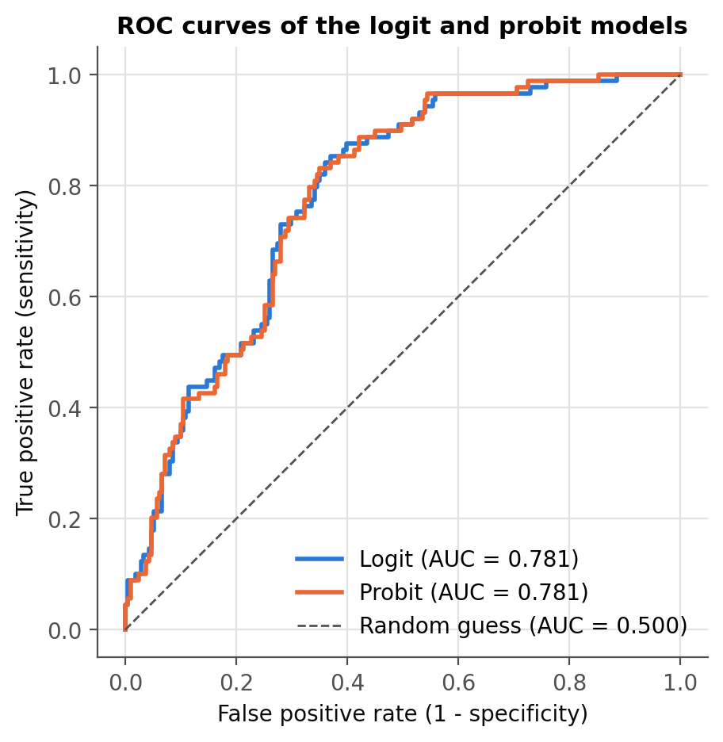

fig10_predicted_probability_cgpa
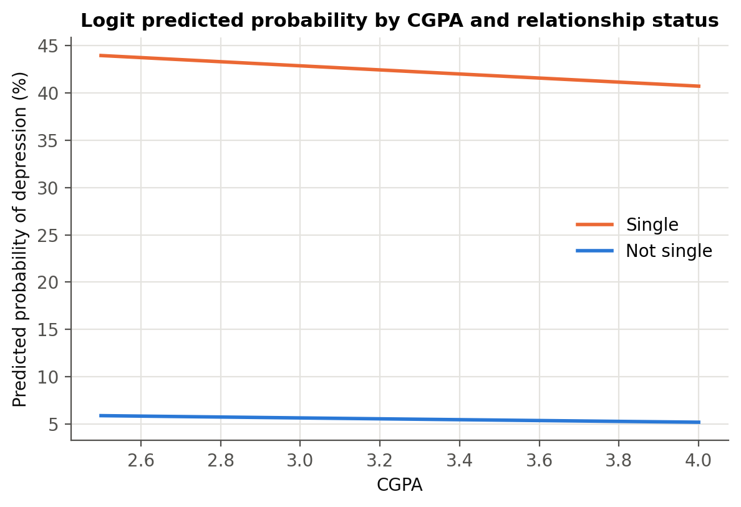

fig11_robustness_comparison

