WEEK 1 ANALYSIS
Date | Facebook Ad Clicks | Facebook Ad Conversions
2019-01-01 | 18 | 8 | Mean Facebook Ad Clicks | 44.05
2019-01-02 | 36 | 12 | Median Facebook Ad Clicks | 43.00 | Number of Conversions: | 1 to 5 | 6 to 10 | 11 to 15 | 16+
2019-01-03 | 26 | 8 | Mode Facebook Ad Clicks | 36.00 | Number of Occurences: | 1 | 128 | 189 | 47
2019-01-04 | 27 | 9
2019-01-05 | 15 | 7 | Mean Facebook Ad Conversions | 11.74
2019-01-06 | 37 | 10 | Median Facebook Ad Conversions | 12.00
Facebook Ad Conversions vs Clicks
2019-01-07 | 49 | 15 | Mode Facebook Ad Conversions | 13.00
2019-01-08 | 49 | 12
2019-01-09 | 36 | 12 | Standard Deviation Facebook Ad Clicks | 12.14
2019-01-10 | 41 | 13 | Standard Deviation Facebook Ad Conversions | 2.92
2019-01-11 | 51 | 14
2019-01-12 | 56 | 14
2019-01-13 | 48 | 12
2019-01-14 | 42 | 11
2019-01-15 | 56 | 12
2019-01-16 | 31 | 7 | Correlation Coefficient | 0.87
2019-01-17 | 28 | 10
2019-01-18 | 40 | 13
2019-01-19 | 30 | 8
2019-01-20 | 50 | 13
2019-01-21 | 33 | 8
2019-01-22 | 46 | 12
2019-01-23 | 28 | 10
2019-01-24 | 43 | 12
2019-01-25 | 52 | 13
2019-01-26 | 24 | 6
2019-01-27 | 45 | 11
2019-01-28 | 55 | 13
2019-01-29 | 43 | 11
2019-01-30 | 28 | 11
2019-01-31 | 31 | 7
2019-02-01 | 25 | 9
2019-02-02 | 26 | 7
2019-02-03 | 25 | 10
2019-02-04 | 56 | 13
2019-02-05 | 41 | 11
2019-02-06 | 34 | 9
2019-02-07 | 31 | 10
2019-02-08 | 41 | 13
2019-02-09 | 41 | 13
2019-02-10 | 35 | 12
2019-02-11 | 29 | 9
2019-02-12 | 54 | 16
2019-02-13 | 40 | 10
2019-02-14 | 31 | 8
2019-02-15 | 42 | 10
2019-02-16 | 26 | 7
2019-02-17 | 31 | 10
2019-02-18 | 31 | 9
2019-02-19 | 48 | 11
2019-02-20 | 34 | 11
2019-02-21 | 32 | 8
2019-02-22 | 48 | 11
2019-02-23 | 28 | 7
2019-02-24 | 51 | 14
2019-02-25 | 44 | 11
2019-02-26 | 35 | 12
2019-02-27 | 55 | 15
2019-02-28 | 54 | 12
2019-03-01 | 46 | 12
2019-03-02 | 57 | 15
2019-03-03 | 28 | 8
2019-03-04 | 40 | 11
2019-03-05 | 43 | 13
2019-03-06 | 51 | 14
2019-03-07 | 44 | 13
2019-03-08 | 24 | 10
2019-03-09 | 29 | 9
2019-03-10 | 22 | 5
2019-03-11 | 59 | 15
2019-03-12 | 43 | 10
2019-03-13 | 61 | 17
2019-03-14 | 54 | 15
2019-03-15 | 39 | 9
2019-03-16 | 33 | 8
2019-03-17 | 32 | 9
2019-03-18 | 59 | 17
2019-03-19 | 28 | 10
2019-03-20 | 37 | 12
2019-03-21 | 48 | 11
2019-03-22 | 35 | 11
2019-03-23 | 36 | 11
2019-03-24 | 54 | 12
2019-03-25 | 41 | 10
2019-03-26 | 40 | 13
2019-03-27 | 36 | 9
2019-03-28 | 39 | 10
2019-03-29 | 25 | 6
2019-03-30 | 41 | 11
2019-03-31 | 42 | 11
2019-04-01 | 30 | 7
2019-04-02 | 39 | 10
2019-04-03 | 34 | 12
2019-04-04 | 52 | 14
2019-04-05 | 53 | 13
2019-04-06 | 35 | 9
2019-04-07 | 44 | 10
2019-04-08 | 26 | 6
2019-04-09 | 40 | 9
2019-04-10 | 57 | 16
2019-04-11 | 36 | 10
2019-04-12 | 22 | 6
2019-04-13 | 43 | 13
2019-04-14 | 57 | 12
2019-04-15 | 39 | 13
2019-04-16 | 36 | 10
2019-04-17 | 58 | 16
2019-04-18 | 36 | 10
2019-04-19 | 33 | 12
2019-04-20 | 43 | 12
2019-04-21 | 62 | 16
2019-04-22 | 45 | 10
2019-04-23 | 51 | 14
2019-04-24 | 19 | 8
2019-04-25 | 39 | 11
2019-04-26 | 59 | 15
2019-04-27 | 53 | 16
2019-04-28 | 36 | 11
2019-04-29 | 31 | 7
2019-04-30 | 21 | 6
2019-05-01 | 52 | 11
2019-05-02 | 54 | 15
2019-05-03 | 35 | 8
2019-05-04 | 48 | 12
2019-05-05 | 53 | 16
2019-05-06 | 25 | 7
2019-05-07 | 25 | 7
2019-05-08 | 58 | 17
2019-05-09 | 41 | 9
2019-05-10 | 47 | 13
2019-05-11 | 34 | 10
2019-05-12 | 42 | 13
2019-05-13 | 33 | 9
2019-05-14 | 54 | 12
2019-05-15 | 44 | 12
2019-05-16 | 50 | 15
2019-05-17 | 59 | 17
2019-05-18 | 23 | 9
2019-05-19 | 59 | 13
2019-05-20 | 36 | 10
2019-05-21 | 42 | 10
2019-05-22 | 29 | 7
2019-05-23 | 26 | 7
2019-05-24 | 23 | 6
2019-05-25 | 48 | 13
2019-05-26 | 46 | 14
2019-05-27 | 37 | 12
2019-05-28 | 36 | 9
2019-05-29 | 37 | 8
2019-05-30 | 41 | 11
2019-05-31 | 23 | 9
2019-06-01 | 40 | 13
2019-06-02 | 35 | 11
2019-06-03 | 61 | 16
2019-06-04 | 36 | 9
2019-06-05 | 48 | 13
2019-06-06 | 22 | 7
2019-06-07 | 46 | 14
2019-06-08 | 56 | 15
2019-06-09 | 35 | 8
2019-06-10 | 29 | 11
2019-06-11 | 44 | 10
2019-06-12 | 40 | 13
2019-06-13 | 50 | 13
2019-06-14 | 31 | 9
2019-06-15 | 33 | 9
2019-06-16 | 39 | 11
2019-06-17 | 54 | 16
2019-06-18 | 54 | 14
2019-06-19 | 30 | 7
2019-06-20 | 58 | 17
2019-06-21 | 36 | 10
2019-06-22 | 34 | 10
2019-06-23 | 33 | 9
2019-06-24 | 53 | 12
2019-06-25 | 48 | 12
2019-06-26 | 40 | 9
2019-06-27 | 39 | 9
2019-06-28 | 34 | 12
2019-06-29 | 46 | 11
2019-06-30 | 55 | 13
2019-07-01 | 42 | 10
2019-07-02 | 31 | 7
2019-07-03 | 30 | 7
2019-07-04 | 47 | 12
2019-07-05 | 40 | 13
2019-07-06 | 33 | 10
2019-07-07 | 46 | 12
2019-07-08 | 53 | 15
2019-07-09 | 39 | 11
2019-07-10 | 56 | 12
2019-07-11 | 55 | 12
2019-07-12 | 39 | 11
2019-07-13 | 50 | 14
2019-07-14 | 27 | 6
2019-07-15 | 65 | 18
2019-07-16 | 54 | 12
2019-07-17 | 56 | 15
2019-07-18 | 36 | 10
2019-07-19 | 30 | 10
2019-07-20 | 62 | 17
2019-07-21 | 36 | 10
2019-07-22 | 54 | 13
2019-07-23 | 60 | 13
2019-07-24 | 49 | 11
2019-07-25 | 64 | 17
2019-07-26 | 42 | 13
2019-07-27 | 60 | 13
2019-07-28 | 40 | 13
2019-07-29 | 38 | 12
2019-07-30 | 46 | 12
2019-07-31 | 51 | 14
2019-08-01 | 66 | 16
2019-08-02 | 53 | 13
2019-08-03 | 35 | 8
2019-08-04 | 23 | 10
2019-08-05 | 33 | 8
2019-08-06 | 55 | 15
2019-08-07 | 58 | 14
2019-08-08 | 36 | 11
2019-08-09 | 42 | 12
2019-08-10 | 52 | 14
2019-08-11 | 35 | 10
2019-08-12 | 34 | 8
2019-08-13 | 45 | 12
2019-08-14 | 26 | 9
2019-08-15 | 23 | 7
2019-08-16 | 56 | 16
2019-08-17 | 47 | 10
2019-08-18 | 51 | 13
2019-08-19 | 34 | 8
2019-08-20 | 59 | 14
2019-08-21 | 41 | 11
2019-08-22 | 40 | 9
2019-08-23 | 35 | 11
2019-08-24 | 40 | 12
2019-08-25 | 29 | 10
2019-08-26 | 28 | 9
2019-08-27 | 51 | 15
2019-08-28 | 41 | 10
2019-08-29 | 32 | 8
2019-08-30 | 39 | 11
2019-08-31 | 63 | 15
2019-09-01 | 42 | 10
2019-09-02 | 51 | 13
2019-09-03 | 29 | 7
2019-09-04 | 63 | 18
2019-09-05 | 33 | 11
2019-09-06 | 56 | 15
2019-09-07 | 54 | 16
2019-09-08 | 37 | 11
2019-09-09 | 60 | 13
2019-09-10 | 56 | 15
2019-09-11 | 65 | 18
2019-09-12 | 33 | 9
2019-09-13 | 40 | 9
2019-09-14 | 44 | 12
2019-09-15 | 30 | 10
2019-09-16 | 43 | 13
2019-09-17 | 56 | 14
2019-09-18 | 53 | 15
2019-09-19 | 57 | 14
2019-09-20 | 57 | 14
2019-09-21 | 38 | 9
2019-09-22 | 36 | 8
2019-09-23 | 34 | 8
2019-09-24 | 36 | 12
2019-09-25 | 47 | 12
2019-09-26 | 57 | 16
2019-09-27 | 62 | 17
2019-09-28 | 30 | 8
2019-09-29 | 61 | 16
2019-09-30 | 52 | 14
2019-10-01 | 62 | 17
2019-10-02 | 56 | 12
2019-10-03 | 58 | 16
2019-10-04 | 69 | 19
2019-10-05 | 57 | 13
2019-10-06 | 25 | 9
2019-10-07 | 35 | 9
2019-10-08 | 42 | 9
2019-10-09 | 55 | 15
2019-10-10 | 36 | 11
2019-10-11 | 28 | 8
2019-10-12 | 39 | 10
2019-10-13 | 36 | 8
2019-10-14 | 58 | 13
2019-10-15 | 44 | 11
2019-10-16 | 51 | 12
2019-10-17 | 46 | 14
2019-10-18 | 51 | 11
2019-10-19 | 53 | 13
2019-10-20 | 49 | 13
2019-10-21 | 65 | 16
2019-10-22 | 63 | 18
2019-10-23 | 70 | 17
2019-10-24 | 43 | 11
2019-10-25 | 46 | 13
2019-10-26 | 62 | 13
2019-10-27 | 56 | 12
2019-10-28 | 54 | 16
2019-10-29 | 34 | 10
2019-10-30 | 64 | 18
2019-10-31 | 64 | 18
2019-11-01 | 71 | 16
2019-11-02 | 28 | 10
2019-11-03 | 39 | 11
2019-11-04 | 53 | 13
2019-11-05 | 35 | 9
2019-11-06 | 46 | 11
2019-11-07 | 33 | 8
2019-11-08 | 40 | 11
2019-11-09 | 38 | 13
2019-11-10 | 57 | 12
2019-11-11 | 65 | 16
2019-11-12 | 61 | 14
2019-11-13 | 43 | 11
2019-11-14 | 48 | 12
2019-11-15 | 64 | 17
2019-11-16 | 37 | 12
2019-11-17 | 51 | 11
2019-11-18 | 59 | 14
2019-11-19 | 59 | 16
2019-11-20 | 34 | 9
2019-11-21 | 57 | 12
2019-11-22 | 36 | 10
2019-11-23 | 57 | 16
2019-11-24 | 55 | 16
2019-11-25 | 32 | 8
2019-11-26 | 56 | 12
2019-11-27 | 68 | 15
2019-11-28 | 49 | 11
2019-11-29 | 40 | 11
2019-11-30 | 56 | 13
2019-12-01 | 59 | 17
2019-12-02 | 37 | 11
2019-12-03 | 67 | 18
2019-12-04 | 36 | 9
2019-12-05 | 33 | 8
2019-12-06 | 37 | 10
2019-12-07 | 45 | 12
2019-12-08 | 67 | 15
2019-12-09 | 36 | 9
2019-12-10 | 67 | 14
2019-12-11 | 61 | 15
2019-12-12 | 53 | 13
2019-12-13 | 64 | 14
2019-12-14 | 46 | 13
2019-12-15 | 45 | 11
2019-12-16 | 72 | 16
2019-12-17 | 40 | 11
2019-12-18 | 54 | 13
2019-12-19 | 58 | 13
2019-12-20 | 39 | 12
2019-12-21 | 62 | 13
2019-12-22 | 73 | 18
2019-12-23 | 48 | 12
2019-12-24 | 63 | 17
2019-12-25 | 63 | 18
2019-12-26 | 33 | 12
2019-12-27 | 51 | 13
2019-12-28 | 69 | 18
2019-12-29 | 44 | 13
2019-12-30 | 37 | 8
2019-12-31 | 60 | 17

Week 4
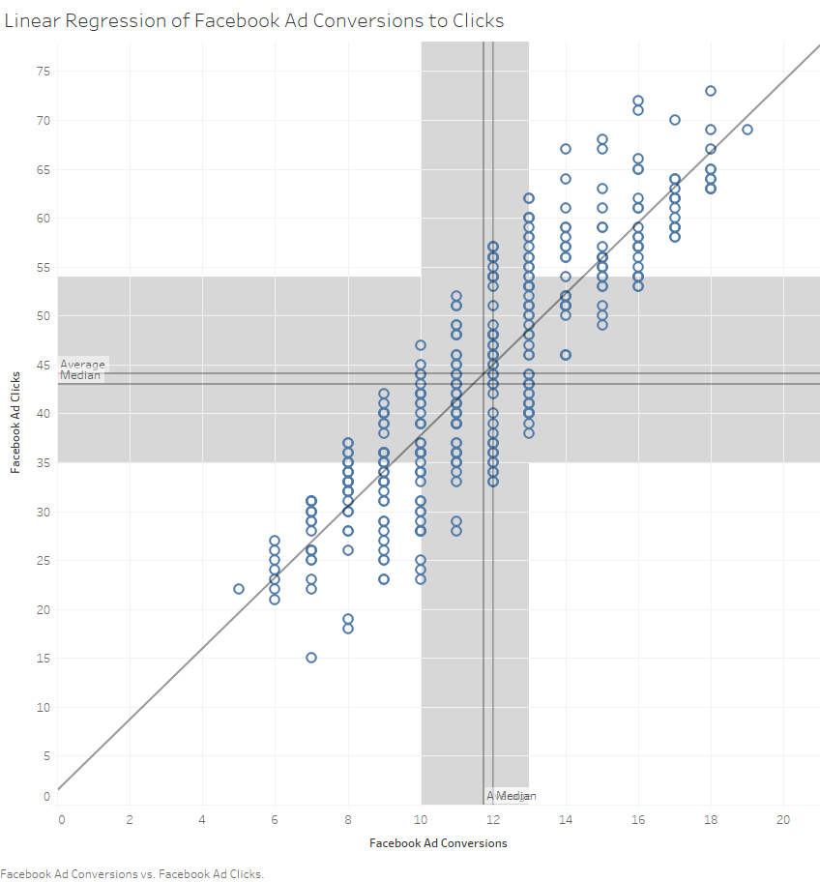

 |  |  |  |  |  |  |  |  | This is a linear regression with average and median highlighted that was made in Tablaeu

SUMMARY OUTPUT

Regression Statistics
Multiple R | 0.87377501486
R Square | 0.7634827766
Adjusted R Square | 0.762831214
Standard Error | 5.9124494233
Observations | 365

ANOVA
 | df | SS | MS | F | Significance F
Regression | 1 | 40961.700208 | 40961.700208 | 1171.7719493 | 1.0864589201E-115
Residual | 363 | 12689.412121 | 34.957058183
Total | 364 | 53651.112329

 | Coefficients | Standard Error | t Stat | P-value | Lower 95% | Upper 95% | Lower 95.0% | Upper 95.0%
Intercept | 1.4597205187 | 1.2820872281 | 1.138550082 | 0.25564169782 | -1.0615304783 | 3.9809715157 | -1.0615304783 | 3.9809715157
Facebook Ad Conversions | 3.6269720044 | 0.1059552925 | 34.231154659 | 1.0864589201E-115 | 3.4186087347 | 3.835335274 | 3.4186087347 | 3.835335274

