Sheet1
Noise STDEV vs Accuracy
noise level |  | with noise | with noise | with noise | with noise | with noise | U | SIGMA | U-norm | Delta |  |  |  |  | σ 0.00 | σ 0.01 | σ 0.02 | σ 0.03 | σ 0.04 | σ 0.05 | σ 0.06 | σ 0.07 | σ 0.08 | σ 0.09 | σ 0.10 |  | mean
0 |  | 68.06 | 68.58 | 67.28 | 69.62 | 65.8 | 67.868 | 1.4348937243 | 67.868 | 5.144 |  |  |  | 0 | 82.78 | 78.55 | 81.69 | 79.2 | 77.28 | 80.85 | 82.01 | 80.91 | 79.66 | 79.03 | 78.63
0.05 |  | 70.08 | 67.52 | 66.42 | 68.32 | 65.3 | 67.528 | 1.8256286588 | 67.528 |  |  |  |  | 0.1 | 79.92 | 78.21 | 81.33 | 79.2 | 77.2 | 80.78 | 82.05 | 81.02 | 79.8 | 79.25 | 78.82
0.1 |  | 68.72 | 66.46 | 67.66 | 69.22 | 66.1 | 67.632 | 1.3626151328 | 67.632 |  |  |  |  | 0.2 | 76.6 | 77.64 | 80.9 | 79.07 | 77.05 | 80.74 | 82.12 | 80.93 | 79.78 | 79.22 | 78.85
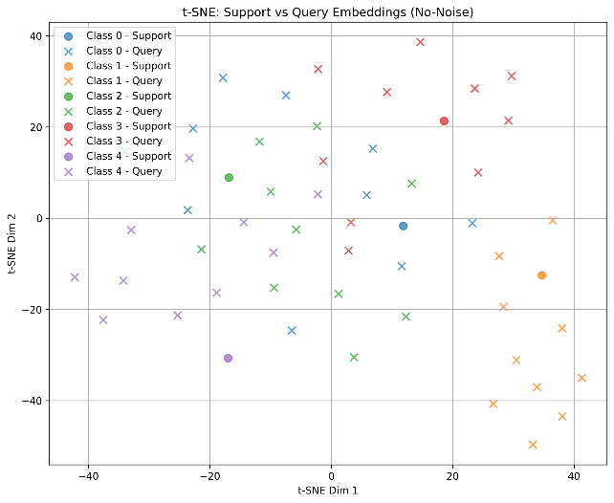
0.15 |  | 68.8 | 68.78 | 67.22 | 69.8 | 67.3 | 68.38 | 1.102814581 | 68.38 |  |  |  |  | 0.3 | 73.49 | 76.94 | 80.25 | 78.93 | 76.98 | 80.75 | 82.03 | 80.93 | 79.66 | 79.23 | 78.82
0.2 |  | 67.22 | 68.28 | 68.08 | 71.94 | 64.7 | 68.044 | 2.6027447051 | 68.044 |  |  |  |  | 0.4 | 70.65 | 76.23 | 79.49 | 78.77 | 76.86 | 80.57 | 81.91 | 80.88 | 79.58 | 79.22 | 78.81
0.25 |  | 68.94 | 67.96 | 68.2 | 69.84 | 67.3 | 68.448 | 0.9743305394 | 68.448 |  |  |  |  | 0.5 | 68.11 | 75.55 | 78.75 | 78.52 | 76.65 | 80.37 | 81.74 | 80.8 | 79.48 | 79.18 | 78.71
0.3 |  | 68.9 | 67.94 | 68.52 | 69.86 | 64.7 | 67.984 | 1.9641995825 | 67.984 |  |  |  |  | 0.6 | 65.88 | 74.82 | 77.98 | 78.26 | 76.42 | 80.13 | 81.57 | 80.7 | 79.42 | 79.1 | 78.61
0.35 |  | 68.06 | 67.52 | 68.12 | 69.54 | 65.5 | 67.748 | 1.4622311719 | 67.748 |  |  |  |  | 0.7 | 63.91 | 74.13 | 77.24 | 77.99 | 76.19 | 79.87 | 81.35 | 80.6 | 79.34 | 79.03 | 78.52
0.4 |  | 69.26 | 67.54 | 68.18 | 70.36 | 65 | 68.068 | 2.0234920311 | 68.068 |  |  |  |  | 0.8 | 62.1 | 73.41 | 76.52 | 77.7 | 75.9 | 79.6 | 81.18 | 80.45 | 79.2 | 78.89 | 78.43
0.45 |  | 67.98 | 68.12 | 68.14 | 69.5 | 65.1 | 67.768 | 1.614410109 | 67.768 |  |  |  |  | 0.9 | 60.5 | 72.68 | 75.83 | 77.39 | 75.63 | 79.34 | 80.97 | 80.3 | 79.07 | 78.78 | 78.27
Effect of Different Noise STDEV Values
0.5 |  | 67.16 | 68.16 | 68.72 | 70.16 | 64.3 | 67.7 | 2.1883326987 | 67.7 |  |  |  |  | 1 | 59.05 | 71.99 | 75.13 | 77.05 | 75.36 | 79.08 | 80.76 | 80.17 | 78.94 | 78.66 | 78.15

 |  | without noise | without noise | without noise | without noise | without noise | U | SIGMA | U-norm
0 |  | 60.6 | 60.52 | 66.78 | 59.98 | 65.74 | 62.724 | 3.2575266691 | 67.868
0.05 |  | 62.16 | 61.44 | 65.44 | 59.38 | 63.24 | 62.332 | 2.2373913381 | 67.476
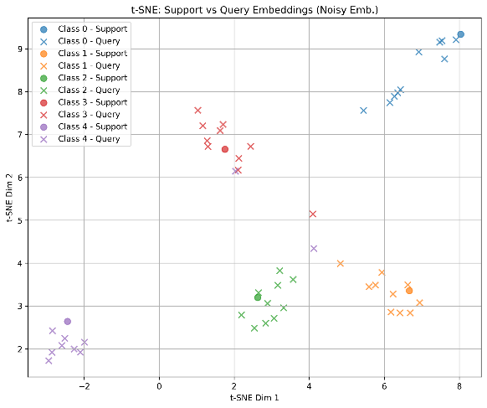
0.1 |  | 59.44 | 60.54 | 63.06 | 59.08 | 59.86 | 60.396 | 1.5851435266 | 65.54
Noise-Aware Training (Omniglot)
0.15 |  | 59.54 | 59.52 | 62.18 | 57.34 | 57.08 | 59.132 | 2.0633274098 | 64.276
0.2 |  | 57.04 | 58.36 | 61.32 | 56.76 | 55.88 | 57.872 | 2.1227152423 | 63.016
0.25 |  | 56.96 | 57.16 | 60.6 | 56.18 | 54.9 | 57.16 | 2.1178762948 | 62.304
0.3 |  | 56.18 | 56.52 | 59.24 | 57.54 | 54.5 | 56.796 | 1.7502799776 | 61.94
0.35 |  | 57.56 | 55.8 | 57.2 | 54.46 | 53.66 | 55.736 | 1.6891062726 | 60.88
0.4 |  | 53.38 | 55.22 | 58.72 | 55.2 | 54.9 | 55.484 | 1.9614994265 | 60.628
0.45 |  | 54.54 | 53.42 | 55.64 | 54.26 | 54.4 | 54.452 | 0.79430472742 | 59.596
0.5 |  | 53.26 | 52.94 | 57.62 | 53.46 | 52.7 | 53.996 | 2.04677307 | 59.14

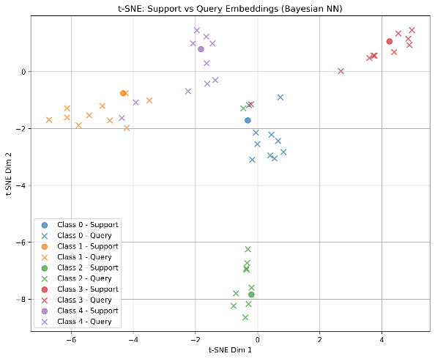
 |  | noise level | w/o Noise injection | w/ Noise injection
 |  | 0 | 67.868 | 67.868
 |  | 0.05 | 67.476 | 67.528
 |  | 0.1 | 65.54 | 67.632
 |  | 0.15 | 64.276 | 68.38
Noise-Aware Training (MNIST)
 |  | 0.2 | 63.016 | 68.044
 |  | 0.25 | 62.304 | 68.448
 |  | 0.3 | 61.94 | 67.984
 |  | 0.35 | 60.88 | 67.748
 |  | 0.4 | 60.628 | 68.068
 |  | 0.45 | 59.596 | 67.768
 |  | 0.5 | 59.14 | 67.7

 |  |  | sigma | sigma
 |  |  | 1.4348937243 | 3.2575266691
 |  |  | 1.8256286588 | 2.2373913381
Noise-Aware Training (Omniglot)
 |  |  | 1.3626151328 | 1.5851435266
 |  |  | 1.102814581 | 2.0633274098
 |  |  | 2.6027447051 | 2.1227152423
 |  |  | 0.9743305394 | 2.1178762948
 |  |  | 1.9641995825 | 1.7502799776
 |  |  | 1.4622311719 | 1.6891062726
 |  |  | 2.0234920311 | 1.9614994265
 |  |  | 1.614410109 | 0.79430472742
 |  |  | 2.1883326987 | 2.04677307
noise level | 0 | 0.1 | 0.2 | 0.3 | 0.4 | 0.5 | 0.6 | 0.7 | 0.8 | 0.9 | 1 |  | omniglot
w/o Noise injection | 89.28 | 87.78 | 85.94 | 84.18 | 82.47 | 80.88 | 79.33 | 77.82 | 76.34 | 74.9 | 73.5
w/ Noise injection | 87.56 | 87.63 | 87.64 | 87.61 | 87.58 | 87.59 | 87.59 | 87.6 | 87.58 | 87.58 | 87.57
w/ Bayesian NN | 77.02 | 76.93 | 76.9 | 76.9 | 76.86 | 76.86 | 76.87 | 76.84 | 76.84 | 76.83 | 76.84
Noise-Aware Training (MNIST)
noise level | 0 | 0.1 | 0.2 | 0.3 | 0.4 | 0.5 | 0.6 | 0.7 | 0.8 | 0.9 | 1 |  | mnist
w/o Noise injection | 91.5 | 90.79 | 89.9 | 88.86 | 87.68 | 86.44 | 85.12 | 83.79 | 82.42 | 81.05 | 79.65
w/ Noise injection | 90.25 | 90.21 | 90.2 | 90.21 | 90.26 | 90.27 | 90.25 | 90.27 | 90.27 | 90.28 | 90.27
w/ Bayesian NN | 87.59 | 87.64 | 87.63 | 87.64 | 87.68 | 87.68 | 87.68 | 87.71 | 87.7 | 87.69 | 87.68

Noise-Aware Training (Omniglot)
noise level | 0 | 0.1 | 0.2 | 0.3 | 0.4 | 0.5 | 0.6 | 0.7 | 0.8 | 0.9 | 1 |  | omniglot
w/o Noise injection | 89.24 | 87.55 | 85.72 | 84.05 | 82.36 | 80.75 | 79.23 | 77.69 | 76.16 | 74.69 | 73.32
w/ Noise injection | 86.74 | 86.69 | 86.76 | 86.75 | 86.72 | 86.69 | 86.69 | 86.69 | 86.7 | 86.73 | 86.72
w/ Bayesian NN | 84.29 | 84.3 | 84.22 | 84.23 | 84.23 | 84.21 | 84.16 | 84.06 | 84.07 | 84.03 | 84.04

noise level | 0 | 0.1 | 0.2 | 0.3 | 0.4 | 0.5 | 0.6 | 0.7 | 0.8 | 0.9 | 1 |  | mnist
w/o Noise injection | 94.37 | 93.51 | 92.54 | 91.3 | 89.92 | 88.44 | 86.86 | 85.09 | 83.26 | 81.42 | 79.57
w/ Noise injection | 89.04 | 89.18 | 89.09 | 89.17 | 89.16 | 89.14 | 89.09 | 89.1 | 89.09 | 89.11 | 89.13
w/ Bayesian NN | 90.7 | 90.92 | 91.02 | 90.97 | 90.99 | 90.98 | 90.93 | 90.88 | 90.83 | 90.79 | 90.76

noise level | 0 | 10 | 20 | 30 | 40 | 50 | 60 | 70 | 80 | 90 | 100 | 110 | 120 | 130 | 140 | 150 | 160 | 170 | 180 | 190 | 200 | 210 | 220 | 230 | 240 | 250 | 260 | 270 | 280 | 290 | 300 | 310 | 320 | 330 | 340 | 350 | 360 | 370 | 380 | 390 | 400 | 410 | 420 | 430 | 440 | 450 | 460 | 470 | 480 | 490 | 500 | 510 | 520 | 530 | 540 | 550 | 560 | 570 | 580 | 590 | 600 | 610 | 620 | 630 | 640 | 650 | 660 | 670 | 680 | 690 | 700 | 710 | 720 | 730 | 740 | 750 | 760 | 770 | 780 | 790 | 800 | 810 | 820 | 830 | 840 | 850 | 860 | 870 | 880 | 890 | 900 | 910 | 920 | 930 | 940 | 950 | 960 | 970 | 980 | 990 | 1000
w/o Noise injection | 89.96 | 55.51 | 43.72 | 37.85 | 34.25 | 31.83 | 30.13 | 28.87 | 27.89 | 27.11 | 26.48 | 25.94 | 25.5 | 25.1 | 24.76 | 24.45 | 24.18 | 23.94 | 23.72 | 23.51 | 23.35 | 23.19 | 23.06 | 22.94 | 22.83 | 22.73 | 22.64 | 22.56 | 22.47 | 22.39 | 22.32 | 22.24 | 22.18 | 22.12 | 22.06 | 22.01 | 21.95 | 21.9 | 21.85 | 21.8 | 21.76 | 21.72 | 21.69 | 21.65 | 21.6 | 21.56 | 21.53 | 21.5 | 21.46 | 21.43 | 21.41 | 21.38 | 21.35 | 21.32 | 21.3 | 21.27 | 21.26 | 21.24 | 21.22 | 21.2 | 21.18 | 21.16 | 21.14 | 21.12 | 21.1 | 21.08 | 21.07 | 21.05 | 21.04 | 21.02 | 21 | 20.99 | 20.97 | 20.95 | 20.94 | 20.93 | 20.92 | 20.91 | 20.9 | 20.89 | 20.88 | 20.87 | 20.85 | 20.84 | 20.84 | 20.82 | 20.81 | 20.8 | 20.79 | 20.79 | 20.78 | 20.77 | 20.76 | 20.76 | 20.75 | 20.74 | 20.73 | 20.73 | 20.72 | 20.72 | 20.71
w/ Noise injection | 94.2 | 93.74 | 93.35 | 92.99 | 92.62 | 92.15 | 91.52 | 90.84 | 89.9 | 88.83 | 87.59 | 86.27 | 84.83 | 83.37 | 81.84 | 80.29 | 78.75 | 77.19 | 75.68 | 74.19 | 72.73 | 71.3 | 69.91 | 68.57 | 67.28 | 66.04 | 64.85 | 63.7 | 62.62 | 61.56 | 60.55 | 59.58 | 58.67 | 57.77 | 56.92 | 56.09 | 55.3 | 54.56 | 53.83 | 53.14 | 52.47 | 51.82 | 51.2 | 50.59 | 50.01 | 49.46 | 48.92 | 48.39 | 47.89 | 47.4 | 46.92 | 46.47 | 46.03 | 45.6 | 45.19 | 44.79 | 44.4 | 44.03 | 43.66 | 43.31 | 42.97 | 42.64 | 42.31 | 42 | 41.69 | 41.39 | 41.1 | 40.82 | 40.55 | 40.28 | 40.02 | 39.76 | 39.51 | 39.27 | 39.03 | 38.8 | 38.57 | 38.36 | 38.14 | 37.93 | 37.72 | 37.52 | 37.33 | 37.14 | 36.95 | 36.77 | 36.59 | 36.41 | 36.24 | 36.07 | 35.9 | 35.74 | 35.58 | 35.43 | 35.27 | 35.12 | 34.98 | 34.83 | 34.69 | 34.55 | 34.41
Noise-Aware Training (MNIST)
w/ Bayesian NN | 87.57 | 87.27 | 86.87 | 86.37 | 85.8 | 85.15 | 84.38 | 83.5 | 82.6 | 81.61 | 80.59 | 79.56 | 78.46 | 77.33 | 76.21 | 75.11 | 73.97 | 72.87 | 71.79 | 70.71 | 69.67 | 68.62 | 67.62 | 66.62 | 65.66 | 64.71 | 63.79 | 62.89 | 62.01 | 61.18 | 60.36 | 59.56 | 58.78 | 58.03 | 57.31 | 56.59 | 55.91 | 55.23 | 54.58 | 53.96 | 53.35 | 52.77 | 52.2 | 51.64 | 51.1 | 50.58 | 50.07 | 49.58 | 49.1 | 48.64 | 48.19 | 47.76 | 47.33 | 46.92 | 46.53 | 46.13 | 45.76 | 45.39 | 45.02 | 44.68 | 44.34 | 44 | 43.68 | 43.36 | 43.06 | 42.76 | 42.46 | 42.17 | 41.89 | 41.62 | 41.36 | 41.1 | 40.85 | 40.6 | 40.36 | 40.12 | 39.89 | 39.67 | 39.45 | 39.24 | 39.02 | 38.82 | 38.62 | 38.42 | 38.23 | 38.04 | 37.85 | 37.66 | 37.48 | 37.31 | 37.14 | 36.97 | 36.8 | 36.64 | 36.48 | 36.32 | 36.17 | 36.01 | 35.87 | 35.72 | 35.58

 |  |  |  |  |  |  |  |  |  |  | 1 | 1.1 | 1.2 | 1.3 | 1.4 | 1.5 | 1.6 | 1.7 | 1.8 | 1.9 | 2 | 2.1 | 2.2 | 2.3 | 2.4 | 2.5 | 2.6 | 2.7 | 2.8 | 2.9 | 3
noise level | 0 | 1 | 2 | 3 | 4 | 5 | 6 | 7 | 8 | 9 | 10 | 12.589254118 | 15.848931925 | 19.95262315 | 25.118864315 | 31.622776602 | 39.810717055 | 50.118723363 | 63.095734448 | 79.432823472 | 100 | 125.89254118 | 158.48931925 | 199.5262315 | 251.18864315 | 316.22776602 | 398.10717055 | 501.18723363 | 630.95734448 | 794.32823472 | 1000
w/o Noise injection | 87.76 | 76.23 | 64.97 | 56.62 | 50.61 | 46.16 | 42.82 | 40.2 | 38.13 | 36.42 | 34.99 | 33.78 | 32.73 | 31.83 | 31.05 | 30.37 | 29.77 | 29.24 | 28.74 | 28.31 | 27.91 | 27.55 | 27.24 | 26.95 | 26.66 | 26.41 | 26.17 | 25.95 | 25.76 | 25.57 | 25.39
w/ Noise injection | 93.68 | 93.66 | 93.62 | 93.61 | 93.55 | 93.45 | 93.4 | 93.35 | 93.33 | 93.31 | 93.23 | 93.18 | 93.1 | 93.03 | 92.94 | 92.83 | 92.69 | 92.48 | 92.17 | 91.7 | 90.99 | 89.95 | 88.57 | 86.87 | 84.95 | 82.92 | 80.87 | 78.86 | 76.94 | 75.09 | 73.35
w/ Bayesian NN | 88.36 | 88.31 | 88.25 | 88.2 | 88.19 | 88.05 | 88.03 | 87.98 | 87.93 | 87.89 | 87.82 | 87.77 | 87.67 | 87.54 | 87.38 | 87.14 | 86.86 | 86.43 | 85.87 | 85.12 | 84.12 | 82.91 | 81.45 | 79.81 | 78.04 | 76.21 | 74.34 | 72.53 | 70.81 | 69.16 | 67.6

