Sheet1
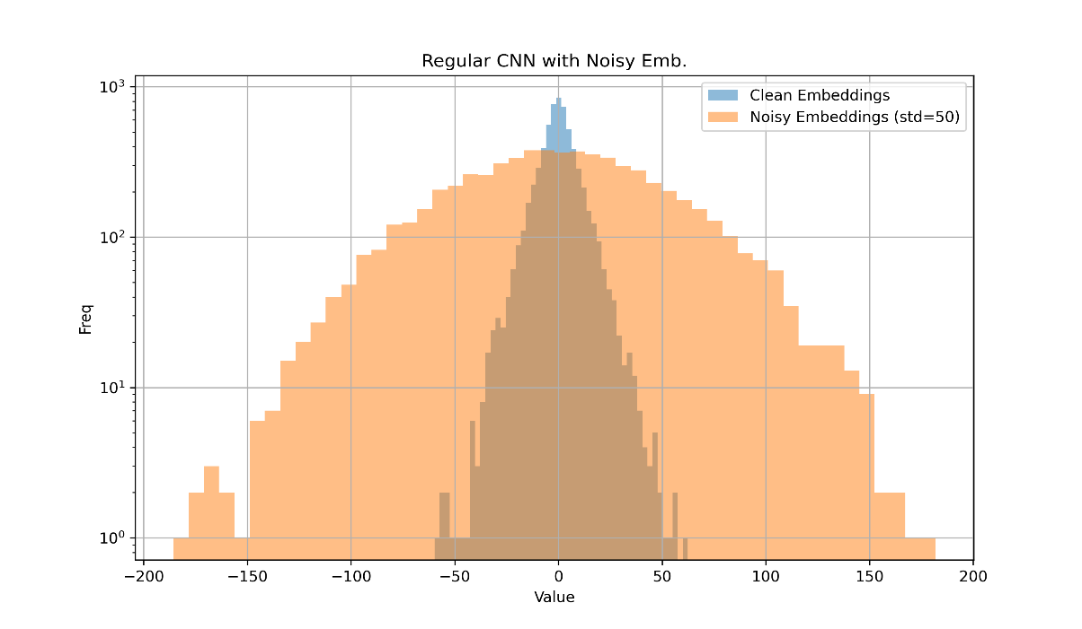
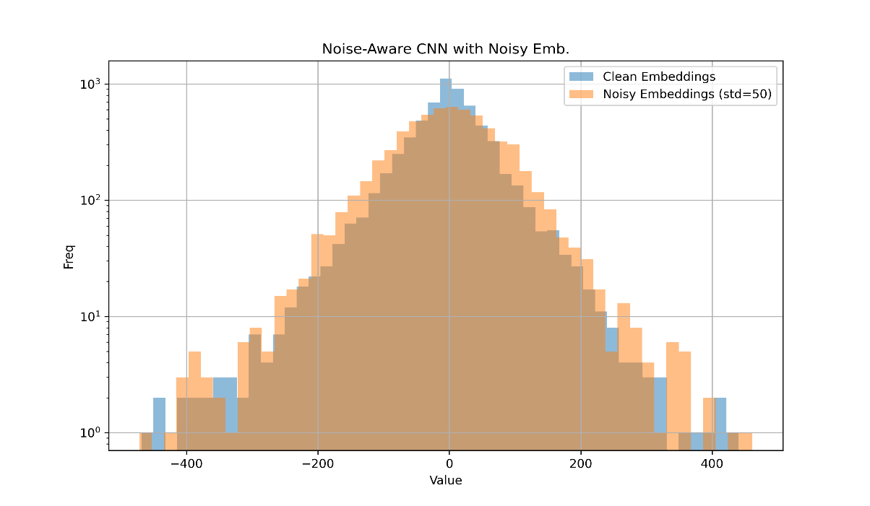
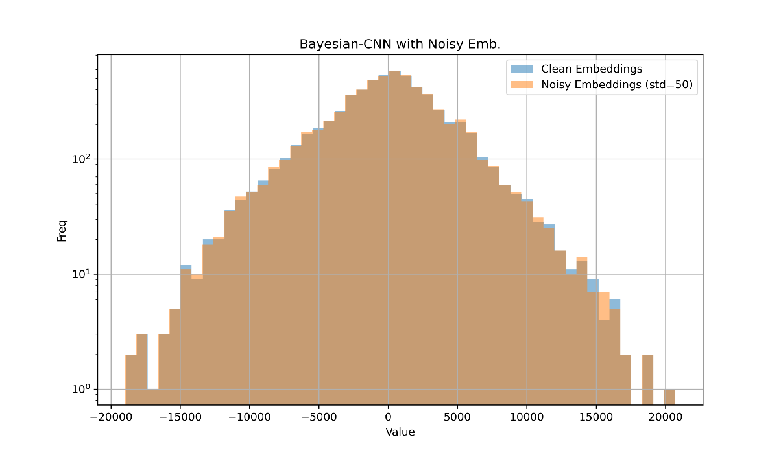
Effect of Different Noise STDEV Values
Noise STDEV vs Accuracy
noise level |  | with noise | with noise | with noise | with noise | with noise | U | SIGMA | U-norm | Delta |  |  |  |  | σ 0.00 | σ 0.01 | σ 0.02 | σ 0.03 | σ 0.04 | σ 0.05 | σ 0.06 | σ 0.07 | σ 0.08 | σ 0.09 | σ 0.10 |  | mean
0 |  | 68.06 | 68.58 | 67.28 | 69.62 | 65.8 | 67.868 | 1.4348937243 | 67.868 | 5.144 |  |  |  | 0 | 82.78 | 78.55 | 81.69 | 79.2 | 77.28 | 80.85 | 82.01 | 80.91 | 79.66 | 79.03 | 78.63
0.05 |  | 70.08 | 67.52 | 66.42 | 68.32 | 65.3 | 67.528 | 1.8256286588 | 67.528 |  |  |  |  | 0.1 | 79.92 | 78.21 | 81.33 | 79.2 | 77.2 | 80.78 | 82.05 | 81.02 | 79.8 | 79.25 | 78.82
0.1 |  | 68.72 | 66.46 | 67.66 | 69.22 | 66.1 | 67.632 | 1.3626151328 | 67.632 |  |  |  |  | 0.2 | 76.6 | 77.64 | 80.9 | 79.07 | 77.05 | 80.74 | 82.12 | 80.93 | 79.78 | 79.22 | 78.85
0.15 |  | 68.8 | 68.78 | 67.22 | 69.8 | 67.3 | 68.38 | 1.102814581 | 68.38 |  |  |  |  | 0.3 | 73.49 | 76.94 | 80.25 | 78.93 | 76.98 | 80.75 | 82.03 | 80.93 | 79.66 | 79.23 | 78.82
0.2 |  | 67.22 | 68.28 | 68.08 | 71.94 | 64.7 | 68.044 | 2.6027447051 | 68.044 |  |  |  |  | 0.4 | 70.65 | 76.23 | 79.49 | 78.77 | 76.86 | 80.57 | 81.91 | 80.88 | 79.58 | 79.22 | 78.81
0.25 |  | 68.94 | 67.96 | 68.2 | 69.84 | 67.3 | 68.448 | 0.9743305394 | 68.448 |  |  |  |  | 0.5 | 68.11 | 75.55 | 78.75 | 78.52 | 76.65 | 80.37 | 81.74 | 80.8 | 79.48 | 79.18 | 78.71
0.3 |  | 68.9 | 67.94 | 68.52 | 69.86 | 64.7 | 67.984 | 1.9641995825 | 67.984 |  |  |  |  | 0.6 | 65.88 | 74.82 | 77.98 | 78.26 | 76.42 | 80.13 | 81.57 | 80.7 | 79.42 | 79.1 | 78.61
0.35 |  | 68.06 | 67.52 | 68.12 | 69.54 | 65.5 | 67.748 | 1.4622311719 | 67.748 |  |  |  |  | 0.7 | 63.91 | 74.13 | 77.24 | 77.99 | 76.19 | 79.87 | 81.35 | 80.6 | 79.34 | 79.03 | 78.52
0.4 |  | 69.26 | 67.54 | 68.18 | 70.36 | 65 | 68.068 | 2.0234920311 | 68.068 |  |  |  |  | 0.8 | 62.1 | 73.41 | 76.52 | 77.7 | 75.9 | 79.6 | 81.18 | 80.45 | 79.2 | 78.89 | 78.43
0.45 |  | 67.98 | 68.12 | 68.14 | 69.5 | 65.1 | 67.768 | 1.614410109 | 67.768 |  |  |  |  | 0.9 | 60.5 | 72.68 | 75.83 | 77.39 | 75.63 | 79.34 | 80.97 | 80.3 | 79.07 | 78.78 | 78.27
0.5 |  | 67.16 | 68.16 | 68.72 | 70.16 | 64.3 | 67.7 | 2.1883326987 | 67.7 |  |  |  |  | 1 | 59.05 | 71.99 | 75.13 | 77.05 | 75.36 | 79.08 | 80.76 | 80.17 | 78.94 | 78.66 | 78.15

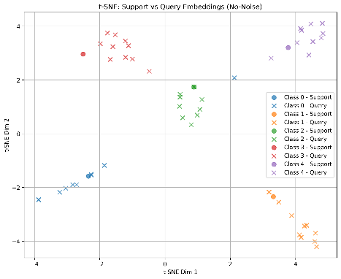
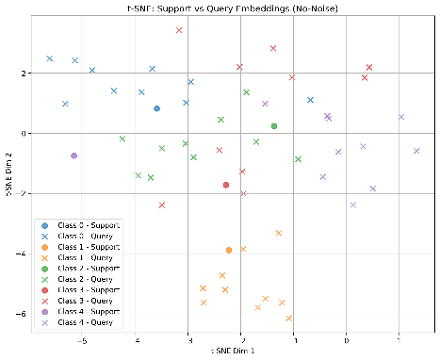
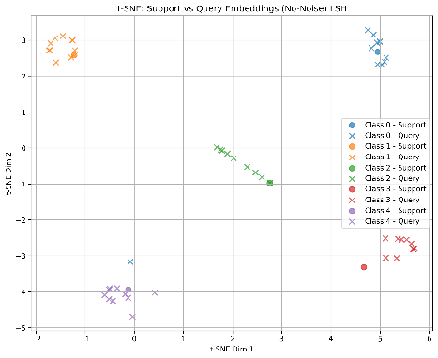
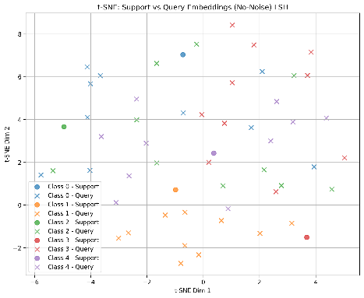
 |  | without noise | without noise | without noise | without noise | without noise | U | SIGMA | U-norm
0 |  | 60.6 | 60.52 | 66.78 | 59.98 | 65.74 | 62.724 | 3.2575266691 | 67.868
0.05 |  | 62.16 | 61.44 | 65.44 | 59.38 | 63.24 | 62.332 | 2.2373913381 | 67.476
0.1 |  | 59.44 | 60.54 | 63.06 | 59.08 | 59.86 | 60.396 | 1.5851435266 | 65.54
Noise-Aware Training (Omniglot)
0.15 |  | 59.54 | 59.52 | 62.18 | 57.34 | 57.08 | 59.132 | 2.0633274098 | 64.276
0.2 |  | 57.04 | 58.36 | 61.32 | 56.76 | 55.88 | 57.872 | 2.1227152423 | 63.016
0.25 |  | 56.96 | 57.16 | 60.6 | 56.18 | 54.9 | 57.16 | 2.1178762948 | 62.304
0.3 |  | 56.18 | 56.52 | 59.24 | 57.54 | 54.5 | 56.796 | 1.7502799776 | 61.94
0.35 |  | 57.56 | 55.8 | 57.2 | 54.46 | 53.66 | 55.736 | 1.6891062726 | 60.88
0.4 |  | 53.38 | 55.22 | 58.72 | 55.2 | 54.9 | 55.484 | 1.9614994265 | 60.628
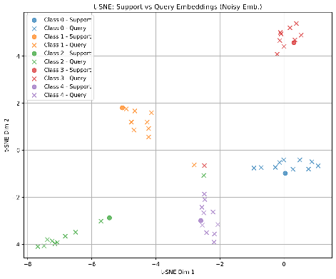
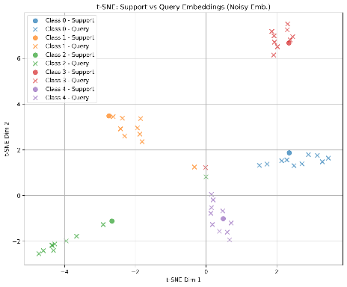
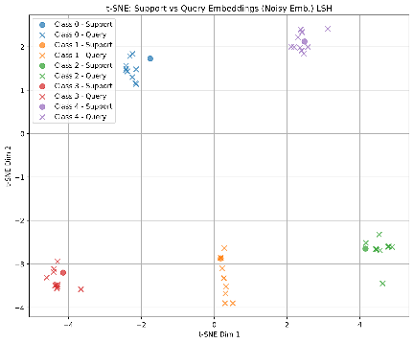
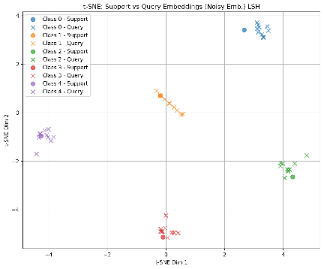
0.45 |  | 54.54 | 53.42 | 55.64 | 54.26 | 54.4 | 54.452 | 0.79430472742 | 59.596
0.5 |  | 53.26 | 52.94 | 57.62 | 53.46 | 52.7 | 53.996 | 2.04677307 | 59.14

 |  | noise level | w/o Noise injection | w/ Noise injection
 |  | 0 | 67.868 | 67.868
 |  | 0.05 | 67.476 | 67.528
 |  | 0.1 | 65.54 | 67.632
 |  | 0.15 | 64.276 | 68.38
Noise-Aware Training (MNIST)
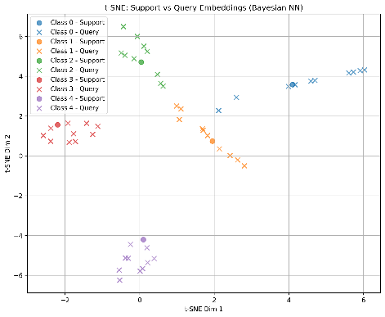
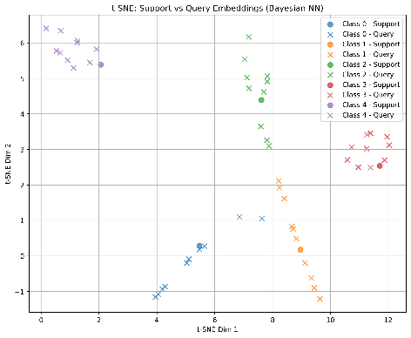
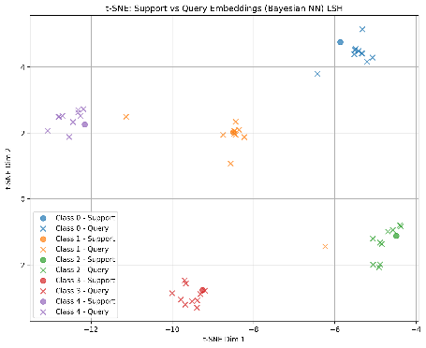
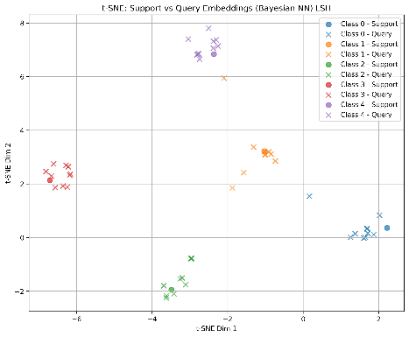
 |  | 0.2 | 63.016 | 68.044
 |  | 0.25 | 62.304 | 68.448
 |  | 0.3 | 61.94 | 67.984
 |  | 0.35 | 60.88 | 67.748
 |  | 0.4 | 60.628 | 68.068
 |  | 0.45 | 59.596 | 67.768
 |  | 0.5 | 59.14 | 67.7

 |  |  | sigma | sigma
 |  |  | 1.4348937243 | 3.2575266691
 |  |  | 1.8256286588 | 2.2373913381
Noise-Aware Training (Omniglot)
 |  |  | 1.3626151328 | 1.5851435266
 |  |  | 1.102814581 | 2.0633274098
 |  |  | 2.6027447051 | 2.1227152423
 |  |  | 0.9743305394 | 2.1178762948
 |  |  | 1.9641995825 | 1.7502799776
 |  |  | 1.4622311719 | 1.6891062726
 |  |  | 2.0234920311 | 1.9614994265
 |  |  | 1.614410109 | 0.79430472742
 |  |  | 2.1883326987 | 2.04677307
noise level | 0 | 0.1 | 0.2 | 0.3 | 0.4 | 0.5 | 0.6 | 0.7 | 0.8 | 0.9 | 1 |  | omniglot
Baseline | 89.28 | 87.78 | 85.94 | 84.18 | 82.47 | 80.88 | 79.33 | 77.82 | 76.34 | 74.9 | 73.5
Noise Aware | 87.56 | 87.63 | 87.64 | 87.61 | 87.58 | 87.59 | 87.59 | 87.6 | 87.58 | 87.58 | 87.57
Bayesian NN | 77.02 | 76.93 | 76.9 | 76.9 | 76.86 | 76.86 | 76.87 | 76.84 | 76.84 | 76.83 | 76.84
Noise-Aware Training (MNIST)
noise level | 0 | 0.1 | 0.2 | 0.3 | 0.4 | 0.5 | 0.6 | 0.7 | 0.8 | 0.9 | 1 |  | mnist
Baseline | 91.5 | 90.79 | 89.9 | 88.86 | 87.68 | 86.44 | 85.12 | 83.79 | 82.42 | 81.05 | 79.65
Noise Aware | 90.25 | 90.21 | 90.2 | 90.21 | 90.26 | 90.27 | 90.25 | 90.27 | 90.27 | 90.28 | 90.27
Bayesian NN | 87.59 | 87.64 | 87.63 | 87.64 | 87.68 | 87.68 | 87.68 | 87.71 | 87.7 | 87.69 | 87.68

noise level | 0 | 0.1 | 0.2 | 0.3 | 0.4 | 0.5 | 0.6 | 0.7 | 0.8 | 0.9 | 1 |  | omniglot
Baseline | 89.24 | 87.55 | 85.72 | 84.05 | 82.36 | 80.75 | 79.23 | 77.69 | 76.16 | 74.69 | 73.32 |  | less kl
Noise Aware | 86.74 | 86.69 | 86.76 | 86.75 | 86.72 | 86.69 | 86.69 | 86.69 | 86.7 | 86.73 | 86.72
Bayesian NN | 84.29 | 84.3 | 84.22 | 84.23 | 84.23 | 84.21 | 84.16 | 84.06 | 84.07 | 84.03 | 84.04
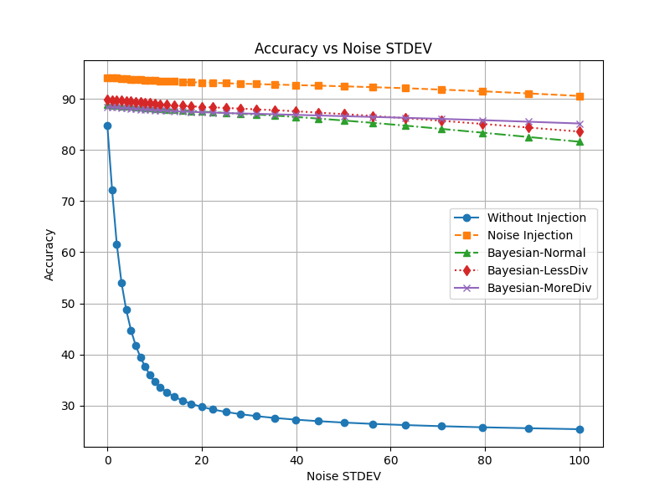
noise level | 0 | 0.1 | 0.2 | 0.3 | 0.4 | 0.5 | 0.6 | 0.7 | 0.8 | 0.9 | 1 |  | mnist
Baseline | 94.37 | 93.51 | 92.54 | 91.3 | 89.92 | 88.44 | 86.86 | 85.09 | 83.26 | 81.42 | 79.57 |  | less kl
Noise Aware | 89.04 | 89.18 | 89.09 | 89.17 | 89.16 | 89.14 | 89.09 | 89.1 | 89.09 | 89.11 | 89.13
Noise-Aware Training (Omniglot)
Bayesian NN | 90.7 | 90.92 | 91.02 | 90.97 | 90.99 | 90.98 | 90.93 | 90.88 | 90.83 | 90.79 | 90.76

 |  |  |  |  |  |  |  |  |  |  | 1 | 1.1 | 1.2 | 1.3 | 1.4 | 1.5 | 1.6 | 1.7 | 1.8 | 1.9 | 2 | 2.1 | 2.2 | 2.3 | 2.4 | 2.5 | 2.6 | 2.7 | 2.8 | 2.9 | 3
noise level | 0 | 1 | 2 | 3 | 4 | 5 | 6 | 7 | 8 | 9 | 10 | 12.589254118 | 15.848931925 | 19.95262315 | 25.118864315 | 31.622776602 | 39.810717055 | 50.118723363 | 63.095734448 | 79.432823472 | 100 | 125.89254118 | 158.48931925 | 199.5262315 | 251.18864315 | 316.22776602 | 398.10717055 | 501.18723363 | 630.95734448 | 794.32823472 | 1000
Baseline | 87.76 | 76.23 | 64.97 | 56.62 | 50.61 | 46.16 | 42.82 | 40.2 | 38.13 | 36.42 | 34.99 | 33.78 | 32.73 | 31.83 | 31.05 | 30.37 | 29.77 | 29.24 | 28.74 | 28.31 | 27.91 | 27.55 | 27.24 | 26.95 | 26.66 | 26.41 | 26.17 | 25.95 | 25.76 | 25.57 | 25.39
Noise Aware | 93.68 | 93.66 | 93.62 | 93.61 | 93.55 | 93.45 | 93.4 | 93.35 | 93.33 | 93.31 | 93.23 | 93.18 | 93.1 | 93.03 | 92.94 | 92.83 | 92.69 | 92.48 | 92.17 | 91.7 | 90.99 | 89.95 | 88.57 | 86.87 | 84.95 | 82.92 | 80.87 | 78.86 | 76.94 | 75.09 | 73.35
Bayesian NN | 88.36 | 88.31 | 88.25 | 88.2 | 88.19 | 88.05 | 88.03 | 87.98 | 87.93 | 87.89 | 87.82 | 87.77 | 87.67 | 87.54 | 87.38 | 87.14 | 86.86 | 86.43 | 85.87 | 85.12 | 84.12 | 82.91 | 81.45 | 79.81 | 78.04 | 76.21 | 74.34 | 72.53 | 70.81 | 69.16 | 67.6

