Data Format(Arduino)
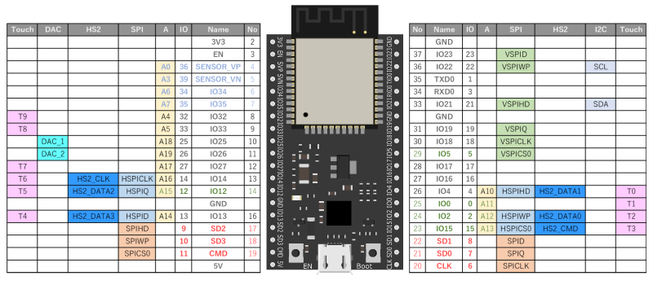
13-Nov-20
Ituski Onishi

Backhow command sequence desige.

goal | ch1 - ch6 (forward / backward speed command -> 12ch pulse )

Baud Rate | 115200 bps

COMMAND BYTE SEQUENCE for 1ch Motor
BYTE | MSB |  |  |  |  |  |  | LSB
BIT | 7 | 6 | 5 | 4 | 3 | 2 | 1 | 0 |  |  |  | 0(10) 0%
 | F/B | SPEED |  |  |  |  |  |  |  |  |  | 127(10) 100%

Data Format (6ch motors requires 8 byte)
 | uint8_t |  |  |  |  |  |  |  |  | uint8_t
 | 7 | 6 | 5 | 4 | 3 | 2 | 1 | 0 | 7 | 6 | 5 | 4 | 3 | 2 | 1 | 0 | 7 | 6 | 5 | 4 | 3 | 2 | 1 | 0 | 7 | 6 | 5 | 4 | 3 | 2 | 1 | 0 | 7 | 6 | 5 | 4 | 3 | 2 | 1 | 0 | ・・・ | 7 | 6 | 5 | 4 | 3 | 2 | 1 | 0 | 7 | 6 | 5 | 4 | 3 | 2 | 1 | 0
 | START BYTE |  |  |  |  |  |  |  | F/B | SPEED |  |  |  |  |  |  | F/B | SPEED |  |  |  |  |  |  | F/B | SPEED |  |  |  |  |  |  | F/B | SPEED |  |  |  |  |  |  | ・・・ | F/B | SPEED |  |  |  |  |  |  | PARITY BYTE
 |  |  |  |  |  |  |  |  | 1ch |  |  |  |  |  |  |  | 2ch |  |  |  |  |  |  |  | 3ch |  |  |  |  |  |  |  | 4ch |  |  |  |  |  |  |  |  | 6ch

 | START BYTE = 0x0f
 | PARITY BYTE = Byte(1ch) XOR Byte(2ch) XOR Byte(3ch) XOR **** XOR Byte(6ch)

Target Micro Computer

Arduino ESP32-WROVER-B

Development Environment

Arduino IDE

Pulse Design

Pulse Design (Forward / Backward Design)

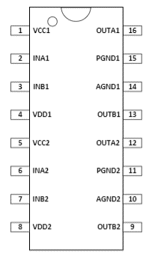
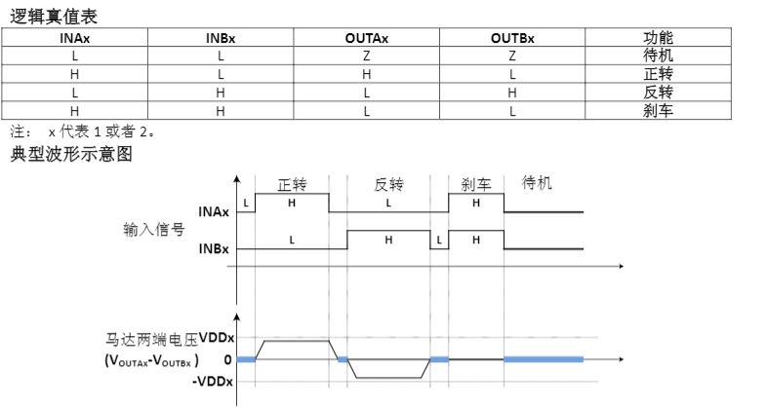
 | 7 | 6 | 5 | 4 | 3 | 2 | 1 | 0 |  | motor driver pins
 | F/B | SPEED |  |  |  |  |  |  |  | INAx
 | 0
 |  |  |  |  |  |  |  |  |  | INBx |  | always L

 | 7 | 6 | 5 | 4 | 3 | 2 | 1 | 0 |  | motor driver pins
 | F/B | SPEED |  |  |  |  |  |  |  | INAx |  | always L
 | 1
 |  |  |  |  |  |  |  |  |  | INBx

 |  |  |  |  |  |  |  |  |  |  |  |  |  | F = 200 Hz (T = 5ms)

List for Forward Direction

 | ch# | name |  | direction
 | ch1 | Boom |  | Lift up
 | ch2 | Arm |  | Strech

Initial State

 | all ch equals to stop (not brake, free)

