Number Pattern
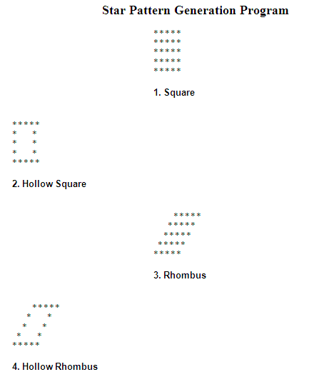
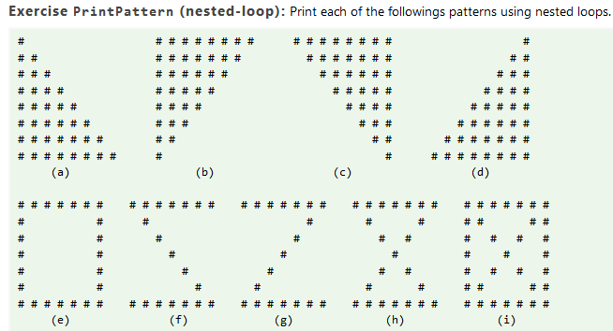
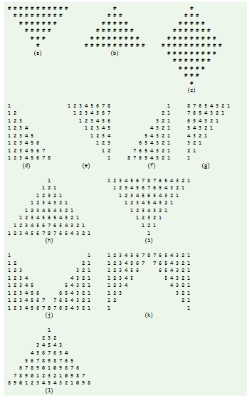

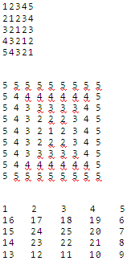

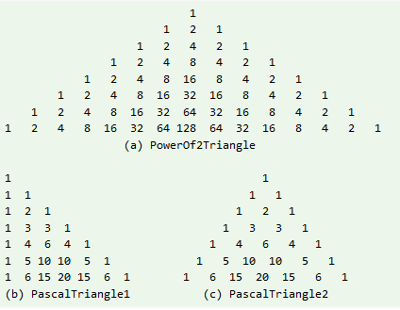

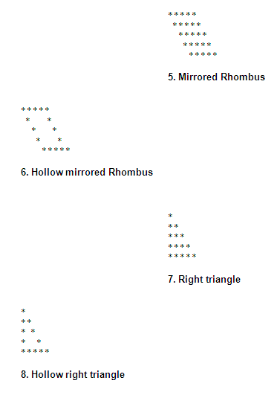

Write a program called CozaLozaWoza which prints the numbers 1 to 110, 11 numbers per line. The program shall print "Coza" in place of the numbers which are multiples of 3, "Loza" for multiples of 5, "Woza" for multiples of 7, "CozaLoza" for multiples of 3 and 5, and so on. The output shall look like: 1 2 Coza 4 Loza Coza Woza 8 Coza Loza 11 Coza 13 Woza CozaLoza 16 17 Coza 19 Loza CozaWoza 22 23 Coza Loza 26 Coza Woza 29 CozaLoza 31 32 Coza

Write a program called HarmonicSum to compute the sum of a harmonic series
Write a program called Fibonacci to display the first 20 Fibonacci numbers F(n), where F(n)=F(n–1)+F(n–2) and F(1)=F(2)=1. Also compute their average.
Tribonacci numbers are a sequence of numbers T(n) similar to Fibonacci numbers, except that a number is formed by adding the three previous numbers, i.e., T(n)=T(n-1)+T(n-2)+T(n-3), T(1)=T(2)=1, and T(3)=2. Write a program called Tribonacci to produce the first twenty Tribonacci numbers.
Write a program called ExtractDigits to extract each digit from an int, in the reverse order. For example, if the int is 15423, the output shall be "3 2 4 5 1", with a space separating the digits.

Swing n Event Handling
Design form that will change background colour of form using thread.
Write JAVA program to display a form with appropriate Swing components: Institute Logo, Institute Name, Title of Employee, Name of Employee, Address, Qualification, Languages known.
Write a program to create GUI using swing components JTabbedPane.
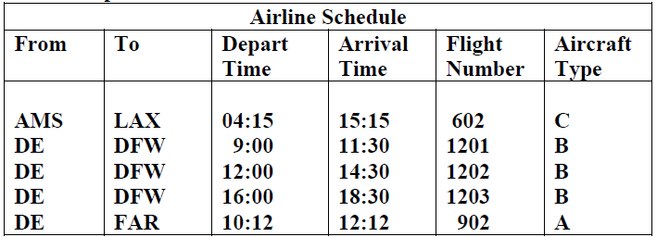 Write a Java program to create the following table and display the details of all flights whose Depart Time is between 04:00 to 13:00
Write a Java program to demonstrate the Jtable of Swing package.
Create an applet with animated bouncing boll using Thread object. The ball should bounce within the applet window.
Write a program to demonstrate CardLayout.
Write a program to demonstrate BorderLayout.
Design form that will change background colour of form using thread.
Write a Java program to demonstrate Anonymous Inner Classes.

