Ark1
Map | Inventory | Quests
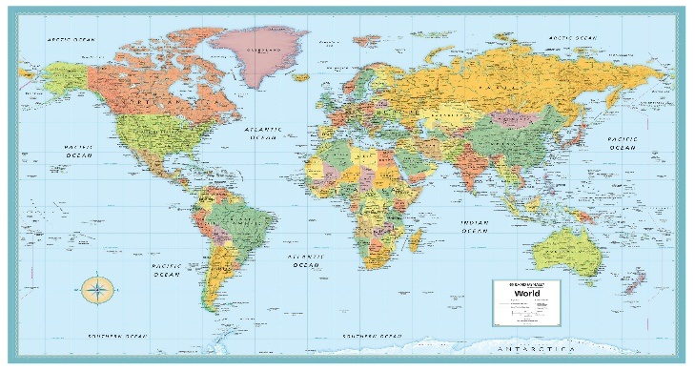


Hello, and welcome to the World! |  |  | Strenght | 10
Enter your name to continue your journey. |  |  | HP | 150
……… |  |  | Energy | 5

Monken Holy |  |  | Enter

