Output
Script Step | Expected Results
3,11 | 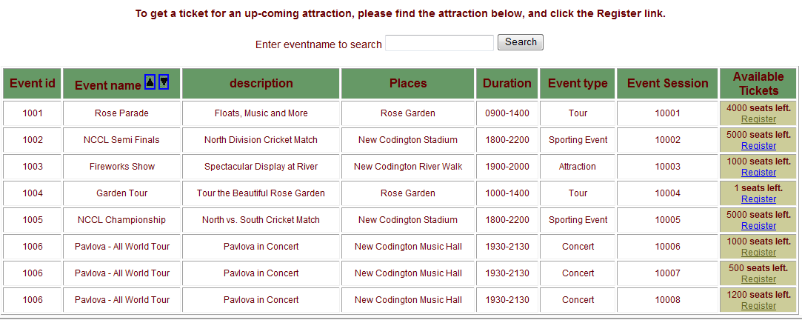
4 | 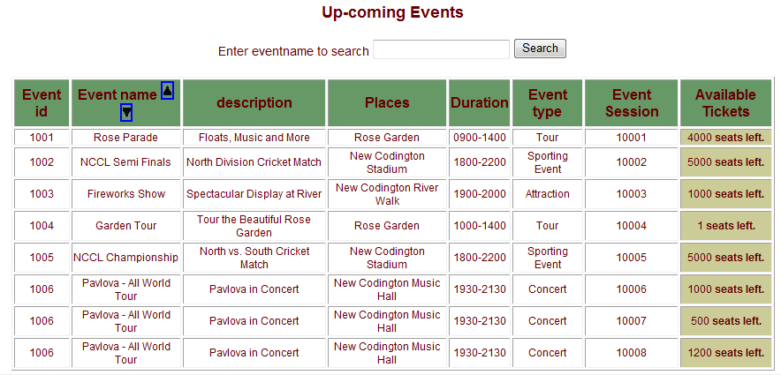
5, 7, 10 | 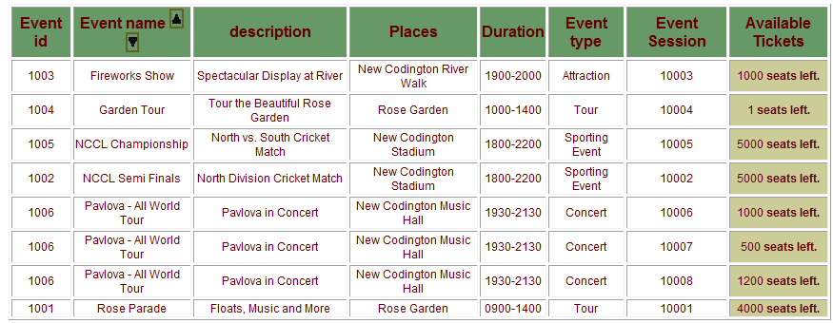
6,8,9,11 | 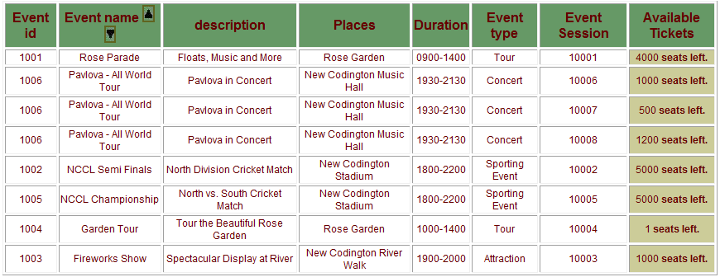
12,14,17
13,15,16

