READ ME
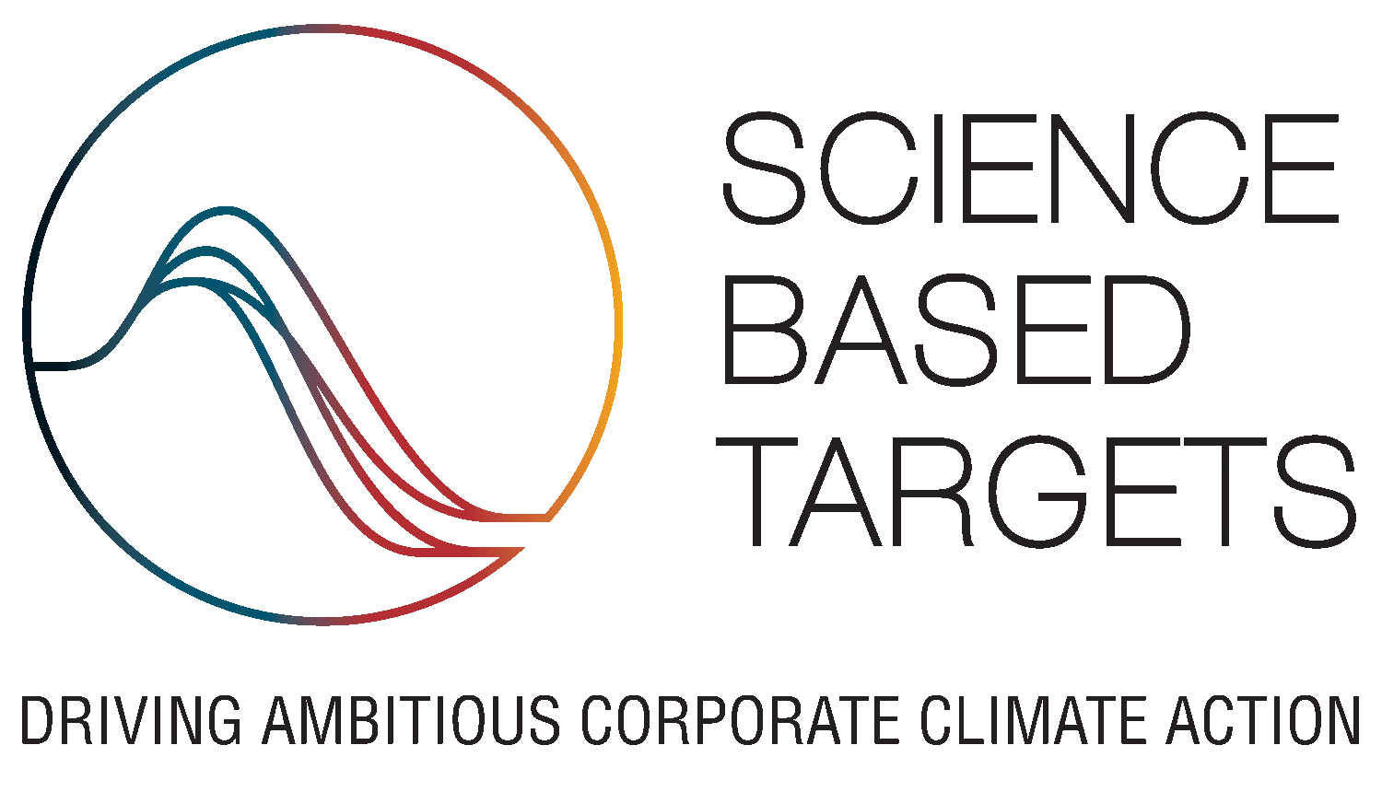
 | Science-based targets progress performance per-company and per-target 31st July 2021

 | Support: | info@sciencebasedtargets.org

IMPORTANT: By using this information you acknowledge that you have read and understood our disclaimer, dataset description and references.

Disclaimer
The data in this file are made available for interested users to understand the performance of the target sample used for the data analysis in the 2021 SBTi Progress Report. The data in the appendix table reflect publicly available information on approved company targets as of July 31st 2021, as reflected in their published target language. Progress data as represented in the report has been reported publicly by companies themselves, and data presented should not be interpreted as confirmation or validation of a company's progress towards or achievement of targets. The data in the appendix table have been assessed based on the data provided by the SBTi from various sources internal to their database, public CDP disclosure data, and data obtained by Accenture from public company reports and other public sources. Accenture was not responsible for verifying and shall not be responsible for the accuracy of any of the data sources, data points, data-driven insights mentioned in the appendix. The contents of this file may be used by anyone provided acknowledgment is given to the authors.

About this dataset
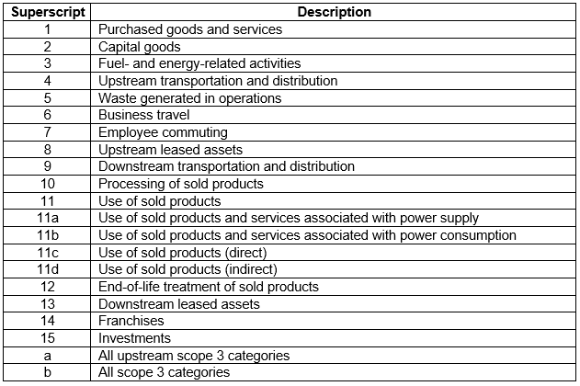 This file contains the results of the progress assessment of SBTi-approved targets as of 31 July 2021, based on publicly disclosed information of progress against targets. This analysis includes 692 companies and 142 small-or-medium sized enterprises (SMEs) that had their near-term targets approved and published on the SBTi website as of 31st July 2021. Resubmissions or voluntary ambition updates that were approved or published after this date were not included in this analysis. In total, 1,705 targets from 834 entities were reviewed as part of the analysis. Note that this dataset includes a few long-term targets that were approved before the release of the Net-Zero Standard. Data valid as of: 31 July 2021 For some scope 3 targets the category is displaid with logig presented in the following table. Note that category 11 is disaggregated in certain cases where companies have set targets covering different portions of the use of sold products. For more information on scope 3 categories, see the Scope 3 Accounting and Reporting Standard (https://ghgprotocol.org/sites/default/files/standards/Corporate-Value-Chain-Accounting-Reporing-Standard_041613_2.pdf)

References
For more information on the methodology, data sources, and results of the SBTi targets progress assessment, consult the 2021 SBTi Progress Report and Appendix. The 2021 Progress Report and Appendix are available on the SBTi website: https://sciencebasedtargets.org/reports/sbti-progress-report-2021. For further questions, contact the general SBTi inbox at info@sciencebasedtargets.org.

