Title
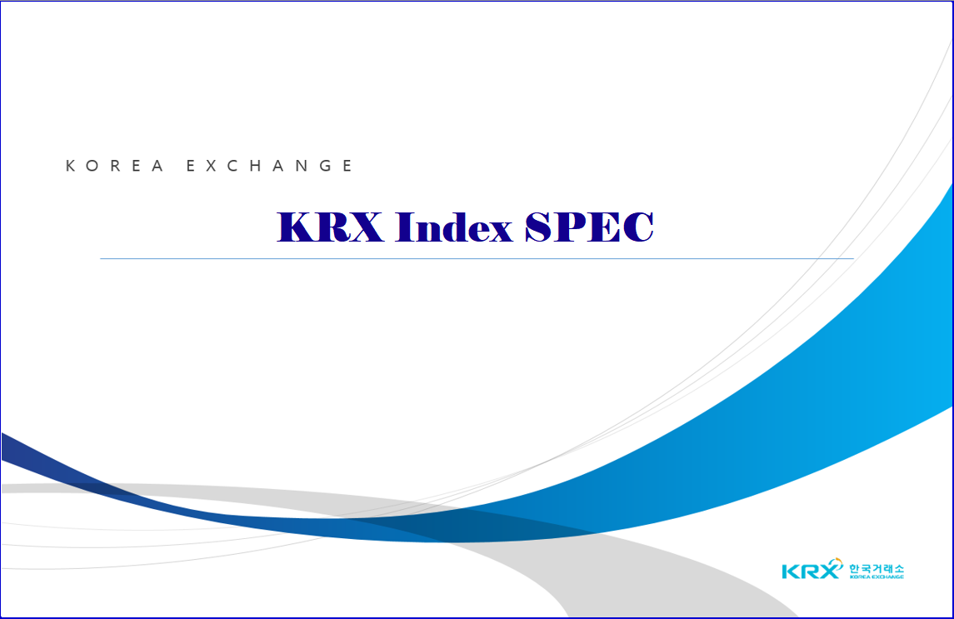
V 1.39 | May 18, 2026
V 1.39

May 18, 2026

