Title
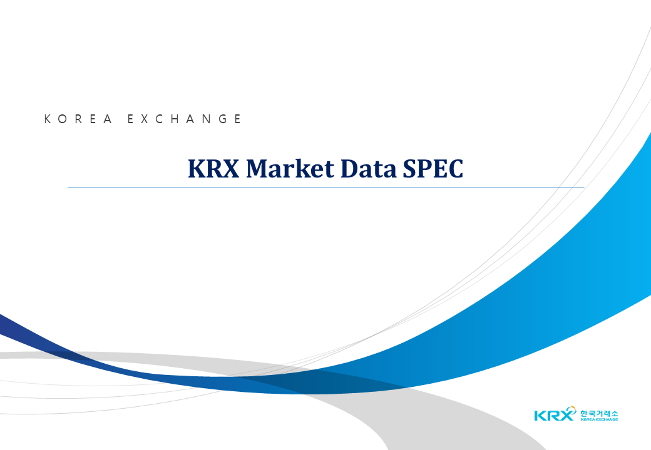
V2.018

Sep 14, 2026

