Other Notes
OTSiG|OCh non-intrusive monitor function
As the functionality of the OTSiG and OCh non-intrusive monitor functions is identical to the OTSiG‑O_TT_Sk and OCh-O_TT_Sk functions (see clause 12.2.2.2), no dedicated OCh non‑intrusive monitoring functions OTSiGm_TT_Sk and OChm_TT_Sk are defined.

Combined OTSiG|OCh and OTUk[V] non-intrusive monitor function (OCTk[V]m)
As the OCh and OTUk[V] terminations are always collocated in an OTN network, a combined OCh and OTUk[V] non-intrusive monitor is defined as a compound function OCTk[V]m. The OCTk[V]m compound function is the combination of a OTSiG-O|OCh-O_TT_Sk (see clause 12.2.1.2 or 12.2.2.2), OTSi/OTUk[V]_A_Sk (see clauses 16.1.2 and 16.2.2) and OTUk[V]_TT_Sk (see clauses 13.2.1.2 and 13.2.2.2) | 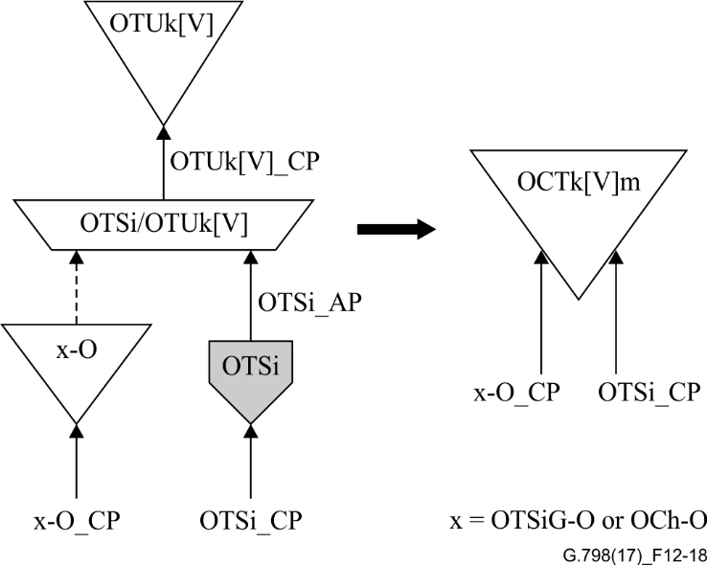 | 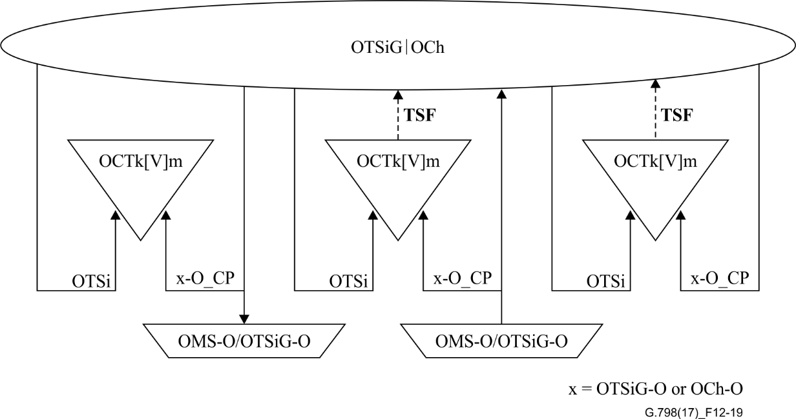 | 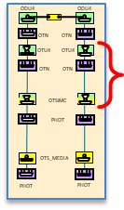

Combined OTSiG|OCh, OTUk[V] and ODUkT non-intrusive monitor function (OCTDk[V]m)
To support detection of bit errors in a serial compound ODUk link connection carried through an OCh domain with 3R regeneration, it is necessary to deploy ODUk tandem connection monitoring between the ODUk connection points at the endpoints of the ODUk serial compound link connection. For this purpose, a combined OCh, OTUk[V] and ODUkT non-intrusive monitor is defined as a compound function OCTDk[V]m. The OCTDk[V]m compound function is the combination of OTSiG-O|OCh-O_TT_Sk (see clause 12.2.1.2 or 12.2.2.2), OTSi/OTUk[V]_A_Sk (see clauses 16.1.2 and 16.2.2), OTUk[V]_TT_Sk (see clauses 13.2.1.2 and 13.2.2.2), OTUk[V]/ODUk_A (see clauses 13.3.1 and 13.3.2) and ODUkT_TT (see clause 14.5.1.1) | 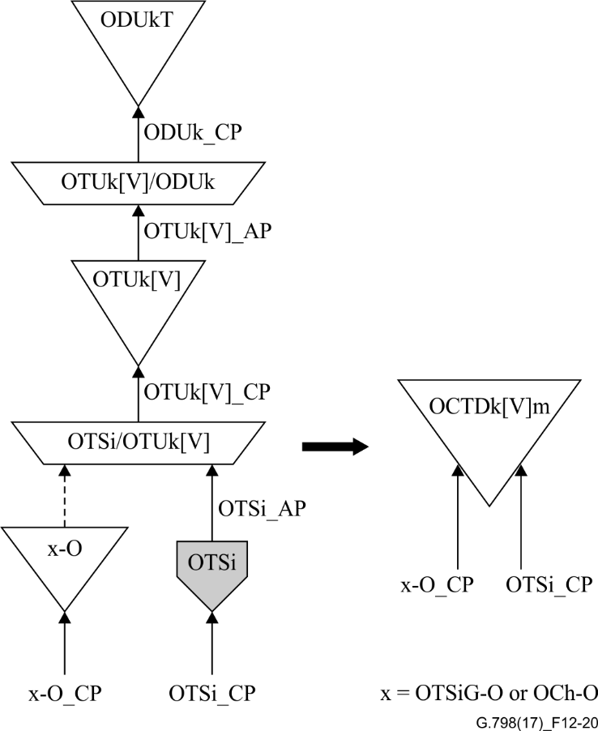 |  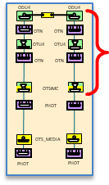

ODUP non-intrusive monitor function
As the functionality of the ODUkP non-intrusive monitor function is identical to the ODUP_TT_Sk function (see clause 14.2.1.2), no dedicated ODUP non-intrusive monitoring function ODUPm_TT_Sk is defined. | 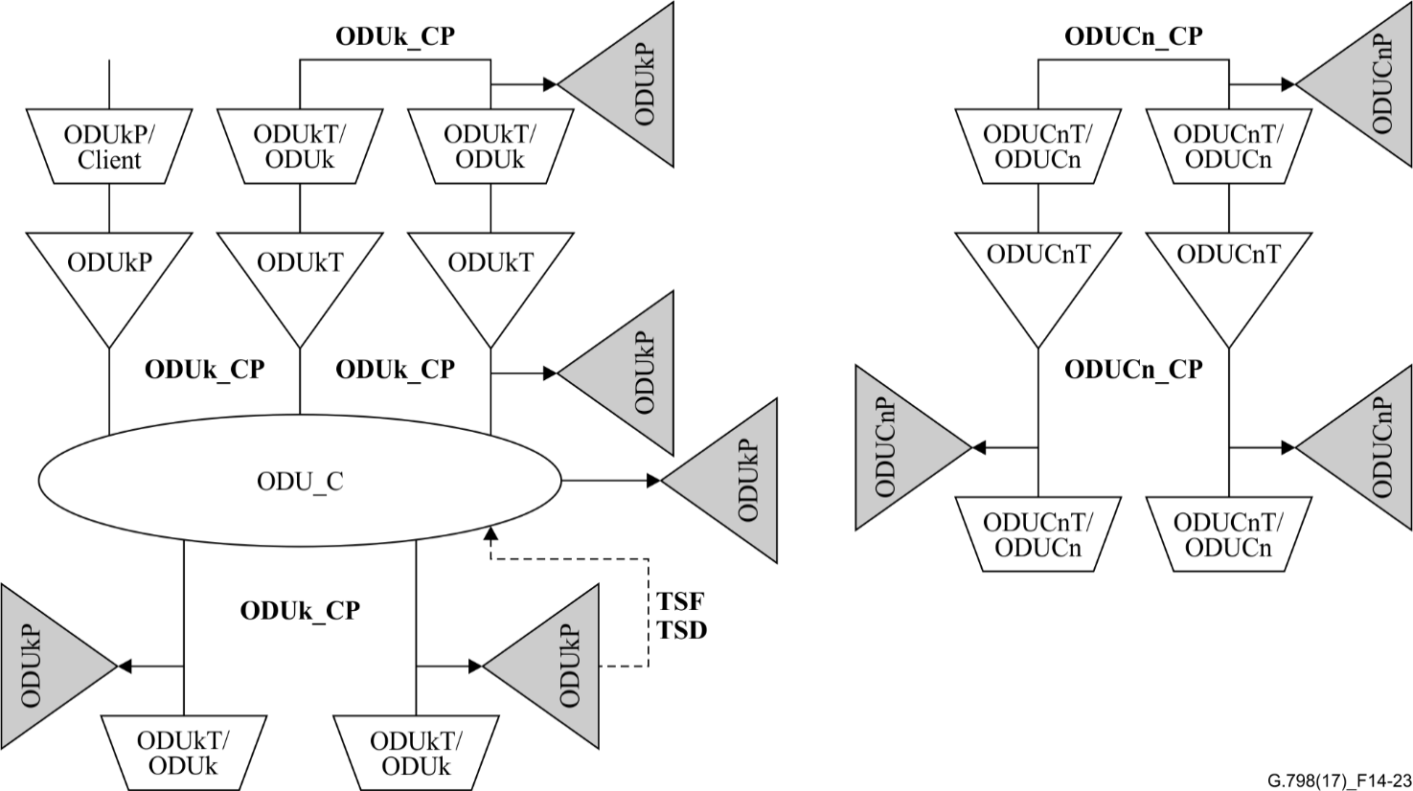

OTU_TT_Sk - Including both OTUk TT_Sk and OTUCn_TT_Sk ODUP_TT_Sk - Including both ODUkP_TT_Sk (k=0,1,2,2e,3,4,flex) and ODUCn_TT_Sk ODUT_TT_Sk - Including ODUkT_TT_Sk and ODUCnT_TT_Sk

