Input
Feasibility date | 2024-08-14

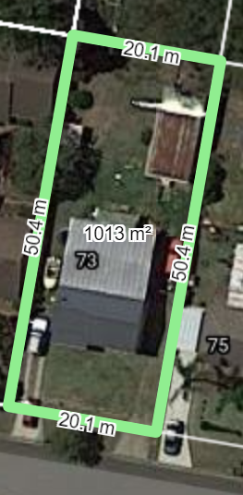
Property details | Return data information in the API and make provision for user inputs
Description | Data | Source | Notes |  | Site area and frontage
Property address |  | Domain website
Listed Price |  | Domain website
Property value - Low |  | Domain website
Property value - Medium |  | Domain website
Property value - High |  | Domain website
Price used in feasibility |  | Calculation/User Input/Mid market value | Offer to vendor
Site area (m2) |  | Domain website
Home size (m2) |  | Domain website
Useable land |  | User input
Minimum lot size subdivision (m2) |  | NSW planning portal
Minimum lot size duplex (m2) |  | NSW planning portal
Minimum frontage (m2) |  | NSW planning portal
Bed |  | Domain website
Bath |  | Domain website
Car |  | Domain website
Council |  | NSW planning portal
Zoning |  | NSW planning portal

Purchase costs
Description | Data | Source
Stamp duty |  | User input | See stamp duty rates across different states
Titles Office Transfer on Purchase |  | User input
Rates Adjustments at Settlement |  | User input
Conveyancing Fees |  | User input
Miscellaneous Bank Fees |  | User input
Mortgage Registration Fee |  | User input
Title Transfer Fee |  | User input
Bank Legal Fees on Purchase |  | User input
Bank Property Valuation |  | User input
Bank Loan Application Fee |  | User input
Insurance on Existing Buildings |  | User input
Rates |  | User input
Other |  | User input

Interest charges
Description | Data | Source
Residential loan LVR |  | User input
Project duration (months) |  | User input
Interest on residential loan |  | User input
Construction loan LVR |  | User input |  | Duplicate
Interest on construction loan |  | User input |  | Duplicate

Income assumptions
Description | Data | Source
Rental term (months) |  | User input
Net Rental income (per week) |  | User input/Domain website
Renovation uplift |  | User input

Selling costs
Description | Data | Source
Agents Commission |  | User input
Advertising and marketing |  | User input
Conveyancing and Settlement costs |  | User input
Rates adjustment on Settlement |  | User input
Mortgage discharge fee |  | User input
Register discharge - Titles office |  | User input
Gst liability on sales |  | User input
Input credits |  | User input

Development costs
Description | Data | Source
Civil Costs per Block |  | User input/S97 Contributions
Demolition Costs |  | User input
Infrastructure & Exceptional Costs |  | User input
Professional Fees (based on Construction Cost) |  | User input
Contingencies (based on Build Cost) |  | User input
Average House m2 |  | User input
Build cost m2 |  | User input
Council Contributions - per House |  | User input/S97 Contributions
Rates, Utilities & Land Tax |  | User input
Months to finance |  | User input
Interest on Development costs |  | User input | ~8%-9% in total
Bank Fees |  | User input
Brokers Fees |  | User input
Other Lending costs |  | User input
Finance |  | User input
Investor Input |  | Calculation
Renovation costs |  | User input

